Cover sheet
US Federal LCA Commons Life Cycle Inventory Unit Process Template

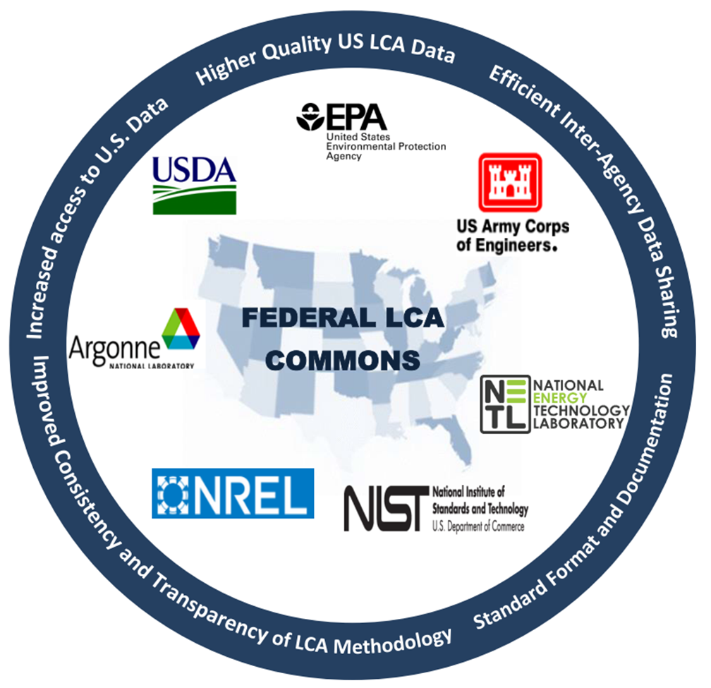
last updated: December 19, 2016

Disclaimer:
Neither the United States Government nor any person acting its behalf:
A. Makes any warranty or representation, express or implied, with respect to the accuracy, completeness, or usefulness of the information contained in this document, or that the use of any information, apparatus, method, or process disclosed in this document may not infringe on privately owned rights; or
B. Assumes any liability with this report as to its use, or damages resulting from the use of any information, apparatus, method, or process disclosed in this document.
Reference herein to any specific commercial product, process, or service by trade name, trademark, manufacturer, or otherwise, does not necessarily constitute or imply its endorsement, recommendation, or favoring by these organizations. The views and opinions of the authors expressed herein do not necessarily state or reflect those of these organizations.

Allocation
Allocation sheet
In openLCA, Physical and Economic allocation factors are a property of co-products only.
Causal allocation factors are a property of exchanges that are NOT co-products.
Add rows for additional flows. Add columns for additional co-products.
All factors should sum to 1.
Co-products | 1 |  |  |  |  |  |  | 1
Non-products | 0 |  |  |  |  |  |  | Co-products
 | x-sum | flow check | Default Method | None |  |  |  | Electricity; voltage?
 | 1 |  |  |  |  |  | Physical | 0.91 | 0.09
 | 1 |  |  |  |  |  | Economic | 0.75 | 0.25
Causal Allocation Factors |  |  | Flow Information
Exchange ID |  |  | Input group | Output group | Flow | Category
1 | 1 |  | #N/A | #N/A | #N/A | #N/A |  | 0.29 | 0.71
2 | 1 |  | #N/A | #N/A | #N/A | #N/A |  | 0.51 | 0.49
3 | 1 |  | #N/A | #N/A | #N/A | #N/A |  | 0.06 | 0.94
4 | 1 |  | #N/A | #N/A | #N/A | #N/A |  | 0.59 | 0.41
5 | 1 |  | #N/A | #N/A | #N/A | #N/A |  | 0.6 | 0.4
6 | 1 |  | #N/A | #N/A | #N/A | #N/A |  | 0.09 | 0.91
7 | 1 |  | #N/A | #N/A | #N/A | #N/A |  | 0.7 | 0.3
8 | 1 |  | #N/A | #N/A | #N/A | #N/A |  | 0.54 | 0.46
9 | 1 |  | #N/A | #N/A | #N/A | #N/A |  | 0.9 | 0.1
10 | 1 |  | #N/A | #N/A | #N/A | #N/A |  | 0.32 | 0.68
11 | 1 |  | #N/A | #N/A | #N/A | #N/A |  | 0.24 | 0.76
12 | 1 |  | #N/A | #N/A | #N/A | #N/A |  | 0.51 | 0.49
13 | 1 |  | #N/A | #N/A | #N/A | #N/A |  | 0.93 | 0.07
14 | 1 |  | #N/A | #N/A | #N/A | #N/A |  | 0.93 | 0.07
15 | 1 |  | #N/A | #N/A | #N/A | #N/A |  | 0.93 | 0.07
16 | 1 |  | #N/A | #N/A | #N/A | #N/A |  | 0.93 | 0.07
17 | 1 |  | #N/A | #N/A | #N/A | #N/A |  | 0.93 | 0.07
18 | 1 |  | #N/A | #N/A | #N/A | #N/A |  | 0.93 | 0.07

