TRACI_2_1
TRACI 2.1
Tool for the Reduction and Assessment of Chemical and other environmental Impacts 2.1
Available from: the US EPA, Office of Research and Development, National Risk Management Research Laboratory, Sustainable Technology Division

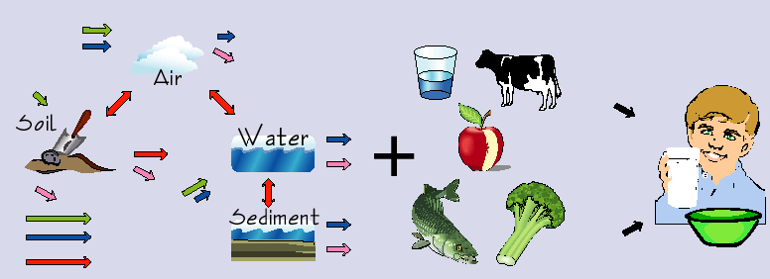

Disclaimer
Use of TRACI, including but not limited to the impact assessment modeling, does not create regulatory or scientific approval by the US EPA on any issues to which it is applied, nor does it release any users from any potential liability, either administratively or judicially, for any damage to human health or the environment. The US EPA does not make any warranty concerning the correctness of the database, any actions taken by third parties as a result of using the model, or the merchantability or fitness for a particular purpose of the model. The EPA does not endorse any products or services.

