ReadMe
Overview
The data is provided in a flat file format for all states, each year from 2000 to 2018 and by well size class. The “Filter” tool in Excel provides one of the fastest methods for viewing a subset of the data in a table. For example, in Figure 1 the filters are set to select only AK (i.e., Alaska) and year 2017. In Figure 2, the filters are set to select Alaska totals for all years and sorted chronologically. | Figure 1.
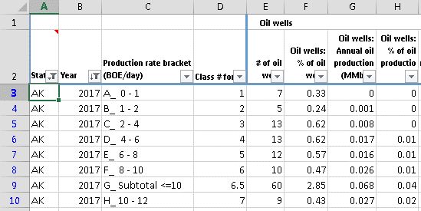
The "PivotTable" sheet provides a second means to query the Data by one or more states at a time or for the whole U.S. The "Chart_of_pivot" sheet generates charts of the data seleted in the PivotTable sheet. By default the subtotal rows are unselected in the PivotTable. Note that the pivot table will not correctly sum percentages and rates when more than one state is selected.

Notes:
1) Source: State and federal administrative oil & gas data thru Enverus Drillinginfo.
2) The total volumes shown in the distribution tables may not exactly agree with other related data, including other EIA sources. Major reasons for differences include: the timing of updates from state and commercial sources, the summed production of available well-level production data versus state-level aggregations of production, and how a well is defined and which entities are counted and summed.
3) Wells counted for this report include sidetracks, completions, re-completions and leases, this includes all oil and/or gas producing 'entities' available in Enverus Drillinginfo database.
4) For late reporting states; the last year of available data is repeated for missing years (AZ 2017 used for 2018, MD & TN 2016 for 2017-18, KY 2013 for 2014 and 2015 for 2016-18). All years are missing for IL and IN.
5) To be consistent between states a GOR of 6,000 (cf/bbl) for each years production was used to define oil versus gas wells. If the GOR was less (greater) than 6,000 (cf/bbl) the well was classed an oil (gas) well. | Figure 2.
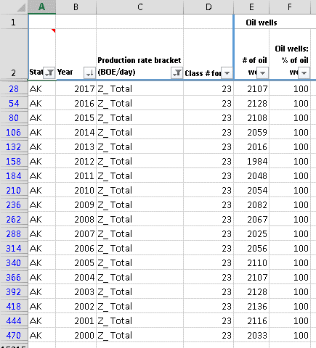
6) To determine production rate brackets for the first and last year of a wells life the annual production was divided by the number of days in the productive months. For other years the annual production was divided by 365 or 366 days.
7) Gas volumes have been converted from the various state pressure bases to the Federal base (14.73 psia).

Data available as of October 2019.

Chart_of_pivot
US: Sum of Total number of wells

 | 2000 | 2001 | 2002 | 2003 | 2004 | 2005 | 2006 | 2007 | 2008 | 2009 | 2010 | 2011 | 2012 | 2013 | 2014 | 2015 | 2016 | 2017 | 2018
A_ 0 - 1 | 227,903 | 238,233 | 238,000 | 239,938 | 246,522 | 252,900 | 261,100 | 259,284 | 280,607 | 286,223 | 296,430 | 306,498 | 316,068 | 323,908 | 336,733 | 344,715 | 352,577 | 346,024 | 336,012
B_ 1 - 2 | 86,627 | 89,667 | 90,992 | 91,994 | 94,118 | 97,116 | 101,288 | 102,681 | 111,841 | 112,429 | 116,200 | 119,214 | 121,532 | 122,835 | 124,421 | 120,491 | 115,345 | 113,675 | 112,094
C_ 2 - 4 | 95,056 | 98,834 | 99,565 | 101,743 | 103,973 | 107,896 | 113,040 | 116,077 | 124,391 | 125,902 | 127,262 | 130,848 | 131,852 | 131,939 | 131,719 | 128,159 | 122,730 | 120,751 | 118,433
D_ 4 - 6 | 55,030 | 57,152 | 58,692 | 59,651 | 62,090 | 65,133 | 68,943 | 71,431 | 75,750 | 75,972 | 77,341 | 78,610 | 78,426 | 78,482 | 79,252 | 76,088 | 73,519 | 72,556 | 69,885
E_ 6 - 8 | 37,989 | 39,819 | 40,465 | 42,095 | 43,508 | 45,184 | 48,251 | 50,533 | 53,087 | 53,322 | 53,591 | 53,437 | 53,095 | 52,844 | 52,822 | 51,786 | 49,477 | 48,144 | 46,909
F_ 8 - 10 | 29,177 | 29,542 | 30,481 | 31,999 | 32,866 | 34,663 | 36,287 | 37,989 | 38,621 | 38,762 | 38,762 | 38,918 | 38,175 | 38,023 | 38,253 | 36,972 | 35,543 | 34,079 | 33,719
H_ 10 - 12 | 22,504 | 23,033 | 24,223 | 24,876 | 25,746 | 27,154 | 28,269 | 28,644 | 29,652 | 29,021 | 29,265 | 29,351 | 29,610 | 29,092 | 28,952 | 28,313 | 26,929 | 26,870 | 26,429
I_ 12 - 15 | 26,018 | 27,831 | 27,734 | 28,776 | 30,016 | 30,697 | 31,773 | 32,118 | 32,889 | 32,673 | 32,715 | 32,633 | 32,670 | 32,500 | 32,188 | 32,348 | 30,882 | 29,807 | 30,110
K_ 15 - 20 | 31,832 | 32,485 | 32,952 | 33,418 | 33,879 | 34,324 | 35,151 | 35,495 | 36,732 | 36,346 | 36,642 | 36,967 | 37,208 | 36,987 | 37,165 | 36,561 | 35,050 | 34,193 | 34,703
L_ 20 - 25 | 21,585 | 22,050 | 21,987 | 22,121 | 22,347 | 22,449 | 22,956 | 23,200 | 24,239 | 24,112 | 24,394 | 24,917 | 25,047 | 24,623 | 25,018 | 24,538 | 23,459 | 22,972 | 23,343
M_ 25 - 30 | 15,281 | 15,222 | 15,419 | 15,389 | 15,613 | 15,761 | 16,298 | 16,393 | 17,334 | 17,134 | 17,545 | 17,617 | 17,767 | 17,551 | 17,993 | 17,391 | 16,818 | 16,786 | 17,291
N_ 30 - 40 | 19,873 | 20,155 | 19,917 | 20,265 | 20,482 | 20,902 | 21,335 | 21,840 | 22,924 | 23,048 | 23,123 | 23,342 | 23,574 | 23,636 | 23,895 | 23,428 | 23,138 | 23,221 | 24,733
O_ 40 - 50 | 11,989 | 12,146 | 12,097 | 12,277 | 12,460 | 12,641 | 12,955 | 13,543 | 14,423 | 14,219 | 14,518 | 14,484 | 14,659 | 14,939 | 15,892 | 15,756 | 15,791 | 16,071 | 16,696
P_ 50 - 100 | 23,877 | 24,616 | 24,178 | 24,645 | 24,995 | 25,676 | 27,047 | 28,843 | 31,003 | 30,353 | 30,521 | 31,135 | 32,547 | 34,656 | 37,811 | 39,333 | 39,274 | 38,763 | 38,084
R_ 100 - 200 | 11,657 | 12,124 | 11,779 | 12,205 | 13,010 | 13,689 | 14,766 | 16,212 | 17,994 | 16,749 | 16,816 | 17,671 | 19,960 | 22,764 | 25,229 | 24,883 | 22,416 | 20,200 | 20,835
S_ 200 - 400 | 6,092 | 6,355 | 6,274 | 6,464 | 6,601 | 6,704 | 6,843 | 7,324 | 8,116 | 7,373 | 8,131 | 9,869 | 12,498 | 14,422 | 15,570 | 14,680 | 12,408 | 12,456 | 14,822
T_ 400 - 800 | 3,764 | 3,682 | 3,241 | 3,144 | 3,042 | 2,806 | 2,663 | 2,920 | 3,023 | 2,895 | 3,695 | 5,011 | 6,027 | 6,738 | 8,334 | 8,172 | 7,412 | 8,293 | 10,695
U_ 800 - 1,600 | 1,906 | 1,714 | 1,506 | 1,463 | 1,335 | 1,146 | 1,065 | 1,094 | 1,042 | 1,097 | 1,619 | 2,061 | 1,938 | 2,002 | 2,506 | 2,948 | 2,765 | 3,829 | 5,330
V_ 1,600 - 3,200 | 682 | 597 | 554 | 552 | 476 | 404 | 409 | 390 | 364 | 396 | 392 | 375 | 346 | 404 | 506 | 523 | 679 | 1,229 | 1,714
W_ 3,200 - 6,400 | 238 | 238 | 213 | 207 | 207 | 183 | 187 | 173 | 147 | 135 | 149 | 127 | 127 | 124 | 141 | 138 | 140 | 219 | 364
X_ 6,400 - 12,800 | 72 | 90 | 106 | 110 | 111 | 83 | 87 | 98 | 75 | 84 | 66 | 62 | 61 | 70 | 80 | 91 | 94 | 103 | 144
Y_ > 12,800 | 34 | 44 | 40 | 33 | 26 | 27 | 19 | 12 | 18 | 39 | 42 | 22 | 18 | 15 | 23 | 29 | 28 | 30 | 26

