Summary
 | 2021-05-03

Client ID | Test Conc (µM) | Assay Duration (hr) | Mean A → B Papp 10-6 cm/s | Mean B → A Papp 10-6 cm/s | Efflux Ratio | Comments |  | Client ID | Test Concentration (µM) | Direction | Parameter | First | Second | Third | Mean
DTXSID1024124 | 10.0 | 2.00 | 0.366 | 7.16 | 21.0 |  |  | DTXSID1024124 | 10.0 | A → B | Papp | 0.259 | 0.473 |  | 0.366
DTXSID1037565 | 10.0 | 2.00 | 45.8 | 33.5 | 0.747 |  |  |  |  | A → B | Recovery | 87.2% | 82.5% |  | 84.8%
DTXSID2026107 | 10.0 | 2.00 | 7.53 | 3.37 | 0.450 | Low Recovery A → B |  |  |  | B → A | Papp | 6.75 | 7.57 |  | 7.16
DTXSID3032412 | 10.0 | 2.00 | 34.0 | 27.8 | 0.819 |  |  |  |  | B → A | Recovery | 92.9% | 108% |  | 100%
DTXSID3034531 | 10.0 | 2.00 | 16.3 | 52.4 | 3.77 |  |  |  |  | (B → A)/(A → B) | Efflux Ratio | 26.1 | 16.0 |  | 21.0
DTXSID3034614 | 10.0 | 2.00 | 0.401 | 0.857 | 2.74 |  |  | DTXSID1037565 | 10.0 | A → B | Papp | 51.0 | 40.6 |  | 45.8
DTXSID4034497 | 10.0 | 2.00 | 17.9 | 21.0 | 1.16 |  |  |  |  | A → B | Recovery | 91.7% | 72.8% |  | 82.2%
DTXSID4034601 | 10.0 | 2.00 | 5.05 | 14.9 | 3.14 | Low Recovery A → B |  |  |  | B → A | Papp | 30.7 | 36.2 |  | 33.5
DTXSID5021415 | 10.0 | 2.00 | 1.56 | 2.54 | 1.61 |  |  |  |  | B → A | Recovery | 84.0% | 78.8% |  | 81.4%
DTXSID1033161 | 10.0 | 2.00 | 3.36 | 4.54 | 1.35 |  |  |  |  | (B → A)/(A → B) | Efflux Ratio | 0.602 | 0.892 |  | 0.747
DTXSID3041794 | 10.0 | 2.00 | 0.0100 | 0.26 | 26.44 | Low Recovery A → B and B → A |  | DTXSID2026107 | 10.0 | A → B | Papp | 7.01 | 8.06 |  | 7.53
DTXSID4021971 | 10.0 | 2.00 | 7.87 | 25.34 | 3.28 | Huge peak in blank |  |  |  | A → B | Recovery | 13.6% | 15.3% |  | 14.4%
Ranitidine | 10.0 | 2.00 | 0.512 | 1.45 | 3.26 | Low Permeability Control |  |  |  | B → A | Papp | 3.38 | 3.36 |  | 3.37
Talinolol | 10.0 | 2.00 | 0.259 | 7.51 | 35.9 | P-gp Efflux Control |  |  |  | B → A | Recovery | 52.9% | 53.0% |  | 53.0%
Warfarin | 10.0 | 2.00 | 38.7 | 27.6 | 0.709 | High Permeability Control |  |  |  | (B → A)/(A → B) | Efflux Ratio | 0.483 | 0.417 |  | 0.450
Low recovery may be due to poor aqueous solubility, poor stability, and/or non-specific binding (high lipophilicity) of the Compound. Permeability rates for compounds with low/poor post assay recovery may be underestimated. |  |  |  |  |  |  |  | DTXSID3032412 | 10.0 | A → B | Papp | 34.6 | 33.3 |  | 34.0
 |  |  |  |  |  |  |  |  |  | A → B | Recovery | 78.4% | 82.5% |  | 80.5%
 |  |  |  |  |  |  |  |  |  | B → A | Papp | 24.4 | 31.1 |  | 27.8
Permeability
 |  |  |  |  |  |  |  |  |  | B → A | Recovery | 80.2% | 93.7% |  | 87.0%
 |  |  |  |  |  |  |  |  |  | (B → A)/(A → B) | Efflux Ratio | 0.704 | 0.934 |  | 0.819
 |  |  |  |  |  |  |  | DTXSID3034531 | 10.0 | A → B | Papp | 8.52 | 24.0 |  | 16.3
 |  |  |  |  |  |  |  |  |  | A → B | Recovery | 46.9% | 63.9% |  | 55.4%
 |  |  |  |  |  |  |  |  |  | B → A | Papp | 41.9 | 63.0 |  | 52.4
 |  |  |  |  |  |  |  |  |  | B → A | Recovery | 63.8% | 106% |  | 85.0%
 |  |  |  |  |  |  |  |  |  | (B → A)/(A → B) | Efflux Ratio | 4.92 | 2.62 |  | 3.77
 |  |  |  |  |  |  |  | DTXSID3034614 | 10.0 | A → B | Papp | 0.247 | 0.555 |  | 0.401
 |  |  |  |  |  |  |  |  |  | A → B | Recovery | 83.7% | 85.7% |  | 84.7%
 |  |  |  |  |  |  |  |  |  | B → A | Papp | 1.06 | 0.654 |  | 0.857
 |  |  |  |  |  |  |  |  |  | B → A | Recovery | 81.8% | 89.2% |  | 85.5%
 |  |  |  |  |  |  |  |  |  | (B → A)/(A → B) | Efflux Ratio | 4.29 | 1.18 |  | 2.74
 |  |  |  |  |  |  |  | DTXSID4034497 | 10.0 | A → B | Papp | 16.7 | 19.1 |  | 17.9
 |  |  |  |  |  |  |  |  |  | A → B | Recovery | 41.8% | 42.7% |  | 42.2%
 |  |  |  |  |  |  |  |  |  | B → A | Papp | 15.4 | 26.5 |  | 21.0
 |  |  |  |  |  |  |  |  |  | B → A | Recovery | 73.6% | 73.0% |  | 73.3%
 |  |  |  |  |  |  |  |  |  | (B → A)/(A → B) | Efflux Ratio | 0.925 | 1.39 |  | 1.16
 |  |  |  |  |  |  |  | DTXSID4034601 | 10.0 | A → B | Papp | 5.64 | 4.46 |  | 5.05
 |  |  |  |  |  |  |  |  |  | A → B | Recovery | 29.2% | 25.2% |  | 27.2%
 |  |  |  |  |  |  |  |  |  | B → A | Papp | 8.76 | 21.0 |  | 14.9
 |  |  |  |  |  |  |  |  |  | B → A | Recovery | 77.5% | 72.0% |  | 74.7%
Compounds | A → B | Stdev | B → A | Stdev | Ratio | Stdev | Comments |  |  | (B → A)/(A → B) | Efflux Ratio | 1.55 | 4.72 |  | 3.14
DTXSID1024124 | 0.366 | 0.151 | 7.16 | 0.581 | 19.6 | 8.25 |  | DTXSID5021415 | 10.0 | A → B | Papp | 1.47 | 1.65 |  | 1.56
DTXSID1037565 | 45.8 | 7.37 | 33.5 | 3.89 | 0.731 | 0.145 |  |  |  | A → B | Recovery | 85.9% | 76.8% |  | 81.4%
DTXSID2026107 | 7.53 | 0.742 | 3.37 | 0.0163 | 0.448 | 0.0442 |  |  |  | B → A | Papp | 2.11 | 2.97 |  | 2.54
DTXSID3032412 | 34.0 | 0.925 | 27.8 | 4.75 | 0.817 | 0.142 |  |  |  | B → A | Recovery | 106% | 95.7% |  | 101%
DTXSID3034531 | 16.3 | 11.0 | 52.4 | 14.9 | 3.22 | 2.36 |  |  |  | (B → A)/(A → B) | Efflux Ratio | 1.43 | 1.80 |  | 1.61
DTXSID3034614 | 0.401 | 0.218 | 0.857 | 0.286 | 2.14 | 1.36 |  | DTXSID1033161 | 10.0 | A → B | Papp | 3.33 | 3.39 |  | 3.36
DTXSID4034497 | 17.9 | 1.68 | 21.0 | 7.86 | 1.17 | 0.453 |  |  |  | A → B | Recovery | 78.8% | 80.0% |  | 79.4%
DTXSID4034601 | 5.05 | 0.837 | 14.9 | 8.67 | 2.95 | 1.79 |  |  |  | B → A | Papp | 3.03 | 6.05 |  | 4.54
DTXSID5021415 | 1.56 | 0.126 | 2.54 | 0.612 | 1.63 | 0.413 |  |  |  | B → A | Recovery | 97.2% | 103% |  | 100.0%
DTXSID1033161 | 3.36 | 0.047 | 4.54 | 2.134 | 1.35 | 0.636 |  |  |  | (B → A)/(A → B) | Efflux Ratio | 0.910 | 1.78 |  | 1.35
DTXSID3041794 | 0.01 | 0.001 | 0.26 | 0.129 | 25.93 | 12.971 |  | DTXSID3041794 | 10.0 | A → B | Papp | 0.00952 | 0.0105 |  | 0.0100
DTXSID4021971 | 7.87 | 3.009 | 25.34 | 7.541 | 3.22 | 1.560 |  |  |  | A → B | Recovery | 0.684% | 0.991% |  | 0.8%
Ranitidine | 0.512 | 0.226 | 1.45 | 0.263 | 2.83 | 1.35 |  |  |  | B → A | Papp | 0.351 | 0.169 |  | 0.260
Talinolol | 0.259 | 0.123 | 7.51 | 3.15 | 29.0 | 18.3 |  |  |  | B → A | Recovery | 14.2% | 18.0% |  | 16.1%
Warfarin | 38.7 | 6.09 | 27.6 | 7.01 | 0.714 | 0.213 |  |  |  | (B → A)/(A → B) | Efflux Ratio | 36.8 | 16.1 |  | 26.4
 |  |  |  |  |  |  |  | DTXSID4021971 | 10.0 | A → B | Papp | 5.74 | 10.00 |  | 7.87
 |  |  |  |  |  |  |  |  |  | A → B | Recovery | 75.2% | 72.1% |  | 73.7%
 |  |  |  |  |  |  |  |  |  | B → A | Papp | 20.0 | 30.7 |  | 25.3
 |  |  |  |  |  |  |  |  |  | B → A | Recovery | 92.0% | 109% |  | 100.7%
 |  |  |  |  |  |  |  |  |  | (B → A)/(A → B) | Efflux Ratio | 3.48 | 3.07 |  | 3.28
 |  |  |  |  |  |  |  | Ranitidine | 10.0 | A → B | Papp | 0.352 | 0.672 |  | 0.512
 |  |  |  |  |  |  |  |  |  | A → B | Recovery | 98.1% | 89.1% |  | 93.6%
 |  |  |  |  |  |  |  |  |  | B → A | Papp | 1.63 | 1.26 |  | 1.45
 |  |  |  |  |  |  |  |  |  | B → A | Recovery | 76.7% | 68.6% |  | 72.7%
 |  |  |  |  |  |  |  |  |  | (B → A)/(A → B) | Efflux Ratio | 4.64 | 1.88 |  | 3.26
 |  |  |  |  |  |  |  | Talinolol | 10.0 | A → B | Papp | 0.346 | 0.172 |  | 0.259
 |  |  |  |  |  |  |  |  |  | A → B | Recovery | 72.6% | 68.7% |  | 70.6%
 |  |  |  |  |  |  |  |  |  | B → A | Papp | 5.28 | 9.74 |  | 7.51
 |  |  |  |  |  |  |  |  |  | B → A | Recovery | 74.3% | 97.4% |  | 85.8%
 |  |  |  |  |  |  |  |  |  | (B → A)/(A → B) | Efflux Ratio | 15.3 | 56.5 |  | 35.9
 |  |  |  |  |  |  |  | Warfarin | 10.0 | A → B | Papp | 43.0 | 34.4 |  | 38.7
 |  |  |  |  |  |  |  |  |  | A → B | Recovery | 94.0% | 78.5% |  | 86.3%
 |  |  |  |  |  |  |  |  |  | B → A | Papp | 32.6 | 22.7 |  | 27.6
 |  |  |  |  |  |  |  |  |  | B → A | Recovery | 93.0% | 81.5% |  | 87.3%
 |  |  |  |  |  |  |  |  |  | (B → A)/(A → B) | Efflux Ratio | 0.758 | 0.660 |  | 0.709

Data 2
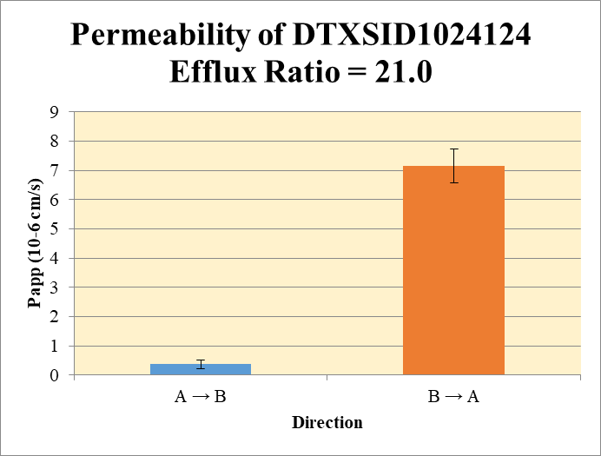
SampleName | CompoundName | Transition | Area | ISTD Area | ISTDResponseRatio | A → B | Volume | RR1 | RR2 | RR3 | RR Mean | RR SD
Blank 1_A_B__1______Inj Caco2_2021May03_Inj003 | DTXSID1024124 | 387.951 > 166.924 | 123.132 | 36062.555 | 0.0034144003385 | Donor | 0.0750 | 39.5 | 40.2 |  | 39.8 | 0.479 | A → B | 0.366 | 0.151
Blank 2_A_B__2______Inj Caco2_2021May03_Inj004 | DTXSID1024124 | 387.951 > 166.924 | 123.132 | 36062.555 | 0.0034144003385 | Receiver | 0.250 | 0.0372 | 0.0734 |  | 0.0553 | 0.0256 | B → A | 7.16 | 0.581
Blank 3_B_A__3______Inj Caco2_2021May03_Inj005 | DTXSID1024124 | 387.951 > 166.924 | 25.503 | 49392.68 | 0.00051633156978 | Dosing | 0.0750 | 45.4 | 49.0 |  | 47.2 | 2.54
Blank 4_B_A__4______Inj Caco2_2021May03_Inj006 | DTXSID1024124 | 387.951 > 166.924 | 12.339 | 43976.457 | 0.00028058194865 | Standard
DTXSID1024124_A_B_rec_1______Inj Caco2_2021May03_Inj023 | DTXSID1024124 | 387.951 > 166.924 | 640.443 | 50338.441 | 0.012722742049 | Blank |  | 0.00341 | 0.00341 |  | 0.00341 | 0.0
DTXSID1024124_A_B_rec_2______Inj Caco2_2021May03_Inj024 | DTXSID1024124 | 387.951 > 166.924 | 965.605 | 44349.766 | 0.021772493681 | dq/dt |  | 1.29E-06 | 2.55E-06 |  | 1.92E-06 | 8.89E-07
DTXSID1024124_A_B_dos_1______Inj Caco2_2021May03_Inj143 | DTXSID1024124 | 387.951 > 166.924 | 553592.125 | 48740.973 | 11.35783902 | Co |  | 45.4 | 49.0 |  | 47.2 | 2.54
DTXSID1024124_A_B_dos_2______Inj Caco2_2021May03_Inj144 | DTXSID1024124 | 387.951 > 166.924 | 594647.188 | 48513.945 | 12.25724249 | Recovery |  | 87.2% | 82.5% |  | 84.8% | 3.38%
DTXSID1024124_A_B_don_1______Inj Caco2_2021May03_Inj083 | DTXSID1024124 | 387.951 > 166.924 | 458532.844 | 46426.676 | 9.8764952287 | Papp |  | 0.259 | 0.473 |  | 0.366 | 0.151
DTXSID1024124_A_B_don_2______Inj Caco2_2021May03_Inj084 | DTXSID1024124 | 387.951 > 166.924 | 457099.938 | 45501.27 | 10.045872082
DTXSID1024124_B_A_rec_1______Inj Caco2_2021May03_Inj061 | DTXSID1024124 | 387.951 > 166.924 | 37860.281 | 49129.336 | 0.7706247241 | B → A
DTXSID1024124_B_A_rec_2______Inj Caco2_2021May03_Inj062 | DTXSID1024124 | 387.951 > 166.924 | 39273.207 | 46564.039 | 0.84342354837 | Donor | 0.250 | 39.2 | 44.4 |  | 41.8 | 3.67
DTXSID1024124_B_A_dos_1______Inj Caco2_2021May03_Inj181 | DTXSID1024124 | 387.951 > 166.924 | 550980.688 | 50983.059 | 10.807132777 | Receiver | 0.0750 | 3.08 | 3.37 |  | 3.23 | 0.206
DTXSID1024124_B_A_dos_2______Inj Caco2_2021May03_Inj182 | DTXSID1024124 | 387.951 > 166.924 | 553630.75 | 52498.293 | 10.545690505 | Dosing | 0.250 | 43.2 | 42.2 |  | 42.7 | 0.739
DTXSID1024124_B_A_don_1______Inj Caco2_2021May03_Inj121 | DTXSID1024124 | 387.951 > 166.924 | 499562.125 | 50925.605 | 9.8096453641 | Standard
DTXSID1024124_B_A_don_2______Inj Caco2_2021May03_Inj122 | DTXSID1024124 | 387.951 > 166.924 | 491119.813 | 44219.867 | 11.106315924 | Blank |  | 0.000516 | 0.000281 |  | 0.000398 | 0.000167
 |  |  |  | Dilution | 4.00 | dq/dt |  | 3.21E-05 | 3.51E-05 |  | 3.36E-05 | 2.14E-06 | Test Article | Test Conc (µM) | Parameter | Papp (10-6 cm/s) Rep-1 | Papp (10-6 cm/s) Rep-2 | Papp (10-6 cm/s) Rep-3 | Recovery
 |  |  |  | Chamber Surface Area | 0.110 | Co |  | 43.2 | 42.2 |  | 42.7 | 0.739 |  |  | A → B | 0.259 | 0.473 |  | 84.8%
 |  |  |  | Sampling Period (hrs) | 2.00 | Recovery |  | 92.9% | 108% |  | 100% | 10.5% | DTXSID1024124 | 10.0 | B → A | 6.75 | 7.57 |  | 100%
 |  |  |  | Test Concentration (µM) | 10.0 | Papp |  | 6.75 | 7.57 |  | 7.16 | 0.581 |  |  | Efflux Ratio | 26.1 | 16.0
 |  |  |  |  |  | Efflux Ratio |  | 26.1 | 16.0 |  | 21.0 | 7.12

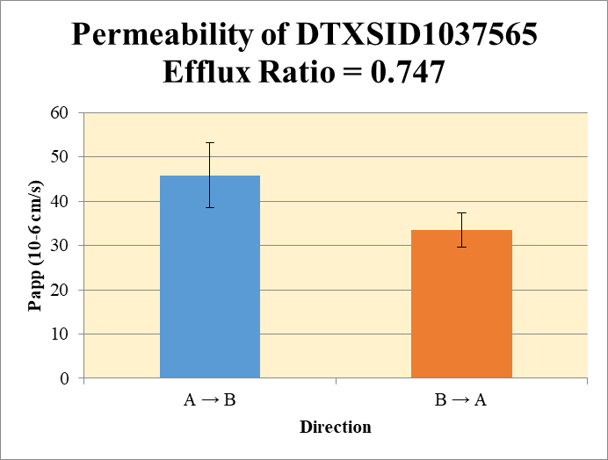
 |  |  |  |  |  | A → B
Blank 1_A_B__1______Inj Caco2_2021May03_Inj003 | DTXSID1037565 | 270.04 > 118.939 | 78.814 | 36062.555 | 0.0021854802024 | Donor | 0.0750 | 48.0 | 42.2 |  | 45.1 | 4.12 | A → B | 45.8 | 7.37
Blank 2_A_B__2______Inj Caco2_2021May03_Inj004 | DTXSID1037565 | 270.04 > 118.939 | 78.814 | 36062.555 | 0.0021854802024 | Receiver | 0.250 | 20.6 | 18.1 |  | 19.4 | 1.72 | B → A | 33.5 | 3.89
Blank 3_B_A__3______Inj Caco2_2021May03_Inj005 | DTXSID1037565 | 270.04 > 118.939 | 38.309 | 49392.68 | 0.00077560075704 | Dosing | 0.0750 | 127 | 141 |  | 134 | 9.71
Blank 4_B_A__4______Inj Caco2_2021May03_Inj006 | DTXSID1037565 | 270.04 > 118.939 | 59.991 | 43976.457 | 0.0013641617377 | Standard
DTXSID1037565_A_B_rec_1______Inj Caco2_2021May03_Inj033 | DTXSID1037565 | 270.04 > 118.939 | 253762.703 | 49331.336 | 5.1440468387 | Blank |  | 0.00219 | 0.00219 |  | 0.00219 | 0.0
DTXSID1037565_A_B_rec_2______Inj Caco2_2021May03_Inj034 | DTXSID1037565 | 270.04 > 118.939 | 229520.906 | 50603.16 | 4.5357030272 | dq/dt |  | 0.000714 | 0.000630 |  | 0.000672 | 5.97E-05
DTXSID1037565_A_B_dos_1______Inj Caco2_2021May03_Inj153 | DTXSID1037565 | 270.04 > 118.939 | 1591068 | 50030.945 | 31.801677942 | Co |  | 127 | 141 |  | 134 | 9.71
DTXSID1037565_A_B_dos_2______Inj Caco2_2021May03_Inj154 | DTXSID1037565 | 270.04 > 118.939 | 1662802.375 | 47190.91 | 35.235649726 | Recovery |  | 91.7% | 72.8% |  | 82.2% | 13.3%
DTXSID1037565_A_B_don_1______Inj Caco2_2021May03_Inj093 | DTXSID1037565 | 270.04 > 118.939 | 518373.969 | 43161.484 | 12.010105329 | Papp |  | 51.0 | 40.6 |  | 45.8 | 7.37
DTXSID1037565_A_B_don_2______Inj Caco2_2021May03_Inj094 | DTXSID1037565 | 270.04 > 118.939 | 476227.781 | 45129.867 | 10.552386095
DTXSID1037565_B_A_rec_1______Inj Caco2_2021May03_Inj063 | DTXSID1037565 | 270.04 > 118.939 | 415857.844 | 43876.117 | 9.4780001612 | B → A
DTXSID1037565_B_A_rec_2______Inj Caco2_2021May03_Inj064 | DTXSID1037565 | 270.04 > 118.939 | 493894.25 | 41029.227 | 12.037620158 | Donor | 0.250 | 86.7 | 84.7 |  | 85.7 | 1.41
DTXSID1037565_B_A_dos_1______Inj Caco2_2021May03_Inj183 | DTXSID1037565 | 270.04 > 118.939 | 1449333.875 | 49649.609 | 29.191244487 | Receiver | 0.0750 | 37.9 | 48.1 |  | 43.0 | 7.24
DTXSID1037565_B_A_dos_2______Inj Caco2_2021May03_Inj184 | DTXSID1037565 | 270.04 > 118.939 | 1630620.5 | 51846.184 | 31.451118948 | Dosing | 0.250 | 117 | 126 |  | 121 | 6.39
DTXSID1037565_B_A_don_1______Inj Caco2_2021May03_Inj123 | DTXSID1037565 | 270.04 > 118.939 | 983374.875 | 45379.297 | 21.670121399 | Standard
DTXSID1037565_B_A_don_2______Inj Caco2_2021May03_Inj124 | DTXSID1037565 | 270.04 > 118.939 | 1053250.375 | 49744.547 | 21.17318256 | Blank |  | 0.000776 | 0.00136 |  | 0.00107 | 0.000416
 |  |  |  | Dilution | 4.00 | dq/dt |  | 0.000395 | 0.000502 |  | 0.000448 | 7.54E-05 | Test Article | Test Conc (µM) | Parameter | Papp (10-6 cm/s) Rep-1 | Papp (10-6 cm/s) Rep-2 | Papp (10-6 cm/s) Rep-3 | Recovery
 |  |  |  | Chamber Surface Area | 0.110 | Co |  | 117 | 126 |  | 121 | 6.39 |  |  | A → B | 51.0 | 40.6 |  | 82.2%
 |  |  |  | Sampling Period (hrs) | 2.00 | Recovery |  | 84.0% | 78.8% |  | 81.4% | 3.66% | DTXSID1037565 | 10.0 | B → A | 30.7 | 36.2 |  | 81.4%
 |  |  |  | Test Concentration (µM) | 10.0 | Papp |  | 30.7 | 36.2 |  | 33.5 | 3.89 |  |  | Efflux Ratio | 0.602 | 0.892
 |  |  |  |  |  | Efflux Ratio |  | 0.602 | 0.892 |  | 0.747 | 0.205

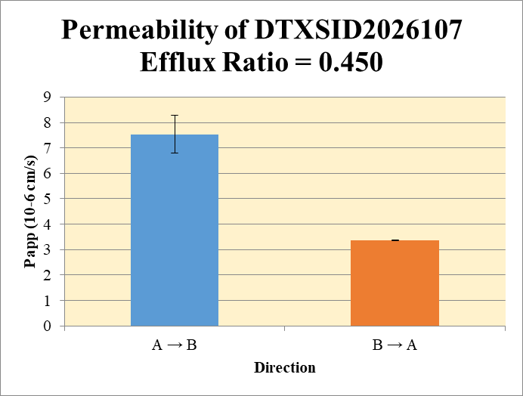
 |  |  |  |  |  | A → B
Blank 1_A_B__1______Inj Caco2_2021May03_Inj003 | DTXSID2026107 | 303.072 > 98.914 | 0.565 | 36062.555 | 1.5667220473E-05 | Donor | 0.0750 | 2.83 | 3.25 |  | 3.04 | 0.297 | A → B | 7.53 | 0.742
Blank 2_A_B__2______Inj Caco2_2021May03_Inj004 | DTXSID2026107 | 303.072 > 98.914 | 0.565 | 36062.555 | 1.5667220473E-05 | Receiver | 0.250 | 1.02 | 1.23 |  | 1.12 | 0.146 | B → A | 3.37 | 0.0163
Blank 3_B_A__3______Inj Caco2_2021May03_Inj005 | DTXSID2026107 | 303.072 > 98.914 | 2.306 | 49392.68 | 4.6687079948E-05 | Dosing | 0.0750 | 45.9 | 48.0 |  | 47.0 | 1.51
Blank 4_B_A__4______Inj Caco2_2021May03_Inj006 | DTXSID2026107 | 303.072 > 98.914 | 1.17 | 43976.457 | 2.6605144657E-05 | Standard
DTXSID2026107_A_B_rec_1______Inj Caco2_2021May03_Inj015 | DTXSID2026107 | 303.072 > 98.914 | 10713.789 | 42058.781 | 0.25473370234 | Blank |  | 1.57E-05 | 1.57E-05 |  | 1.57E-05 | 0.0
DTXSID2026107_A_B_rec_2______Inj Caco2_2021May03_Inj016 | DTXSID2026107 | 303.072 > 98.914 | 12207.461 | 39829.414 | 0.30649361299 | dq/dt |  | 3.54E-05 | 4.26E-05 |  | 3.90E-05 | 5.08E-06
DTXSID2026107_A_B_dos_1______Inj Caco2_2021May03_Inj135 | DTXSID2026107 | 303.072 > 98.914 | 537950.375 | 46869.523 | 11.477615742 | Co |  | 45.9 | 48.0 |  | 47.0 | 1.51
DTXSID2026107_A_B_dos_2______Inj Caco2_2021May03_Inj136 | DTXSID2026107 | 303.072 > 98.914 | 552243.875 | 45982.711 | 12.009815493 | Recovery |  | 13.6% | 15.3% |  | 14.4% | 1.21%
DTXSID2026107_A_B_don_1______Inj Caco2_2021May03_Inj075 | DTXSID2026107 | 303.072 > 98.914 | 33478.016 | 47322.707 | 0.70744084864 | Papp |  | 7.01 | 8.06 |  | 7.53 | 0.742
DTXSID2026107_A_B_don_2______Inj Caco2_2021May03_Inj076 | DTXSID2026107 | 303.072 > 98.914 | 31942.973 | 39319.504 | 0.81239511567
DTXSID2026107_B_A_rec_1______Inj Caco2_2021May03_Inj045 | DTXSID2026107 | 303.072 > 98.914 | 14988.687 | 41885.414 | 0.35784979946 | B → A
DTXSID2026107_B_A_rec_2______Inj Caco2_2021May03_Inj046 | DTXSID2026107 | 303.072 > 98.914 | 14376.9 | 40933.379 | 0.35122680686 | Donor | 0.250 | 20.8 | 20.6 |  | 20.7 | 0.151
DTXSID2026107_B_A_dos_1______Inj Caco2_2021May03_Inj165 | DTXSID2026107 | 303.072 > 98.914 | 501718.125 | 50114.918 | 10.011352807 | Receiver | 0.0750 | 1.43 | 1.40 |  | 1.42 | 0.0187
DTXSID2026107_B_A_dos_2______Inj Caco2_2021May03_Inj166 | DTXSID2026107 | 303.072 > 98.914 | 503613.719 | 50902.957 | 9.8936043932 | Dosing | 0.250 | 40.0 | 39.6 |  | 39.8 | 0.333
DTXSID2026107_B_A_don_1______Inj Caco2_2021May03_Inj105 | DTXSID2026107 | 303.072 > 98.914 | 248595.703 | 47876.883 | 5.1923953153 | Standard
DTXSID2026107_B_A_don_2______Inj Caco2_2021May03_Inj106 | DTXSID2026107 | 303.072 > 98.914 | 265362.375 | 51636.844 | 5.1390122719 | Blank |  | 4.67E-05 | 2.66E-05 |  | 3.66E-05 | 1.42E-05
 |  |  |  | Dilution | 4.00 | dq/dt |  | 1.49E-05 | 1.46E-05 |  | 1.48E-05 | 1.95E-07 | Test Article | Test Conc (µM) | Parameter | Papp (10-6 cm/s) Rep-1 | Papp (10-6 cm/s) Rep-2 | Papp (10-6 cm/s) Rep-3 | Recovery
 |  |  |  | Chamber Surface Area | 0.110 | Co |  | 40.0 | 39.6 |  | 39.8 | 0.333 |  |  | A → B | 7.01 | 8.06 |  | 14.4%
 |  |  |  | Sampling Period (hrs) | 2.00 | Recovery |  | 52.9% | 53.0% |  | 53.0% | 0.0498% | DTXSID2026107 | 10.0 | B → A | 3.38 | 3.36 |  | 53.0%
 |  |  |  | Test Concentration (µM) | 10.0 | Papp |  | 3.38 | 3.36 |  | 3.37 | 0.0163 |  |  | Efflux Ratio | 0.483 | 0.417
 |  |  |  |  |  | Efflux Ratio |  | 0.483 | 0.417 |  | 0.450 | 0.0466

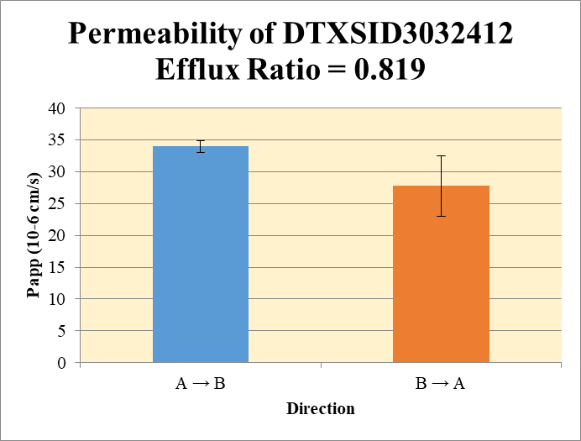
 |  |  |  |  |  | A → B
Blank 1_A_B__1______Inj Caco2_2021May03_Inj003 | DTXSID3032412 | 289.105 > 143.915 | 8.26 | 36062.555 | 0.00022904644444 | Donor | 0.0750 | 185 | 200 |  | 193 | 10.4 | A → B | 34.0 | 0.925
Blank 2_A_B__2______Inj Caco2_2021May03_Inj004 | DTXSID3032412 | 289.105 > 143.915 | 8.26 | 36062.555 | 0.00022904644444 | Receiver | 0.250 | 48.6 | 44.6 |  | 46.6 | 2.84 | B → A | 27.8 | 4.75
Blank 3_B_A__3______Inj Caco2_2021May03_Inj005 | DTXSID3032412 | 289.105 > 143.915 | 12.1 | 49392.68 | 0.00024497557128 | Dosing | 0.0750 | 443 | 423 |  | 433 | 14.6
Blank 4_B_A__4______Inj Caco2_2021May03_Inj006 | DTXSID3032412 | 289.105 > 143.915 | 10.081 | 43976.457 | 0.00022923629341 | Standard
DTXSID3032412_A_B_rec_1______Inj Caco2_2021May03_Inj027 | DTXSID3032412 | 289.105 > 143.915 | 541526.375 | 44547.43 | 12.156175452 | Blank |  | 0.000229 | 0.000229 |  | 0.000229 | 0.0
DTXSID3032412_A_B_rec_2______Inj Caco2_2021May03_Inj028 | DTXSID3032412 | 289.105 > 143.915 | 551800.188 | 49475.504 | 11.152997815 | dq/dt |  | 0.00169 | 0.00155 |  | 0.00162 | 9.85E-05
DTXSID3032412_A_B_dos_1______Inj Caco2_2021May03_Inj147 | DTXSID3032412 | 289.105 > 143.915 | 4591728.5 | 41442.008 | 110.79889034 | Co |  | 443 | 423 |  | 433 | 14.6
DTXSID3032412_A_B_dos_2______Inj Caco2_2021May03_Inj148 | DTXSID3032412 | 289.105 > 143.915 | 4518542 | 42770.383 | 105.64651712 | Recovery |  | 78.4% | 82.5% |  | 80.5% | 2.92%
DTXSID3032412_A_B_don_1______Inj Caco2_2021May03_Inj087 | DTXSID3032412 | 289.105 > 143.915 | 2041295.75 | 44029.746 | 46.361742582 | Papp |  | 34.6 | 33.3 |  | 34.0 | 0.925
DTXSID3032412_A_B_don_2______Inj Caco2_2021May03_Inj088 | DTXSID3032412 | 289.105 > 143.915 | 2138540.25 | 42751.305 | 50.022806321
DTXSID3032412_B_A_rec_1______Inj Caco2_2021May03_Inj055 | DTXSID3032412 | 289.105 > 143.915 | 1287421.375 | 40376.637 | 31.885304737 | B → A
DTXSID3032412_B_A_rec_2______Inj Caco2_2021May03_Inj056 | DTXSID3032412 | 289.105 > 143.915 | 1459800.25 | 38682.34 | 37.738157774 | Donor | 0.250 | 359 | 385 |  | 372 | 18.7
DTXSID3032412_B_A_dos_1______Inj Caco2_2021May03_Inj175 | DTXSID3032412 | 289.105 > 143.915 | 4550577.5 | 36756.41 | 123.80364404 | Receiver | 0.0750 | 128 | 151 |  | 139 | 16.6
DTXSID3032412_B_A_dos_2______Inj Caco2_2021May03_Inj176 | DTXSID3032412 | 289.105 > 143.915 | 4469311 | 38910.746 | 114.86058376 | Dosing | 0.250 | 495 | 459 |  | 477 | 25.3
DTXSID3032412_B_A_don_1______Inj Caco2_2021May03_Inj115 | DTXSID3032412 | 289.105 > 143.915 | 3636197.25 | 40527.363 | 89.722029287 | Standard
DTXSID3032412_B_A_don_2______Inj Caco2_2021May03_Inj116 | DTXSID3032412 | 289.105 > 143.915 | 3628503.25 | 37668.449 | 96.327386615 | Blank |  | 0.000245 | 0.000229 |  | 0.000237 | 1.11E-05
 |  |  |  | Dilution | 4.00 | dq/dt |  | 0.00133 | 0.00157 |  | 0.00145 | 0.000172 | Test Article | Test Conc (µM) | Parameter | Papp (10-6 cm/s) Rep-1 | Papp (10-6 cm/s) Rep-2 | Papp (10-6 cm/s) Rep-3 | Recovery
 |  |  |  | Chamber Surface Area | 0.110 | Co |  | 495 | 459 |  | 477 | 25.3 |  |  | A → B | 34.6 | 33.3 |  | 80.5%
 |  |  |  | Sampling Period (hrs) | 2.00 | Recovery |  | 80.2% | 93.7% |  | 87.0% | 9.56% | DTXSID3032412 | 10.0 | B → A | 24.4 | 31.1 |  | 87.0%
 |  |  |  | Test Concentration (µM) | 10.0 | Papp |  | 24.4 | 31.1 |  | 27.8 | 4.75 |  |  | Efflux Ratio | 0.704 | 0.934
 |  |  |  |  |  | Efflux Ratio |  | 0.704 | 0.934 |  | 0.819 | 0.162

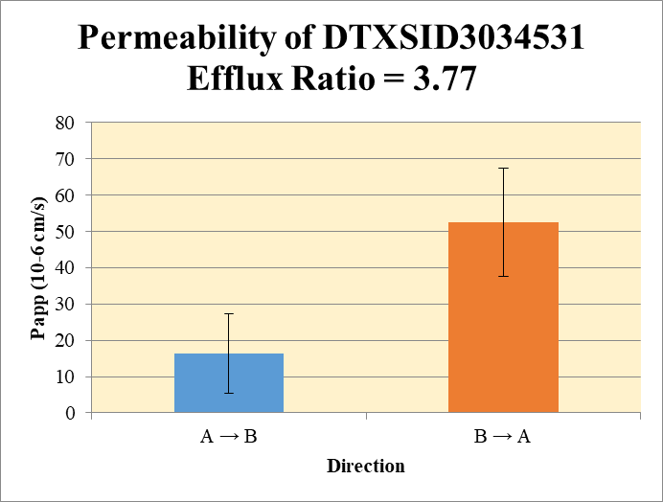
 |  |  |  |  |  | A → B
Blank 1_A_B__1______Inj Caco2_2021May03_Inj003 | DTXSID3034531 | 371.02 > 150.902 | 9.345 | 36062.555 | 0.00025913305366 | Donor | 0.0750 | 26.5 | 25.2 |  | 25.9 | 0.929 | A → B | 16.3 | 11.0
Blank 2_A_B__2______Inj Caco2_2021May03_Inj004 | DTXSID3034531 | 371.02 > 150.902 | 9.345 | 36062.555 | 0.00025913305366 | Receiver | 0.250 | 1.89 | 4.99 |  | 3.44 | 2.19 | B → A | 52.4 | 14.9
Blank 3_B_A__3______Inj Caco2_2021May03_Inj005 | DTXSID3034531 | 371.02 > 150.902 | 54.938 | 49392.68 | 0.0011122700773 | Dosing | 0.0750 | 70.0 | 65.5 |  | 67.8 | 3.20
Blank 4_B_A__4______Inj Caco2_2021May03_Inj006 | DTXSID3034531 | 371.02 > 150.902 | 48.75 | 43976.457 | 0.0011085476941 | Standard
DTXSID3034531_A_B_rec_1______Inj Caco2_2021May03_Inj009 | DTXSID3034531 | 371.02 > 150.902 | 21553.217 | 45591.602 | 0.47274533148 | Blank |  | 0.000259 | 0.000259 |  | 0.000259 | 0.0
DTXSID3034531_A_B_rec_2______Inj Caco2_2021May03_Inj010 | DTXSID3034531 | 371.02 > 150.902 | 49683.316 | 39849.941 | 1.2467600893 | dq/dt |  | 6.56E-05 | 0.000173 |  | 0.000119 | 7.60E-05
DTXSID3034531_A_B_dos_1______Inj Caco2_2021May03_Inj129 | DTXSID3034531 | 371.02 > 150.902 | 820810.313 | 46888.246 | 17.505673234 | Co |  | 70.0 | 65.5 |  | 67.8 | 3.20
DTXSID3034531_A_B_dos_2______Inj Caco2_2021May03_Inj130 | DTXSID3034531 | 371.02 > 150.902 | 702064.125 | 42871.973 | 16.375829613 | Recovery |  | 46.9% | 63.9% |  | 55.4% | 12.0%
DTXSID3034531_A_B_don_1______Inj Caco2_2021May03_Inj069 | DTXSID3034531 | 371.02 > 150.902 | 309066.25 | 46565.648 | 6.6372157003 | Papp |  | 8.52 | 24.0 |  | 16.3 | 11.0
DTXSID3034531_A_B_don_2______Inj Caco2_2021May03_Inj070 | DTXSID3034531 | 371.02 > 150.902 | 294078.875 | 46614.031 | 6.3088059258
DTXSID3034531_B_A_rec_1______Inj Caco2_2021May03_Inj039 | DTXSID3034531 | 371.02 > 150.902 | 336815.313 | 43684.16 | 7.7102389745 | B → A
DTXSID3034531_B_A_rec_2______Inj Caco2_2021May03_Inj040 | DTXSID3034531 | 371.02 > 150.902 | 522469.063 | 54872.508 | 9.5215087125 | Donor | 0.250 | 35.2 | 49.3 |  | 42.3 | 9.98
DTXSID3034531_B_A_dos_1______Inj Caco2_2021May03_Inj159 | DTXSID3034531 | 371.02 > 150.902 | 779123.375 | 44712.707 | 17.425099648 | Receiver | 0.0750 | 30.8 | 38.1 |  | 34.5 | 5.12
DTXSID3034531_B_A_dos_2______Inj Caco2_2021May03_Inj160 | DTXSID3034531 | 371.02 > 150.902 | 752673.563 | 52586.055 | 14.313177952 | Dosing | 0.250 | 69.7 | 57.2 |  | 63.5 | 8.80
DTXSID3034531_B_A_don_1______Inj Caco2_2021May03_Inj099 | DTXSID3034531 | 371.02 > 150.902 | 438330.781 | 49768.848 | 8.8073322694 | Standard
DTXSID3034531_B_A_don_2______Inj Caco2_2021May03_Inj100 | DTXSID3034531 | 371.02 > 150.902 | 584713.063 | 47406.398 | 12.334053792 | Blank |  | 0.00111 | 0.00111 |  | 0.00111 | 2.63E-06
 |  |  |  | Dilution | 4.00 | dq/dt |  | 0.000321 | 0.000397 |  | 0.000359 | 5.34E-05 | Test Article | Test Conc (µM) | Parameter | Papp (10-6 cm/s) Rep-1 | Papp (10-6 cm/s) Rep-2 | Papp (10-6 cm/s) Rep-3 | Recovery
 |  |  |  | Chamber Surface Area | 0.110 | Co |  | 69.7 | 57.2 |  | 63.5 | 8.80 |  |  | A → B | 8.52 | 24.0 |  | 55.4%
 |  |  |  | Sampling Period (hrs) | 2.00 | Recovery |  | 63.8% | 106% |  | 85.0% | 29.9% | DTXSID3034531 | 10.0 | B → A | 41.9 | 63.0 |  | 85.0%
 |  |  |  | Test Concentration (µM) | 10.0 | Papp |  | 41.9 | 63.0 |  | 52.4 | 14.9 |  |  | Efflux Ratio | 4.92 | 2.62
 |  |  |  |  |  | Efflux Ratio |  | 4.92 | 2.62 |  | 3.77 | 1.62

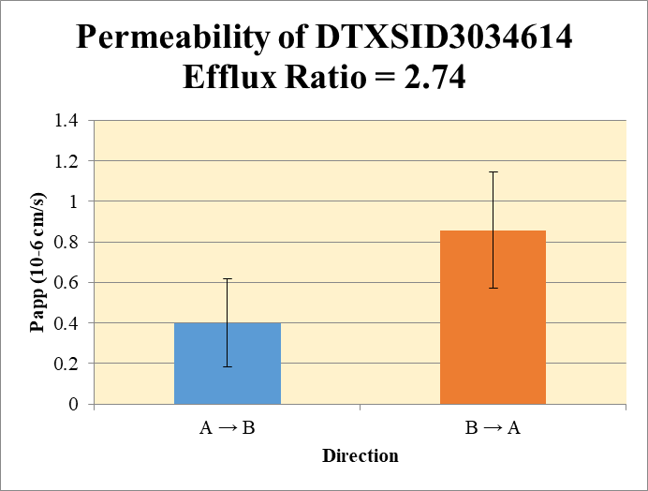
 |  |  |  |  |  | A → B
Blank 1_A_B__1______Inj Caco2_2021May03_Inj003 | DTXSID3034614 | 418.955 > 151.899 | 0.267 | 36062.555 | 7.4038015332E-06 | Donor | 0.0750 | 57.2 | 58.8 |  | 58.0 | 1.08 | A → B | 0.401 | 0.218
Blank 2_A_B__2______Inj Caco2_2021May03_Inj004 | DTXSID3034614 | 418.955 > 151.899 | 0.267 | 36062.555 | 7.4038015332E-06 | Receiver | 0.250 | 0.0536 | 0.121 |  | 0.0875 | 0.0478 | B → A | 0.857 | 0.286
Blank 3_B_A__3______Inj Caco2_2021May03_Inj005 | DTXSID3034614 | 418.955 > 151.899 | 0.198 | 49392.68 | 4.0086911664E-06 | Dosing | 0.0750 | 68.6 | 69.0 |  | 68.8 | 0.288
Blank 4_B_A__4______Inj Caco2_2021May03_Inj006 | DTXSID3034614 | 418.955 > 151.899 | 0.201 | 43976.457 | 4.5706274155E-06 | Standard
DTXSID3034614_A_B_rec_1______Inj Caco2_2021May03_Inj025 | DTXSID3034614 | 418.955 > 151.899 | 604.973 | 45088.699 | 0.013417397561 | Blank |  | 7.40E-06 | 7.40E-06 |  | 7.40E-06 | 0.0
DTXSID3034614_A_B_rec_2______Inj Caco2_2021May03_Inj026 | DTXSID3034614 | 418.955 > 151.899 | 1484.702 | 48949.5 | 0.030331300626 | dq/dt |  | 1.86E-06 | 4.21E-06 |  | 3.04E-06 | 1.66E-06
DTXSID3034614_A_B_dos_1______Inj Caco2_2021May03_Inj145 | DTXSID3034614 | 418.955 > 151.899 | 821522.813 | 47892.516 | 17.153469511 | Co |  | 68.6 | 69.0 |  | 68.8 | 0.288
DTXSID3034614_A_B_dos_2______Inj Caco2_2021May03_Inj146 | DTXSID3034614 | 418.955 > 151.899 | 768217.688 | 44521.152 | 17.255117028 | Recovery |  | 83.7% | 85.7% |  | 84.7% | 1.44%
DTXSID3034614_A_B_don_1______Inj Caco2_2021May03_Inj085 | DTXSID3034614 | 418.955 > 151.899 | 594156.125 | 41515.895 | 14.31153357 | Papp |  | 0.247 | 0.555 |  | 0.401 | 0.218
DTXSID3034614_A_B_don_2______Inj Caco2_2021May03_Inj086 | DTXSID3034614 | 418.955 > 151.899 | 695635.625 | 47348.68 | 14.691763846
DTXSID3034614_B_A_rec_1______Inj Caco2_2021May03_Inj053 | DTXSID3034614 | 418.955 > 151.899 | 8552.283 | 40166.457 | 0.21292102014 | B → A
DTXSID3034614_B_A_rec_2______Inj Caco2_2021May03_Inj054 | DTXSID3034614 | 418.955 > 151.899 | 6120.806 | 45414.512 | 0.13477643446 | Donor | 0.250 | 62.0 | 69.5 |  | 65.7 | 5.28
DTXSID3034614_B_A_dos_1______Inj Caco2_2021May03_Inj173 | DTXSID3034614 | 418.955 > 151.899 | 784567.438 | 41218.73 | 19.034245791 | Receiver | 0.0750 | 0.852 | 0.539 |  | 0.695 | 0.221
DTXSID3034614_B_A_dos_2______Inj Caco2_2021May03_Inj174 | DTXSID3034614 | 418.955 > 151.899 | 1031922.625 | 52895.918 | 19.508549318 | Dosing | 0.250 | 76.1 | 78.0 |  | 77.1 | 1.34
DTXSID3034614_B_A_don_1______Inj Caco2_2021May03_Inj113 | DTXSID3034614 | 418.955 > 151.899 | 763256.5 | 49249.875 | 15.497633243 | Standard
DTXSID3034614_B_A_don_2______Inj Caco2_2021May03_Inj114 | DTXSID3034614 | 418.955 > 151.899 | 826985.313 | 47625.766 | 17.364241722 | Blank |  | 4.01E-06 | 4.57E-06 |  | 4.29E-06 | 3.97E-07
 |  |  |  | Dilution | 4.00 | dq/dt |  | 8.87E-06 | 5.62E-06 |  | 7.24E-06 | 2.30E-06 | Test Article | Test Conc (µM) | Parameter | Papp (10-6 cm/s) Rep-1 | Papp (10-6 cm/s) Rep-2 | Papp (10-6 cm/s) Rep-3 | Recovery
 |  |  |  | Chamber Surface Area | 0.110 | Co |  | 76.1 | 78.0 |  | 77.1 | 1.34 |  |  | A → B | 0.247 | 0.555 |  | 84.7%
 |  |  |  | Sampling Period (hrs) | 2.00 | Recovery |  | 81.8% | 89.2% |  | 85.5% | 5.28% | DTXSID3034614 | 10.0 | B → A | 1.06 | 0.654 |  | 85.5%
 |  |  |  | Test Concentration (µM) | 10.0 | Papp |  | 1.06 | 0.654 |  | 0.857 | 0.286 |  |  | Efflux Ratio | 4.29 | 1.18
 |  |  |  |  |  | Efflux Ratio |  | 4.29 | 1.18 |  | 2.74 | 2.20

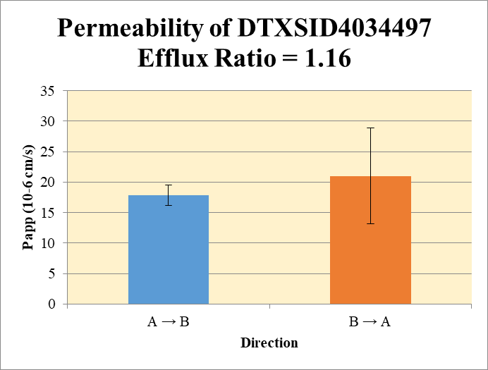
 |  |  |  |  |  | A → B
Blank 1_A_B__1______Inj Caco2_2021May03_Inj003 | DTXSID4034497 | 320.112 > 69.824 | 8.53 | 36062.555 | 0.00023653343475 | Donor | 0.0750 | 66.7 | 62.2 |  | 64.4 | 3.19 | A → B | 17.9 | 1.68
Blank 2_A_B__2______Inj Caco2_2021May03_Inj004 | DTXSID4034497 | 320.112 > 69.824 | 8.53 | 36062.555 | 0.00023653343475 | Receiver | 0.250 | 14.6 | 16.7 |  | 15.6 | 1.47 | B → A | 21.0 | 7.86
Blank 3_B_A__3______Inj Caco2_2021May03_Inj005 | DTXSID4034497 | 320.112 > 69.824 | 18.452 | 49392.68 | 0.00037357762324 | Dosing | 0.0750 | 276 | 276 |  | 276 | 0.0548
Blank 4_B_A__4______Inj Caco2_2021May03_Inj006 | DTXSID4034497 | 320.112 > 69.824 | 8.379 | 43976.457 | 0.00019053376674 | Standard
DTXSID4034497_A_B_rec_1______Inj Caco2_2021May03_Inj019 | DTXSID4034497 | 320.112 > 69.824 | 161420.531 | 44259.754 | 3.6471176726 | Blank |  | 0.000237 | 0.000237 |  | 0.000237 | 0.0
DTXSID4034497_A_B_rec_2______Inj Caco2_2021May03_Inj020 | DTXSID4034497 | 320.112 > 69.824 | 164279.563 | 39425.25 | 4.1668616686 | dq/dt |  | 0.000507 | 0.000579 |  | 0.000543 | 5.10E-05
DTXSID4034497_A_B_dos_1______Inj Caco2_2021May03_Inj139 | DTXSID4034497 | 320.112 > 69.824 | 3241318.75 | 46962.398 | 69.019447218 | Co |  | 276 | 276 |  | 276 | 0.0548
DTXSID4034497_A_B_dos_2______Inj Caco2_2021May03_Inj140 | DTXSID4034497 | 320.112 > 69.824 | 3448019.75 | 49971.258 | 69.000058994 | Recovery |  | 41.8% | 42.7% |  | 42.2% | 0.627%
DTXSID4034497_A_B_don_1______Inj Caco2_2021May03_Inj079 | DTXSID4034497 | 320.112 > 69.824 | 857017.688 | 51409.855 | 16.670299654 | Papp |  | 16.7 | 19.1 |  | 17.9 | 1.68
DTXSID4034497_A_B_don_2______Inj Caco2_2021May03_Inj080 | DTXSID4034497 | 320.112 > 69.824 | 723988 | 46583.555 | 15.541707798
DTXSID4034497_B_A_rec_1______Inj Caco2_2021May03_Inj049 | DTXSID4034497 | 320.112 > 69.824 | 462409.156 | 41786.375 | 11.066027048 | B → A
DTXSID4034497_B_A_rec_2______Inj Caco2_2021May03_Inj050 | DTXSID4034497 | 320.112 > 69.824 | 762825.813 | 38684.652 | 19.719081692 | Donor | 0.250 | 187 | 182 |  | 184 | 3.40
DTXSID4034497_B_A_dos_1______Inj Caco2_2021May03_Inj169 | DTXSID4034497 | 320.112 > 69.824 | 3240945.75 | 47730.207 | 67.901355425 | Receiver | 0.0750 | 44.3 | 78.9 |  | 61.6 | 24.5
DTXSID4034497_B_A_dos_2______Inj Caco2_2021May03_Inj170 | DTXSID4034497 | 320.112 > 69.824 | 3238700 | 46040.516 | 70.344563471 | Dosing | 0.250 | 272 | 281 |  | 276 | 6.91
DTXSID4034497_B_A_don_1______Inj Caco2_2021May03_Inj109 | DTXSID4034497 | 320.112 > 69.824 | 1868854.375 | 40059.699 | 46.65173283 | Standard
DTXSID4034497_B_A_don_2______Inj Caco2_2021May03_Inj110 | DTXSID4034497 | 320.112 > 69.824 | 1897719.5 | 41754.133 | 45.449860017 | Blank |  | 0.000374 | 0.000191 |  | 0.000282 | 0.000129
 |  |  |  | Dilution | 4.00 | dq/dt |  | 0.000461 | 0.000822 |  | 0.000641 | 0.000255 | Test Article | Test Conc (µM) | Parameter | Papp (10-6 cm/s) Rep-1 | Papp (10-6 cm/s) Rep-2 | Papp (10-6 cm/s) Rep-3 | Recovery
 |  |  |  | Chamber Surface Area | 0.110 | Co |  | 272 | 281 |  | 276 | 6.91 |  |  | A → B | 16.7 | 19.1 |  | 42.2%
 |  |  |  | Sampling Period (hrs) | 2.00 | Recovery |  | 73.6% | 73.0% |  | 73.3% | 0.406% | DTXSID4034497 | 10.0 | B → A | 15.4 | 26.5 |  | 73.3%
 |  |  |  | Test Concentration (µM) | 10.0 | Papp |  | 15.4 | 26.5 |  | 21.0 | 7.86 |  |  | Efflux Ratio | 0.925 | 1.39
 |  |  |  |  |  | Efflux Ratio |  | 0.925 | 1.39 |  | 1.16 | 0.330


 |  |  |  |  |  | A → B
Blank 1_A_B__1______Inj Caco2_2021May03_Inj003 | DTXSID4034601 | 304.206 > 146.954 | 10.208 | 36062.555 | 0.00028306369307 | Donor | 0.0750 | 27.5 | 24.4 |  | 26.0 | 2.15 | A → B | 5.05 | 0.837
Blank 2_A_B__2______Inj Caco2_2021May03_Inj004 | DTXSID4034601 | 304.206 > 146.954 | 10.208 | 36062.555 | 0.00028306369307 | Receiver | 0.250 | 2.11 | 1.68 |  | 1.90 | 0.303 | B → A | 14.9 | 8.67
Blank 3_B_A__3______Inj Caco2_2021May03_Inj005 | DTXSID4034601 | 304.206 > 146.954 | 9.711 | 49392.68 | 0.00019660808039 | Dosing | 0.0750 | 118 | 119 |  | 119 | 0.755
Blank 4_B_A__4______Inj Caco2_2021May03_Inj006 | DTXSID4034601 | 304.206 > 146.954 | 1.773 | 43976.457 | 4.0317026904E-05 | Standard
DTXSID4034601_A_B_rec_1______Inj Caco2_2021May03_Inj017 | DTXSID4034601 | 304.206 > 146.954 | 20637.064 | 39105.863 | 0.52772301688 | Blank |  | 0.000283 | 0.000283 |  | 0.000283 | 0.0
DTXSID4034601_A_B_rec_2______Inj Caco2_2021May03_Inj018 | DTXSID4034601 | 304.206 > 146.954 | 19875.672 | 47237.375 | 0.42076156857 | dq/dt |  | 7.33E-05 | 5.84E-05 |  | 6.58E-05 | 1.05E-05
DTXSID4034601_A_B_dos_1______Inj Caco2_2021May03_Inj137 | DTXSID4034601 | 304.206 > 146.954 | 1395389.25 | 47262.453 | 29.524266335 | Co |  | 118 | 119 |  | 119 | 0.755
DTXSID4034601_A_B_dos_2______Inj Caco2_2021May03_Inj138 | DTXSID4034601 | 304.206 > 146.954 | 1397561.125 | 46912.098 | 29.791059973 | Recovery |  | 29.2% | 25.2% |  | 27.2% | 2.84%
DTXSID4034601_A_B_don_1______Inj Caco2_2021May03_Inj077 | DTXSID4034601 | 304.206 > 146.954 | 337586.688 | 49120.793 | 6.8725822077 | Papp |  | 5.64 | 4.46 |  | 5.05 | 0.837
DTXSID4034601_A_B_don_2______Inj Caco2_2021May03_Inj078 | DTXSID4034601 | 304.206 > 146.954 | 293957.344 | 48095.965 | 6.1118920059
DTXSID4034601_B_A_rec_1______Inj Caco2_2021May03_Inj047 | DTXSID4034601 | 304.206 > 146.954 | 101796.938 | 35926.406 | 2.833485153 | B → A
DTXSID4034601_B_A_rec_2______Inj Caco2_2021May03_Inj048 | DTXSID4034601 | 304.206 > 146.954 | 258360.047 | 39226.301 | 6.5863984218 | Donor | 0.250 | 91.5 | 77.6 |  | 84.5 | 9.83
DTXSID4034601_B_A_dos_1______Inj Caco2_2021May03_Inj167 | DTXSID4034601 | 304.206 > 146.954 | 1483530.75 | 48435.238 | 30.629161975 | Receiver | 0.0750 | 11.3 | 26.3 |  | 18.8 | 10.6
DTXSID4034601_B_A_dos_2______Inj Caco2_2021May03_Inj168 | DTXSID4034601 | 304.206 > 146.954 | 1328885.375 | 44783.621 | 29.673468677 | Dosing | 0.250 | 123 | 119 |  | 121 | 2.70
DTXSID4034601_B_A_don_1______Inj Caco2_2021May03_Inj107 | DTXSID4034601 | 304.206 > 146.954 | 977110 | 42717.336 | 22.873851497 | Standard
DTXSID4034601_B_A_don_2______Inj Caco2_2021May03_Inj108 | DTXSID4034601 | 304.206 > 146.954 | 929478.813 | 47912.766 | 19.399397918 | Blank |  | 0.000197 | 4.03E-05 |  | 0.000118 | 0.000111
 |  |  |  | Dilution | 4.00 | dq/dt |  | 0.000118 | 0.000274 |  | 0.000196 | 0.000111 | Test Article | Test Conc (µM) | Parameter | Papp (10-6 cm/s) Rep-1 | Papp (10-6 cm/s) Rep-2 | Papp (10-6 cm/s) Rep-3 | Recovery
 |  |  |  | Chamber Surface Area | 0.110 | Co |  | 123 | 119 |  | 121 | 2.70 |  |  | A → B | 5.64 | 4.46 |  | 27.2%
 |  |  |  | Sampling Period (hrs) | 2.00 | Recovery |  | 77.5% | 72.0% |  | 74.7% | 3.83% | DTXSID4034601 | 10.0 | B → A | 8.76 | 21.0 |  | 74.7%
 |  |  |  | Test Concentration (µM) | 10.0 | Papp |  | 8.76 | 21.0 |  | 14.9 | 8.67 |  |  | Efflux Ratio | 1.55 | 4.72
 |  |  |  |  |  | Efflux Ratio |  | 1.55 | 4.72 |  | 3.14 | 2.24

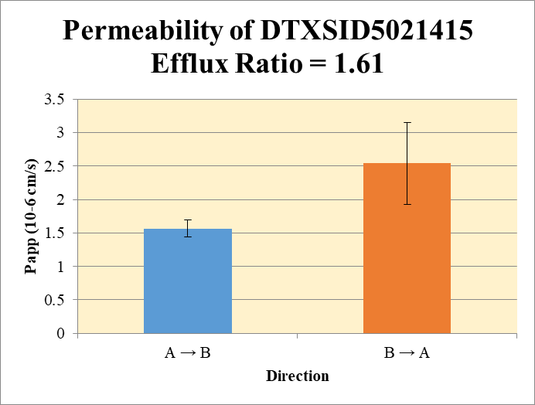
 |  |  |  |  |  | A → B
Blank 1_A_B__1______Inj Caco2_2021May03_Inj003 | DTXSID5021415 | 192.105 > 97.969 | 34.146 | 36062.555 | 0.00094685470844 | Donor | 0.0750 | 17.9 | 16.9 |  | 17.4 | 0.714 | A → B | 1.56 | 0.126
Blank 2_A_B__2______Inj Caco2_2021May03_Inj004 | DTXSID5021415 | 192.105 > 97.969 | 34.146 | 36062.555 | 0.00094685470844 | Receiver | 0.250 | 0.099 | 0.118 |  | 0.108 | 0.0131 | B → A | 2.54 | 0.612
Blank 3_B_A__3______Inj Caco2_2021May03_Inj005 | DTXSID5021415 | 192.105 > 97.969 | 59.89 | 49392.68 | 0.0012125278483 | Dosing | 0.0750 | 21.2 | 22.5 |  | 21.8 | 0.898
Blank 4_B_A__4______Inj Caco2_2021May03_Inj006 | DTXSID5021415 | 192.105 > 97.969 | 25.735 | 43976.457 | 0.00058519948526 | Standard
DTXSID5021415_A_B_rec_1______Inj Caco2_2021May03_Inj013 | DTXSID5021415 | 192.105 > 97.969 | 1064.268 | 41417.297 | 0.025696220591 | Blank |  | 0.000947 | 0.000947 |  | 0.000947 | 0.0
DTXSID5021415_A_B_rec_2______Inj Caco2_2021May03_Inj014 | DTXSID5021415 | 192.105 > 97.969 | 1362.606 | 44904.559 | 0.030344491302 | dq/dt |  | 3.44E-06 | 4.08E-06 |  | 3.76E-06 | 4.57E-07
DTXSID5021415_A_B_dos_1______Inj Caco2_2021May03_Inj133 | DTXSID5021415 | 192.105 > 97.969 | 248688.734 | 46916.715 | 5.3006425109 | Co |  | 21.2 | 22.5 |  | 21.8 | 0.898
DTXSID5021415_A_B_dos_2______Inj Caco2_2021May03_Inj134 | DTXSID5021415 | 192.105 > 97.969 | 248625.141 | 44253.152 | 5.6182470573 | Recovery |  | 85.9% | 76.8% |  | 81.4% | 6.42%
DTXSID5021415_A_B_don_1______Inj Caco2_2021May03_Inj073 | DTXSID5021415 | 192.105 > 97.969 | 198716.578 | 44432.863 | 4.4722884051 | Papp |  | 1.47 | 1.65 |  | 1.56 | 0.126
DTXSID5021415_A_B_don_2______Inj Caco2_2021May03_Inj074 | DTXSID5021415 | 192.105 > 97.969 | 197871.594 | 46891.066 | 4.2198143672
DTXSID5021415_B_A_rec_1______Inj Caco2_2021May03_Inj043 | DTXSID5021415 | 192.105 > 97.969 | 4400.204 | 41332.801 | 0.10645791946 | B → A
DTXSID5021415_B_A_rec_2______Inj Caco2_2021May03_Inj044 | DTXSID5021415 | 192.105 > 97.969 | 6452.063 | 43175.977 | 0.14943640997 | Donor | 0.250 | 20.0 | 17.9 |  | 19.0 | 1.48
DTXSID5021415_B_A_dos_1______Inj Caco2_2021May03_Inj163 | DTXSID5021415 | 192.105 > 97.969 | 240038.031 | 50595.422 | 4.7442638387 | Receiver | 0.0750 | 0.422 | 0.594 |  | 0.508 | 0.122
DTXSID5021415_B_A_dos_2______Inj Caco2_2021May03_Inj164 | DTXSID5021415 | 192.105 > 97.969 | 242157.109 | 51180.902 | 4.7313958828 | Dosing | 0.250 | 19.0 | 18.9 |  | 18.9 | 0.0364
DTXSID5021415_B_A_don_1______Inj Caco2_2021May03_Inj103 | DTXSID5021415 | 192.105 > 97.969 | 221462.422 | 44252.328 | 5.0045372076 | Standard
DTXSID5021415_B_A_don_2______Inj Caco2_2021May03_Inj104 | DTXSID5021415 | 192.105 > 97.969 | 217689.891 | 48571.18 | 4.4818736337 | Blank |  | 0.00121 | 0.000585 |  | 0.000899 | 0.000444
 |  |  |  | Dilution | 4.00 | dq/dt |  | 4.40E-06 | 6.19E-06 |  | 5.29E-06 | 1.27E-06 | Test Article | Test Conc (µM) | Parameter | Papp (10-6 cm/s) Rep-1 | Papp (10-6 cm/s) Rep-2 | Papp (10-6 cm/s) Rep-3 | Recovery
 |  |  |  | Chamber Surface Area | 0.110 | Co |  | 19.0 | 18.9 |  | 18.9 | 0.0364 |  |  | A → B | 1.47 | 1.65 |  | 81.4%
 |  |  |  | Sampling Period (hrs) | 2.00 | Recovery |  | 106% | 95.7% |  | 101% | 7.42% | DTXSID5021415 | 10.0 | B → A | 2.11 | 2.97 |  | 101%
 |  |  |  | Test Concentration (µM) | 10.0 | Papp |  | 2.11 | 2.97 |  | 2.54 | 0.612 |  |  | Efflux Ratio | 1.43 | 1.80
 |  |  |  |  |  | Efflux Ratio |  | 1.43 | 1.80 |  | 1.61 | 0.262

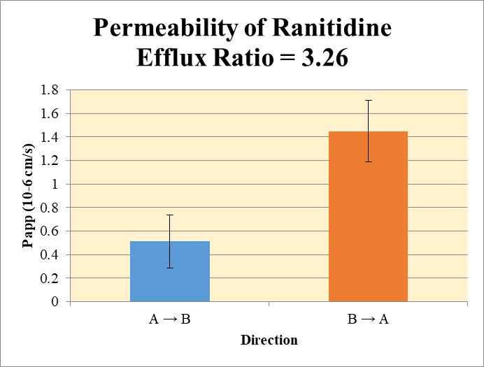
 |  |  |  |  |  | A → B
Blank 1_A_B__1______Inj Caco2_2021May03_Inj003 | Ranitidine | 315.216 > 175.737 | 0.116 | 36062.555 | 3.2166328758E-06 | Donor | 0.0750 | 9.44 | 8.63 |  | 9.03 | 0.569 | A → B | 0.512 | 0.226
Blank 2_A_B__2______Inj Caco2_2021May03_Inj004 | Ranitidine | 315.216 > 175.737 | 0.116 | 36062.555 | 3.2166328758E-06 | Receiver | 0.250 | 0.0108 | 0.0208 |  | 0.0158 | 0.00707 | B → A | 1.45 | 0.263
Blank 3_B_A__3______Inj Caco2_2021May03_Inj005 | Ranitidine | 315.216 > 175.737 | 1.029 | 49392.68 | 2.0833046516E-05 | Dosing | 0.0750 | 9.65 | 9.77 |  | 9.71 | 0.0817
Blank 4_B_A__4______Inj Caco2_2021May03_Inj006 | Ranitidine | 315.216 > 175.737 | 0.134 | 43976.457 | 3.0470849437E-06 | Standard
Ranitidine_A_B_rec_1______Inj Caco2_2021May03_Inj011 | Ranitidine | 315.216 > 175.737 | 111.925 | 41496.801 | 0.0026971958634 | Blank |  | 3.22E-06 | 3.22E-06 |  | 3.22E-06 | 0.0
Ranitidine_A_B_rec_2______Inj Caco2_2021May03_Inj012 | Ranitidine | 315.216 > 175.737 | 201.501 | 38761.035 | 0.0051985453949 | dq/dt |  | 3.74E-07 | 7.22E-07 |  | 5.48E-07 | 2.46E-07
Ranitidine_A_B_dos_1______Inj Caco2_2021May03_Inj131 | Ranitidine | 315.216 > 175.737 | 107334.898 | 44481.992 | 2.4129966572 | Co |  | 9.65 | 9.77 |  | 9.71 | 0.0817
Ranitidine_A_B_dos_2______Inj Caco2_2021May03_Inj132 | Ranitidine | 315.216 > 175.737 | 114241.305 | 46784.074 | 2.4418844968 | Recovery |  | 98.1% | 89.1% |  | 93.6% | 6.41%
Ranitidine_A_B_don_1______Inj Caco2_2021May03_Inj071 | Ranitidine | 315.216 > 175.737 | 107776.734 | 45689.727 | 2.3588833 | Papp |  | 0.352 | 0.672 |  | 0.512 | 0.226
Ranitidine_A_B_don_2______Inj Caco2_2021May03_Inj072 | Ranitidine | 315.216 > 175.737 | 99970.055 | 46332.219 | 2.1576789793
Ranitidine_B_A_rec_1______Inj Caco2_2021May03_Inj041 | Ranitidine | 315.216 > 175.737 | 1661.284 | 39599.012 | 0.041952662859 | B → A
Ranitidine_B_A_rec_2______Inj Caco2_2021May03_Inj042 | Ranitidine | 315.216 > 175.737 | 1563.244 | 48414 | 0.032289089933 | Donor | 0.250 | 7.40 | 6.61 |  | 7.00 | 0.561
Ranitidine_B_A_dos_1______Inj Caco2_2021May03_Inj161 | Ranitidine | 315.216 > 175.737 | 119406.586 | 49153.066 | 2.4292805255 | Receiver | 0.0750 | 0.168 | 0.129 |  | 0.148 | 0.0273
Ranitidine_B_A_dos_2______Inj Caco2_2021May03_Inj162 | Ranitidine | 315.216 > 175.737 | 117460.844 | 48515.359 | 2.4211063552 | Dosing | 0.250 | 9.72 | 9.68 |  | 9.70 | 0.0231
Ranitidine_B_A_don_1______Inj Caco2_2021May03_Inj101 | Ranitidine | 315.216 > 175.737 | 98775.266 | 53379.965 | 1.8504183358 | Standard
Ranitidine_B_A_don_2______Inj Caco2_2021May03_Inj102 | Ranitidine | 315.216 > 175.737 | 85039.867 | 51479.258 | 1.6519248782 | Blank |  | 2.08E-05 | 3.05E-06 |  | 1.19E-05 | 1.26E-05
 |  |  |  | Dilution | 4.00 | dq/dt |  | 1.75E-06 | 1.34E-06 |  | 1.55E-06 | 2.85E-07 | Test Article | Test Conc (µM) | Parameter | Papp (10-6 cm/s) Rep-1 | Papp (10-6 cm/s) Rep-2 | Papp (10-6 cm/s) Rep-3 | Recovery
 |  |  |  | Chamber Surface Area | 0.110 | Co |  | 9.72 | 9.68 |  | 9.70 | 0.0231 |  |  | A → B | 0.352 | 0.672 |  | 93.6%
 |  |  |  | Sampling Period (hrs) | 2.00 | Recovery |  | 76.7% | 68.6% |  | 72.7% | 5.70% | Ranitidine | 10.0 | B → A | 1.63 | 1.26 |  | 72.7%
 |  |  |  | Test Concentration (µM) | 10.0 | Papp |  | 1.63 | 1.26 |  | 1.45 | 0.263 |  |  | Efflux Ratio | 4.64 | 1.88
 |  |  |  |  |  | Efflux Ratio |  | 4.64 | 1.88 |  | 3.26 | 1.95

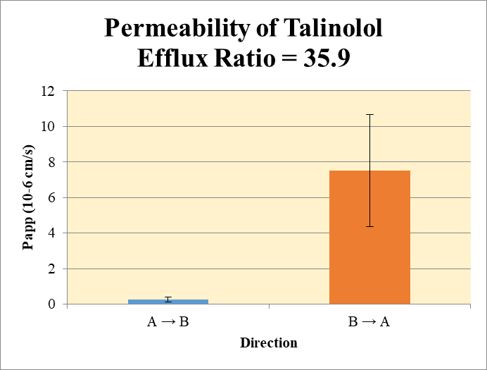
 |  |  |  |  |  | A → B
Blank 1_A_B__1______Inj Caco2_2021May03_Inj003 | Talinolol | 364.365 > 209.165 | 0.225 | 36062.555 | 6.2391585954E-06 | Donor | 0.0750 | 4.36 | 3.85 |  | 4.10 | 0.363 | A → B | 0.259 | 0.123
Blank 2_A_B__2______Inj Caco2_2021May03_Inj004 | Talinolol | 364.365 > 209.165 | 0.225 | 36062.555 | 6.2391585954E-06 | Receiver | 0.250 | 0.00662 | 0.00306 |  | 0.00484 | 0.00251 | B → A | 7.51 | 3.15
Blank 3_B_A__3______Inj Caco2_2021May03_Inj005 | Talinolol | 364.365 > 209.165 | 0.239 | 49392.68 | 4.8387736806E-06 | Dosing | 0.0750 | 6.04 | 5.61 |  | 5.83 | 0.301
Blank 4_B_A__4______Inj Caco2_2021May03_Inj006 | Talinolol | 364.365 > 209.165 | 0.508 | 43976.457 | 1.1551635458E-05 | Standard
Talinolol_A_B_rec_1______Inj Caco2_2021May03_Inj007 | Talinolol | 364.365 > 209.165 | 70.099 | 42214.316 | 0.0016605504161 | Blank |  | 6.24E-06 | 6.24E-06 |  | 6.24E-06 | 0.0
Talinolol_A_B_rec_2______Inj Caco2_2021May03_Inj008 | Talinolol | 364.365 > 209.165 | 31.666 | 40994 | 0.00077245450554 | dq/dt |  | 2.30E-07 | 1.06E-07 |  | 1.68E-07 | 8.72E-08
Talinolol_A_B_dos_1______Inj Caco2_2021May03_Inj127 | Talinolol | 364.365 > 209.165 | 62969.953 | 41707.023 | 1.5098165362 | Co |  | 6.04 | 5.61 |  | 5.83 | 0.301
Talinolol_A_B_dos_2______Inj Caco2_2021May03_Inj128 | Talinolol | 364.365 > 209.165 | 60347.746 | 42998.359 | 1.4034895146 | Recovery |  | 72.6% | 68.7% |  | 70.6% | 2.73%
Talinolol_A_B_don_1______Inj Caco2_2021May03_Inj067 | Talinolol | 364.365 > 209.165 | 50552.035 | 46376.945 | 1.0900251192 | Papp |  | 0.346 | 0.172 |  | 0.259 | 0.123
Talinolol_A_B_don_2______Inj Caco2_2021May03_Inj068 | Talinolol | 364.365 > 209.165 | 43997.617 | 45753.957 | 0.96161337477
Talinolol_B_A_rec_1______Inj Caco2_2021May03_Inj037 | Talinolol | 364.365 > 209.165 | 2998.643 | 47192.074 | 0.063541242116 | B → A
Talinolol_B_A_rec_2______Inj Caco2_2021May03_Inj038 | Talinolol | 364.365 > 209.165 | 3797.405 | 41770.141 | 0.090911950716 | Donor | 0.250 | 3.31 | 3.33 |  | 3.32 | 0.0193
Talinolol_B_A_dos_1______Inj Caco2_2021May03_Inj157 | Talinolol | 364.365 > 209.165 | 49103.805 | 43131.977 | 1.138454771 | Receiver | 0.0750 | 0.254 | 0.364 |  | 0.309 | 0.0774
Talinolol_B_A_dos_2______Inj Caco2_2021May03_Inj158 | Talinolol | 364.365 > 209.165 | 44552.582 | 50415.203 | 0.8837132323 | Dosing | 0.250 | 4.55 | 3.53 |  | 4.04 | 0.721
Talinolol_B_A_don_1______Inj Caco2_2021May03_Inj097 | Talinolol | 364.365 > 209.165 | 40843.125 | 49417.453 | 0.82649190763 | Standard
Talinolol_B_A_don_2______Inj Caco2_2021May03_Inj098 | Talinolol | 364.365 > 209.165 | 41824.035 | 50188.918 | 0.83333207143 | Blank |  | 4.84E-06 | 1.16E-05 |  | 8.20E-06 | 4.75E-06
 |  |  |  | Dilution | 4.00 | dq/dt |  | 2.65E-06 | 3.79E-06 |  | 3.22E-06 | 8.06E-07 | Test Article | Test Conc (µM) | Parameter | Papp (10-6 cm/s) Rep-1 | Papp (10-6 cm/s) Rep-2 | Papp (10-6 cm/s) Rep-3 | Recovery
 |  |  |  | Chamber Surface Area | 0.110 | Co |  | 4.55 | 3.53 |  | 4.04 | 0.721 |  |  | A → B | 0.346 | 0.172 |  | 70.6%
 |  |  |  | Sampling Period (hrs) | 2.00 | Recovery |  | 74.3% | 97.4% |  | 85.8% | 16.3% | Talinolol | 10.0 | B → A | 5.28 | 9.74 |  | 85.8%
 |  |  |  | Test Concentration (µM) | 10.0 | Papp |  | 5.28 | 9.74 |  | 7.51 | 3.15 |  |  | Efflux Ratio | 15.3 | 56.5
 |  |  |  |  |  | Efflux Ratio |  | 15.3 | 56.5 |  | 35.9 | 29.2

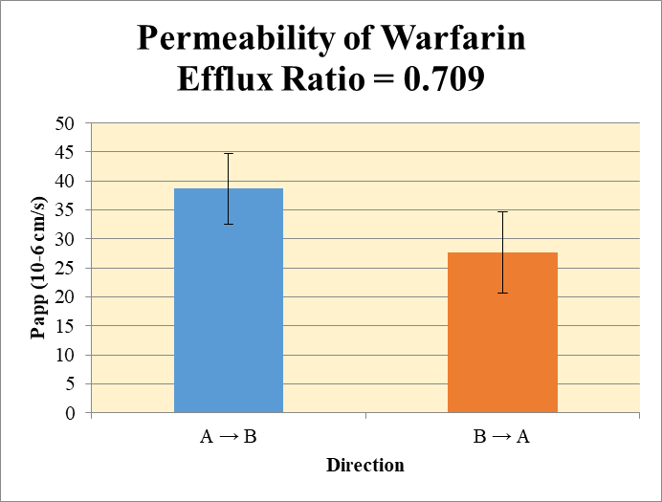
 |  |  |  |  |  | A → B
Blank 1_A_B__1______Inj Caco2_2021May03_Inj003 | Warfarin | 309.225 > 251.114 | 0.656 | 36062.555 | 1.8190613505E-05 | Donor | 0.0750 | 4.51 | 4.25 |  | 4.38 | 0.184 | A → B | 38.7 | 6.09
Blank 2_A_B__2______Inj Caco2_2021May03_Inj004 | Warfarin | 309.225 > 251.114 | 0.656 | 36062.555 | 1.8190613505E-05 | Receiver | 0.250 | 1.26 | 1.10 |  | 1.18 | 0.118 | B → A | 27.6 | 7.01
Blank 3_B_A__3______Inj Caco2_2021May03_Inj005 | Warfarin | 309.225 > 251.114 | 21.031 | 49392.68 | 0.00042579183798 | Dosing | 0.0750 | 9.28 | 10.1 |  | 9.68 | 0.559
Blank 4_B_A__4______Inj Caco2_2021May03_Inj006 | Warfarin | 309.225 > 251.114 | 0.366 | 43976.457 | 8.3226349954E-06 | Standard
Warfarin_A_B_rec_1______Inj Caco2_2021May03_Inj021 | Warfarin | 309.225 > 251.114 | 15277.127 | 48313.156 | 0.31621049554 | Blank |  | 1.82E-05 | 1.82E-05 |  | 1.82E-05 | 0.0
Warfarin_A_B_rec_2______Inj Caco2_2021May03_Inj022 | Warfarin | 309.225 > 251.114 | 12830.247 | 46753.547 | 0.27442296517 | dq/dt |  | 4.39E-05 | 3.81E-05 |  | 4.10E-05 | 4.10E-06
Warfarin_A_B_dos_1______Inj Caco2_2021May03_Inj141 | Warfarin | 309.225 > 251.114 | 121926.594 | 52542.203 | 2.3205459048 | Co |  | 9.28 | 10.1 |  | 9.68 | 0.559
Warfarin_A_B_dos_2______Inj Caco2_2021May03_Inj142 | Warfarin | 309.225 > 251.114 | 124543.172 | 49457.094 | 2.5182064276 | Recovery |  | 94.0% | 78.5% |  | 86.3% | 11.0%
Warfarin_A_B_don_1______Inj Caco2_2021May03_Inj081 | Warfarin | 309.225 > 251.114 | 54540.348 | 48343.438 | 1.1281851324 | Papp |  | 43.0 | 34.4 |  | 38.7 | 6.09
Warfarin_A_B_don_2______Inj Caco2_2021May03_Inj082 | Warfarin | 309.225 > 251.114 | 47149.348 | 44343.387 | 1.0632780035
Warfarin_B_A_rec_1______Inj Caco2_2021May03_Inj051 | Warfarin | 309.225 > 251.114 | 32146.303 | 37884.074 | 0.84854398183 | B → A
Warfarin_B_A_rec_2______Inj Caco2_2021May03_Inj052 | Warfarin | 309.225 > 251.114 | 28531.738 | 50227.691 | 0.56804797179 | Donor | 0.250 | 8.15 | 7.04 |  | 7.60 | 0.781
Warfarin_B_A_dos_1______Inj Caco2_2021May03_Inj171 | Warfarin | 309.225 > 251.114 | 119991.289 | 48696 | 2.464089227 | Receiver | 0.0750 | 3.39 | 2.27 |  | 2.83 | 0.793
Warfarin_B_A_dos_2______Inj Caco2_2021May03_Inj172 | Warfarin | 309.225 > 251.114 | 124962.172 | 52736.746 | 2.3695465018 | Dosing | 0.250 | 9.86 | 9.48 |  | 9.67 | 0.267
Warfarin_B_A_don_1______Inj Caco2_2021May03_Inj111 | Warfarin | 309.225 > 251.114 | 96431.281 | 47335.52 | 2.0371864722 | Standard
Warfarin_B_A_don_2______Inj Caco2_2021May03_Inj112 | Warfarin | 309.225 > 251.114 | 85298.258 | 48433.176 | 1.7611535118 | Blank |  | 0.000426 | 8.32E-06 |  | 0.000217 | 0.000295
 |  |  |  | Dilution | 4.00 | dq/dt |  | 3.53E-05 | 2.37E-05 |  | 2.95E-05 | 8.26E-06 | Test Article | Test Conc (µM) | Parameter | Papp (10-6 cm/s) Rep-1 | Papp (10-6 cm/s) Rep-2 | Papp (10-6 cm/s) Rep-3 | Recovery
 |  |  |  | Chamber Surface Area | 0.110 | Co |  | 9.86 | 9.48 |  | 9.67 | 0.267 |  |  | A → B | 43.0 | 34.4 |  | 86.3%
 |  |  |  | Sampling Period (hrs) | 2.00 | Recovery |  | 93.0% | 81.5% |  | 87.3% | 8.13% | Warfarin | 10.0 | B → A | 32.6 | 22.7 |  | 87.3%
 |  |  |  | Test Concentration (µM) | 10.0 | Papp |  | 32.6 | 22.7 |  | 27.6 | 7.01 |  |  | Efflux Ratio | 0.758 | 0.660
 |  |  |  |  |  | Efflux Ratio |  | 0.758 | 0.660 |  | 0.709 | 0.0695

Data 1
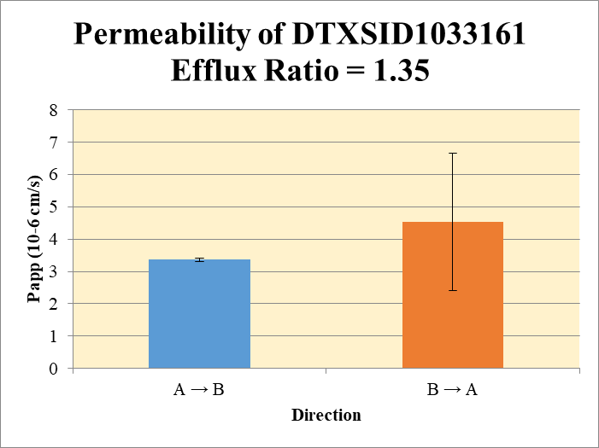
SampleName | CompoundName | Transition | Area | ISTD Area | ISTDResponseRatio | A → B | Volume | RR1 | RR2 | RR3 | RR Mean | RR SD
Blank 1_A_B__1______Inj Caco2_2021May05_Inj003 | DTXSID1033161 | 206.994 > 88.913 | 32.617 | 52829.352 | 0.00061740299219 | Donor | 0.0750 | 9.62 | 9.10 |  | 9.36 | 0.361 | A → B | 3.36 | 0.0466
Blank 2_A_B__2______Inj Caco2_2021May05_Inj004 | DTXSID1033161 | 206.994 > 88.913 | 1.525 | 55583.719 | 2.7436091493E-05 | Receiver | 0.250 | 0.134 | 0.128 |  | 0.131 | 0.00457 | B → A | 4.54 | 2.13
Blank 3_B_A__3______Inj Caco2_2021May05_Inj005 | DTXSID1033161 | 206.994 > 88.913 | 1.875 | 49957.012 | 3.7532268743E-05 | Dosing | 0.0750 | 12.8 | 11.9 |  | 12.3 | 0.601
Blank 4_B_A__4______Inj Caco2_2021May05_Inj006 | DTXSID1033161 | 206.994 > 88.913 | 0.352 | 49602.18 | 7.0964622926E-06 | Standard
DTXSID1033161_A_B_rec_1______Inj Caco2_2021May05_Inj033 | DTXSID1033161 | 206.994 > 88.913 | 1518.349 | 44730.504 | 0.033944374962 | Blank |  | 0.000617 | 2.74E-05 |  | 0.000322 | 0.000417
DTXSID1033161_A_B_rec_2______Inj Caco2_2021May05_Inj034 | DTXSID1033161 | 206.994 > 88.913 | 1476.802 | 45682.336 | 0.032327637536 | dq/dt |  | 4.67E-06 | 4.45E-06 |  | 4.56E-06 | 1.59E-07
DTXSID1033161_A_B_dos_1______Inj Caco2_2021May05_Inj177 | DTXSID1033161 | 206.994 > 88.913 | 114472.617 | 35867.871 | 3.1915085509 | Co |  | 12.8 | 11.9 |  | 12.3 | 0.601
DTXSID1033161_A_B_dos_2______Inj Caco2_2021May05_Inj178 | DTXSID1033161 | 206.994 > 88.913 | 111076.031 | 37285.711 | 2.9790509024 | Recovery |  | 78.8% | 80.0% |  | 79.4% | 0.814%
DTXSID1033161_A_B_don_1______Inj Caco2_2021May05_Inj105 | DTXSID1033161 | 206.994 > 88.913 | 103850.773 | 43195.703 | 2.4041922179 | Papp |  | 3.33 | 3.39 |  | 3.36 | 0.0466
DTXSID1033161_A_B_don_2______Inj Caco2_2021May05_Inj106 | DTXSID1033161 | 206.994 > 88.913 | 96245.055 | 42279.746 | 2.2763867834
DTXSID1033161_B_A_rec_1______Inj Caco2_2021May05_Inj057 | DTXSID1033161 | 206.994 > 88.913 | 5076.12 | 47024.707 | 0.10794580815 | B → A
DTXSID1033161_B_A_rec_2______Inj Caco2_2021May05_Inj058 | DTXSID1033161 | 206.994 > 88.913 | 9434.986 | 46516.43 | 0.20283125769 | Donor | 0.250 | 13.0 | 12.8 |  | 12.9 | 0.136
DTXSID1033161_B_A_dos_1______Inj Caco2_2021May05_Inj201 | DTXSID1033161 | 206.994 > 88.913 | 106213.563 | 31464.445 | 3.3756693627 | Receiver | 0.0750 | 0.432 | 0.811 |  | 0.621 | 0.268
DTXSID1033161_B_A_dos_2______Inj Caco2_2021May05_Inj202 | DTXSID1033161 | 206.994 > 88.913 | 112313.398 | 35353.727 | 3.176847465 | Dosing | 0.250 | 13.5 | 12.7 |  | 13.1 | 0.562
DTXSID1033161_B_A_don_1______Inj Caco2_2021May05_Inj129 | DTXSID1033161 | 206.994 > 88.913 | 118314.141 | 36410.09 | 3.2494877382 | Standard
DTXSID1033161_B_A_don_2______Inj Caco2_2021May05_Inj130 | DTXSID1033161 | 206.994 > 88.913 | 115952.25 | 36217.594 | 3.2015448072 | Blank |  | 3.75E-05 | 7.10E-06 |  | 2.23E-05 | 2.15E-05
 |  |  |  | Dilution | 4.00 | dq/dt |  | 4.50E-06 | 8.45E-06 |  | 6.47E-06 | 2.80E-06 | Test Article | Test Conc (µM) | Parameter | Papp (10-6 cm/s) Rep-1 | Papp (10-6 cm/s) Rep-2 | Papp (10-6 cm/s) Rep-3 | Recovery
 |  |  |  | Chamber Surface Area | 0.110 | Co |  | 13.5 | 12.7 |  | 13.1 | 0.562 |  |  | A → B | 3.33 | 3.39 |  | 79.4%
 |  |  |  | Sampling Period (hrs) | 2.00 | Recovery |  | 97.2% | 103% |  | 100.0% | 3.87% | DTXSID1033161 | 10.0 | B → A | 3.03 | 6.05 |  | 100.0%
 |  |  |  | Test Concentration (µM) | 10.0 | Papp |  | 3.03 | 6.05 |  | 4.54 | 2.13 |  |  | Efflux Ratio | 0.910 | 1.78
 |  |  |  |  |  | Efflux Ratio |  | 0.910 | 1.78 |  | 1.35 | 0.617

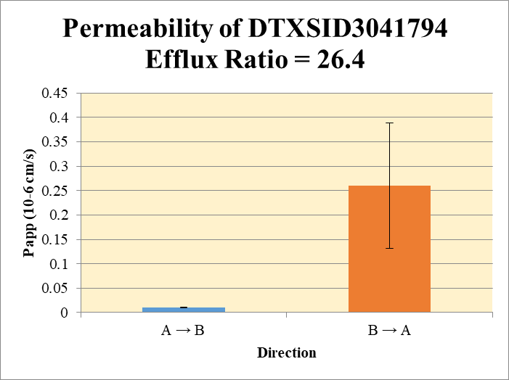
 |  |  |  |  |  | A → B
Blank 1_A_B__1______Inj Caco2_2021May05_Inj003 | DTXSID3041794 | 336.065 > 237.88 | 13.248 | 52829.352 | 0.00025076968576 | Donor | 0.0750 | 1.19 | 1.83 |  | 1.51 | 0.459 | A → B | 0.0100 | 0.000699
Blank 2_A_B__2______Inj Caco2_2021May05_Inj004 | DTXSID3041794 | 336.065 > 237.88 | 4.241 | 55583.719 | 7.629932067E-05 | Receiver | 0.250 | 0.00531 | 0.00623 |  | 0.00577 | 0.000654 | B → A | 0.260 | 0.129
Blank 3_B_A__3______Inj Caco2_2021May05_Inj005 | DTXSID3041794 | 336.065 > 237.88 | 0.527 | 49957.012 | 1.0549069668E-05 | Dosing | 0.0750 | 176 | 187 |  | 182 | 7.95
Blank 4_B_A__4______Inj Caco2_2021May05_Inj006 | DTXSID3041794 | 336.065 > 237.88 | 0.487 | 49602.18 | 9.818116865E-06 | Standard
DTXSID3041794_A_B_rec_1______Inj Caco2_2021May05_Inj029 | DTXSID3041794 | 336.065 > 237.88 | 64.147 | 43056.953 | 0.0014898174518 | Blank |  | 0.000251 | 7.63E-05 |  | 0.000164 | 0.000123
DTXSID3041794_A_B_rec_2______Inj Caco2_2021May05_Inj030 | DTXSID3041794 | 336.065 > 237.88 | 80.665 | 46868.852 | 0.0017210790655 | dq/dt |  | 1.84E-07 | 2.16E-07 |  | 2.00E-07 | 2.27E-08
DTXSID3041794_A_B_dos_1______Inj Caco2_2021May05_Inj173 | DTXSID3041794 | 336.065 > 237.88 | 2033209.625 | 46231.75 | 43.978642924 | Co |  | 176 | 187 |  | 182 | 7.95
DTXSID3041794_A_B_dos_2______Inj Caco2_2021May05_Inj174 | DTXSID3041794 | 336.065 > 237.88 | 1926166.125 | 41165.449 | 46.79084455 | Recovery |  | 0.684% | 0.991% |  | 0.838% | 0.217%
DTXSID3041794_A_B_don_1______Inj Caco2_2021May05_Inj101 | DTXSID3041794 | 336.065 > 237.88 | 13105.238 | 44192.113 | 0.29655151362 | Papp |  | 0.0095 | 0.0105 |  | 0.0100 | 0.000699
DTXSID3041794_A_B_don_2______Inj Caco2_2021May05_Inj102 | DTXSID3041794 | 336.065 > 237.88 | 19428.473 | 42343.063 | 0.45883485094
DTXSID3041794_B_A_rec_1______Inj Caco2_2021May05_Inj049 | DTXSID3041794 | 336.065 > 237.88 | 7711.339 | 48934.492 | 0.15758494029 | B → A
DTXSID3041794_B_A_rec_2______Inj Caco2_2021May05_Inj050 | DTXSID3041794 | 336.065 > 237.88 | 3989.514 | 52650.613 | 0.075773362791 | Donor | 0.250 | 23.9 | 30.6 |  | 27.2 | 4.69
DTXSID3041794_B_A_dos_1______Inj Caco2_2021May05_Inj193 | DTXSID3041794 | 336.065 > 237.88 | 1795757.625 | 42189.219 | 42.56437231 | Receiver | 0.0750 | 0.630 | 0.303 |  | 0.467 | 0.231
DTXSID3041794_B_A_dos_2______Inj Caco2_2021May05_Inj194 | DTXSID3041794 | 336.065 > 237.88 | 1843987.25 | 43353.176 | 42.534075243 | Dosing | 0.250 | 170 | 170 |  | 170 | 0.0857
DTXSID3041794_B_A_don_1______Inj Caco2_2021May06_Inj121 | DTXSID3041794 | 336.065 > 237.88 | 108477.125 | 18135.486 | 5.981484312 | Standard
DTXSID3041794_B_A_don_2______Inj Caco2_2021May06_Inj122 | DTXSID3041794 | 336.065 > 237.88 | 127537.195 | 16692.129 | 7.6405589125 | Blank |  | 1.05E-05 | 9.82E-06 |  | 1.02E-05 | 5.17E-07
 |  |  |  | Dilution | 4.00 | dq/dt |  | 6.57E-06 | 3.16E-06 |  | 4.86E-06 | 2.41E-06 | Test Article | Test Conc (µM) | Parameter | Papp (10-6 cm/s) Rep-1 | Papp (10-6 cm/s) Rep-2 | Papp (10-6 cm/s) Rep-3 | Recovery
 |  |  |  | Chamber Surface Area | 0.110 | Co |  | 170 | 170 |  | 170 | 0.0857 |  |  | A → B | 0.0095 | 0.0105 |  | 0.838%
 |  |  |  | Sampling Period (hrs) | 2.00 | Recovery |  | 14.2% | 18.0% |  | 16.1% | 2.72% | DTXSID3041794 | 10.0 | B → A | 0.351 | 0.169 |  | 16.1%
 |  |  |  | Test Concentration (µM) | 10.0 | Papp |  | 0.351 | 0.169 |  | 0.260 | 0.129 |  |  | Efflux Ratio | 36.8 | 16.1
 |  |  |  |  |  | Efflux Ratio |  | 36.8 | 16.1 |  | 26.4 | 14.7

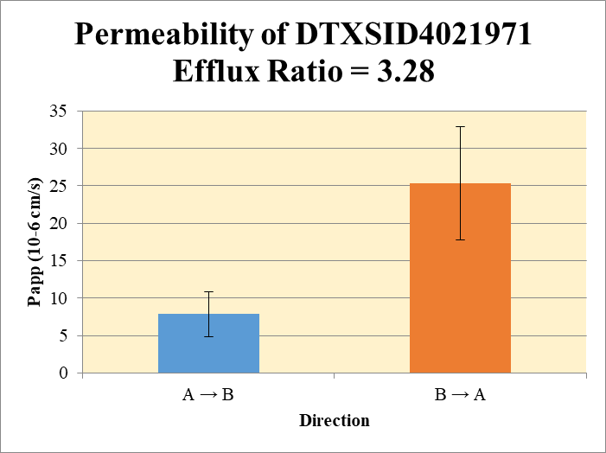
 |  |  |  |  |  | A → B
Blank 1_A_B__1______Inj Caco2_2021May05_Inj003 | DTXSID4021971 | 157.969 > 79.863 | 154946.344 | 52829.352 | 2.9329593897 | Donor | 0.0750 | 16.0 | 17.3 |  | 16.6 | 0.863 | A → B | 7.87 | 3.01
Blank 2_A_B__2______Inj Caco2_2021May05_Inj004 | DTXSID4021971 | 157.969 > 79.863 | 137943.609 | 55583.719 | 2.4817268704 | Receiver | 0.250 | 0.4 | 0.9 |  | 0.7 | 0.329 | B → A | 25.3 | 7.54
Blank 3_B_A__3______Inj Caco2_2021May05_Inj005 | DTXSID4021971 | 157.969 > 79.863 | 94569.078 | 49957.012 | 1.8930090935 | Dosing | 0.0750 | 23.2 | 28.0 |  | 25.6 | 3.41
Blank 4_B_A__4______Inj Caco2_2021May05_Inj006 | DTXSID4021971 | 157.969 > 79.863 | 93182.914 | 49602.18 | 1.8786052145 | Standard
DTXSID4021971_A_B_rec_1______Inj Caco2_2021May05_Inj039 | DTXSID4021971 | 157.969 > 79.863 | 130547.43 | 46411.105 | 2.8128489938 | Blank |  | 2.93 | 2.48 |  | 2.71 | 0.319
DTXSID4021971_A_B_rec_2______Inj Caco2_2021May05_Inj040 | DTXSID4021971 | 157.969 > 79.863 | 128574 | 43893.477 | 2.9292279579 | dq/dt |  | 0.000015 | 0.000031 |  | 2.27E-05 | 1.14E-05
DTXSID4021971_A_B_dos_1______Inj Caco2_2021May05_Inj183 | DTXSID4021971 | 157.969 > 79.863 | 362282.719 | 42580.164 | 8.5082509076 | Co |  | 23.2 | 28.0 |  | 25.6 | 3.41
DTXSID4021971_A_B_dos_2______Inj Caco2_2021May05_Inj184 | DTXSID4021971 | 157.969 > 79.863 | 367882.156 | 37873.07 | 9.713555199 | Recovery |  | 75% | 72% |  | 73.7% | 2.15%
DTXSID4021971_A_B_don_1______Inj Caco2_2021May05_Inj111 | DTXSID4021971 | 157.969 > 79.863 | 314346.719 | 46803.348 | 6.7163297591 | Papp |  | 6 | 10.0 |  | 7.87 | 3.01
DTXSID4021971_A_B_don_2______Inj Caco2_2021May05_Inj112 | DTXSID4021971 | 157.969 > 79.863 | 329507.094 | 46927.684 | 7.0215929258
DTXSID4021971_B_A_rec_1______Inj Caco2_2021May05_Inj065 | DTXSID4021971 | 157.969 > 79.863 | 163537.375 | 48512.344 | 3.3710466557 | B → A
DTXSID4021971_B_A_rec_2______Inj Caco2_2021May05_Inj066 | DTXSID4021971 | 157.969 > 79.863 | 203816.422 | 49417.645 | 4.1243653355 | Donor | 0.250 | 24.1 | 27.5 |  | 25.8 | 2.43
DTXSID4021971_B_A_dos_1______Inj Caco2_2021May05_Inj209 | DTXSID4021971 | 157.969 > 79.863 | 354746.969 | 39787.41 | 8.9160608595 | Receiver | 0.0750 | 5.9 | 9.0 |  | 7.4 | 2.13
DTXSID4021971_B_A_dos_2______Inj Caco2_2021May05_Inj210 | DTXSID4021971 | 157.969 > 79.863 | 359994 | 40920.77 | 8.79734179 | Dosing | 0.250 | 28.1 | 27.6 |  | 27.9 | 0.336
DTXSID4021971_B_A_don_1______Inj Caco2_2021May05_Inj137 | DTXSID4021971 | 157.969 > 79.863 | 332725.406 | 42075.055 | 7.9079018673 | Standard
DTXSID4021971_B_A_don_2______Inj Caco2_2021May05_Inj138 | DTXSID4021971 | 157.969 > 79.863 | 348365.875 | 39727.895 | 8.7687977176 | Blank |  | 1.89 | 1.88 |  | 1.89 | 0.0102
 |  |  |  | Dilution | 4.00 | dq/dt |  | 0.000062 | 0.000093 |  | 7.76E-05 | 2.22E-05 | Test Article | Test Conc (µM) | Parameter | Papp (10-6 cm/s) Rep-1 | Papp (10-6 cm/s) Rep-2 | Papp (10-6 cm/s) Rep-3 | Recovery
 |  |  |  | Chamber Surface Area | 0.110 | Co |  | 28.1 | 27.6 |  | 27.9 | 0.336 |  |  | A → B | 6 | 10.0 |  | 73.7%
 |  |  |  | Sampling Period (hrs) | 2.00 | Recovery |  | 92% | 109% |  | 101% | 12.2% | DTXSID4021971 | 10.0 | B → A | 20.0 | 30.7 |  | 101%
 |  |  |  | Test Concentration (µM) | 10.0 | Papp |  | 20.0 | 30.7 |  | 25.3 | 7.54 |  |  | Efflux Ratio | 3.48 | 3.07
 |  |  |  |  |  | Efflux Ratio |  | 3.48 | 3.07 |  | 3.28 | 0.295

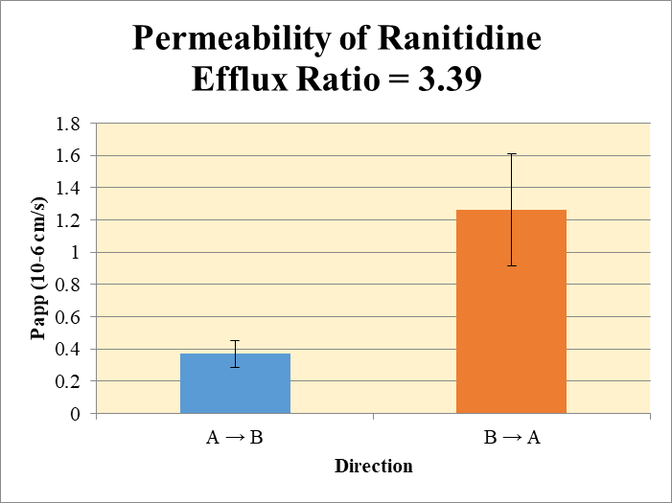
 |  |  |  |  |  | A → B
Blank 1_A_B__1______Inj Caco2_2021May05_Inj003 | Ranitidine | 315.216 > 175.737 | 0.656 | 52829.352 | 1.2417339512E-05 | Donor | 0.0750 | 8.68 | 7.56 |  | 8.12 | 0.787 | A → B | 0.371 | 0.0835
Blank 2_A_B__2______Inj Caco2_2021May05_Inj004 | Ranitidine | 315.216 > 175.737 | 0.619 | 55583.719 | 1.1136354514E-05 | Receiver | 0.250 | 0.0102 | 0.00776 |  | 0.00898 | 0.00174 | B → A | 1.26 | 0.346
Blank 3_B_A__3______Inj Caco2_2021May05_Inj005 | Ranitidine | 315.216 > 175.737 | 0.527 | 49957.012 | 1.0549069668E-05 | Dosing | 0.0750 | 7.50 | 7.85 |  | 7.68 | 0.251
Blank 4_B_A__4______Inj Caco2_2021May05_Inj006 | Ranitidine | 315.216 > 175.737 | 0.217 | 49602.18 | 4.3748077201E-06 | Standard
Ranitidine_A_B_rec_1______Inj Caco2_2021May05_Inj011 | Ranitidine | 315.216 > 175.737 | 114.911 | 44816.48 | 0.0025640344802 | Blank |  | 1.24E-05 | 1.11E-05 |  | 1.18E-05 | 9.06E-07
Ranitidine_A_B_rec_2______Inj Caco2_2021May05_Inj012 | Ranitidine | 315.216 > 175.737 | 94.089 | 48236.566 | 0.0019505741764 | dq/dt |  | 3.54E-07 | 2.69E-07 |  | 3.12E-07 | 6.02E-08
Ranitidine_A_B_dos_1______Inj Caco2_2021May05_Inj155 | Ranitidine | 315.216 > 175.737 | 79968.586 | 42654.023 | 1.8748193107 | Co |  | 7.50 | 7.85 |  | 7.68 | 0.251
Ranitidine_A_B_dos_2______Inj Caco2_2021May05_Inj156 | Ranitidine | 315.216 > 175.737 | 78922.18 | 40191.039 | 1.9636760324 | Recovery |  | 116% | 96.6% |  | 106% | 13.8%
Ranitidine_A_B_don_1______Inj Caco2_2021May05_Inj083 | Ranitidine | 315.216 > 175.737 | 104434.906 | 48140.25 | 2.1693885262 | Papp |  | 0.430 | 0.312 |  | 0.371 | 0.0835
Ranitidine_A_B_don_2______Inj Caco2_2021May05_Inj084 | Ranitidine | 315.216 > 175.737 | 85375.625 | 45147.563 | 1.8910350709
Ranitidine_B_A_rec_1______Inj Caco2_2021May05_Inj047 | Ranitidine | 315.216 > 175.737 | 1527.519 | 51410.742 | 0.029712059009 | B → A
Ranitidine_B_A_rec_2______Inj Caco2_2021May05_Inj048 | Ranitidine | 315.216 > 175.737 | 1148.096 | 51303.652 | 0.022378445885 | Donor | 0.250 | 7.73 | 8.78 |  | 8.25 | 0.738
Ranitidine_B_A_dos_1______Inj Caco2_2021May05_Inj191 | Ranitidine | 315.216 > 175.737 | 78946.281 | 42292.137 | 1.8666893328 | Receiver | 0.0750 | 0.119 | 0.0895 |  | 0.104 | 0.0207
Ranitidine_B_A_dos_2______Inj Caco2_2021May05_Inj192 | Ranitidine | 315.216 > 175.737 | 79719.203 | 38317.922 | 2.080467803 | Dosing | 0.250 | 7.47 | 8.32 |  | 7.89 | 0.605
Ranitidine_B_A_don_1______Inj Caco2_2021May05_Inj119 | Ranitidine | 315.216 > 175.737 | 77528.32 | 40111.25 | 1.9328323101 | Standard
Ranitidine_B_A_don_2______Inj Caco2_2021May05_Inj120 | Ranitidine | 315.216 > 175.737 | 83765.609 | 38183.074 | 2.1937890333 | Blank |  | 1.05E-05 | 4.37E-06 |  | 7.46E-06 | 4.37E-06
 |  |  |  | Dilution | 4.00 | dq/dt |  | 1.24E-06 | 9.32E-07 |  | 1.08E-06 | 2.16E-07 | Test Article | Test Conc (µM) | Parameter | Papp (10-6 cm/s) Rep-1 | Papp (10-6 cm/s) Rep-2 | Papp (10-6 cm/s) Rep-3 | Recovery
 |  |  |  | Chamber Surface Area | 0.110 | Co |  | 7.47 | 8.32 |  | 7.89 | 0.605 |  |  | A → B | 0.430 | 0.312 |  | 106%
 |  |  |  | Sampling Period (hrs) | 2.00 | Recovery |  | 104% | 106% |  | 105% | 1.24% | Ranitidine | 10.0 | B → A | 1.51 | 1.02 |  | 105%
 |  |  |  | Test Concentration (µM) | 10.0 | Papp |  | 1.51 | 1.02 |  | 1.26 | 0.346 |  |  | Efflux Ratio | 3.51 | 3.27
 |  |  |  |  |  | Efflux Ratio |  | 3.51 | 3.27 |  | 3.39 | 0.169

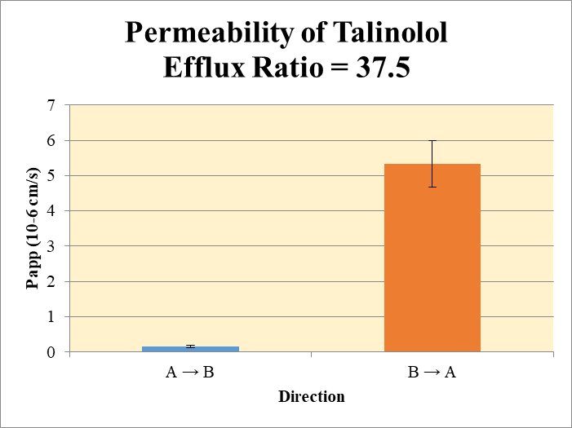
 |  |  |  |  |  | A → B
Blank 1_A_B__1______Inj Caco2_2021May05_Inj003 | Talinolol | 364.365 > 209.165 | 2.696 | 52829.352 | 5.1032236776E-05 | Donor | 0.0750 | 3.56 | 3.11 |  | 3.34 | 0.314 | A → B | 0.148 | 0.0312
Blank 2_A_B__2______Inj Caco2_2021May05_Inj004 | Talinolol | 364.365 > 209.165 | 2.011 | 55583.719 | 3.6179659011E-05 | Receiver | 0.250 | 0.00209 | 0.00124 |  | 0.00167 | 0.000603 | B → A | 5.34 | 0.662
Blank 3_B_A__3______Inj Caco2_2021May05_Inj005 | Talinolol | 364.365 > 209.165 | 0.891 | 49957.012 | 1.7835334107E-05 | Dosing | 0.0750 | 3.90 | 3.12 |  | 3.51 | 0.548
Blank 4_B_A__4______Inj Caco2_2021May05_Inj006 | Talinolol | 364.365 > 209.165 | 1.078 | 49602.18 | 2.1732915771E-05 | Standard
Talinolol_A_B_rec_1______Inj Caco2_2021May05_Inj007 | Talinolol | 364.365 > 209.165 | 27.464 | 48429.133 | 0.00056709666886 | Blank |  | 5.10E-05 | 3.62E-05 |  | 4.36E-05 | 1.05E-05
Talinolol_A_B_rec_2______Inj Caco2_2021May05_Inj008 | Talinolol | 364.365 > 209.165 | 16.436 | 46433.809 | 0.00035396622319 | dq/dt |  | 7.27E-08 | 4.31E-08 |  | 5.79E-08 | 2.09E-08
Talinolol_A_B_dos_1______Inj Caco2_2021May05_Inj151 | Talinolol | 364.365 > 209.165 | 39658.043 | 40701.926 | 0.97435298271 | Co |  | 3.90 | 3.12 |  | 3.51 | 0.548
Talinolol_A_B_dos_2______Inj Caco2_2021May05_Inj152 | Talinolol | 364.365 > 209.165 | 33980.621 | 43535.555 | 0.78052573351 | Recovery |  | 91.5% | 99.8% |  | 95.6% | 5.93%
Talinolol_A_B_don_1______Inj Caco2_2021May05_Inj079 | Talinolol | 364.365 > 209.165 | 42713.742 | 48027.512 | 0.88935987357 | Papp |  | 0.170 | 0.126 |  | 0.148 | 0.0312
Talinolol_A_B_don_2______Inj Caco2_2021May05_Inj080 | Talinolol | 364.365 > 209.165 | 36952.875 | 47483.293 | 0.77822898677
Talinolol_B_A_rec_1______Inj Caco2_2021May05_Inj043 | Talinolol | 364.365 > 209.165 | 2517.467 | 51391.902 | 0.048985674825 | B → A
Talinolol_B_A_rec_2______Inj Caco2_2021May05_Inj044 | Talinolol | 364.365 > 209.165 | 2499.91 | 50976.828 | 0.049040124662 | Donor | 0.250 | 3.91 | 4.00 |  | 3.95 | 0.0637
Talinolol_B_A_dos_1______Inj Caco2_2021May05_Inj187 | Talinolol | 364.365 > 209.165 | 38334.082 | 40249.297 | 0.95241618754 | Receiver | 0.0750 | 0.196 | 0.196 |  | 0.196 | 0.000154
Talinolol_B_A_dos_2______Inj Caco2_2021May05_Inj188 | Talinolol | 364.365 > 209.165 | 34204.742 | 42773.391 | 0.79967337638 | Dosing | 0.250 | 3.81 | 3.20 |  | 3.50 | 0.432
Talinolol_B_A_don_1______Inj Caco2_2021May05_Inj115 | Talinolol | 364.365 > 209.165 | 36218.332 | 37072.023 | 0.97697209564 | Standard
Talinolol_B_A_don_2______Inj Caco2_2021May05_Inj116 | Talinolol | 364.365 > 209.165 | 38494.309 | 38514.254 | 0.99948213978 | Blank |  | 1.78E-05 | 2.17E-05 |  | 1.98E-05 | 2.76E-06
 |  |  |  | Dilution | 4.00 | dq/dt |  | 2.04E-06 | 2.04E-06 |  | 2.04E-06 | 1.60E-09 | Test Article | Test Conc (µM) | Parameter | Papp (10-6 cm/s) Rep-1 | Papp (10-6 cm/s) Rep-2 | Papp (10-6 cm/s) Rep-3 | Recovery
 |  |  |  | Chamber Surface Area | 0.110 | Co |  | 3.81 | 3.20 |  | 3.50 | 0.432 |  |  | A → B | 0.170 | 0.126 |  | 95.6%
 |  |  |  | Sampling Period (hrs) | 2.00 | Recovery |  | 104% | 127% |  | 115% | 16.1% | Talinolol | 10.0 | B → A | 4.87 | 5.81 |  | 115%
 |  |  |  | Test Concentration (µM) | 10.0 | Papp |  | 4.87 | 5.81 |  | 5.34 | 0.662 |  |  | Efflux Ratio | 28.7 | 46.2
 |  |  |  |  |  | Efflux Ratio |  | 28.7 | 46.2 |  | 37.5 | 12.4

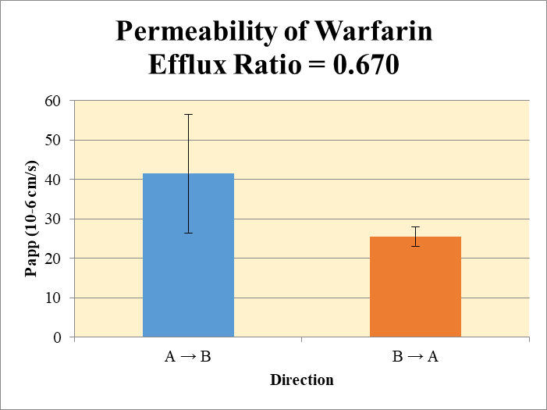
 |  |  |  |  |  | A → B
Blank 1_A_B__1______Inj Caco2_2021May05_Inj003 | Warfarin | 309.225 > 251.114 | 0.687 | 52829.352 | 1.300413452E-05 | Donor | 0.0750 | 3.94 | 3.77 |  | 3.86 | 0.116 | A → B | 41.5 | 15.0
Blank 2_A_B__2______Inj Caco2_2021May05_Inj004 | Warfarin | 309.225 > 251.114 | 0.625 | 55583.719 | 1.1244299792E-05 | Receiver | 0.250 | 0.932 | 0.643 |  | 0.788 | 0.204 | B → A | 25.5 | 2.48
Blank 3_B_A__3______Inj Caco2_2021May05_Inj005 | Warfarin | 309.225 > 251.114 | 7.266 | 49957.012 | 0.00014544504783 | Dosing | 0.0750 | 5.65 | 6.59 |  | 6.12 | 0.663
Blank 4_B_A__4______Inj Caco2_2021May05_Inj006 | Warfarin | 309.225 > 251.114 | 7.266 | 49957.012 | 0.00014544504783 | Standard
Warfarin_A_B_rec_1______Inj Caco2_2021May05_Inj013 | Warfarin | 309.225 > 251.114 | 10567.733 | 45337.484 | 0.23309041587 | Blank |  | 1.30E-05 | 1.12E-05 |  | 1.21E-05 | 1.24E-06
Warfarin_A_B_rec_2______Inj Caco2_2021May05_Inj014 | Warfarin | 309.225 > 251.114 | 7108.708 | 44186.836 | 0.16087841184 | dq/dt |  | 3.24E-05 | 2.23E-05 |  | 2.74E-05 | 7.09E-06
Warfarin_A_B_dos_1______Inj Caco2_2021May05_Inj157 | Warfarin | 309.225 > 251.114 | 64064.73 | 45342.512 | 1.4129065015 | Co |  | 5.65 | 6.59 |  | 6.12 | 0.663
Warfarin_A_B_dos_2______Inj Caco2_2021May05_Inj158 | Warfarin | 309.225 > 251.114 | 69164.414 | 41990.375 | 1.6471492336 | Recovery |  | 125% | 89.8% |  | 107% | 24.6%
Warfarin_A_B_don_1______Inj Caco2_2021May05_Inj085 | Warfarin | 309.225 > 251.114 | 47830.348 | 48584.074 | 0.98448615075 | Papp |  | 52.1 | 30.8 |  | 41.5 | 15.0
Warfarin_A_B_don_2______Inj Caco2_2021May05_Inj086 | Warfarin | 309.225 > 251.114 | 41295.594 | 43772.551 | 0.94341300785
Warfarin_B_A_rec_1______Inj Caco2_2021May05_Inj051 | Warfarin | 309.225 > 251.114 | 22446.66 | 49009.793 | 0.45800356676 | B → A
Warfarin_B_A_rec_2______Inj Caco2_2021May05_Inj052 | Warfarin | 309.225 > 251.114 | 23984.717 | 45661.355 | 0.52527387766 | Donor | 0.250 | 6.77 | 7.06 |  | 6.91 | 0.203
Warfarin_B_A_dos_1______Inj Caco2_2021May05_Inj195 | Warfarin | 309.225 > 251.114 | 69271.102 | 37940.988 | 1.8257590445 | Receiver | 0.0750 | 1.83 | 2.10 |  | 1.97 | 0.190
Warfarin_B_A_dos_2______Inj Caco2_2021May05_Inj196 | Warfarin | 309.225 > 251.114 | 68442.484 | 37513.945 | 1.8244544529 | Dosing | 0.250 | 7.30 | 7.30 |  | 7.30 | 0.00369
Warfarin_B_A_don_1______Inj Caco2_2021May05_Inj123 | Warfarin | 309.225 > 251.114 | 66593.633 | 39353.637 | 1.6921849688 | Standard
Warfarin_B_A_don_2______Inj Caco2_2021May05_Inj124 | Warfarin | 309.225 > 251.114 | 69884.164 | 39615.137 | 1.7640773021 | Blank |  | 0.000145 | 0.000145 |  | 0.000145 | 0.0
 |  |  |  | Dilution | 4.00 | dq/dt |  | 1.91E-05 | 2.19E-05 |  | 2.05E-05 | 1.98E-06 | Test Article | Test Conc (µM) | Parameter | Papp (10-6 cm/s) Rep-1 | Papp (10-6 cm/s) Rep-2 | Papp (10-6 cm/s) Rep-3 | Recovery
 |  |  |  | Chamber Surface Area | 0.110 | Co |  | 7.30 | 7.30 |  | 7.30 | 0.00369 |  |  | A → B | 52.1 | 30.8 |  | 107%
 |  |  |  | Sampling Period (hrs) | 2.00 | Recovery |  | 100% | 105% |  | 103% | 3.62% | Warfarin | 10.0 | B → A | 23.7 | 27.3 |  | 103%
 |  |  |  | Test Concentration (µM) | 10.0 | Papp |  | 23.7 | 27.3 |  | 25.5 | 2.48 |  |  | Efflux Ratio | 0.456 | 0.884
 |  |  |  |  |  | Efflux Ratio |  | 0.456 | 0.884 |  | 0.670 | 0.303

