Data
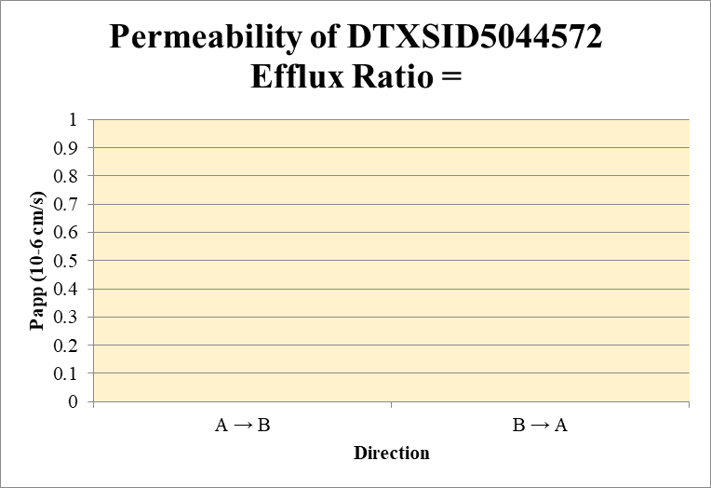
SampleName | CompoundName | Transition | Area | ISTD Area | ISTDResponseRatio |  | A → B | Volume | RR1 | RR2 | RR3 | RR Mean | RR SD
Blank_1_A_B__1_01 | DTXSID5044572 | 95 | NF | 3,618,396.97 | - |  | Donor | 0.0750 | 0.00 | 0.00 |  | 0.00 | 0.000 | A → B | 0.0000 | 0.00000
Blank_1_A_B__2_02 | DTXSID5044572 | 95 | NF | 3,551,427.90 | - |  | Receiver | 0.250 | 0.000000 | 0.000000 |  | 0.000000 | 0.000000 | B → A | 0.0000 | 0.00000
Blank_1_B_A__3_03 | DTXSID5044572 | 95 | NF | 559,755.78 | - |  | Dosing | 0.0750 | 0.5 | 0.4 |  | 0.5 | 0.099
Blank_1_B_A__4_04 | DTXSID5044572 | 95 | NF | 522,529.85 | - |  | Standard
DTXSID5044572_A_B_rec_1_39 | DTXSID5044572 | 95 | NF | 1,075,409.54 | - |  | Blank |  | 0.00E+00 | 0.00E+00 |  | 0.00E+00 | 0.00E+00
DTXSID5044572_A_B_rec_2_40 | DTXSID5044572 | 95 | NF | 887,793.38 | - |  | dq/dt |  | 0.00E+00 | 0.00E+00 |  | 0.00E+00 | 0.00E+00
DTXSID5044572_A_B_dos_1_191 | DTXSID5044572 | 95 | 154,474.75 | 572,734.35 | 0.27 |  | Co |  | 0.5 | 0.4 |  | 0.5 | 0.099
DTXSID5044572_A_B_dos_2_192 | DTXSID5044572 | 95 | 116,489.02 | 582,959.63 | 0.20 |  | Recovery |  | 0.0% | 0.0% |  | 0.0% | 0.00%
DTXSID5044572_A_B_don_1_115 | DTXSID5044572 | 95 | NF | 498,625.60 | - |  | Papp |  | 0.00000 | 0.0000 |  | 0.0000 | 0.00000
DTXSID5044572_A_B_don_2_116 | DTXSID5044572 | 95 | NF | 600,332.56 | -
DTXSID5044572_B_A_rec_1_77 | DTXSID5044572 | 95 | NF | 284,287.19 | - |  | B → A
DTXSID5044572_B_A_rec_2_78 | DTXSID5044572 | 95 | NF | 110,994.62 | - |  | Donor | 0.250 | 0.0 | 0.0 |  | 0.0 | 0.000
DTXSID5044572_B_A_dos_1_229 | DTXSID5044572 | 95 | 109,048.54 | 448,206.71 | 0.24 |  | Receiver | 0.0750 | 0.00000 | 0.00000 |  | 0.00000 | 0.000000
DTXSID5044572_B_A_dos_2_230 | DTXSID5044572 | 95 | 90,033.85 | 413,741.27 | 0.22 |  | Dosing | 0.250 | 0.5 | 0.4 |  | 0.5 | 0.036
DTXSID5044572_B_A_don_1_153 | DTXSID5044572 | 95 | NF | 281,980.29 | - |  | Standard
DTXSID5044572_B_A_don_2_154 | DTXSID5044572 | 95 | NF | 435,098.41 | - |  | Blank |  | 0.00E+00 | 0.00E+00 |  | 0.00E+00 | 0.00E+00
 |  |  |  | Dilution | 2.00 |  | dq/dt |  | 0.00E+00 | 0.00E+00 |  | 0.00E+00 | 0.00E+00 | Test Article | Test Conc (µM) | Parameter | Papp (10-6 cm/s) Rep-1 | Papp (10-6 cm/s) Rep-2 | Papp (10-6 cm/s) Rep-3 | Recovery
 |  |  |  | Chamber Surface Area | 0.11 |  | Co |  | 0.5 | 0.4 |  | 0.5 | 0.036 |  |  | A → B | 0.00000 | 0.0000 |  | 0.0%
 |  |  |  | Sampling Period (hrs) | 2.00 |  | Recovery |  | 0.0% | 0.0% |  | 0.0% | 0.0000% | DTXSID5044572 | 10.0 | B → A | 0.0000 | 0.0000 |  | 0.0%
 |  |  |  | Test Concentration (µM) | 10.00 |  | Papp |  | 0.0000 | 0.0000 |  | 0.0000 | 0.00000 |  |  | Efflux Ratio
 |  |  |  |  |  |  | Efflux Ratio

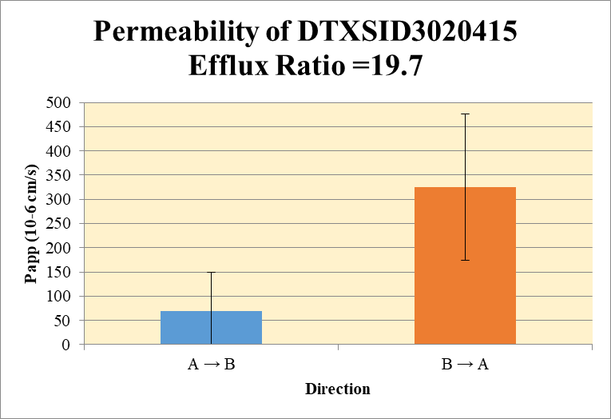
 |  |  |  |  |  |  | A → B
Blank_1_A_B__1_01 | DTXSID3020415 | 107 | NF | 3,618,396.97 | - |  | Donor | 0.0750 | 6.474 | 5.113 |  | 5.794 | 0.9623 | A → B | 68.67611 | 80.91896
Blank_1_A_B__2_02 | DTXSID3020415 | 107 | NF | 3,551,427.90 | - |  | Receiver | 0.250 | 1.83E+00 | 1.35E+00 |  | 1.59E+00 | 3.38E-01 | B → A | 325.18 | 150.59
Blank_1_B_A__3_03 | DTXSID3020415 | 107 | NF | 559,755.78 | - |  | Dosing | 0.0750 | 4.593 | 37.295 |  | 20.944 | 23.1234
Blank_1_B_A__4_04 | DTXSID3020415 | 107 | NF | 522,529.85 | - |  | Standard
DTXSID3020415_A_B_rec_1_31 | DTXSID3020415 | 107 | 975,488.05 | 1,064,945.25 | 0.92 |  | Blank |  | 0.00E+00 | 0.00E+00 |  | 0.00E+00 | 0.00E+00
DTXSID3020415_A_B_rec_2_32 | DTXSID3020415 | 107 | 737,247.36 | 1,089,204.97 | 0.68 |  | dq/dt |  | 6.36E-05 | 4.70E-05 |  | 5.53E-05 | 1.17E-05
DTXSID3020415_A_B_dos_1_183 | DTXSID3020415 | 107 | 1,201,390.71 | 523,095.97 | 2.30 |  | Co |  | 4.593 | 37.295 |  | 20.944 | 23.1234
DTXSID3020415_A_B_dos_2_184 | DTXSID3020415 | 107 | 2,252,130.65 | 120,774.38 | 18.65 |  | Recovery |  | 273.9% | 25.8% |  | 149.8% | 175.42%
DTXSID3020415_A_B_don_1_107 | DTXSID3020415 | 107 | 1,918,315.98 | 592,616.18 | 3.24 |  | Papp |  | 125.9 | 11 |  | 68.7 | 80.9
DTXSID3020415_A_B_don_2_108 | DTXSID3020415 | 107 | 1,801,210.32 | 704,536.10 | 2.56
DTXSID3020415_B_A_rec_1_69 | DTXSID3020415 | 107 | 1,599,529.02 | 493,271.21 | 3.24 |  | B → A
DTXSID3020415_B_A_rec_2_70 | DTXSID3020415 | 107 | 1,882,234.06 | 276,459.25 | 6.81 |  | Donor | 0.250 | 4.046 | 3.533 |  | 3.790 | 0.3633
DTXSID3020415_B_A_dos_1_221 | DTXSID3020415 | 107 | 815,348.17 | 580,681.11 | 1.40 |  | Receiver | 0.0750 | 6.4854 | 13.6167 |  | 10.0511 | 5.0426
DTXSID3020415_B_A_dos_2_222 | DTXSID3020415 | 107 | 707,961.93 | 473,994.00 | 1.49 |  | Dosing | 0.250 | 2.808 | 2.987 |  | 2.898 | 0.12655
DTXSID3020415_B_A_don_1_145 | DTXSID3020415 | 107 | 1,145,055.47 | 565,959.51 | 2.02 |  | Standard
DTXSID3020415_B_A_don_2_146 | DTXSID3020415 | 107 | 933,188.05 | 528,320.07 | 1.77 |  | Blank |  | 0.00E+00 | 0.00E+00 |  | 0.00E+00 | 0.00E+00
 |  |  |  | Dilution | 2.00 |  | dq/dt |  | 6.76E-05 | 1.42E-04 |  | 1.05E-04 | 5.25E-05 | Test Article | Test Conc (µM) | Parameter | Papp (10-6 cm/s) Rep-1 | Papp (10-6 cm/s) Rep-2 | Papp (10-6 cm/s) Rep-3 | Recovery
 |  |  |  | Chamber Surface Area | 0.11 |  | Co |  | 2.808 | 2.987 |  | 2.898 | 0.12655 |  |  | A → B | 125.8945 | 11.4578 |  | 149.8%
 |  |  |  | Sampling Period (hrs) | 2.00 |  | Recovery |  | 213.4% | 255.0% |  | 234.2% | 29.441% | DTXSID3020415 | 10.0 | B → A | 218.69 | 431.66 |  | 234.2%
 |  |  |  | Test Concentration (µM) | 10.00 |  | Papp |  | 218.69 | 431.66 |  | 325.18 | 150.59 |  |  | Efflux Ratio | 1.74 | 37.7
 |  |  |  |  |  |  | Efflux Ratio |  | 1.7 | 37.67 |  | 19.7 | 25.4

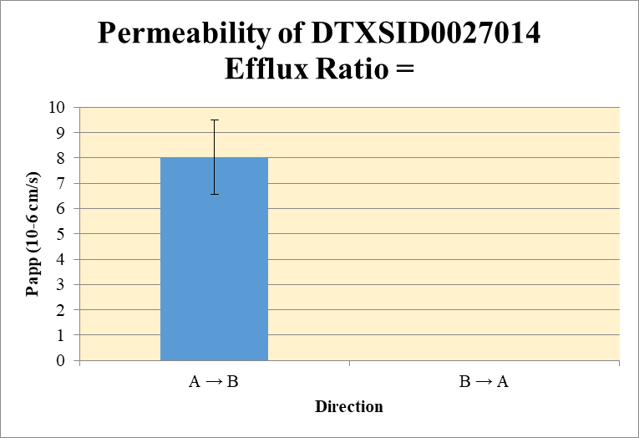
 |  |  |  |  |  |  | A → B
Blank_1_A_B__1_01 | DTXSID0027014 | 45 | NF | 3,618,396.97 | - |  | Donor | 0.0750 | 117.40515 | 9.48E+01 |  | 106.093201 | 15.997513 | A → B | 8.017858 | 1.47208
Blank_1_A_B__2_02 | DTXSID0027014 | 45 | NF | 3,551,427.90 | - |  | Receiver | 0.250 | 1.51E+00 | 1.27E+00 |  | 1.39E+00 | 1.70E-01 | B → A | 0.000000 | 0.000000
Blank_1_B_A__3_03 | DTXSID0027014 | 45 | NF | 559,755.78 | - |  | Dosing | 0.0750 | 52.6 | 57.4 |  | 55.0 | 3.4193
Blank_1_B_A__4_04 | DTXSID0027014 | 45 | NF | 522,529.85 | - |  | Standard
DTXSID0027014_A_B_rec_1_13 | DTXSID0027014 | 45 | 746,438.88 | 989,196.58 | 0.75 |  | Blank |  | 0.00E+00 | 0.00E+00 |  | 0.00E+00 | 0.00E+00
DTXSID0027014_A_B_rec_2_14 | DTXSID0027014 | 45 | 780,341.41 | 1,229,628.43 | 0.63 |  | dq/dt |  | 5.24E-05 | 4.41E-05 |  | 4.82E-05 | 5.89E-06
DTXSID0027014_A_B_dos_1_165 | DTXSID0027014 | 45 | 18,562,279.27 | 705,950.74 | 26.29 |  | Co |  | 52.6 | 57.4 |  | 55.0 | 3.4193
DTXSID0027014_A_B_dos_2_166 | DTXSID0027014 | 45 | 21,956,221.27 | 764,710.22 | 28.71 |  | Recovery |  | 233% | 172% |  | 203% | 42.70697%
DTXSID0027014_A_B_don_1_89 | DTXSID0027014 | 45 | 28,380,621.23 | 483,464.67 | 58.70 |  | Papp |  | 9.05878 | 6.98E+00 |  | 8.017858 | 1.47208
DTXSID0027014_A_B_don_2_90 | DTXSID0027014 | 45 | 27,261,155.44 | 575,243.63 | 47.39
DTXSID0027014_B_A_rec_1_51 | DTXSID0027014 | 45 | NF | 566,478.04 | - |  | B → A
DTXSID0027014_B_A_rec_2_52 | DTXSID0027014 | 45 | NF | 338,858.79 | - |  | Donor | 0.250 | 65.44 | 65.21 |  | 65.32 | 0.1645
DTXSID0027014_B_A_dos_1_203 | DTXSID0027014 | 45 | 20,442,949.97 | 599,184.02 | 34.12 |  | Receiver | 0.0750 | 0.00E+00 | 0.000000 |  | 0.00E+00 | 0.00E+00
DTXSID0027014_B_A_dos_2_204 | DTXSID0027014 | 45 | 19,867,635.99 | 591,579.75 | 33.58 |  | Dosing | 0.250 | 68.2 | 67.2 |  | 67.7 | 0.755
DTXSID0027014_B_A_don_1_127 | DTXSID0027014 | 45 | 21,066,210.30 | 643,828.72 | 32.72 |  | Standard
DTXSID0027014_B_A_don_2_128 | DTXSID0027014 | 45 | 21,352,117.22 | 654,894.34 | 32.60 |  | Blank |  | 0.00E+00 | 0.00E+00 |  | 0.00E+00 | 0.00E+00
 |  |  |  | Dilution | 2.00 |  | dq/dt |  | 0.00E+00 | 0.00E+00 |  | 0.00E+00 | 0.00E+00 | Test Article | Test Conc (µM) | Parameter | Papp (10-6 cm/s) Rep-1 | Papp (10-6 cm/s) Rep-2 | Papp (10-6 cm/s) Rep-3 | Recovery
 |  |  |  | Chamber Surface Area | 0.11 |  | Co |  | 68.2 | 67.2 |  | 67.7 | 0.755 |  |  | A → B | 9.05878 | 6.98E+00 |  | 202.62219%
 |  |  |  | Sampling Period (hrs) | 2.00 |  | Recovery |  | 95.9% | 97.1% |  | 96.5% | 0.833% | DTXSID0027014 | 10.0 | B → A | 0.000000 | 0.00000 |  | 96.5%
 |  |  |  | Test Concentration (µM) | 10.00 |  | Papp |  | 0.000000 | 0.00000 |  | 0.000000 | 0.000000 |  |  | Efflux Ratio | 0.000 | 0.00
 |  |  |  |  |  |  | Efflux Ratio |  | 0.000 | 0.00 |  | 0.00 | 0.00

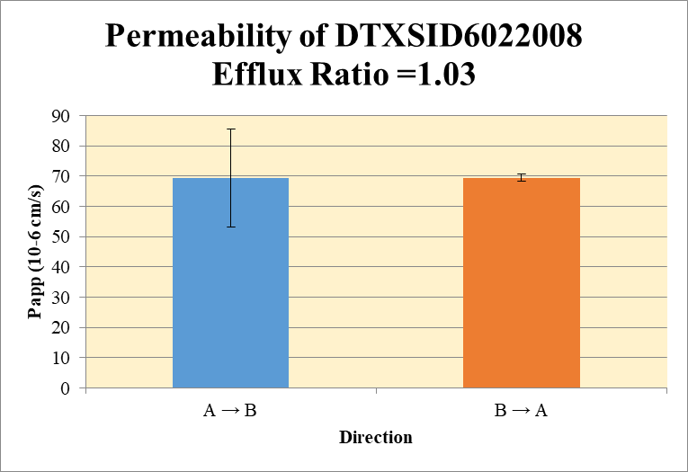
 |  |  |  |  |  |  | A → B
Blank_1_A_B__1_01 | DTXSID6022008 | 43 | NF | 3,618,396.97 | - |  | Donor | 0.0750 | 4.40E+00 | 10.617419 |  | 7.508703 | 4.396388 | A → B | 69.3898 | 16.1635
Blank_1_A_B__2_02 | DTXSID6022008 | 43 | NF | 3,551,427.90 | - |  | Receiver | 0.250 | 1.17E+00 | 1.84E+00 |  | 1.50E+00 | 4.77E-01 | B → A | 69.5473 | 1.1190
Blank_1_B_A__3_03 | DTXSID6022008 | 43 | NF | 559,755.78 | - |  | Dosing | 0.0750 | 6.345 | 7.184 |  | 6.765 | 0.594
Blank_1_B_A__4_04 | DTXSID6022008 | 43 | NF | 522,529.85 | - |  | Standard
DTXSID6022008_A_B_rec_1_19 | DTXSID6022008 | 43 | 696,052.71 | 1,194,938.40 | 0.58 |  | Blank |  | 0.00E+00 | 0.00E+00 |  | 0.00E+00 | 0.00E+00
DTXSID6022008_A_B_rec_2_20 | DTXSID6022008 | 43 | 883,563.48 | 960,681.02 | 0.92 |  | dq/dt |  | 4.05E-05 | 6.39E-05 |  | 5.22E-05 | 1.66E-05
DTXSID6022008_A_B_dos_1_171 | DTXSID6022008 | 43 | 2,206,168.46 | 695,438.88 | 3.17 |  | Co |  | 6.345 | 7.184 |  | 6.765 | 0.594
DTXSID6022008_A_B_dos_2_172 | DTXSID6022008 | 43 | 2,358,359.57 | 656,524.50 | 3.59 |  | Recovery |  | 131% | 233% |  | 182% | 73%
DTXSID6022008_A_B_don_1_95 | DTXSID6022008 | 43 | 1,928,824.39 | 876,740.84 | 2.20 |  | Papp |  | 57.9604 | 80.81915 |  | 69.3898 | 16.1635
DTXSID6022008_A_B_don_2_96 | DTXSID6022008 | 43 | 1,312,354.90 | 247,207.90 | 5.31
DTXSID6022008_B_A_rec_1_57 | DTXSID6022008 | 43 | 1,426,857.46 | 518,253.89 | 2.75 |  | B → A
DTXSID6022008_B_A_rec_2_58 | DTXSID6022008 | 43 | 1,444,201.79 | 509,538.72 | 2.83 |  | Donor | 0.250 | 3.388 | 4.649 |  | 4.018 | 0.8920
DTXSID6022008_B_A_dos_1_209 | DTXSID6022008 | 43 | 2,068,491.63 | 545,495.02 | 3.79 |  | Receiver | 0.0750 | 5.51E+00 | 5.668664 |  | 5.587533 | 0.114735
DTXSID6022008_B_A_dos_2_210 | DTXSID6022008 | 43 | 2,165,002.53 | 567,368.31 | 3.82 |  | Dosing | 0.250 | 7.584 | 7.632 |  | 7.608 | 0.0338
DTXSID6022008_B_A_don_1_133 | DTXSID6022008 | 43 | 1,163,442.62 | 686,888.22 | 1.69 |  | Standard
DTXSID6022008_B_A_don_2_134 | DTXSID6022008 | 43 | 1,327,529.59 | 571,091.75 | 2.32 |  | Blank |  | 0.00E+00 | 0.00E+00 |  | 0.00E+00 | 0.00E+00
 |  |  |  | Dilution | 2.00 |  | dq/dt |  | 5.74E-05 | 5.90E-05 |  | 5.82E-05 | 1.20E-06 | Test Article | Test Conc (µM) | Parameter | Papp (10-6 cm/s) Rep-1 | Papp (10-6 cm/s) Rep-2 | Papp (10-6 cm/s) Rep-3 | Recovery
 |  |  |  | Chamber Surface Area | 0.11 |  | Co |  | 7.584 | 7.632 |  | 7.608 | 0.0338 |  |  | A → B | 57.9604 | 80.81915 |  | 181.8427%
 |  |  |  | Sampling Period (hrs) | 2.00 |  | Recovery |  | 66.4% | 83.2% |  | 74.8% | 11.84% | DTXSID6022008 | 10.0 | B → A | 68.75608 | 70.3386 |  | 74.8%
 |  |  |  | Test Concentration (µM) | 10.00 |  | Papp |  | 68.8 | 70.3 |  | 69.5 | 1.12 |  |  | Efflux Ratio | 1.186 | 0.9
 |  |  |  |  |  |  | Efflux Ratio |  | 1.19 | 0.870 |  | 1.03 | 0.22

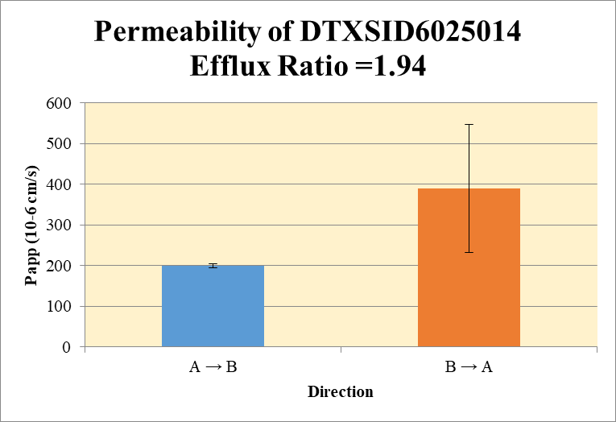
 |  |  |  |  |  |  | A → B
Blank_1_A_B__1_01 | DTXSID6025014 | 125 | NF | 3,618,396.97 | - |  | Donor | 0.0750 | 0.34 | 0.54 |  | 0.44 | 0.147 | A → B | 199.6 | 5.36791
Blank_1_A_B__2_02 | DTXSID6025014 | 125 | NF | 3,551,427.90 | - |  | Receiver | 0.250 | 0.15 | 0.142 |  | 0.15 | 0.0061 | B → A | 389.61 | 157.26
Blank_1_B_A__3_03 | DTXSID6025014 | 125 | NF | 559,755.78 | - |  | Dosing | 0.0750 | 0.2 | 0.2 |  | 0.2 | 0.004
Blank_1_B_A__4_04 | DTXSID6025014 | 125 | NF | 522,529.85 | - |  | Standard
DTXSID6025014_A_B_rec_1_29 | DTXSID6025014 | 125 | 104,220.09 | 1,387,714.27 | 0.08 |  | Blank |  | 0.000000 | 0.00E+00 |  | 0.00E+00 | 0.00E+00
DTXSID6025014_A_B_rec_2_30 | DTXSID6025014 | 125 | 94,430.31 | 1,334,618.24 | 0.07 |  | dq/dt |  | 5.22E-06 | 4.91E-06 |  | 5.06E-06 | 2.13E-07
DTXSID6025014_A_B_dos_1_181 | DTXSID6025014 | 125 | 79,881.54 | 685,364.47 | 0.12 |  | Co |  | 0.2 | 0.2 |  | 0.2 | 0.004
DTXSID6025014_A_B_dos_2_182 | DTXSID6025014 | 125 | 82,243.39 | 721,030.59 | 0.11 |  | Recovery |  | 358.8% | 445.3% |  | 402.0% | 61.12%
DTXSID6025014_A_B_don_1_105 | DTXSID6025014 | 125 | 121,892.95 | 726,045.74 | 0.17 |  | Papp |  | 203.4 | 195.8 |  | 199.6 | 5
DTXSID6025014_A_B_don_2_106 | DTXSID6025014 | 125 | 136,526.94 | 501,858.74 | 0.27
DTXSID6025014_B_A_rec_1_67 | DTXSID6025014 | 125 | 137,361.46 | 513,850.37 | 0.27 |  | B → A
DTXSID6025014_B_A_rec_2_68 | DTXSID6025014 | 125 | 136,893.02 | 283,098.92 | 0.48 |  | Donor | 0.250 | 0.3 | 0.4 |  | 0.4 | 0.113
DTXSID6025014_B_A_dos_1_219 | DTXSID6025014 | 125 | 72,876.81 | 1,441,782.37 | 0.05 |  | Receiver | 0.0750 | 0.53 | 0.97 |  | 0.75 | 0.306
DTXSID6025014_B_A_dos_2_220 | DTXSID6025014 | 125 | 81,086.53 | 493,013.51 | 0.16 |  | Dosing | 0.250 | 0.1 | 0.3 |  | 0.2 | 0.161
DTXSID6025014_B_A_don_1_143 | DTXSID6025014 | 125 | 83,857.39 | 597,601.24 | 0.14 |  | Standard
DTXSID6025014_B_A_don_2_144 | DTXSID6025014 | 125 | 88,298.36 | 400,744.08 | 0.22 |  | Blank |  | 0.000000 | 0.00E+00 |  | 0.00E+00 | 0.00E+00
 |  |  |  | Dilution | 2.00 |  | dq/dt |  | 5.57E-06 | 1.01E-05 |  | 7.82E-06 | 3.19E-06 | Test Article | Test Conc (µM) | Parameter | Papp (10-6 cm/s) Rep-1 | Papp (10-6 cm/s) Rep-2 | Papp (10-6 cm/s) Rep-3 | Recovery
 |  |  |  | Chamber Surface Area | 0.11 |  | Co |  | 0.1 | 0.3 |  | 0.2 | 0.161 |  |  | A → B | 203.4 | 195.8 |  | 402.0%
 |  |  |  | Sampling Period (hrs) | 2.00 |  | Recovery |  | 436.3% | 222.2% |  | 329.2% | 151.39% | DTXSID6025014 | 10.0 | B → A | 500.81 | 278.41 |  | 329.2%
 |  |  |  | Test Concentration (µM) | 10.00 |  | Papp |  | 500.81 | 278.41 |  | 389.61 | 157.26 |  |  | Efflux Ratio | 2.462 | 1.422
 |  |  |  |  |  |  | Efflux Ratio |  | 2.462 | 1.422 |  | 1.942 | 0.7356

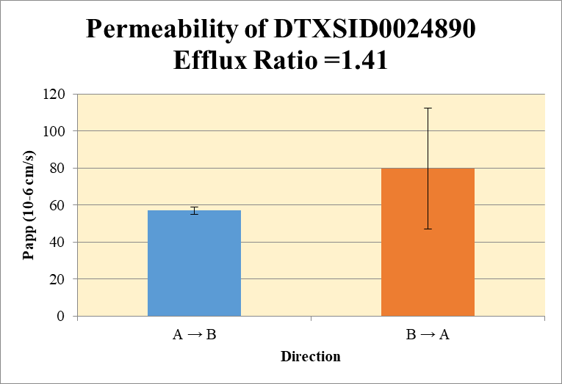
 |  |  |  |  |  |  | A → B
Blank_1_A_B__1_01 | DTXSID0024890 | 135 | 69,913.25 | 3,618,396.97 | 0.02 |  | Donor | 0.0750 | 13.59 | 19.96 |  | 16.78 | 4.507 | A → B | 56.9 | 2.15
Blank_1_A_B__2_02 | DTXSID0024890 | 135 | 64,935.07 | 3,551,427.90 | 0.02 |  | Receiver | 0.250 | 3.224 | 3.049 |  | 3.137 | 0.124 | B → A | 79.80 | 32.75
Blank_1_B_A__3_03 | DTXSID0024890 | 135 | 114,456.02 | 559,755.78 | 0.20 |  | Dosing | 0.0750 | 17.41 | 17.36 |  | 17.39 | 0.0305
Blank_1_B_A__4_04 | DTXSID0024890 | 135 | 113,464.38 | 522,529.85 | 0.22 |  | Standard
DTXSID0024890_A_B_rec_1_09 | DTXSID0024890 | 135 | 2,178,468.21 | 1,335,817.36 | 1.63 |  | Blank |  | 1.93E-02 | 1.83E-02 |  | 1.88E-02 | 7.34E-04
DTXSID0024890_A_B_rec_2_10 | DTXSID0024890 | 135 | 1,845,003.69 | 1,195,473.79 | 1.54 |  | dq/dt |  | 1.12E-04 | 1.06E-04 |  | 1.09E-04 | 4.30E-06
DTXSID0024890_A_B_dos_1_161 | DTXSID0024890 | 135 | 6,467,161.02 | 741,463.92 | 8.72 |  | Co |  | 17.41 | 17.36 |  | 17.39 | 0.0305
DTXSID0024890_A_B_dos_2_162 | DTXSID0024890 | 135 | 6,300,145.26 | 724,107.30 | 8.70 |  | Recovery |  | 139.8% | 173.5% |  | 156.7% | 23.8%
DTXSID0024890_A_B_don_1_85 | DTXSID0024890 | 135 | 3,400,143.43 | 498,996.90 | 6.81 |  | Papp |  | 58.47 | 55.4 |  | 56.9 | 2.15
DTXSID0024890_A_B_don_2_86 | DTXSID0024890 | 135 | 3,655,430.91 | 365,502.85 | 10.00
DTXSID0024890_B_A_rec_1_47 | DTXSID0024890 | 135 | 3,113,292.65 | 592,575.81 | 5.25 |  | B → A
DTXSID0024890_B_A_rec_2_48 | DTXSID0024890 | 135 | 3,458,928.89 | 346,324.19 | 9.99 |  | Donor | 0.250 | 12.09 | 17.29 |  | 14.69 | 3.679
DTXSID0024890_B_A_dos_1_199 | DTXSID0024890 | 135 | 5,434,211.20 | 628,822.64 | 8.64 |  | Receiver | 0.0750 | 10.086 | 19.55 |  | 14.82 | 6.694
DTXSID0024890_B_A_dos_2_200 | DTXSID0024890 | 135 | 5,377,265.27 | 584,265.52 | 9.20 |  | Dosing | 0.250 | 16.9 | 18.0 |  | 17.4 | 0.794
DTXSID0024890_B_A_don_1_123 | DTXSID0024890 | 135 | 5,461,257.62 | 872,961.69 | 6.26 |  | Standard
DTXSID0024890_B_A_don_2_124 | DTXSID0024890 | 135 | 5,769,705.42 | 651,392.06 | 8.86 |  | Blank |  | 2.04E-01 | 0.217144 |  | 0.210810 | 0.008959
 |  |  |  | Dilution | 2.00 |  | dq/dt |  | 1.05E-04 | 2.04E-04 |  | 1.54E-04 | 6.97E-05 | Test Article | Test Conc (µM) | Parameter | Papp (10-6 cm/s) Rep-1 | Papp (10-6 cm/s) Rep-2 | Papp (10-6 cm/s) Rep-3 | Recovery
 |  |  |  | Chamber Surface Area | 0.11 |  | Co |  | 16.9 | 18.0 |  | 17.4 | 0.794 |  |  | A → B | 58.47 | 55.4 |  | 156.7%
 |  |  |  | Sampling Period (hrs) | 2.00 |  | Recovery |  | 89.6% | 128.8% |  | 109.2% | 27.66% | DTXSID0024890 | 10.0 | B → A | 56.64 | 103.0 |  | 109.2%
 |  |  |  | Test Concentration (µM) | 10.00 |  | Papp |  | 56.64 | 103.0 |  | 79.80 | 32.75 |  |  | Efflux Ratio | 0.969 | 1.857
 |  |  |  |  |  |  | Efflux Ratio |  | 0.969 | 1.857 |  | 1.413 | 0.6283

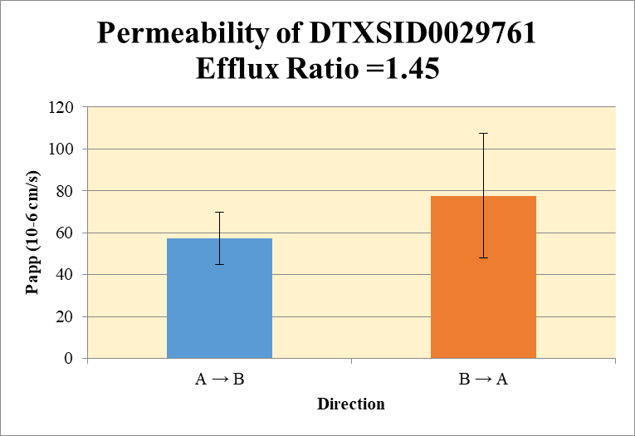
 |  |  |  |  |  |  | A → B
Blank_1_A_B__1_01 | DTXSID0029761 | 49 | NF | 3618397 | - |  | Donor | 0.0750 | 2.777 | 2.173 |  | 2.475 | 0.42683 | A → B | 57.3 | 12.38
Blank_1_A_B__2_02 | DTXSID0029761 | 49 | NF | 3551428 | - |  | Receiver | 0.250 | 1.047 | 0.719 |  | 0.883 | 0.2322 | B → A | 77.6 | 29.659
Blank_1_B_A__3_03 | DTXSID0029761 | 49 | NF | 559756 | - |  | Dosing | 0.0750 | 5.01 | 4.68 |  | 4.84 | 0.2330
Blank_1_B_A__4_04 | DTXSID0029761 | 49 | NF | 522530 | - |  | Standard
DTXSID0029761_A_B_rec_1_17 | DTXSID0029761 | 49 | 569905 | 1088404 | 0.524 |  | Blank |  | 0.00E+00 | 0.00E+00 |  | 0.00E+00 | 0.00E+00
DTXSID0029761_A_B_rec_2_18 | DTXSID0029761 | 49 | 445271 | 1238956 | 0.359 |  | dq/dt |  | 3.64E-05 | 2.50E-05 |  | 3.07E-05 | 8.06E-06
DTXSID0029761_A_B_dos_1_169 | DTXSID0029761 | 49 | 1695748 | 677320 | 2.504 |  | Co |  | 5.01 | 4.68 |  | 4.84 | 0.2330
DTXSID0029761_A_B_dos_2_170 | DTXSID0029761 | 49 | 1687530 | 721521 | 2.339 |  | Recovery |  | 125.2% | 97.7% |  | 111.4% | 19.44%
DTXSID0029761_A_B_don_1_93 | DTXSID0029761 | 49 | 975351 | 702422 | 1.389 |  | Papp |  | 66.0 | 48.5 |  | 57.3 | 12.38
DTXSID0029761_A_B_don_2_94 | DTXSID0029761 | 49 | 900893 | 828986 | 1.087
DTXSID0029761_B_A_rec_1_55 | DTXSID0029761 | 49 | 838649 | 585989 | 1.431 |  | B → A
DTXSID0029761_B_A_rec_2_56 | DTXSID0029761 | 49 | 1039743 | 360224 | 2.886 |  | Donor | 0.250 | 6.21 | 4.95 |  | 5.58 | 0.89378
DTXSID0029761_B_A_dos_1_207 | DTXSID0029761 | 49 | 1392747 | 582436 | 2.391 |  | Receiver | 0.0750 | 2.862 | 5.773 |  | 4.318 | 2.05798
DTXSID0029761_B_A_dos_2_208 | DTXSID0029761 | 49 | 1430707 | 516214 | 2.772 |  | Dosing | 0.250 | 4.78 | 5.54 |  | 5.16 | 0.53782
DTXSID0029761_B_A_don_1_131 | DTXSID0029761 | 49 | 1673670 | 538972 | 3.105 |  | Standard
DTXSID0029761_B_A_don_2_132 | DTXSID0029761 | 49 | 1631387 | 659599 | 2.473 |  | Blank |  | 0.00E+00 | 0.00E+00 |  | 0.00E+00 | 0.00E+00
 |  |  |  | Dilution | 2.00 |  | dq/dt |  | 2.98E-05 | 6.01E-05 |  | 4.50E-05 | 2.14E-05 | Test Article | Test Conc (µM) | Parameter | Papp (10-6 cm/s) Rep-1 | Papp (10-6 cm/s) Rep-2 | Papp (10-6 cm/s) Rep-3 | Recovery
 |  |  |  | Chamber Surface Area | 0.11 |  | Co |  | 4.78 | 5.54 |  | 5.16 | 0.53782 |  |  | A → B | 66.0 | 48.5 |  | 111.4%
 |  |  |  | Sampling Period (hrs) | 2.00 |  | Recovery |  | 147.8% | 120.5% |  | 134.1% | 19.3280% | DTXSID0029761 | 10.0 | B → A | 56.7 | 98.6 |  | 134.1%
 |  |  |  | Test Concentration (µM) | 10.00 |  | Papp |  | 56.7 | 98.6 |  | 77.6 | 29.659 |  |  | Efflux Ratio | 0.859 | 2.033
 |  |  |  |  |  |  | Efflux Ratio |  | 0.859 | 2.033 |  | 1.446 | 0.8307

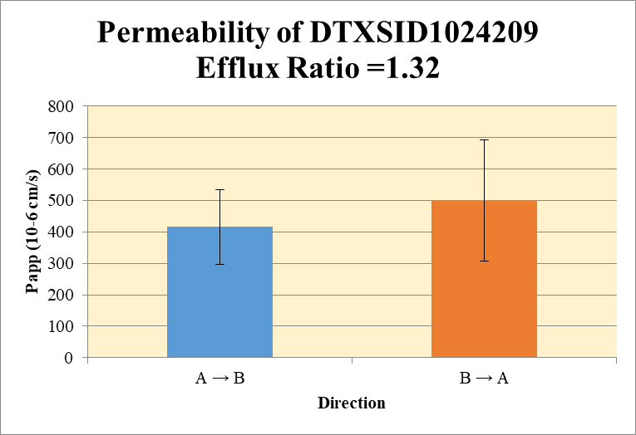
 |  |  |  |  |  |  | A → B
Blank_1_A_B__1_01 | DTXSID1024209 | 109 | 58927 | 3618397 | 0.016 |  | Donor | 0.0750 | 0.06 | 0.10 |  | 0.08 | 0.028 | A → B | 415.9 | 118.80
Blank_1_A_B__2_02 | DTXSID1024209 | 109 | 45472 | 3551428 | 0.013 |  | Receiver | 0.250 | 0.231 | 0.148 |  | 0.190 | 0.0585 | B → A | 500.4 | 193.16
Blank_1_B_A__3_03 | DTXSID1024209 | 109 | 27167 | 559756 | 0.049 |  | Dosing | 0.0750 | 0.15 | 0.14 |  | 0.14 | 0.0034
Blank_1_B_A__4_04 | DTXSID1024209 | 109 | 45423 | 522530 | 0.087 |  | Standard
DTXSID1024209_A_B_rec_1_21 | DTXSID1024209 | 109 | 120552 | 926540 | 0.130 |  | Blank |  | 0.016285 | 1.28E-02 |  | 0.014545 | 2.46E-03
DTXSID1024209_A_B_rec_2_22 | DTXSID1024209 | 109 | 94923 | 1069503 | 0.089 |  | dq/dt |  | 8.03E-06 | 5.15E-06 |  | 6.59E-06 | 2.03E-06
DTXSID1024209_A_B_dos_1_173 | DTXSID1024209 | 109 | 59352 | 678134 | 0.088 |  | Co |  | 0.15 | 0.14 |  | 0.14 | 0.0034
DTXSID1024209_A_B_dos_2_174 | DTXSID1024209 | 109 | 61831 | 726298 | 0.085 |  | Recovery |  | 569.6% | 421.6% |  | 495.6% | 104.65%
DTXSID1024209_A_B_don_1_97 | DTXSID1024209 | 109 | 31067 | 690464 | 0.045 |  | Papp |  | 499.9 | 331.9 |  | 415.9 | 118.80
DTXSID1024209_A_B_don_2_98 | DTXSID1024209 | 109 | 56317 | 869617 | 0.065
DTXSID1024209_B_A_rec_1_59 | DTXSID1024209 | 109 | 94701 | 511580 | 0.185 |  | B → A
DTXSID1024209_B_A_rec_2_60 | DTXSID1024209 | 109 | 100289 | 361639 | 0.277 |  | Donor | 0.250 | -0.02 | 0.07 |  | 0.03 | 0.065
DTXSID1024209_B_A_dos_1_211 | DTXSID1024209 | 109 | 57414 | 584143 | 0.098 |  | Receiver | 0.0750 | 0.23 | 0.42 |  | 0.33 | 0.130
DTXSID1024209_B_A_dos_2_212 | DTXSID1024209 | 109 | 56734 | 573701 | 0.099 |  | Dosing | 0.250 | 0.06 | 0.06 |  | 0.06 | 0.0009
DTXSID1024209_B_A_don_1_135 | DTXSID1024209 | 109 | 61133 | 1056652 | 0.058 |  | Standard
DTXSID1024209_B_A_don_2_136 | DTXSID1024209 | 109 | 63015 | 605817 | 0.104 |  | Blank |  | 0.048534 | 0.086928 |  | 0.067731 | 2.71E-02
 |  |  |  | Dilution | 2.00 |  | dq/dt |  | 2.45E-06 | 4.37E-06 |  | 3.41E-06 | 1.36E-06 | Test Article | Test Conc (µM) | Parameter | Papp (10-6 cm/s) Rep-1 | Papp (10-6 cm/s) Rep-2 | Papp (10-6 cm/s) Rep-3 | Recovery
 |  |  |  | Chamber Surface Area | 0.11 |  | Co |  | 0.06 | 0.06 |  | 0.06 | 0.0009 |  |  | A → B | 499.9 | 331.9 |  | 495.6%
 |  |  |  | Sampling Period (hrs) | 2.00 |  | Recovery |  | 82.9% | 318.2% |  | 200.6% | 166.39% | DTXSID1024209 | 10.0 | B → A | 363.8 | 636.9 |  | 200.6%
 |  |  |  | Test Concentration (µM) | 10.00 |  | Papp |  | 363.8 | 636.9 |  | 500.4 | 193.16 |  |  | Efflux Ratio | 0.728 | 1.92
 |  |  |  |  |  |  | Efflux Ratio |  | 0.728 | 1.92 |  | 1.324 | 0.843

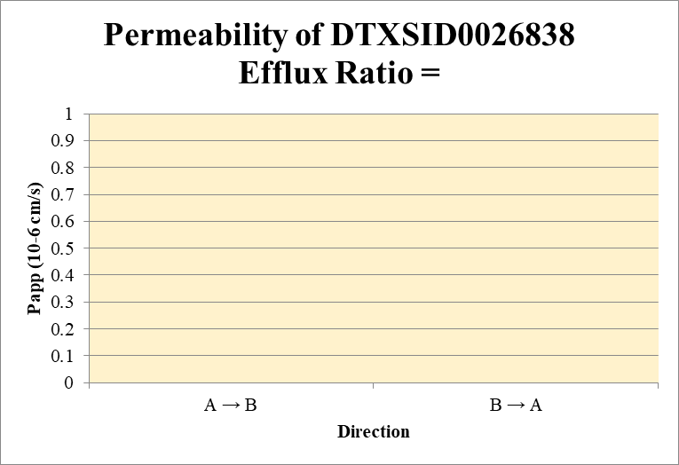
 |  |  |  |  |  |  | A → B
Blank_1_A_B__1_01 | DTXSID0026838 | 228 | NF | 3618397 | 0.000 |  | Donor | 0.0750 | 0.2700 | 0.3560 |  | 0.3130 | 0.06083 | A → B | 0.00 | 0.00
Blank_1_A_B__2_02 | DTXSID0026838 | 228 | NF | 3551428 | 0.000 |  | Receiver | 0.250 | 0.00000 | 0.00000 |  | 0.00000 | 0.00000 | B → A | 0.00 | 0.00
Blank_1_B_A__3_03 | DTXSID0026838 | 228 | NF | 559756 | 0.000 |  | Dosing | 0.0750 | 0.452 | 0.795 |  | 0.623 | 0.24205
Blank_1_B_A__4_04 | DTXSID0026838 | 228 | NF | 522530 | 0.000 |  | Standard
DTXSID0026838_A_B_rec_1_33 | DTXSID0026838 | 228 | NF | 1294383 | 0.000 |  | Blank |  | 0.000000 | 0.00E+00 |  | 0.000000 | 0.000000
DTXSID0026838_A_B_rec_2_34 | DTXSID0026838 | 228 | NF | 1579966 | 0.000 |  | dq/dt |  | 0.00E+00 | 0.00E+00 |  | 0.00E+00 | 0.00E+00
DTXSID0026838_A_B_dos_1_185 | DTXSID0026838 | 228 | 204747 | 905371 | 0.226 |  | Co |  | 0.452 | 0.795 |  | 0.623 | 0.24205
DTXSID0026838_A_B_dos_2_186 | DTXSID0026838 | 228 | 366240 | 921826 | 0.397 |  | Recovery |  | 59.7% | 44.8% |  | 52.3% | 10.53%
DTXSID0026838_A_B_don_1_109 | DTXSID0026838 | 228 | 166965 | 1236705 | 0.135 |  | Papp |  | 0.00 | 0.00 |  | 0.00 | 0.00
DTXSID0026838_A_B_don_2_110 | DTXSID0026838 | 228 | 206895 | 1162203 | 0.178
DTXSID0026838_B_A_rec_1_71 | DTXSID0026838 | 228 | NF | 571238 | 0.000 |  | B → A
DTXSID0026838_B_A_rec_2_72 | DTXSID0026838 | 228 | NF | 444861 | 0.000 |  | Donor | 0.250 | 0.195 | 0.121 |  | 0.158 | 0.052399
DTXSID0026838_B_A_dos_1_223 | DTXSID0026838 | 228 | 98900 | 184780 | 0.535 |  | Receiver | 0.0750 | 0.00000 | 0.0000 |  | 0.0000 | 0.00000
DTXSID0026838_B_A_dos_2_224 | DTXSID0026838 | 228 | 101728 | 602320 | 0.169 |  | Dosing | 0.250 | 1.070 | 0.338 |  | 0.704 | 0.51808
DTXSID0026838_B_A_don_1_147 | DTXSID0026838 | 228 | 65514 | 672906 | 0.097 |  | Standard
DTXSID0026838_B_A_don_2_148 | DTXSID0026838 | 228 | 29353 | 486708 | 0.060 |  | Blank |  | 0.00E+00 | 0.00E+00 |  | 0.00E+00 | 0.00E+00
 |  |  |  | Dilution | 2.00 |  | dq/dt |  | 0.00E+00 | 0.00E+00 |  | 0.00E+00 | 0.00E+00 | Test Article | Test Conc (µM) | Parameter | Papp (10-6 cm/s) Rep-1 | Papp (10-6 cm/s) Rep-2 | Papp (10-6 cm/s) Rep-3 | Recovery
 |  |  |  | Chamber Surface Area | 0.11 |  | Co |  | 1.070 | 0.338 |  | 0.704 | 0.51808 |  |  | A → B | 0.00 | 0.00 |  | 52.3%
 |  |  |  | Sampling Period (hrs) | 2.00 |  | Recovery |  | 18.2% | 35.7% |  | 26.9% | 12.39% | DTXSID0026838 | 10.0 | B → A | 0.00 | 0.00 |  | 26.9%
 |  |  |  | Test Concentration (µM) | 10.00 |  | Papp |  | 0.00 | 0.00 |  | 0.00 | 0.00 |  |  | Efflux Ratio
 |  |  |  |  |  |  | Efflux Ratio

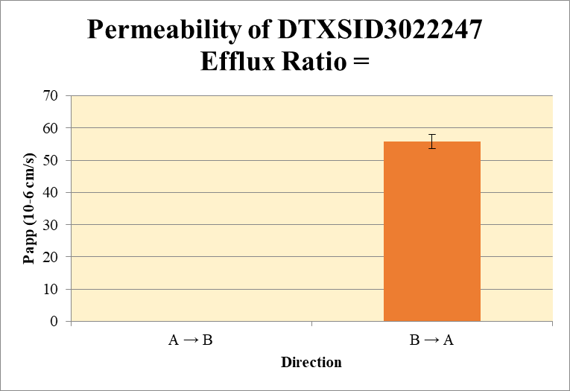
 |  |  |  |  |  |  | A → B
Blank_1_A_B__1_01 | DTXSID3022247 | 93 | NF | 3618397 | 0.000 |  | Donor | 0.0750 | 0.15 | 0.16 |  | 0.16 | 0.001 | A → B | 0.0 | 0.000
Blank_1_A_B__2_02 | DTXSID3022247 | 93 | NF | 3551428 | 0.000 |  | Receiver | 0.250 | 0.00 | 0.00 |  | 0.00 | 0.0000 | B → A | 55.9 | 2.19
Blank_1_B_A__3_03 | DTXSID3022247 | 93 | NF | 559756 | 0.000 |  | Dosing | 0.0750 | 0.5 | 0.4 |  | 0.4 | 0.035
Blank_1_B_A__4_04 | DTXSID3022247 | 93 | NF | 522530 | 0.000 |  | Standard
DTXSID3022247_A_B_rec_1_25 | DTXSID3022247 | 93 | NF | 1221798 | 0.000 |  | Blank |  | 0.00E+00 | 0.00E+00 |  | 0.00E+00 | 0.00E+00
DTXSID3022247_A_B_rec_2_26 | DTXSID3022247 | 93 | NF | 24364 | 0.000 |  | dq/dt |  | 0.00E+00 | 0.00E+00 |  | 0.00E+00 | 0.00E+00
DTXSID3022247_A_B_dos_1_177 | DTXSID3022247 | 93 | 173141 | 738622 | 0.234 |  | Co |  | 0.5 | 0.4 |  | 0.4 | 0.035
DTXSID3022247_A_B_dos_2_178 | DTXSID3022247 | 93 | 156457 | 747216 | 0.209 |  | Recovery |  | 33.0% | 37.3% |  | 35.2% | 3.08%
DTXSID3022247_A_B_don_1_101 | DTXSID3022247 | 93 | 40488 | 523815 | 0.077 |  | Papp |  | 0.0 | 0.0 |  | 0.0 | 0.000
DTXSID3022247_A_B_don_2_102 | DTXSID3022247 | 93 | 44235 | 565947 | 0.078
DTXSID3022247_B_A_rec_1_63 | DTXSID3022247 | 93 | 39941 | 331290 | 0.121 |  | B → A
DTXSID3022247_B_A_rec_2_64 | DTXSID3022247 | 93 | 29324 | 235847 | 0.124 |  | Donor | 0.250 | 0.1 | 0.1 |  | 0.1 | 0.015
DTXSID3022247_B_A_dos_1_215 | DTXSID3022247 | 93 | 124963 | 628652 | 0.199 |  | Receiver | 0.0750 | 0.24 | 0.25 |  | 0.24 | 0.005
DTXSID3022247_B_A_dos_2_216 | DTXSID3022247 | 93 | 116742 | 538771 | 0.217 |  | Dosing | 0.250 | 0.4 | 0.4 |  | 0.4 | 0.025
DTXSID3022247_B_A_don_1_139 | DTXSID3022247 | 93 | 42390 | 664699 | 0.064 |  | Standard
DTXSID3022247_B_A_don_2_140 | DTXSID3022247 | 93 | 39841 | 535221 | 0.074 |  | Blank |  | 0.00E+00 | 0.00E+00 |  | 0.00E+00 | 0.00E+00
 |  |  |  | Dilution | 2.00 |  | dq/dt |  | 2.51E-06 | 2.59E-06 |  | 2.55E-06 | 5.56E-08 | Test Article | Test Conc (µM) | Parameter | Papp (10-6 cm/s) Rep-1 | Papp (10-6 cm/s) Rep-2 | Papp (10-6 cm/s) Rep-3 | Recovery
 |  |  |  | Chamber Surface Area | 0.11 |  | Co |  | 0.4 | 0.4 |  | 0.4 | 0.025 |  |  | A → B | 0.0 | 0.0 |  | 35.2%
 |  |  |  | Sampling Period (hrs) | 2.00 |  | Recovery |  | 50.3% | 51.6% |  | 50.9% | 0.912% | DTXSID3022247 | 10.0 | B → A | 57.4 | 54.3 |  | 50.9%
 |  |  |  | Test Concentration (µM) | 10.00 |  | Papp |  | 57.4 | 54.3 |  | 55.9 | 2.19 |  |  | Efflux Ratio
 |  |  |  |  |  |  | Efflux Ratio

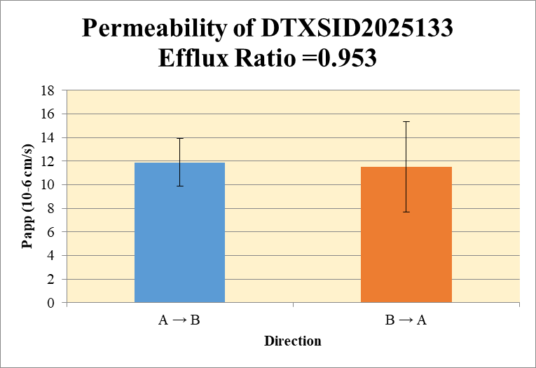
 |  |  |  |  |  |  | A → B
Blank_1_A_B__1_01 | DTXSID2025133 | 151 | NF | 3618397 | 0.000 |  | Donor | 0.0750 | 0.31 | 0.38 |  | 0.35 | 0.05 | A → B | 11.9 | 2.01
Blank_1_A_B__2_02 | DTXSID2025133 | 151 | NF | 3551428 | 0.000 |  | Receiver | 0.250 | 0.134 | 0.157 |  | 0.145 | 0.0165 | B → A | 11.5 | 3.83
Blank_1_B_A__3_03 | DTXSID2025133 | 151 | NF | 559756 | 0.000 |  | Dosing | 0.0750 | 4.0 | 3.7 |  | 3.9 | 0.218
Blank_1_B_A__4_04 | DTXSID2025133 | 151 | NF | 522530 | 0.000 |  | Standard
DTXSID2025133_A_B_rec_1_23 | DTXSID2025133 | 151 | 93525 | 1397601 | 0.067 |  | Blank |  | 0.00E+00 | 0.00E+00 |  | 0.00E+00 | 0.00E+00
DTXSID2025133_A_B_rec_2_24 | DTXSID2025133 | 151 | 111612 | 1420767 | 0.079 |  | dq/dt |  | 4.65E-06 | 5.46E-06 |  | 5.05E-06 | 5.72E-07
DTXSID2025133_A_B_dos_1_175 | DTXSID2025133 | 151 | 1361321 | 675125 | 2.016 |  | Co |  | 4.0 | 3.7 |  | 3.9 | 0.218
DTXSID2025133_A_B_dos_2_176 | DTXSID2025133 | 151 | 1330524 | 714468 | 1.862 |  | Recovery |  | 18.7% | 24.4% |  | 21.5% | 4.0%
DTXSID2025133_A_B_don_1_99 | DTXSID2025133 | 151 | 120946 | 785177 | 0.154 |  | Papp |  | 10.5 | 13.3 |  | 11.9 | 2.01
DTXSID2025133_A_B_don_2_100 | DTXSID2025133 | 151 | 122029 | 635505 | 0.192
DTXSID2025133_B_A_rec_1_61 | DTXSID2025133 | 151 | 91705 | 449456 | 0.204 |  | B → A
DTXSID2025133_B_A_rec_2_62 | DTXSID2025133 | 151 | 83112 | 219397 | 0.379 |  | Donor | 0.250 | 0.7 | 0.8 |  | 0.7 | 0.008
DTXSID2025133_B_A_dos_1_213 | DTXSID2025133 | 151 | 1210377 | 550359 | 2.199 |  | Receiver | 0.0750 | 0.41 | 0.76 |  | 0.58 | 0.247
DTXSID2025133_B_A_dos_2_214 | DTXSID2025133 | 151 | 1197026 | 473863 | 2.526 |  | Dosing | 0.250 | 4.4 | 5.1 |  | 4.7 | 0.4622
DTXSID2025133_B_A_don_1_137 | DTXSID2025133 | 151 | 254310 | 686038 | 0.371 |  | Standard
DTXSID2025133_B_A_don_2_138 | DTXSID2025133 | 151 | 232351 | 617227 | 0.376 |  | Blank |  | 0.00E+00 | 0.00E+00 |  | 0.00E+00 | 0.00E+00
 |  |  |  | Dilution | 2.00 |  | dq/dt |  | 4.25E-06 | 7.89E-06 |  | 6.07E-06 | 2.57E-06 | Test Article | Test Conc (µM) | Parameter | Papp (10-6 cm/s) Rep-1 | Papp (10-6 cm/s) Rep-2 | Papp (10-6 cm/s) Rep-3 | Recovery
 |  |  |  | Chamber Surface Area | 0.11 |  | Co |  | 4.4 | 5.1 |  | 4.7 | 0.4622 |  |  | A → B | 10.5 | 13.3 |  | 21.5%
 |  |  |  | Sampling Period (hrs) | 2.00 |  | Recovery |  | 19.6% | 19% |  | 19.5% | 0.17% | DTXSID2025133 | 10.0 | B → A | 8.8 | 14.2 |  | 19.5%
 |  |  |  | Test Concentration (µM) | 10.00 |  | Papp |  | 8.8 | 14.2 |  | 11.5 | 3.83 |  |  | Efflux Ratio | 0.84 | 1.07
 |  |  |  |  |  |  | Efflux Ratio |  | 0.84 | 1.07 |  | 0.95 | 0.161

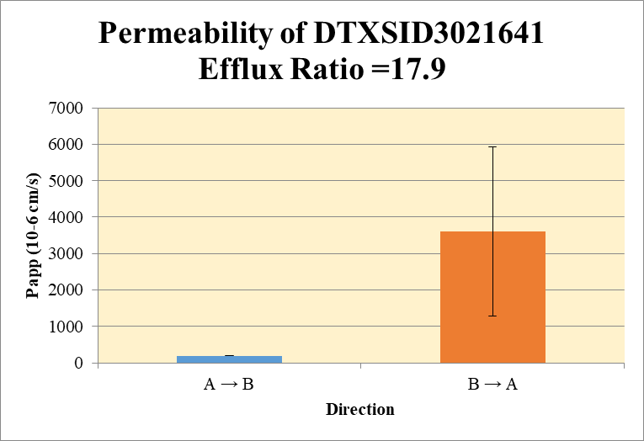
 |  |  |  |  |  |  | A → B
Blank_1_A_B__1_01 | DTXSID3021641 | 57 | 13490597 | 3618397 | 3.728 |  | Donor | 0.0750 | 105.224 | 85.247 |  | 95.235 | 14.1255 | A → B | 197.8 | 10.33
Blank_1_A_B__2_02 | DTXSID3021641 | 57 | 23929909 | 3551428 | 6.738 |  | Receiver | 0.250 | 98.5825 | 80.0522 |  | 89.3174 | 13.1029 | B → A | 3605.8 | 2330.54
Blank_1_B_A__3_03 | DTXSID3021641 | 57 | 35663817 | 559756 | 63.713 |  | Dosing | 0.0750 | 151.686 | 132.619 |  | 142.152 | 13.4829
Blank_1_B_A__4_04 | DTXSID3021641 | 57 | 46036726 | 522530 | 88.104 |  | Standard
DTXSID3021641_A_B_rec_1_37 | DTXSID3021641 | 57 | 78032953 | 1431154 | 54.524 |  | Blank |  | 3.73E+00 | 6.74E+00 |  | 5.23E+00 | 2.13E+00
DTXSID3021641_A_B_rec_2_38 | DTXSID3021641 | 57 | 77720739 | 1717231 | 45.259 |  | dq/dt |  | 3.42E-03 | 2.78E-03 |  | 3.10E-03 | 4.55E-04
DTXSID3021641_A_B_dos_1_189 | DTXSID3021641 | 57 | 60718283 | 748903 | 81.076 |  | Co |  | 151.686 | 132.619 |  | 142.152 | 13.4829
DTXSID3021641_A_B_dos_2_190 | DTXSID3021641 | 57 | 58683905 | 820267 | 71.542 |  | Recovery |  | 286.0% | 265.5% |  | 275.7% | 14.51%
DTXSID3021641_A_B_don_1_113 | DTXSID3021641 | 57 | 64986721 | 1123461 | 57.845 |  | Papp |  | 205.1 | 190.5 |  | 197.8 | 10.33
DTXSID3021641_A_B_don_2_114 | DTXSID3021641 | 57 | 60506262 | 1264318 | 47.857
DTXSID3021641_B_A_rec_1_75 | DTXSID3021641 | 57 | 106420174 | 313053 | 339.943 |  | B → A
DTXSID3021641_B_A_rec_2_76 | DTXSID3021641 | 57 | 112986467 | 113702 | 993.704 |  | Donor | 0.250 | 83.65 | 156.93 |  | 120.29 | 51.820
DTXSID3021641_B_A_dos_1_227 | DTXSID3021641 | 57 | 57124311 | 708146 | 80.667 |  | Receiver | 0.0750 | 528.070 | 1835.592 |  | 1181.831 | 924.557
DTXSID3021641_B_A_dos_2_228 | DTXSID3021641 | 57 | 51111394 | 424869 | 120.299 |  | Dosing | 0.250 | 9.52 | 88.78 |  | 49.15 | 56.0476
DTXSID3021641_B_A_don_1_151 | DTXSID3021641 | 57 | 71162263 | 604441 | 117.732 |  | Standard
DTXSID3021641_B_A_don_2_152 | DTXSID3021641 | 57 | 73489479 | 476047 | 154.374 |  | Blank |  | 6.37E+01 | 8.81E+01 |  | 7.59E+01 | 1.72E+01
 |  |  |  | Dilution | 2.00 |  | dq/dt |  | 5.50E-03 | 1.91E-02 |  | 1.23E-02 | 9.63E-03 | Test Article | Test Conc (µM) | Parameter | Papp (10-6 cm/s) Rep-1 | Papp (10-6 cm/s) Rep-2 | Papp (10-6 cm/s) Rep-3 | Recovery
 |  |  |  | Chamber Surface Area | 0.11 |  | Co |  | 9.52 | 88.78 |  | 49.15 | 56.0476 |  |  | A → B | 205.1 | 190.5 |  | 275.7%
 |  |  |  | Sampling Period (hrs) | 2.00 |  | Recovery |  | 2543.2% | 797% |  | 1670% | 1234.7% | DTXSID3021641 | 10.0 | B → A | 5253.8 | 1957.9 |  | 1670%
 |  |  |  | Test Concentration (µM) | 10.00 |  | Papp |  | 5253.8 | 1957.9 |  | 3605.8 | 2330.54 |  |  | Efflux Ratio | 25.610 | 10.28
 |  |  |  |  |  |  | Efflux Ratio |  | 25.610 | 10.28 |  | 17.943 | 10.843

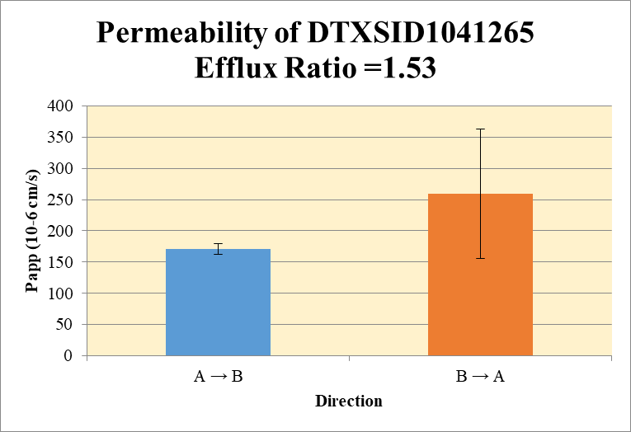
 |  |  |  |  |  |  | A → B
Blank_1_A_B__1_01 | DTXSID1041265 | 57 | 12771191 | 3618397 | 3.530 |  | Donor | 0.0750 | 261.20 | 228.19 |  | 244.69 | 23.3431 | A → B | 171.1 | 8.71
Blank_1_A_B__2_02 | DTXSID1041265 | 57 | 22361055 | 3551428 | 6.296 |  | Receiver | 0.250 | 93.035 | 84.328 |  | 88.682 | 6.1567 | B → A | 259.3 | 103.21
Blank_1_B_A__3_03 | DTXSID1041265 | 57 | 34279096 | 559756 | 61.239 |  | Dosing | 0.0750 | 165.71 | 161.43 |  | 163.57 | 3.0287
Blank_1_B_A__4_04 | DTXSID1041265 | 57 | 42347710 | 522530 | 81.044 |  | Standard
DTXSID1041265_A_B_rec_1_15 | DTXSID1041265 | 57 | 71455675 | 1389364 | 51.430 |  | Blank |  | 3.53E+00 | 6.30E+00 |  | 4.91E+00 | 1.96E+00
DTXSID1041265_A_B_rec_2_16 | DTXSID1041265 | 57 | 69304291 | 1472147 | 47.077 |  | dq/dt |  | 3.23E-03 | 2.93E-03 |  | 3.08E-03 | 2.14E-04
DTXSID1041265_A_B_dos_1_167 | DTXSID1041265 | 57 | 61860885 | 704823 | 87.768 |  | Co |  | 165.71 | 161.43 |  | 163.57 | 3.0287
DTXSID1041265_A_B_dos_2_168 | DTXSID1041265 | 57 | 61069481 | 713208 | 85.626 |  | Recovery |  | 344.8% | 315.5% |  | 330.1% | 20.71%
DTXSID1041265_A_B_don_1_91 | DTXSID1041265 | 57 | 96735259 | 713849 | 135.512 |  | Papp |  | 177.2 | 164.9 |  | 171.1 | 8.71
DTXSID1041265_A_B_don_2_92 | DTXSID1041265 | 57 | 96706071 | 812613 | 119.006
DTXSID1041265_B_A_rec_1_53 | DTXSID1041265 | 57 | 80662135 | 609534 | 132.334 |  | B → A
DTXSID1041265_B_A_rec_2_54 | DTXSID1041265 | 57 | 84839861 | 344907 | 245.979 |  | Donor | 0.250 | 58.9 | 62.7 |  | 60.8 | 2.686
DTXSID1041265_B_A_dos_1_205 | DTXSID1041265 | 57 | 55548148 | 543280 | 102.246 |  | Receiver | 0.0750 | 122.39 | 349.67 |  | 236.03 | 160.718
DTXSID1041265_B_A_dos_2_206 | DTXSID1041265 | 57 | 56144950 | 464116 | 120.972 |  | Dosing | 0.250 | 62.2 | 99.7 |  | 80.9 | 26.482
DTXSID1041265_B_A_don_1_129 | DTXSID1041265 | 57 | 72160498 | 717517 | 100.570 |  | Standard
DTXSID1041265_B_A_don_2_130 | DTXSID1041265 | 57 | 70359966 | 686647 | 102.469 |  | Blank |  | 6.12E+01 | 8.10E+01 |  | 7.11E+01 | 1.40E+01
 |  |  |  | Dilution | 2.00 |  | dq/dt |  | 1.27E-03 | 3.64E-03 |  | 2.46E-03 | 1.67E-03 | Test Article | Test Conc (µM) | Parameter | Papp (10-6 cm/s) Rep-1 | Papp (10-6 cm/s) Rep-2 | Papp (10-6 cm/s) Rep-3 | Recovery
 |  |  |  | Chamber Surface Area | 0.11 |  | Co |  | 62.2 | 99.7 |  | 80.9 | 26.482 |  |  | A → B | 177.2 | 164.9 |  | 330.1%
 |  |  |  | Sampling Period (hrs) | 2.00 |  | Recovery |  | 153.6% | 168% |  | 160.9% | 10.25% | DTXSID1041265 | 10.0 | B → A | 186.3 | 332.3 |  | 160.9%
 |  |  |  | Test Concentration (µM) | 10.00 |  | Papp |  | 186.3 | 332.3 |  | 259.3 | 103.21 |  |  | Efflux Ratio | 1.05 | 2.01
 |  |  |  |  |  |  | Efflux Ratio |  | 1.05 | 2.01 |  | 1.53 | 0.681

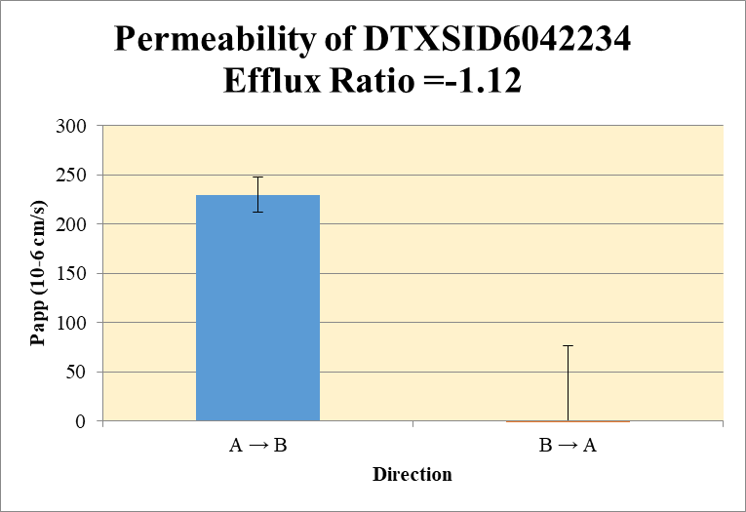
 |  |  |  |  |  |  | A → B
Blank_1_A_B__1_01 | DTXSID6042234 | 191 | 519115 | 3618397 | 0.143 |  | Donor | 0.0750 | 0.73 | 0.68 |  | 0.70 | 0.036 | A → B | 229.531476 | 1.78E+01
Blank_1_A_B__2_02 | DTXSID6042234 | 191 | 583259 | 3551428 | 0.164 |  | Receiver | 0.250 | 1.81E-01 | 2.29E-01 |  | 2.05E-01 | 3.33E-02 | B → A | -270.0009 | 346.3917
Blank_1_B_A__3_03 | DTXSID6042234 | 191 | 473783 | 559756 | 0.846 |  | Dosing | 0.0750 | 0.26 | 0.30 |  | 0.28 | 0.024
Blank_1_B_A__4_04 | DTXSID6042234 | 191 | 446576 | 522530 | 0.855 |  | Standard
DTXSID6042234_A_B_rec_1_11 | DTXSID6042234 | 191 | 370652 | 1515446 | 0.245 |  | Blank |  | 1.43E-01 | 1.64E-01 |  | 1.54E-01 | 1.47E-02
DTXSID6042234_A_B_rec_2_12 | DTXSID6042234 | 191 | 384940 | 1435715 | 0.268 |  | dq/dt |  | 6.30E-06 | 7.94E-06 |  | 7.12E-06 | 1.16E-06
DTXSID6042234_A_B_dos_1_163 | DTXSID6042234 | 191 | 207106 | 724432 | 0.286 |  | Co |  | 0.26 | 0.30 |  | 0.28 | 0.024
DTXSID6042234_A_B_dos_2_164 | DTXSID6042234 | 191 | 206610 | 682323 | 0.303 |  | Recovery |  | 504.1% | 482.4% |  | 493.3% | 15.35%
DTXSID6042234_A_B_don_1_87 | DTXSID6042234 | 191 | 410064 | 793097 | 0.517 |  | Papp |  | 217 | 242 |  | 230 | 17.8
DTXSID6042234_A_B_don_2_88 | DTXSID6042234 | 191 | 413669 | 841579 | 0.492
DTXSID6042234_B_A_rec_1_49 | DTXSID6042234 | 191 | 544257 | 551976 | 0.986 |  | B → A
DTXSID6042234_B_A_rec_2_50 | DTXSID6042234 | 191 | 129133 | 38583 | 3.347 |  | Donor | 0.250 | -0.95 | -0.93 | = | -0.94 | 0.0121
DTXSID6042234_B_A_dos_1_201 | DTXSID6042234 | 191 | 189297 | 558992 | 0.339 |  | Receiver | 0.0750 | 0.27098 | 4.99274 |  | 2.63186 | 3.33879
DTXSID6042234_B_A_dos_2_202 | DTXSID6042234 | 191 | 192783 | 492493 | 0.391 |  | Dosing | 0.250 | -1.02 | -0.92 |  | -0.97 | 0.075
DTXSID6042234_B_A_don_1_125 | DTXSID6042234 | 191 | 265537 | 706556 | 0.376 |  | Standard
DTXSID6042234_B_A_don_2_126 | DTXSID6042234 | 191 | 274584 | 714312 | 0.384 |  | Blank |  | 8.46E-01 | 8.55E-01 |  | 8.51E-01 | 5.82E-03
 |  |  |  | Dilution | 2.00 |  | dq/dt |  | 2.82E-06 | 5.20E-05 |  | 2.74E-05 | 3.48E-05 | Test Article | Test Conc (µM) | Parameter | Papp (10-6 cm/s) Rep-1 | Papp (10-6 cm/s) Rep-2 | Papp (10-6 cm/s) Rep-3 | Recovery
 |  |  |  | Chamber Surface Area | 0.11 |  | Co |  | -1.02 | -0.92 |  | -0.97 | 0.075 |  |  | A → B | 216.912034 | 242.150918 |  | 493.3%
 |  |  |  | Sampling Period (hrs) | 2.00 |  | Recovery |  | 84.8% | -61.6% |  | 11.6% | 103.52% | DTXSID6042234 | 10.0 | B → A | -25.065 | -514.9368 |  | 11.6%
 |  |  |  | Test Concentration (µM) | 10.00 |  | Papp |  | -25.065 | -514.9368 |  | -270.0009 | 346.3917 |  |  | Efflux Ratio | 0 | -2
 |  |  |  |  |  |  | Efflux Ratio |  | 0 | -2 |  | -1 | 1

 |  |  |  |  |  | #NAME?

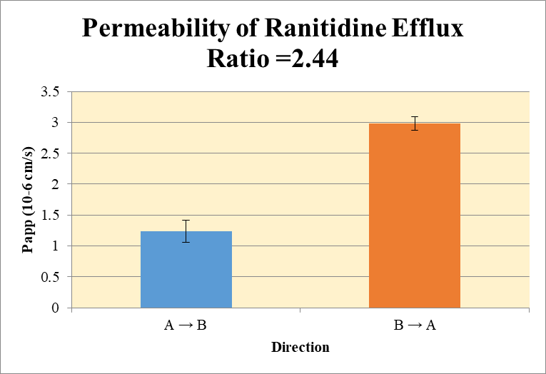
 |  |  |  |  |  |  | A → B
Blank 1_A_B__1______Inj CYP1761-R4_Caco2_2021March18_Inj003 | Ranitidine | 315.216 > 175.737 | 0.041 | 34693.102 | 1.1817911238E-06 |  | Donor | 0.0750 | 12.50 | 14.43 |  | 13.47 | 1.366 | A → B | 1.240 | 0.180
Blank 1_A_B__2______Inj CYP1761-R4_Caco2_2021March18_Inj004 | Ranitidine | 315.216 > 175.737 | 0.189 | 38744.063 | 4.8781667529E-06 |  | Receiver | 0.250 | 0.04569 | 0.06355 |  | 0.05462 | 0.01263 | B → A | 2.98 | 0.107
Blank 1_B_A__3______Inj CYP1761-R4_Caco2_2021March18_Inj005 | Ranitidine | 315.216 > 175.737 | 0.006 | 40804.422 | 1.4704288668E-07 |  | Dosing | 0.0750 | 12.96 | 14.67 |  | 13.81 | 1.210
Blank 1_B_A__4______Inj CYP1761-R4_Caco2_2021March18_Inj006 | Ranitidine | 315.216 > 175.737 | 0.169 | 41207.063 | 4.1012386639E-06 |  | Standard
Ranitidine_A_B_rec_1______Inj CYP1761-R4_Caco2_2021March18_Inj010 | Ranitidine | 315.216 > 175.737 | 954.314 | 41770.371 | 0.022846672825 |  | Blank |  | 1.18E-06 | 4.88E-06 |  | 3.03E-06 | 2.61E-06
Ranitidine_A_B_rec_3______Inj CYP1761-R4_Caco2_2021March18_Inj012 | Ranitidine | 315.216 > 175.737 | 1398.316 | 43999.402 | 0.031780341015 |  | dq/dt |  | 1.59E-06 | 2.21E-06 |  | 1.90E-06 | 4.39E-07
Ranitidine_A_B_dos_1______Inj CYP1761-R4_Caco2_2021March18_Inj134 | Ranitidine | 315.216 > 175.737 | 284779.156 | 43957.273 | 6.478544654 |  | Co |  | 12.96 | 14.67 |  | 13.81 | 1.210
Ranitidine_A_B_dos_3______Inj CYP1761-R4_Caco2_2021March18_Inj136 | Ranitidine | 315.216 > 175.737 | 306344.531 | 41771.445 | 7.3338265171 |  | Recovery |  | 97.7% | 99.8% |  | 98.7% | 1.55%
Ranitidine_A_B_don_1______Inj CYP1761-R4_Caco2_2021March18_Inj072 | Ranitidine | 315.216 > 175.737 | 256493.141 | 41035.863 | 6.2504629426 |  | Papp |  | 1.113 | 1.368 |  | 1.240 | 0.180
Ranitidine_A_B_don_3______Inj CYP1761-R4_Caco2_2021March18_Inj074 | Ranitidine | 315.216 > 175.737 | 293526.438 | 40675.395 | 7.2163143837
Ranitidine_B_A_rec_1______Inj CYP1761-R4_Caco2_2021March18_Inj041 | Ranitidine | 315.216 > 175.737 | 11515.265 | 46920.031 | 0.24542321807 |  | B → A
Ranitidine_B_A_rec_3______Inj CYP1761-R4_Caco2_2021March18_Inj043 | Ranitidine | 315.216 > 175.737 | 11103.521 | 45441.148 | 0.24434948254 |  | Donor | 0.250 | 14.49 | 11.55 |  | 13.02 | 2.0783
Ranitidine_B_A_dos_1______Inj CYP1761-R4_Caco2_2021March18_Inj165 | Ranitidine | 315.216 > 175.737 | 307522.094 | 40453.039 | 7.6019528224 |  | Receiver | 0.0750 | 0.491 | 0.489 |  | 0.490 | 0.00152
Ranitidine_B_A_dos_3______Inj CYP1761-R4_Caco2_2021March18_Inj167 | Ranitidine | 315.216 > 175.737 | 323536.813 | 40627.125 | 7.9635665334 |  | Dosing | 0.250 | 15.20 | 15.93 |  | 15.57 | 0.511
Ranitidine_B_A_don_1______Inj CYP1761-R4_Caco2_2021March18_Inj103 | Ranitidine | 315.216 > 175.737 | 300522.969 | 41491.34 | 7.2430287621 |  | Standard
Ranitidine_B_A_don_3______Inj CYP1761-R4_Caco2_2021March18_Inj105 | Ranitidine | 315.216 > 175.737 | 276673.188 | 47921.707 | 5.773441835 |  | Blank |  | 1.47E-07 | 4.10E-06 |  | 2.12E-06 | 2.80E-06
 |  |  |  | Dilution | 2.00 |  | dq/dt |  | 5.11E-06 | 5.09E-06 |  | 5.10E-06 | 1.58E-08 | Test Article | Test Conc (µM) | Parameter | Papp (10-6 cm/s) Rep-1 | Papp (10-6 cm/s) Rep-2 | Papp (10-6 cm/s) Rep-3 | Recovery
 |  |  |  | Chamber Surface Area | 0.11 |  | Co |  | 15.20 | 15.93 |  | 15.57 | 0.511 |  |  | A → B | 1.113 | 1.368 |  | 98.7%
 |  |  |  | Sampling Period (hrs) | 2.00 |  | Recovery |  | 96.2% | 73.4% |  | 84.8% | 16.14% | Ranitidine | 10.0 | B → A | 3.06 | 2.91 |  | 84.8%
 |  |  |  | Test Concentration (µM) | 10.00 |  | Papp |  | 3.06 | 2.91 |  | 2.98 | 0.107 |  |  | Efflux Ratio | 2.75 | 2.12
 |  |  |  |  |  |  | Efflux Ratio |  | 2.75 | 2.12 |  | 2.44 | 0.44

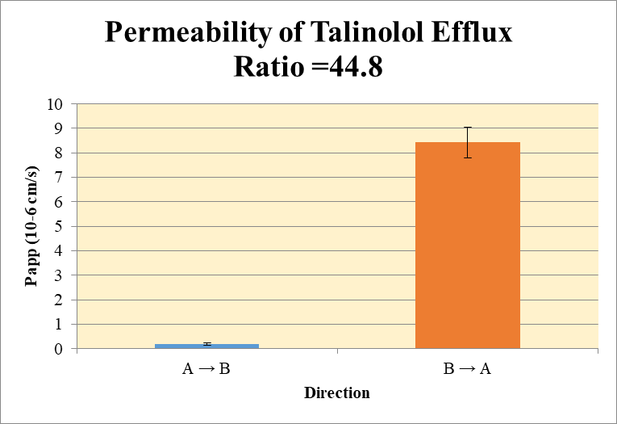
 |  |  |  |  |  |  | A → B
Blank 1_A_B__1______Inj CYP1761-R4_Caco2_2021March18_Inj003 | Talinolol | 364.365 > 209.165 | 0.172 | 34693.102 | 4.9577578851E-06 |  | Donor | 0.0750 | 3.85 | 3.69 |  | 3.77 | 0.117 | A → B | 0.1928 | 0.0495
Blank 1_A_B__2______Inj CYP1761-R4_Caco2_2021March18_Inj004 | Talinolol | 364.365 > 209.165 | 1.811 | 38744.063 | 4.6742645447E-05 |  | Receiver | 0.250 | 0.004098 | 0.002692 |  | 0.003395 | 0.000994 | B → A | 8.43 | 0.629
Blank 1_B_A__3______Inj CYP1761-R4_Caco2_2021March18_Inj005 | Talinolol | 364.365 > 209.165 | 0.075 | 40804.422 | 1.8380360834E-06 |  | Dosing | 0.0750 | 5.68 | 5.38 |  | 5.53 | 0.208
Blank 1_B_A__4______Inj CYP1761-R4_Caco2_2021March18_Inj006 | Talinolol | 364.365 > 209.165 | 0.127 | 41207.063 | 3.081995919E-06 |  | Standard
Talinolol_A_B_rec_1______Inj CYP1761-R4_Caco2_2021March18_Inj007 | Talinolol | 364.365 > 209.165 | 93.401 | 45018.398 | 0.0020747295361 |  | Blank |  | 4.96E-06 | 4.67E-05 |  | 2.59E-05 | 2.95E-05
Talinolol_A_B_rec_2______Inj CYP1761-R4_Caco2_2021March18_Inj008 | Talinolol | 364.365 > 209.165 | 62.302 | 45411.941 | 0.0013719299072 |  | dq/dt |  | 1.42E-07 | 9.35E-08 |  | 1.18E-07 | 3.45E-08
Talinolol_A_B_dos_1______Inj CYP1761-R4_Caco2_2021March18_Inj131 | Talinolol | 364.365 > 209.165 | 118472.445 | 41734.215 | 2.8387366337 |  | Co |  | 5.68 | 5.38 |  | 5.53 | 0.208
Talinolol_A_B_dos_2______Inj CYP1761-R4_Caco2_2021March18_Inj132 | Talinolol | 364.365 > 209.165 | 114450.25 | 42515.668 | 2.691954646 |  | Recovery |  | 68.1% | 68.7% |  | 68.4% | 0.39%
Talinolol_A_B_don_1______Inj CYP1761-R4_Caco2_2021March18_Inj069 | Talinolol | 364.365 > 209.165 | 81647.43 | 42371.18 | 1.9269567192 |  | Papp |  | 0.2278 | 0.1578 |  | 0.1928 | 0.0495
Talinolol_A_B_don_2______Inj CYP1761-R4_Caco2_2021March18_Inj070 | Talinolol | 364.365 > 209.165 | 79150.352 | 42923.551 | 1.84398425
Talinolol_B_A_rec_1______Inj CYP1761-R4_Caco2_2021March18_Inj038 | Talinolol | 364.365 > 209.165 | 11803.653 | 43907.941 | 0.26882729482 |  | B → A
Talinolol_B_A_rec_2______Inj CYP1761-R4_Caco2_2021March18_Inj039 | Talinolol | 364.365 > 209.165 | 10180.196 | 51105.652 | 0.19919902401 |  | Donor | 0.250 | 4.96 | 4.90 |  | 4.93 | 0.0450
Talinolol_B_A_dos_1______Inj CYP1761-R4_Caco2_2021March18_Inj162 | Talinolol | 364.365 > 209.165 | 114467.359 | 39900.832 | 2.8687962948 |  | Receiver | 0.0750 | 0.538 | 0.398 |  | 0.468 | 0.0985
Talinolol_B_A_dos_2______Inj CYP1761-R4_Caco2_2021March18_Inj163 | Talinolol | 364.365 > 209.165 | 110806.883 | 46897.977 | 2.362722021 |  | Dosing | 0.250 | 5.74 | 4.73 |  | 5.23 | 0.716
Talinolol_B_A_don_1______Inj CYP1761-R4_Caco2_2021March18_Inj100 | Talinolol | 364.365 > 209.165 | 101411.07 | 40857.105 | 2.4820914257 |  | Standard
Talinolol_B_A_don_2______Inj CYP1761-R4_Caco2_2021March18_Inj101 | Talinolol | 364.365 > 209.165 | 100871.313 | 41167.359 | 2.4502740873 |  | Blank |  | 1.84E-06 | 3.08E-06 |  | 2.46E-06 | 8.80E-07
 |  |  |  | Dilution | 2.00 |  | dq/dt |  | 5.60E-06 | 4.15E-06 |  | 4.88E-06 | 1.03E-06 | Test Article | Test Conc (µM) | Parameter | Papp (10-6 cm/s) Rep-1 | Papp (10-6 cm/s) Rep-2 | Papp (10-6 cm/s) Rep-3 | Recovery
 |  |  |  | Chamber Surface Area | 0.11 |  | Co |  | 5.74 | 4.73 |  | 5.23 | 0.716 |  |  | A → B | 0.2278 | 0.1578 | 0.0000 | 68.4%
 |  |  |  | Sampling Period (hrs) | 2.00 |  | Recovery |  | 89% | 106% |  | 97.8% | 12.0% | Talinolol | 10.0 | B → A | 8.87 | 7.98 |  | 97.8%
 |  |  |  | Test Concentration (µM) | 10.00 |  | Papp |  | 8.87 | 7.98 |  | 8.43 | 0.629 |  |  | Efflux Ratio | 39 | 51
 |  |  |  |  |  |  | Efflux Ratio |  | 38.9 | 50.6 |  | 44.8 | 8.22

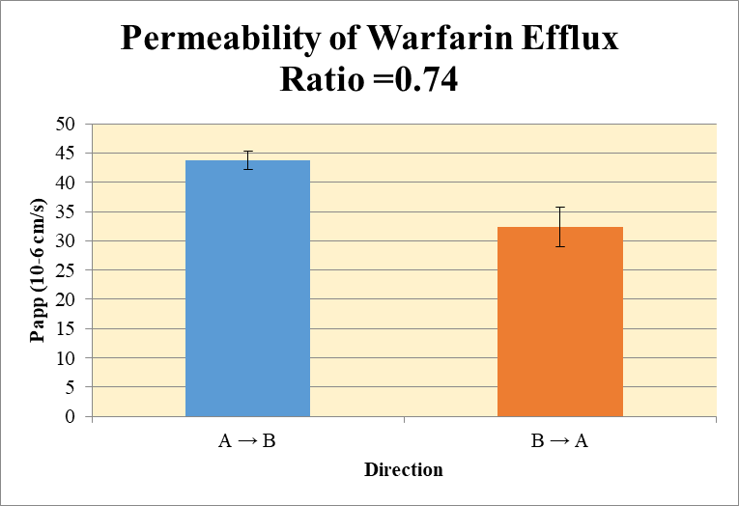
 |  |  |  |  |  |  | A → B
Blank 1_A_B__1______Inj CYP1761-R4_Caco2_2021March18_Inj003 | Warfarin | 309.225 > 251.114 | 0.039 | 34693.102 | 1.1241427763E-06 |  | Donor | 0.0750 | 5.77 | 5.93 |  | 5.85 | 0.115 | A → B | 43.8 | 1.54
Blank 1_A_B__2______Inj CYP1761-R4_Caco2_2021March18_Inj004 | Warfarin | 309.225 > 251.114 | 6.31 | 38744.063 | 0.00016286366249 |  | Receiver | 0.250 | 1.504 | 1.453 |  | 1.478 | 0.036 | B → A | 32.4 | 3.39
Blank 1_B_A__3______Inj CYP1761-R4_Caco2_2021March18_Inj005 | Warfarin | 309.225 > 251.114 | 0.014 | 40804.422 | 3.4310006891E-07 |  | Dosing | 0.0750 | 10.58 | 10.74 |  | 10.66 | 0.11
Blank 1_B_A__4______Inj CYP1761-R4_Caco2_2021March18_Inj006 | Warfarin | 309.225 > 251.114 | 0.8 | 41207.063 | 1.9414147521E-05 |  | Standard
Warfarin_A_B_rec_1______Inj CYP1761-R4_Caco2_2021March18_Inj013 | Warfarin | 309.225 > 251.114 | 31246.322 | 41545.09 | 0.75210625371 |  | Blank |  | 1.12E-06 | 1.63E-04 |  | 8.20E-05 | 1.14E-04
Warfarin_A_B_rec_2______Inj CYP1761-R4_Caco2_2021March18_Inj014 | Warfarin | 309.225 > 251.114 | 30323.092 | 41740.484 | 0.72646718711 |  | dq/dt |  | 5.22E-05 | 5.04E-05 |  | 5.13E-05 | 1.26E-06
Warfarin_A_B_dos_1______Inj CYP1761-R4_Caco2_2021March18_Inj137 | Warfarin | 309.225 > 251.114 | 225375.125 | 42600.727 | 5.2904056074 |  | Co |  | 10.58 | 10.74 |  | 10.66 | 0.11
Warfarin_A_B_dos_2______Inj CYP1761-R4_Caco2_2021March18_Inj138 | Warfarin | 309.225 > 251.114 | 223529.375 | 41613.387 | 5.3715736957 |  | Recovery |  | 101.9% | 100.3% |  | 101.1% | 1.15%
Warfarin_A_B_don_1______Inj CYP1761-R4_Caco2_2021March18_Inj075 | Warfarin | 309.225 > 251.114 | 122644.813 | 42539.855 | 2.8830566771 |  | Papp |  | 44.9 | 42.7 |  | 43.8 | 1.54
Warfarin_A_B_don_2______Inj CYP1761-R4_Caco2_2021March18_Inj076 | Warfarin | 309.225 > 251.114 | 122725.563 | 41402.852 | 2.9641813805
Warfarin_B_A_rec_1______Inj CYP1761-R4_Caco2_2021March18_Inj044 | Warfarin | 309.225 > 251.114 | 71955.961 | 42848.828 | 1.6792982296 |  | B → A
Warfarin_B_A_rec_2______Inj CYP1761-R4_Caco2_2021March18_Inj045 | Warfarin | 309.225 > 251.114 | 77293.438 | 43756.23 | 1.766455611 |  | Donor | 0.250 | 9.82 | 8.99 |  | 9.41 | 0.580
Warfarin_B_A_dos_1______Inj CYP1761-R4_Caco2_2021March18_Inj168 | Warfarin | 309.225 > 251.114 | 213192.234 | 46700.98 | 4.5650483994 |  | Receiver | 0.0750 | 3.36 | 3.53 |  | 3.45 | 0.123
Warfarin_B_A_dos_2______Inj CYP1761-R4_Caco2_2021March18_Inj169 | Warfarin | 309.225 > 251.114 | 219363.5 | 39388.336 | 5.5692502471 |  | Dosing | 0.250 | 9.13 | 11.14 |  | 10.13 | 1.420
Warfarin_B_A_don_1______Inj CYP1761-R4_Caco2_2021March18_Inj106 | Warfarin | 309.225 > 251.114 | 191468.734 | 39014.121 | 4.9076777611 |  | Standard
Warfarin_B_A_don_2______Inj CYP1761-R4_Caco2_2021March18_Inj107 | Warfarin | 309.225 > 251.114 | 182280.656 | 40530.059 | 4.497418965 |  | Blank |  | 3.43E-07 | 1.94E-05 |  | 9.88E-06 | 1.35E-05
 |  |  |  | Dilution | 2.00 |  | dq/dt |  | 3.50E-05 | 3.68E-05 |  | 3.59E-05 | 1.28E-06 | Test Article | Test Conc (µM) | Parameter | Papp (10-6 cm/s) Rep-1 | Papp (10-6 cm/s) Rep-2 | Papp (10-6 cm/s) Rep-3 | Recovery
 |  |  |  | Chamber Surface Area | 0.11 |  | Co |  | 9.13 | 11.14 |  | 10.13 | 1.420 |  |  | A → B | 44.9 | 42.7 |  | 101.1%
 |  |  |  | Sampling Period (hrs) | 2.00 |  | Recovery |  | 119% | 90% |  | 104.4% | 19.99% | Warfarin | 10.0 | B → A | 34.8 | 30.0 |  | 104.4%
 |  |  |  | Test Concentration (µM) | 10.00 |  | Papp |  | 34.8 | 30.0 |  | 32.4 | 3.39 |  |  | Efflux Ratio | 0.776 | 0.70
 |  |  |  |  |  |  | Efflux Ratio |  | 0.776 | 0.70 |  | 0.740 | 0.051

