1uM
SampleName | CompoundName | Transition | Area | ISTD Area | ISTDResponseRatio | % Remaining | Time (mins) | ln % Remaining | Chart | Table
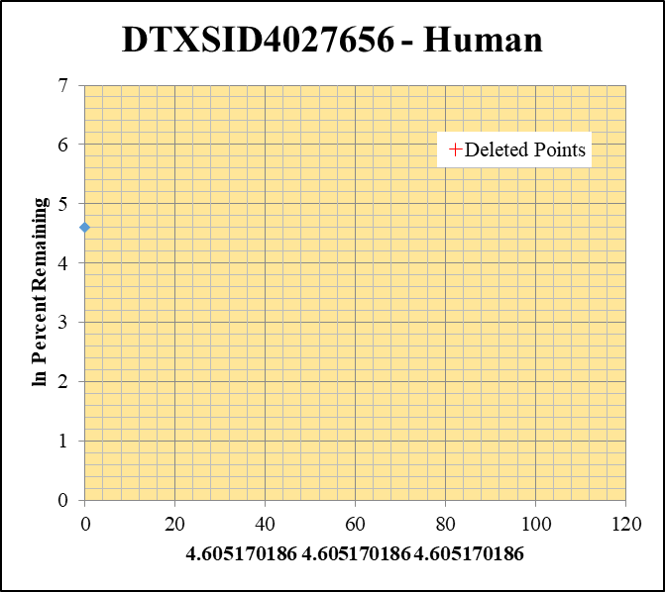
Blank____1_01 | DTXSID4027656 | 57.09 | 0 | 1088028.6016 | 0 |  |  |  | DTXSID4027656 - Human | Time (Mins) | % Remaining Replica 1 | % Remaining Replica 2 | % Remaining Replica 3 | Average
Blank____2_02 | DTXSID4027656 | 57.09 | 0 | 1770504.7524 | 0 |  |  |  | Time (Mins) | 120 | 0.13% | 0.08% | 0.07%
 | DTXSID4027656 | 57.09 |  |  |  |  |  |  | ln Percent Remaining | 60 | 0.13% | 0.08% | 0.07%
DTXSID4027656_1uM___120_1_57 | DTXSID4027656 | 57.09 | 0 | 7724011.3248 | 0.00001 | 0.13330425429 | 120 | -2.015 |  | 30 | 0.13% | 0.08% | 0.07%
DTXSID4027656_1uM___120_2_58 | DTXSID4027656 | 57.09 | 0 | 7462582.3463 | 0.00001 | 0.082960500874 | 120 | -2.489 |  | 15 | 0.13% | 0.08% | 0.07%
DTXSID4027656_1uM___120_3_59 | DTXSID4027656 | 57.09 | 0 | 6549242.6989 | 0.00001 | 0.073602680134 | 120 | -2.609 |  | 0 | 100% | 100% | 100% | 100%
DTXSID4027656_1uM___60_1_60 | DTXSID4027656 | 57.09 | 0 | 6517934.1309 | 0.00001 | 0.13330425429 | 60 | -2.015
DTXSID4027656_1uM___60_2_61 | DTXSID4027656 | 57.09 | 0 | 5947169.5376 | 0.00001 | 0.082960500874 | 60 | -2.489 |  | Slope
DTXSID4027656_1uM___60_3_62 | DTXSID4027656 | 57.09 | 0 | 5893118.1667 | 0.00001 | 0.073602680134 | 60 | -2.609 |  | Intercept
DTXSID4027656_1uM___30_1_63 | DTXSID4027656 | 57.09 | 0 | 6422256.8833 | 0.00001 | 0.13330425429 | 30 | -2.015 |  | R2
DTXSID4027656_1uM___30_2_64 | DTXSID4027656 | 57.09 | 0 | 6423783.5875 | 0.00001 | 0.082960500874 | 30 | -2.489 |  | T½ (mins) | >480
DTXSID4027656_1uM___30_3_65 | DTXSID4027656 | 57.09 | 0 | 5348172.9701 | 0.00001 | 0.073602680134 | 30 | -2.609 |  | CLint (µl/min/106 cells) | 0.0
DTXSID4027656_1uM___15_1_66 | DTXSID4027656 | 57.09 | 0 | 14059.590834 | 0.00001 | 0.13330425429 | 15 | -2.015 |  | Comments | Points Deleted: (120,-2.0150) (120,-2.4890) (120,-2.6090) (60,-2.0150) (60,-2.4890) (60,-2.6090) (30,-2.0150) (30,-2.4890) (30,-2.6090) (15,-2.0150) (15,-2.4890) (15,-2.6090)
DTXSID4027656_1uM___15_2_67 | DTXSID4027656 | 57.09 | 0 | 0 | 0.00001 | 0.082960500874 | 15 | -2.489
DTXSID4027656_1uM___15_3_68 | DTXSID4027656 | 57.09 | 0 | 5922346.2646 | 0.00001 | 0.073602680134 | 15 | -2.609
DTXSID4027656_1uM___0_1_69 | DTXSID4027656 | 57.09 | 49647.174555 | 6618179.5819 | 0.0075016360528 | 100 | 0 | 4.605170186
DTXSID4027656_1uM___0_2_70 | DTXSID4027656 | 57.09 | 80877.203641 | 6709613.3234 | 0.012053929153 | 100 | 0 | 4.605170186
DTXSID4027656_1uM___0_3_71 | DTXSID4027656 | 57.09 | 46701.572555 | 3437360.9066 | 0.013586461773 | 100 | 0 | 4.605170186

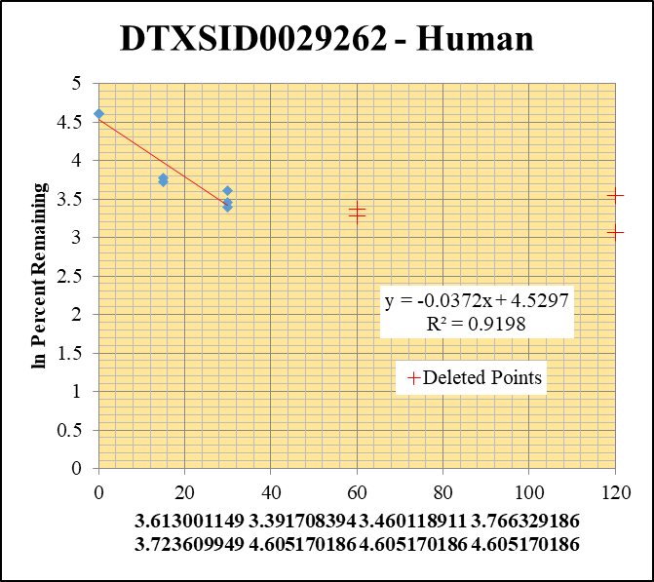
Blank____1_01 | DTXSID0029262 | 219.2 | 0 | 1088028.6016 | 0 |  |  |  | DTXSID0029262 - Human | Time (Mins) | % Remaining Replica 1 | % Remaining Replica 2 | % Remaining Replica 3 | Average
Blank____2_02 | DTXSID0029262 | 219.2 | 0 | 1770504.7524 | 0 |  |  |  | Time (Mins) | 120 | 34.48% | 21.33% | 0.00%
 | DTXSID0029262 | 219.2 |  |  |  |  |  |  | ln Percent Remaining | 60 | 29.00% | 26.65% | 0.00%
DTXSID0029262_1uM___120_1_57 | DTXSID0029262 | 219.2 | 21026.481717 | 4994932.4971 | 0.0042095627377 | 34.482149614 | 120 | 3.540 |  | 30 | 37.1% | 29.7% | 31.8% | 32.9%
DTXSID0029262_1uM___120_2_58 | DTXSID0029262 | 219.2 | 22040.033208 | 8955157.8113 | 0.0024611551993 | 21.329895993 | 120 | 3.060 |  | 15 | 43.2% | 0.00% | 41.4% | 42.3%
DTXSID0029262_1uM___120_3_59 | DTXSID0029262 | 219.2 | 0 | 5123114.4069 | 0.0000001 | 0.00091321023827 | 120 | -6.999 |  | 0 | 100% | 100% | 100% | 100%
DTXSID0029262_1uM___60_1_60 | DTXSID0029262 | 219.2 | 13684.949471 | 3864874.2225 | 0.0035408524789 | 29.004486344 | 60 | 3.367
DTXSID0029262_1uM___60_2_61 | DTXSID0029262 | 219.2 | 9992.8175914 | 3249710.7413 | 0.0030749867871 | 26.649740889 | 60 | 3.283 |  | Slope | -0.03723
DTXSID0029262_1uM___60_3_62 | DTXSID0029262 | 219.2 | 0 | 3472958.8524 | 0.0000001 | 0.00091321023827 | 60 | -6.999 |  | Intercept | 4.53
DTXSID0029262_1uM___30_1_63 | DTXSID0029262 | 219.2 | 21456.502742 | 4740343.5741 | 0.0045263602536 | 37.077160075 | 30 | 3.6130011486 |  | R2 | 0.920
DTXSID0029262_1uM___30_2_64 | DTXSID0029262 | 219.2 | 13825.529502 | 4032099.7774 | 0.0034288659174 | 29.71667671 | 30 | 3.3917083936 |  | T½ (mins) | 19
DTXSID0029262_1uM___30_3_65 | DTXSID0029262 | 219.2 | 13171.113746 | 3779920.9946 | 0.0034844944551 | 31.820760116 | 30 | 3.4601189106 |  | CLint (µl/min/106 cells) | 74.46
DTXSID0029262_1uM___15_1_66 | DTXSID0029262 | 219.2 | 20581.325645 | 3900629.5558 | 0.0052764112435 | 43.2211166 | 15 | 3.766329186 |  | Comments | Points Deleted: (120,3.5400) (120,3.0600) (120,-6.9990) (60,3.3670) (60,3.2830) (60,-6.9990) (15,-7.0510)
DTXSID0029262_1uM___15_2_67 | DTXSID0029262 | 219.2 | 0 | 0 | 0.0000001 | 0.00086666196422 | 15 | -7.051
DTXSID0029262_1uM___15_3_68 | DTXSID0029262 | 219.2 | 13262.311516 | 2924467.1216 | 0.0045349497754 | 41.413625649 | 15 | 3.7236099486
DTXSID0029262_1uM___0_1_69 | DTXSID0029262 | 219.2 | 65705.339142 | 5382177.3802 | 0.012207947546 | 100 | 0 | 4.605170186
DTXSID0029262_1uM___0_2_70 | DTXSID0029262 | 219.2 | 62562.409134 | 5422046.0386 | 0.011538524145 | 100 | 0 | 4.605170186
DTXSID0029262_1uM___0_3_71 | DTXSID0029262 | 219.2 | 48974.557061 | 4472406.6922 | 0.010950380954 | 100 | 0 | 4.605170186

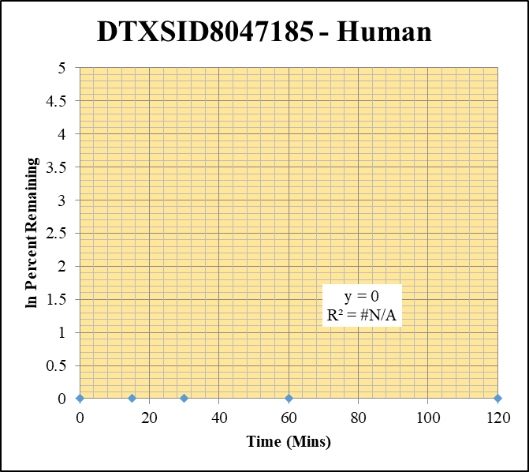
Blank____1_01 | DTXSID8047185 | 105.04 | 0 | 1088028.6016 | 0 |  |  |  | DTXSID8047185 - Human | Time (Mins) | % Remaining Replica 1 | % Remaining Replica 2 | % Remaining Replica 3 | Average
Blank____2_02 | DTXSID8047185 | 105.04 | 0 | 1770504.7524 | 0 |  |  |  | Time (Mins) | 120 | #DIV/0! | #DIV/0! | #DIV/0!
 | DTXSID8047185 | 105.04 |  |  |  |  |  |  | ln Percent Remaining | 60 | #DIV/0! | #DIV/0! | #DIV/0!
DTXSID8047185_1uM___120_1_57 | DTXSID8047185 | 105.04 | 0 | 10144815.109 | 0 | #DIV/0! | 120 | #DIV/0! |  | 30 | #DIV/0! | #DIV/0! | #DIV/0!
DTXSID8047185_1uM___120_2_58 | DTXSID8047185 | 105.04 | 0 | 9824893.3023 | 0 | #DIV/0! | 120 | #DIV/0! |  | 15 | #DIV/0! | #DIV/0! | #DIV/0!
DTXSID8047185_1uM___120_3_59 | DTXSID8047185 | 105.04 | 0 | 9972460.4551 | 0 | #DIV/0! | 120 | #DIV/0! |  | 0 | #DIV/0! | #DIV/0! | #DIV/0!
DTXSID8047185_1uM___60_1_60 | DTXSID8047185 | 105.04 | 0 | 5334133.3761 | 0 | #DIV/0! | 60 | #DIV/0!
DTXSID8047185_1uM___60_2_61 | DTXSID8047185 | 105.04 | 0 | 8032653.0061 | 0 | #DIV/0! | 60 | #DIV/0! |  | Slope
DTXSID8047185_1uM___60_3_62 | DTXSID8047185 | 105.04 | 0 | 8870636.2808 | 0 | #DIV/0! | 60 | #DIV/0! |  | Intercept
DTXSID8047185_1uM___30_1_63 | DTXSID8047185 | 105.04 | 0 | 8020963.7333 | 0 | #DIV/0! | 30 | #DIV/0! |  | R2
DTXSID8047185_1uM___30_2_64 | DTXSID8047185 | 105.04 | 0 | 9440914.0624 | 0 | #DIV/0! | 30 | #DIV/0! |  | T½ (mins)
DTXSID8047185_1uM___30_3_65 | DTXSID8047185 | 105.04 | 0 | 10290242.942 | 0 | #DIV/0! | 30 | #DIV/0! |  | CLint (µl/min/106 cells) | 0.0
DTXSID8047185_1uM___15_1_66 | DTXSID8047185 | 105.04 | 0 | 8384973.2254 | 0 | #DIV/0! | 15 | #DIV/0! |  | Comments
DTXSID8047185_1uM___15_2_67 | DTXSID8047185 | 105.04 | 0 | 9276660.1707 | 0 | #DIV/0! | 15 | #DIV/0!
DTXSID8047185_1uM___15_3_68 | DTXSID8047185 | 105.04 | 0 | 9245648.5429 | 0 | #DIV/0! | 15 | #DIV/0!
DTXSID8047185_1uM___0_1_69 | DTXSID8047185 | 105.04 | 0 | 7172957.9458 | 0 | #DIV/0! | 0 | #DIV/0!
DTXSID8047185_1uM___0_2_70 | DTXSID8047185 | 105.04 | 0 | 5060104.4238 | 0 | #DIV/0! | 0 | #DIV/0!
DTXSID8047185_1uM___0_3_71 | DTXSID8047185 | 105.04 | 0 | 5237114.381 | 0 | #DIV/0! | 0 | #DIV/0!

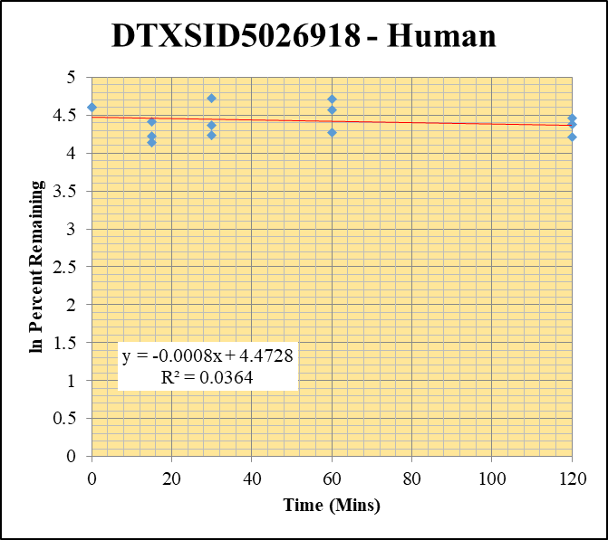
Blank____1_01 | DTXSID5026918 | 55.08 | 0 | 1088028.6016 | 0 |  |  |  | DTXSID5026918 - Human | Time (Mins) | % Remaining Replica 1 | % Remaining Replica 2 | % Remaining Replica 3 | Average
Blank____2_02 | DTXSID5026918 | 55.08 | 0 | 1770504.7524 | 0 |  |  |  | Time (Mins) | 120 | 86% | 68% | 79.6% | 77.9%
 | DTXSID5026918 | 55.08 |  |  |  |  |  |  | ln Percent Remaining | 60 | 97% | 72% | 111.3% | 93.2%
DTXSID5026918_1uM___120_1_57 | DTXSID5026918 | 55.08 | 553597.90429 | 6576327.4511 | 0.084180404398 | 86.347536063 | 120 | 4.4583802699 |  | 30 | 113% | 69% | 79.0% | 87.1%
DTXSID5026918_1uM___120_2_58 | DTXSID5026918 | 55.08 | 544139.95645 | 8475586.5652 | 0.064200861175 | 67.668541516 | 120 | 4.2146213971 |  | 15 | 63% | 68% | 82.2% | 71.0%
DTXSID5026918_1uM___120_3_59 | DTXSID5026918 | 55.08 | 575560.89311 | 8616759.7125 | 0.066795513895 | 79.562994683 | 120 | 4.3765490938 |  | 0 | 100% | 100% | 100% | 100%
DTXSID5026918_1uM___60_1_60 | DTXSID5026918 | 55.08 | 711949.71601 | 7553237.1693 | 0.094257561367 | 96.684118324 | 60 | 4.5714491524
DTXSID5026918_1uM___60_2_61 | DTXSID5026918 | 55.08 | 557401.28636 | 8187179.98 | 0.068082207515 | 71.759530969 | 60 | 4.2733206816 |  | Slope | -0.000841
DTXSID5026918_1uM___60_3_62 | DTXSID5026918 | 55.08 | 777700.46399 | 8326529.4998 | 0.093400313301 | 111.25310964 | 60 | 4.7118078724 |  | Intercept | 4.47
DTXSID5026918_1uM___30_1_63 | DTXSID5026918 | 55.08 | 713790.31797 | 6477231.3347 | 0.11019991121 | 113.03688638 | 30 | 4.7277141936 |  | R2 | 0.0364
DTXSID5026918_1uM___30_2_64 | DTXSID5026918 | 55.08 | 482582.38618 | 7349504.5146 | 0.065661893971 | 69.208489059 | 30 | 4.2371235294 |  | T½ (mins) | 824
DTXSID5026918_1uM___30_3_65 | DTXSID5026918 | 55.08 | 463728.99951 | 6996325.67 | 0.066281791526 | 78.951077988 | 30 | 4.3688283947 |  | CLint (µl/min/106 cells) | 1.682
DTXSID5026918_1uM___15_1_66 | DTXSID5026918 | 55.08 | 477332.33879 | 7789587.4666 | 0.061278256498 | 62.855797625 | 15 | 4.1408431762 |  | Comments
DTXSID5026918_1uM___15_2_67 | DTXSID5026918 | 55.08 | 478190.94191 | 7417986.207 | 0.064463714082 | 67.945591893 | 15 | 4.2187072657
DTXSID5026918_1uM___15_3_68 | DTXSID5026918 | 55.08 | 581915.79695 | 8431968.2434 | 0.069013044185 | 82.204389896 | 15 | 4.4092087057
DTXSID5026918_1uM___0_1_69 | DTXSID5026918 | 55.08 | 715801.0422 | 7342285.5054 | 0.097490221767 | 100 | 0 | 4.605170186
DTXSID5026918_1uM___0_2_70 | DTXSID5026918 | 55.08 | 652287.39195 | 6875193.8299 | 0.094875491236 | 100 | 0 | 4.605170186
DTXSID5026918_1uM___0_3_71 | DTXSID5026918 | 55.08 | 594779.49291 | 7084673.0375 | 0.083952991163 | 100 | 0 | 4.605170186

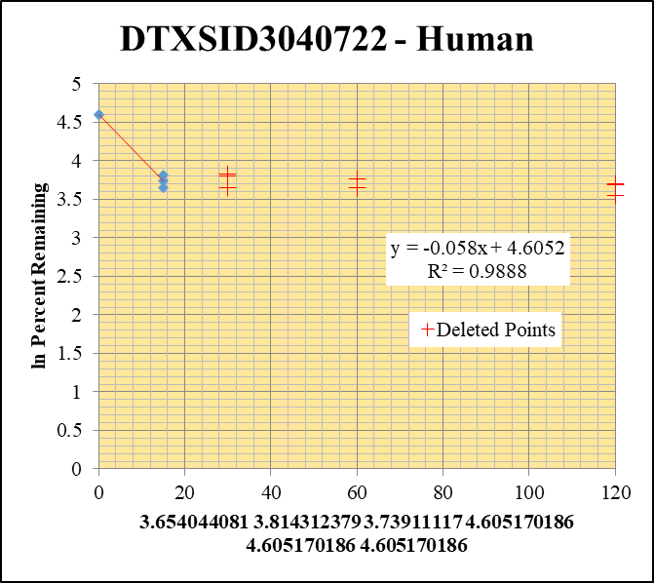
Blank____1_01 | DTXSID3040722 | 81.1 | 0 | 1088028.6016 | 0 |  |  |  | DTXSID3040722 - Human | Time (Mins) | % Remaining Replica 1 | % Remaining Replica 2 | % Remaining Replica 3 | Average
Blank____2_02 | DTXSID3040722 | 81.1 | 0 | 1770504.7524 | 0 |  |  |  | Time (Mins) | 120 | 40.31% | 39.96% | 34.97%
 | DTXSID3040722 | 81.1 |  |  |  |  |  |  | ln Percent Remaining | 60 | 43.11% | 38.54% | 0.00%
DTXSID3040722_1uM___120_1_57 | DTXSID3040722 | 81.1 | 114743.03604 | 5875794.6514 | 0.019528088172 | 40.312302321 | 120 | 3.697 |  | 30 | 45.99% | 44.92% | 38.42%
DTXSID3040722_1uM___120_2_58 | DTXSID3040722 | 81.1 | 115673.74972 | 6097915.3061 | 0.018969392639 | 39.96288107 | 120 | 3.688 |  | 15 | 39% | 45% | 42% | 42%
DTXSID3040722_1uM___120_3_59 | DTXSID3040722 | 81.1 | 104400.96031 | 6386021.5237 | 0.016348357098 | 34.973990381 | 120 | 3.555 |  | 0 | 100% | 100% | 100% | 100%
DTXSID3040722_1uM___60_1_60 | DTXSID3040722 | 81.1 | 117989.39232 | 5650321.4695 | 0.020881890165 | 43.106988352 | 60 | 3.764
DTXSID3040722_1uM___60_2_61 | DTXSID3040722 | 81.1 | 109111.79711 | 5964750.085 | 0.018292769279 | 38.53743644 | 60 | 3.652 |  | Slope | -0.0580
DTXSID3040722_1uM___60_3_62 | DTXSID3040722 | 81.1 | 0 | 6098520.4344 | 0.0000001 | 0.00021392969441 | 60 | -8.450 |  | Intercept | 4.61
DTXSID3040722_1uM___30_1_63 | DTXSID3040722 | 81.1 | 120286.91069 | 5398969.0917 | 0.022279607208 | 45.992329276 | 30 | 3.828 |  | R2 | 0.989
DTXSID3040722_1uM___30_2_64 | DTXSID3040722 | 81.1 | 124591.43256 | 5842619.6479 | 0.021324583846 | 44.924570033 | 30 | 3.805 |  | T½ (mins) | 11.959781336
DTXSID3040722_1uM___30_3_65 | DTXSID3040722 | 81.1 | 108290.75226 | 6030489.3894 | 0.017957207991 | 38.41580018 | 30 | 3.648 |  | CLint (µl/min/106 cells) | 115.9
DTXSID3040722_1uM___15_1_66 | DTXSID3040722 | 81.1 | 119325.53726 | 6376466.6451 | 0.018713426087 | 38.630575775 | 15 | 3.6540440814 |  | Comments | Points Deleted: (120,3.6970) (120,3.6880) (120,3.5550) (60,3.7640) (60,3.6520) (60,-8.4500) (30,3.8280) (30,3.8050) (30,3.6480)
DTXSID3040722_1uM___15_2_67 | DTXSID3040722 | 81.1 | 112640.67744 | 5233157.4286 | 0.021524419813 | 45.345565113 | 15 | 3.8143123793
DTXSID3040722_1uM___15_3_68 | DTXSID3040722 | 81.1 | 111615.12499 | 5676998.4075 | 0.019660939986 | 42.060588829 | 15 | 3.7391111699
DTXSID3040722_1uM___0_1_69 | DTXSID3040722 | 81.1 | 230465.80894 | 4757561.1514 | 0.048442006653 | 100 | 0 | 4.605170186
DTXSID3040722_1uM___0_2_70 | DTXSID3040722 | 81.1 | 232501.36052 | 4898113.7118 | 0.047467530197 | 100 | 0 | 4.605170186
DTXSID3040722_1uM___0_3_71 | DTXSID3040722 | 81.1 | 230842.40142 | 4938404.4391 | 0.046744328915 | 100 | 0 | 4.605170186

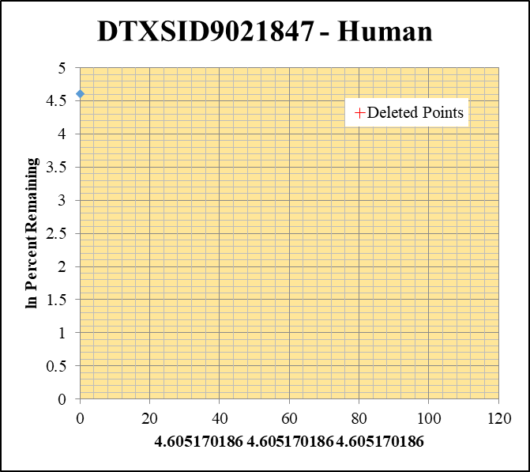
Blank____1_01 | DTXSID9021847 | 170.1 | 0 | 1088028.6016 | 0 |  |  |  | DTXSID9021847 - Human | Time (Mins) | % Remaining Replica 1 | % Remaining Replica 2 | % Remaining Replica 3 | Average
Blank____2_02 | DTXSID9021847 | 170.1 | 0 | 1770504.7524 | 0 |  |  |  | Time (Mins) | 120 | 0.06% | 0.06% | 0.06%
 | DTXSID9021847 | 170.1 |  |  |  |  |  |  | ln Percent Remaining | 60 | 0.06% | 0.06% | 0.06%
DTXSID9021847_1uM___120_1_57 | DTXSID9021847 | 170.1 |  | 7979463.8324 | 0.00001 | 0.057882491782 | 120 | -2.849 |  | 30 | 0.06% | 0.06% | 0.06%
DTXSID9021847_1uM___120_2_58 | DTXSID9021847 | 170.1 |  | 7901222.9198 | 0.00001 | 0.057708545676 | 120 | -2.852 |  | 15 | 0.06% | 0.06% | 0.06%
DTXSID9021847_1uM___120_3_59 | DTXSID9021847 | 170.1 |  | 7671210.6417 | 0.00001 | 0.059376197397 | 120 | -2.824 |  | 0 | 100% | 100% | 100% | 100%
DTXSID9021847_1uM___60_1_60 | DTXSID9021847 | 170.1 |  | 6498639.7697 | 0.00001 | 0.057882491782 | 60 | -2.849
DTXSID9021847_1uM___60_2_61 | DTXSID9021847 | 170.1 |  | 6440217.5199 | 0.00001 | 0.057708545676 | 60 | -2.852 |  | Slope
DTXSID9021847_1uM___60_3_62 | DTXSID9021847 | 170.1 |  | 6449444.7574 | 0.00001 | 0.059376197397 | 60 | -2.824 |  | Intercept
DTXSID9021847_1uM___30_1_63 | DTXSID9021847 | 170.1 |  | 6861868.6807 | 0.00001 | 0.057882491782 | 30 | -2.849 |  | R2
DTXSID9021847_1uM___30_2_64 | DTXSID9021847 | 170.1 |  | 7435467.0321 | 0.00001 | 0.057708545676 | 30 | -2.852 |  | T½ (mins)
DTXSID9021847_1uM___30_3_65 | DTXSID9021847 | 170.1 |  | 6483716.5122 | 0.00001 | 0.059376197397 | 30 | -2.824 |  | CLint (µl/min/106 cells) | 0.00
DTXSID9021847_1uM___15_1_66 | DTXSID9021847 | 170.1 |  | 6929254.7236 | 0.00001 | 0.057882491782 | 15 | -2.849 |  | Comments | Points Deleted: (120,-2.8490) (120,-2.8520) (120,-2.8240) (60,-2.8490) (60,-2.8520) (60,-2.8240) (30,-2.8490) (30,-2.8520) (30,-2.8240) (15,-2.8490) (15,-2.8520) (15,-2.8240)
DTXSID9021847_1uM___15_2_67 | DTXSID9021847 | 170.1 |  | 8081797.2387 | 0.00001 | 0.057708545676 | 15 | -2.852
DTXSID9021847_1uM___15_3_68 | DTXSID9021847 | 170.1 |  | 8037677.2892 | 0.00001 | 0.059376197397 | 15 | -2.824
DTXSID9021847_1uM___0_1_69 | DTXSID9021847 | 170.1 | 139710.56218 | 8086795.4674 | 0.017276381324 | 100 | 0 | 4.605170186
DTXSID9021847_1uM___0_2_70 | DTXSID9021847 | 170.1 | 122463.48865 | 7067189.8283 | 0.017328456094 | 100 | 0 | 4.605170186
DTXSID9021847_1uM___0_3_71 | DTXSID9021847 | 170.1 | 111507.74508 | 6620905.8833 | 0.01684176562 | 100 | 0 | 4.605170186

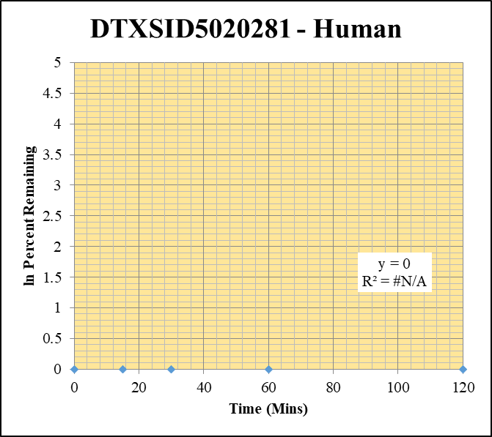
Blank____1_01 | DTXSID5020281 | 127 | 0 | 1088028.6016 | 0 |  |  |  | DTXSID5020281 - Human | Time (Mins) | % Remaining Replica 1 | % Remaining Replica 2 | % Remaining Replica 3 | Average
Blank____2_02 | DTXSID5020281 | 127 | 0 | 1770504.7524 | 0 |  |  |  | Time (Mins) | 120 | #DIV/0! | #DIV/0! | #DIV/0!
 | DTXSID5020281 | 127 |  |  |  |  |  |  | ln Percent Remaining | 60 | #DIV/0! | #DIV/0! | #DIV/0!
DTXSID5020281_1uM___120_1_57 | DTXSID5020281 | 127 |  | 3994860.7546 |  | #DIV/0! | 120 | #DIV/0! |  | 30 | #DIV/0! | #DIV/0! | #DIV/0!
DTXSID5020281_1uM___120_2_58 | DTXSID5020281 | 127 |  | 4029761.7716 |  | #DIV/0! | 120 | #DIV/0! |  | 15 | #DIV/0! | #DIV/0! | #DIV/0!
DTXSID5020281_1uM___120_3_59 | DTXSID5020281 | 127 |  | 3970861.7536 |  | #DIV/0! | 120 | #DIV/0! |  | 0 | #DIV/0! | #DIV/0! | #DIV/0!
DTXSID5020281_1uM___60_1_60 | DTXSID5020281 | 127 |  | 3849858.124 |  | #DIV/0! | 60 | #DIV/0!
DTXSID5020281_1uM___60_2_61 | DTXSID5020281 | 127 |  | 3652691.2924 |  | #DIV/0! | 60 | #DIV/0! |  | Slope
DTXSID5020281_1uM___60_3_62 | DTXSID5020281 | 127 |  | 3753548.6443 |  | #DIV/0! | 60 | #DIV/0! |  | Intercept
DTXSID5020281_1uM___30_1_63 | DTXSID5020281 | 127 |  | 3685908.7473 |  | #DIV/0! | 30 | #DIV/0! |  | R2
DTXSID5020281_1uM___30_2_64 | DTXSID5020281 | 127 |  | 3843729.9255 |  | #DIV/0! | 30 | #DIV/0! |  | T½ (mins)
DTXSID5020281_1uM___30_3_65 | DTXSID5020281 | 127 |  | 3880670.4936 |  | #DIV/0! | 30 | #DIV/0! |  | CLint (µl/min/106 cells) | 0.0
DTXSID5020281_1uM___15_1_66 | DTXSID5020281 | 127 |  | 3499528.9254 |  | #DIV/0! | 15 | #DIV/0! |  | Comments
DTXSID5020281_1uM___15_2_67 | DTXSID5020281 | 127 |  | 3335941.5835 |  | #DIV/0! | 15 | #DIV/0!
DTXSID5020281_1uM___15_3_68 | DTXSID5020281 | 127 |  | 3281463.2195 |  | #DIV/0! | 15 | #DIV/0!
DTXSID5020281_1uM___0_1_69 | DTXSID5020281 | 127 |  | 3677511.8367 |  | #DIV/0! | 0 | #DIV/0!
DTXSID5020281_1uM___0_2_70 | DTXSID5020281 | 127 |  | 3374703.4618 |  | #DIV/0! | 0 | #DIV/0!
DTXSID5020281_1uM___0_3_71 | DTXSID5020281 | 127 |  | 3577969.7177 |  | #DIV/0! | 0 | #DIV/0!

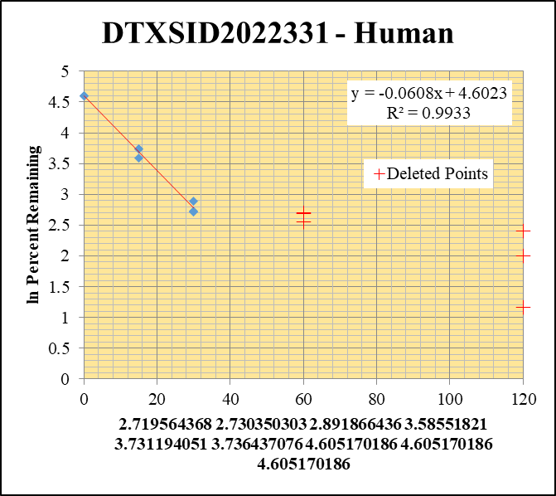
Blank____1_01 | DTXSID2022331 | 121.1 | 0 | 1088028.6016 | 0 |  |  |  | DTXSID2022331 - Human | Time (Mins) | % Remaining Replica 1 | % Remaining Replica 2 | % Remaining Replica 3 | Average
Blank____2_02 | DTXSID2022331 | 121.1 | 0 | 1770504.7524 | 0 |  |  |  | Time (Mins) | 120 | 3.20% | 7.40% | 11.05%
 | DTXSID2022331 | 121.1 |  |  |  |  |  |  | ln Percent Remaining | 60 | 12.80% | 14.75% | 14.80%
DTXSID2022331_1uM___120_1_57 | DTXSID2022331 | 121.1 | 46590.773055 | 4155826.2358 | 0.011210953108 | 3.1959439035 | 120 | 1.162 |  | 30 | 15% | 15.3% | 18% | 16.2%
DTXSID2022331_1uM___120_2_58 | DTXSID2022331 | 121.1 | 102888.0372 | 4101829.0259 | 0.025083453395 | 7.4006085826 | 120 | 2.002 |  | 15 | 36.1% | 41.7% | 41.9% | 39.9%
DTXSID2022331_1uM___120_3_59 | DTXSID2022331 | 121.1 | 120944.47338 | 3718147.3771 | 0.032528154781 | 11.045894254 | 120 | 2.402 |  | 0 | 100% | 100% | 100% | 100%
DTXSID2022331_1uM___60_1_60 | DTXSID2022331 | 121.1 | 150828.28526 | 3359886.5313 | 0.0448908866 | 12.797195204 | 60 | 2.549
DTXSID2022331_1uM___60_2_61 | DTXSID2022331 | 121.1 | 157605.64685 | 3152089.9822 | 0.050000364119 | 14.752080505 | 60 | 2.691 |  | Slope | -0.06082
DTXSID2022331_1uM___60_3_62 | DTXSID2022331 | 121.1 | 148583.63084 | 3410208.3513 | 0.043570250124 | 14.795563374 | 60 | 2.694 |  | Intercept | 4.60
DTXSID2022331_1uM___30_1_63 | DTXSID2022331 | 121.1 | 183384.43013 | 3445301.8213 | 0.053227391863 | 15.173710645 | 30 | 2.7195643676 |  | R2 | 0.993
DTXSID2022331_1uM___30_2_64 | DTXSID2022331 | 121.1 | 179146.35883 | 3445974.204 | 0.051987144485 | 15.338259115 | 30 | 2.7303503028 |  | T½ (mins) | 11
DTXSID2022331_1uM___30_3_65 | DTXSID2022331 | 121.1 | 175048.54727 | 3297450.8347 | 0.053086021913 | 18.026924318 | 30 | 2.8918664357 |  | CLint (µl/min/106 cells) | 121.64
DTXSID2022331_1uM___15_1_66 | DTXSID2022331 | 121.1 | 438217.14274 | 3463181.0888 | 0.12653601747 | 36.072045765 | 15 | 3.5855182098 |  | Comments | Points Deleted: (120,1.1620) (120,2.0020) (120,2.4020) (60,2.5490) (60,2.6910) (60,2.6940)
DTXSID2022331_1uM___15_2_67 | DTXSID2022331 | 121.1 | 447108.76735 | 3161231.5356 | 0.14143499529 | 41.72890485 | 15 | 3.7311940506
DTXSID2022331_1uM___15_3_68 | DTXSID2022331 | 121.1 | 403975.32989 | 3270260.0852 | 0.12353003106 | 41.94826511 | 15 | 3.7364370759
DTXSID2022331_1uM___0_1_69 | DTXSID2022331 | 121.1 | 1164766.7846 | 3320439.6346 | 0.35078691763 | 100 | 0 | 4.605170186
DTXSID2022331_1uM___0_2_70 | DTXSID2022331 | 121.1 | 1177874.2153 | 3475193.7422 | 0.33893771188 | 100 | 0 | 4.605170186
DTXSID2022331_1uM___0_3_71 | DTXSID2022331 | 121.1 | 1089811.5926 | 3700776.6627 | 0.29448185934 | 100 | 0 | 4.605170186

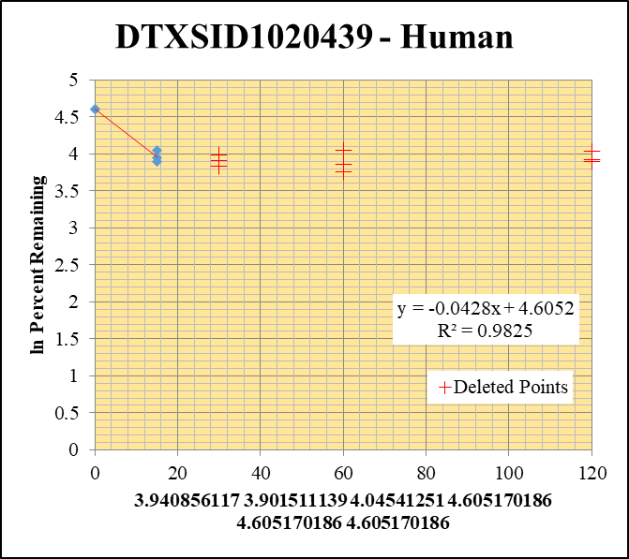
Blank____1_01 | DTXSID1020439 | 162 | 0 | 1088028.6016 | 0 |  |  |  | DTXSID1020439 - Human | Time (Mins) | % Remaining Replica 1 | % Remaining Replica 2 | % Remaining Replica 3 | Average
Blank____2_02 | DTXSID1020439 | 162 | 0 | 1770504.7524 | 0 |  |  |  | Time (Mins) | 120 | 50.55% | 49.48% | 56.68%
 | DTXSID1020439 | 162 |  |  |  |  |  |  | ln Percent Remaining | 60 | 42.87% | 47.31% | 56.97%
DTXSID1020439_1uM___120_1_57 | DTXSID1020439 | 162 | 205139.35014 | 3519162.627 | 0.058292091581 | 50.553964174 | 120 | 3.923 |  | 30 | 46.43% | 49.62% | 53.95%
DTXSID1020439_1uM___120_2_58 | DTXSID1020439 | 162 | 170851.38188 | 3707028.0493 | 0.046088505296 | 49.482839977 | 120 | 3.902 |  | 15 | 51.5% | 49.5% | 57% | 52.7%
DTXSID1020439_1uM___120_3_59 | DTXSID1020439 | 162 | 167021.82283 | 3551432.5298 | 0.047029423038 | 56.679506247 | 120 | 4.037 |  | 0 | 100% | 100% | 100% | 100%
DTXSID1020439_1uM___60_1_60 | DTXSID1020439 | 162 | 179682.96813 | 3634762.1172 | 0.049434588106 | 42.872271836 | 60 | 3.758
DTXSID1020439_1uM___60_2_61 | DTXSID1020439 | 162 | 158122.03641 | 3588267.4522 | 0.044066402107 | 47.311812562 | 60 | 3.857 |  | Slope | -0.04284
DTXSID1020439_1uM___60_3_62 | DTXSID1020439 | 162 | 168179.69059 | 3557704.942 | 0.047271961372 | 56.97181162 | 60 | 4.043 |  | Intercept | 4.61
DTXSID1020439_1uM___30_1_63 | DTXSID1020439 | 162 | 172176.77849 | 3215968.2385 | 0.053538084247 | 46.431039265 | 30 | 3.838 |  | R2 | 0.982
DTXSID1020439_1uM___30_2_64 | DTXSID1020439 | 162 | 156077.51247 | 3376832.1181 | 0.046220098309 | 49.624124576 | 30 | 3.904 |  | T½ (mins) | 16
DTXSID1020439_1uM___30_3_65 | DTXSID1020439 | 162 | 156009.50546 | 3484842.4829 | 0.044768022149 | 53.954082937 | 30 | 3.988 |  | CLint (µl/min/106 cells) | 85.68
DTXSID1020439_1uM___15_1_66 | DTXSID1020439 | 162 | 190788.75373 | 3215187.342 | 0.059339855952 | 51.462640481 | 15 | 3.9408561169 |  | Comments | Points Deleted: (120,3.9230) (120,3.9020) (120,4.0370) (60,3.7580) (60,3.8570) (60,4.0430) (30,3.8380) (30,3.9040) (30,3.9880)
DTXSID1020439_1uM___15_2_67 | DTXSID1020439 | 162 | 149735.2007 | 3249235.1583 | 0.046083214483 | 49.477159505 | 15 | 3.9015111389
DTXSID1020439_1uM___15_3_68 | DTXSID1020439 | 162 | 163478.83094 | 3448399.7177 | 0.047407158196 | 57.134749814 | 15 | 4.0454125097
DTXSID1020439_1uM___0_1_69 | DTXSID1020439 | 162 | 389948.75799 | 3381840.4876 | 0.1153066679 | 100 | 0 | 4.605170186
DTXSID1020439_1uM___0_2_70 | DTXSID1020439 | 162 | 229591.17737 | 2465001.5046 | 0.093140380216 | 100 | 0 | 4.605170186
DTXSID1020439_1uM___0_3_71 | DTXSID1020439 | 162 | 195542.45186 | 2356662.8944 | 0.082974299093 | 100 | 0 | 4.605170186

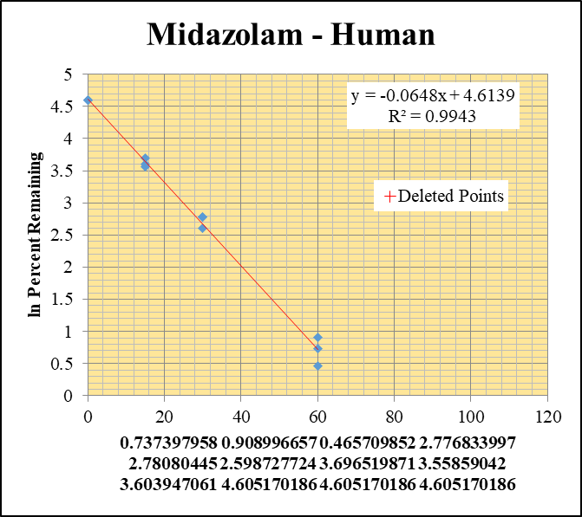
Blank_Human___1_____5P1_Inj 2020Oct07_EPA_003 | Midazolam | 326.2 / 291.0 | 7.173 | 3520000 | 0.000002038 |  |  |  | Midazolam - Human | Time (Mins) | % Remaining Replica 1 | % Remaining Replica 2 | % Remaining Replica 3 | Average
Blank_Human___2_____5P1_Inj 2020Oct07_EPA_004 | Midazolam | 326.2 / 291.0 | 60.04 | 3584000 | 0.00001675 |  |  |  | Time (Mins) | 120 | 0.09% | 0.12% | 0.08%
Blank_Human___3_____5P1_Inj 2020Oct07_EPA_005 | Midazolam | 326.2 / 291.0 | 190 | 3598000 | 0.00005281 |  |  |  | ln Percent Remaining | 60 | 2.1% | 2.5% | 1.6% | 2.1%
Midazolam__Human__120_1_____5P2_Inj 2020Oct07_EPA_006 | Midazolam | 326.2 / 291.0 | 3010 | 2639000 | 0.001141 | 0.090531248476 | 120 | -2.402 |  | 30 | 16.1% | 16.1% | 13.4% | 15.2%
Midazolam__Human__120_2_____5P2_Inj 2020Oct07_EPA_007 | Midazolam | 326.2 / 291.0 | 3938 | 2400000 | 0.00164 | 0.11593699207 | 120 | -2.155 |  | 15 | 40.3% | 35.1% | 36.7% | 37.4%
Midazolam__Human__120_3_____5P2_Inj 2020Oct07_EPA_008 | Midazolam | 326.2 / 291.0 | 2595 | 2446000 | 0.001061 | 0.083171920594 | 120 | -2.487 |  | 0 | 100% | 100% | 100% | 100%
Midazolam__Human__60_1_____5P3_Inj 2020Oct07_EPA_009 | Midazolam | 326.2 / 291.0 | 69030 | 2674000 | 0.02582 | 2.0904888911 | 60 | 0.7373979578
Midazolam__Human__60_2_____5P3_Inj 2020Oct07_EPA_010 | Midazolam | 326.2 / 291.0 | 94060 | 2717000 | 0.03462 | 2.4818311559 | 60 | 0.90899665705 |  | Slope | -0.06484
Midazolam__Human__60_3_____5P3_Inj 2020Oct07_EPA_011 | Midazolam | 326.2 / 291.0 | 53370 | 2683000 | 0.01989 | 1.5931446848 | 60 | 0.46570985219 |  | Intercept | 4.61
Midazolam__Human__30_1_____5P4_Inj 2020Oct07_EPA_012 | Midazolam | 326.2 / 291.0 | 492700 | 2485000 | 0.1983 | 16.068068785 | 30 | 2.7768339973 |  | R2 | 0.994
Midazolam__Human__30_2_____5P4_Inj 2020Oct07_EPA_013 | Midazolam | 326.2 / 291.0 | 576300 | 2562000 | 0.2249 | 16.131993118 | 30 | 2.7808044504 |  | T½ (mins) | 11
Midazolam__Human__30_3_____5P4_Inj 2020Oct07_EPA_014 | Midazolam | 326.2 / 291.0 | 409000 | 2440000 | 0.1677 | 13.44661934 | 30 | 2.5987277243 |  | CLint (µl/min/106 cells) | 129.7
Midazolam__Human__15_1_____5P5_Inj 2020Oct07_EPA_015 | Midazolam | 326.2 / 291.0 | 1318000 | 2649000 | 0.4974 | 40.306787165 | 15 | 3.6965198708 |  | Comments | Points Deleted: (120,-2.4020) (120,-2.1550) (120,-2.4870)
Midazolam__Human__15_2_____5P5_Inj 2020Oct07_EPA_016 | Midazolam | 326.2 / 291.0 | 1368000 | 2794000 | 0.4895 | 35.113666731 | 15 | 3.5585904202
Midazolam__Human__15_3_____5P5_Inj 2020Oct07_EPA_017 | Midazolam | 326.2 / 291.0 | 1174000 | 2563000 | 0.4582 | 36.742975387 | 15 | 3.6039470615
Midazolam__Human__0_1_____5P6_Inj 2020Oct07_EPA_018 | Midazolam | 326.2 / 291.0 | 4305000 | 3490000 | 1.234 | 100 | 0 | 4.605170186
Midazolam__Human__0_2_____5P6_Inj 2020Oct07_EPA_019 | Midazolam | 326.2 / 291.0 | 4782000 | 3431000 | 1.394 | 100 | 0 | 4.605170186
Midazolam__Human__0_3_____5P6_Inj 2020Oct07_EPA_020 | Midazolam | 326.2 / 291.0 | 4265000 | 3421000 | 1.247 | 100 | 0 | 4.605170186

1uM Inactive
SampleName | CompoundName | Transition | Area | ISTD Area | ISTDResponseRatio | % Remaining | Time (mins) | ln % Remaining | Chart | Table

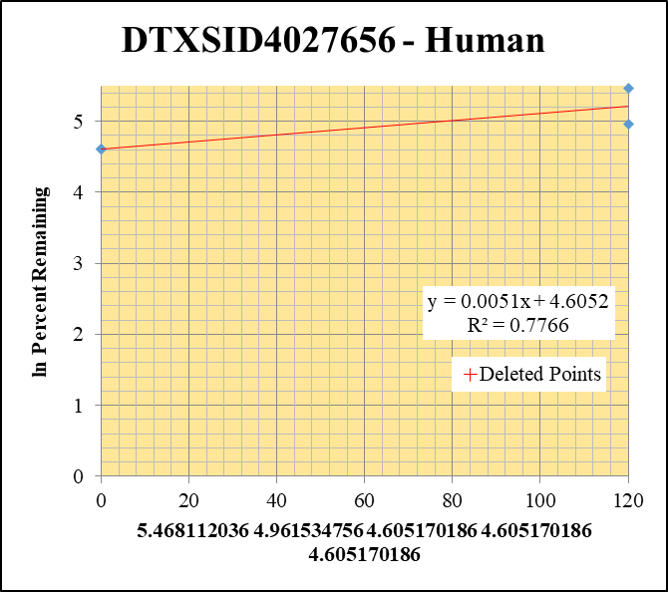
Blank____1_01 | DTXSID4027656 | 57.09 | 0 | 1088028.6016 | 0 |  |  |  | DTXSID4027656 - Human | Time (Mins) | % Remaining Replica 1 | % Remaining Replica 2 | % Remaining Replica 3 | Average
Blank____2_02 | DTXSID4027656 | 57.09 | 0 | 1770504.7524 | 0 |  |  |  | Time (Mins) | 120 | 237.0% | 142.8% | 0.00% | 189.9%
 | DTXSID4027656 | 57.09 |  |  |  |  |  |  | ln Percent Remaining | 0 | 100% | 100% | 100% | 100%
DTXSID4027656_1uM_HI__120_1_72 | DTXSID4027656 | 57.09 | 98065.829753 | 5515575.494 | 0.017779800106 | 237.01229946 | 120 | 5.4681120363
DTXSID4027656_1uM_HI__120_2_73 | DTXSID4027656 | 57.09 | 95250.387249 | 5533130.9584 | 0.017214555008 | 142.81281058 | 120 | 4.9615347558 |  | Slope | 0.00508
DTXSID4027656_1uM_HI__120_3_74 | DTXSID4027656 | 57.09 | 0 | 4704937.36 | 0.0000001 | 0.00073602680134 | 120 | -7.214 |  | Intercept | 4.61
DTXSID4027656_1uM___0_1_69 | DTXSID4027656 | 57.09 | 49647.174555 | 6618179.5819 | 0.0075016360528 | 100 | 0 | 4.605170186 |  | R2 | 0.777
DTXSID4027656_1uM___0_2_70 | DTXSID4027656 | 57.09 | 80877.203641 | 6709613.3234 | 0.012053929153 | 100 | 0 | 4.605170186 |  | T½ (mins)
DTXSID4027656_1uM___0_3_71 | DTXSID4027656 | 57.09 | 46701.572555 | 3437360.9066 | 0.013586461773 | 100 | 0 | 4.605170186 |  | CLint (µl/min/106 cells) | 0.00
 |  |  |  |  |  |  |  |  |  | Comments | Points Deleted: (120,-7.2140)

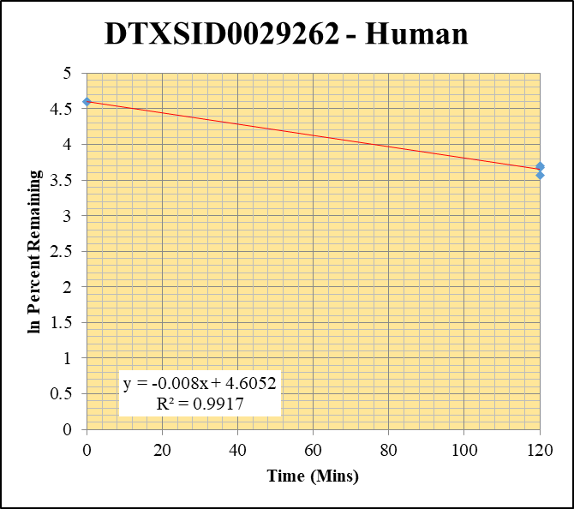
Blank____1_01 | DTXSID0029262 | 219.2 | 0 | 1088028.6016 | 0 |  |  |  | DTXSID0029262 - Human | Time (Mins) | % Remaining Replica 1 | % Remaining Replica 2 | % Remaining Replica 3 | Average
Blank____2_02 | DTXSID0029262 | 219.2 | 0 | 1770504.7524 | 0 |  |  |  | Time (Mins) | 120 | 39.6% | 35.2% | 40.6% | 38.5%
 | DTXSID0029262 | 219.2 |  |  |  |  |  |  | ln Percent Remaining | 0 | 100% | 100% | 100% | 100%
DTXSID0029262_1uM_HI__120_1_36 | DTXSID0029262 | 219.2 | 19701.209458 | 4074832.5443 | 0.0048348513084 | 39.604129114 | 120 | 3.6789333834
DTXSID0029262_1uM_HI__120_2_37 | DTXSID0029262 | 219.2 | 14085.20125 | 3467546.0663 | 0.0040620084003 | 35.203881788 | 120 | 3.5611563546 |  | Slope | -0.00798
DTXSID0029262_1uM_HI__120_3_38 | DTXSID0029262 | 219.2 | 17417.197634 | 3921320.3102 | 0.0044416666469 | 40.56175457 | 120 | 3.702825617 |  | Intercept | 4.61
DTXSID0029262_1uM___0_1_69 | DTXSID0029262 | 219.2 | 65705.339142 | 5382177.3802 | 0.012207947546 | 100 | 0 | 4.605170186 |  | R2 | 0.992
DTXSID0029262_1uM___0_2_70 | DTXSID0029262 | 219.2 | 62562.409134 | 5422046.0386 | 0.011538524145 | 100 | 0 | 4.605170186 |  | T½ (mins) | 87
DTXSID0029262_1uM___0_3_71 | DTXSID0029262 | 219.2 | 48974.557061 | 4472406.6922 | 0.010950380954 | 100 | 0 | 4.605170186 |  | CLint (µl/min/106 cells) | 15.96
 |  |  |  |  |  |  |  |  |  | Comments

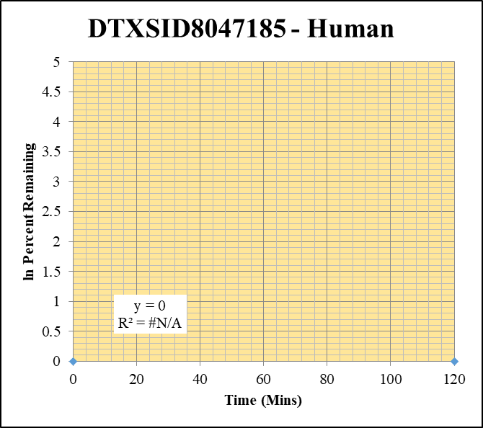
Blank____1_01 | DTXSID8047185 | 105.04 | 0 | 1088028.6016 | 0 |  |  |  | DTXSID8047185 - Human | Time (Mins) | % Remaining Replica 1 | % Remaining Replica 2 | % Remaining Replica 3 | Average
Blank____2_02 | DTXSID8047185 | 105.04 | 0 | 1770504.7524 | 0 |  |  |  | Time (Mins) | 120 | #DIV/0! | #DIV/0! | #DIV/0!
 | DTXSID8047185 | 105.04 |  |  |  |  |  |  | ln Percent Remaining | 0 | #DIV/0! | #DIV/0! | #DIV/0!
DTXSID8047185_1uM_HI__120_1_108 | DTXSID8047185 | 105.04 | 0 | 5291901.156 | 0 | #DIV/0! | 120 | #DIV/0!
DTXSID8047185_1uM_HI__120_2_109 | DTXSID8047185 | 105.04 | 0 | 9054883.5232 | 0 | #DIV/0! | 120 | #DIV/0! |  | Slope
DTXSID8047185_1uM_HI__120_3_110 | DTXSID8047185 | 105.04 | 0 | 9239467.2631 | 0 | #DIV/0! | 120 | #DIV/0! |  | Intercept
DTXSID8047185_1uM___0_1_69 | DTXSID8047185 | 105.04 | 0 | 7172957.9458 | 0 | #DIV/0! | 0 | #DIV/0! |  | R2
DTXSID8047185_1uM___0_2_70 | DTXSID8047185 | 105.04 | 0 | 5060104.4238 | 0 | #DIV/0! | 0 | #DIV/0! |  | T½ (mins)
DTXSID8047185_1uM___0_3_71 | DTXSID8047185 | 105.04 | 0 | 5237114.381 | 0 | #DIV/0! | 0 | #DIV/0! |  | CLint (µl/min/106 cells) | 0.00
 |  |  |  |  |  |  |  |  |  | Comments


Blank____1_01 | DTXSID5026918 | 55.08 | 0 | 1088028.6016 | 0 |  |  |  | DTXSID5026918 - Human | Time (Mins) | % Remaining Replica 1 | % Remaining Replica 2 | % Remaining Replica 3 | Average
Blank____2_02 | DTXSID5026918 | 55.08 | 0 | 1770504.7524 | 0 |  |  |  | Time (Mins) | 120 | 74.3% | 98.3% | 75.6% | 82.7%
 | DTXSID5026918 | 55.08 |  |  |  |  |  |  | ln Percent Remaining | 0 | 100% | 100% | 100% | 100%
DTXSID5026918_1uM_HI__120_1_144 | DTXSID5026918 | 55.08 | 545260.25466 | 7528872.5822 | 0.072422563764 | 74.28700279 | 120 | 4.3079360076
DTXSID5026918_1uM_HI__120_2_145 | DTXSID5026918 | 55.08 | 693211.6847 | 7435014.7749 | 0.09323608704 | 98.272046685 | 120 | 4.5877396193 |  | Slope | -0.001652
DTXSID5026918_1uM_HI__120_3_146 | DTXSID5026918 | 55.08 | 503358.40038 | 7933720.3249 | 0.063445442966 | 75.572581855 | 120 | 4.3250935435 |  | Intercept | 4.61
DTXSID5026918_1uM___0_1_69 | DTXSID5026918 | 55.08 | 715801.0422 | 7342285.5054 | 0.097490221767 | 100 | 0 | 4.605170186 |  | R2 | 0.545
DTXSID5026918_1uM___0_2_70 | DTXSID5026918 | 55.08 | 652287.39195 | 6875193.8299 | 0.094875491236 | 100 | 0 | 4.605170186 |  | T½ (mins) | 420
DTXSID5026918_1uM___0_3_71 | DTXSID5026918 | 55.08 | 594779.49291 | 7084673.0375 | 0.083952991163 | 100 | 0 | 4.605170186 |  | CLint (µl/min/106 cells) | 3.30
 |  |  |  |  |  |  |  |  |  | Comments

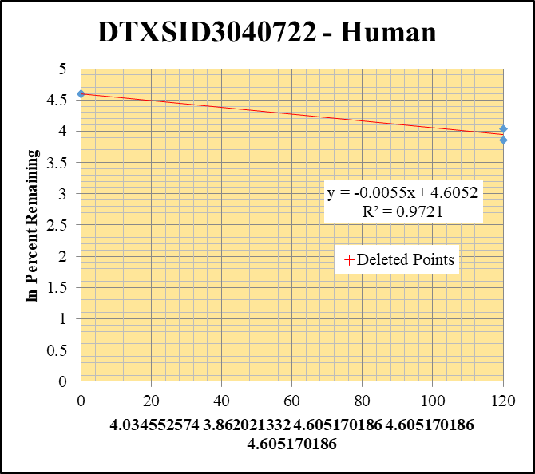
Blank____1_01 | DTXSID3040722 | 81.1 | 0 | 1088028.6016 | 0 |  |  |  | DTXSID3040722 - Human | Time (Mins) | % Remaining Replica 1 | % Remaining Replica 2 | % Remaining Replica 3 | Average
Blank____2_02 | DTXSID3040722 | 81.1 | 0 | 1770504.7524 | 0 |  |  |  | Time (Mins) | 120 | 0.00% | 56.5% | 47.6% | 52.0%
 | DTXSID3040722 | 81.1 |  |  |  |  |  |  | ln Percent Remaining | 0 | 100% | 100% | 100% | 100%
DTXSID3040722_1uM_HI__120_1_180 | DTXSID3040722 | 81.1 | 0 | 0 | 0.0000001 | 0.00020643240631 | 120 | -8.486
DTXSID3040722_1uM_HI__120_2_181 | DTXSID3040722 | 81.1 | 158277.84531 | 5899831.0371 | 0.026827521722 | 56.517627125 | 120 | 4.034552574 |  | Slope | -0.00547
DTXSID3040722_1uM_HI__120_3_182 | DTXSID3040722 | 81.1 | 141259.83151 | 6353824.3015 | 0.022232253334 | 47.561391616 | 120 | 3.8620213316 |  | Intercept | 4.61
DTXSID3040722_1uM___0_1_69 | DTXSID3040722 | 81.1 | 230465.80894 | 4757561.1514 | 0.048442006653 | 100 | 0 | 4.605170186 |  | R2 | 0.972
DTXSID3040722_1uM___0_2_70 | DTXSID3040722 | 81.1 | 232501.36052 | 4898113.7118 | 0.047467530197 | 100 | 0 | 4.605170186 |  | T½ (mins) | 127
DTXSID3040722_1uM___0_3_71 | DTXSID3040722 | 81.1 | 230842.40142 | 4938404.4391 | 0.046744328915 | 100 | 0 | 4.605170186 |  | CLint (µl/min/106 cells) | 10.95
 |  |  |  |  |  |  |  |  |  | Comments | Points Deleted: (120,-8.4860)

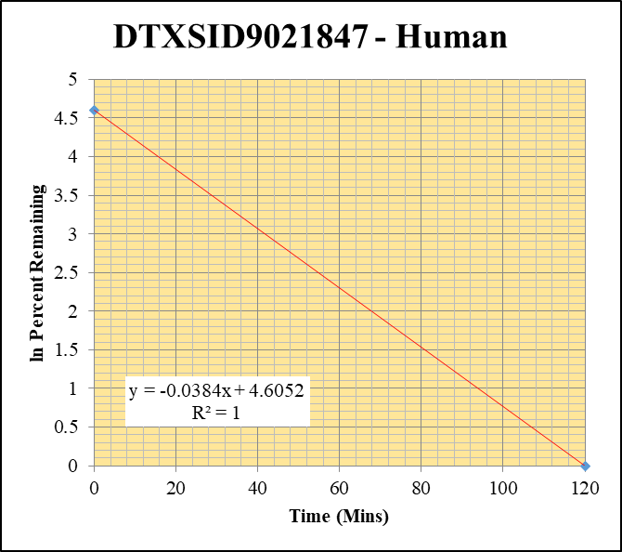
Blank____1_01 | DTXSID9021847 | 170.1 | 0 | 1088028.6016 | 0 |  |  |  | DTXSID9021847 - Human | Time (Mins) | % Remaining Replica 1 | % Remaining Replica 2 | % Remaining Replica 3 | Average
Blank____2_02 | DTXSID9021847 | 170.1 | 0 | 1770504.7524 | 0 |  |  |  | Time (Mins) | 120 | 0.0% | 0.0% | 0.0% | 0.0%
 | DTXSID9021847 | 170.1 |  |  |  |  |  |  | ln Percent Remaining | 0 | 100% | 100% | 100% | 100%
DTXSID9021847_1uM_HI__120_1_16 | DTXSID9021847 | 170.1 | 0 | 7037371.3111 | 0 | 0 | 120 | #NUM!
DTXSID9021847_1uM_HI__120_2_17 | DTXSID9021847 | 170.1 | 0 | 7199308.4791 | 0 | 0 | 120 | #NUM! |  | Slope
DTXSID9021847_1uM_HI__120_3_18 | DTXSID9021847 | 170.1 | 0 | 7219629.9642 | 0 | 0 | 120 | #NUM! |  | Intercept
DTXSID9021847_1uM___0_1_69 | DTXSID9021847 | 170.1 | 139720.61645 | 8086795.4674 | 0.017277624619 | 100 | 0 | 4.605170186 |  | R2
DTXSID9021847_1uM___0_2_70 | DTXSID9021847 | 170.1 | 122270.47009 | 7067189.8283 | 0.01730114417 | 100 | 0 | 4.605170186 |  | T½ (mins)
DTXSID9021847_1uM___0_3_71 | DTXSID9021847 | 170.1 | 111509.37546 | 6620905.8833 | 0.016842011868 | 100 | 0 | 4.605170186 |  | CLint (µl/min/106 cells) | 0.0
 |  |  |  |  |  |  |  |  |  | Comments

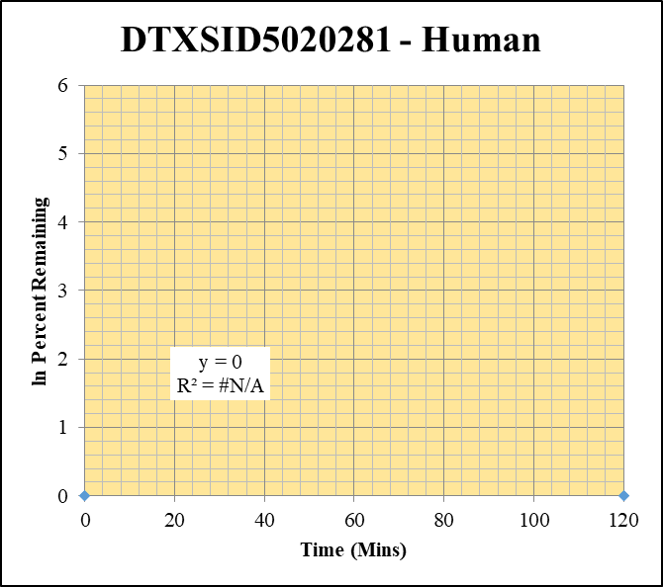
Blank____1_01 | DTXSID5020281 | 127 | 0 | 1088028.6016 | 0 |  |  |  | DTXSID5020281 - Human | Time (Mins) | % Remaining Replica 1 | % Remaining Replica 2 | % Remaining Replica 3 | Average
Blank____2_02 | DTXSID5020281 | 127 | 0 | 1770504.7524 | 0 |  |  |  | Time (Mins) | 120 | #DIV/0! | #DIV/0! | #DIV/0!
 | DTXSID5020281 | 127 |  |  |  |  |  |  | ln Percent Remaining | 0 | #DIV/0! | #DIV/0! | #DIV/0!
DTXSID5020281_1uM_HI__120_1_88 | DTXSID5020281 | 127 | 0 | 2866860.787 | 0 | #DIV/0! | 120 | #DIV/0!
DTXSID5020281_1uM_HI__120_2_89 | DTXSID5020281 | 127 | 0 | 2712404.1338 | 0 | #DIV/0! | 120 | #DIV/0! |  | Slope
DTXSID5020281_1uM_HI__120_3_90 | DTXSID5020281 | 127 | 0 | 2614149.9357 | 0 | #DIV/0! | 120 | #DIV/0! |  | Intercept
DTXSID5020281_1uM___0_1_69 | DTXSID5020281 | 127 | 0 | 3677511.8367 | 0 | #DIV/0! | 0 | #DIV/0! |  | R2
DTXSID5020281_1uM___0_2_70 | DTXSID5020281 | 127 | 0 | 3374703.4618 | 0 | #DIV/0! | 0 | #DIV/0! |  | T½ (mins) | >480
DTXSID5020281_1uM___0_3_71 | DTXSID5020281 | 127 | 0 | 3577969.7177 | 0 | #DIV/0! | 0 | #DIV/0! |  | CLint (µl/min/106 cells) | 0.0
 |  |  |  |  |  |  |  |  |  | Comments

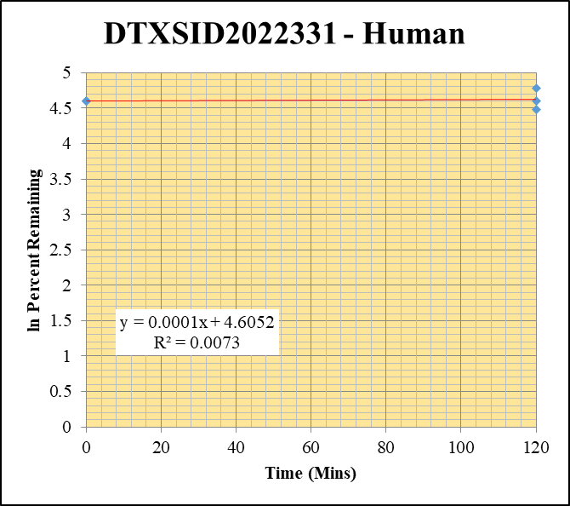
Blank____1_01 | DTXSID2022331 | 121.1 | 0 | 1088028.6016 | 0 |  |  |  | DTXSID2022331 - Human | Time (Mins) | % Remaining Replica 1 | % Remaining Replica 2 | % Remaining Replica 3 | Average
Blank____2_02 | DTXSID2022331 | 121.1 | 0 | 1770504.7524 | 0 |  |  |  | Time (Mins) | 120 | 88% | 99% | 119.9% | 102.4%
 | DTXSID2022331 | 121.1 |  |  |  |  |  |  | ln Percent Remaining | 0 | 100% | 100% | 100% | 100%
DTXSID2022331_1uM_HI__120_1_124 | DTXSID2022331 | 121.1 | 848716.30261 | 2748139.8424 | 0.30883301115 | 88.040059544 | 120 | 4.477791933
DTXSID2022331_1uM_HI__120_2_125 | DTXSID2022331 | 121.1 | 990393.22447 | 2946032.0069 | 0.33617870483 | 99.185984046 | 120 | 4.5969967144 |  | Slope | 0.000128
DTXSID2022331_1uM_HI__120_3_126 | DTXSID2022331 | 121.1 | 932185.55328 | 2639445.3845 | 0.3531747839 | 119.93091346 | 120 | 4.7869158559 |  | Intercept | 4.61
DTXSID2022331_1uM___0_1_69 | DTXSID2022331 | 121.1 | 1164766.7846 | 3320439.6346 | 0.35078691763 | 100 | 0 | 4.605170186 |  | R2 | 0.0073
DTXSID2022331_1uM___0_2_70 | DTXSID2022331 | 121.1 | 1177874.2153 | 3475193.7422 | 0.33893771188 | 100 | 0 | 4.605170186 |  | T½ (mins)
DTXSID2022331_1uM___0_3_71 | DTXSID2022331 | 121.1 | 1089811.5926 | 3700776.6627 | 0.29448185934 | 100 | 0 | 4.605170186 |  | CLint (µl/min/106 cells) | 0.00
 |  |  |  |  |  |  |  |  |  | Comments

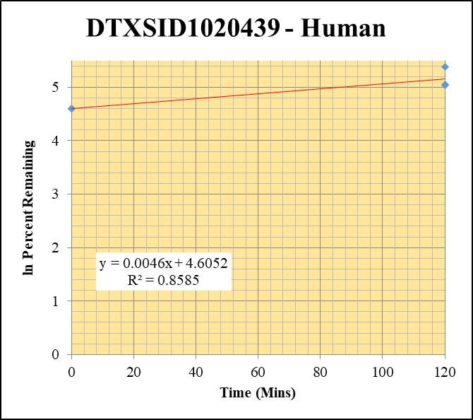
Blank____1_01 | DTXSID1020439 | 162 | 0 | 1088028.6016 | 0 |  |  |  | DTXSID1020439 - Human | Time (Mins) | % Remaining Replica 1 | % Remaining Replica 2 | % Remaining Replica 3 | Average
Blank____2_02 | DTXSID1020439 | 162 | 0 | 1770504.7524 | 0 |  |  |  | Time (Mins) | 120 | 156.3% | 154.5% | 217.5% | 176.1%
 | DTXSID1020439 | 162 |  |  |  |  |  |  | ln Percent Remaining | 0 | 100% | 100% | 100% | 100%
DTXSID1020439_1uM_HI__120_1_52 | DTXSID1020439 | 162 | 537882.67938 | 2985427.1464 | 0.18016942066 | 156.25238673 | 120 | 5.0514725636
DTXSID1020439_1uM_HI__120_2_53 | DTXSID1020439 | 162 | 427405.40679 | 2969951.713 | 0.1439098841 | 154.5085856 | 120 | 5.040249665 |  | Slope | 0.00461
DTXSID1020439_1uM_HI__120_3_54 | DTXSID1020439 | 162 | 498995.63401 | 2764614.0027 | 0.18049378087 | 217.52974457 | 120 | 5.3823355978 |  | Intercept | 4.61
DTXSID1020439_1uM___0_1_69 | DTXSID1020439 | 162 | 389948.75799 | 3381840.4876 | 0.1153066679 | 100 | 0 | 4.605170186 |  | R2 | 0.859
DTXSID1020439_1uM___0_2_70 | DTXSID1020439 | 162 | 229591.17737 | 2465001.5046 | 0.093140380216 | 100 | 0 | 4.605170186 |  | T½ (mins)
DTXSID1020439_1uM___0_3_71 | DTXSID1020439 | 162 | 195542.45186 | 2356662.8944 | 0.082974299093 | 100 | 0 | 4.605170186 |  | CLint (µl/min/106 cells) | 0.00
 |  |  |  |  |  |  |  |  |  | Comments

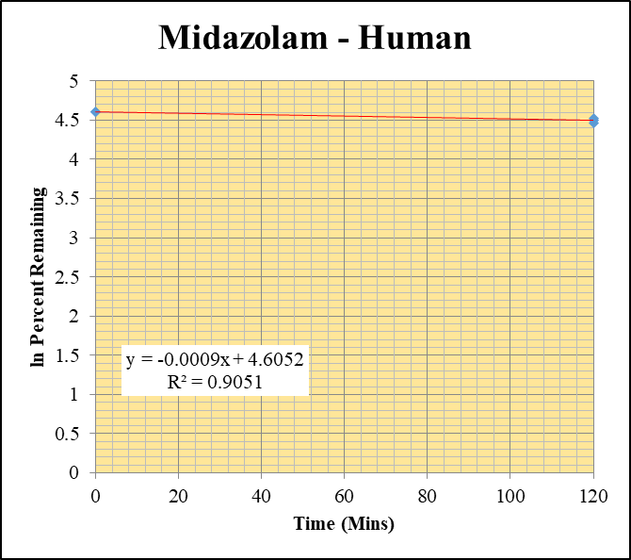
Blank_Human___1_____5P1_Inj 2020Oct07_EPA_003 | Midazolam | 326.2 / 291.0 | 97.55 | 3520000 | 0.00002771 |  |  |  | Midazolam - Human | Time (Mins) | % Remaining Replica 1 | % Remaining Replica 2 | % Remaining Replica 3 | Average
Blank_Human___2_____5P1_Inj 2020Oct07_EPA_004 | Midazolam | 326.2 / 291.0 | 60.04 | 3584000 | 0.00001675 |  |  |  | Time (Mins) | 120 | 90.4% | 91.8% | 86.4% | 89.5%
Blank_Human___3_____5P1_Inj 2020Oct07_EPA_005 | Midazolam | 326.2 / 291.0 | 190 | 3598000 | 0.00005281 |  |  |  | ln Percent Remaining | 0 | 100% | 100% | 100% | 100%
Midazolam__Human__120_1_____5P1_Inj 2020Oct07_EPA_021 | Midazolam | 326.2 / 291.0 | 3445000 | 3088000 | 1.116 | 90.437350038 | 120 | 4.5046573462
Midazolam__Human__120_2_____5P1_Inj 2020Oct07_EPA_022 | Midazolam | 326.2 / 291.0 | 3937000 | 3077000 | 1.279 | 91.750166795 | 120 | 4.5190693049 |  | Slope | -0.000923
Midazolam__Human__120_3_____5P1_Inj 2020Oct07_EPA_023 | Midazolam | 326.2 / 291.0 | 3356000 | 3114000 | 1.078 | 86.447121548 | 120 | 4.4595329154 |  | Intercept | 4.61
Midazolam__Human__0_1_____5P6_Inj 2020Oct07_EPA_018 | Midazolam | 326.2 / 291.0 | 4305000 | 3490000 | 1.234 | 100 | 0 | 4.605170186 |  | R2 | 0.905
Midazolam__Human__0_2_____5P6_Inj 2020Oct07_EPA_019 | Midazolam | 326.2 / 291.0 | 4782000 | 3431000 | 1.394 | 100 | 0 | 4.605170186 |  | T½ (mins) | 751
Midazolam__Human__0_3_____5P6_Inj 2020Oct07_EPA_020 | Midazolam | 326.2 / 291.0 | 4265000 | 3421000 | 1.247 | 100 | 0 | 4.605170186 |  | CLint (µl/min/106 cells) | 1.85
 |  |  |  |  |  |  |  |  |  | Comments | Control

10uM
SampleName | CompoundName | Transition | Area | ISTD Area | ISTDResponseRatio | % Remaining | Time (mins) | ln % Remaining | Chart | Table

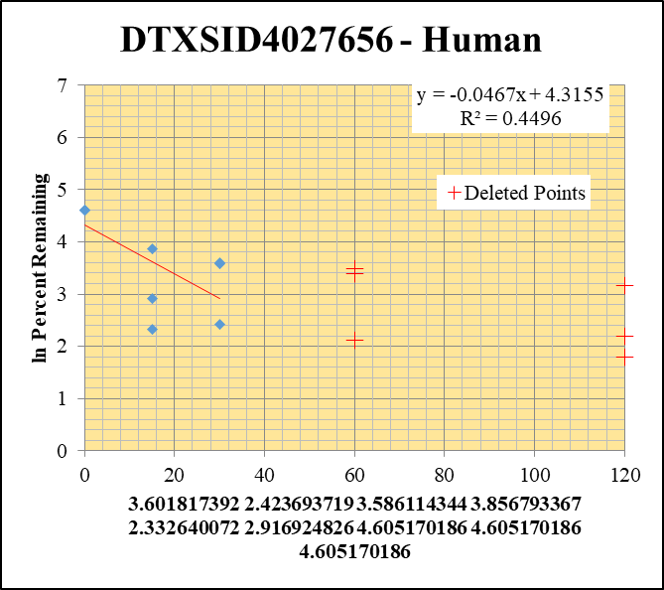
Blank____1_01 | DTXSID4027656 | 57.09 | 0 | 1088028.6016 | 0 |  |  |  | DTXSID4027656 - Human | Time (Mins) | % Remaining Replica 1 | % Remaining Replica 2 | % Remaining Replica 3 | Average
Blank____2_02 | DTXSID4027656 | 57.09 | 0 | 1770504.7524 | 0 |  |  |  | Time (Mins) | 120 | 5.99% | 8.96% | 23.55%
 | DTXSID4027656 | 57.09 |  |  |  |  |  |  | ln Percent Remaining | 60 | 29.87% | 8.36% | 32.53%
DTXSID4027656_10uM___120_1_57 | DTXSID4027656 | 57.09 | 145247.62575 | 6487554.5505 | 0.02238865579 | 5.9931844343 | 120 | 1.791 |  | 30 | 37% | 11% | 36% | 28%
DTXSID4027656_10uM___120_2_58 | DTXSID4027656 | 57.09 | 488276.92156 | 6602836.3528 | 0.073949571892 | 8.9605672686 | 120 | 2.193 |  | 15 | 47% | 10% | 18% | 25%
DTXSID4027656_10uM___120_3_59 | DTXSID4027656 | 57.09 | 209745.95672 | 6738949.6294 | 0.031124428622 | 23.551378493 | 120 | 3.159 |  | 0 | 100% | 100% | 100% | 100%
DTXSID4027656_10uM___60_1_60 | DTXSID4027656 | 57.09 | 784423.30682 | 7028671.9381 | 0.11160334608 | 29.874926071 | 60 | 3.397
DTXSID4027656_10uM___60_2_61 | DTXSID4027656 | 57.09 | 422415.74265 | 6124318.9388 | 0.068973504952 | 8.3576106671 | 60 | 2.123 |  | Slope | -0.0467
DTXSID4027656_10uM___60_3_62 | DTXSID4027656 | 57.09 | 260021.79309 | 6048948.922 | 0.042986276863 | 32.527057403 | 60 | 3.482 |  | Intercept | 4.32
DTXSID4027656_10uM___30_1_63 | DTXSID4027656 | 57.09 | 803710.39205 | 5867860.6144 | 0.13696821463 | 36.664808268 | 30 | 3.6018173922 |  | R2 | 0.450
DTXSID4027656_10uM___30_2_64 | DTXSID4027656 | 57.09 | 548117.96314 | 5884059.6599 | 0.093153026112 | 11.287475172 | 30 | 2.4236937192 |  | T½ (mins) | 14.839427038
DTXSID4027656_10uM___30_3_65 | DTXSID4027656 | 57.09 | 290001.29708 | 6079742.8929 | 0.047699598847 | 36.093555967 | 30 | 3.5861143443 |  | CLint (µl/min/106 cells) | 93.4
DTXSID4027656_10uM___15_1_66 | DTXSID4027656 | 57.09 | 1076987.1089 | 6093348.9728 | 0.17674797779 | 47.313391175 | 15 | 3.8567933669 |  | Comments | Points Deleted: (120,1.7910) (120,2.1930) (120,3.1590) (60,3.3970) (60,2.1230) (60,3.4820)
DTXSID4027656_10uM___15_2_67 | DTXSID4027656 | 57.09 | 495778.68863 | 5829549.3488 | 0.085045800108 | 10.305111893 | 15 | 2.3326400724
DTXSID4027656_10uM___15_3_68 | DTXSID4027656 | 57.09 | 90494.720992 | 3704536.1242 | 0.024428084369 | 18.484357346 | 15 | 2.9169248256
DTXSID4027656_10uM___0_1_69 | DTXSID4027656 | 57.09 | 1828293.9281 | 4894131.57 | 0.37356861007 | 100 | 0 | 4.605170186
DTXSID4027656_10uM___0_2_70 | DTXSID4027656 | 57.09 | 3328986.1129 | 4033776.4286 | 0.82527779409 | 100 | 0 | 4.605170186
DTXSID4027656_10uM___0_3_71 | DTXSID4027656 | 57.09 | 872926.26286 | 6605299.3495 | 0.13215544318 | 100 | 0 | 4.605170186

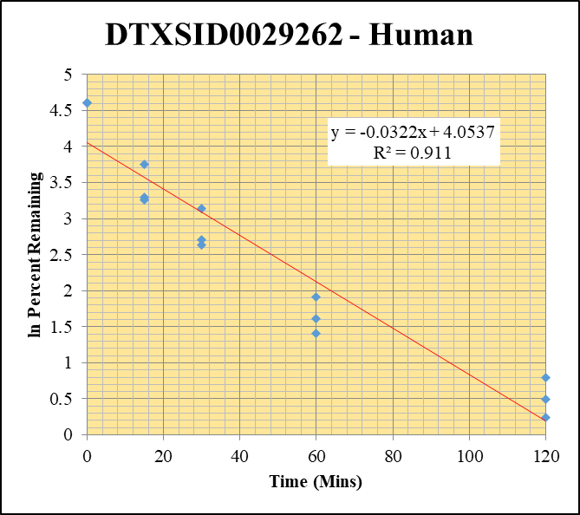
Blank____1_01 | DTXSID0029262 | 219.2 | 0 | 1088028.6016 | 0 |  |  |  | DTXSID0029262 - Human | Time (Mins) | % Remaining Replica 1 | % Remaining Replica 2 | % Remaining Replica 3 | Average
Blank____2_02 | DTXSID0029262 | 219.2 | 0 | 1770504.7524 | 0 |  |  |  | Time (Mins) | 120 | 1.3% | 2.2% | 1.6% | 1.7%
 | DTXSID0029262 | 219.2 |  |  |  |  |  |  | ln Percent Remaining | 60 | 4.1% | 6.8% | 5.0% | 5.3%
DTXSID0029262_10uM___120_1_57 | DTXSID0029262 | 219.2 | 34817.81632 | 5779405.0235 | 0.0060244637948 | 1.2681924217 | 120 | 0.23759259666 |  | 30 | 15.0% | 23.0% | 13.9% | 17.3%
DTXSID0029262_10uM___120_2_58 | DTXSID0029262 | 219.2 | 34502.73176 | 5589800.3549 | 0.0061724443754 | 2.2049609794 | 120 | 0.79070981233 |  | 15 | 26.9% | 42.8% | 26.1% | 31.9%
DTXSID0029262_10uM___120_3_59 | DTXSID0029262 | 219.2 | 31750.512257 | 6040365.2296 | 0.0052563894814 | 1.6473951696 | 120 | 0.49919535537 |  | 0 | 100% | 100% | 100% | 100%
DTXSID0029262_10uM___60_1_60 | DTXSID0029262 | 219.2 | 120871.46605 | 6197974.6205 | 0.019501768473 | 4.1052607883 | 60 | 1.4122692703
DTXSID0029262_10uM___60_2_61 | DTXSID0029262 | 219.2 | 111639.64188 | 5862594.8377 | 0.019042701222 | 6.8025583681 | 60 | 1.917298772 |  | Slope | -0.03220
DTXSID0029262_10uM___60_3_62 | DTXSID0029262 | 219.2 | 112373.8757 | 7019796.4104 | 0.016008138859 | 5.0170807784 | 60 | 1.6128482463 |  | Intercept | 4.05
DTXSID0029262_10uM___30_1_63 | DTXSID0029262 | 219.2 | 359666.74253 | 5043151.318 | 0.071317856604 | 15.0129154 | 30 | 2.7089108573 |  | R2 | 0.911
DTXSID0029262_10uM___30_2_64 | DTXSID0029262 | 219.2 | 338410.59092 | 5257228.7572 | 0.064370528001 | 22.994861328 | 30 | 3.1352707704 |  | T½ (mins) | 22
DTXSID0029262_10uM___30_3_65 | DTXSID0029262 | 219.2 | 263436.42619 | 5921704.3287 | 0.044486588923 | 13.942458405 | 30 | 2.6349387459 |  | CLint (µl/min/106 cells) | 64.40
DTXSID0029262_10uM___15_1_66 | DTXSID0029262 | 219.2 | 667760.05031 | 5234524.0923 | 0.12756843574 | 26.854061867 | 15 | 3.2904170895 |  | Comments
DTXSID0029262_10uM___15_2_67 | DTXSID0029262 | 219.2 | 679341.93885 | 5673163.5167 | 0.11974658175 | 42.776657694 | 15 | 3.7559925728
DTXSID0029262_10uM___15_3_68 | DTXSID0029262 | 219.2 | 469399.00407 | 5646680.9298 | 0.08312830314 | 26.053085589 | 15 | 3.2601362099
DTXSID0029262_10uM___0_1_69 | DTXSID0029262 | 219.2 | 2780065.5589 | 5852235.4749 | 0.47504335238 | 100 | 0 | 4.605170186
DTXSID0029262_10uM___0_2_70 | DTXSID0029262 | 219.2 | 1636248.807 | 5845115.0834 | 0.27993440396 | 100 | 0 | 4.605170186
DTXSID0029262_10uM___0_3_71 | DTXSID0029262 | 219.2 | 1671291.9763 | 5237964.8396 | 0.31907277492 | 100 | 0 | 4.605170186

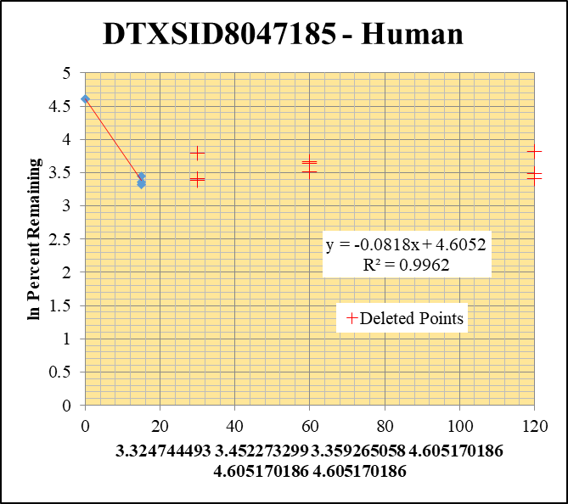
Blank____1_01 | DTXSID8047185 | 105.04 | 0 | 1088028.6016 | 0 |  |  |  | DTXSID8047185 - Human | Time (Mins) | % Remaining Replica 1 | % Remaining Replica 2 | % Remaining Replica 3 | Average
Blank____2_02 | DTXSID8047185 | 105.04 | 0 | 1770504.7524 | 0 |  |  |  | Time (Mins) | 120 | 30.06% | 45.47% | 32.49%
 | DTXSID8047185 | 105.04 |  |  |  |  |  |  | ln Percent Remaining | 60 | 37.96% | 39.11% | 33.28%
DTXSID8047185_10uM___120_1_57 | DTXSID8047185 | 105.04 | 19162.556278 | 9039405.3331 | 0.0021198912507 | 30.06044328 | 120 | 3.403 |  | 30 | 29.57% | 44.48% | 30.30%
DTXSID8047185_10uM___120_2_58 | DTXSID8047185 | 105.04 | 23569.947032 | 8756504.2114 | 0.0026917073826 | 45.467992925 | 120 | 3.817 |  | 15 | 27.8% | 31.6% | 28.8% | 29.4%
DTXSID8047185_10uM___120_3_59 | DTXSID8047185 | 105.04 | 20253.615478 | 8824055.1207 | 0.002295273001 | 32.486013126 | 120 | 3.481 |  | 0 | 100% | 100% | 100% | 100%
DTXSID8047185_10uM___60_1_60 | DTXSID8047185 | 105.04 | 24005.510836 | 8966567.5125 | 0.0026772241219 | 37.963524702 | 60 | 3.637
DTXSID8047185_10uM___60_2_61 | DTXSID8047185 | 105.04 | 20626.510202 | 8907886.1612 | 0.0023155336551 | 39.113712184 | 60 | 3.666 |  | Slope | -0.08176
DTXSID8047185_10uM___60_3_62 | DTXSID8047185 | 105.04 | 21265.499374 | 9042973.5583 | 0.0023516047279 | 33.283300951 | 60 | 3.505 |  | Intercept | 4.61
DTXSID8047185_10uM___30_1_63 | DTXSID8047185 | 105.04 | 19646.293107 | 9421011.1814 | 0.0020853698959 | 29.570924193 | 30 | 3.387 |  | R2 | 0.996
DTXSID8047185_10uM___30_2_64 | DTXSID8047185 | 105.04 | 23101.14268 | 8773433.4767 | 0.0026330789128 | 44.47764796 | 30 | 3.795 |  | T½ (mins) | 8
DTXSID8047185_10uM___30_3_65 | DTXSID8047185 | 105.04 | 17341.630885 | 8099387.6251 | 0.0021411039559 | 30.3039905 | 30 | 3.411 |  | CLint (µl/min/106 cells) | 163.5
DTXSID8047185_10uM___15_1_66 | DTXSID8047185 | 105.04 | 17350.893844 | 8852898.0663 | 0.0019599111742 | 27.791896713 | 15 | 3.3247444931 |  | Comments | Points Deleted: (120,3.4030) (120,3.8170) (120,3.4810) (60,3.6370) (60,3.6660) (60,3.5050) (30,3.3870) (30,3.7950) (30,3.4110)
DTXSID8047185_10uM___15_2_67 | DTXSID8047185 | 105.04 | 16596.82229 | 8879727.4975 | 0.0018690688756 | 31.572083564 | 15 | 3.4522732986
DTXSID8047185_10uM___15_3_68 | DTXSID8047185 | 105.04 | 18227.762189 | 8967784.0787 | 0.0020325826345 | 28.76804028 | 15 | 3.3592650584
DTXSID8047185_10uM___0_1_69 | DTXSID8047185 | 105.04 | 60111.457235 | 8523913.9037 | 0.0070520957759 | 100 | 0 | 4.605170186
DTXSID8047185_10uM___0_2_70 | DTXSID8047185 | 105.04 | 50216.283751 | 8482473.4257 | 0.0059200048418 | 100 | 0 | 4.605170186
DTXSID8047185_10uM___0_3_71 | DTXSID8047185 | 105.04 | 57304.450916 | 8110552.182 | 0.0070654191762 | 100 | 0 | 4.605170186

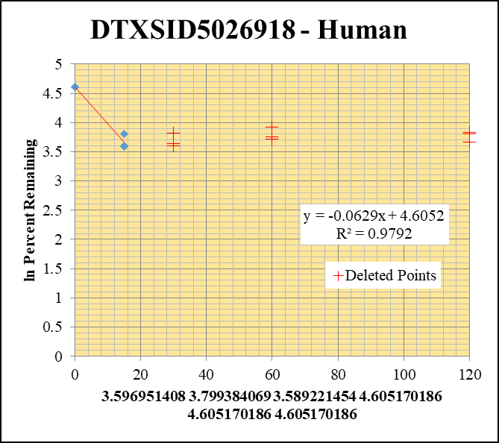
Blank____1_01 | DTXSID5026918 | 55.08 | 0 | 1088028.6016 | 0 |  |  |  | DTXSID5026918 - Human | Time (Mins) | % Remaining Replica 1 | % Remaining Replica 2 | % Remaining Replica 3 | Average
Blank____2_02 | DTXSID5026918 | 55.08 | 0 | 1770504.7524 | 0 |  |  |  | Time (Mins) | 120 | 38.88% | 45.03% | 46.07%
 | DTXSID5026918 | 55.08 |  |  |  |  |  |  | ln Percent Remaining | 60 | 42.54% | 50.16% | 40.91%
DTXSID5026918_10uM___120_1_57 | DTXSID5026918 | 55.08 | 437853.1478 | 6870905.0871 | 0.063725687118 | 38.880604906 | 120 | 3.660 |  | 30 | 37.85% | 45.57% | 36.74%
DTXSID5026918_10uM___120_2_58 | DTXSID5026918 | 55.08 | 412515.59198 | 6835448.26 | 0.060349457166 | 45.027015715 | 120 | 3.807 |  | 15 | 36% | 45% | 36.2% | 39.1%
DTXSID5026918_10uM___120_3_59 | DTXSID5026918 | 55.08 | 528765.97408 | 7063892.1973 | 0.074854762687 | 46.074032243 | 120 | 3.830 |  | 0 | 100% | 100% | 100% | 100%
DTXSID5026918_10uM___60_1_60 | DTXSID5026918 | 55.08 | 505295.70608 | 7247396.9169 | 0.069720992499 | 42.538487784 | 60 | 3.750
DTXSID5026918_10uM___60_2_61 | DTXSID5026918 | 55.08 | 466273.42824 | 6935907.6462 | 0.067226014535 | 50.157647726 | 60 | 3.915 |  | Slope | -0.062888
DTXSID5026918_10uM___60_3_62 | DTXSID5026918 | 55.08 | 473729.24586 | 7127006.5691 | 0.066469595793 | 40.912858311 | 60 | 3.711 |  | Intercept | 4.61
DTXSID5026918_10uM___30_1_63 | DTXSID5026918 | 55.08 | 440840.4117 | 7105819.1176 | 0.062039351749 | 37.851730332 | 30 | 3.634 |  | R2 | 0.9792
DTXSID5026918_10uM___30_2_64 | DTXSID5026918 | 55.08 | 409968.58136 | 6712311.7538 | 0.061077106726 | 45.569918497 | 30 | 3.819 |  | T½ (mins) | 11
DTXSID5026918_10uM___30_3_65 | DTXSID5026918 | 55.08 | 378887.00168 | 6346892.1979 | 0.05969646086 | 36.743909989 | 30 | 3.604 |  | CLint (µl/min/106 cells) | 125.776
DTXSID5026918_10uM___15_1_66 | DTXSID5026918 | 55.08 | 413313.77947 | 6911339.4264 | 0.059802268992 | 36.486831266 | 15 | 3.5969514083 |  | Comments | Points Deleted: (120,3.6600) (120,3.8070) (120,3.8300) (60,3.7500) (60,3.9150) (60,3.7110) (30,3.6340) (30,3.8190) (30,3.6040)
DTXSID5026918_10uM___15_2_67 | DTXSID5026918 | 55.08 | 399266.11364 | 6668232.1731 | 0.059875856641 | 44.673660121 | 15 | 3.7993840689
DTXSID5026918_10uM___15_3_68 | DTXSID5026918 | 55.08 | 388482.68699 | 6604339.3583 | 0.058822338756 | 36.205877023 | 15 | 3.5892214544
DTXSID5026918_10uM___0_1_69 | DTXSID5026918 | 55.08 | 1017071.4249 | 6205402.2515 | 0.16390096623 | 100 | 0 | 4.605170186
DTXSID5026918_10uM___0_2_70 | DTXSID5026918 | 55.08 | 841172.59536 | 6276028.5592 | 0.13402944034 | 100 | 0 | 4.605170186
DTXSID5026918_10uM___0_3_71 | DTXSID5026918 | 55.08 | 910655.32885 | 5605196.1796 | 0.16246627231 | 100 | 0 | 4.605170186

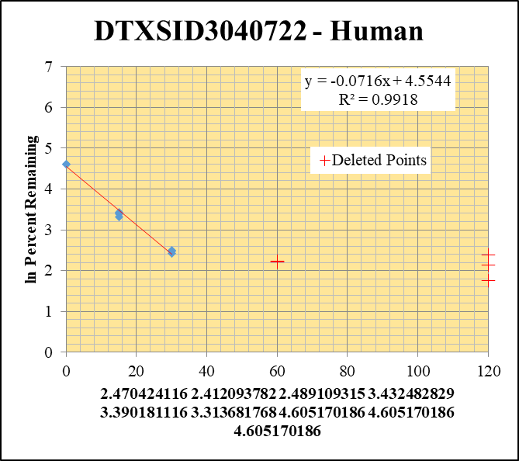
Blank____1_01 | DTXSID3040722 | 81.1 | 0 | 1088028.6016 | 0 |  |  |  | DTXSID3040722 - Human | Time (Mins) | % Remaining Replica 1 | % Remaining Replica 2 | % Remaining Replica 3 | Average
Blank____2_02 | DTXSID3040722 | 81.1 | 0 | 1770504.7524 | 0 |  |  |  | Time (Mins) | 120 | 5.78% | 8.50% | 10.83%
 | DTXSID3040722 | 81.1 |  |  |  |  |  |  | ln Percent Remaining | 60 | 9.15% | 9.03% | 9.31%
DTXSID3040722_10uM___120_1_57 | DTXSID3040722 | 81.1 | 127718.34679 | 6026415.9651 | 0.021193085166 | 5.7778315735 | 120 | 1.754 |  | 30 | 12% | 11% | 12% | 12%
DTXSID3040722_10uM___120_2_58 | DTXSID3040722 | 81.1 | 171682.28666 | 5908816.2481 | 0.029055275956 | 8.4971858858 | 120 | 2.140 |  | 15 | 31% | 30% | 27% | 29%
DTXSID3040722_10uM___120_3_59 | DTXSID3040722 | 81.1 | 234279.68721 | 6299714.7655 | 0.037188935679 | 10.833648344 | 120 | 2.383 |  | 0 | 100% | 100% | 100% | 100%
DTXSID3040722_10uM___60_1_60 | DTXSID3040722 | 81.1 | 227747.46877 | 6787451.3606 | 0.033554195333 | 9.147818154 | 60 | 2.214
DTXSID3040722_10uM___60_2_61 | DTXSID3040722 | 81.1 | 203433.03181 | 6586657.8266 | 0.030885623204 | 9.0324690759 | 60 | 2.201 |  | Slope | -0.0716
DTXSID3040722_10uM___60_3_62 | DTXSID3040722 | 81.1 | 207372.33423 | 6491813.9769 | 0.03194366551 | 9.3056290163 | 60 | 2.231 |  | Intercept | 4.55
DTXSID3040722_10uM___30_1_63 | DTXSID3040722 | 81.1 | 273246.80024 | 6298457.7158 | 0.043383128469 | 11.827461998 | 30 | 2.4704241155 |  | R2 | 0.992
DTXSID3040722_10uM___30_2_64 | DTXSID3040722 | 81.1 | 250635.03968 | 6569508.5443 | 0.038151261695 | 11.157297659 | 30 | 2.4120937824 |  | T½ (mins) | 9.6810017976
DTXSID3040722_10uM___30_3_65 | DTXSID3040722 | 81.1 | 249372.02609 | 6028403.02 | 0.041366183591 | 12.050538101 | 30 | 2.4891093147 |  | CLint (µl/min/106 cells) | 143.2
DTXSID3040722_10uM___15_1_66 | DTXSID3040722 | 81.1 | 874099.62955 | 7698804.2757 | 0.11353706345 | 30.953399415 | 15 | 3.4324828288 |  | Comments | Points Deleted: (120,1.7540) (120,2.1400) (120,2.3830) (60,2.2140) (60,2.2010) (60,2.2310)
DTXSID3040722_10uM___15_2_67 | DTXSID3040722 | 81.1 | 743824.91614 | 7331348.8478 | 0.10145812614 | 29.671325741 | 15 | 3.3901811162
DTXSID3040722_10uM___15_3_68 | DTXSID3040722 | 81.1 | 679753.33246 | 7204413.3787 | 0.094352349974 | 27.486136975 | 15 | 3.3136817676
DTXSID3040722_10uM___0_1_69 | DTXSID3040722 | 81.1 | 2555024.5266 | 6965716.0651 | 0.3667999819 | 100 | 0 | 4.605170186
DTXSID3040722_10uM___0_2_70 | DTXSID3040722 | 81.1 | 2066842.774 | 6044460.6597 | 0.3419399828 | 100 | 0 | 4.605170186
DTXSID3040722_10uM___0_3_71 | DTXSID3040722 | 81.1 | 2065004.7212 | 6015642.7089 | 0.34327250155 | 100 | 0 | 4.605170186

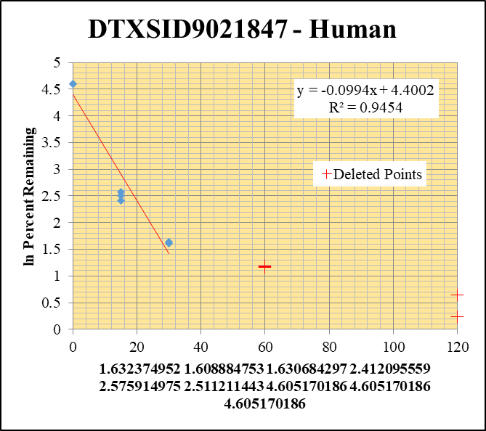
Blank____1_01 | DTXSID9021847 | 170.1 | 0 | 1088028.6016 | 0 |  |  |  | DTXSID9021847 - Human | Time (Mins) | % Remaining Replica 1 | % Remaining Replica 2 | % Remaining Replica 3 | Average
Blank____2_02 | DTXSID9021847 | 170.1 | 0 | 1770504.7524 | 0 |  |  |  | Time (Mins) | 120 | 0.00% | 1.26% | 1.91%
 | DTXSID9021847 | 170.1 |  |  |  |  |  |  | ln Percent Remaining | 60 | 3.28% | 3.19% | 3.25%
DTXSID9021847_10uM___120_1_57 | DTXSID9021847 | 170.1 | 0 | 6887071.3197 | 0.0000001 | 4.7444778054E-05 | 120 | -9.956 |  | 30 | 5.1% | 5.0% | 5% | 5.1%
DTXSID9021847_10uM___120_2_58 | DTXSID9021847 | 170.1 | 10159.610501 | 4088105.4636 | 0.0024851635046 | 1.2649296319 | 120 | 0.235 |  | 15 | 11% | 13.1% | 12.3% | 12.2%
DTXSID9021847_10uM___120_3_59 | DTXSID9021847 | 170.1 | 15096.671502 | 3829531.237 | 0.0039421721792 | 1.9140402509 | 120 | 0.649 |  | 0 | 100% | 100% | 100% | 100%
DTXSID9021847_10uM___60_1_60 | DTXSID9021847 | 170.1 | 33396.482248 | 4827999.886 | 0.0069172500077 | 3.2818739136 | 60 | 1.188
DTXSID9021847_10uM___60_2_61 | DTXSID9021847 | 170.1 | 30683.76025 | 4895121.612 | 0.0062682324735 | 3.1904834353 | 60 | 1.160 |  | Slope | -0.09937
DTXSID9021847_10uM___60_3_62 | DTXSID9021847 | 170.1 | 32206.344714 | 4816463.5616 | 0.0066867203089 | 3.2465988891 | 60 | 1.178 |  | Intercept | 4.40
DTXSID9021847_10uM___30_1_63 | DTXSID9021847 | 170.1 | 51669.533895 | 4791721.0656 | 0.010783084655 | 5.1160105822 | 30 | 1.6323749522 |  | R2 | 0.945
DTXSID9021847_10uM___30_2_64 | DTXSID9021847 | 170.1 | 48965.186016 | 4987340.7066 | 0.0098178947253 | 4.9972349659 | 30 | 1.6088847526 |  | T½ (mins) | 7
DTXSID9021847_10uM___30_3_65 | DTXSID9021847 | 170.1 | 55764.370105 | 5301210.9527 | 0.010519175827 | 5.1073684818 | 30 | 1.6306842974 |  | CLint (µl/min/106 cells) | 198.75
DTXSID9021847_10uM___15_1_66 | DTXSID9021847 | 170.1 | 103016.24249 | 4380607.4089 | 0.023516428858 | 11.157317478 | 15 | 2.4120955587 |  | Comments | Points Deleted: (120,-9.9560) (120,0.2350) (120,0.6490) (60,1.1880) (60,1.1600) (60,1.1780)
DTXSID9021847_10uM___15_2_67 | DTXSID9021847 | 170.1 | 105836.859 | 4098667.4451 | 0.02582226063 | 13.14333748 | 15 | 2.5759149747
DTXSID9021847_10uM___15_3_68 | DTXSID9021847 | 170.1 | 68658.856449 | 2705869.0227 | 0.025374050212 | 12.319845817 | 15 | 2.5112114432
DTXSID9021847_10uM___0_1_69 | DTXSID9021847 | 170.1 | 871212.55375 | 4133448.6251 | 0.21077135167 | 100 | 0 | 4.605170186
DTXSID9021847_10uM___0_2_70 | DTXSID9021847 | 170.1 | 798360.28175 | 4063594.1075 | 0.19646654184 | 100 | 0 | 4.605170186
DTXSID9021847_10uM___0_3_71 | DTXSID9021847 | 170.1 | 901590.0267 | 4377484.0936 | 0.20596077734 | 100 | 0 | 4.605170186

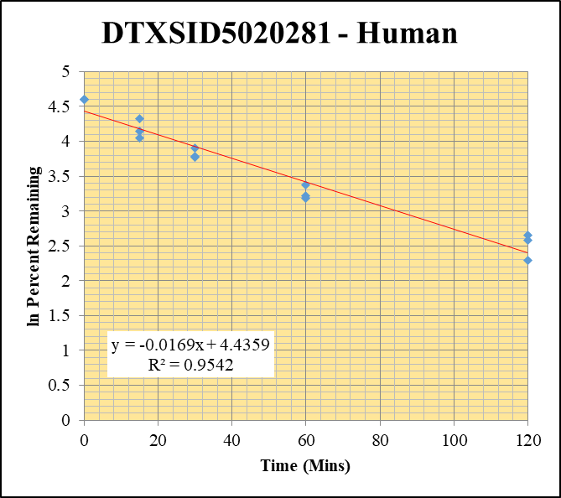
Blank____1_01 | DTXSID5020281 | 127 | 0 | 1088028.6016 | 0 |  |  |  | DTXSID5020281 - Human | Time (Mins) | % Remaining Replica 1 | % Remaining Replica 2 | % Remaining Replica 3 | Average
Blank____2_02 | DTXSID5020281 | 127 | 0 | 1770504.7524 | 0 |  |  |  | Time (Mins) | 120 | 14.2% | 13.2% | 9.9% | 12.4%
 | DTXSID5020281 | 127 |  |  |  |  |  |  | ln Percent Remaining | 60 | 29.2% | 24.2% | 25.0% | 26.2%
DTXSID5020281_10uM___120_1_57 | DTXSID5020281 | 127 | 96453.645583 | 4008231.5188 | 0.024063890803 | 14.171917565 | 120 | 2.6512623702 |  | 30 | 49.3% | 44.0% | 43.6% | 45.6%
DTXSID5020281_10uM___120_2_58 | DTXSID5020281 | 127 | 115686.06204 | 4102871.3279 | 0.028196366105 | 13.240850013 | 120 | 2.5833067488 |  | 15 | 75.5% | 63.1% | 57.2% | 65.3%
DTXSID5020281_10uM___120_3_59 | DTXSID5020281 | 127 | 111205.10192 | 4759430.4966 | 0.023365211868 | 9.9223308841 | 120 | 2.2947878619 |  | 0 | 100% | 100% | 100% | 100%
DTXSID5020281_10uM___60_1_60 | DTXSID5020281 | 127 | 184460.59108 | 3716520.272 | 0.049632607273 | 29.230070256 | 60 | 3.3751979827
DTXSID5020281_10uM___60_2_61 | DTXSID5020281 | 127 | 197073.96127 | 3819258.1587 | 0.051600062912 | 24.231090316 | 60 | 3.1876365324 |  | Slope | -0.0169
DTXSID5020281_10uM___60_3_62 | DTXSID5020281 | 127 | 216672.5243 | 3678507.3695 | 0.058902294474 | 25.013599659 | 60 | 3.2194196633 |  | Intercept | 4.44
DTXSID5020281_10uM___30_1_63 | DTXSID5020281 | 127 | 330936.37936 | 3952410.291 | 0.083730269631 | 49.311164542 | 30 | 3.8981505167 |  | R2 | 0.954
DTXSID5020281_10uM___30_2_64 | DTXSID5020281 | 127 | 389342.76501 | 4156845.0036 | 0.093663046055 | 43.983623278 | 30 | 3.7838173664 |  | T½ (mins) | 40.9
DTXSID5020281_10uM___30_3_65 | DTXSID5020281 | 127 | 482283.88763 | 4698050.8399 | 0.10265616616 | 43.594231187 | 30 | 3.7749248294 |  | CLint (µl/min/106 cells) | 33.9
DTXSID5020281_10uM___15_1_66 | DTXSID5020281 | 127 | 401490.43702 | 3133080.9805 | 0.12814556646 | 75.468610587 | 15 | 4.323716816 |  | Comments
DTXSID5020281_10uM___15_2_67 | DTXSID5020281 | 127 | 457169.48346 | 3402923.1921 | 0.13434610705 | 63.088152802 | 15 | 4.1445329992
DTXSID5020281_10uM___15_3_68 | DTXSID5020281 | 127 | 465770.37334 | 3455746.5602 | 0.13478140402 | 57.236617212 | 15 | 4.0471938546
DTXSID5020281_10uM___0_1_69 | DTXSID5020281 | 127 | 622128.3139 | 3663892.6147 | 0.16979982203 | 100 | 0 | 4.605170186
DTXSID5020281_10uM___0_2_70 | DTXSID5020281 | 127 | 770003.36875 | 3615891.1674 | 0.21294981876 | 100 | 0 | 4.605170186
DTXSID5020281_10uM___0_3_71 | DTXSID5020281 | 127 | 868463.64656 | 3688040.0275 | 0.2354810794 | 100 | 0 | 4.605170186

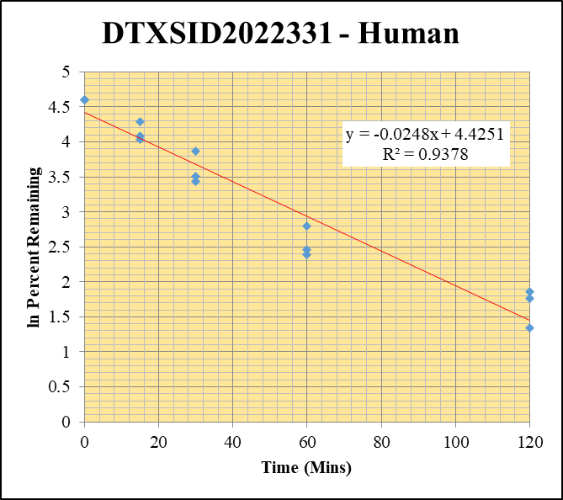
Blank____1_01 | DTXSID2022331 | 121.1 | 0 | 1088028.6016 | 0 |  |  |  | DTXSID2022331 - Human | Time (Mins) | % Remaining Replica 1 | % Remaining Replica 2 | % Remaining Replica 3 | Average
Blank____2_02 | DTXSID2022331 | 121.1 | 0 | 1770504.7524 | 0 |  |  |  | Time (Mins) | 120 | 3.8% | 5.9% | 6.4% | 5.4%
 | DTXSID2022331 | 121.1 |  |  |  |  |  |  | ln Percent Remaining | 60 | 16.4% | 11.7% | 10.9% | 13.0%
DTXSID2022331_10uM___120_1_57 | DTXSID2022331 | 121.1 | 529817.29543 | 4063860.6213 | 0.13037290026 | 3.8157943635 | 120 | 1.3391488642 |  | 30 | 48% | 33.3% | 31% | 37.3%
DTXSID2022331_10uM___120_2_58 | DTXSID2022331 | 121.1 | 935268.80867 | 4157790.8933 | 0.22494368588 | 5.8572356589 | 120 | 1.7676777617 |  | 15 | 73.0% | 59.4% | 56.6% | 63.0%
DTXSID2022331_10uM___120_3_59 | DTXSID2022331 | 121.1 | 1038807.2566 | 4530366.9909 | 0.22929869891 | 6.3803789933 | 120 | 1.8532274989 |  | 0 | 100% | 100% | 100% | 100%
DTXSID2022331_10uM___60_1_60 | DTXSID2022331 | 121.1 | 2238877.634 | 3989655.9395 | 0.56117060416 | 16.424514789 | 60 | 2.7987750229
DTXSID2022331_10uM___60_2_61 | DTXSID2022331 | 121.1 | 1758619.3799 | 3908574.9892 | 0.44993875896 | 11.715809372 | 60 | 2.4609391581 |  | Slope | -0.02479
DTXSID2022331_10uM___60_3_62 | DTXSID2022331 | 121.1 | 1688128.8017 | 4311321.7542 | 0.39155713676 | 10.895321002 | 60 | 2.3883334312 |  | Intercept | 4.43
DTXSID2022331_10uM___30_1_63 | DTXSID2022331 | 121.1 | 5692393.1979 | 3504197.7655 | 1.624449754 | 47.544897771 | 30 | 3.8616744808 |  | R2 | 0.938
DTXSID2022331_10uM___30_2_64 | DTXSID2022331 | 121.1 | 4864756.6462 | 3805891.7407 | 1.2782172951 | 33.283085458 | 30 | 3.5050493237 |  | T½ (mins) | 28
DTXSID2022331_10uM___30_3_65 | DTXSID2022331 | 121.1 | 4573751.5113 | 4084472.4651 | 1.1197900219 | 31.158854223 | 30 | 3.4390984496 |  | CLint (µl/min/106 cells) | 49.59
DTXSID2022331_10uM___15_1_66 | DTXSID2022331 | 121.1 | 9257083.87 | 3710512.9765 | 2.4948258984 | 73.019335936 | 15 | 4.2907242819 |  | Comments
DTXSID2022331_10uM___15_2_67 | DTXSID2022331 | 121.1 | 8927264.3727 | 3912731.0178 | 2.281594194 | 59.409691005 | 15 | 4.0844573613
DTXSID2022331_10uM___15_3_68 | DTXSID2022331 | 121.1 | 9122330.5469 | 4481121.0685 | 2.0357250803 | 56.645317223 | 15 | 4.0368093225
DTXSID2022331_10uM___0_1_69 | DTXSID2022331 | 121.1 | 13297400.338 | 3891924.254 | 3.4166647319 | 100 | 0 | 4.605170186
DTXSID2022331_10uM___0_2_70 | DTXSID2022331 | 121.1 | 14606109.398 | 3803237.4399 | 3.8404411054 | 100 | 0 | 4.605170186
DTXSID2022331_10uM___0_3_71 | DTXSID2022331 | 121.1 | 14541294.922 | 4046205.8048 | 3.5938100095 | 100 | 0 | 4.605170186

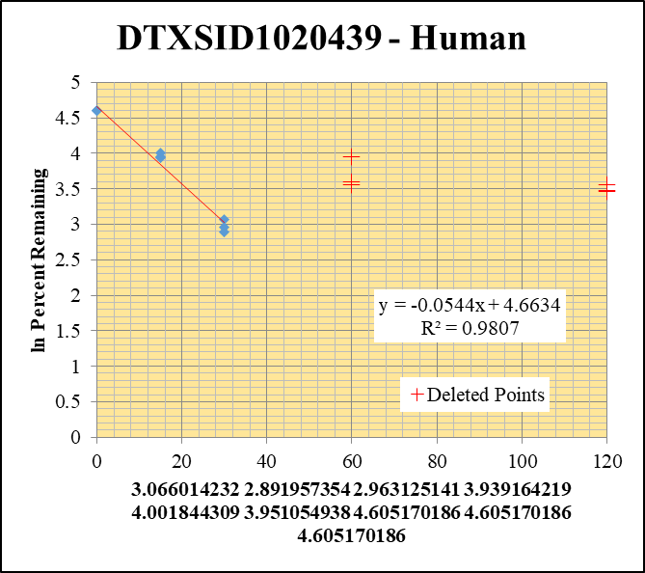
Blank____1_01 | DTXSID1020439 | 162 | 0 | 1088028.6016 | 0 |  |  |  | DTXSID1020439 - Human | Time (Mins) | % Remaining Replica 1 | % Remaining Replica 2 | % Remaining Replica 3 | Average
Blank____2_02 | DTXSID1020439 | 162 | 0 | 1770504.7524 | 0 |  |  |  | Time (Mins) | 120 | 35.01% | 31.95% | 32.47%
 | DTXSID1020439 | 162 |  |  |  |  |  |  | ln Percent Remaining | 60 | 36.29% | 35.15% | 52.22%
DTXSID1020439_10uM___120_1_57 | DTXSID1020439 | 162 | 1817674.4889 | 3199400.077 | 0.56812978843 | 35.007722124 | 120 | 3.556 |  | 30 | 21.5% | 18.0% | 19.4% | 19.6%
DTXSID1020439_10uM___120_2_58 | DTXSID1020439 | 162 | 1648171.6859 | 3733927.8277 | 0.44140426971 | 31.949959083 | 120 | 3.464 |  | 15 | 51.4% | 54.7% | 52% | 52.7%
DTXSID1020439_10uM___120_3_59 | DTXSID1020439 | 162 | 1547666.2634 | 3557562.7122 | 0.43503555345 | 32.467050026 | 120 | 3.480 |  | 0 | 100% | 100% | 100% | 100%
DTXSID1020439_10uM___60_1_60 | DTXSID1020439 | 162 | 1988618.4389 | 3376180.1248 | 0.58901431957 | 36.294610926 | 60 | 3.592
DTXSID1020439_10uM___60_2_61 | DTXSID1020439 | 162 | 1633983.0523 | 3364597.1488 | 0.48564002764 | 35.151855288 | 60 | 3.560 |  | Slope | -0.05438
DTXSID1020439_10uM___60_3_62 | DTXSID1020439 | 162 | 1932632.5857 | 2761794.9272 | 0.69977410946 | 52.224699427 | 60 | 3.956 |  | Intercept | 4.66
DTXSID1020439_10uM___30_1_63 | DTXSID1020439 | 162 | 1390766.9314 | 3994087.5964 | 0.34820641707 | 21.45621254 | 30 | 3.0660142323 |  | R2 | 0.981
DTXSID1020439_10uM___30_2_64 | DTXSID1020439 | 162 | 1138902.2997 | 4572556.9749 | 0.24907339722 | 18.028563374 | 30 | 2.8919573543 |  | T½ (mins) | 13
DTXSID1020439_10uM___30_3_65 | DTXSID1020439 | 162 | 1218711.7226 | 4698401.9667 | 0.25938856046 | 19.358374969 | 30 | 2.9631251408 |  | CLint (µl/min/106 cells) | 108.76
DTXSID1020439_10uM___15_1_66 | DTXSID1020439 | 162 | 2882722.6882 | 3457497.4988 | 0.83375987669 | 51.375644572 | 15 | 3.9391642191 |  | Comments | Points Deleted: (120,3.5560) (120,3.4640) (120,3.4800) (60,3.5920) (60,3.5600) (60,3.9560)
DTXSID1020439_10uM___15_2_67 | DTXSID1020439 | 162 | 2467775.2556 | 3265581.1525 | 0.7556925216 | 54.698938821 | 15 | 4.0018443093
DTXSID1020439_10uM___15_3_68 | DTXSID1020439 | 162 | 2513040.627 | 3607416.0332 | 0.69663177296 | 51.99018435 | 15 | 3.9510549383
DTXSID1020439_10uM___0_1_69 | DTXSID1020439 | 162 | 5208871.6071 | 3209666.7613 | 1.6228699097 | 100 | 0 | 4.605170186
DTXSID1020439_10uM___0_2_70 | DTXSID1020439 | 162 | 4972961.4959 | 3599555.4919 | 1.3815487793 | 100 | 0 | 4.605170186
DTXSID1020439_10uM___0_3_71 | DTXSID1020439 | 162 | 5063518.7949 | 3778944.4269 | 1.3399294149 | 100 | 0 | 4.605170186

10uM Inactive
SampleName | CompoundName | Transition | Area | ISTD Area | ISTDResponseRatio | % Remaining | Time (mins) | ln % Remaining | Chart | Table

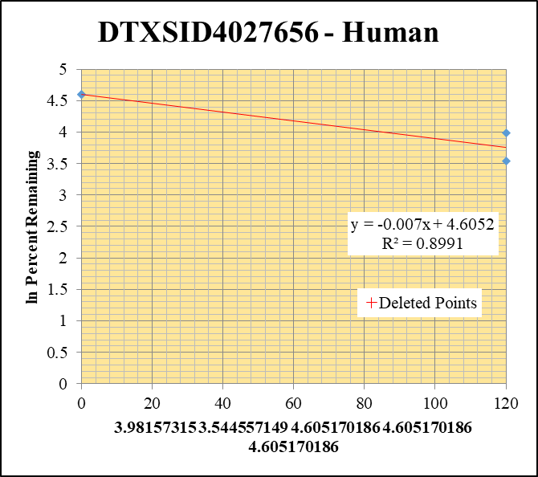
Blank____1_01 | DTXSID4027656 | 57.09 | 0 | 1088028.6016 | 0 |  |  |  | DTXSID4027656 - Human | Time (Mins) | % Remaining Replica 1 | % Remaining Replica 2 | % Remaining Replica 3 | Average
Blank____2_02 | DTXSID4027656 | 57.09 | 0 | 1770504.7524 | 0 |  |  |  | Time (Mins) | 120 | 53.6% | 34.6% | 192.11% | 44.1%
 | DTXSID4027656 | 57.09 |  |  |  |  |  |  | ln Percent Remaining | 0 | 100% | 100% | 100% | 100%
DTXSID4027656_10uM_HI__120_1_72 | DTXSID4027656 | 57.09 | 884935.60203 | 4419427.797 | 0.20023759697 | 53.601290785 | 120 | 3.9815731496
DTXSID4027656_10uM_HI__120_2_73 | DTXSID4027656 | 57.09 | 1148300.12 | 4018589.4516 | 0.28574705972 | 34.624348525 | 120 | 3.5445571492 |  | Slope | -0.00702
DTXSID4027656_10uM_HI__120_3_74 | DTXSID4027656 | 57.09 | 1074073.4411 | 4230541.5888 | 0.2538855649 | 192.11131891 | 120 | 5.258 |  | Intercept | 4.61
DTXSID4027656_10uM___0_1_69 | DTXSID4027656 | 57.09 | 1828293.9281 | 4894131.57 | 0.37356861007 | 100 | 0 | 4.605170186 |  | R2 | 0.899
DTXSID4027656_10uM___0_2_70 | DTXSID4027656 | 57.09 | 3328986.1129 | 4033776.4286 | 0.82527779409 | 100 | 0 | 4.605170186 |  | T½ (mins) | 99
DTXSID4027656_10uM___0_3_71 | DTXSID4027656 | 57.09 | 872926.26286 | 6605299.3495 | 0.13215544318 | 100 | 0 | 4.605170186 |  | CLint (µl/min/106 cells) | 14.04
 |  |  |  |  |  |  |  |  |  | Comments | Points Deleted: (120,5.2580)

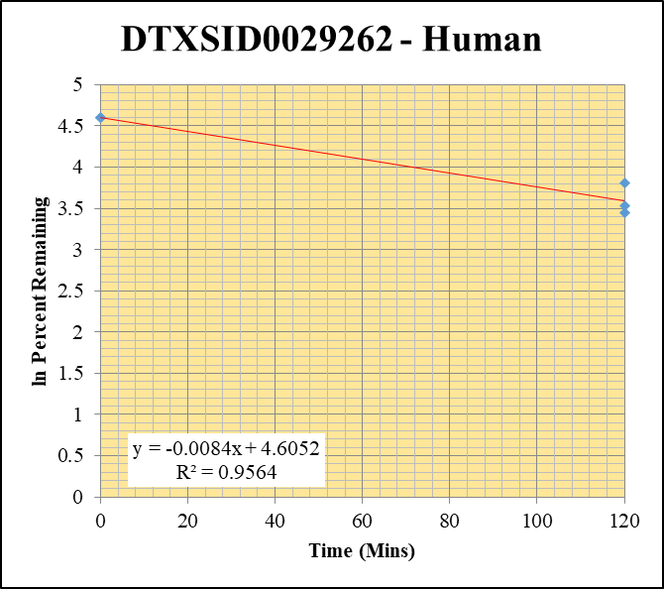
Blank____1_01 | DTXSID0029262 | 219.2 | 0 | 1088028.6016 | 0 |  |  |  | DTXSID0029262 - Human | Time (Mins) | % Remaining Replica 1 | % Remaining Replica 2 | % Remaining Replica 3 | Average
Blank____2_02 | DTXSID0029262 | 219.2 | 0 | 1770504.7524 | 0 |  |  |  | Time (Mins) | 120 | 34.0% | 45.0% | 31.5% | 36.8%
 | DTXSID0029262 | 219.2 |  |  |  |  |  |  | ln Percent Remaining | 0 | 100% | 100% | 100% | 100%
DTXSID0029262_10uM_HI__120_1_36 | DTXSID0029262 | 219.2 | 713475.31305 | 4420610.4715 | 0.16139746256 | 33.975312305 | 120 | 3.5256341522
DTXSID0029262_10uM_HI__120_2_37 | DTXSID0029262 | 219.2 | 565562.12571 | 4493359.7884 | 0.12586620087 | 44.96274809 | 120 | 3.8058343267 |  | Slope | -0.00842
DTXSID0029262_10uM_HI__120_3_38 | DTXSID0029262 | 219.2 | 457824.50512 | 4548035.6879 | 0.10066422881 | 31.548987166 | 120 | 3.451541486 |  | Intercept | 4.61
DTXSID0029262_10uM___0_1_69 | DTXSID0029262 | 219.2 | 2780065.5589 | 5852235.4749 | 0.47504335238 | 100 | 0 | 4.605170186 |  | R2 | 0.956
DTXSID0029262_10uM___0_2_70 | DTXSID0029262 | 219.2 | 1636248.807 | 5845115.0834 | 0.27993440396 | 100 | 0 | 4.605170186 |  | T½ (mins) | 82
DTXSID0029262_10uM___0_3_71 | DTXSID0029262 | 219.2 | 1671291.9763 | 5237964.8396 | 0.31907277492 | 100 | 0 | 4.605170186 |  | CLint (µl/min/106 cells) | 16.85
 |  |  |  |  |  |  |  |  |  | Comments

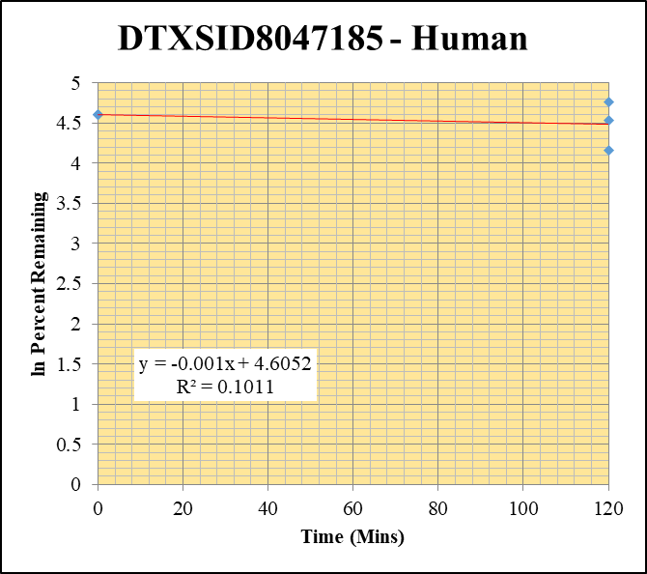
Blank____1_01 | DTXSID8047185 | 105.04 | 0 | 1088028.6016 | 0 |  |  |  | DTXSID8047185 - Human | Time (Mins) | % Remaining Replica 1 | % Remaining Replica 2 | % Remaining Replica 3 | Average
Blank____2_02 | DTXSID8047185 | 105.04 | 0 | 1770504.7524 | 0 |  |  |  | Time (Mins) | 120 | 117.2% | 93.4% | 64.2% | 91.6%
 | DTXSID8047185 | 105.04 |  |  |  |  |  |  | ln Percent Remaining | 0 | 100% | 100% | 100% | 100%
DTXSID8047185_10uM_HI__120_1_108 | DTXSID8047185 | 105.04 | 78759.972224 | 9531918.19 | 0.0082627620857 | 117.16746834 | 120 | 4.7636042647
DTXSID8047185_10uM_HI__120_2_109 | DTXSID8047185 | 105.04 | 50166.597532 | 9071287.3279 | 0.0055302622129 | 93.416515031 | 120 | 4.5370681501 |  | Slope | -0.00098
DTXSID8047185_10uM_HI__120_3_110 | DTXSID8047185 | 105.04 | 31678.481778 | 6987958.5704 | 0.004533295591 | 64.161735885 | 120 | 4.1614070188 |  | Intercept | 4.61
DTXSID8047185_10uM___0_1_69 | DTXSID8047185 | 105.04 | 60111.457235 | 8523913.9037 | 0.0070520957759 | 100 | 0 | 4.605170186 |  | R2 | 0.101
DTXSID8047185_10uM___0_2_70 | DTXSID8047185 | 105.04 | 50216.283751 | 8482473.4257 | 0.0059200048418 | 100 | 0 | 4.605170186 |  | T½ (mins) | 706
DTXSID8047185_10uM___0_3_71 | DTXSID8047185 | 105.04 | 57304.450916 | 8110552.182 | 0.0070654191762 | 100 | 0 | 4.605170186 |  | CLint (µl/min/106 cells) | 1.96
 |  |  |  |  |  |  |  |  |  | Comments


Blank____1_01 | DTXSID5026918 | 55.08 | 0 | 1088028.6016 | 0 |  |  |  | DTXSID5026918 - Human | Time (Mins) | % Remaining Replica 1 | % Remaining Replica 2 | % Remaining Replica 3 | Average
Blank____2_02 | DTXSID5026918 | 55.08 | 0 | 1770504.7524 | 0 |  |  |  | Time (Mins) | 120 | 67.0% | 62.6% | 53.0% | 60.9%
 | DTXSID5026918 | 55.08 |  |  |  |  |  |  | ln Percent Remaining | 0 | 100% | 100% | 100% | 100%
DTXSID5026918_10uM_HI__120_1_144 | DTXSID5026918 | 55.08 | 778468.32123 | 7091444.081 | 0.10977571174 | 66.976854536 | 120 | 4.204347105
DTXSID5026918_10uM_HI__120_2_145 | DTXSID5026918 | 55.08 | 570706.13498 | 6798386.499 | 0.083947291767 | 62.633471835 | 120 | 4.1372998291 |  | Slope | -0.004179
DTXSID5026918_10uM_HI__120_3_146 | DTXSID5026918 | 55.08 | 618321.04272 | 7185846.0218 | 0.086047076551 | 52.963039854 | 120 | 3.969594309 |  | Intercept | 4.61
DTXSID5026918_10uM___0_1_69 | DTXSID5026918 | 55.08 | 1017071.4249 | 6205402.2515 | 0.16390096623 | 100 | 0 | 4.605170186 |  | R2 | 0.928
DTXSID5026918_10uM___0_2_70 | DTXSID5026918 | 55.08 | 841172.59536 | 6276028.5592 | 0.13402944034 | 100 | 0 | 4.605170186 |  | T½ (mins) | 166
DTXSID5026918_10uM___0_3_71 | DTXSID5026918 | 55.08 | 910655.32885 | 5605196.1796 | 0.16246627231 | 100 | 0 | 4.605170186 |  | CLint (µl/min/106 cells) | 8.36
 |  |  |  |  |  |  |  |  |  | Comments

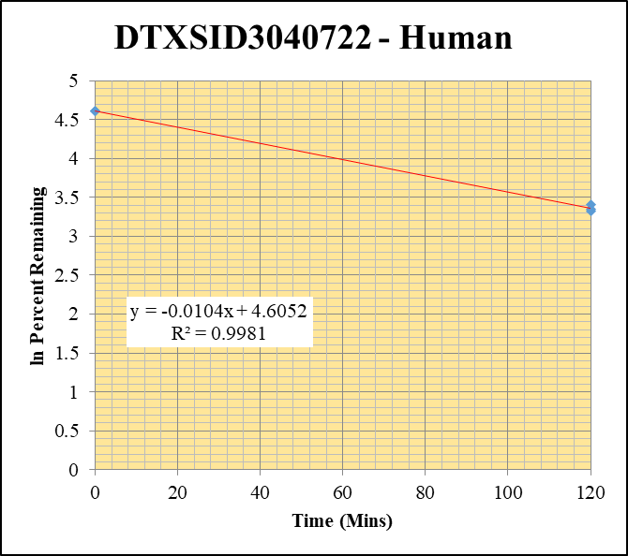
Blank____1_01 | DTXSID3040722 | 81.1 | 0 | 1088028.6016 | 0 |  |  |  | DTXSID3040722 - Human | Time (Mins) | % Remaining Replica 1 | % Remaining Replica 2 | % Remaining Replica 3 | Average
Blank____2_02 | DTXSID3040722 | 81.1 | 0 | 1770504.7524 | 0 |  |  |  | Time (Mins) | 120 | 30.2% | 28.3% | 27.6% | 28.7%
 | DTXSID3040722 | 81.1 |  |  |  |  |  |  | ln Percent Remaining | 0 | 100% | 100% | 100% | 100%
DTXSID3040722_10uM_HI__120_1_180 | DTXSID3040722 | 81.1 | 870252.12868 | 7843942.1562 | 0.11094576061 | 30.246937318 | 120 | 3.4093949337
DTXSID3040722_10uM_HI__120_2_181 | DTXSID3040722 | 81.1 | 745201.5131 | 7699186.3454 | 0.096789644993 | 28.306033182 | 120 | 3.3430749686 |  | Slope | -0.01040
DTXSID3040722_10uM_HI__120_3_182 | DTXSID3040722 | 81.1 | 735308.56744 | 7747504.029 | 0.094909091326 | 27.648323387 | 120 | 3.3195650891 |  | Intercept | 4.61
DTXSID3040722_10uM___0_1_69 | DTXSID3040722 | 81.1 | 2555024.5266 | 6965716.0651 | 0.3667999819 | 100 | 0 | 4.605170186 |  | R2 | 0.998
DTXSID3040722_10uM___0_2_70 | DTXSID3040722 | 81.1 | 2066842.774 | 6044460.6597 | 0.3419399828 | 100 | 0 | 4.605170186 |  | T½ (mins) | 67
DTXSID3040722_10uM___0_3_71 | DTXSID3040722 | 81.1 | 2065004.7212 | 6015642.7089 | 0.34327250155 | 100 | 0 | 4.605170186 |  | CLint (µl/min/106 cells) | 20.80
 |  |  |  |  |  |  |  |  |  | Comments

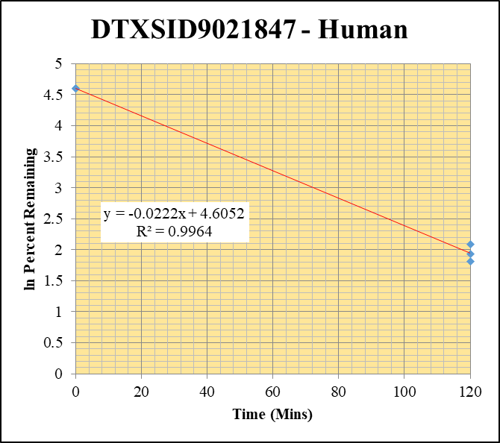
Blank____1_01 | DTXSID9021847 | 170.1 | 0 | 1088028.6016 | 0 |  |  |  | DTXSID9021847 - Human | Time (Mins) | % Remaining Replica 1 | % Remaining Replica 2 | % Remaining Replica 3 | Average
Blank____2_02 | DTXSID9021847 | 170.1 | 0 | 1770504.7524 | 0 |  |  |  | Time (Mins) | 120 | 6.1% | 8.0% | 6.9% | 7.0%
 | DTXSID9021847 | 170.1 |  |  |  |  |  |  | ln Percent Remaining | 0 | 100% | 100% | 100% | 100%
DTXSID9021847_10uM_HI__120_1_16 | DTXSID9021847 | 170.1 | 41520.911498 | 3237998.0488 | 0.012823019308 | 6.0838530503 | 120 | 1.8056382206
DTXSID9021847_10uM_HI__120_2_17 | DTXSID9021847 | 170.1 | 50058.147225 | 3174688.6956 | 0.015767891603 | 8.0257388637 | 120 | 2.082653735 |  | Slope | -0.02222
DTXSID9021847_10uM_HI__120_3_18 | DTXSID9021847 | 170.1 | 48843.693668 | 3454871.2474 | 0.014137630658 | 6.8642344631 | 120 | 1.92632452 |  | Intercept | 4.61
DTXSID9021847_10uM___0_1_69 | DTXSID9021847 | 170.1 | 871212.55375 | 4133448.6251 | 0.21077135167 | 100 | 0 | 4.605170186 |  | R2 | 0.996
DTXSID9021847_10uM___0_2_70 | DTXSID9021847 | 170.1 | 798360.28175 | 4063594.1075 | 0.19646654184 | 100 | 0 | 4.605170186 |  | T½ (mins) | 31
DTXSID9021847_10uM___0_3_71 | DTXSID9021847 | 170.1 | 901590.0267 | 4377484.0936 | 0.20596077734 | 100 | 0 | 4.605170186 |  | CLint (µl/min/106 cells) | 44.4
 |  |  |  |  |  |  |  |  |  | Comments

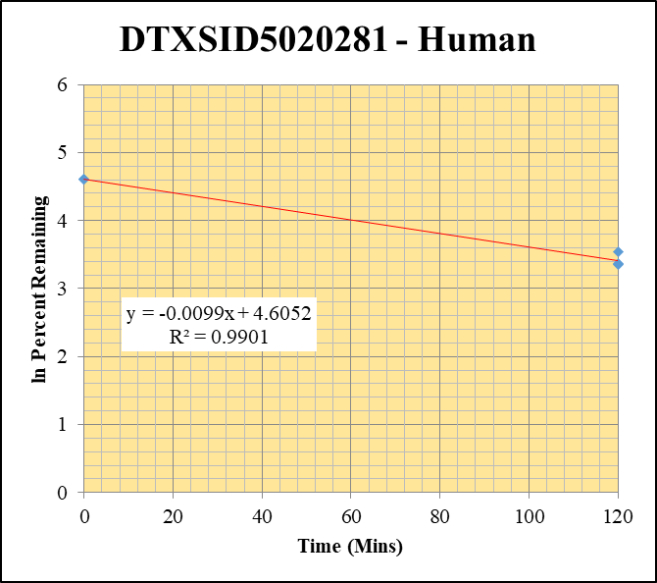
Blank____1_01 | DTXSID5020281 | 127 | 0 | 1088028.6016 | 0 |  |  |  | DTXSID5020281 - Human | Time (Mins) | % Remaining Replica 1 | % Remaining Replica 2 | % Remaining Replica 3 | Average
Blank____2_02 | DTXSID5020281 | 127 | 0 | 1770504.7524 | 0 |  |  |  | Time (Mins) | 120 | 34.3% | 29% | 28.5% | 31%
 | DTXSID5020281 | 127 |  |  |  |  |  |  | ln Percent Remaining | 0 | 100% | 100% | 100% | 100%
DTXSID5020281_10uM_HI__120_1_88 | DTXSID5020281 | 127 | 162345.18345 | 2787444.4029 | 0.058241586191 | 34.300145604 | 120 | 3.5351495992
DTXSID5020281_10uM_HI__120_2_89 | DTXSID5020281 | 127 | 165884.58249 | 2696943.8947 | 0.061508354999 | 28.883966822 | 120 | 3.3632866599 |  | Slope | -0.00991
DTXSID5020281_10uM_HI__120_3_90 | DTXSID5020281 | 127 | 173815.95592 | 2587857.8901 | 0.067165958605 | 28.522868493 | 120 | 3.3507061688 |  | Intercept | 4.61
DTXSID5020281_10uM___0_1_69 | DTXSID5020281 | 127 | 622128.3139 | 3663892.6147 | 0.16979982203 | 100 | 0 | 4.605170186 |  | R2 | 0.9901
DTXSID5020281_10uM___0_2_70 | DTXSID5020281 | 127 | 770003.36875 | 3615891.1674 | 0.21294981876 | 100 | 0 | 4.605170186 |  | T½ (mins) | 69.968375642
DTXSID5020281_10uM___0_3_71 | DTXSID5020281 | 127 | 868463.64656 | 3688040.0275 | 0.2354810794 | 100 | 0 | 4.605170186 |  | CLint (µl/min/106 cells) | 19.8
 |  |  |  |  |  |  |  |  |  | Comments

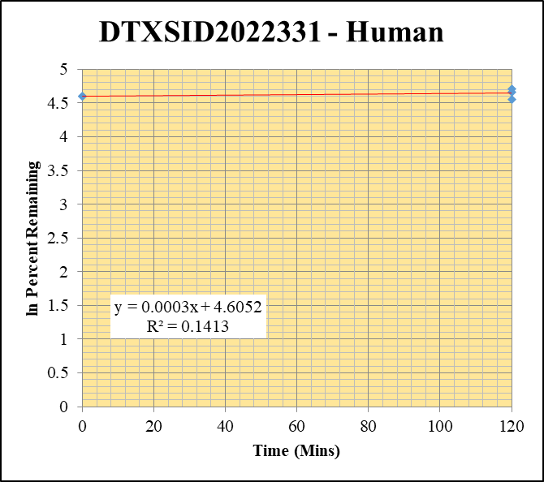
Blank____1_01 | DTXSID2022331 | 121.1 | 0 | 1088028.6016 | 0 |  |  |  | DTXSID2022331 - Human | Time (Mins) | % Remaining Replica 1 | % Remaining Replica 2 | % Remaining Replica 3 | Average
Blank____2_02 | DTXSID2022331 | 121.1 | 0 | 1770504.7524 | 0 |  |  |  | Time (Mins) | 120 | 112% | 95% | 106.0% | 104.2%
 | DTXSID2022331 | 121.1 |  |  |  |  |  |  | ln Percent Remaining | 0 | 100% | 100% | 100% | 100%
DTXSID2022331_10uM_HI__120_1_124 | DTXSID2022331 | 121.1 | 10135570.101 | 2659652.2535 | 3.8108629006 | 111.53751391 | 120 | 4.714360982
DTXSID2022331_10uM_HI__120_2_125 | DTXSID2022331 | 121.1 | 9910375.1417 | 2717640.7658 | 3.6466832801 | 94.954802846 | 120 | 4.5534010189 |  | Slope | 0.000321
DTXSID2022331_10uM_HI__120_3_126 | DTXSID2022331 | 121.1 | 10144790.463 | 2663274.7429 | 3.8091415427 | 105.99173392 | 120 | 4.6633611091 |  | Intercept | 4.61
DTXSID2022331_10uM___0_1_69 | DTXSID2022331 | 121.1 | 13297400.338 | 3891924.254 | 3.4166647319 | 100 | 0 | 4.605170186 |  | R2 | 0.1413
DTXSID2022331_10uM___0_2_70 | DTXSID2022331 | 121.1 | 14606109.398 | 3803237.4399 | 3.8404411054 | 100 | 0 | 4.605170186 |  | T½ (mins)
DTXSID2022331_10uM___0_3_71 | DTXSID2022331 | 121.1 | 14541294.922 | 4046205.8048 | 3.5938100095 | 100 | 0 | 4.605170186 |  | CLint (µl/min/106 cells) | 0.00
 |  |  |  |  |  |  |  |  |  | Comments


Blank____1_01 | DTXSID1020439 | 162 | 0 | 1088028.6016 | 0 |  |  |  | DTXSID1020439 - Human | Time (Mins) | % Remaining Replica 1 | % Remaining Replica 2 | % Remaining Replica 3 | Average
Blank____2_02 | DTXSID1020439 | 162 | 0 | 1770504.7524 | 0 |  |  |  | Time (Mins) | 120 | 106.1% | 97.3% | 135.4% | 112.9%
 | DTXSID1020439 | 162 |  |  |  |  |  |  | ln Percent Remaining | 0 | 100% | 100% | 100% | 100%
DTXSID1020439_10uM_HI__120_1_52 | DTXSID1020439 | 162 | 5047354.5005 | 2930404.4559 | 1.7224088266 | 106.13351177 | 120 | 4.6646978465
DTXSID1020439_10uM_HI__120_2_53 | DTXSID1020439 | 162 | 4251985.3449 | 3164445.5991 | 1.3436746538 | 97.258574863 | 120 | 4.577373152 |  | Slope | 0.00093
DTXSID1020439_10uM_HI__120_3_54 | DTXSID1020439 | 162 | 4802321.9599 | 2646443.8562 | 1.8146320953 | 135.42743932 | 120 | 4.9084359937 |  | Intercept | 4.61
DTXSID1020439_10uM___0_1_69 | DTXSID1020439 | 162 | 5208871.6071 | 3209666.7613 | 1.6228699097 | 100 | 0 | 4.605170186 |  | R2 | 0.241
DTXSID1020439_10uM___0_2_70 | DTXSID1020439 | 162 | 4972961.4959 | 3599555.4919 | 1.3815487793 | 100 | 0 | 4.605170186 |  | T½ (mins)
DTXSID1020439_10uM___0_3_71 | DTXSID1020439 | 162 | 5063518.7949 | 3778944.4269 | 1.3399294149 | 100 | 0 | 4.605170186 |  | CLint (µl/min/106 cells) | 0.00
 |  |  |  |  |  |  |  |  |  | Comments

