Control
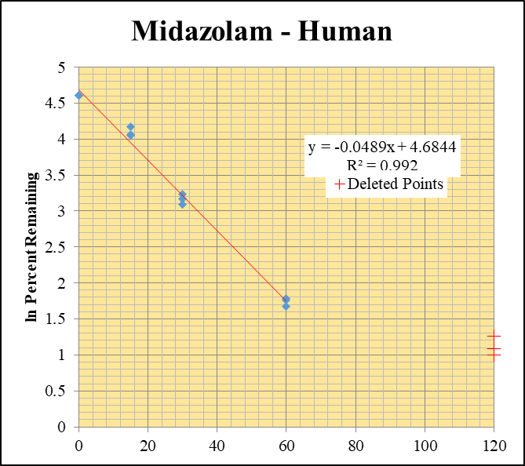
SampleName | CompoundName | Transition | Area | ISTD Area | ISTDResponseRatio | % Remaining | Time (mins) | ln % Remaining | Chart | Table
Blank_Human___1_____5P1_Inj 2020Oct07_EPA_003 | Midazolam | 326.2 / 291.0 | 5.007 | 4296000 | 0.000001166 |  |  |  | Midazolam - Human | Time (Mins) | % Remaining Replica 1 | % Remaining Replica 2 | % Remaining Replica 3 | Average
Blank_Human___2_____5P1_Inj 2020Oct07_EPA_004 | Midazolam | 326.2 / 291.0 | 5 | 4359000 | 0.000001147 |  |  |  | Time (Mins) | 120 | 2.95% | 3.53% | 2.71%
Blank_Human___3_____5P1_Inj 2020Oct07_EPA_005 | Midazolam | 326.2 / 291.0 | 40.02 | 4291000 | 0.000009327 |  |  |  | ln Percent Remaining | 60 | 5.36% | 5.95% | 5.83% | 5.71%
Midazolam__Human__120_1_____5P2_Inj 2020Oct07_EPA_006 | Midazolam | 326.2 / 291.0 | 74340 | 3782000 | 0.01965 | 2.9516578312 | 120 | 1.082 |  | 30 | 21.9% | 23.7% | 25.4% | 23.7%
Midazolam__Human__120_2_____5P2_Inj 2020Oct07_EPA_007 | Midazolam | 326.2 / 291.0 | 79250 | 3870000 | 0.02048 | 3.5309979311 | 120 | 1.262 |  | 15 | 57.4% | 57.9% | 64.6% | 60.0%
Midazolam__Human__120_3_____5P2_Inj 2020Oct07_EPA_008 | Midazolam | 326.2 / 291.0 | 63110 | 3999000 | 0.01578 | 2.7069706641 | 120 | 0.996 |  | 0 | 100% | 100% | 100% | 100%
Midazolam__Human__60_1_____5P3_Inj 2020Oct07_EPA_009 | Midazolam | 326.2 / 291.0 | 111900 | 3136000 | 0.03566 | 5.3570204105 | 60 | 1.678407927
Midazolam__Human__60_2_____5P3_Inj 2020Oct07_EPA_010 | Midazolam | 326.2 / 291.0 | 108500 | 3143000 | 0.03451 | 5.9503967711 | 60 | 1.7834579015 |  | Slope | -0.0489
Midazolam__Human__60_3_____5P3_Inj 2020Oct07_EPA_011 | Midazolam | 326.2 / 291.0 | 105300 | 3099000 | 0.03398 | 5.8298466366 | 60 | 1.7629906941 |  | Intercept | 4.68
Midazolam__Human__30_1_____5P4_Inj 2020Oct07_EPA_012 | Midazolam | 326.2 / 291.0 | 429500 | 2941000 | 0.146 | 21.934641085 | 30 | 3.0880671718 |  | R2 | 0.992
Midazolam__Human__30_2_____5P4_Inj 2020Oct07_EPA_013 | Midazolam | 326.2 / 291.0 | 404700 | 2939000 | 0.1377 | 23.74496315 | 30 | 3.1673704301 |  | T½ (mins) | 14.2
Midazolam__Human__30_3_____5P4_Inj 2020Oct07_EPA_014 | Midazolam | 326.2 / 291.0 | 436300 | 2949000 | 0.148 | 25.394149844 | 30 | 3.2345188264 |  | CLint (µl/min/106 cells) | 97.8
Midazolam__Human__15_1_____5P5_Inj 2020Oct07_EPA_015 | Midazolam | 326.2 / 291.0 | 1276000 | 3338000 | 0.3822 | 57.421626797 | 15 | 4.0504210058 |  | Comments | Points Deleted: (120,1.0820) (120,1.2620) (120,0.9960)
Midazolam__Human__15_2_____5P5_Inj 2020Oct07_EPA_016 | Midazolam | 326.2 / 291.0 | 1011000 | 3011000 | 0.3359 | 57.923498436 | 15 | 4.0591231474
Midazolam__Human__15_3_____5P5_Inj 2020Oct07_EPA_017 | Midazolam | 326.2 / 291.0 | 1125000 | 2991000 | 0.3763 | 64.567368774 | 15 | 4.1677091558
Midazolam__Human__0_1_____5P6_Inj 2020Oct07_EPA_018 | Midazolam | 326.2 / 291.0 | 2135000 | 3207000 | 0.6656 | 100 | 0 | 4.605170186
Midazolam__Human__0_2_____5P6_Inj 2020Oct07_EPA_019 | Midazolam | 326.2 / 291.0 | 1960000 | 3380000 | 0.5799 | 100 | 0 | 4.605170186
Midazolam__Human__0_3_____5P6_Inj 2020Oct07_EPA_020 | Midazolam | 326.2 / 291.0 | 1937000 | 3323000 | 0.5828 | 100 | 0 | 4.605170186

Control Inactive
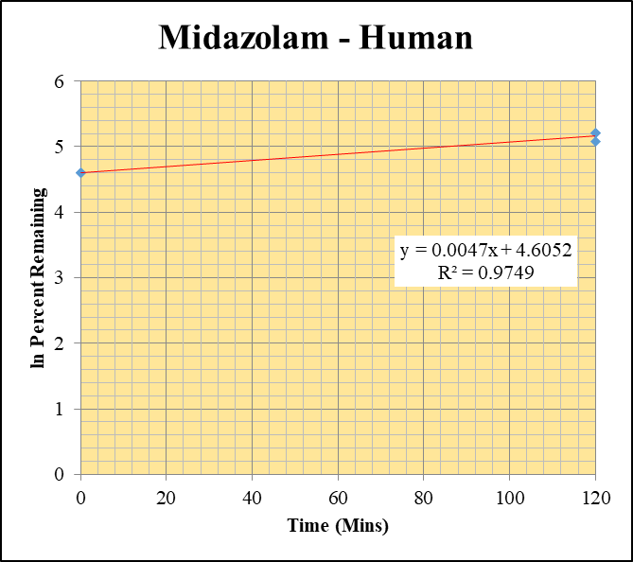
SampleName | CompoundName | Transition | Area | ISTD Area | ISTDResponseRatio | % Remaining | Time (mins) | ln % Remaining | Chart | Table
Blank_Human___1_____5P1_Inj 2020Oct07_EPA_003 | Midazolam | 326.2 / 291.0 | 5.007 | 4296000 | 0.000001166 |  |  |  | Midazolam - Human | Time (Mins) | % Remaining Replica 1 | % Remaining Replica 2 | % Remaining Replica 3 | Average
Blank_Human___2_____5P1_Inj 2020Oct07_EPA_004 | Midazolam | 326.2 / 291.0 | 5 | 4359000 | 0.000001147 |  |  |  | Time (Mins) | 120 | 160% | 183% | 184% | 176%
Blank_Human___3_____5P1_Inj 2020Oct07_EPA_005 | Midazolam | 326.2 / 291.0 | 10 | 4291000 | 0.000002331 |  |  |  | ln Percent Remaining | 0 | 100% | 100% | 100% | 100%
Midazolam__Human__120_1_____5P1_Inj 2020Oct07_EPA_021 | Midazolam | 326.2 / 291.0 | 4441000 | 4166000 | 1.066 | 160.15638991 | 120 | 5.0761507748
Midazolam__Human__120_2_____5P1_Inj 2020Oct07_EPA_022 | Midazolam | 326.2 / 291.0 | 4632000 | 4372000 | 1.06 | 182.79035723 | 120 | 5.2083399073 |  | Slope | 0.00467
Midazolam__Human__120_3_____5P1_Inj 2020Oct07_EPA_023 | Midazolam | 326.2 / 291.0 | 4621000 | 4317000 | 1.071 | 183.76823897 | 120 | 5.2136753929 |  | Intercept | 4.61
Midazolam__Human__0_1_____5P6_Inj 2020Oct07_EPA_018 | Midazolam | 326.2 / 291.0 | 2135000 | 3207000 | 0.6656 | 100 | 0 | 4.605170186 |  | R2 | 0.975
Midazolam__Human__0_2_____5P6_Inj 2020Oct07_EPA_019 | Midazolam | 326.2 / 291.0 | 1960000 | 3380000 | 0.5799 | 100 | 0 | 4.605170186 |  | T½ (mins) | >480
Midazolam__Human__0_3_____5P6_Inj 2020Oct07_EPA_020 | Midazolam | 326.2 / 291.0 | 1937000 | 3323000 | 0.5828 | 100 | 0 | 4.605170186 |  | CLint (µl/min/106 cells) | 0.0
 |  |  |  |  |  |  |  |  |  | Comments | Control

1uM_a
SampleName | CompoundName | Transition | Area | ISTD Area | ISTDResponseRatio | % Remaining | Time (mins) | ln % Remaining

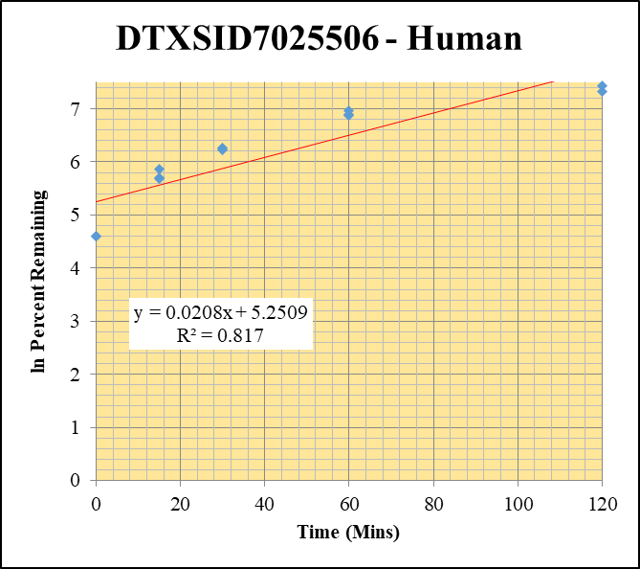
Blank___1_01 | DTXSID7025506 | 79 | 884153.63587 | 1264981.4779 | 0 | Omitted |  |  | DTXSID7025506 - Human | Time (Mins) | % Remaining Replica 1 | % Remaining Replica 2 | % Remaining Replica 3 | Average
Blank___2_02 | DTXSID7025506 | 79 | 23240.385575 | 1347963.1457 | 0.01724111349 |  |  |  | Time (Mins) | 120 | 1685.2% | 1862.6% | 1529.5% | 1692.4%
Blank___3_03 | DTXSID7025506 | 79 | 69242.758857 | 1234979.3921 | 0.0560679468 |  |  |  | ln Percent Remaining | 60 | 1058.1% | 964.1% | 992.4% | 1004.9%
DTXSID7025506_1uM__120_1_400 | DTXSID7025506 | 79 | 1314557.4762 | 4307951.2188 | 0.30514678776 | 1685.1872099 | 120 | 7.4296319404 |  | 30 | 505.1% | 521.8% | 526.3% | 517.7%
DTXSID7025506_1uM__120_2_401 | DTXSID7025506 | 79 | 1650676.2646 | 4906202.4007 | 0.33644683399 | 1862.5649284 | 120 | 7.5297098105 |  | 15 | 349.7% | 299.0% | 294.2% | 314.3%
DTXSID7025506_1uM__120_3_402 | DTXSID7025506 | 79 | 1300146.3794 | 4385556.935 | 0.29646095095 | 1529.4565825 | 120 | 7.3326677765 |  | 0 | 100% | 100% | 100% | 100%
DTXSID7025506_1uM__60_1_403 | DTXSID7025506 | 79 | 929895.87856 | 4633690.9895 | 0.20068146121 | 1058.0511628 | 60 | 6.9641839692
DTXSID7025506_1uM__60_2_404 | DTXSID7025506 | 79 | 929936.65839 | 5001151.1417 | 0.18594452198 | 964.13251839 | 60 | 6.8712287524 |  | Slope | 0.02084
DTXSID7025506_1uM__60_3_405 | DTXSID7025506 | 79 | 922018.98627 | 4588379.3353 | 0.20094654755 | 992.42745228 | 60 | 6.900153914 |  | Intercept | 5.25
DTXSID7025506_1uM__30_1_406 | DTXSID7025506 | 79 | 522836.31906 | 4815308.6616 | 0.10857794501 | 505.12669503 | 30 | 6.2248092791 |  | R2 | 0.817
DTXSID7025506_1uM__30_2_407 | DTXSID7025506 | 79 | 442288.58319 | 3954514.4687 | 0.11184396636 | 521.78489009 | 30 | 6.257255415 |  | T½ (mins)
DTXSID7025506_1uM__30_3_408 | DTXSID7025506 | 79 | 543829.89557 | 4607123.1778 | 0.1180411017 | 526.2921063 | 30 | 6.2658563938 |  | CLint (µl/min/106 cells) | 0.0
DTXSID7025506_1uM__15_1_409 | DTXSID7025506 | 79 | 325760.42452 | 3939952.5669 | 0.082681306182 | 349.66156372 | 15 | 5.8569657259 |  | Comments
DTXSID7025506_1uM__15_2_410 | DTXSID7025506 | 79 | 320465.97471 | 4300105.7673 | 0.074525137765 | 299.00794627 | 15 | 5.7004701492
DTXSID7025506_1uM__15_3_411 | DTXSID7025506 | 79 | 319205.69749 | 4158840.1222 | 0.076753538994 | 294.1530456 | 15 | 5.6841001952
DTXSID7025506_1uM__0_1_412 | DTXSID7025506 | 79 | 165306.10235 | 4022645.7019 | 0.041093875673 | 100 | 0 | 4.605170186
DTXSID7025506_1uM__0_2_413 | DTXSID7025506 | 79 | 183568.48901 | 4456842.8755 | 0.04118801002 | 100 | 0 | 4.605170186
DTXSID7025506_1uM__0_3_414 | DTXSID7025506 | 79 | 178689.04489 | 4232125.6268 | 0.042222055923 | 100 | 0 | 4.605170186

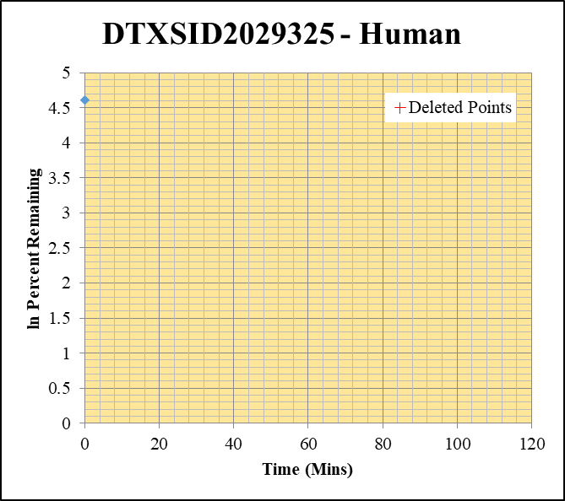
Blank___1_01 | DTXSID2029325 | 83.1 | 7532743.6302 | 1264981.4779 | 0 | Omitted |  |  | DTXSID2029325 - Human | Time (Mins) | % Remaining Replica 1 | % Remaining Replica 2 | % Remaining Replica 3 | Average
Blank___2_02 | DTXSID2029325 | 83.1 | 0 | 1347963.1457 | 0 |  |  |  | Time (Mins) | 120 | 0.03% | 0.03% | 0.02%
Blank___3_03 | DTXSID2029325 | 83.1 | 0 | 1234979.3921 | 0 |  |  |  | ln Percent Remaining | 60 | 0.03% | 0.03% | 0.02%
DTXSID2029325_1uM__120_1_472 | DTXSID2029325 | 83.1 | 0 | 4956285.9126 | 0.00001 | 0.025233004661 | 120 | -3.680 |  | 30 | 0.03% | 0.03% | 0.02%
DTXSID2029325_1uM__120_2_473 | DTXSID2029325 | 83.1 | 0 | 4833087.0885 | 0.00001 | 0.026009886447 | 120 | -3.649 |  | 15 | 0.03% | 0.03% | 0.02%
DTXSID2029325_1uM__120_3_474 | DTXSID2029325 | 83.1 | 0 | 4569311.0227 | 0.00001 | 0.023407193179 | 120 | -3.755 |  | 0 | 100% | 100% | 100% | 100%
DTXSID2029325_1uM__60_1_475 | DTXSID2029325 | 83.1 | 0 | 4758322.3285 | 0.00001 | 0.025233004661 | 60 | -3.680
DTXSID2029325_1uM__60_2_476 | DTXSID2029325 | 83.1 | 0 | 5076086.4401 | 0.00001 | 0.026009886447 | 60 | -3.649 |  | Slope
DTXSID2029325_1uM__60_3_477 | DTXSID2029325 | 83.1 | 0 | 5502667.5664 | 0.00001 | 0.023407193179 | 60 | -3.755 |  | Intercept
DTXSID2029325_1uM__30_1_478 | DTXSID2029325 | 83.1 | 0 | 4590359.0664 | 0.00001 | 0.025233004661 | 30 | -3.680 |  | R2
DTXSID2029325_1uM__30_2_479 | DTXSID2029325 | 83.1 | 0 | 4931504.7495 | 0.00001 | 0.026009886447 | 30 | -3.649 |  | T½ (mins) | >480
DTXSID2029325_1uM__30_3_480 | DTXSID2029325 | 83.1 | 0 | 4847642.238 | 0.00001 | 0.023407193179 | 30 | -3.755 |  | CLint (µl/min/106 cells) | 0.0
DTXSID2029325_1uM__15_1_481 | DTXSID2029325 | 83.1 | 0 | 4644934.6788 | 0.00001 | 0.025233004661 | 15 | -3.680 |  | Comments | Points Deleted: (120,-3.6800) (120,-3.6490) (120,-3.7550) (60,-3.6800) (60,-3.6490) (60,-3.7550) (30,-3.6800) (30,-3.6490) (30,-3.7550) (15,-3.6800) (15,-3.6490) (15,-3.7550)
DTXSID2029325_1uM__15_2_482 | DTXSID2029325 | 83.1 | 0 | 4604203.3756 | 0.00001 | 0.026009886447 | 15 | -3.649
DTXSID2029325_1uM__15_3_483 | DTXSID2029325 | 83.1 | 0 | 5033801.864 | 0.00001 | 0.023407193179 | 15 | -3.755
DTXSID2029325_1uM__0_1_484 | DTXSID2029325 | 83.1 | 176817.79328 | 4461644.2019 | 0.039630635093 | 100 | 0 | 4.605170186
DTXSID2029325_1uM__0_2_485 | DTXSID2029325 | 83.1 | 188274.52551 | 4896999.0294 | 0.038446919099 | 100 | 0 | 4.605170186
DTXSID2029325_1uM__0_3_486 | DTXSID2029325 | 83.1 | 196075.12358 | 4589568.2951 | 0.042721909986 | 100 | 0 | 4.605170186

1uM_b
SampleName | CompoundName | Transition | Area | ISTD Area | ISTDResponseRatio | % Remaining | Time (mins) | ln % Remaining | Chart | Table

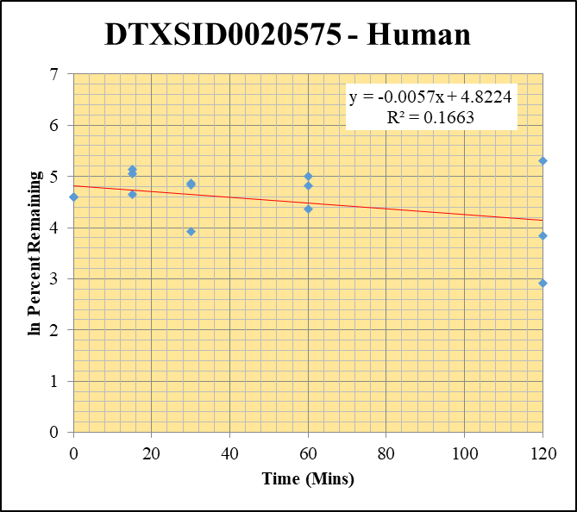
Blank____1_01 | DTXSID0020575 | 148.1 | 0 | 3529517.8037 | 0 |  |  |  | DTXSID0020575 - Human | Time (Mins) | % Remaining Replica 1 | % Remaining Replica 2 | % Remaining Replica 3 | Average
Blank____2_02 | DTXSID0020575 | 148.1 | 0 | 3494785.5902 | 0 |  |  |  | Time (Mins) | 120 | 203% | 47% | 18% | 89%
 |  |  |  |  |  |  |  |  | ln Percent Remaining | 60 | 78% | 149% | 123% | 116%
DTXSID0020575_1uM__120_1_21 | DTXSID0020575 | 148.1 | 26831.8007 | 808050.71053 | 0.033205590132 | 202.67167841 | 120 | 5.311587322 |  | 30 | 129% | 127% | 51% | 102%
DTXSID0020575_1uM__120_2_22 | DTXSID0020575 | 148.1 | 10678.516146 | 1390832.9653 | 0.0076777847608 | 46.505764949 | 120 | 3.8395762823 |  | 15 | 156% | 169% | 104% | 143%
DTXSID0020575_1uM__120_3_23 | DTXSID0020575 | 148.1 | 8919.1286401 | 1314347.2581 | 0.0067859757649 | 18.441707775 | 120 | 2.9146148264 |  | 0 | 100% | 100% | 100% | 100%
DTXSID0020575_1uM__60_1_24 | DTXSID0020575 | 148.1 | 21102.642848 | 1655589.252 | 0.012746303361 | 77.797584246 | 60 | 4.3541103799
DTXSID0020575_1uM__60_2_25 | DTXSID0020575 | 148.1 | 30044.898446 | 1223829.5995 | 0.024549903401 | 148.70331387 | 60 | 5.0019531388 |  | Slope | -0.0057
DTXSID0020575_1uM__60_3_26 | DTXSID0020575 | 148.1 | 31799.914475 | 702695.17028 | 0.045254209534 | 122.98377371 | 60 | 4.8120524256 |  | Intercept | 4.82
DTXSID0020575_1uM__30_1_27 | DTXSID0020575 | 148.1 | 63314.498228 | 2993771.1015 | 0.021148743869 | 129.08222378 | 30 | 4.860449595 |  | R2 | 0.166
DTXSID0020575_1uM__30_2_28 | DTXSID0020575 | 148.1 | 65323.430638 | 3124766.9663 | 0.020905056711 | 126.62580209 | 30 | 4.8412362969 |  | T½ (mins) | 122.00827291
DTXSID0020575_1uM__30_3_29 | DTXSID0020575 | 148.1 | 60841.320648 | 3266163.9021 | 0.018627761029 | 50.623187778 | 30 | 3.9244097278 |  | CLint (µl/min/106 cells) | 11.4
DTXSID0020575_1uM__15_1_30 | DTXSID0020575 | 148.1 | 71701.6165 | 2813096.8204 | 0.025488499358 | 155.57009902 | 15 | 5.0470964276 |  | Comments
DTXSID0020575_1uM__15_2_31 | DTXSID0020575 | 148.1 | 48382.642625 | 1734170.2211 | 0.027899592575 | 168.99300188 | 15 | 5.1298573051
DTXSID0020575_1uM__15_3_32 | DTXSID0020575 | 148.1 | 65008.438995 | 1692155.2842 | 0.038417537445 | 104.40429255 | 15 | 4.648270791
DTXSID0020575_1uM__0_1_33 | DTXSID0020575 | 148.1 | 61345.510671 | 3744248.3513 | 0.016383932078 | 100 | 0 | 4.605170186
DTXSID0020575_1uM__0_2_34 | DTXSID0020575 | 148.1 | 39089.675452 | 2367734.0732 | 0.016509318295 | 100 | 0 | 4.605170186
DTXSID0020575_1uM__0_3_35 | DTXSID0020575 | 148.1 | 132795.31535 | 3608872.8938 | 0.036796894558 | 100 | 0 | 4.605170186

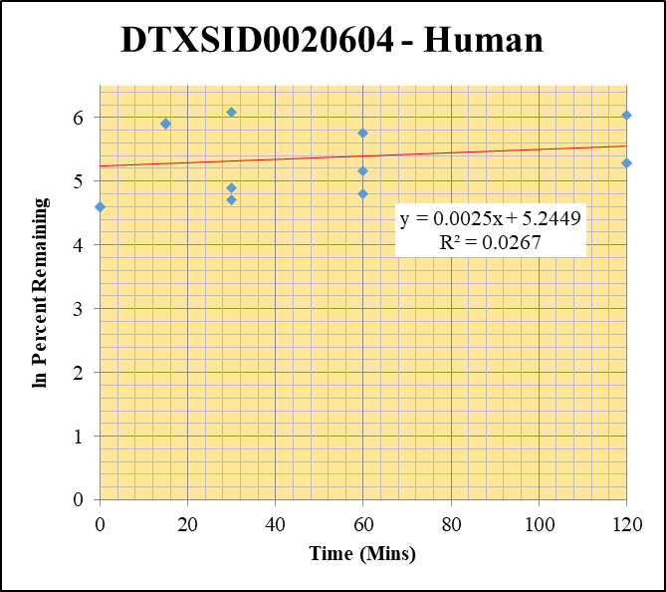
Blank____1_01 | DTXSID0020604 | 79.1 | 725348.20426 | 3529517.8037 | 0 | Omitted |  |  | DTXSID0020604 - Human | Time (Mins) | % Remaining Replica 1 | % Remaining Replica 2 | % Remaining Replica 3 | Average
Blank____2_02 | DTXSID0020604 | 79.1 | 14107.120362 | 3494785.5902 | 0.0040366197004 |  |  |  | Time (Mins) | 120 | 415.7% | 198.9% | 196.8% | 270.5%
 |  |  |  |  |  |  |  |  | ln Percent Remaining | 60 | 316.9% | 173.0% | 120.8% | 203.6%
DTXSID0020604_1uM__120_1_57 | DTXSID0020604 | 79.1 | 106561.87678 | 4009129.8859 | 0.026579801555 | 415.67186052 | 120 | 6.0298961522 |  | 30 | 441.0% | 110.6% | 134.6% | 228.7%
DTXSID0020604_1uM__120_2_58 | DTXSID0020604 | 79.1 | 114657.85168 | 3889171.8812 | 0.029481302237 | 198.87844282 | 120 | 5.292693798 |  | 15 | 845.5% | 368.2% | 362.1% | 525.3%
DTXSID0020604_1uM__120_3_59 | DTXSID0020604 | 79.1 | 97922.720374 | 2985031.1106 | 0.032804589549 | 196.82718334 | 120 | 5.2823261018 |  | 0 | 100% | 100% | 100% | 100%
DTXSID0020604_1uM__60_1_60 | DTXSID0020604 | 79.1 | 76693.354966 | 3697665.1429 | 0.02074102224 | 316.85798186 | 60 | 5.7584536668
DTXSID0020604_1uM__60_2_61 | DTXSID0020604 | 79.1 | 97981.336562 | 3781848.0982 | 0.025908321545 | 173.00402876 | 60 | 5.1533148819 |  | Slope | 0.00250
DTXSID0020604_1uM__60_3_62 | DTXSID0020604 | 79.1 | 75743.190113 | 3621142.2869 | 0.020916932866 | 120.82534082 | 60 | 4.7943460385 |  | Intercept | 5.24
DTXSID0020604_1uM__30_1_63 | DTXSID0020604 | 79.1 | 150993.98601 | 5377804.8518 | 0.028077252739 | 441.01430825 | 30 | 6.0890773199 |  | R2 | 0.027
DTXSID0020604_1uM__30_2_64 | DTXSID0020604 | 79.1 | 94382.676499 | 5458806.4131 | 0.017289984175 | 110.59271205 | 30 | 4.7058541922 |  | T½ (mins)
DTXSID0020604_1uM__30_3_65 | DTXSID0020604 | 79.1 | 117094.45466 | 5075684.1793 | 0.023069688839 | 134.58864379 | 30 | 4.9022230436 |  | CLint (µl/min/106 cells) | 0.00
DTXSID0020604_1uM__15_1_66 | DTXSID0020604 | 79.1 | 175334.33188 | 3373238.2867 | 0.051978045124 | 845.50467706 | 15 | 6.7399337 |  | Comments
DTXSID0020604_1uM__15_2_67 | DTXSID0020604 | 79.1 | 171138.92146 | 3237384.3264 | 0.052863331692 | 368.20382231 | 15 | 5.9086366498
DTXSID0020604_1uM__15_3_68 | DTXSID0020604 | 79.1 | 190488.55339 | 3247961.5582 | 0.058648647767 | 362.0570596 | 15 | 5.8918018226
DTXSID0020604_1uM__0_1_69 | DTXSID0020604 | 79.1 | 41206.744131 | 5198162.2241 | 0.0079271754815 | 100 | 0 | 4.605170186
DTXSID0020604_1uM__0_2_70 | DTXSID0020604 | 79.1 | 77708.702026 | 4909806.4105 | 0.015827243588 | 100 | 0 | 4.605170186
DTXSID0020604_1uM__0_3_71 | DTXSID0020604 | 79.1 | 77834.213428 | 4407477.1321 | 0.017659584178 | 100 | 0 | 4.605170186

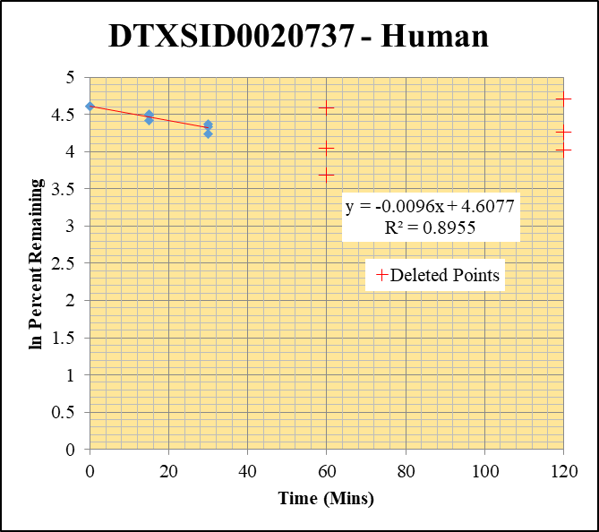
Blank____1_01 | DTXSID0020737 | 117.1 | 1391974.2449 | 3529517.8037 | 0 | Omitted |  |  | DTXSID0020737 - Human | Time (Mins) | % Remaining Replica 1 | % Remaining Replica 2 | % Remaining Replica 3 | Average
Blank____2_02 | DTXSID0020737 | 117.1 | 440811.55529 | 3494785.5902 | 0.12613407716 |  |  |  | Time (Mins) | 120 | 87.28% | 103.59% | 84.35%
 |  |  |  |  |  |  |  |  | ln Percent Remaining | 60 | 99.22% | 79.43% | 84.75%
DTXSID0020737_1uM__120_1_165 | DTXSID0020737 | 117.1 | 1385260.8746 | 3770732.0455 | 0.36737186783 | 87.27694884 | 120 | 4.469 |  | 30 | 69% | 77% | 79% | 75%
DTXSID0020737_1uM__120_2_166 | DTXSID0020737 | 117.1 | 1327671.3302 | 3557039.8143 | 0.37325174851 | 103.58580048 | 120 | 4.640 |  | 15 | 83% | 89% | 90% | 87%
DTXSID0020737_1uM__120_3_167 | DTXSID0020737 | 117.1 | 1141467.1768 | 3555729.1324 | 0.32102197167 | 84.353462317 | 120 | 4.435 |  | 0 | 100% | 100% | 100% | 100%
DTXSID0020737_1uM__60_1_168 | DTXSID0020737 | 117.1 | 891289.02784 | 2179173.3441 | 0.40900327192 | 99.21715345 | 60 | 4.597
DTXSID0020737_1uM__60_2_169 | DTXSID0020737 | 117.1 | 1146273.6358 | 3809105.3524 | 0.30092988503 | 79.434003565 | 60 | 4.375 |  | Slope | -0.0096
DTXSID0020737_1uM__60_3_170 | DTXSID0020737 | 117.1 | 1203266.9022 | 3734293.9208 | 0.32222072706 | 84.745465551 | 60 | 4.440 |  | Intercept | 4.61
DTXSID0020737_1uM__30_1_171 | DTXSID0020737 | 117.1 | 1299784.9343 | 4273400.1486 | 0.30415708548 | 69.146466525 | 30 | 4.2362269581 |  | R2 | 0.895
DTXSID0020737_1uM__30_2_172 | DTXSID0020737 | 117.1 | 1219226.6183 | 4170705.9889 | 0.29233099182 | 76.562413806 | 30 | 4.3381062749 |  | T½ (mins) | 71.849943824
DTXSID0020737_1uM__30_3_173 | DTXSID0020737 | 117.1 | 1256164.6047 | 4111904.7166 | 0.30549458006 | 79.275872883 | 30 | 4.3729338312 |  | CLint (µl/min/106 cells) | 19.3
DTXSID0020737_1uM__15_1_174 | DTXSID0020737 | 117.1 | 1367313.2751 | 3895129.0627 | 0.35103157125 | 82.590426998 | 15 | 4.4138937779 |  | Comments | Points Deleted: (120,4.2590) (120,4.7050) (120,4.0240) (60,4.5870) (60,3.6830) (60,4.0440)
DTXSID0020737_1uM__15_2_175 | DTXSID0020737 | 117.1 | 1351723.7347 | 4094736.0586 | 0.33011254336 | 89.179516244 | 15 | 4.4906513747
DTXSID0020737_1uM__15_3_176 | DTXSID0020737 | 117.1 | 1330482.2165 | 3932732.5284 | 0.33830986646 | 90.006751302 | 15 | 4.499884682
DTXSID0020737_1uM__0_1_177 | DTXSID0020737 | 117.1 | 1436609.4166 | 3489179.0318 | 0.41173278973 | 100 | 0 | 4.605170186
DTXSID0020737_1uM__0_2_178 | DTXSID0020737 | 117.1 | 1187541.0227 | 3275847.1672 | 0.36251417177 | 100 | 0 | 4.605170186
DTXSID0020737_1uM__0_3_179 | DTXSID0020737 | 117.1 | 1202458.1611 | 3259847.4008 | 0.36886946328 | 100 | 0 | 4.605170186

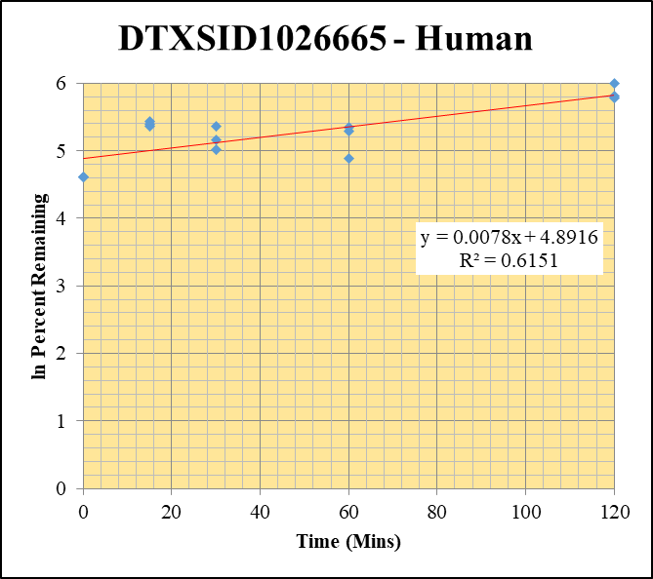
Blank____1_01 | DTXSID1026665 | 104.1 | 304986.13341 | 3529517.8037 | 0.086410141661 |  |  |  | DTXSID1026665 - Human | Time (Mins) | % Remaining Replica 1 | % Remaining Replica 2 | % Remaining Replica 3 | Average
Blank____2_02 | DTXSID1026665 | 104.1 | 440208.63239 | 3494785.5902 | 0.12596155645 |  |  |  | Time (Mins) | 120 | 324.3% | 403.4% | 333.4% | 353.7%
 |  |  |  |  |  |  |  |  | ln Percent Remaining | 60 | 131.6% | 199.1% | 210% | 180.3%
DTXSID1026665_1uM__120_1_201 | DTXSID1026665 | 104.1 | 616390.12394 | 3421490.1011 | 0.18015253756 | 324.30428614 | 120 | 5.7816822298 |  | 30 | 151.9% | 214.0% | 173% | 179.8%
DTXSID1026665_1uM__120_2_202 | DTXSID1026665 | 104.1 | 586096.38019 | 3143281.3409 | 0.18646004497 | 403.40730831 | 120 | 5.9999467421 |  | 15 | 213% | 220.6% | 229.3% | 220.8%
DTXSID1026665_1uM__120_3_203 | DTXSID1026665 | 104.1 | 578611.56039 | 3298073.9308 | 0.17543923288 | 333.4173586 | 120 | 5.8093950343 |  | 0 | 100% | 100% | 100% | 100%
DTXSID1026665_1uM__60_1_204 | DTXSID1026665 | 104.1 | 573028.37466 | 4207042.9838 | 0.13620692179 | 131.62631395 | 60 | 4.8799669529
DTXSID1026665_1uM__60_2_205 | DTXSID1026665 | 104.1 | 568647.23411 | 3899993.5826 | 0.14580722303 | 199.11195178 | 60 | 5.2938672383 |  | Slope | 0.00784
DTXSID1026665_1uM__60_3_206 | DTXSID1026665 | 104.1 | 539176.57885 | 3598664.7758 | 0.14982684202 | 210.10763372 | 60 | 5.3476199409 |  | Intercept | 4.89
DTXSID1026665_1uM__30_1_207 | DTXSID1026665 | 104.1 | 543312.37938 | 3858169.7593 | 0.14082127363 | 151.85777367 | 30 | 5.0229443833 |  | R2 | 0.615
DTXSID1026665_1uM__30_2_208 | DTXSID1026665 | 104.1 | 566213.94846 | 3806070.5913 | 0.14876601336 | 213.98095958 | 30 | 5.3658870371 |  | T½ (mins)
DTXSID1026665_1uM__30_3_209 | DTXSID1026665 | 104.1 | 529527.23973 | 3723443.1254 | 0.14221440261 | 173.4578803 | 30 | 5.155934805 |  | CLint (µl/min/106 cells) | 0.00
DTXSID1026665_1uM__15_1_210 | DTXSID1026665 | 104.1 | 544273.11395 | 3518740.7786 | 0.15467837735 | 212.61374668 | 15 | 5.3594771236 |  | Comments
DTXSID1026665_1uM__15_2_211 | DTXSID1026665 | 104.1 | 519508.2718 | 3461534.1242 | 0.15008035546 | 220.5860112 | 15 | 5.3962876923
DTXSID1026665_1uM__15_3_212 | DTXSID1026665 | 104.1 | 474646.85838 | 3085899.6461 | 0.15381150161 | 229.29160137 | 15 | 5.434994562
DTXSID1026665_1uM__0_1_213 | DTXSID1026665 | 104.1 | 510031.97623 | 3953930.7636 | 0.12899365384 | 100 | 0 | 4.605170186
DTXSID1026665_1uM__0_2_214 | DTXSID1026665 | 104.1 | 517444.58586 | 4103938.0311 | 0.12608489259 | 100 | 0 | 4.605170186
DTXSID1026665_1uM__0_3_215 | DTXSID1026665 | 104.1 | 461794.72558 | 3637421.1527 | 0.12695662839 | 100 | 0 | 4.605170186

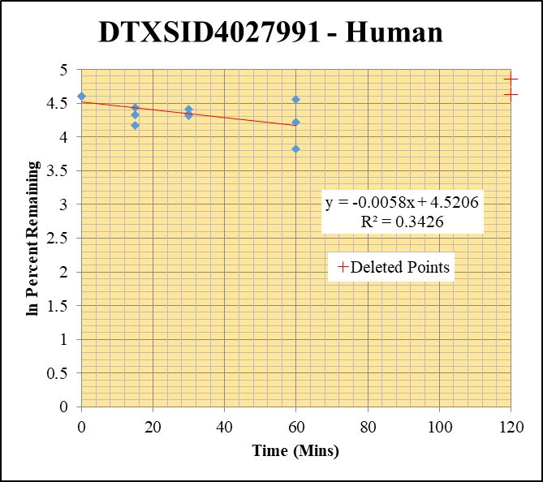
Blank____1_01 | DTXSID4027991 | 83.1 | 2098631.2686 | 3529517.8037 | 0 | Omitted |  |  | DTXSID4027991 - Human | Time (Mins) | % Remaining Replica 1 | % Remaining Replica 2 | % Remaining Replica 3 | Average
Blank____2_02 | DTXSID4027991 | 83.1 | 109472.11451 | 3494785.5902 | 0.031324415098 |  |  |  | Time (Mins) | 120 | 187.28% | 102.65% | 128.78%
 |  |  |  |  |  |  |  |  | ln Percent Remaining | 60 | 95.0% | 45.8% | 67.7% | 69.5%
DTXSID4027991_1uM__120_1_237 | DTXSID4027991 | 83.1 | 2297663.5813 | 3209045.0733 | 0.71599604518 | 187.2779848 | 120 | 5.233 |  | 30 | 82.7% | 77.0% | 75.2% | 78.3%
DTXSID4027991_1uM__120_2_238 | DTXSID4027991 | 83.1 | 1491646.1072 | 3396630.3131 | 0.43915468263 | 102.6515215 | 120 | 4.631 |  | 15 | 84.8% | 76.1% | 64.4% | 75.1%
DTXSID4027991_1uM__120_3_239 | DTXSID4027991 | 83.1 | 1757603.3597 | 3150316.5258 | 0.55791325896 | 128.77840336 | 120 | 4.858 |  | 0 | 100% | 100% | 100% | 100%
DTXSID4027991_1uM__60_1_240 | DTXSID4027991 | 83.1 | 1260849.247 | 3397666.9614 | 0.37109265308 | 95.046524955 | 60 | 4.5543665081
DTXSID4027991_1uM__60_2_241 | DTXSID4027991 | 83.1 | 717500.2863 | 3507478.3401 | 0.20456299847 | 45.788189264 | 60 | 3.8240261815 |  | Slope | -0.0058
DTXSID4027991_1uM__60_3_242 | DTXSID4027991 | 83.1 | 977867.58378 | 3250306.6076 | 0.30085395067 | 67.729766933 | 60 | 4.2155257721 |  | Intercept | 4.52
DTXSID4027991_1uM__30_1_243 | DTXSID4027991 | 83.1 | 1250851.2463 | 3849571.5253 | 0.32493259004 | 82.702749573 | 30 | 4.415252849 |  | R2 | 0.343
DTXSID4027991_1uM__30_2_244 | DTXSID4027991 | 83.1 | 1217947.2542 | 3653356.7629 | 0.33337758486 | 77.011915924 | 30 | 4.3439601621 |  | T½ (mins) | 120.0
DTXSID4027991_1uM__30_3_245 | DTXSID4027991 | 83.1 | 1184436.9381 | 3562065.3229 | 0.33251409808 | 75.2486887 | 30 | 4.3207984776 |  | CLint (µl/min/106 cells) | 11.6
DTXSID4027991_1uM__15_1_246 | DTXSID4027991 | 83.1 | 1388548.947 | 4170611.0804 | 0.33293656978 | 84.843113376 | 15 | 4.4408038261 |  | Comments | Points Deleted: (120,5.2330) (120,4.6310) (120,4.8580)
DTXSID4027991_1uM__15_2_247 | DTXSID4027991 | 83.1 | 1199533.4187 | 3641080.5642 | 0.3294443497 | 76.05852809 | 15 | 4.3315031504
DTXSID4027991_1uM__15_3_248 | DTXSID4027991 | 83.1 | 1191890.7673 | 4152548.8682 | 0.28702630725 | 64.445860269 | 15 | 4.1658254957
DTXSID4027991_1uM__0_1_249 | DTXSID4027991 | 83.1 | 1323169.6947 | 3396083.3367 | 0.38961637968 | 100 | 0 | 4.605170186
DTXSID4027991_1uM__0_2_250 | DTXSID4027991 | 83.1 | 1535568.2113 | 3585968.6562 | 0.42821573709 | 100 | 0 | 4.605170186
DTXSID4027991_1uM__0_3_251 | DTXSID4027991 | 83.1 | 1589137.2617 | 3638674.7235 | 0.43673518038 | 100 | 0 | 4.605170186

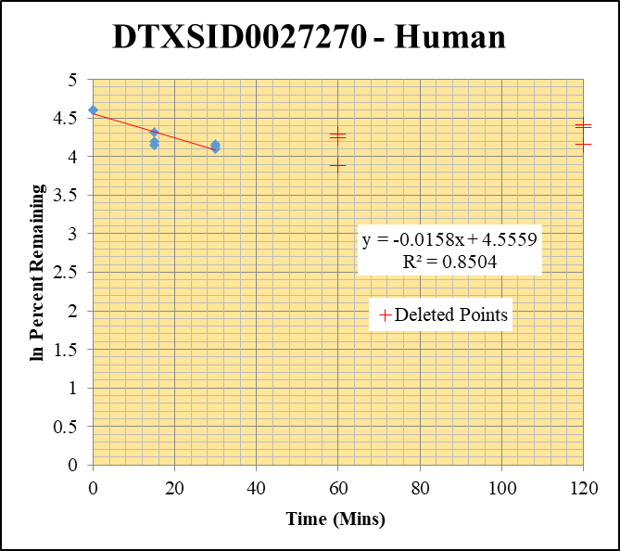
Blank____1_01 | DTXSID0027270 | 83.1 | 1032604.113 | 3529517.8037 | 0 | Omitted |  |  | DTXSID0027270 - Human | Time (Mins) | % Remaining Replica 1 | % Remaining Replica 2 | % Remaining Replica 3 | Average
Blank____2_02 | DTXSID0027270 | 83.1 | 0 | 3494785.5902 | 0 |  |  |  | Time (Mins) | 120 | 63.97% | 79.24% | 81.94%
 |  |  |  |  |  |  |  |  | ln Percent Remaining | 60 | 48.61% | 69.80% | 72.89%
DTXSID0027270_1uM__120_1_273 | DTXSID0027270 | 83.1 | 143292.03157 | 3058146.8949 | 0.04685583672 | 63.968765657 | 120 | 4.158 |  | 30 | 64% | 62.7% | 60% | 62.4%
DTXSID0027270_1uM__120_2_274 | DTXSID0027270 | 83.1 | 152898.51523 | 2503946.8039 | 0.06106300461 | 79.243854929 | 120 | 4.373 |  | 15 | 63.5% | 66.8% | 74.5% | 68.3%
DTXSID0027270_1uM__120_3_275 | DTXSID0027270 | 83.1 | 156011.33954 | 2622326.7085 | 0.059493479219 | 81.937322398 | 120 | 4.406 |  | 0 | 100% | 100% | 100% | 100%
DTXSID0027270_1uM__60_1_276 | DTXSID0027270 | 83.1 | 97823.112653 | 2747107.0606 | 0.035609501375 | 48.614986053 | 60 | 3.884
DTXSID0027270_1uM__60_2_277 | DTXSID0027270 | 83.1 | 150331.75665 | 2794883.748 | 0.053788196651 | 69.803051447 | 60 | 4.246 |  | Slope | -0.01575
DTXSID0027270_1uM__60_3_278 | DTXSID0027270 | 83.1 | 151004.28373 | 2853209.6035 | 0.052924357029 | 72.890006796 | 60 | 4.289 |  | Intercept | 4.56
DTXSID0027270_1uM__30_1_279 | DTXSID0027270 | 83.1 | 167584.71401 | 3572479.5762 | 0.046909915209 | 64.042594969 | 30 | 4.1595484084 |  | R2 | 0.850
DTXSID0027270_1uM__30_2_280 | DTXSID0027270 | 83.1 | 159507.57955 | 3302563.0832 | 0.048298117411 | 62.67836039 | 30 | 4.1380162587 |  | T½ (mins) | 44
DTXSID0027270_1uM__30_3_281 | DTXSID0027270 | 83.1 | 145448.17786 | 3318500.7891 | 0.043829484189 | 60.364104161 | 30 | 4.1003946263 |  | CLint (µl/min/106 cells) | 31.50
DTXSID0027270_1uM__15_1_282 | DTXSID0027270 | 83.1 | 156672.19503 | 3368667.4084 | 0.046508656403 | 63.494786365 | 15 | 4.150957798 |  | Comments | Points Deleted: (120,4.1580) (120,4.3730) (120,4.4060) (60,3.8840) (60,4.2460) (60,4.2890)
DTXSID0027270_1uM__15_2_283 | DTXSID0027270 | 83.1 | 175728.5159 | 3415639.0425 | 0.051448210337 | 66.766359473 | 15 | 4.201199353
DTXSID0027270_1uM__15_3_284 | DTXSID0027270 | 83.1 | 179584.45534 | 3319961.7557 | 0.054092326525 | 74.498591374 | 15 | 4.3107802175
DTXSID0027270_1uM__0_1_285 | DTXSID0027270 | 83.1 | 253149.78384 | 3456064.459 | 0.073247992577 | 100 | 0 | 4.605170186
DTXSID0027270_1uM__0_2_286 | DTXSID0027270 | 83.1 | 261640.41337 | 3395410.2149 | 0.07705708495 | 100 | 0 | 4.605170186
DTXSID0027270_1uM__0_3_287 | DTXSID0027270 | 83.1 | 247416.25372 | 3407537.366 | 0.072608522561 | 100 | 0 | 4.605170186

10uM_a
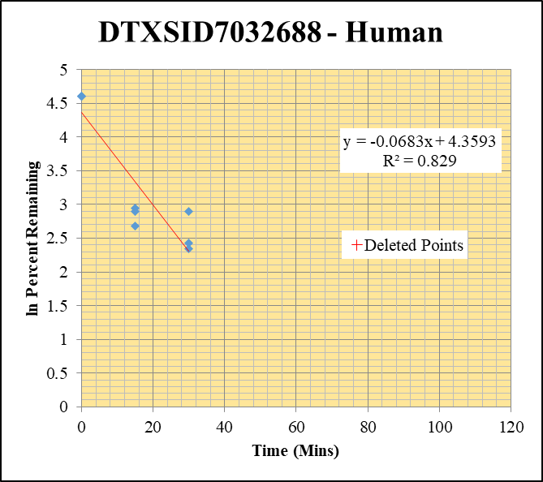
SampleName | CompoundName | Transition | Area | ISTD Area | ISTDResponseRatio | % Remaining | Time (mins) | ln % Remaining
Blank___1_01 | DTXSID7032688 | 123.1 | 0 | 1264981.4779 | 0 |  |  |  | DTXSID7032688 - Human | Time (Mins) | % Remaining Replica 1 | % Remaining Replica 2 | % Remaining Replica 3 | Average
Blank___2_02 | DTXSID7032688 | 123.1 | 0 | 1347963.1457 | 0 |  |  |  | Time (Mins) | 120 | 0.00% | 0.00% | 0.00%
Blank___3_03 | DTXSID7032688 | 123.1 | 0 | 1234979.3921 | 0 |  |  |  | ln Percent Remaining | 60 | 0.00% | 0.00% | 0.00%
DTXSID7032688_10uM__120_1_346 | DTXSID7032688 | 123.1 | 0 | 5177870.4621 | 0.0000001 | 0.00049522695196 | 120 | -7.610 |  | 30 | 10% | 11% | 18% | 13%
DTXSID7032688_10uM__120_2_347 | DTXSID7032688 | 123.1 | 0 | 5022631.5446 | 0.0000001 | 0.00067621856197 | 120 | -7.299 |  | 15 | 15% | 18% | 19% | 17%
DTXSID7032688_10uM__120_3_348 | DTXSID7032688 | 123.1 | 0 | 5040217.0259 | 0.0000001 | 0.00099170275733 | 120 | -6.916 |  | 0 | 100% | 100% | 100% | 100%
DTXSID7032688_10uM__60_1_349 | DTXSID7032688 | 123.1 | 0 | 4897892.3817 | 0.0000001 | 0.00049522695196 | 60 | -7.610
DTXSID7032688_10uM__60_2_350 | DTXSID7032688 | 123.1 | 0 | 4594517.846 | 0.0000001 | 0.00067621856197 | 60 | -7.299 |  | Slope | -0.0683
DTXSID7032688_10uM__60_3_351 | DTXSID7032688 | 123.1 | 0 | 5034520.7128 | 0.0000001 | 0.00099170275733 | 60 | -6.916 |  | Intercept | 4.36
DTXSID7032688_10uM__30_1_352 | DTXSID7032688 | 123.1 | 10437.460326 | 4949837.713 | 0.0021086469763 | 10.442588148 | 30 | 2.3458924586 |  | R2 | 0.829
DTXSID7032688_10uM__30_2_353 | DTXSID7032688 | 123.1 | 8449.9546005 | 5028369.2074 | 0.0016804562776 | 11.363557275 | 30 | 2.4304115046 |  | T½ (mins) | 10.14709489
DTXSID7032688_10uM__30_3_354 | DTXSID7032688 | 123.1 | 8977.8077269 | 4941627.0396 | 0.0018167716129 | 18.016974179 | 30 | 2.8913143235 |  | CLint (µl/min/106 cells) | 136.6
DTXSID7032688_10uM__15_1_355 | DTXSID7032688 | 123.1 | 15669.073353 | 5301868.0242 | 0.0029553872865 | 14.635874377 | 15 | 2.683475664 |  | Comments | Points Deleted: (120,-7.6100) (120,-7.2990) (120,-6.9160) (60,-7.6100) (60,-7.2990) (60,-6.9160)
DTXSID7032688_10uM__15_2_356 | DTXSID7032688 | 123.1 | 13387.059821 | 4990475.1624 | 0.0026825220815 | 18.139712244 | 15 | 2.8981035815
DTXSID7032688_10uM__15_3_357 | DTXSID7032688 | 123.1 | 10126.088577 | 5269347.6555 | 0.0019216968093 | 19.057520246 | 15 | 2.9474617872
DTXSID7032688_10uM__0_1_358 | DTXSID7032688 | 123.1 | 97105.095525 | 4808906.0477 | 0.020192762046 | 100 | 0 | 4.605170186
DTXSID7032688_10uM__0_2_359 | DTXSID7032688 | 123.1 | 68876.280638 | 4657541.9447 | 0.014788118165 | 100 | 0 | 4.605170186
DTXSID7032688_10uM__0_3_360 | DTXSID7032688 | 123.1 | 45271.507936 | 4489587.9248 | 0.010083666629 | 100 | 0 | 4.605170186

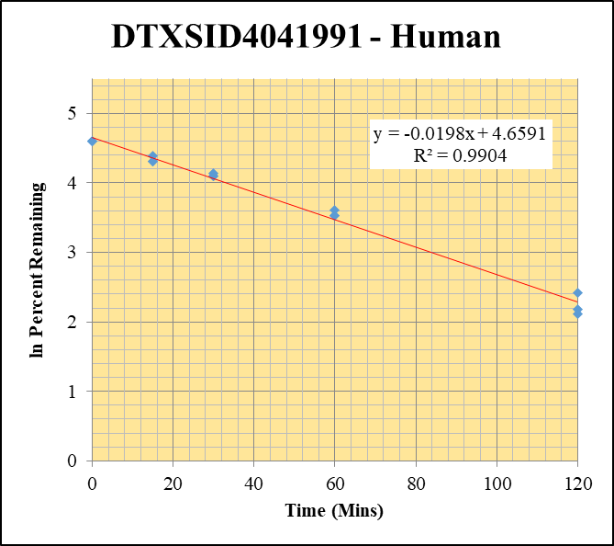
Blank___1_01 | DTXSID4041991 | 93 | 255748.43641 | 1264981.4779 | 0 | Omitted |  |  | DTXSID4041991 - Human | Time (Mins) | % Remaining Replica 1 | % Remaining Replica 2 | % Remaining Replica 3 | Average
Blank___2_02 | DTXSID4041991 | 93 | 0 | 1347963.1457 | 0 |  |  |  | Time (Mins) | 120 | 8.3% | 11.2% | 8.9% | 9.5%
Blank___3_03 | DTXSID4041991 | 93 | 21417.62968 | 1234979.3921 | 0 | Omitted |  |  | ln Percent Remaining | 60 | 34.2% | 34.0% | 36.8% | 35.0%
DTXSID4041991_10uM__120_1_382 | DTXSID4041991 | 93 | 10854.385301 | 4626652.1627 | 0.0023460560507 | 8.3199801489 | 120 | 2.1186598689 |  | 30 | 60.4% | 62.8% | 60.0% | 61.1%
DTXSID4041991_10uM__120_2_383 | DTXSID4041991 | 93 | 15006.821823 | 4794541.1943 | 0.0031299807876 | 11.228238626 | 120 | 2.418431911 |  | 15 | 80.9% | 74.4% | 74.9% | 76.7%
DTXSID4041991_10uM__120_3_384 | DTXSID4041991 | 93 | 9758.7658192 | 4026218.1928 | 0.0024238045113 | 8.867247483 | 120 | 2.1823644306 |  | 0 | 100% | 100% | 100% | 100%
DTXSID4041991_10uM__60_1_385 | DTXSID4041991 | 93 | 38927.142096 | 4040178.7359 | 0.0096350049442 | 34.16928161 | 60 | 3.5313270419
DTXSID4041991_10uM__60_2_386 | DTXSID4041991 | 93 | 44494.445478 | 4696653.7691 | 0.0094736481899 | 33.984995357 | 60 | 3.5259191142 |  | Slope | -0.01976
DTXSID4041991_10uM__60_3_387 | DTXSID4041991 | 93 | 40727.797382 | 4052415.7961 | 0.010050251364 | 36.76784398 | 60 | 3.6046236583 |  | Intercept | 4.66
DTXSID4041991_10uM__30_1_388 | DTXSID4041991 | 93 | 78633.093282 | 4614318.3894 | 0.017041106973 | 60.434051304 | 30 | 4.1015527094 |  | R2 | 0.990
DTXSID4041991_10uM__30_2_389 | DTXSID4041991 | 93 | 78943.770364 | 4510871.1846 | 0.017500781364 | 62.780880341 | 30 | 4.139650574 |  | T½ (mins) | 35
DTXSID4041991_10uM__30_3_390 | DTXSID4041991 | 93 | 64123.558888 | 3911925.6436 | 0.016391814347 | 59.967820768 | 30 | 4.0938080978 |  | CLint (µl/min/106 cells) | 39.51
DTXSID4041991_10uM__15_1_391 | DTXSID4041991 | 93 | 98111.395489 | 4300298.0105 | 0.022815022412 | 80.910485283 | 15 | 4.3933434236 |  | Comments
DTXSID4041991_10uM__15_2_392 | DTXSID4041991 | 93 | 100140.7731 | 4825628.6962 | 0.020751860412 | 74.443537021 | 15 | 4.3100409457
DTXSID4041991_10uM__15_3_393 | DTXSID4041991 | 93 | 91120.129581 | 4451004.3792 | 0.02047181306 | 74.894089842 | 15 | 4.3160749801
DTXSID4041991_10uM__0_1_394 | DTXSID4041991 | 93 | 104497.66046 | 3705872.502 | 0.02819785635 | 100 | 0 | 4.605170186
DTXSID4041991_10uM__0_2_395 | DTXSID4041991 | 93 | 104025.3873 | 3731722.1766 | 0.027875973177 | 100 | 0 | 4.605170186
DTXSID4041991_10uM__0_3_396 | DTXSID4041991 | 93 | 115890.24829 | 4239729.3496 | 0.027334350552 | 100 | 0 | 4.605170186

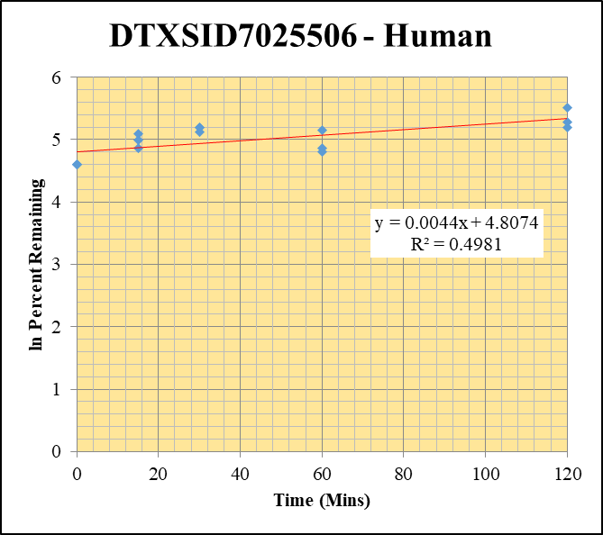
Blank___1_01 | DTXSID7025506 | 79 | 884153.63587 | 1264981.4779 | 0 | Omitted |  |  | DTXSID7025506 - Human | Time (Mins) | % Remaining Replica 1 | % Remaining Replica 2 | % Remaining Replica 3 | Average
Blank___2_02 | DTXSID7025506 | 79 | 23240.385575 | 1347963.1457 | 0.01724111349 |  |  |  | Time (Mins) | 120 | 246.6% | 180.4% | 196.7% | 207.9%
Blank___3_03 | DTXSID7025506 | 79 | 69242.758857 | 1234979.3921 | 0.0560679468 |  |  |  | ln Percent Remaining | 60 | 172.9% | 122.4% | 128.5% | 141.3%
DTXSID7025506_10uM__120_1_418 | DTXSID7025506 | 79 | 1506250.1135 | 4310129.1128 | 0.34946751572 | 246.62564387 | 120 | 5.5078715751 |  | 30 | 179.4% | 167.2% | 181.1% | 175.9%
DTXSID7025506_10uM__120_2_419 | DTXSID7025506 | 79 | 1561696.2567 | 4289624.1934 | 0.36406365366 | 180.35019597 | 120 | 5.194900494 |  | 15 | 163.5% | 146.3% | 129.5% | 146.5%
DTXSID7025506_10uM__120_3_420 | DTXSID7025506 | 79 | 1667678.3271 | 4282382.2682 | 0.38942771165 | 196.71280125 | 120 | 5.2817448033 |  | 0 | 100% | 100% | 100% | 100%
DTXSID7025506_10uM__60_1_421 | DTXSID7025506 | 79 | 1211558.8332 | 4802134.0481 | 0.25229592115 | 172.89423022 | 60 | 5.1526800215
DTXSID7025506_10uM__60_2_422 | DTXSID7025506 | 79 | 1270062.9745 | 4981825.3166 | 0.25493928304 | 122.40255274 | 60 | 4.8073152256 |  | Slope | 0.00438
DTXSID7025506_10uM__60_3_423 | DTXSID7025506 | 79 | 1372512.193 | 5222969.4339 | 0.26278388383 | 128.45786433 | 60 | 4.8556009465 |  | Intercept | 4.81
DTXSID7025506_10uM__30_1_424 | DTXSID7025506 | 79 | 1457722.4175 | 5588729.9606 | 0.2608325018 | 179.37157745 | 30 | 5.1894595059 |  | R2 | 0.498
DTXSID7025506_10uM__30_2_425 | DTXSID7025506 | 79 | 1918284.0244 | 5653843.2187 | 0.33928850698 | 167.19400224 | 30 | 5.1191548283 |  | T½ (mins)
DTXSID7025506_10uM__30_3_426 | DTXSID7025506 | 79 | 1820604.7294 | 5051434.4472 | 0.36041341296 | 181.07548863 | 30 | 5.1989140086 |  | CLint (µl/min/106 cells) | 0.0
DTXSID7025506_10uM__15_1_427 | DTXSID7025506 | 79 | 1346672.8235 | 5612036.3353 | 0.23996152966 | 163.53519762 | 15 | 5.0970282431 |  | Comments
DTXSID7025506_10uM__15_2_428 | DTXSID7025506 | 79 | 1629007.6895 | 5429926.7322 | 0.30000546413 | 146.33376965 | 15 | 4.9858901061
DTXSID7025506_10uM__15_3_429 | DTXSID7025506 | 79 | 1420462.984 | 5366045.6447 | 0.26471317578 | 129.49765997 | 15 | 4.8636628113
DTXSID7025506_10uM__0_1_430 | DTXSID7025506 | 79 | 726323.12297 | 4649132.6544 | 0.15622766158 | 100 | 0 | 4.605170186
DTXSID7025506_10uM__0_2_431 | DTXSID7025506 | 79 | 1036127.5742 | 4870123.3612 | 0.21275181291 | 100 | 0 | 4.605170186
DTXSID7025506_10uM__0_3_432 | DTXSID7025506 | 79 | 901668.01169 | 4294032.3346 | 0.20998165394 | 100 | 0 | 4.605170186

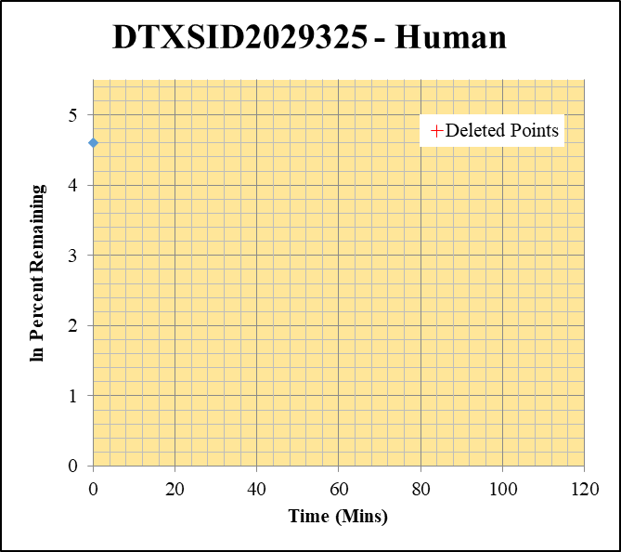
Blank___1_01 | DTXSID2029325 | 83.1 | 7532743.6302 | 1264981.4779 | 0 | Omitted |  |  | DTXSID2029325 - Human | Time (Mins) | % Remaining Replica 1 | % Remaining Replica 2 | % Remaining Replica 3 | Average
Blank___2_02 | DTXSID2029325 | 83.1 | 0 | 1347963.1457 | 0 |  |  |  | Time (Mins) | 120 | 0.10% | 0.10% | 0.10%
Blank___3_03 | DTXSID2029325 | 83.1 | 0 | 1234979.3921 | 0 |  |  |  | ln Percent Remaining | 60 | 0.10% | 0.10% | 0.10%
DTXSID2029325_10uM__120_1_490 | DTXSID2029325 | 83.1 | 0 | 4604166.9664 | 0 | 0.1 | 120 | -2.303 |  | 30 | 0.10% | 0.10% | 0.10%
DTXSID2029325_10uM__120_2_491 | DTXSID2029325 | 83.1 | 0 | 4560805.2401 | 0 | 0.1 | 120 | -2.303 |  | 15 | 0.10% | 0.10% | 0.10%
DTXSID2029325_10uM__120_3_492 | DTXSID2029325 | 83.1 | 0 | 4562904.1262 | 0 | 0.1 | 120 | -2.303 |  | 0 | 100% | 100% | 100% | 100%
DTXSID2029325_10uM__60_1_493 | DTXSID2029325 | 83.1 | 0 | 5050239.3747 | 0 | 0.1 | 60 | -2.303
DTXSID2029325_10uM__60_2_494 | DTXSID2029325 | 83.1 | 0 | 4824595.8385 | 0 | 0.1 | 60 | -2.303 |  | Slope
DTXSID2029325_10uM__60_3_495 | DTXSID2029325 | 83.1 | 0 | 5150939.0406 | 0 | 0.1 | 60 | -2.303 |  | Intercept
DTXSID2029325_10uM__30_1_496 | DTXSID2029325 | 83.1 | 0 | 5023250.2163 | 0 | 0.1 | 30 | -2.303 |  | R2
DTXSID2029325_10uM__30_2_497 | DTXSID2029325 | 83.1 | 0 | 4802660.337 | 0 | 0.1 | 30 | -2.303 |  | T½ (mins) | >480
DTXSID2029325_10uM__30_3_498 | DTXSID2029325 | 83.1 | 0 | 4684203.8996 | 0 | 0.1 | 30 | -2.303 |  | CLint (µl/min/106 cells) | 0.0
DTXSID2029325_10uM__15_1_499 | DTXSID2029325 | 83.1 | 0 | 4901177.0082 | 0 | 0.1 | 15 | -2.303 |  | Comments | Points Deleted: (120,-2.3030) (120,-2.3030) (120,-2.3030) (60,-2.3030) (60,-2.3030) (60,-2.3030) (30,-2.3030) (30,-2.3030) (30,-2.3030) (15,-2.3030) (15,-2.3030) (15,-2.3030)
DTXSID2029325_10uM__15_2_500 | DTXSID2029325 | 83.1 | 0 | 4663853.0011 | 0 | 0.1 | 15 | -2.303
DTXSID2029325_10uM__15_3_501 | DTXSID2029325 | 83.1 | 0 | 4631836.4056 | 0 | 0.1 | 15 | -2.303
DTXSID2029325_10uM__0_1_502 | DTXSID2029325 | 83.1 | 2905916.2565 | 4668535.8643 | 0.62244702429 | 100 | 0 | 4.605170186
DTXSID2029325_10uM__0_2_503 | DTXSID2029325 | 83.1 | 2909527.1048 | 4810361.061 | 0.60484588743 | 100 | 0 | 4.605170186
DTXSID2029325_10uM__0_3_504 | DTXSID2029325 | 83.1 | 2502505.0063 | 4351033.1003 | 0.57515191188 | 100 | 0 | 4.605170186

10uM_b
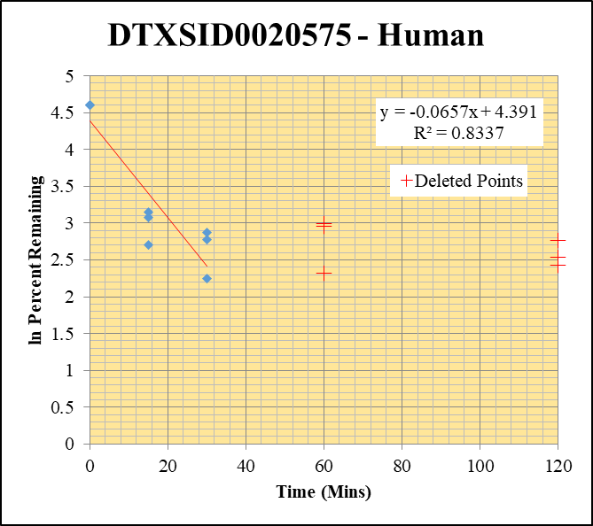
SampleName | CompoundName | Transition | Area | ISTD Area | ISTDResponseRatio | % Remaining | Time (mins) | ln % Remaining
Blank____1_01 | DTXSID0020575 | 148.1 | 0 | 3529517.8037 | 0 |  |  |  | DTXSID0020575 - Human | Time (Mins) | % Remaining Replica 1 | % Remaining Replica 2 | % Remaining Replica 3 | Average
Blank____2_02 | DTXSID0020575 | 148.1 | 0 | 3494785.5902 | 0 |  |  |  | Time (Mins) | 120 | 11.29% | 15.81% | 12.64%
 |  |  |  |  |  |  |  |  | ln Percent Remaining | 60 | 19.91% | 19.25% | 10.22%
DTXSID0020575_10uM__120_1_21 | DTXSID0020575 | 148.1 | 36540.294699 | 2474909.3055 | 0.01476429646 | 11.292603505 | 120 | 2.424 |  | 30 | 16% | 18% | 10% | 14%
DTXSID0020575_10uM__120_2_22 | DTXSID0020575 | 148.1 | 65481.463167 | 3079889.8671 | 0.021260975552 | 15.814744512 | 120 | 2.761 |  | 15 | 22% | 23% | 15% | 20%
DTXSID0020575_10uM__120_3_23 | DTXSID0020575 | 148.1 | 96573.978779 | 3684463.5584 | 0.026211136913 | 12.643329456 | 120 | 2.537 |  | 0 | 100% | 100% | 100% | 100%
DTXSID0020575_10uM__60_1_24 | DTXSID0020575 | 148.1 | 60573.476524 | 2327313.2522 | 0.026027212481 | 19.907145028 | 60 | 2.991
DTXSID0020575_10uM__60_2_25 | DTXSID0020575 | 148.1 | 49689.617379 | 1920309.0558 | 0.025875843906 | 19.247463946 | 60 | 2.957 |  | Slope | -0.0657
DTXSID0020575_10uM__60_3_26 | DTXSID0020575 | 148.1 | 62489.549363 | 2949236.1242 | 0.02118838463 | 10.220530624 | 60 | 2.324 |  | Intercept | 4.39
DTXSID0020575_10uM__30_1_27 | DTXSID0020575 | 148.1 | 74568.546436 | 3557202.004 | 0.020962696623 | 16.033505016 | 30 | 2.7746805962 |  | R2 | 0.834
DTXSID0020575_10uM__30_2_28 | DTXSID0020575 | 148.1 | 100377.5511 | 4218680.2809 | 0.023793590511 | 17.698602494 | 30 | 2.8734856813 |  | T½ (mins) | 10.546175654
DTXSID0020575_10uM__30_3_29 | DTXSID0020575 | 148.1 | 83247.469929 | 4223511.9382 | 0.01971048529 | 9.5076440247 | 30 | 2.2520961092 |  | CLint (µl/min/106 cells) | 131.4
DTXSID0020575_10uM__15_1_30 | DTXSID0020575 | 148.1 | 105573.55518 | 3713705.4149 | 0.028428090919 | 21.743478262 | 15 | 3.0793138625 |  | Comments | Points Deleted: (120,2.4240) (120,2.7610) (120,2.5370) (60,2.9910) (60,2.9570) (60,2.3240)
DTXSID0020575_10uM__15_2_31 | DTXSID0020575 | 148.1 | 94905.458797 | 3028438.1864 | 0.031338086815 | 23.31049369 | 15 | 3.1489036322
DTXSID0020575_10uM__15_3_32 | DTXSID0020575 | 148.1 | 107210.73566 | 3466546.3971 | 0.03092724671 | 14.918214751 | 15 | 2.7025829328
DTXSID0020575_10uM__0_1_33 | DTXSID0020575 | 148.1 | 586455.79762 | 4485559.3447 | 0.13074306961 | 100 | 0 | 4.605170186
DTXSID0020575_10uM__0_2_34 | DTXSID0020575 | 148.1 | 521261.72597 | 3877348.431 | 0.13443767957 | 100 | 0 | 4.605170186
DTXSID0020575_10uM__0_3_35 | DTXSID0020575 | 148.1 | 666420.16546 | 3214576.207 | 0.20731198222 | 100 | 0 | 4.605170186

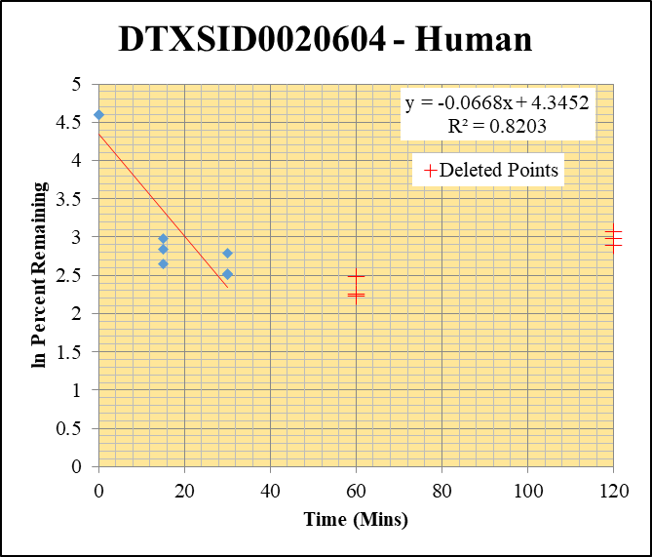
Blank____1_01 | DTXSID0020604 | 79.1 | 725348.20426 | 3529517.8037 | 0 | Omitted |  |  | DTXSID0020604 - Human | Time (Mins) | % Remaining Replica 1 | % Remaining Replica 2 | % Remaining Replica 3 | Average
Blank____2_02 | DTXSID0020604 | 79.1 | 14107.120362 | 3494785.5902 | 0.0040366197004 |  |  |  | Time (Mins) | 120 | 18.02% | 19.65% | 21.51%
 |  |  |  |  |  |  |  |  | ln Percent Remaining | 60 | 9.33% | 12.05% | 9.55%
DTXSID0020604_10uM__120_1_57 | DTXSID0020604 | 79.1 | 99690.003781 | 3921692.59 | 0.025420147422 | 18.018499818 | 120 | 2.891 |  | 30 | 0.16165019167 | 0.12375439156 | 0.12223747989 | 0.1358806877
DTXSID0020604_10uM__120_2_58 | DTXSID0020604 | 79.1 | 105199.35721 | 3721567.3239 | 0.028267487339 | 19.646917759 | 120 | 2.978 |  | 15 | 0.1963 | 0.17158823942 | 0.14150353122 | 0.16979093349
DTXSID0020604_10uM__120_3_59 | DTXSID0020604 | 79.1 | 116558.6401 | 3771982.8145 | 0.030901158841 | 21.513505152 | 120 | 3.069 |  | 0 | 1.00 | 1 | 1 | 1
DTXSID0020604_10uM__60_1_60 | DTXSID0020604 | 79.1 | 50470.79006 | 3571507.1624 | 0.014131510246 | 9.3266906271 | 60 | 2.233
DTXSID0020604_10uM__60_2_61 | DTXSID0020604 | 79.1 | 59760.415702 | 3297456.1829 | 0.018123187205 | 12.054137736 | 60 | 2.489 |  | Slope | -0.066817406109
DTXSID0020604_10uM__60_3_62 | DTXSID0020604 | 79.1 | 49135.039796 | 3311312.8718 | 0.014838537371 | 9.5491975501 | 60 | 2.256 |  | Intercept | 4.3
DTXSID0020604_10uM__30_1_63 | DTXSID0020604 | 79.1 | 92940.719761 | 4038634.4053 | 0.023012907442 | 16.165019167 | 30 | 2.7828495969 |  | R2 | 0.82030870804
DTXSID0020604_10uM__30_2_64 | DTXSID0020604 | 79.1 | 78295.255368 | 4220208.6986 | 0.018552460544 | 12.375439156 | 30 | 2.5157137952 |  | T½ (mins) | 10.373751705
DTXSID0020604_10uM__30_3_65 | DTXSID0020604 | 79.1 | 83009.554624 | 4504230.6081 | 0.018429241716 | 12.223747989 | 30 | 2.5033806161 |  | CLint (µl/min/106 cells) | 133.63481222
DTXSID0020604_10uM__15_1_66 | DTXSID0020604 | 79.1 | 105715.34579 | 3842706.5932 | 0.027510647308 | 19.628102983 | 15 | 2.9769623649 |  | Comments | Points Deleted: (120,2.8910) (120,2.9780) (120,3.0690) (60,2.2330) (60,2.4890) (60,2.2560)
DTXSID0020604_10uM__15_2_67 | DTXSID0020604 | 79.1 | 93104.735273 | 3732657.9742 | 0.024943280611 | 17.158823942 | 15 | 2.8425125569
DTXSID0020604_10uM__15_3_68 | DTXSID0020604 | 79.1 | 80583.825595 | 3834440.8305 | 0.021015795824 | 14.150353122 | 15 | 2.6497395794
DTXSID0020604_10uM__0_1_69 | DTXSID0020604 | 79.1 | 545401.6079 | 4135118.5502 | 0.13189503548 | 100 | 0 | 4.605170186
DTXSID0020604_10uM__0_2_70 | DTXSID0020604 | 79.1 | 582936.44188 | 4298216.4754 | 0.13562286712 | 100 | 0 | 4.605170186
DTXSID0020604_10uM__0_3_71 | DTXSID0020604 | 79.1 | 579955.32551 | 4255840.3387 | 0.13627281086 | 100 | 0 | 4.605170186

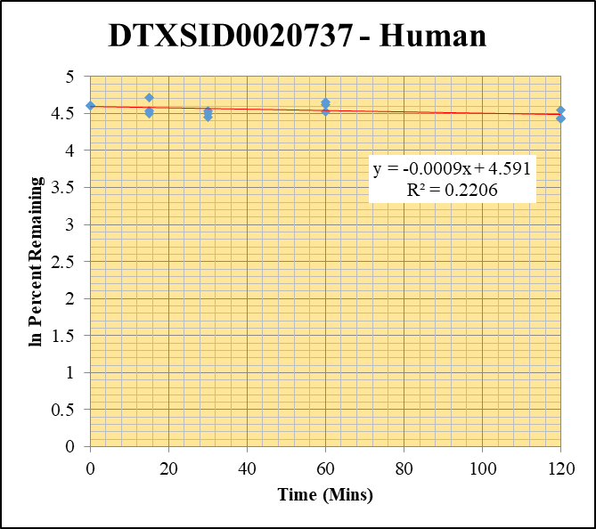
Blank____1_01 | DTXSID0020737 | 117.1 | 1391974.2449 | 3529517.8037 | 0.3943808538 |  |  |  | DTXSID0020737 - Human | Time (Mins) | % Remaining Replica 1 | % Remaining Replica 2 | % Remaining Replica 3 | Average
Blank____2_02 | DTXSID0020737 | 117.1 | 440811.55529 | 3494785.5902 | 0.12613407716 |  |  |  | Time (Mins) | 120 | 84% | 95% | 83% | 87%
 |  |  |  |  |  |  |  |  | ln Percent Remaining | 60 | 92% | 102% | 105% | 99%
DTXSID0020737_10uM__120_1_165 | DTXSID0020737 | 117.1 | 4911759.2053 | 3388282.6931 | 1.449630875 | 84.323110709 | 120 | 4.4346559758 |  | 30 | 93% | 90% | 86% | 90%
DTXSID0020737_10uM__120_2_166 | DTXSID0020737 | 117.1 | 5446688.1484 | 3527314.6983 | 1.544145792 | 94.591824217 | 120 | 4.5495710476 |  | 15 | 94% | 90% | 112% | 99%
DTXSID0020737_10uM__120_3_167 | DTXSID0020737 | 117.1 | 4965474.7121 | 3738697.9785 | 1.3281294025 | 83.423410953 | 120 | 4.4239289768 |  | 0 | 100% | 100% | 100% | 100%
DTXSID0020737_10uM__60_1_168 | DTXSID0020737 | 117.1 | 5525779.5781 | 3553840.9493 | 1.5548753185 | 91.78463523 | 60 | 4.5194449114
DTXSID0020737_10uM__60_2_169 | DTXSID0020737 | 117.1 | 5640194.5701 | 3439426.1896 | 1.639864983 | 101.6440364 | 60 | 4.6214768703 |  | Slope | -0.0009
DTXSID0020737_10uM__60_3_170 | DTXSID0020737 | 117.1 | 5459667.9745 | 3415084.2081 | 1.5986920502 | 104.56008303 | 60 | 4.6497618634 |  | Intercept | 4.59
DTXSID0020737_10uM__30_1_171 | DTXSID0020737 | 117.1 | 6003620.2759 | 3802464.1334 | 1.5788762406 | 93.486230703 | 30 | 4.5378141602 |  | R2 | 0.221
DTXSID0020737_10uM__30_2_172 | DTXSID0020737 | 117.1 | 5839569.7684 | 3958194.0328 | 1.4753116497 | 89.520396311 | 30 | 4.4944664911 |  | T½ (mins) | 771.51320456
DTXSID0020737_10uM__30_3_173 | DTXSID0020737 | 117.1 | 5764913.6177 | 4232162.7061 | 1.3621672932 | 86.082490988 | 30 | 4.4553060341 |  | CLint (µl/min/106 cells) | 1.8
DTXSID0020737_10uM__15_1_174 | DTXSID0020737 | 117.1 | 6251984.0986 | 3955250.9008 | 1.5806795208 | 93.614078019 | 15 | 4.5391807784 |  | Comments
DTXSID0020737_10uM__15_2_175 | DTXSID0020737 | 117.1 | 6322200.7062 | 4277195.0449 | 1.4781184023 | 89.727186766 | 15 | 4.4967738086
DTXSID0020737_10uM__15_3_176 | DTXSID0020737 | 117.1 | 6388431.0319 | 3762436.1241 | 1.697950695 | 112.31428504 | 15 | 4.7213010579
DTXSID0020737_10uM__0_1_177 | DTXSID0020737 | 117.1 | 5210875.6858 | 3118879.2126 | 1.6707526424 | 100 | 0 | 4.605170186
DTXSID0020737_10uM__0_2_178 | DTXSID0020737 | 117.1 | 5119678.4632 | 3165080.8912 | 1.6175505901 | 100 | 0 | 4.605170186
DTXSID0020737_10uM__0_3_179 | DTXSID0020737 | 117.1 | 4912316.0742 | 3189152.6826 | 1.5403201299 | 100 | 0 | 4.605170186

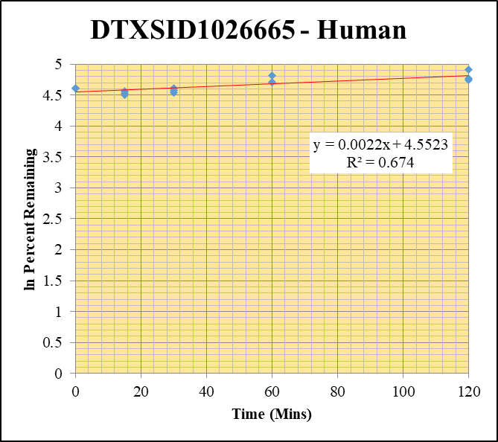
Blank____1_01 | DTXSID1026665 | 104.1 | 304986.13341 | 3529517.8037 | 0.086410141661 |  |  |  | DTXSID1026665 - Human | Time (Mins) | % Remaining Replica 1 | % Remaining Replica 2 | % Remaining Replica 3 | Average
Blank____2_02 | DTXSID1026665 | 104.1 | 440208.63239 | 3494785.5902 | 0.12596155645 |  |  |  | Time (Mins) | 120 | 135.4% | 117.2% | 114.4% | 122.3%
 |  |  |  |  |  |  |  |  | ln Percent Remaining | 60 | 110.1% | 111.3% | 123% | 114.7%
DTXSID1026665_10uM__120_1_201 | DTXSID1026665 | 104.1 | 4896205.7577 | 3369821.2526 | 1.4529571128 | 135.36936751 | 120 | 4.9080070979 |  | 30 | 96.7% | 100.8% | 93% | 97.0%
DTXSID1026665_10uM__120_2_202 | DTXSID1026665 | 104.1 | 4852166.1652 | 3697602.5737 | 1.312246535 | 117.15120553 | 120 | 4.7634654554 |  | 15 | 96% | 92.4% | 90.1% | 92.7%
DTXSID1026665_10uM__120_3_203 | DTXSID1026665 | 104.1 | 4739753.2665 | 3788468.6638 | 1.251100032 | 114.40158226 | 120 | 4.7397149098 |  | 0 | 100% | 100% | 100% | 100%
DTXSID1026665_10uM__60_1_204 | DTXSID1026665 | 104.1 | 4400009.6222 | 3661459.4986 | 1.2017092157 | 110.11543625 | 60 | 4.701529236
DTXSID1026665_10uM__60_2_205 | DTXSID1026665 | 104.1 | 4253550.5455 | 3397256.7823 | 1.2520544716 | 111.30442446 | 60 | 4.7122690101 |  | Slope | 0.00219
DTXSID1026665_10uM__60_3_206 | DTXSID1026665 | 104.1 | 4460713.1597 | 3341351.7546 | 1.335002564 | 122.78525203 | 60 | 4.810436911 |  | Intercept | 4.55
DTXSID1026665_10uM__30_1_207 | DTXSID1026665 | 104.1 | 4035884.8415 | 3776677.9543 | 1.0686335691 | 96.73947064 | 30 | 4.5720214954 |  | R2 | 0.674
DTXSID1026665_10uM__30_2_208 | DTXSID1026665 | 104.1 | 4057625.9307 | 3546368.2383 | 1.1441637354 | 100.824413 | 30 | 4.6133805188 |  | T½ (mins)
DTXSID1026665_10uM__30_3_209 | DTXSID1026665 | 104.1 | 3744147.5577 | 3596792.5756 | 1.0409684403 | 93.404911133 | 30 | 4.5369439256 |  | CLint (µl/min/106 cells) | 0.00
DTXSID1026665_10uM__15_1_210 | DTXSID1026665 | 104.1 | 4048644.6786 | 3829718.997 | 1.0571649465 | 95.586713503 | 15 | 4.5600338303 |  | Comments
DTXSID1026665_10uM__15_2_211 | DTXSID1026665 | 104.1 | 4012221.9895 | 3794203.9344 | 1.0574608162 | 92.402488943 | 15 | 4.5261539149
DTXSID1026665_10uM__15_3_212 | DTXSID1026665 | 104.1 | 3895912.0328 | 3865260.0664 | 1.0079301175 | 90.103671209 | 15 | 4.5009609097
DTXSID1026665_10uM__0_1_213 | DTXSID1026665 | 104.1 | 3978263.4323 | 3613081.5866 | 1.1010721283 | 100 | 0 | 4.605170186
DTXSID1026665_10uM__0_2_214 | DTXSID1026665 | 104.1 | 3906052.66 | 3439406.139 | 1.1356764808 | 100 | 0 | 4.605170186
DTXSID1026665_10uM__0_3_215 | DTXSID1026665 | 104.1 | 3644414.0922 | 3292239.5465 | 1.1069711182 | 100 | 0 | 4.605170186

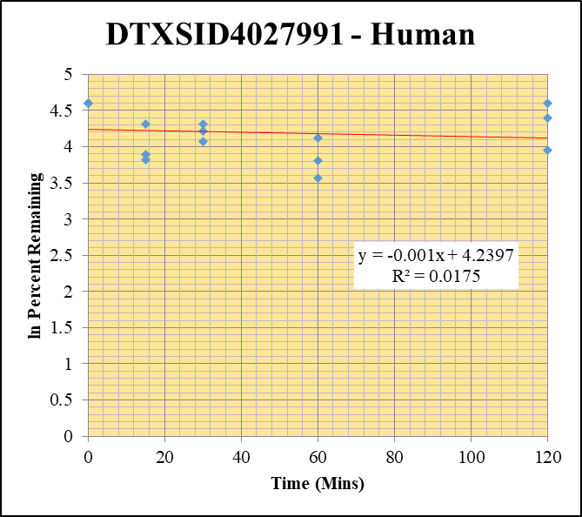
Blank____1_01 | DTXSID4027991 | 83.1 | 2098631.2686 | 3529517.8037 | 0 | Omitted |  |  | DTXSID4027991 - Human | Time (Mins) | % Remaining Replica 1 | % Remaining Replica 2 | % Remaining Replica 3 | Average
Blank____2_02 | DTXSID4027991 | 83.1 | 109472.11451 | 3494785.5902 | 0.031324415098 |  |  |  | Time (Mins) | 120 | 99.8% | 81.5% | 52.1% | 77.8%
 |  |  |  |  |  |  |  |  | ln Percent Remaining | 60 | 61.6% | 45.2% | 35.5% | 47.4%
DTXSID4027991_10uM__120_1_237 | DTXSID4027991 | 83.1 | 2788156.2202 | 3038716.7988 | 0.91754395187 | 99.84536579 | 120 | 4.6036226471 |  | 30 | 58.6% | 75.1% | 68.1% | 67.2%
DTXSID4027991_10uM__120_2_238 | DTXSID4027991 | 83.1 | 2504448.9759 | 2985232.9093 | 0.83894592215 | 81.454238016 | 120 | 4.4000413658 |  | 15 | 74.7% | 49.1% | 45.6% | 56.5%
DTXSID4027991_10uM__120_3_239 | DTXSID4027991 | 83.1 | 1804144.2647 | 3370700.2535 | 0.53524316285 | 52.086256878 | 120 | 3.9529011304 |  | 0 | 100% | 100% | 100% | 100%
DTXSID4027991_10uM__60_1_240 | DTXSID4027991 | 83.1 | 1689833.1787 | 2955257.6821 | 0.57180569699 | 61.569435777 | 60 | 4.1201655749
DTXSID4027991_10uM__60_2_241 | DTXSID4027991 | 83.1 | 1526058.3982 | 3231521.0747 | 0.47224151196 | 45.173150732 | 60 | 3.8105029 |  | Slope | -0.0010
DTXSID4027991_10uM__60_3_242 | DTXSID4027991 | 83.1 | 1242881.6716 | 3356779.9455 | 0.37026009802 | 35.547255193 | 60 | 3.5708629435 |  | Intercept | 4.24
DTXSID4027991_10uM__30_1_243 | DTXSID4027991 | 83.1 | 1609819.0967 | 2956173.0569 | 0.54456185944 | 58.553329792 | 30 | 4.0699379593 |  | R2 | 0.017
DTXSID4027991_10uM__30_2_244 | DTXSID4027991 | 83.1 | 2350725.7974 | 3034911.2878 | 0.77456161796 | 75.084168567 | 30 | 4.3186097318 |  | T½ (mins) | 683.1
DTXSID4027991_10uM__30_3_245 | DTXSID4027991 | 83.1 | 2257043.7145 | 3249906.9883 | 0.69449486479 | 68.05070856 | 30 | 4.2202531414 |  | CLint (µl/min/106 cells) | 2.0
DTXSID4027991_10uM__15_1_246 | DTXSID4027991 | 83.1 | 2823922.4758 | 4090344.5431 | 0.6903874346 | 74.697361962 | 15 | 4.3134447764 |  | Comments
DTXSID4027991_10uM__15_2_247 | DTXSID4027991 | 83.1 | 2099320.4908 | 4101804.6188 | 0.51180411694 | 49.087405059 | 15 | 3.8936024858
DTXSID4027991_10uM__15_3_248 | DTXSID4027991 | 83.1 | 1943931.422 | 4127910.4149 | 0.47092383957 | 45.638459358 | 15 | 3.820750768
DTXSID4027991_10uM__0_1_249 | DTXSID4027991 | 83.1 | 2678272.0681 | 2914521.0155 | 0.91894072948 | 100 | 0 | 4.605170186
DTXSID4027991_10uM__0_2_250 | DTXSID4027991 | 83.1 | 3361162.8473 | 3274730.2809 | 1.026393797 | 100 | 0 | 4.605170186
DTXSID4027991_10uM__0_3_251 | DTXSID4027991 | 83.1 | 3482537.4184 | 3437161.2265 | 1.0132016478 | 100 | 0 | 4.605170186

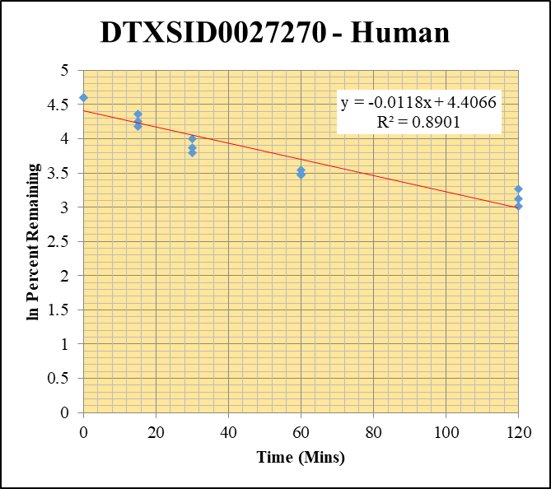
Blank____1_01 | DTXSID0027270 | 83.1 | 1032604.113 | 3529517.8037 | 0 | Omitted |  |  | DTXSID0027270 - Human | Time (Mins) | % Remaining Replica 1 | % Remaining Replica 2 | % Remaining Replica 3 | Average
Blank____2_02 | DTXSID0027270 | 83.1 | 0 | 3494785.5902 | 0 |  |  |  | Time (Mins) | 120 | 22.7% | 20.3% | 26.3% | 23.1%
 |  |  |  |  |  |  |  |  | ln Percent Remaining | 60 | 32.3% | 34.6% | 32.4% | 33.1%
DTXSID0027270_10uM__120_1_273 | DTXSID0027270 | 83.1 | 165075.07273 | 2598812.048 | 0.063519434911 | 22.720290441 | 120 | 3.1232583773 |  | 30 | 48% | 44.6% | 55% | 48.9%
DTXSID0027270_10uM__120_2_274 | DTXSID0027270 | 83.1 | 164263.48823 | 2632886.4792 | 0.062389126735 | 20.322868195 | 120 | 3.0117467641 |  | 15 | 78.4% | 65.0% | 70.1% | 71.2%
DTXSID0027270_10uM__120_3_275 | DTXSID0027270 | 83.1 | 192303.29746 | 2718127.2345 | 0.070748453205 | 26.257285218 | 120 | 3.2679434827 |  | 0 | 100% | 100% | 100% | 100%
DTXSID0027270_10uM__60_1_276 | DTXSID0027270 | 83.1 | 241808.9905 | 2675047.078 | 0.090394293428 | 32.33316864 | 60 | 3.4760935962
DTXSID0027270_10uM__60_2_277 | DTXSID0027270 | 83.1 | 291602.17676 | 2746918.1315 | 0.10615612217 | 34.579693479 | 60 | 3.5432666161 |  | Slope | -0.01176
DTXSID0027270_10uM__60_3_278 | DTXSID0027270 | 83.1 | 263973.06288 | 3026557.3282 | 0.087218920461 | 32.370065594 | 60 | 3.4772340943 |  | Intercept | 4.41
DTXSID0027270_10uM__30_1_279 | DTXSID0027270 | 83.1 | 440496.73626 | 3311153.2263 | 0.13303423495 | 47.585065277 | 30 | 3.8625189573 |  | R2 | 0.890
DTXSID0027270_10uM__30_2_280 | DTXSID0027270 | 83.1 | 456088.17218 | 3330944.0061 | 0.13692459896 | 44.602332535 | 30 | 3.7977861566 |  | T½ (mins) | 59
DTXSID0027270_10uM__30_3_281 | DTXSID0027270 | 83.1 | 501964.6812 | 3417830.8463 | 0.14686644945 | 54.507400196 | 30 | 3.9983364759 |  | CLint (µl/min/106 cells) | 23.52
DTXSID0027270_10uM__15_1_282 | DTXSID0027270 | 83.1 | 713336.48137 | 3252676.2482 | 0.2193075569 | 78.444202087 | 15 | 4.3623875706 |  | Comments
DTXSID0027270_10uM__15_2_283 | DTXSID0027270 | 83.1 | 683764.19786 | 3425938.0789 | 0.19958451732 | 65.013409412 | 15 | 4.1745935473
DTXSID0027270_10uM__15_3_284 | DTXSID0027270 | 83.1 | 637475.84322 | 3373885.3499 | 0.18894413328 | 70.123935903 | 15 | 4.2502641894
DTXSID0027270_10uM__0_1_285 | DTXSID0027270 | 83.1 | 940389.68412 | 3363683.3799 | 0.2795714037 | 100 | 0 | 4.605170186
DTXSID0027270_10uM__0_2_286 | DTXSID0027270 | 83.1 | 962477.36099 | 3135209.8629 | 0.306989772 | 100 | 0 | 4.605170186
DTXSID0027270_10uM__0_3_287 | DTXSID0027270 | 83.1 | 851159.34668 | 3158957.2237 | 0.26944313785 | 100 | 0 | 4.605170186

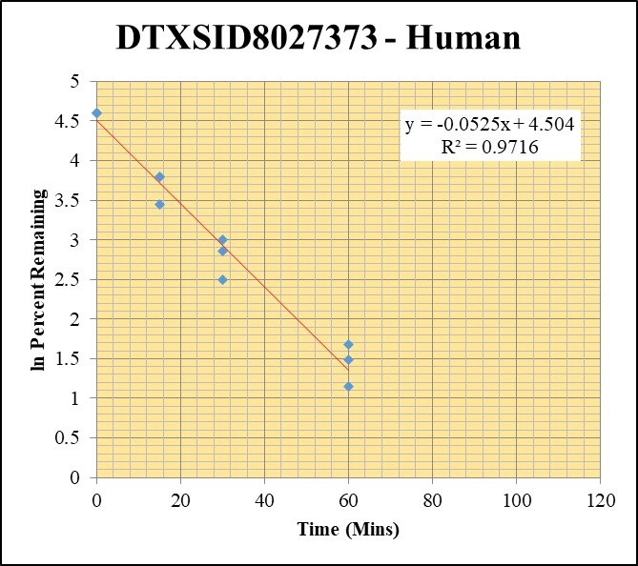
Blank____1_01 | DTXSID8027373 | 243.1 | 1662.9535477 | 3529517.8037 | 0.00047115601626 |  |  |  | DTXSID8027373 - Human | Time (Mins) | % Remaining Replica 1 | % Remaining Replica 2 | % Remaining Replica 3 | Average
Blank____2_02 | DTXSID8027373 | 243.1 | 0 | 3494785.5902 | 0 |  |  |  | Time (Mins) | 120 | 0.10% | 0.10% | 0.10%
 |  |  |  |  |  |  |  |  | ln Percent Remaining | 60 | 3.1% | 4.4% | 5% | 4.3%
DTXSID8027373_10uM__120_1_309 | DTXSID8027373 | 243.1 | 0 | 2002508.5911 | 0 | 0.1 | 120 | -2.303 |  | 30 | 12.2% | 17.4% | 20.2% | 16.6%
DTXSID8027373_10uM__120_2_310 | DTXSID8027373 | 243.1 | 0 | 2319576.049 | 0 | 0.1 | 120 | -2.303 |  | 15 | 44.5% | 44.3% | 31% | 40.0%
DTXSID8027373_10uM__120_3_311 | DTXSID8027373 | 243.1 | 0 | 2989326.699 | 0 | 0.1 | 120 | -2.303 |  | 0 | 100% | 100% | 100% | 100%
DTXSID8027373_10uM__60_1_312 | DTXSID8027373 | 243.1 | 6751.3198735 | 2821209.9959 | 0.0023930582563 | 3.1454050403 | 60 | 1.1459426705
DTXSID8027373_10uM__60_2_313 | DTXSID8027373 | 243.1 | 7767.0973193 | 2695862.8439 | 0.0028811173895 | 4.411957496 | 60 | 1.4843184676 |  | Slope | -0.05251
DTXSID8027373_10uM__60_3_314 | DTXSID8027373 | 243.1 | 9636.3363417 | 2707318.0428 | 0.0035593662027 | 5.3290139167 | 60 | 1.6731662148 |  | Intercept | 4.50
DTXSID8027373_10uM__30_1_315 | DTXSID8027373 | 243.1 | 27652.782587 | 3222601.0878 | 0.0085808891122 | 12.166685481 | 30 | 2.4987015183 |  | R2 | 0.972
DTXSID8027373_10uM__30_2_316 | DTXSID8027373 | 243.1 | 33052.497995 | 3104504.7859 | 0.010646624913 | 17.362469353 | 30 | 2.854310943 |  | T½ (mins) | 13
DTXSID8027373_10uM__30_3_317 | DTXSID8027373 | 243.1 | 41928.03763 | 3265511.0378 | 0.012839655767 | 20.208058352 | 30 | 3.0060814532 |  | CLint (µl/min/106 cells) | 105.02
DTXSID8027373_10uM__15_1_318 | DTXSID8027373 | 243.1 | 96536.240566 | 3141984.3333 | 0.030724609141 | 44.450164621 | 15 | 3.7943686655 |  | Comments | Points Deleted: (120,-2.3030) (120,-2.3030) (120,-2.3030)
DTXSID8027373_10uM__15_2_319 | DTXSID8027373 | 243.1 | 81307.157021 | 3033527.2433 | 0.026802843851 | 44.306143584 | 15 | 3.7911233488
DTXSID8027373_10uM__15_3_320 | DTXSID8027373 | 243.1 | 63379.648327 | 3207589.7277 | 0.019759275253 | 31.302251597 | 15 | 3.443690031
DTXSID8027373_10uM__0_1_321 | DTXSID8027373 | 243.1 | 184913.45061 | 2686638.4178 | 0.068827070058 | 100 | 0 | 4.605170186
DTXSID8027373_10uM__0_2_322 | DTXSID8027373 | 243.1 | 179869.81556 | 2987944.2974 | 0.060198516993 | 100 | 0 | 4.605170186
DTXSID8027373_10uM__0_3_323 | DTXSID8027373 | 243.1 | 191614.5605 | 3060587.3277 | 0.062607120784 | 100 | 0 | 4.605170186

1uM_a Inactive
SampleName | CompoundName | Transition | Area | ISTD Area | ISTDResponseRatio | % Remaining | Time (mins) | ln % Remaining | Chart | Table

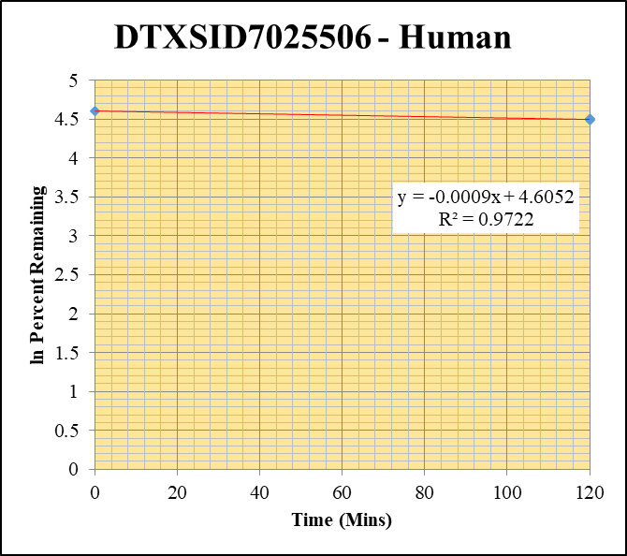
Blank___1_01 | DTXSID7025506 | 57.09 | 884153.63587 | 1264981.4779 | 0.69894591445 |  |  |  | DTXSID7025506 - Human | Time (Mins) | % Remaining Replica 1 | % Remaining Replica 2 | % Remaining Replica 3 | Average
Blank___2_02 | DTXSID7025506 | 57.09 | 23240.385575 | 1347963.1457 | 0.01724111349 |  |  |  | Time (Mins) | 120 | 91.1% | 89.3% | 88.3% | 89.6%
Blank___3_03 | DTXSID7025506 | 57.09 | 69242.758857 | 1234979.3921 | 0.0560679468 |  |  |  | ln Percent Remaining | 0 | 100% | 100% | 100% | 100%
DTXSID7025506_1uM__120_1_415 | DTXSID7025506 | 57.09 | 245659.14267 | 4074885.4546 | 0.060286146789 | 91.128015727 | 120 | 4.5122652842
DTXSID7025506_1uM__120_2_416 | DTXSID7025506 | 57.09 | 289010.77349 | 4490347.591 | 0.064362672963 | 89.282417244 | 120 | 4.4918045731 |  | Slope | -0.00092
DTXSID7025506_1uM__120_3_417 | DTXSID7025506 | 57.09 | 322278.74161 | 4776059.7406 | 0.067477954448 | 88.263784199 | 120 | 4.4803298785 |  | Intercept | 4.61
DTXSID7025506_1uM__0_1_412 | DTXSID7025506 | 57.09 | 165306.10235 | 4022645.7019 | 0.041093875673 | 100 | 0 | 4.605170186 |  | R2 | 0.972
DTXSID7025506_1uM__0_2_413 | DTXSID7025506 | 57.09 | 183568.48901 | 4456842.8755 | 0.04118801002 | 100 | 0 | 4.605170186 |  | T½ (mins) | 754
DTXSID7025506_1uM__0_3_414 | DTXSID7025506 | 57.09 | 178689.04489 | 4232125.6268 | 0.042222055923 | 100 | 0 | 4.605170186 |  | CLint (µl/min/106 cells) | 1.84
 |  |  |  |  |  |  |  |  |  | Comments

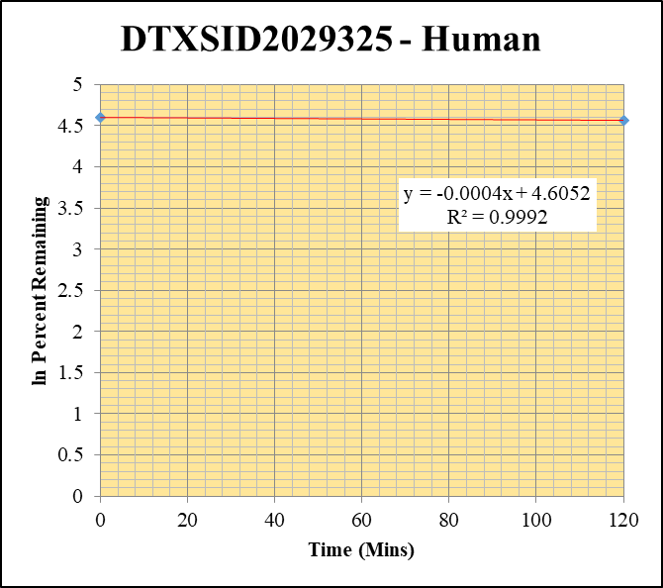
Blank___1_01 | DTXSID2029325 | 57.09 | 7532743.6302 | 1264981.4779 | 5.9548252378 |  |  |  | DTXSID2029325 - Human | Time (Mins) | % Remaining Replica 1 | % Remaining Replica 2 | % Remaining Replica 3 | Average
Blank___2_02 | DTXSID2029325 | 57.09 | 0 | 1347963.1457 | 0 |  |  |  | Time (Mins) | 120 | 95.8% | 95.6% | 95.7% | 95.7%
Blank___3_03 | DTXSID2029325 | 57.09 | 0 | 1234979.3921 | 0 |  |  |  | ln Percent Remaining | 0 | 100% | 100% | 100% | 100%
DTXSID2029325_1uM__120_1_487 | DTXSID2029325 | 57.09 | 542753.74675 | 4465791.4167 | 0.12153584798 | 95.78960854 | 120 | 4.5621542087
DTXSID2029325_1uM__120_2_488 | DTXSID2029325 | 57.09 | 538926.75682 | 4329385.3438 | 0.12448112469 | 95.580044478 | 120 | 4.5599640585 |  | Slope | -0.00037
DTXSID2029325_1uM__120_3_489 | DTXSID2029325 | 57.09 | 562181.42504 | 4449852.0329 | 0.12633710534 | 95.694864515 | 120 | 4.5611646347 |  | Intercept | 4.61
DTXSID2029325_1uM__0_1_484 | DTXSID2029325 | 57.09 | 176817.79328 | 4461644.2019 | 0.039630635093 | 100 | 0 | 4.605170186 |  | R2 | 0.999
DTXSID2029325_1uM__0_2_485 | DTXSID2029325 | 57.09 | 188274.52551 | 4896999.0294 | 0.038446919099 | 100 | 0 | 4.605170186 |  | T½ (mins) | 1887
DTXSID2029325_1uM__0_3_486 | DTXSID2029325 | 57.09 | 196075.12358 | 4589568.2951 | 0.042721909986 | 100 | 0 | 4.605170186 |  | CLint (µl/min/106 cells) | 0.73
 |  |  |  |  |  |  |  |  |  | Comments

1uM_b Inactive
SampleName | CompoundName | Transition | Area | ISTD Area | ISTDResponseRatio | % Remaining | Time (mins) | ln % Remaining | Chart | Table

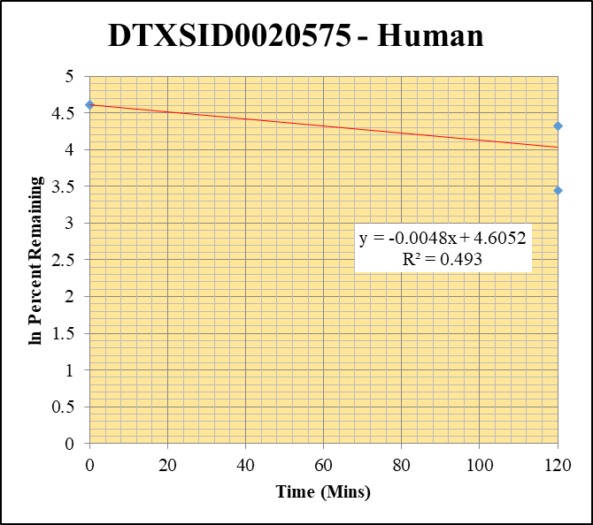
Blank____1_01 | DTXSID0020575 | 148.1 | 0 | 3529517.8037 | 0 |  |  |  | DTXSID0020575 - Human | Time (Mins) | % Remaining Replica 1 | % Remaining Replica 2 | % Remaining Replica 3 | Average
Blank____2_02 | DTXSID0020575 | 148.1 | 0 | 3494785.5902 | 0 |  |  |  | Time (Mins) | 120 | 74.9% | 75.5% | 31.3% | 60.6%
 |  |  |  |  |  |  |  |  | ln Percent Remaining | 0 | 100% | 100% | 100% | 100%
DTXSID0020575_1uM__120_1_21 | DTXSID0020575 | 148.1 | 42356.693969 | 3449494.154 | 0.012279102987 | 74.94600764 | 120 | 4.3167679562
DTXSID0020575_1uM__120_2_22 | DTXSID0020575 | 148.1 | 41348.496573 | 3315684.2448 | 0.012470577268 | 75.536597247 | 120 | 4.3246172706 |  | Slope | -0.00481
DTXSID0020575_1uM__120_3_23 | DTXSID0020575 | 148.1 | 42879.579596 | 3725343.8504 | 0.01151023404 | 31.280449553 | 120 | 3.4429932875 |  | Intercept | 4.61
DTXSID0020575_1uM__0_1_33 | DTXSID0020575 | 148.1 | 61345.510671 | 3744248.3513 | 0.016383932078 | 100 | 0 | 4.605170186 |  | R2 | 0.493
DTXSID0020575_1uM__0_2_34 | DTXSID0020575 | 148.1 | 39089.675452 | 2367734.0732 | 0.016509318295 | 100 | 0 | 4.605170186 |  | T½ (mins) | 144
DTXSID0020575_1uM__0_3_35 | DTXSID0020575 | 148.1 | 132795.31535 | 3608872.8938 | 0.036796894558 | 100 | 0 | 4.605170186 |  | CLint (µl/min/106 cells) | 9.62
 |  |  |  |  |  |  |  |  |  | Comments

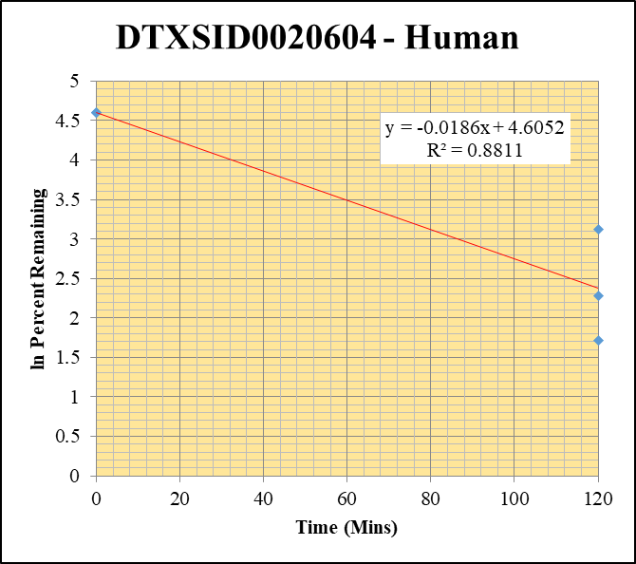
Blank____1_01 | DTXSID0020604 | 79.1 | 725348.20426 | 3529517.8037 | 0.20550915015 |  |  |  | DTXSID0020604 - Human | Time (Mins) | % Remaining Replica 1 | % Remaining Replica 2 | % Remaining Replica 3 | Average
Blank____2_02 | DTXSID0020604 | 79.1 | 14107.120362 | 3494785.5902 | 0.0040366197004 |  |  |  | Time (Mins) | 120 | 9.8% | 5.6% | 22.8% | 12.7%
 |  |  |  |  |  |  |  |  | ln Percent Remaining | 0 | 100% | 100% | 100% | 100%
DTXSID0020604_1uM__120_1_57 | DTXSID0020604 | 79.1 | 392954.57328 | 4124901.2708 | 0.095263994816 | 9.8185971924 | 120 | 2.2842782601
DTXSID0020604_1uM__120_2_58 | DTXSID0020604 | 79.1 | 453585.44914 | 4544019.3884 | 0.099820315535 | 5.5680855353 | 120 | 1.7170512849 |  | Slope | -0.01858
DTXSID0020604_1uM__120_3_59 | DTXSID0020604 | 79.1 | 394392.63869 | 4644441.408 | 0.084917130833 | 22.79302233 | 120 | 3.126454451 |  | Intercept | 4.61
DTXSID0020604_1uM__0_1_69 | DTXSID0020604 | 79.1 | 41206.744131 | 5198162.2241 | 0.0079271754815 | 100 | 0 | 4.605170186 |  | R2 | 0.881
DTXSID0020604_1uM__0_2_70 | DTXSID0020604 | 79.1 | 77708.702026 | 4909806.4105 | 0.015827243588 | 100 | 0 | 4.605170186 |  | T½ (mins) | 37
DTXSID0020604_1uM__0_3_71 | DTXSID0020604 | 79.1 | 77834.213428 | 4407477.1321 | 0.017659584178 | 100 | 0 | 4.605170186 |  | CLint (µl/min/106 cells) | 37.15
 |  |  |  |  |  |  |  |  |  | Comments

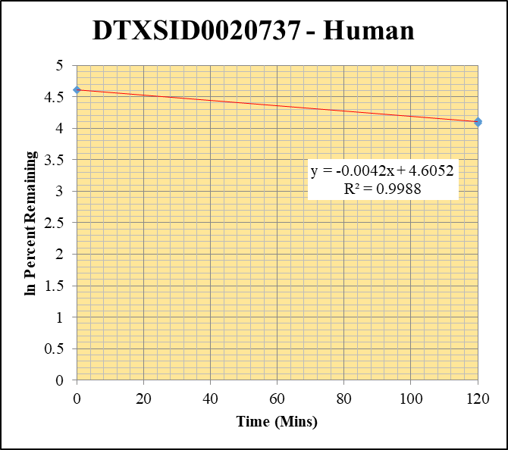
Blank____1_01 | DTXSID0020737 | 117.1 | 1391974.2449 | 3529517.8037 | 0 | Omitted |  |  | DTXSID0020737 - Human | Time (Mins) | % Remaining Replica 1 | % Remaining Replica 2 | % Remaining Replica 3 | Average
Blank____2_02 | DTXSID0020737 | 117.1 | 440811.55529 | 3494785.5902 | 0.12613407716 |  |  |  | Time (Mins) | 120 | 61.2% | 60.9% | 59.5% | 60.5%
 |  |  |  |  |  |  |  |  | ln Percent Remaining | 0 | 100% | 100% | 100% | 100%
DTXSID0020737_1uM__120_1_165 | DTXSID0020737 | 117.1 | 1339751.1217 | 4847955.7825 | 0.27635382454 | 61.172278968 | 120 | 4.1136941289
DTXSID0020737_1uM__120_2_166 | DTXSID0020737 | 117.1 | 1240285.9763 | 5052883.3594 | 0.24546103443 | 60.910249468 | 120 | 4.1094014605 |  | Slope | -0.00418
DTXSID0020737_1uM__120_3_167 | DTXSID0020737 | 117.1 | 1226513.2534 | 5005517.5799 | 0.24503225367 | 59.504176682 | 120 | 4.0860465064 |  | Intercept | 4.61
DTXSID0020737_1uM__0_1_177 | DTXSID0020737 | 117.1 | 1436609.4166 | 3489179.0318 | 0.41173278973 | 100 | 0 | 4.605170186 |  | R2 | 0.999
DTXSID0020737_1uM__0_2_178 | DTXSID0020737 | 117.1 | 1187541.0227 | 3275847.1672 | 0.36251417177 | 100 | 0 | 4.605170186 |  | T½ (mins) | 166
DTXSID0020737_1uM__0_3_179 | DTXSID0020737 | 117.1 | 1202458.1611 | 3259847.4008 | 0.36886946328 | 100 | 0 | 4.605170186 |  | CLint (µl/min/106 cells) | 8.37
 |  |  |  |  |  |  |  |  |  | Comments

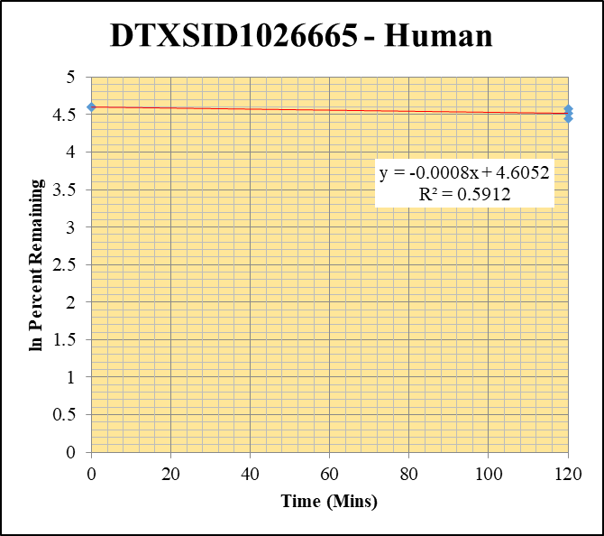
Blank____1_01 | DTXSID1026665 | 104.1 | 304986.13341 | 3529517.8037 | 0.086410141661 |  |  |  | DTXSID1026665 - Human | Time (Mins) | % Remaining Replica 1 | % Remaining Replica 2 | % Remaining Replica 3 | Average
Blank____2_02 | DTXSID1026665 | 104.1 | 440208.63239 | 3494785.5902 | 0.12596155645 |  |  |  | Time (Mins) | 120 | 85.1% | 97.2% | 91.5% | 91.3%
 |  |  |  |  |  |  |  |  | ln Percent Remaining | 0 | 100% | 100% | 100% | 100%
DTXSID1026665_1uM__120_1_201 | DTXSID1026665 | 104.1 | 530560.50537 | 4224543.8856 | 0.12559000918 | 85.07684235 | 120 | 4.4435548758
DTXSID1026665_1uM__120_2_202 | DTXSID1026665 | 104.1 | 516525.59913 | 4114636.0791 | 0.12553372624 | 97.230186711 | 120 | 4.5770812261 |  | Slope | -0.00077
DTXSID1026665_1uM__120_3_203 | DTXSID1026665 | 104.1 | 521900.99505 | 4168824.9397 | 0.12519139148 | 91.501344856 | 120 | 4.51635367 |  | Intercept | 4.61
DTXSID1026665_1uM__0_1_213 | DTXSID1026665 | 104.1 | 510031.97623 | 3953930.7636 | 0.12899365384 | 100 | 0 | 4.605170186 |  | R2 | 0.591
DTXSID1026665_1uM__0_2_214 | DTXSID1026665 | 104.1 | 517444.58586 | 4103938.0311 | 0.12608489259 | 100 | 0 | 4.605170186 |  | T½ (mins) | 896
DTXSID1026665_1uM__0_3_215 | DTXSID1026665 | 104.1 | 461794.72558 | 3637421.1527 | 0.12695662839 | 100 | 0 | 4.605170186 |  | CLint (µl/min/106 cells) | 1.5
 |  |  |  |  |  |  |  |  |  | Comments

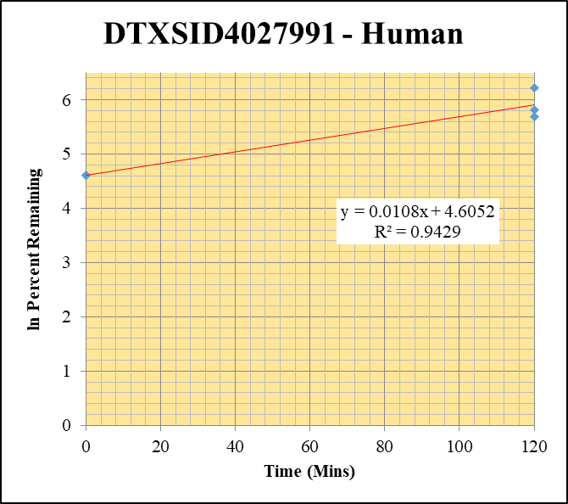
Blank____1_01 | DTXSID4027991 | 83.1 | 2098631.2686 | 3529517.8037 | 0.59459432856 |  |  |  | DTXSID4027991 - Human | Time (Mins) | % Remaining Replica 1 | % Remaining Replica 2 | % Remaining Replica 3 | Average
Blank____2_02 | DTXSID4027991 | 83.1 | 109472.11451 | 3494785.5902 | 0.031324415098 |  |  |  | Time (Mins) | 120 | 334.1% | 295.8% | 502.2% | 377.4%
 |  |  |  |  |  |  |  |  | ln Percent Remaining | 0 | 100% | 100% | 100% | 100%
DTXSID4027991_1uM__120_1_237 | DTXSID4027991 | 83.1 | 2061206.0141 | 3622266.3567 | 0.56903767177 | 334.0572599 | 120 | 5.8113124151
DTXSID4027991_1uM__120_2_238 | DTXSID4027991 | 83.1 | 2467967.4703 | 3774168.3152 | 0.65391028281 | 295.81959332 | 120 | 5.6897497865 |  | Slope | 0.01085
DTXSID4027991_1uM__120_3_239 | DTXSID4027991 | 83.1 | 3400880.9367 | 3638848.5298 | 0.93460360024 | 502.23402753 | 120 | 6.2190662014 |  | Intercept | 4.61
DTXSID4027991_1uM__0_1_249 | DTXSID4027991 | 83.1 | 1323169.6947 | 3396083.3367 | 0.38961637968 | 100 | 0 | 4.605170186 |  | R2 | 0.943
DTXSID4027991_1uM__0_2_250 | DTXSID4027991 | 83.1 | 1535568.2113 | 3585968.6562 | 0.42821573709 | 100 | 0 | 4.605170186 |  | T½ (mins)
DTXSID4027991_1uM__0_3_251 | DTXSID4027991 | 83.1 | 1589137.2617 | 3638674.7235 | 0.43673518038 | 100 | 0 | 4.605170186 |  | CLint (µl/min/106 cells) | 0.00
 |  |  |  |  |  |  |  |  |  | Comments

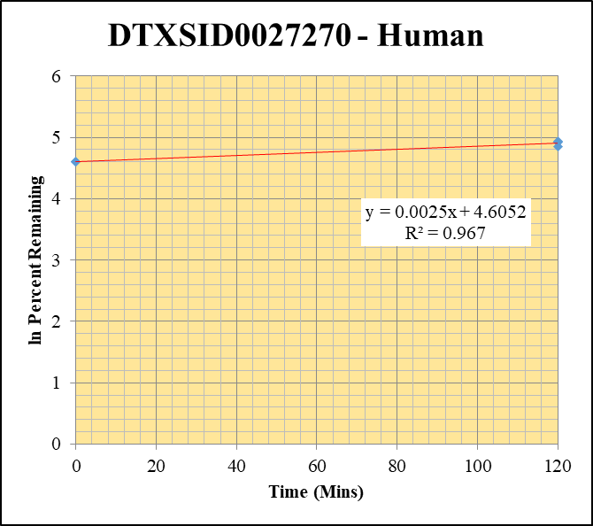
Blank____1_01 | DTXSID0027270 | 83.1 | 1032604.113 | 3529517.8037 | 0.29256237549 |  |  |  | DTXSID0027270 - Human | Time (Mins) | % Remaining Replica 1 | % Remaining Replica 2 | % Remaining Replica 3 | Average
Blank____2_02 | DTXSID0027270 | 83.1 | 0 | 3494785.5902 | 0 |  |  |  | Time (Mins) | 120 | 127.6% | 139% | 137.7% | 135%
 |  |  |  |  |  |  |  |  | ln Percent Remaining | 0 | 100% | 100% | 100% | 100%
DTXSID0027270_1uM__120_1_273 | DTXSID0027270 | 83.1 | 197065.97431 | 3709382.7152 | 0.053126352669 | 127.5513619 | 120 | 4.8485191219
DTXSID0027270_1uM__120_2_274 | DTXSID0027270 | 83.1 | 179816.17933 | 3601875.7026 | 0.049922927434 | 139.19755753 | 120 | 4.9358942013 |  | Slope | 0.00248
DTXSID0027270_1uM__120_3_275 | DTXSID0027270 | 83.1 | 165130.17121 | 3684375.1141 | 0.044819044234 | 137.72020227 | 120 | 4.9252241072 |  | Intercept | 4.61
DTXSID0027270_1uM__0_1_285 | DTXSID0027270 | 83.1 | 253149.78384 | 3456064.459 | 0.073247992577 | 100 | 0 | 4.605170186 |  | R2 | 0.9670
DTXSID0027270_1uM__0_2_286 | DTXSID0027270 | 83.1 | 261640.41337 | 3395410.2149 | 0.07705708495 | 100 | 0 | 4.605170186 |  | T½ (mins) | >480
DTXSID0027270_1uM__0_3_287 | DTXSID0027270 | 83.1 | 247416.25372 | 3407537.366 | 0.072608522561 | 100 | 0 | 4.605170186 |  | CLint (µl/min/106 cells) | 0.0
 |  |  |  |  |  |  |  |  |  | Comments

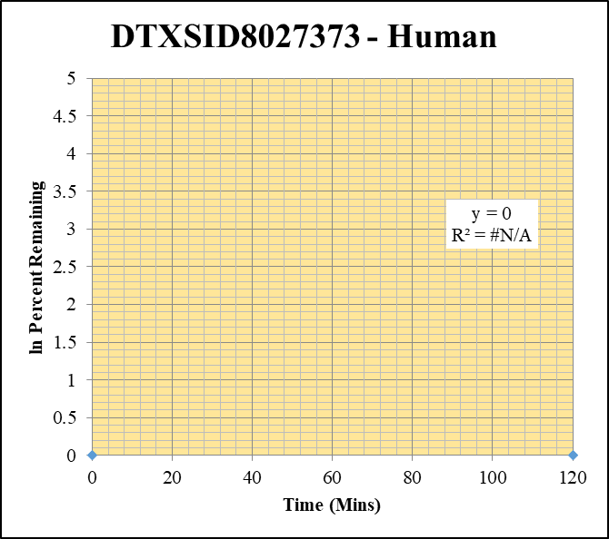
Blank____1_01 | DTXSID8027373 | 243.1 | 1662.9535477 | 3529517.8037 | 0 | Omitted |  |  | DTXSID8027373 - Human | Time (Mins) | % Remaining Replica 1 | % Remaining Replica 2 | % Remaining Replica 3 | Average
Blank____2_02 | DTXSID8027373 | 243.1 | 0 | 3494785.5902 | 0 |  |  |  | Time (Mins) | 120 | #DIV/0! | #DIV/0! | #DIV/0!
 |  |  |  |  |  |  |  |  | ln Percent Remaining | 0 | #DIV/0! | #DIV/0! | #DIV/0!
DTXSID8027373_1uM__120_1_309 | DTXSID8027373 | 243.1 | 0 | 3618808.2886 | 0 | #DIV/0! | 120 | #DIV/0!
DTXSID8027373_1uM__120_2_310 | DTXSID8027373 | 243.1 | 0 | 3403198.3635 | 0 | #DIV/0! | 120 | #DIV/0! |  | Slope
DTXSID8027373_1uM__120_3_311 | DTXSID8027373 | 243.1 | 0 | 3473766.9334 | 0 | #DIV/0! | 120 | #DIV/0! |  | Intercept
DTXSID8027373_1uM__0_1_321 | DTXSID8027373 | 243.1 | 0 | 3443979.0554 | 0 | #DIV/0! | 0 | #DIV/0! |  | R2
DTXSID8027373_1uM__0_2_322 | DTXSID8027373 | 243.1 | 0 | 2891279.4695 | 0 | #DIV/0! | 0 | #DIV/0! |  | T½ (mins)
DTXSID8027373_1uM__0_3_323 | DTXSID8027373 | 243.1 | 0 | 3174529.8145 | 0 | #DIV/0! | 0 | #DIV/0! |  | CLint (µl/min/106 cells) | 0.00
 |  |  |  |  |  |  |  |  |  | Comments

10uM_a Inactive
SampleName | CompoundName | Transition | Area | ISTD Area | ISTDResponseRatio | % Remaining | Time (mins) | ln % Remaining | Chart | Table

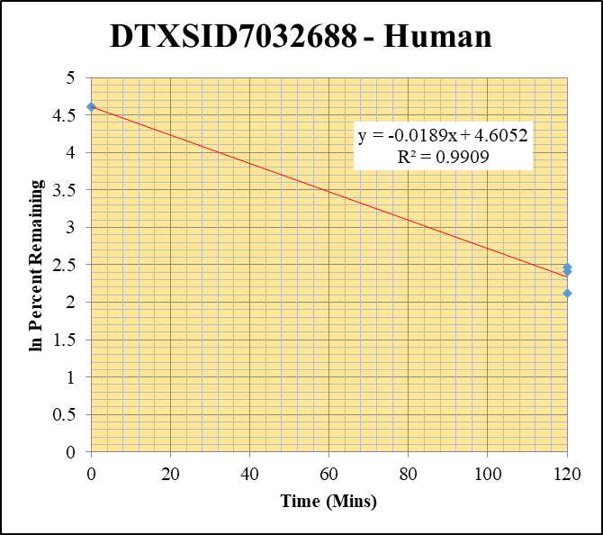
Blank___1_01 | DTXSID7032688 | 123.1 | 0 | 1264981.4779 | 0 |  |  |  | DTXSID7032688 - Human | Time (Mins) | % Remaining Replica 1 | % Remaining Replica 2 | % Remaining Replica 3 | Average
Blank___2_02 | DTXSID7032688 | 123.1 | 0 | 1347963.1457 | 0 |  |  |  | Time (Mins) | 120 | 8.3% | 11.8% | 11.1% | 10.4%
Blank___3_03 | DTXSID7032688 | 123.1 | 0 | 1234979.3921 | 0 |  |  |  | ln Percent Remaining | 0 | 100% | 100% | 100% | 100%
DTXSID7032688_10uM__120_1_361 | DTXSID7032688 | 123.1 | 6026.192836 | 3592390.3959 | 0.0016774882938 | 8.307374147 | 120 | 2.1171435718
DTXSID7032688_10uM__120_2_362 | DTXSID7032688 | 123.1 | 6823.5163102 | 3900533.2926 | 0.0017493803535 | 11.82963467 | 120 | 2.4706077958 |  | Slope | -0.01895
DTXSID7032688_10uM__120_3_363 | DTXSID7032688 | 123.1 | 4290.5556518 | 3835403.8363 | 0.0011186711582 | 11.093892722 | 120 | 2.4063947516 |  | Intercept | 4.61
DTXSID7032688_10uM__0_1_358 | DTXSID7032688 | 123.1 | 97105.095525 | 4808906.0477 | 0.020192762046 | 100 | 0 | 4.605170186 |  | R2 | 0.991
DTXSID7032688_10uM__0_2_359 | DTXSID7032688 | 123.1 | 68876.280638 | 4657541.9447 | 0.014788118165 | 100 | 0 | 4.605170186 |  | T½ (mins) | 37
DTXSID7032688_10uM__0_3_360 | DTXSID7032688 | 123.1 | 45271.507936 | 4489587.9248 | 0.010083666629 | 100 | 0 | 4.605170186 |  | CLint (µl/min/106 cells) | 37.90
 |  |  |  |  |  |  |  |  |  | Comments

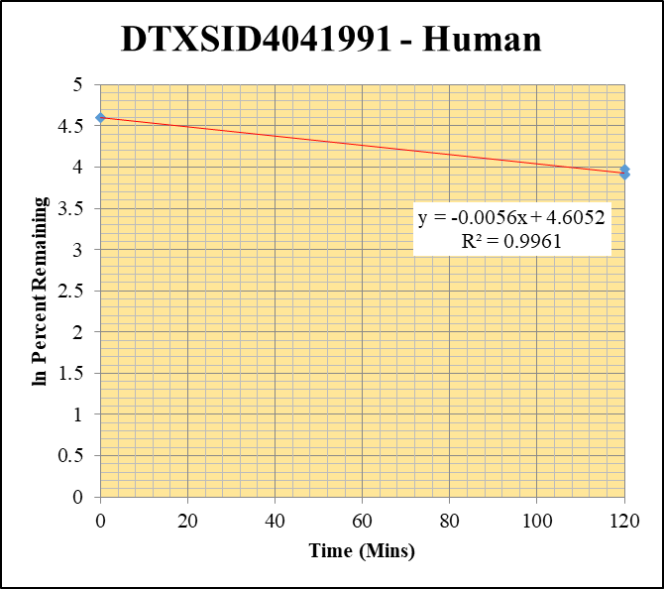
Blank___1_01 | DTXSID4041991 | 93 | 255748.43641 | 1264981.4779 | 0 | Omitted |  |  | DTXSID4041991 - Human | Time (Mins) | % Remaining Replica 1 | % Remaining Replica 2 | % Remaining Replica 3 | Average
Blank___2_02 | DTXSID4041991 | 93 | 0 | 1347963.1457 | 0 |  |  |  | Time (Mins) | 120 | 50.3% | 49.4% | 53.0% | 50.9%
Blank___3_03 | DTXSID4041991 | 93 | 21417.62968 | 1234979.3921 | 0 | Omitted |  |  | ln Percent Remaining | 0 | 100% | 100% | 100% | 100%
DTXSID4041991_10uM__120_1_379 | DTXSID4041991 | 93 | 58530.555522 | 4126533.7868 | 0.014183951603 | 50.30152444 | 120 | 3.9180353836
DTXSID4041991_10uM__120_2_380 | DTXSID4041991 | 93 | 57944.444035 | 4208244.8506 | 0.013769266307 | 49.39474658 | 120 | 3.899844074 |  | Slope | -0.00563
DTXSID4041991_10uM__120_3_381 | DTXSID4041991 | 93 | 61794.745318 | 4263938.7328 | 0.014492409294 | 53.019036491 | 120 | 3.9706510281 |  | Intercept | 4.61
DTXSID4041991_10uM__0_1_376 | DTXSID4041991 | 93 | 104497.66046 | 3705872.502 | 0.02819785635 | 100 | 0 | 4.605170186 |  | R2 | 0.996
DTXSID4041991_10uM__0_2_377 | DTXSID4041991 | 93 | 104025.3873 | 3731722.1766 | 0.027875973177 | 100 | 0 | 4.605170186 |  | T½ (mins) | 123
DTXSID4041991_10uM__0_3_378 | DTXSID4041991 | 93 | 115890.24829 | 4239729.3496 | 0.027334350552 | 100 | 0 | 4.605170186 |  | CLint (µl/min/106 cells) | 11.26
 |  |  |  |  |  |  |  |  |  | Comments

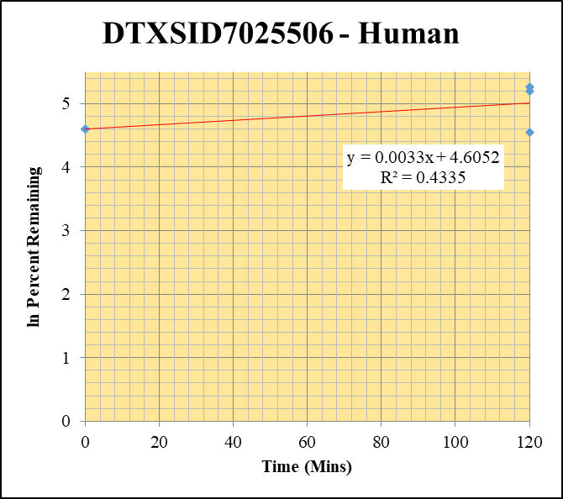
Blank___1_01 | DTXSID7025506 | 57.09 | 884153.63587 | 1264981.4779 | 0.69894591445 |  |  |  | DTXSID7025506 - Human | Time (Mins) | % Remaining Replica 1 | % Remaining Replica 2 | % Remaining Replica 3 | Average
Blank___2_02 | DTXSID7025506 | 57.09 | 23240.385575 | 1347963.1457 | 0.01724111349 |  |  |  | Time (Mins) | 120 | 94.6% | 180.7% | 194.3% | 156.5%
Blank___3_03 | DTXSID7025506 | 57.09 | 69242.758857 | 1234979.3921 | 0.0560679468 |  |  |  | ln Percent Remaining | 0 | 100% | 100% | 100% | 100%
DTXSID7025506_10uM__120_1_415 | DTXSID7025506 | 57.09 | 675849.09531 | 4180255.9361 | 0.16167648719 | 94.615288175 | 120 | 4.5498190716
DTXSID7025506_10uM__120_2_416 | DTXSID7025506 | 57.09 | 758008.99719 | 4289780.1858 | 0.17670112788 | 180.71076834 | 120 | 5.1968977882 |  | Slope | 0.00333
DTXSID7025506_10uM__120_3_417 | DTXSID7025506 | 57.09 | 668309.01758 | 4043983.8192 | 0.16526006222 | 194.27641275 | 120 | 5.269281953 |  | Intercept | 4.61
DTXSID7025506_10uM__0_1_412 | DTXSID7025506 | 57.09 | 726323.12297 | 4649132.6544 | 0.15622766158 | 100 | 0 | 4.605170186 |  | R2 | 0.434
DTXSID7025506_10uM__0_2_413 | DTXSID7025506 | 57.09 | 1036127.5742 | 4870123.3612 | 0.21275181291 | 100 | 0 | 4.605170186 |  | T½ (mins)
DTXSID7025506_10uM__0_3_414 | DTXSID7025506 | 57.09 | 901668.01169 | 4294032.3346 | 0.20998165394 | 100 | 0 | 4.605170186 |  | CLint (µl/min/106 cells) | 0.00
 |  |  |  |  |  |  |  |  |  | Comments

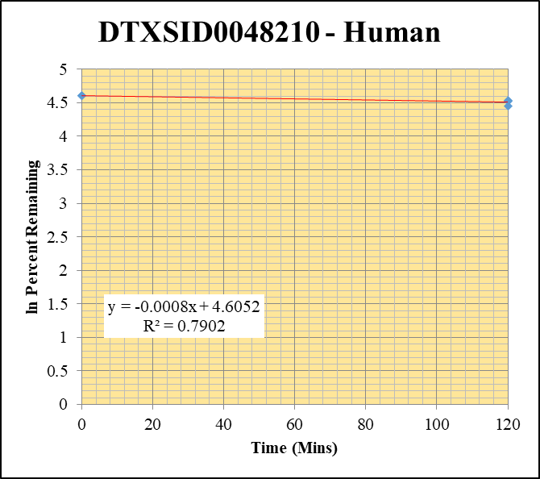
Blank___1_01 | DTXSID0048210 | 105.05 | 6922928.9963 | 1264981.4779 | 5.4727512751 |  |  |  | DTXSID0048210 - Human | Time (Mins) | % Remaining Replica 1 | % Remaining Replica 2 | % Remaining Replica 3 | Average
Blank___2_02 | DTXSID0048210 | 105.05 | 47536.517011 | 1347963.1457 | 0.035265442651 |  |  |  | Time (Mins) | 120 | 93.2% | 92.6% | 86.0% | 90.6%
Blank___3_03 | DTXSID0048210 | 105.05 | 0 | 1234979.3921 | 0 |  |  |  | ln Percent Remaining | 0 | 100% | 100% | 100% | 100%
DTXSID0048210_10uM__120_1_451 | DTXSID0048210 | 105.05 | 1015536.0049 | 5799112.9598 | 0.17511919702 | 93.192141554 | 120 | 4.5346634
DTXSID0048210_10uM__120_2_452 | DTXSID0048210 | 105.05 | 981168.60361 | 4640877.7481 | 0.21141875672 | 92.570137164 | 120 | 4.5279665968 |  | Slope | -0.000828
DTXSID0048210_10uM__120_3_453 | DTXSID0048210 | 105.05 | 1214526.0577 | 4735839.579 | 0.25645422262 | 86.031947481 | 120 | 4.4547187096 |  | Intercept | 4.61
DTXSID0048210_10uM__0_1_448 | DTXSID0048210 | 105.05 | 220717.29138 | 4103438.7112 | 0.053788372855 | 100 | 0 | 4.605170186 |  | R2 | 0.790
DTXSID0048210_10uM__0_2_449 | DTXSID0048210 | 105.05 | 408994.51976 | 5047682.5847 | 0.081026196258 | 100 | 0 | 4.605170186 |  | T½ (mins) | 837
DTXSID0048210_10uM__0_3_450 | DTXSID0048210 | 105.05 | 408994.51976 | 0 | 0 | 100 | 0 | 4.605170186 |  | CLint (µl/min/106 cells) | 1.66
 |  |  |  |  |  |  |  |  |  | Comments

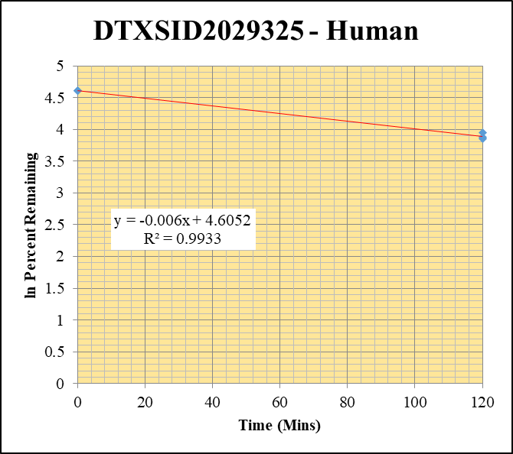
Blank___1_01 | DTXSID2029325 | 57.09 | 7532743.6302 | 1264981.4779 | 5.9548252378 |  |  |  | DTXSID2029325 - Human | Time (Mins) | % Remaining Replica 1 | % Remaining Replica 2 | % Remaining Replica 3 | Average
Blank___2_02 | DTXSID2029325 | 57.09 | 0 | 1347963.1457 | 0 |  |  |  | Time (Mins) | 120 | 51.8% | 48.2% | 47.0% | 49.0%
Blank___3_03 | DTXSID2029325 | 57.09 | 0 | 1234979.3921 | 0 |  |  |  | ln Percent Remaining | 0 | 100% | 100% | 100% | 100%
DTXSID2029325_10uM__120_1_487 | DTXSID2029325 | 57.09 | 5459955.6313 | 4268826.7493 | 1.2790295676 | 51.810268849 | 120 | 3.9475883699
DTXSID2029325_10uM__120_2_488 | DTXSID2029325 | 57.09 | 6111448.3458 | 4629029.4444 | 1.3202439991 | 48.163157848 | 120 | 3.8745943688 |  | Slope | -0.00595
DTXSID2029325_10uM__120_3_489 | DTXSID2029325 | 57.09 | 5487152.8248 | 4149163.269 | 1.3224721393 | 46.990664182 | 120 | 3.8499489476 |  | Intercept | 4.61
DTXSID2029325_10uM__0_1_484 | DTXSID2029325 | 57.09 | 2905916.2565 | 4668535.8643 | 0.62244702429 | 100 | 0 | 4.605170186 |  | R2 | 0.993
DTXSID2029325_10uM__0_2_485 | DTXSID2029325 | 57.09 | 2909527.1048 | 4810361.061 | 0.60484588743 | 100 | 0 | 4.605170186 |  | T½ (mins) | 116
DTXSID2029325_10uM__0_3_486 | DTXSID2029325 | 57.09 | 2502505.0063 | 4351033.1003 | 0.57515191188 | 100 | 0 | 4.605170186 |  | CLint (µl/min/106 cells) | 11.91
 |  |  |  |  |  |  |  |  |  | Comments

10uM_b Inactive
SampleName | CompoundName | Transition | Area | ISTD Area | ISTDResponseRatio | % Remaining | Time (mins) | ln % Remaining | Chart | Table

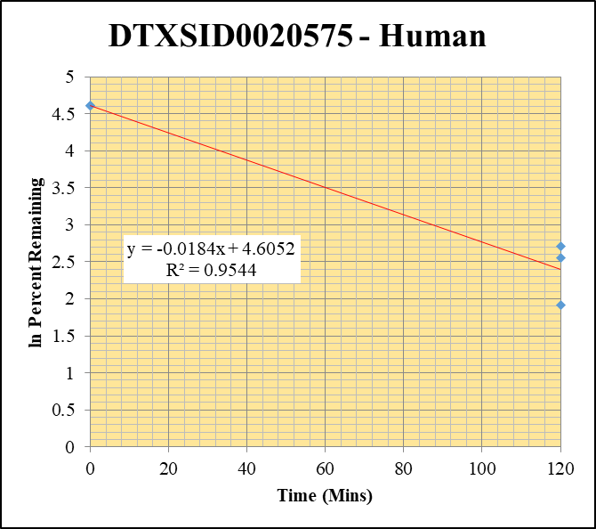
Blank____1_01 | DTXSID0020575 | 148.1 | 0 | 3529517.8037 | 0 |  |  |  | DTXSID0020575 - Human | Time (Mins) | % Remaining Replica 1 | % Remaining Replica 2 | % Remaining Replica 3 | Average
Blank____2_02 | DTXSID0020575 | 148.1 | 0 | 3494785.5902 | 0 |  |  |  | Time (Mins) | 120 | 15.1% | 12.9% | 6.8% | 11.6%
 |  |  |  |  |  |  |  |  | ln Percent Remaining | 0 | 100% | 100% | 100% | 100%
DTXSID0020575_10uM__120_1_21 | DTXSID0020575 | 148.1 | 87385.357599 | 4440218.2161 | 0.019680419598 | 15.052744025 | 120 | 2.7115603018
DTXSID0020575_10uM__120_2_22 | DTXSID0020575 | 148.1 | 75384.723604 | 4359699.4307 | 0.017291266245 | 12.86191959 | 120 | 2.5542709759 |  | Slope | -0.01841
DTXSID0020575_10uM__120_3_23 | DTXSID0020575 | 148.1 | 68272.463707 | 4822839.9616 | 0.014156070749 | 6.8283900418 | 120 | 1.9210889272 |  | Intercept | 4.61
DTXSID0020575_10uM__0_1_33 | DTXSID0020575 | 148.1 | 586455.79762 | 4485559.3447 | 0.13074306961 | 100 | 0 | 4.605170186 |  | R2 | 0.954
DTXSID0020575_10uM__0_2_34 | DTXSID0020575 | 148.1 | 521261.72597 | 3877348.431 | 0.13443767957 | 100 | 0 | 4.605170186 |  | T½ (mins) | 38
DTXSID0020575_10uM__0_3_35 | DTXSID0020575 | 148.1 | 666420.16546 | 3214576.207 | 0.20731198222 | 100 | 0 | 4.605170186 |  | CLint (µl/min/106 cells) | 36.83
 |  |  |  |  |  |  |  |  |  | Comments

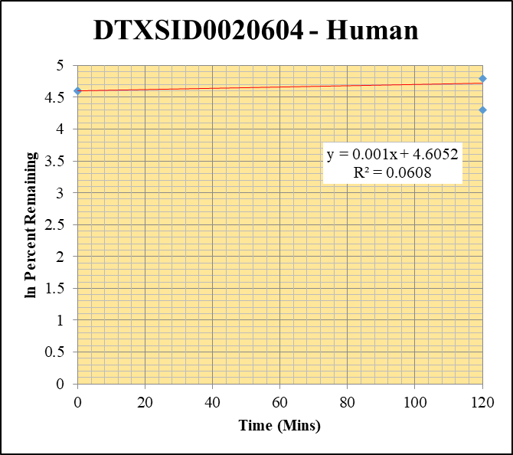
Blank____1_01 | DTXSID0020604 | 79.1 | 725348.20426 | 3529517.8037 | 0.20550915015 |  |  |  | DTXSID0020604 - Human | Time (Mins) | % Remaining Replica 1 | % Remaining Replica 2 | % Remaining Replica 3 | Average
Blank____2_02 | DTXSID0020604 | 79.1 | 14107.120362 | 3494785.5902 | 0.0040366197004 |  |  |  | Time (Mins) | 120 | 160.4% | 73.4% | 120.4% | 118.1%
 |  |  |  |  |  |  |  |  | ln Percent Remaining | 0 | 100% | 100% | 100% | 100%
DTXSID0020604_10uM__120_1_57 | DTXSID0020604 | 79.1 | 661057.99059 | 4458146.1944 | 0.14828091358 | 160.41511372 | 120 | 5.0777649162
DTXSID0020604_10uM__120_2_58 | DTXSID0020604 | 79.1 | 609903.00329 | 4786805.5635 | 0.12741336476 | 73.388955928 | 120 | 4.2957734601 |  | Slope | 0.00097
DTXSID0020604_10uM__120_3_59 | DTXSID0020604 | 79.1 | 664985.70657 | 4660332.943 | 0.14269060058 | 120.37398355 | 120 | 4.7906034261 |  | Intercept | 4.61
DTXSID0020604_10uM__0_1_69 | DTXSID0020604 | 79.1 | 545401.6079 | 4135118.5502 | 0.13189503548 | 100 | 0 | 4.605170186 |  | R2 | 0.061
DTXSID0020604_10uM__0_2_70 | DTXSID0020604 | 79.1 | 582936.44188 | 4298216.4754 | 0.13562286712 | 100 | 0 | 4.605170186 |  | T½ (mins)
DTXSID0020604_10uM__0_3_71 | DTXSID0020604 | 79.1 | 579955.32551 | 4255840.3387 | 0.13627281086 | 100 | 0 | 4.605170186 |  | CLint (µl/min/106 cells) | 0.00
 |  |  |  |  |  |  |  |  |  | Comments

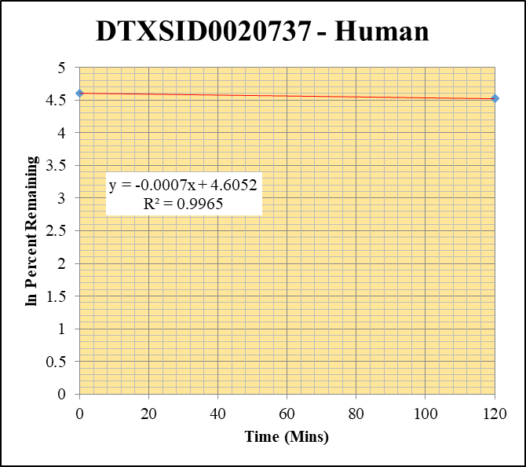
Blank____1_01 | DTXSID0020737 | 117.1 | 1391974.2449 | 3529517.8037 | 0.3943808538 |  |  |  | DTXSID0020737 - Human | Time (Mins) | % Remaining Replica 1 | % Remaining Replica 2 | % Remaining Replica 3 | Average
Blank____2_02 | DTXSID0020737 | 117.1 | 440811.55529 | 3494785.5902 | 0.12613407716 |  |  |  | Time (Mins) | 120 | 92.0% | 92.0% | 92.7% | 92.2%
 |  |  |  |  |  |  |  |  | ln Percent Remaining | 0 | 100% | 100% | 100% | 100%
DTXSID0020737_10uM__120_1_165 | DTXSID0020737 | 117.1 | 6555237.2706 | 4206265.2838 | 1.5584459915 | 92.037785542 | 120 | 4.5221992051
DTXSID0020737_10uM__120_2_166 | DTXSID0020737 | 117.1 | 6173365.8289 | 4091525.3958 | 1.5088176735 | 91.988987894 | 120 | 4.5216688731 |  | Slope | -0.00067
DTXSID0020737_10uM__120_3_167 | DTXSID0020737 | 117.1 | 6026761.5738 | 4166293.2471 | 1.4465524188 | 92.674756188 | 120 | 4.5290961182 |  | Intercept | 4.61
DTXSID0020737_10uM__0_1_177 | DTXSID0020737 | 117.1 | 5210875.6858 | 3118879.2126 | 1.6707526424 | 100 | 0 | 4.605170186 |  | R2 | 0.997
DTXSID0020737_10uM__0_2_178 | DTXSID0020737 | 117.1 | 5119678.4632 | 3165080.8912 | 1.6175505901 | 100 | 0 | 4.605170186 |  | T½ (mins) | 1029
DTXSID0020737_10uM__0_3_179 | DTXSID0020737 | 117.1 | 4912316.0742 | 3189152.6826 | 1.5403201299 | 100 | 0 | 4.605170186 |  | CLint (µl/min/106 cells) | 1.35
 |  |  |  |  |  |  |  |  |  | Comments

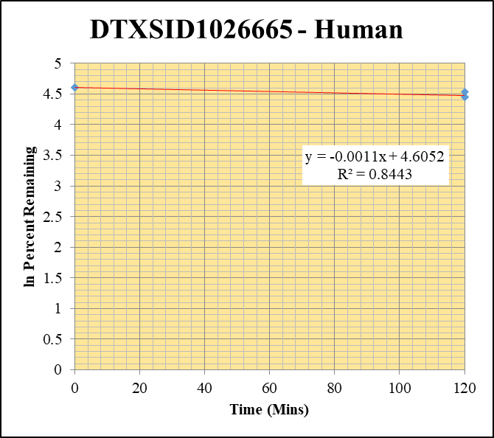
Blank____1_01 | DTXSID1026665 | 104.1 | 304986.13341 | 3529517.8037 | 0.086410141661 |  |  |  | DTXSID1026665 - Human | Time (Mins) | % Remaining Replica 1 | % Remaining Replica 2 | % Remaining Replica 3 | Average
Blank____2_02 | DTXSID1026665 | 104.1 | 440208.63239 | 3494785.5902 | 0.12596155645 |  |  |  | Time (Mins) | 120 | 85.3% | 86.2% | 93.0% | 88.2%
 |  |  |  |  |  |  |  |  | ln Percent Remaining | 0 | 100% | 100% | 100% | 100%
DTXSID1026665_10uM__120_1_201 | DTXSID1026665 | 104.1 | 3838004.0493 | 4018134.6038 | 0.95517060222 | 85.334853929 | 120 | 4.4465829751
DTXSID1026665_10uM__120_2_202 | DTXSID1026665 | 104.1 | 3749368.6139 | 3772961.3881 | 0.99374688162 | 86.213609448 | 120 | 4.4568280474 |  | Slope | -0.00105
DTXSID1026665_10uM__120_3_203 | DTXSID1026665 | 104.1 | 4106946.5046 | 3960400.3653 | 1.0370028598 | 93.008664235 | 120 | 4.5326926526 |  | Intercept | 4.61
DTXSID1026665_10uM__0_1_213 | DTXSID1026665 | 104.1 | 3978263.4323 | 3613081.5866 | 1.1010721283 | 100 | 0 | 4.605170186 |  | R2 | 0.844
DTXSID1026665_10uM__0_2_214 | DTXSID1026665 | 104.1 | 3906052.66 | 3439406.139 | 1.1356764808 | 100 | 0 | 4.605170186 |  | T½ (mins) | 658
DTXSID1026665_10uM__0_3_215 | DTXSID1026665 | 104.1 | 3644414.0922 | 3292239.5465 | 1.1069711182 | 100 | 0 | 4.605170186 |  | CLint (µl/min/106 cells) | 2.1
 |  |  |  |  |  |  |  |  |  | Comments

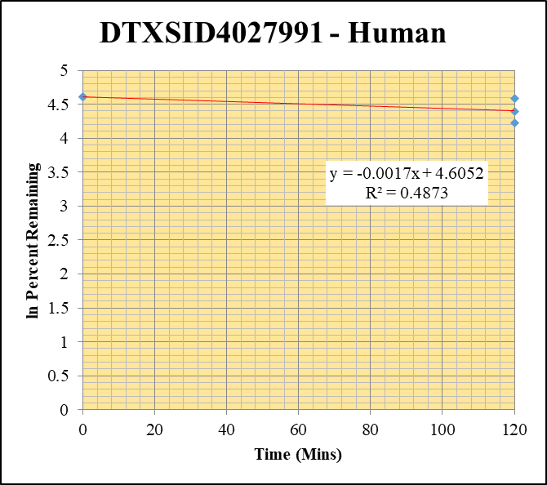
Blank____1_01 | DTXSID4027991 | 83.1 | 2098631.2686 | 3529517.8037 | 0.59459432856 |  |  |  | DTXSID4027991 - Human | Time (Mins) | % Remaining Replica 1 | % Remaining Replica 2 | % Remaining Replica 3 | Average
Blank____2_02 | DTXSID4027991 | 83.1 | 109472.11451 | 3494785.5902 | 0.031324415098 |  |  |  | Time (Mins) | 120 | 98.2% | 68.3% | 80.7% | 82.4%
 |  |  |  |  |  |  |  |  | ln Percent Remaining | 0 | 100% | 100% | 100% | 100%
DTXSID4027991_10uM__120_1_237 | DTXSID4027991 | 83.1 | 3059840.5 | 3369877.8986 | 0.90799743849 | 98.19412085 | 120 | 4.5869463444
DTXSID4027991_10uM__120_2_238 | DTXSID4027991 | 83.1 | 3028290.8511 | 3785894.0409 | 0.79988790451 | 68.251336841 | 120 | 4.2231970213 |  | Slope | -0.00171
DTXSID4027991_10uM__120_3_239 | DTXSID4027991 | 83.1 | 3269966.3448 | 3724876.4606 | 0.87787242861 | 80.673943316 | 120 | 4.3904156398 |  | Intercept | 4.61
DTXSID4027991_10uM__0_1_249 | DTXSID4027991 | 83.1 | 2678272.0681 | 2914521.0155 | 0.91894072948 | 100 | 0 | 4.605170186 |  | R2 | 0.487
DTXSID4027991_10uM__0_2_250 | DTXSID4027991 | 83.1 | 3361162.8473 | 3274730.2809 | 1.026393797 | 100 | 0 | 4.605170186 |  | T½ (mins) | 406
DTXSID4027991_10uM__0_3_251 | DTXSID4027991 | 83.1 | 3482537.4184 | 3437161.2265 | 1.0132016478 | 100 | 0 | 4.605170186 |  | CLint (µl/min/106 cells) | 3.42
 |  |  |  |  |  |  |  |  |  | Comments

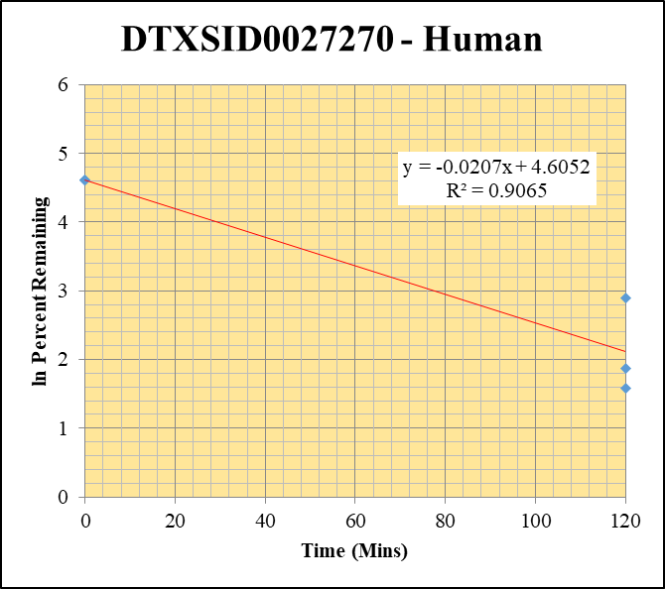
Blank____1_01 | DTXSID0027270 | 83.1 | 1032604.113 | 3529517.8037 | 0.29256237549 |  |  |  | DTXSID0027270 - Human | Time (Mins) | % Remaining Replica 1 | % Remaining Replica 2 | % Remaining Replica 3 | Average
Blank____2_02 | DTXSID0027270 | 83.1 | 0 | 3494785.5902 | 0 |  |  |  | Time (Mins) | 120 | 6.5% | 18% | 4.9% | 10%
 |  |  |  |  |  |  |  |  | ln Percent Remaining | 0 | 100% | 100% | 100% | 100%
DTXSID0027270_10uM__120_1_273 | DTXSID0027270 | 83.1 | 523088.84714 | 3375843.0276 | 0.15495058356 | 6.5041501796 | 120 | 1.8724404623
DTXSID0027270_10uM__120_2_274 | DTXSID0027270 | 83.1 | 593290.79775 | 3381193.2599 | 0.17546787543 | 18.161249957 | 120 | 2.8992902011 |  | Slope | -0.02073
DTXSID0027270_10uM__120_3_275 | DTXSID0027270 | 83.1 | 532918.04548 | 3499665.6711 | 0.15227684458 | 4.8681080739 | 120 | 1.5827053758 |  | Intercept | 4.61
DTXSID0027270_10uM__0_1_285 | DTXSID0027270 | 83.1 | 940389.68412 | 3363683.3799 | 0.2795714037 | 100 | 0 | 4.605170186 |  | R2 | 0.9065
DTXSID0027270_10uM__0_2_286 | DTXSID0027270 | 83.1 | 962477.36099 | 3135209.8629 | 0.306989772 | 100 | 0 | 4.605170186 |  | T½ (mins) | 33.444644518
DTXSID0027270_10uM__0_3_287 | DTXSID0027270 | 83.1 | 851159.34668 | 3158957.2237 | 0.26944313785 | 100 | 0 | 4.605170186 |  | CLint (µl/min/106 cells) | 41.5
 |  |  |  |  |  |  |  |  |  | Comments


Blank____1_01 | DTXSID8027373 | 243.1 | 1662.9535477 | 3529517.8037 | 0.00047115601626 |  |  |  | DTXSID8027373 - Human | Time (Mins) | % Remaining Replica 1 | % Remaining Replica 2 | % Remaining Replica 3 | Average
Blank____2_02 | DTXSID8027373 | 243.1 | 0 | 3494785.5902 | 0 |  |  |  | Time (Mins) | 120 | 49% | 52% | 58.7% | 53.0%
 |  |  |  |  |  |  |  |  | ln Percent Remaining | 0 | 100% | 100% | 100% | 100%
DTXSID8027373_10uM__120_1_309 | DTXSID8027373 | 243.1 | 116969.48411 | 3475757.9304 | 0.033652943172 | 48.719402605 | 120 | 3.8860773615
DTXSID8027373_10uM__120_2_310 | DTXSID8027373 | 243.1 | 108720.73378 | 3492065.4681 | 0.031133647056 | 51.528610124 | 120 | 3.9421371898 |  | Slope | -0.005320
DTXSID8027373_10uM__120_3_311 | DTXSID8027373 | 243.1 | 133051.47617 | 3611509.8067 | 0.036840956634 | 58.689230691 | 120 | 4.0722562465 |  | Intercept | 4.61
DTXSID8027373_10uM__0_1_321 | DTXSID8027373 | 243.1 | 184913.45061 | 2686638.4178 | 0.068827070058 | 100 | 0 | 4.605170186 |  | R2 | 0.9710
DTXSID8027373_10uM__0_2_322 | DTXSID8027373 | 243.1 | 179869.81556 | 2987944.2974 | 0.060198516993 | 100 | 0 | 4.605170186 |  | T½ (mins) | 130
DTXSID8027373_10uM__0_3_323 | DTXSID8027373 | 243.1 | 191614.5605 | 3060587.3277 | 0.062607120784 | 100 | 0 | 4.605170186 |  | CLint (µl/min/106 cells) | 10.64
 |  |  |  |  |  |  |  |  |  | Comments

