Data
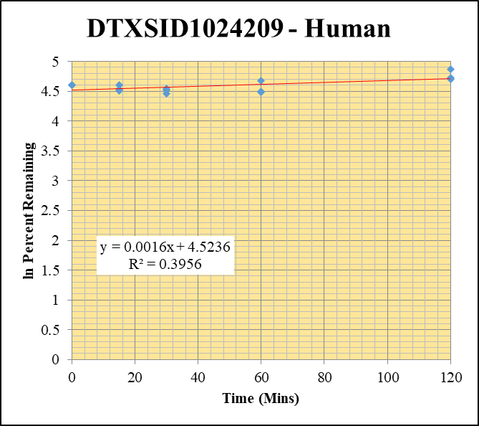
SampleName | CompoundName | Transition | Area | ISTD Area | ISTDResponseRatio | % Remaining | Time (mins) | ln % Remaining | Chart |  |  |  |  | Table
Blank 5 | DTXSID1024209 | 79 | NF | 1614810.533 | 0 |  |  |  | DTXSID1024209 - Human | 1 |  |  |  | Time (Mins) | % Remaining Replica 1 | % Remaining Replica 2 | % Remaining Replica 3 | Average
Blank 6 | DTXSID1024209 | 79 | NF | 1438754.3495 | 0 |  |  |  | Time (Mins) | 5 |  |  |  | 120 | 109.9% | 130.1% | 112.7% | 117.5%
Blank_Human_3 | DTXSID1024209 | 79 | NF | 1834176.5738 | 0 |  |  |  | ln Percent Remaining | 19 |  |  |  | 60 | 88.3% | 107.4% | 89.1% | 94.9%
DTXSID1024209_10uM_Human_120_1 | DTXSID1024209 | 79 | 69348.166491 | 1796105.1806 | 0.038610303696 | 109.86305182 | 120 | 4.6992346067 |  |  | 1 | 120 | 4.6992346067 | 30 | 86.9% | 92.1% | 94.0% | 91.0%
DTXSID1024209_10uM_Human_120_2 | DTXSID1024209 | 79 | 71444.677287 | 1463852.8056 | 0.04880591615 | 130.11226603 | 120 | 4.8683976627 |  |  | 2 | 120 | 4.8683976627 | 15 | 100.2% | 92.5% | 90.4% | 94.4%
DTXSID1024209_10uM_Human_120_3 | DTXSID1024209 | 79 | 64862.101258 | 1487558.6119 | 0.043603055867 | 112.6684961 | 120 | 4.7244498442 |  |  | 3 | 120 | 4.7244498442 | 0 | 100% | 100% | 100% | 100%
DTXSID1024209_10uM_Human_60_1 | DTXSID1024209 | 79 | 51950.172783 | 1674921.8864 | 0.031016474979 | 88.255317148 | 60 | 4.480233945 |  |  | 4 | 60 | 4.480233945
DTXSID1024209_10uM_Human_60_2 | DTXSID1024209 | 79 | 63626.565122 | 1579527.7677 | 0.040282017462 | 107.38830424 | 60 | 4.6764512771 |  |  | 5 | 60 | 4.6764512771 | Slope | 0.00158
DTXSID1024209_10uM_Human_60_3 | DTXSID1024209 | 79 | 58384.763952 | 1692554.8486 | 0.034495049894 | 89.13378471 | 60 | 4.4901384401 |  |  | 6 | 60 | 4.4901384401 | Intercept | 4.52
DTXSID1024209_10uM_Human_30_1 | DTXSID1024209 | 79 | 50007.019842 | 1638285.4079 | 0.03052399759 | 86.854005485 | 30 | 4.4642286112 |  |  | 7 | 30 | 4.4642286112 | R2 | 0.396
DTXSID1024209_10uM_Human_30_2 | DTXSID1024209 | 79 | 57934.824252 | 1677068.5947 | 0.034545291968 | 92.094700259 | 30 | 4.5228173983 |  |  | 8 | 30 | 4.5228173983 | T½ (mins)
DTXSID1024209_10uM_Human_30_3 | DTXSID1024209 | 79 | 58060.572952 | 1596093.5866 | 0.036376672043 | 93.995818657 | 30 | 4.5432502989 |  |  | 9 | 30 | 4.5432502989 | CLint (µl/min/106 cells) | 0.00
DTXSID1024209_10uM_Human_15_1 | DTXSID1024209 | 79 | 61066.895662 | 1733730.0779 | 0.035222839149 | 100.2242467 | 15 | 4.6074101424 |  |  | 10 | 15 | 4.6074101424 | Comments
DTXSID1024209_10uM_Human_15_2 | DTXSID1024209 | 79 | 58175.269931 | 1676962.7171 | 0.034690854686 | 92.482757621 | 15 | 4.527022223 |  |  | 11 | 15 | 4.527022223
DTXSID1024209_10uM_Human_15_3 | DTXSID1024209 | 79 | 59873.299066 | 1711195.9636 | 0.034989153983 | 90.410529276 | 15 | 4.5043607349 |  |  | 12 | 15 | 4.5043607349
DTXSID1024209_10uM_Human_0_1 | DTXSID1024209 | 79 | 60606.566085 | 1724519.5383 | 0.035144029823 | 100 | 0 | 4.605170186 |  |  | 13 | 0 | 4.605170186
DTXSID1024209_10uM_Human_0_2 | DTXSID1024209 | 79 | 64849.752457 | 1728837.1799 | 0.03751061882 | 100 | 0 | 4.605170186 |  |  | 14 | 0 | 4.605170186
DTXSID1024209_10uM_Human_0_3 | DTXSID1024209 | 79 | 63961.937915 | 1652750.0674 | 0.038700308762 | 100 | 0 | 4.605170186 |  |  | 15 | 0 | 4.605170186
DTXSID1024209_10uM_Human_HI_1 | DTXSID1024209 | 79 | 66483.046152 | 2009803.6633 | 0.033079373556 | 89.11872716
DTXSID1024209_10uM_Human_HI_2 | DTXSID1024209 | 79 | 66433.899352 | 2102727.3799 | 0.031594157182 | 85.117424276

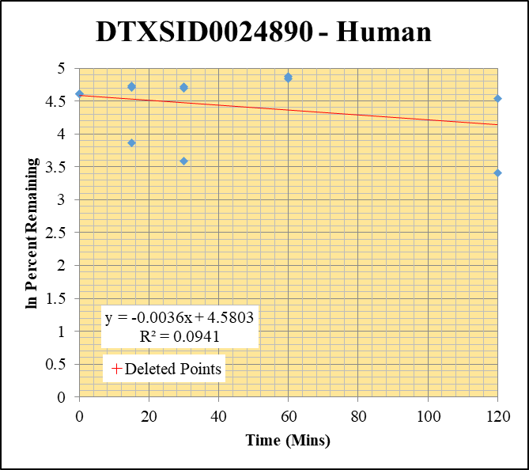
Blank 5 | DTXSID0024890 | 135 | 63006.637594 | 1614810.533 | 0.039017975364 |  |  |  | DTXSID0024890 - Human | 2 |  |  |  | Time (Mins) | % Remaining Replica 1 | % Remaining Replica 2 | % Remaining Replica 3 | Average
Blank 6 | DTXSID0024890 | 135 | 45333.22214 | 1438754.3495 | 0.031508660361 |  |  |  | Time (Mins) | 24 |  |  |  | 120 | 1166.12% | 93.3% | 30.2% | 61.7%
Blank_Human_3 | DTXSID0024890 | 135 | 5917.2234289 | 1834176.5738 | 0.0032260925766 |  |  |  | ln Percent Remaining | 38 |  |  |  | 60 | 125.7% | 131.0% | 755.31% | 128.3%
DTXSID0024890_10uM_Human_120_1 | DTXSID0024890 | 135 | 16599506.085 | 374583.37858 | 44.314582637 | 1166.1240338 | 120 | 7.061 |  |  |  | 120 | 4.5360128213 | 30 | 111.8% | 108.8% | 36% | 85.6%
DTXSID0024890_10uM_Human_120_2 | DTXSID0024890 | 135 | 9660984.9356 | 2682959.1619 | 3.6008691719 | 93.317981899 | 120 | 4.5360128213 |  |  | 2 | 120 | 3.4063938682 | 15 | 112.8% | 110.5% | 47% | 90.2%
DTXSID0024890_10uM_Human_120_3 | DTXSID0024890 | 135 | 8344808.3364 | 1782014.594 | 4.6827946104 | 30.156300352 | 120 | 3.4063938682 |  |  | 3 | 60 | 4.8339530777 | 0 | 100% | 100% | 100% | 100%
DTXSID0024890_10uM_Human_60_1 | DTXSID0024890 | 135 | 11298047.829 | 2354251.3448 | 4.7989981416 | 125.70690893 | 60 | 4.8339530777 |  |  | 4 | 60 | 4.8749889105
DTXSID0024890_10uM_Human_60_2 | DTXSID0024890 | 135 | 12498607.965 | 2477947.7974 | 5.0439351377 | 130.97270079 | 60 | 4.8749889105 |  |  | 5 | 30 | 4.7166643414 | Slope | -0.00361
DTXSID0024890_10uM_Human_60_3 | DTXSID0024890 | 135 | 22096269.79 | 189347.22769 | 116.6970864 | 755.31389531 | 60 | 6.627 |  |  |  | 30 | 4.6897155578 | Intercept | 4.58
DTXSID0024890_10uM_Human_30_1 | DTXSID0024890 | 135 | 12062430.256 | 2824524.264 | 4.2706059955 | 111.794721 | 30 | 4.7166643414 |  |  | 7 | 30 | 3.5922861287 | R2 | 0.094
DTXSID0024890_10uM_Human_30_2 | DTXSID0024890 | 135 | 10557295.436 | 2516608.9061 | 4.1950481103 | 108.82222178 | 30 | 4.6897155578 |  |  | 8 | 15 | 4.72546379 | T½ (mins) | 192
DTXSID0024890_10uM_Human_30_3 | DTXSID0024890 | 135 | 11876667.921 | 2107873.1231 | 5.6344320683 | 36.317006448 | 30 | 3.5922861287 |  |  | 9 | 15 | 4.7050365949 | CLint (µl/min/106 cells) | 7.23
DTXSID0024890_10uM_Human_15_1 | DTXSID0024890 | 135 | 9270626.426 | 2151889.3031 | 4.3081335145 | 112.78279378 | 15 | 4.72546379 |  |  | 10 | 15 | 3.8587798643 | Comments | Points Deleted: (120,7.0610) (60,6.6270)
DTXSID0024890_10uM_Human_15_2 | DTXSID0024890 | 135 | 8495599.2181 | 1994536.2167 | 4.2594359264 | 110.5023287 | 15 | 4.7050365949 |  |  | 11 | 0 | 4.605170186
DTXSID0024890_10uM_Human_15_3 | DTXSID0024890 | 135 | 20262092.855 | 2757661.2583 | 7.3475640974 | 47.407472514 | 15 | 3.8587798643 |  |  | 12 | 0 | 4.605170186
DTXSID0024890_10uM_Human_0_1 | DTXSID0024890 | 135 | 6811701.2659 | 1781938.0785 | 3.8226363464 | 100 | 0 | 4.605170186 |  |  | 13 | 0 | 4.605170186
DTXSID0024890_10uM_Human_0_2 | DTXSID0024890 | 135 | 7038549.1473 | 1824901.0207 | 3.8569484414 | 100 | 0 | 4.605170186 |  |  | 14
DTXSID0024890_10uM_Human_0_3 | DTXSID0024890 | 135 | 1664479.3893 | 107583.76519 | 15.47147366 | 100 | 0 | 4.605170186 |  |  | 15
DTXSID0024890_10uM_Human_HI_1 | DTXSID0024890 | 135 | 7727690.6604 | 2811464.7859 | 2.7486350529 | 35.617832236
DTXSID0024890_10uM_Human_HI_2 | DTXSID0024890 | 135 | 6578028.5957 | 2947222.8123 | 2.2319413952 | 28.922324225

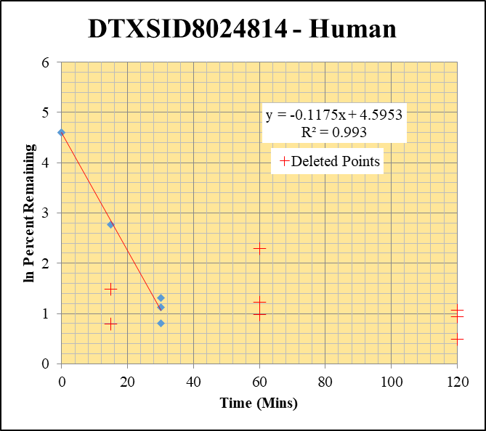
Blank_Human_1 | DTXSID8024814 | 91 | NF | 535785.55125 | 0 | blanks from 1 uM sheet |  |  | DTXSID8024814 - Human | 3 |  |  |  | Time (Mins) | % Remaining Replica 1 | % Remaining Replica 2 | % Remaining Replica 3 | Average
Blank_Human_2 | DTXSID8024814 | 91 | NF | 1314081.4002 | 0 |  |  |  | Time (Mins) | 43 |  |  |  | 120 | 2.55% | 2.90% | 1.64%
Blank_Human_3 | DTXSID8024814 | 91 | NF | 1532416.1874 | 0 |  |  |  | ln Percent Remaining | 57 |  |  |  | 60 | 2.67% | 3.42% | 9.89%
DTXSID8024814_10uM_Human_120_1 | DTXSID8024814 | 91 | 5743.5212493 | 1740365.9376 | 0.0033001802238 | 2.5540586068 | 120 | 0.938 |  |  |  | 30 | 1.1221700282 | 30 | 3% | 3.7% | 2.2% | 3.0%
DTXSID8024814_10uM_Human_120_2 | DTXSID8024814 | 91 | 5689.9824407 | 1518043.8486 | 0.0037482332583 | 2.9008135206 | 120 | 1.065 |  |  |  | 30 | 1.3072368687 | 15 | 4.39% | 2.20% | 16.0% | 16.0%
DTXSID8024814_10uM_Human_120_3 | DTXSID8024814 | 91 | 3161.489189 | 1493438.3089 | 0.0021169198421 | 1.6383157816 | 120 | 0.494 |  |  |  | 30 | 0.80804384795 | 0 | 100% | 100% | 100% | 100%
DTXSID8024814_10uM_Human_60_1 | DTXSID8024814 | 91 | 4986.7793274 | 1444148.4717 | 0.0034530932416 | 2.6724002677 | 60 | 0.983 |  |  |  | 15 | 2.7730798759
DTXSID8024814_10uM_Human_60_2 | DTXSID8024814 | 91 | 6263.2187403 | 1415377.0785 | 0.0044251237608 | 3.4246691577 | 60 | 1.231 |  |  |  | 0 | 4.605170186 | Slope | -0.1175
DTXSID8024814_10uM_Human_60_3 | DTXSID8024814 | 91 | 17040.405035 | 1333965.4676 | 0.012774247497 | 9.8861803151 | 60 | 2.291 |  |  |  | 0 | 4.605170186 | Intercept | 4.60
DTXSID8024814_10uM_Human_30_1 | DTXSID8024814 | 91 | 5751.3774888 | 1449148.2722 | 0.0039687984999 | 3.0715122447 | 30 | 1.1221700282 |  |  | 7 | 0 | 4.605170186 | R2 | 0.993
DTXSID8024814_10uM_Human_30_2 | DTXSID8024814 | 91 | 7043.1057698 | 1474794.9878 | 0.0047756507365 | 3.6959472027 | 30 | 1.3072368687 |  |  | 8 |  |  | T½ (mins) | 5.9
DTXSID8024814_10uM_Human_30_3 | DTXSID8024814 | 91 | 4187.730028 | 1444584.3078 | 0.002898917014 | 2.2435150349 | 30 | 0.80804384795 |  |  | 9 |  |  | CLint (µl/min/106 cells) | 235.1
DTXSID8024814_10uM_Human_15_1 | DTXSID8024814 | 91 | 9026.9778178 | 1592403.9048 | 0.0056687739777 | 4.3871485755 | 15 | 1.479 |  |  |  |  |  | Comments | Points Deleted: (120,0.9380) (120,1.0650) (120,0.4940) (60,0.9830) (60,1.2310) (60,2.2910) (15,1.4790) (15,0.7890)
DTXSID8024814_10uM_Human_15_2 | DTXSID8024814 | 91 | 4598.29998 | 1617059.8069 | 0.0028436177564 | 2.2007181162 | 15 | 0.789
DTXSID8024814_10uM_Human_15_3 | DTXSID8024814 | 91 | 14308.562828 | 691760.76775 | 0.020684264699 | 16.007860388 | 15 | 2.7730798759 |  |  | 12
DTXSID8024814_10uM_Human_0_1 | DTXSID8024814 | 91 | 24566.022208 | 162942.97692 | 0.15076453537 | 100 | 0 | 4.605170186 |  |  | 13
DTXSID8024814_10uM_Human_0_2 | DTXSID8024814 | 91 | 25718.000684 | 205476.94449 | 0.12516246408 | 100 | 0 | 4.605170186 |  |  | 14
DTXSID8024814_10uM_Human_0_3 | DTXSID8024814 | 91 | 21668.078802 | 193962.8394 | 0.11171252632 | 100 | 0 | 4.605170186 |  |  | 15
DTXSID8024814_10uM_Human_HI_1 | DTXSID8024814 | 91 | 25420.03059 | 302030.45341 | 0.08416379972 | 65.135617596
DTXSID8024814_10uM_Human_HI_2 | DTXSID8024814 | 91 | 19953.883027 | 274237.77132 | 0.07276124996 | 56.31101458

DTXSID6024676 - Human
Blank 5 | DTXSID6024676 | 56 | NF | 1614810.533 | 0 |  |  |  | DTXSID6024676 - Human | 5 |  |  |  | Time (Mins) | % Remaining Replica 1 | % Remaining Replica 2 | % Remaining Replica 3 | Average
Blank 6 | DTXSID6024676 | 56 | NF | 1438754.3495 | 0 |  |  |  | Time (Mins) | 81 |  |  |  | 120 | 118.9% | 121.1% | 88.9% | 109.7%
Blank_Human_3 | DTXSID6024676 | 56 | NF | 1834176.5738 | 0 |  |  |  | ln Percent Remaining | 95 |  |  |  | 60 | 113.6% | 110.5% | 77.5% | 100.5%
DTXSID6024676_10uM_Human_120_1 | DTXSID6024676 | 56 | 220925.89105 | 1933552.9618 | 0.11425903268 | 118.94514314 | 120 | 4.7786624048 |  |  | 1 | 120 | 4.7786624048 | 30 | 79% | 116.6% | 68.1% | 88%
DTXSID6024676_10uM_Human_120_2 | DTXSID6024676 | 56 | 161021.58819 | 1630710.558 | 0.09874320578 | 121.07780348 | 120 | 4.796433343 |  |  | 2 | 120 | 4.796433343 | 15 | 70% | 79.9% | 66.4% | 72%
DTXSID6024676_10uM_Human_120_3 | DTXSID6024676 | 56 | 178366.68735 | 1514660.2706 | 0.11776019403 | 88.935488498 | 120 | 4.4879112586 |  |  | 3 | 120 | 4.4879112586 | 0 | 100% | 100% | 100% | 100%
DTXSID6024676_10uM_Human_60_1 | DTXSID6024676 | 56 | 162091.02073 | 1485632.4445 | 0.10910573563 | 113.5804937 | 60 | 4.7325117811 |  |  | 4 | 60 | 4.7325117811
DTXSID6024676_10uM_Human_60_2 | DTXSID6024676 | 56 | 135930.04845 | 1507997.5793 | 0.090139434119 | 110.52795586 | 60 | 4.7052684832 |  |  | 5 | 60 | 4.7052684832 | Slope | 0.00202
DTXSID6024676_10uM_Human_60_3 | DTXSID6024676 | 56 | 154467.98941 | 1505420.4244 | 0.10260787412 | 77.492071785 | 60 | 4.3501756316 |  |  | 6 | 60 | 4.3501756316 | Intercept | 4.43
DTXSID6024676_10uM_Human_30_1 | DTXSID6024676 | 56 | 116703.87017 | 1533681.3708 | 0.076093947801 | 79.214792046 | 30 | 4.3721630496 |  |  | 7 | 30 | 4.3721630496 | R2 | 0.173
DTXSID6024676_10uM_Human_30_2 | DTXSID6024676 | 56 | 143388.52664 | 1508242.9106 | 0.095069915882 | 116.57365691 | 30 | 4.7585233213 |  |  | 8 | 30 | 4.7585233213 | T½ (mins)
DTXSID6024676_10uM_Human_30_3 | DTXSID6024676 | 56 | 132880.958 | 1474519.7675 | 0.090118125865 | 68.059496782 | 30 | 4.2203822753 |  |  | 9 | 30 | 4.2203822753 | CLint (µl/min/106 cells) | 0.00
DTXSID6024676_10uM_Human_15_1 | DTXSID6024676 | 56 | 107359.64856 | 1589501.361 | 0.067542973664 | 70.313116451 | 15 | 4.2529583597 |  |  | 10 | 15 | 4.2529583597 | Comments
DTXSID6024676_10uM_Human_15_2 | DTXSID6024676 | 56 | 104774.19969 | 1607001.175 | 0.065198583123 | 79.945766115 | 15 | 4.3813484812 |  |  | 11 | 15 | 4.3813484812
DTXSID6024676_10uM_Human_15_3 | DTXSID6024676 | 56 | 138956.09119 | 1579954.8455 | 0.087949406642 | 66.42162496 | 15 | 4.1960226806 |  |  | 12 | 15 | 4.1960226806
DTXSID6024676_10uM_Human_0_1 | DTXSID6024676 | 56 | 137882.32317 | 1435372.9662 | 0.09606027591 | 100 | 0 | 4.605170186 |  |  | 13 | 0 | 4.605170186
DTXSID6024676_10uM_Human_0_2 | DTXSID6024676 | 56 | 121681.84196 | 1492049.0005 | 0.081553515953 | 100 | 0 | 4.605170186 |  |  | 14 | 0 | 4.605170186
DTXSID6024676_10uM_Human_0_3 | DTXSID6024676 | 56 | 174563.83105 | 1318350.3744 | 0.1324108025 | 100 | 0 | 4.605170186 |  |  | 15 | 0 | 4.605170186
DTXSID6024676_10uM_Human_HI_1 | DTXSID6024676 | 56 | 58311.104214 | 1692516.639 | 0.034452307806 | 33.338298089
DTXSID6024676_10uM_Human_HI_2 | DTXSID6024676 | 56 | 154856.77859 | 1764506.6971 | 0.087762080384 | 84.924307923

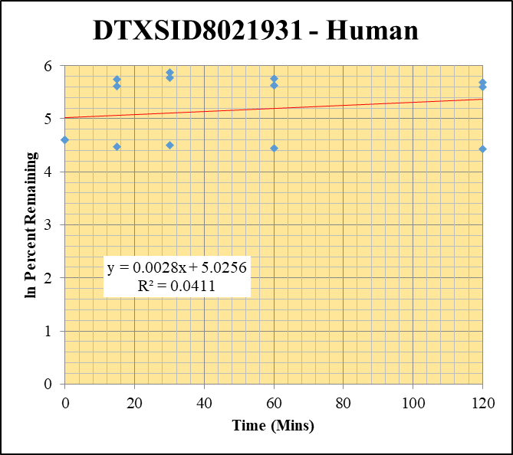
Blank 5 | DTXSID8021931 | 56 | NF | 1614810.533 | 0 |  |  |  | DTXSID8021931 - Human | 6 |  |  |  | Time (Mins) | % Remaining Replica 1 | % Remaining Replica 2 | % Remaining Replica 3 | Average
Blank 6 | DTXSID8021931 | 56 | NF | 1438754.3495 | 0 |  |  |  | Time (Mins) | 100 |  |  |  | 120 | 293.5% | 270.4% | 83.3% | 215.7%
Blank_Human_3 | DTXSID8021931 | 56 | NF | 1834176.5738 | 0 |  |  |  | ln Percent Remaining | 114 |  |  |  | 60 | 317.1% | 276.3% | 85.3% | 226.2%
DTXSID8021931_10uM_Human_120_1 | DTXSID8021931 | 56 | 59973022.632 | 1743175.5982 | 34.404464298 | 293.48773699 | 120 | 5.6818358564 |  |  | 1 | 120 | 5.6818358564 | 30 | 353.7% | 320.6% | 90.6% | 255.0%
DTXSID8021931_10uM_Human_120_2 | DTXSID8021931 | 56 | 57420666.897 | 1538302.2389 | 37.327298527 | 270.35890649 | 120 | 5.5997503596 |  |  | 2 | 120 | 5.5997503596 | 15 | 311.2% | 271.9% | 87.2% | 223.4%
DTXSID8021931_10uM_Human_120_3 | DTXSID8021931 | 56 | 60448745.99 | 1478895.6 | 40.874248317 | 83.268305925 | 120 | 4.4220679957 |  |  | 3 | 120 | 4.4220679957 | 0 | 100% | 100% | 100% | 100%
DTXSID8021931_10uM_Human_60_1 | DTXSID8021931 | 56 | 56619818.191 | 1523014.3209 | 37.176156137 | 317.13169083 | 60 | 5.7593171161 |  |  | 4 | 60 | 5.7593171161
DTXSID8021931_10uM_Human_60_2 | DTXSID8021931 | 56 | 57229886.155 | 1500234.1112 | 38.14730363 | 276.29814377 | 60 | 5.6214805137 |  |  | 5 | 60 | 5.6214805137 | Slope | 0.00285
DTXSID8021931_10uM_Human_60_3 | DTXSID8021931 | 56 | 59167092.423 | 1413215.317 | 41.867004774 | 85.290732069 | 60 | 4.4460657976 |  |  | 6 | 60 | 4.4460657976 | Intercept | 5.03
DTXSID8021931_10uM_Human_30_1 | DTXSID8021931 | 56 | 57553998.728 | 1388004.9983 | 41.46526763 | 353.72001305 | 30 | 5.8685056766 |  |  | 7 | 30 | 5.8685056766 | R2 | 0.041
DTXSID8021931_10uM_Human_30_2 | DTXSID8021931 | 56 | 60398049.894 | 1364469.386 | 44.264862601 | 320.60717814 | 30 | 5.7702166296 |  |  | 8 | 30 | 5.7702166296 | T½ (mins)
DTXSID8021931_10uM_Human_30_3 | DTXSID8021931 | 56 | 62897266.944 | 1414390.8161 | 44.469510286 | 90.592510916 | 30 | 4.5063715487 |  |  | 9 | 30 | 4.5063715487 | CLint (µl/min/106 cells) | 0.00
DTXSID8021931_10uM_Human_15_1 | DTXSID8021931 | 56 | 55908733.144 | 1532638.0922 | 36.478757398 | 311.18252167 | 15 | 5.7403796264 |  |  | 10 | 15 | 5.7403796264 | Comments
DTXSID8021931_10uM_Human_15_2 | DTXSID8021931 | 56 | 58991841.551 | 1571302.4033 | 37.543277109 | 271.92322364 | 15 | 5.6055197604 |  |  | 11 | 15 | 5.6055197604
DTXSID8021931_10uM_Human_15_3 | DTXSID8021931 | 56 | 64720253.583 | 1511241.3577 | 42.825888303 | 87.244152872 | 15 | 4.468710543 |  |  | 12 | 15 | 4.468710543
DTXSID8021931_10uM_Human_0_1 | DTXSID8021931 | 56 | 2193752.7957 | 187138.37191 | 11.722624138 | 100 | 0 | 4.605170186 |  |  | 13 | 0 | 4.605170186
DTXSID8021931_10uM_Human_0_2 | DTXSID8021931 | 56 | 2487839.3109 | 180192.39059 | 13.806572534 | 100 | 0 | 4.605170186 |  |  | 14 | 0 | 4.605170186
DTXSID8021931_10uM_Human_0_3 | DTXSID8021931 | 56 | 63042101.409 | 1284282.6969 | 49.087402299 | 100 | 0 | 4.605170186 |  |  | 15 | 0 | 4.605170186
DTXSID8021931_10uM_Human_HI_1 | DTXSID8021931 | 56 | 49615303.574 | 1677920.3725 | 29.569522123 | 118.88583451
DTXSID8021931_10uM_Human_HI_2 | DTXSID8021931 | 56 | 44405524.077 | 1749611.3365 | 25.380221967 | 102.04253069

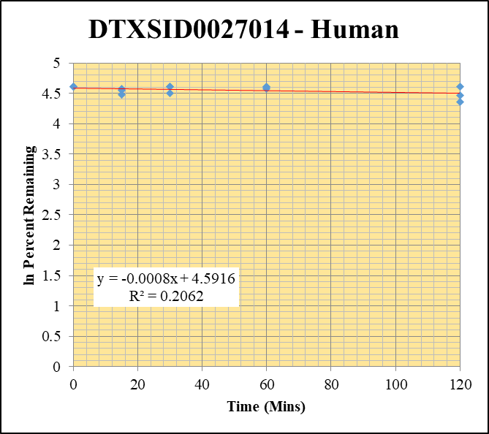
Blank_Human_1 | DTXSID0027014 | 55 | NF | 535785.55125 | 0 | blank from 1um sheet used |  |  | DTXSID0027014 - Human | 7 |  |  |  | Time (Mins) | % Remaining Replica 1 | % Remaining Replica 2 | % Remaining Replica 3 | Average
Blank_Human_2 | DTXSID0027014 | 55 | NF | 1314081.4002 | 0 | blank from 1um sheet used |  |  | Time (Mins) | 119 |  |  |  | 120 | 87.5% | 100.5% | 78.3% | 88.8%
Blank_Human_3 | DTXSID0027014 | 55 | NF | 1532416.1874 | 0 | blank from 1um sheet used |  |  | ln Percent Remaining | 133 |  |  |  | 60 | 96% | 101.0% | 99% | 99%
DTXSID0027014_10uM_Human_120_1 | DTXSID0027014 | 55 | 163905233.9 | 2582267.4316 | 63.473376883 | 87.523641389 | 120 | 4.4719089442 |  |  | 1 | 120 | 4.4719089442 | 30 | 90% | 100.2% | 100.1% | 96.8%
DTXSID0027014_10uM_Human_120_2 | DTXSID0027014 | 55 | 151210389.48 | 2131038.5652 | 70.956195704 | 100.47922095 | 120 | 4.6099509494 |  |  | 2 | 120 | 4.6099509494 | 15 | 97% | 94.8% | 87.7% | 93.3%
DTXSID0027014_10uM_Human_120_3 | DTXSID0027014 | 55 | 138068461.55 | 2532925.1061 | 54.509492292 | 78.298397332 | 120 | 4.3605271345 |  |  | 3 | 120 | 4.3605271345 | 0 | 100% | 100% | 100% | 100%
DTXSID0027014_10uM_Human_60_1 | DTXSID0027014 | 55 | 131399116.81 | 1877676.6565 | 69.979629536 | 96.495133878 | 60 | 4.5694925809 |  |  | 4 | 60 | 4.5694925809
DTXSID0027014_10uM_Human_60_2 | DTXSID0027014 | 55 | 126564535.01 | 1775184.6828 | 71.296545216 | 100.96118103 | 60 | 4.6147360967 |  |  | 5 | 60 | 4.6147360967 | Slope | -0.000764
DTXSID0027014_10uM_Human_60_3 | DTXSID0027014 | 55 | 133299199.42 | 1928733.9507 | 69.11227926 | 99.274098409 | 60 | 4.5978846952 |  |  | 6 | 60 | 4.5978846952 | Intercept | 4.59
DTXSID0027014_10uM_Human_30_1 | DTXSID0027014 | 55 | 130293732.95 | 1995895.6572 | 65.280833934 | 90.015949669 | 30 | 4.4999868732 |  |  | 7 | 30 | 4.4999868732 | R2 | 0.2062
DTXSID0027014_10uM_Human_30_2 | DTXSID0027014 | 55 | 121252070.82 | 1714116.9086 | 70.737340151 | 100.1693053 | 30 | 4.6068618074 |  |  | 8 | 30 | 4.6068618074 | T½ (mins) | 908
DTXSID0027014_10uM_Human_30_3 | DTXSID0027014 | 55 | 123619611.57 | 1773505.1022 | 69.703555639 | 100.12341824 | 30 | 4.6064036074 |  |  | 9 | 30 | 4.6064036074 | CLint (µl/min/106 cells) | 1.528
DTXSID0027014_10uM_Human_15_1 | DTXSID0027014 | 55 | 118825692.65 | 1682265.1431 | 70.634342709 | 97.397919956 | 15 | 4.5788048547 |  |  | 10 | 15 | 4.5788048547 | Comments
DTXSID0027014_10uM_Human_15_2 | DTXSID0027014 | 55 | 111824871.38 | 1670158.4666 | 66.954647491 | 94.812732731 | 15 | 4.5519037117 |  |  | 11 | 15 | 4.5519037117
DTXSID0027014_10uM_Human_15_3 | DTXSID0027014 | 55 | 116974383.66 | 1916127.3113 | 61.047292092 | 87.689408419 | 15 | 4.4738011215 |  |  | 12 | 15 | 4.4738011215
DTXSID0027014_10uM_Human_0_1 | DTXSID0027014 | 55 | 129904297.59 | 1791254.4937 | 72.521407788 | 100 | 0 | 4.605170186 |  |  | 13 | 0 | 4.605170186
DTXSID0027014_10uM_Human_0_2 | DTXSID0027014 | 55 | 115645134.5 | 1637620.6342 | 70.617780506 | 100 | 0 | 4.605170186 |  |  | 14 | 0 | 4.605170186
DTXSID0027014_10uM_Human_0_3 | DTXSID0027014 | 55 | 113700958.97 | 1633220.6535 | 69.617634778 | 100 | 0 | 4.605170186 |  |  | 15 | 0 | 4.605170186
DTXSID0027014_10uM_Human_HI_1 | DTXSID0027014 | 55 | 104545547.81 | 1995106.4801 | 52.400986539 | 73.888563171
DTXSID0027014_10uM_Human_HI_2 | DTXSID0027014 | 55 | 100633767.6 | 1707004.0951 | 58.953442405 | 83.127922602

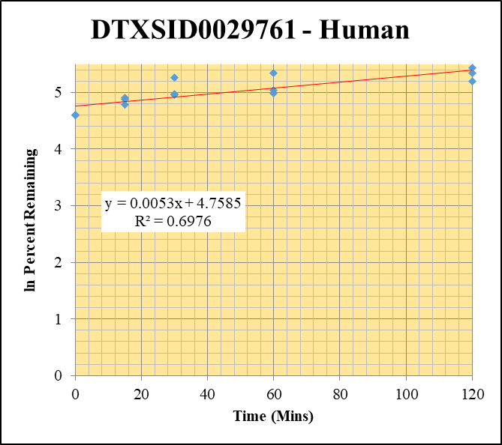
Blank 5 | DTXSID0029761 | 49 | NF | 1614810.533 | 0 |  |  |  | DTXSID0029761 - Human | 8 |  |  |  | Time (Mins) | % Remaining Replica 1 | % Remaining Replica 2 | % Remaining Replica 3 | Average
Blank 6 | DTXSID0029761 | 49 | NF | 1438754.3495 | 0 |  |  |  | Time (Mins) | 138 |  |  |  | 120 | 210.0% | 228.0% | 181.5% | 206.5%
Blank_Human_3 | DTXSID0029761 | 49 | NF | 1834176.5738 | 0 |  |  |  | ln Percent Remaining | 152 |  |  |  | 60 | 146.9% | 207.9% | 155.0% | 169.9%
DTXSID0029761_10uM_Human_120_1 | DTXSID0029761 | 49 | 1204425.5239 | 1350128.9884 | 0.89208181902 | 210.03301573 | 120 | 5.3472647361 |  |  | 1 | 120 | 5.3472647361 | 30 | 144.6% | 193.9% | 142.0% | 160.1%
DTXSID0029761_10uM_Human_120_2 | DTXSID0029761 | 49 | 1098429.7937 | 1142117.2832 | 0.9617486837 | 228.04756892 | 120 | 5.4295542428 |  |  | 2 | 120 | 5.4295542428 | 15 | 131.1% | 135.8% | 119.5% | 128.8%
DTXSID0029761_10uM_Human_120_3 | DTXSID0029761 | 49 | 1173985.947 | 1362114.0716 | 0.86188519118 | 181.51731095 | 120 | 5.2013510263 |  |  | 3 | 120 | 5.2013510263 | 0 | 100% | 100% | 100% | 100%
DTXSID0029761_10uM_Human_60_1 | DTXSID0029761 | 49 | 980626.30466 | 1571628.2137 | 0.62395565067 | 146.90500826 | 60 | 4.9897861756 |  |  | 4 | 60 | 4.9897861756
DTXSID0029761_10uM_Human_60_2 | DTXSID0029761 | 49 | 1108347.7783 | 1264179.4483 | 0.87673295099 | 207.88883984 | 60 | 5.337003513 |  |  | 5 | 60 | 5.337003513 | Slope | 0.0053
DTXSID0029761_10uM_Human_60_3 | DTXSID0029761 | 49 | 1074778.2756 | 1460610.8275 | 0.73584164607 | 154.97191302 | 60 | 5.0432438942 |  |  | 6 | 60 | 5.0432438942 | Intercept | 4.76
DTXSID0029761_10uM_Human_30_1 | DTXSID0029761 | 49 | 964821.05544 | 1571328.9653 | 0.61401595512 | 144.56479217 | 30 | 4.9737277958 |  |  | 7 | 30 | 4.9737277958 | R2 | 0.698
DTXSID0029761_10uM_Human_30_2 | DTXSID0029761 | 49 | 1027181.3493 | 1256406.0631 | 0.81755523106 | 193.85675912 | 30 | 5.2671195313 |  |  | 8 | 30 | 5.2671195313 | T½ (mins)
DTXSID0029761_10uM_Human_30_3 | DTXSID0029761 | 49 | 990009.86235 | 1468234.6477 | 0.67428586015 | 142.00795814 | 30 | 4.9558830992 |  |  | 9 | 30 | 4.9558830992 | CLint (µl/min/106 cells) | 0.0
DTXSID0029761_10uM_Human_15_1 | DTXSID0029761 | 49 | 881597.28699 | 1583105.9449 | 0.55687826188 | 131.11221218 | 15 | 4.8760535381 |  |  | 10 | 15 | 4.8760535381 | Comments
DTXSID0029761_10uM_Human_15_2 | DTXSID0029761 | 49 | 863036.56473 | 1506487.6459 | 0.57287994832 | 135.83993585 | 15 | 4.9114772503 |  |  | 11 | 15 | 4.9114772503
DTXSID0029761_10uM_Human_15_3 | DTXSID0029761 | 49 | 908696.32924 | 1601915.3966 | 0.56725613047 | 119.46696437 | 15 | 4.7830398844 |  |  | 12 | 15 | 4.7830398844
DTXSID0029761_10uM_Human_0_1 | DTXSID0029761 | 49 | 683217.97503 | 1608578.1443 | 0.42473409045 | 100 | 0 | 4.605170186 |  |  | 13 | 0 | 4.605170186
DTXSID0029761_10uM_Human_0_2 | DTXSID0029761 | 49 | 705639.71907 | 1673196.181 | 0.42173160987 | 100 | 0 | 4.605170186 |  |  | 14 | 0 | 4.605170186
DTXSID0029761_10uM_Human_0_3 | DTXSID0029761 | 49 | 714026.81075 | 1503776.0013 | 0.47482258671 | 100 | 0 | 4.605170186 |  |  | 15 | 0 | 4.605170186
DTXSID0029761_10uM_Human_HI_1 | DTXSID0029761 | 49 | 470321.16657 | 1731975.5558 | 0.27155185014 | 61.65615471
DTXSID0029761_10uM_Human_HI_2 | DTXSID0029761 | 49 | 616802.13416 | 1755039.4717 | 0.35144630312 | 79.796280622

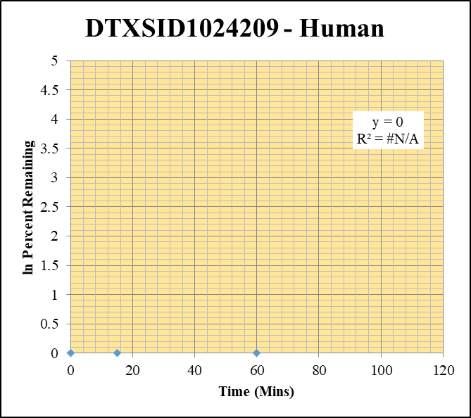
Blank 5 | DTXSID1024209 | 79 | NF | 1614810.533 | 0 |  |  |  | DTXSID1024209 - Human | 9 |  |  |  | Time (Mins) | % Remaining Replica 1 | % Remaining Replica 2 | % Remaining Replica 3 | Average
Blank 6 | DTXSID1024209 | 79 | NF | 1438754.3495 | 0 |  |  |  | Time (Mins) | 157 |  |  |  | 120 | #DIV/0! | #DIV/0! | #DIV/0!
Blank_Human_3 | DTXSID1024209 | 79 | NF | 1834176.5738 | 0 |  |  |  | ln Percent Remaining | 171 |  |  |  | 60 | #DIV/0! | #DIV/0! | #DIV/0!
DTXSID1024209_1uM_Human_120_1 | DTXSID1024209 | 79 | NF | 1243571.3345 | 0 | #DIV/0! | 120 | #DIV/0! |  |  | 1 | 120 |  | 30 | #DIV/0! | #DIV/0! | #DIV/0!
DTXSID1024209_1uM_Human_120_2 | DTXSID1024209 | 79 | NF | 1556621.3436 | 0 | #DIV/0! | 120 | #DIV/0! |  |  | 2 | 120 |  | 15 | #DIV/0! | #DIV/0! | #DIV/0!
DTXSID1024209_1uM_Human_120_3 | DTXSID1024209 | 79 | NF | 1360881.9456 | 0 | #DIV/0! | 120 | #DIV/0! |  |  | 3 | 120 |  | 0 | #DIV/0! | #DIV/0! | #DIV/0!
DTXSID1024209_1uM_Human_60_1 | DTXSID1024209 | 79 | NF | 1030897.1216 | 0 | #DIV/0! | 60 | #DIV/0! |  |  | 4 | 60
DTXSID1024209_1uM_Human_60_2 | DTXSID1024209 | 79 | NF | 1120009.8645 | 0 | #DIV/0! | 60 | #DIV/0! |  |  | 5 | 60 |  | Slope
DTXSID1024209_1uM_Human_60_3 | DTXSID1024209 | 79 | NF | 1280563.5446 | 0 | #DIV/0! | 60 | #DIV/0! |  |  | 6 | 60 |  | Intercept
DTXSID1024209_1uM_Human_30_1 | DTXSID1024209 | 79 | NF | 765188.74982 | 0 | #DIV/0! | 30 | #DIV/0! |  |  | 7 | 30 |  | R2
DTXSID1024209_1uM_Human_30_2 | DTXSID1024209 | 79 | NF | 1193413.3721 | 0 | #DIV/0! | 30 | #DIV/0! |  |  | 8 | 30 |  | T½ (mins)
DTXSID1024209_1uM_Human_30_3 | DTXSID1024209 | 79 | NF | 1270589.2356 | 0 | #DIV/0! | 30 | #DIV/0! |  |  | 9 | 30 |  | CLint (µl/min/106 cells) | 0.0
DTXSID1024209_1uM_Human_15_1 | DTXSID1024209 | 79 | NF | 1153694.6204 | 0 | #DIV/0! | 15 | #DIV/0! |  |  | 10 | 15 |  | Comments
DTXSID1024209_1uM_Human_15_2 | DTXSID1024209 | 79 | NF | 1190182.0873 | 0 | #DIV/0! | 15 | #DIV/0! |  |  | 11 | 15
DTXSID1024209_1uM_Human_15_3 | DTXSID1024209 | 79 | NF | 1185583.3976 | 0 | #DIV/0! | 15 | #DIV/0! |  |  | 12 | 15
DTXSID1024209_1uM_Human_0_1 | DTXSID1024209 | 79 | NF | 1243023.6331 | 0 | #DIV/0! | 0 | #DIV/0! |  |  | 13 | 0
DTXSID1024209_1uM_Human_0_2 | DTXSID1024209 | 79 | NF | 1222228.0281 | 0 | #DIV/0! | 0 | #DIV/0! |  |  | 14 | 0
DTXSID1024209_1uM_Human_0_3 | DTXSID1024209 | 79 | NF | 1215145.8221 | 0 | #DIV/0! | 0 | #DIV/0! |  |  | 15 | 0
DTXSID1024209_1uM_Human_HI_1 | DTXSID1024209 | 79 | NF | 1619989.6533 | 0 | #DIV/0!
DTXSID1024209_1uM_Human_HI_2 | DTXSID1024209 | 79 | NF | 1611031.0687 | 0 | #DIV/0!

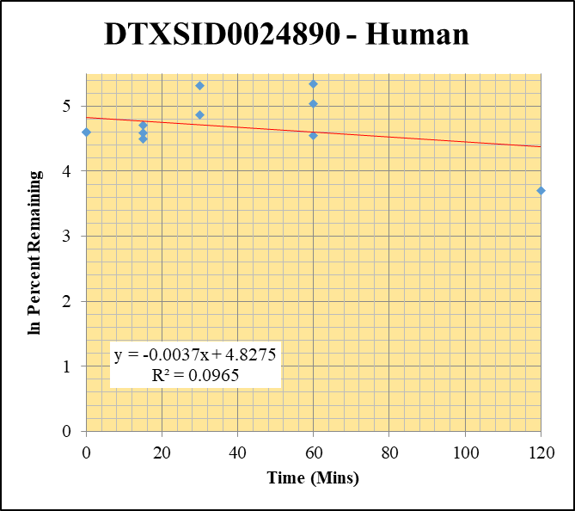
Blank 5 | DTXSID0024890 | 135 | 63006.637594 | 1614810.533 | 0.039017975364 |  |  |  | DTXSID0024890 - Human | 10 |  |  |  | Time (Mins) | % Remaining Replica 1 | % Remaining Replica 2 | % Remaining Replica 3 | Average
Blank 6 | DTXSID0024890 | 135 | 45333.22214 | 1438754.3495 | 0.031508660361 |  |  |  | Time (Mins) | 176 |  |  |  | 120 | 40.3% | 3.1% | 458.5% | 167.3%
Blank_Human_3 | DTXSID0024890 | 135 | 5917.2234289 | 1834176.5738 | 0.0032260925766 |  |  |  | ln Percent Remaining | 190 |  |  |  | 60 | 154.6% | 207.7% | 94.7% | 152.3%
DTXSID0024890_1uM_Human_120_1 | DTXSID0024890 | 135 | 833922.67904 | 1383686.6047 | 0.60268176058 | 40.331059079 | 120 | 3.6971218689 |  |  | 1 | 120 | 3.6971218689 | 30 | 130.3% | 370.0% | 202.5% | 234.3%
DTXSID0024890_1uM_Human_120_2 | DTXSID0024890 | 135 | 477135.12224 | 8645099.2201 | 0.055191399206 | 3.0539458958 | 120 | 1.1164344908 |  |  | 2 | 120 |  | 15 | 98.6% | 110.2% | 90.1% | 99.7%
DTXSID0024890_1uM_Human_120_3 | DTXSID0024890 | 135 | 2693819.3829 | 475285.48501 | 5.6677922382 | 458.50673653 | 120 | 6.1279749841 |  |  | 3 | 120 |  | 0 | 100% | 100% | 100% | 100%
DTXSID0024890_1uM_Human_60_1 | DTXSID0024890 | 135 | 1200186.4249 | 535517.56645 | 2.241170972 | 154.64050195 | 60 | 5.0411030808 |  |  | 4 | 60 | 5.0411030808
DTXSID0024890_1uM_Human_60_2 | DTXSID0024890 | 135 | 1611538.8177 | 765102.84571 | 2.1063035208 | 207.71148924 | 60 | 5.3361500458 |  |  | 5 | 60 | 5.3361500458 | Slope | -0.00374
DTXSID0024890_1uM_Human_60_3 | DTXSID0024890 | 135 | 1409269.892 | 1184586.8696 | 1.1896720521 | 94.662576615 | 60 | 4.5503187438 |  |  | 6 | 60 | 4.5503187438 | Intercept | 4.83
DTXSID0024890_1uM_Human_30_1 | DTXSID0024890 | 135 | 953114.31775 | 503701.98892 | 1.8922186903 | 130.29579425 | 30 | 4.8698072062 |  |  | 7 | 30 | 4.8698072062 | R2 | 0.097
DTXSID0024890_1uM_Human_30_2 | DTXSID0024890 | 135 | 345916.40719 | 92675.051664 | 3.7325731249 | 369.97874829 | 30 | 5.9134455669 |  |  | 8 | 30 |  | T½ (mins) | 185
DTXSID0024890_1uM_Human_30_3 | DTXSID0024890 | 135 | 261938.54462 | 104079.62113 | 2.5167130874 | 202.48374054 | 30 | 5.3106595897 |  |  | 9 | 30 | 5.3106595897 | CLint (µl/min/106 cells) | 7.48
DTXSID0024890_1uM_Human_15_1 | DTXSID0024890 | 135 | 88610.309123 | 61604.365668 | 1.4383771046 | 98.633468714 | 15 | 4.5914106433 |  |  | 10 | 15 | 4.5914106433 | Comments
DTXSID0024890_1uM_Human_15_2 | DTXSID0024890 | 135 | 1675884.8129 | 1484122.3685 | 1.1292093216 | 110.21818484 | 15 | 4.7024618998 |  |  | 11 | 15 | 4.7024618998
DTXSID0024890_1uM_Human_15_3 | DTXSID0024890 | 135 | 1567402.4037 | 1382504.3178 | 1.1337414166 | 90.118251265 | 15 | 4.5011227109 |  |  | 12 | 15 | 4.5011227109
DTXSID0024890_1uM_Human_0_1 | DTXSID0024890 | 135 | 1173753.825 | 805063.26895 | 1.457964697 | 100 | 0 | 4.605170186 |  |  | 13 | 0 | 4.605170186
DTXSID0024890_1uM_Human_0_2 | DTXSID0024890 | 135 | 1051106.752 | 1023671.372 | 1.0268009645 | 100 | 0 | 4.605170186 |  |  | 14 | 0 | 4.605170186
DTXSID0024890_1uM_Human_0_3 | DTXSID0024890 | 135 | 1573053.2403 | 1253065.4603 | 1.2553639775 | 100 | 0 | 4.605170186 |  |  | 15 | 0 | 4.605170186
DTXSID0024890_1uM_Human_HI_1 | DTXSID0024890 | 135 | 1203739.6579 | 842583.25134 | 1.4286299377 | 114.59201223
DTXSID0024890_1uM_Human_HI_2 | DTXSID0024890 | 135 | 1144492.3288 | 1871064.1411 | 0.6116799011 | 49.063532028

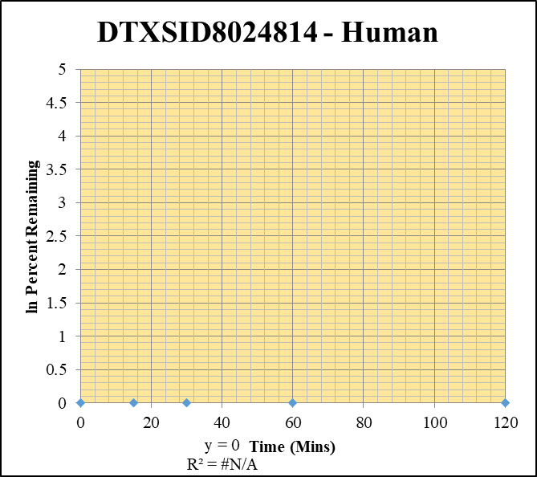
Blank_Human_1 | DTXSID8024814 | 91 | NF | 535785.55125 | 0 |  |  |  | DTXSID8024814 - Human | 11 |  |  |  | Time (Mins) | % Remaining Replica 1 | % Remaining Replica 2 | % Remaining Replica 3 | Average
Blank_Human_2 | DTXSID8024814 | 91 | NF | 1314081.4002 | 0 |  |  |  | Time (Mins) | 195 |  |  |  | 120 | #DIV/0! | #DIV/0! | #DIV/0!
Blank_Human_3 | DTXSID8024814 | 91 | NF | 1532416.1874 | 0 |  |  |  | ln Percent Remaining | 209 |  |  |  | 60 | #DIV/0! | #DIV/0! | #DIV/0!
DTXSID8024814_1uM_Human_120_1 | DTXSID8024814 | 91 | NF | 1235345.8389 | 0 | #DIV/0! | 120 | #DIV/0! |  |  | 1 | 120 |  | 30 | #DIV/0! | #DIV/0! | #DIV/0!
DTXSID8024814_1uM_Human_120_2 | DTXSID8024814 | 91 | NF | 211430.84322 | 0 | #DIV/0! | 120 | #DIV/0! |  |  | 2 | 120 |  | 15 | #DIV/0! | #DIV/0! | #DIV/0!
DTXSID8024814_1uM_Human_120_3 | DTXSID8024814 | 91 | NF | 1323632.9131 | 0 | #DIV/0! | 120 | #DIV/0! |  |  | 3 | 120 |  | 0 | #DIV/0! | #DIV/0! | #DIV/0!
DTXSID8024814_1uM_Human_60_1 | DTXSID8024814 | 91 | NF | 1209894.0353 | 0 | #DIV/0! | 60 | #DIV/0! |  |  | 4 | 60
DTXSID8024814_1uM_Human_60_2 | DTXSID8024814 | 91 | NF | 143715.55577 | 0 | #DIV/0! | 60 | #DIV/0! |  |  | 5 | 60 |  | Slope
DTXSID8024814_1uM_Human_60_3 | DTXSID8024814 | 91 | NF | 1127228.2573 | 0 | #DIV/0! | 60 | #DIV/0! |  |  | 6 | 60 |  | Intercept
DTXSID8024814_1uM_Human_30_1 | DTXSID8024814 | 91 | NF | 1294993.2872 | 0 | #DIV/0! | 30 | #DIV/0! |  |  | 7 | 30 |  | R2
DTXSID8024814_1uM_Human_30_2 | DTXSID8024814 | 91 | NF | 1368114.6757 | 0 | #DIV/0! | 30 | #DIV/0! |  |  | 8 | 30 |  | T½ (mins)
DTXSID8024814_1uM_Human_30_3 | DTXSID8024814 | 91 | NF | 1379279.3673 | 0 | #DIV/0! | 30 | #DIV/0! |  |  | 9 | 30 |  | CLint (µl/min/106 cells) | 0.0
DTXSID8024814_1uM_Human_15_1 | DTXSID8024814 | 91 | NF | 1412061.4114 | 0 | #DIV/0! | 15 | #DIV/0! |  |  | 10 | 15 |  | Comments
DTXSID8024814_1uM_Human_15_2 | DTXSID8024814 | 91 | NF | 1325951.2845 | 0 | #DIV/0! | 15 | #DIV/0! |  |  | 11 | 15
DTXSID8024814_1uM_Human_15_3 | DTXSID8024814 | 91 | NF | 1291928.4344 | 0 | #DIV/0! | 15 | #DIV/0! |  |  | 12 | 15
DTXSID8024814_1uM_Human_0_1 | DTXSID8024814 | 91 | NF | 1073116.4263 | 0 | #DIV/0! | 0 | #DIV/0! |  |  | 13 | 0
DTXSID8024814_1uM_Human_0_2 | DTXSID8024814 | 91 | NF | 1029174.8285 | 0 | #DIV/0! | 0 | #DIV/0! |  |  | 14 | 0
DTXSID8024814_1uM_Human_0_3 | DTXSID8024814 | 91 | NF | 1069674.2588 | 0 | #DIV/0! | 0 | #DIV/0! |  |  | 15 | 0
DTXSID8024814_1uM_Human_HI_1 | DTXSID8024814 | 91 | NF | 1668919.8828 | 0 | #DIV/0!
DTXSID8024814_1uM_Human_HI_2 | DTXSID8024814 | 91 | NF | 1756441.3045 | 0 | #DIV/0!

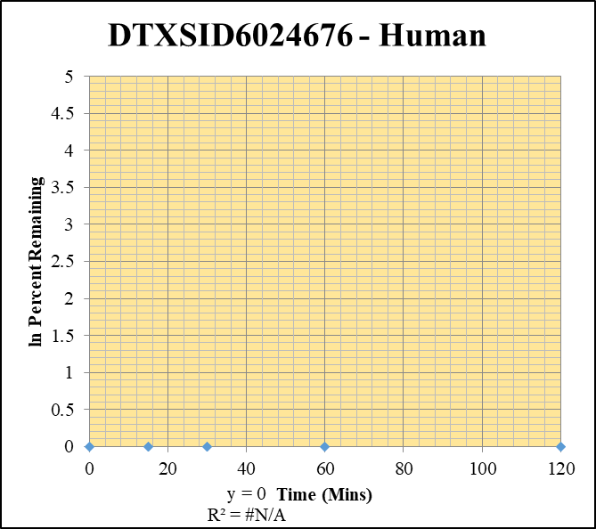
Blank 5 | DTXSID6024676 | 56 | NF | 1614810.533 | 0 |  |  |  | DTXSID6024676 - Human | 12 |  |  |  | Time (Mins) | % Remaining Replica 1 | % Remaining Replica 2 | % Remaining Replica 3 | Average
Blank 6 | DTXSID6024676 | 56 | NF | 1438754.3495 | 0 |  |  |  | Time (Mins) | 214 |  |  |  | 120 | #DIV/0! | #DIV/0! | #DIV/0!
Blank_Human_3 | DTXSID6024676 | 56 | NF | 1834176.5738 | 0 |  |  |  | ln Percent Remaining | 228 |  |  |  | 60 | #DIV/0! | #DIV/0! | #DIV/0!
DTXSID6024676_1uM_Human_120_1 | DTXSID6024676 | 56 | NF | 1344612.5594 | 0 | #DIV/0! | 120 | #DIV/0! |  |  | 1 | 120 |  | 30 | #DIV/0! | #DIV/0! | #DIV/0!
DTXSID6024676_1uM_Human_120_2 | DTXSID6024676 | 56 | NF | 1425972.3761 | 0 | #DIV/0! | 120 | #DIV/0! |  |  | 2 | 120 |  | 15 | #DIV/0! | #DIV/0! | #DIV/0!
DTXSID6024676_1uM_Human_120_3 | DTXSID6024676 | 56 | NF | 1294992.4958 | 0 | #DIV/0! | 120 | #DIV/0! |  |  | 3 | 120 |  | 0 | #DIV/0! | #DIV/0! | #DIV/0!
DTXSID6024676_1uM_Human_60_1 | DTXSID6024676 | 56 | NF | 1281347.1978 | 0 | #DIV/0! | 60 | #DIV/0! |  |  | 4 | 60
DTXSID6024676_1uM_Human_60_2 | DTXSID6024676 | 56 | NF | 1274592.7335 | 0 | #DIV/0! | 60 | #DIV/0! |  |  | 5 | 60 |  | Slope
DTXSID6024676_1uM_Human_60_3 | DTXSID6024676 | 56 | NF | 1171769.9124 | 0 | #DIV/0! | 60 | #DIV/0! |  |  | 6 | 60 |  | Intercept
DTXSID6024676_1uM_Human_30_1 | DTXSID6024676 | 56 | NF | 1272006.0816 | 0 | #DIV/0! | 30 | #DIV/0! |  |  | 7 | 30 |  | R2
DTXSID6024676_1uM_Human_30_2 | DTXSID6024676 | 56 | NF | 1175320.1805 | 0 | #DIV/0! | 30 | #DIV/0! |  |  | 8 | 30 |  | T½ (mins)
DTXSID6024676_1uM_Human_30_3 | DTXSID6024676 | 56 | NF | 1166914.4616 | 0 | #DIV/0! | 30 | #DIV/0! |  |  | 9 | 30 |  | CLint (µl/min/106 cells) | 0.00
DTXSID6024676_1uM_Human_15_1 | DTXSID6024676 | 56 | NF | 1229549.0955 | 0 | #DIV/0! | 15 | #DIV/0! |  |  | 10 | 15 |  | Comments
DTXSID6024676_1uM_Human_15_2 | DTXSID6024676 | 56 | NF | 1190435.4843 | 0 | #DIV/0! | 15 | #DIV/0! |  |  | 11 | 15
DTXSID6024676_1uM_Human_15_3 | DTXSID6024676 | 56 | NF | 1219799.2849 | 0 | #DIV/0! | 15 | #DIV/0! |  |  | 12 | 15
DTXSID6024676_1uM_Human_0_1 | DTXSID6024676 | 56 | NF | 1196675.0881 | 0 | #DIV/0! | 0 | #DIV/0! |  |  | 13 | 0
DTXSID6024676_1uM_Human_0_2 | DTXSID6024676 | 56 | NF | 1140689.0521 | 0 | #DIV/0! | 0 | #DIV/0! |  |  | 14 | 0
DTXSID6024676_1uM_Human_0_3 | DTXSID6024676 | 56 | NF | 1166308.5809 | 0 | #DIV/0! | 0 | #DIV/0! |  |  | 15 | 0
DTXSID6024676_1uM_Human_HI_1 | DTXSID6024676 | 56 | NF | 1532657.5334 | 0 | #DIV/0!
DTXSID6024676_1uM_Human_HI_2 | DTXSID6024676 | 56 | NF | 1455650.7729 | 0 | #DIV/0!

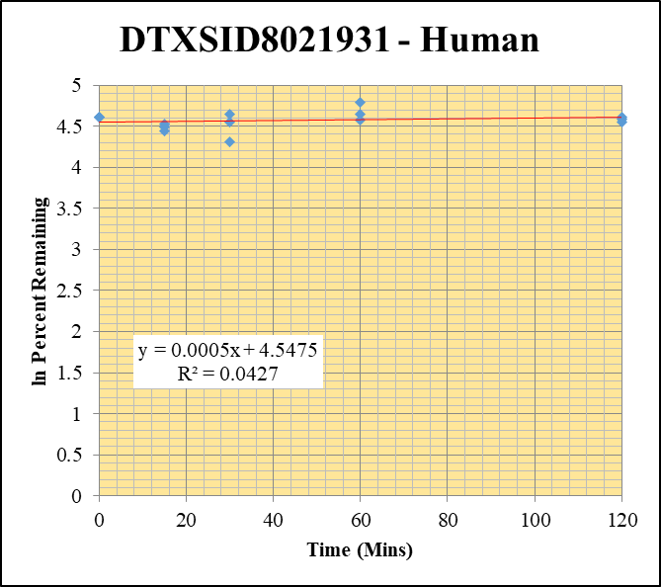
Blank 5 | DTXSID8021931 | 56 | NF | 1614810.533 | 0 |  |  |  | DTXSID8021931 - Human | 13 |  |  |  | Time (Mins) | % Remaining Replica 1 | % Remaining Replica 2 | % Remaining Replica 3 | Average
Blank 6 | DTXSID8021931 | 56 | NF | 1438754.3495 | 0 |  |  |  | Time (Mins) | 233 |  |  |  | 120 | 101.0% | 95.1% | 97.8% | 97.9%
Blank_Human_3 | DTXSID8021931 | 56 | NF | 1834176.5738 | 0 |  |  |  | ln Percent Remaining | 247 |  |  |  | 60 | 120.3% | 103.6% | 97.3% | 107.1%
DTXSID8021931_1uM_Human_120_1 | DTXSID8021931 | 56 | 6259756.4314 | 1322743.4745 | 4.7324039406 | 100.97443838 | 120 | 4.6148673994 |  |  | 1 | 120 | 4.6148673994 | 30 | 104.3% | 94.9% | 74.8% | 91.3%
DTXSID8021931_1uM_Human_120_2 | DTXSID8021931 | 56 | 6241864.7736 | 1329068.2186 | 4.696421663 | 95.056823675 | 120 | 4.5544748567 |  |  | 2 | 120 | 4.5544748567 | 15 | 92.6% | 89.2% | 84.6% | 88.8%
DTXSID8021931_1uM_Human_120_3 | DTXSID8021931 | 56 | 5940293.9196 | 1194448.5263 | 4.9732523328 | 97.806430999 | 120 | 4.5829903315 |  |  | 3 | 120 | 4.5829903315 | 0 | 100% | 100% | 100% | 100%
DTXSID8021931_1uM_Human_60_1 | DTXSID8021931 | 56 | 5868034.8885 | 1040946.4358 | 5.6372111828 | 120.28014522 | 60 | 4.7898235654 |  |  | 4 | 60 | 4.7898235654
DTXSID8021931_1uM_Human_60_2 | DTXSID8021931 | 56 | 6022922.3801 | 1176344.3669 | 5.1200333419 | 103.63083673 | 60 | 4.6408349374 |  |  | 5 | 60 | 4.6408349374 | Slope | 0.00050
DTXSID8021931_1uM_Human_60_3 | DTXSID8021931 | 56 | 5834750.9036 | 1179212.8861 | 4.9480047008 | 97.309898626 | 60 | 4.5779007171 |  |  | 6 | 60 | 4.5779007171 | Intercept | 4.55
DTXSID8021931_1uM_Human_30_1 | DTXSID8021931 | 56 | 5949449.9284 | 1216535.6452 | 4.890485496 | 104.34739565 | 30 | 4.6477256753 |  |  | 7 | 30 | 4.6477256753 | R2 | 0.043
DTXSID8021931_1uM_Human_30_2 | DTXSID8021931 | 56 | 5946343.258 | 1267916.0339 | 4.6898557152 | 94.923927147 | 30 | 4.5530758039 |  |  | 8 | 30 | 4.5530758039 | T½ (mins)
DTXSID8021931_1uM_Human_30_3 | DTXSID8021931 | 56 | 5013219.7681 | 1318526.6058 | 3.8021377393 | 74.774714325 | 30 | 4.314479784 |  |  | 9 | 30 | 4.314479784 | CLint (µl/min/106 cells) | 0.00
DTXSID8021931_1uM_Human_15_1 | DTXSID8021931 | 56 | 5643060.0349 | 1300917.4575 | 4.3377540999 | 92.553866819 | 15 | 4.527790819 |  |  | 10 | 15 | 4.527790819 | Comments
DTXSID8021931_1uM_Human_15_2 | DTXSID8021931 | 56 | 5531267.2537 | 1255144.1606 | 4.4068780522 | 89.196383978 | 15 | 4.4908405004 |  |  | 11 | 15 | 4.4908405004
DTXSID8021931_1uM_Human_15_3 | DTXSID8021931 | 56 | 5218446.9431 | 1213234.5743 | 4.3012679111 | 84.590854234 | 15 | 4.4378261548 |  |  | 12 | 15 | 4.4378261548
DTXSID8021931_1uM_Human_0_1 | DTXSID8021931 | 56 | 5590634.1879 | 1192863.4038 | 4.6867346 | 100 | 0 | 4.605170186 |  |  | 13 | 0 | 4.605170186
DTXSID8021931_1uM_Human_0_2 | DTXSID8021931 | 56 | 5740213.6128 | 1161834.5038 | 4.9406465327 | 100 | 0 | 4.605170186 |  |  | 14 | 0 | 4.605170186
DTXSID8021931_1uM_Human_0_3 | DTXSID8021931 | 56 | 5550356.5669 | 1091560.4724 | 5.084790726 | 100 | 0 | 4.605170186 |  |  | 15 | 0 | 4.605170186
DTXSID8021931_1uM_Human_HI_1 | DTXSID8021931 | 56 | 5003217.3971 | 1663483.584 | 3.0076746445 | 61.330332599
DTXSID8021931_1uM_Human_HI_2 | DTXSID8021931 | 56 | NF | 1520082.857 | 0


Blank_Human_1 | DTXSID0027014 | 55 | NF | 535785.55125 | 0 |  |  |  | DTXSID0027014 - Human | 14 |  |  |  | Time (Mins) | % Remaining Replica 1 | % Remaining Replica 2 | % Remaining Replica 3 | Average
Blank_Human_2 | DTXSID0027014 | 55 | NF | 1314081.4002 | 0 |  |  |  | Time (Mins) | 252 |  |  |  | 120 | 79.5% | 56.2% | 82.1% | 72.6%
Blank_Human_3 | DTXSID0027014 | 55 | NF | 1532416.1874 | 0 |  |  |  | ln Percent Remaining | 266 |  |  |  | 60 | 76.3% | 86.7% | 78.4% | 80.5%
DTXSID0027014_1uM_Human_120_1 | DTXSID0027014 | 55 | 131176101.77 | 1413408.4019 | 92.80835008 | 79.455488773 | 120 | 4.3751969752 |  |  | 1 | 120 | 4.3751969752 | 30 | 74.0% | 76.4% | 83.1% | 77.8%
DTXSID0027014_1uM_Human_120_2 | DTXSID0027014 | 55 | 123572060.19 | 1897512.6063 | 65.12318273 | 56.163663631 | 120 | 4.0282699932 |  |  | 2 | 120 | 4.0282699932 | 15 | 73.0% | 81.8% | 115.6% | 90.1%
DTXSID0027014_1uM_Human_120_3 | DTXSID0027014 | 55 | 133401654.04 | 1450066.7156 | 91.996907872 | 82.073231138 | 120 | 4.4076119114 |  |  | 3 | 120 | 4.4076119114 | 0 | 100% | 100% | 100% | 100%
DTXSID0027014_1uM_Human_60_1 | DTXSID0027014 | 55 | 120937287.06 | 1357496.4124 | 89.088476375 | 76.2708143 | 60 | 4.3342903527 |  |  | 4 | 60 | 4.3342903527
DTXSID0027014_1uM_Human_60_2 | DTXSID0027014 | 55 | 122877500 | 1222089.7789 | 100.54703192 | 86.713969478 | 60 | 4.4626149951 |  |  | 5 | 60 | 4.4626149951 | Slope | -0.0023
DTXSID0027014_1uM_Human_60_3 | DTXSID0027014 | 55 | 117525044.86 | 1336643.8057 | 87.925477491 | 78.440984637 | 60 | 4.362346554 |  |  | 6 | 60 | 4.362346554 | Intercept | 4.52
DTXSID0027014_1uM_Human_30_1 | DTXSID0027014 | 55 | 120161172.6 | 1390519.9636 | 86.414561273 | 73.98161046 | 30 | 4.303816555 |  |  | 7 | 30 | 4.303816555 | R2 | 0.349
DTXSID0027014_1uM_Human_30_2 | DTXSID0027014 | 55 | 121437921.2 | 1371591.1664 | 88.537987249 | 76.357105503 | 30 | 4.3354210922 |  |  | 8 | 30 | 4.3354210922 | T½ (mins) | 298.4
DTXSID0027014_1uM_Human_30_3 | DTXSID0027014 | 55 | 119481353.44 | 1283098.9459 | 93.119360609 | 83.074605261 | 30 | 4.4197390626 |  |  | 9 | 30 | 4.4197390626 | CLint (µl/min/106 cells) | 4.6
DTXSID0027014_1uM_Human_15_1 | DTXSID0027014 | 55 | 116491433.46 | 1365815.9895 | 85.290723169 | 73.019465289 | 15 | 4.2907260534 |  |  | 10 | 15 | 4.2907260534 | Comments
DTXSID0027014_1uM_Human_15_2 | DTXSID0027014 | 55 | 116888878.95 | 1231790.0424 | 94.893508575 | 81.838246733 | 15 | 4.4047446983 |  |  | 11 | 15 | 4.4047446983
DTXSID0027014_1uM_Human_15_3 | DTXSID0027014 | 55 | 119790506.85 | 924636.92015 | 129.55410306 | 115.57914381 | 15 | 4.7499555231 |  |  | 12 | 15 | 4.7499555231
DTXSID0027014_1uM_Human_0_1 | DTXSID0027014 | 55 | 122825369.48 | 1051537.9012 | 116.80546116 | 100 | 0 | 4.605170186 |  |  | 13 | 0 | 4.605170186
DTXSID0027014_1uM_Human_0_2 | DTXSID0027014 | 55 | 120576460.07 | 1039877.8839 | 115.95251898 | 100 | 0 | 4.605170186 |  |  | 14 | 0 | 4.605170186
DTXSID0027014_1uM_Human_0_3 | DTXSID0027014 | 55 | 119829016.27 | 1069030.9899 | 112.09124656 | 100 | 0 | 4.605170186 |  |  | 15 | 0 | 4.605170186
DTXSID0027014_1uM_Human_HI_1 | DTXSID0027014 | 55 | 109273231.14 | 1531883.6992 | 71.332589544 | 62.055458462
DTXSID0027014_1uM_Human_HI_2 | DTXSID0027014 | 55 | 107228500.41 | 1524146.5167 | 70.353144685 | 61.203394908

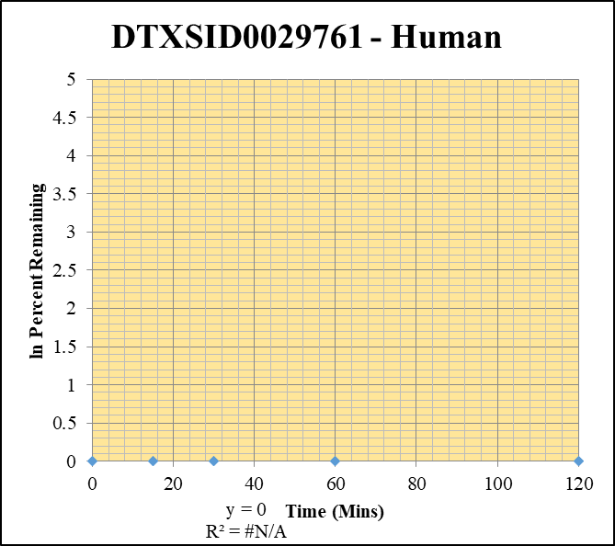
Blank 5 | DTXSID0029761 | 49 | NF | 1614810.533 | 0 |  |  |  | DTXSID0029761 - Human | 15 |  |  |  | Time (Mins) | % Remaining Replica 1 | % Remaining Replica 2 | % Remaining Replica 3 | Average
Blank 6 | DTXSID0029761 | 49 | NF | 1438754.3495 | 0 |  |  |  | Time (Mins) | 271 |  |  |  | 120 | #DIV/0! | #DIV/0! | #DIV/0!
Blank_Human_3 | DTXSID0029761 | 49 | NF | 1834176.5738 | 0 |  |  |  | ln Percent Remaining | 285 |  |  |  | 60 | #DIV/0! | #DIV/0! | #DIV/0!
DTXSID0029761_1uM_Human_120_1 | DTXSID0029761 | 49 | NF | 1180987.0957 | 0 | #DIV/0! | 120 | #DIV/0! |  |  | 1 | 120 |  | 30 | #DIV/0! | #DIV/0! | #DIV/0!
DTXSID0029761_1uM_Human_120_2 | DTXSID0029761 | 49 | NF | 1463590.6898 | 0 | #DIV/0! | 120 | #DIV/0! |  |  | 2 | 120 |  | 15 | #DIV/0! | #DIV/0! | #DIV/0!
DTXSID0029761_1uM_Human_120_3 | DTXSID0029761 | 49 | NF | 1265847.6934 | 0 | #DIV/0! | 120 | #DIV/0! |  |  | 3 | 120 |  | 0 | #DIV/0! | #DIV/0! | #DIV/0!
DTXSID0029761_1uM_Human_60_1 | DTXSID0029761 | 49 | NF | 1041052.26 | 0 | #DIV/0! | 60 | #DIV/0! |  |  | 4 | 60
DTXSID0029761_1uM_Human_60_2 | DTXSID0029761 | 49 | NF | 1134082.3952 | 0 | #DIV/0! | 60 | #DIV/0! |  |  | 5 | 60 |  | Slope
DTXSID0029761_1uM_Human_60_3 | DTXSID0029761 | 49 | NF | 1199788.4554 | 0 | #DIV/0! | 60 | #DIV/0! |  |  | 6 | 60 |  | Intercept
DTXSID0029761_1uM_Human_30_1 | DTXSID0029761 | 49 | NF | 1387636.6214 | 0 | #DIV/0! | 30 | #DIV/0! |  |  | 7 | 30 |  | R2
DTXSID0029761_1uM_Human_30_2 | DTXSID0029761 | 49 | NF | 1202873.6266 | 0 | #DIV/0! | 30 | #DIV/0! |  |  | 8 | 30 |  | T½ (mins)
DTXSID0029761_1uM_Human_30_3 | DTXSID0029761 | 49 | NF | 1175698.1836 | 0 | #DIV/0! | 30 | #DIV/0! |  |  | 9 | 30 |  | CLint (µl/min/106 cells) | 0.0
DTXSID0029761_1uM_Human_15_1 | DTXSID0029761 | 49 | NF | 1202148.6354 | 0 | #DIV/0! | 15 | #DIV/0! |  |  | 10 | 15 |  | Comments
DTXSID0029761_1uM_Human_15_2 | DTXSID0029761 | 49 | NF | 1272554.3439 | 0 | #DIV/0! | 15 | #DIV/0! |  |  | 11 | 15
DTXSID0029761_1uM_Human_15_3 | DTXSID0029761 | 49 | NF | 1042724.3824 | 0 | #DIV/0! | 15 | #DIV/0! |  |  | 12 | 15
DTXSID0029761_1uM_Human_0_1 | DTXSID0029761 | 49 | NF | 1167113.4184 | 0 | #DIV/0! | 0 | #DIV/0! |  |  | 13 | 0
DTXSID0029761_1uM_Human_0_2 | DTXSID0029761 | 49 | NF | 1155689.5557 | 0 | #DIV/0! | 0 | #DIV/0! |  |  | 14 | 0
DTXSID0029761_1uM_Human_0_3 | DTXSID0029761 | 49 | NF | 1116738.4038 | 0 | #DIV/0! | 0 | #DIV/0! |  |  | 15 | 0
DTXSID0029761_1uM_Human_HI_1 | DTXSID0029761 | 49 | NF | 1465854.3755 | 0 | #DIV/0!
DTXSID0029761_1uM_Human_HI_2 | DTXSID0029761 | 49 | NF | 1396271.9053 | 0 | #DIV/0!

Control
Midazolam-1uM - Human
120
120
120
60 | 1.9653585142
60 | 2.173203242
60 | 1.9536791341
30
30
30
15 | 3.7867769672
15 | 4.0318587806
15 | 3.8690350228
0 | 4.605170186
0 | 4.605170186
0 | 4.605170186
SampleName | CompoundName | Transition | Area | ISTD Area | ISTDResponseRatio | % Remaining | Time (mins) | ln % Remaining | Chart |  |  | Table
Blank_Human___1_____5P1_Inj 2021Feb19_EPA_5 | Midazolam | 326.121 > 291.203 | 1.29 | 137526.891 | 0.00000938 |  |  |  | Midazolam-1uM - Human |  |  | Time (Mins) | % Remaining Replica 1 | % Remaining Replica 2 | % Remaining Replica 3 | Average
Blank_Human___2_____5P1_Inj 2021Feb19_EPA_6 | Midazolam | 326.121 > 291.203 | 0.045 | 97055.352 | 4.637E-07 |  |  |  | Time (Mins) |  |  | 120 | 0.997% | 1.469% | 1.57% | 1.346%
Midazolam_1uM_Human__120_1_____5P1_Inj 2021Feb19_EPA_9 | Midazolam | 326.121 > 291.203 | 4475.83 | 122594 | 0.0365093724 | 0.99715998458 | 120 | -0.0028440559148 | ln Percent Remaining | 120 |  | 60 | 7.14% | 8.79% | 7.05% | 7.66%
Midazolam_1uM_Human__120_2_____5P1_Inj 2021Feb19_EPA_10 | Midazolam | 326.121 > 291.203 | 4535.594 | 113096.383 | 0.0401037936 | 1.4688649723 | 120 | 0.38448997485 |  | 120 |  | 30 | 0.0% | 0.0% | 0.0% | 0.0%
Midazolam_1uM_Human__120_3_____5P1_Inj 2021Feb19_EPA_11 | Midazolam | 326.121 > 291.203 | 6349.419 | 117554.695 | 0.0540124663 | 1.5727999997 | 120 | 0.45285747024 |  | 120 |  | 15 | 44.1% | 56.4% | 47.9% | 49.5%
Midazolam_1uM_Human__60_1_____5P2_Inj 2021Feb19_EPA_12 | Midazolam | 326.121 > 291.203 | 23371.404 | 89444.016 | 0.2612964516 | 7.1374710166 | 60 | 1.9653585142 |  | 60 | 1.9653585142 | 0 | 100% | 100% | 100% | 100%
Midazolam_1uM_Human__60_2_____5P2_Inj 2021Feb19_EPA_13 | Midazolam | 326.121 > 291.203 | 19016.25 | 79278.516 | 0.2398663719 | 8.7863839256 | 60 | 2.173203242 |  | 60 | 2.173203242
Midazolam_1uM_Human__60_3_____5P2_Inj 2021Feb19_EPA_14 | Midazolam | 326.121 > 291.203 | 17288.854 | 71368.141 | 0.2422489049 | 7.0545946933 | 60 | 1.9536791341 |  | 60 | 1.9536791341 | Slope | -0.0426
Midazolam_1uM_Human__30_1_____5P3_Inj 2021Feb19_EPA_15 | Midazolam | 326.121 > 291.203 |  | 198.264 | 0 | -0.00013444584965 | 30 | #NUM! |  | 30 |  | Intercept | 4.57
Midazolam_1uM_Human__30_2_____5P3_Inj 2021Feb19_EPA_16 | Midazolam | 326.121 > 291.203 |  |  | 0 | -0.00018029268028 | 30 | #NUM! |  | 30 |  | R2 | 0.993
Midazolam_1uM_Human__30_3_____5P3_Inj 2021Feb19_EPA_17 | Midazolam | 326.121 > 291.203 | 0.242 | 82.773 | 0 | -0.00014333341309 | 30 | #NUM! |  | 30 |  | T½ (mins) | 16.3
Midazolam_1uM_Human__15_1_____5P4_Inj 2021Feb19_EPA_18 | Midazolam | 326.121 > 291.203 | 139973.328 | 86673.563 | 1.6149483551 | 44.113990068 | 15 | 3.7867769672 |  | 15 | 3.7867769672 | CLint (µl/min/106 cells) | 85.1
Midazolam_1uM_Human__15_2_____5P4_Inj 2021Feb19_EPA_19 | Midazolam | 326.121 > 291.203 | 129288.914 | 84022.5 | 1.5387415752 | 56.365585191 | 15 | 4.0318587806 |  | 15 | 4.0318587806 | Comments
Midazolam_1uM_Human__15_3_____5P4_Inj 2021Feb19_EPA_20 | Midazolam | 326.121 > 291.203 | 158469.688 | 96352.594 | 1.6446852277 | 47.896145084 | 15 | 3.8690350228 |  | 15 | 3.8690350228
Midazolam_1uM_Human__0_1_____5P5_Inj 2021Feb19_EPA_21 | Midazolam | 326.121 > 291.203 | 278113.219 | 75969.641 | 3.6608468243 | 100 | 0 | 4.605170186 |  | 0 | 4.605170186
Midazolam_1uM_Human__0_2_____5P5_Inj 2021Feb19_EPA_22 | Midazolam | 326.121 > 291.203 | 231500.063 | 84800.82 | 2.7299271752 | 100 | 0 | 4.605170186 |  | 0 | 4.605170186
Midazolam_1uM_Human__0_3_____5P5_Inj 2021Feb19_EPA_23 | Midazolam | 326.121 > 291.203 | 249841.453 | 72758.367 | 3.4338518483 | 100 | 0 | 4.605170186 |  | 0 | 4.605170186

