Executive Summary
Executive Summary

 |  | Quantitative Limits |  |  | Plasma Protein Binding
DTXSID | Name | Sample ID | MDL (nM) | eLOQ (nM) | 3-(Perfluorooctyl)propanol |  |  |  | Pentafluoropropionamide
DTXSID10379991 | 3-(Perfluorooctyl)propanol | 267 | 0.72 | 7.5 | Sample Text | Avg. Measured Conc. (μM) | GC Date | Fraction Unbound (Fu) | Sample Text | Avg. Measured Conc. (μM) | GC Date | Fraction Unbound (Fu)
DTXSID0059871 | Pentafluoropropionamide | 273 | 2.7 | 1.75 | AF | 0.358 | 2020-01-29 | 0.0357 | AF | 5.577 | 2020-01-29 | 0.8089
DTXSID40379666 | N-Methyl-N-trimethylsilylheptafluorobutyramide | 476 | 0.57 | 1.75
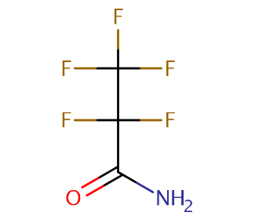
DTXSID80382093 | 2-Aminohexafluoropropan-2-ol | 899 | 1.29 | 1.75
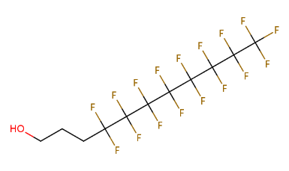
DTXSID0059879 | 1H,1H,5H-Perfluoropentanol | 900 | 0.53 | 1.75 | T1h | 11.367 |  |  | T1h | 9.715
DTXSID9059832 | Dodecafluoroheptanol | 906 | 0.35 | 12.5
DTXSID10382147 | 3-(Perfluoro-2-butyl)propane-1,2-diol | 913 | 2.14 | 1.75
DTXSID4059914 | Heptafluorobutanol | 915 | 1.92 | 1.75 | T5h | 10.162 |  |  | T5h | 6.989
DTXSID60379269 | 3-(Perfluoropropyl)propanol | 965 | 1.73 | 1.75
DTXSID70381151 | Perfluorooctanamidine | 3125 | 0.53 | 3
DTXSID5023792 | 4-nitrotoluene | 4-NT | 0.19 | 3
 |  |  |  |  | N-Methyl-N-trimethylsilylheptafluorobutyramide |  |  |  | 2-Aminohexafluoropropan-2-ol
No QC point data for those other than 899, 900, 3125 |  |  |  |  | Sample Text | Avg. Measured Conc. (μM) | GC Date | Fraction Unbound (Fu) | Sample Text | Avg. Measured Conc. (μM) | GC Date | Fraction Unbound (Fu)
 |  |  |  |  | AF | 5.511 | 2020-01-29 | 0.5451 | AF | 7.659 | 2010-01-17 | 1.1507
 |  |  |  |  |  |  |  |  |  |  | 2020-02-13 | 0.9929

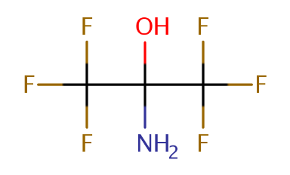
 |  |  |  |  | T1h | 10.833 |  |  | T1h | 9.820

 |  |  |  |  | T5h | 10.129 |  |  | T5h | 7.439

 |  |  |  |  | 1H,1H,5H-Perfluoropentanol |  |  |  | Dodecafluoroheptanol
 |  |  |  |  | Sample Text | Avg. Measured Conc. (μM) | GC Date | Fraction Unbound (Fu) | Sample Text | Avg. Measured Conc. (μM) | GC Date | Fraction Unbound (Fu)
 |  |  |  |  | AF | 3.203 | 2020-01-17 | 0.3616 | AF | 0.442 | 2020-01-29 | 0.0537

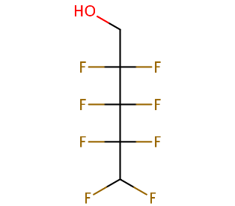
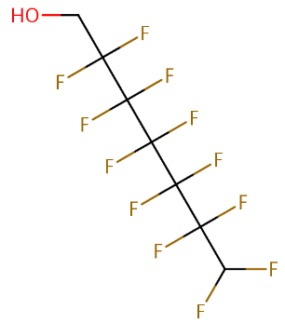
 |  |  |  |  | T1h | 9.071 |  |  | T1h | 9.573

 |  |  |  |  | T5h | 9.038 |  |  | T5h | 8.332

 |  |  |  |  | 3-(Perfluoro-2-butyl)propane-1,2-diol |  |  |  | Heptafluorobutanol
 |  |  |  |  | Sample Text | Avg. Measured Conc. (μM) | GC Date | Fraction Unbound (Fu) | Sample Text | Avg. Measured Conc. (μM) | GC Date | Fraction Unbound (Fu)
 |  |  |  |  | AF | 3.192 | 2020-01-29 | 0.3696 | AF | 3.203 | 2020-01-29 | 0.5105

 |  |  |  |  | T1h | 9.031 |  |  | T1h | 7.721

 |  |  |  |  | T5h | 8.688 |  |  | T5h | 6.285

 |  |  |  |  | 3-(Perfluoropropyl)propanol |  |  |  | Perfluorooctanamidine
 |  |  |  |  | Sample Text | Avg. Measured Conc. (μM) | GC Date | Fraction Unbound (Fu) | Sample Text | Avg. Measured Conc. (μM) | GC Date | Fraction Unbound (Fu)
 |  |  |  |  | AF | 1.512 | 2020-01-29 | 0.2033 | AF | 0.132 | 2020-01-29 | 0.0253

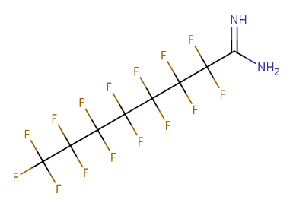
 |  |  |  |  | T1h | 8.381 |  |  | T1h | 7.765

 |  |  |  |  | T5h | 7.456 |  |  | T5h | 5.232

 |  |  |  |  | 4-nitrotoluene
 |  |  |  |  | Sample Text | Avg. Measured Conc. (μM) | GC Date | Fraction Unbound (Fu)
 |  |  |  |  | AF | 0.464 | 2020-01-29 | 0.0602
 |  |  |  |  |  |  | 2020-01-29 | 0.0534
 |  |  |  |  |  |  | 2020-01-17 | 0.0607
 |  |  |  |  |  |  | 2020-02-13 | 0.0782
 |  |  |  |  | T1h | 9.136

 |  |  |  |  | T5h | 7.419

