Executive Summary
Executive Summary

 |  | Quantitative Limits |  |  | Plasma Protein Binding
DTXSID | Name | Sample ID | LOD (nM) | eLOQ (nM) | 1H,1H,2H,2H-Perfluorohexyl iodide |  |  |  | Hexafluoroamylene
DTXSID10379991 | 1H,1H,2H,2H-Perfluorohexyl iodide | 763 | 4.66 | 20 | Sample Text | Avg. Measured Conc. (μM) | GC Date | Fraction Unbound (Fu) | Sample Text | Avg. Measured Conc. (μM) | GC Date | Fraction Unbound (Fu)
DTXSID0059871 | Hexafluoroamylene | 945 | 9.28 | 31.25 | AF | 0.778 | 2021-04-20 | 0.0980 | AF | 5.842 | 2021-04-20 | 0.6770
DTXSID40379666 | 1H,1H,10H,10H-Perfluorodecane-1,10-diol | 274 | 11.46 | 5
 |  |  | 0.66* | 1.75*
DTXSID80382093 | tris(Trifluoroethoxy)methane | 964 | 0.35 | 1.75 | T1h | 8.795 |  |  | T1h | 5.842 |  | 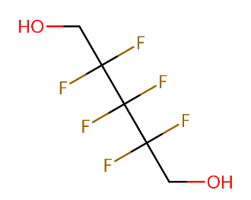
DTXSID0059879 | 1H,1H,11H,11H-Perfluorotetraethylene glycol | 464 | 0.52 | 1.75
DTXSID9059832 | 1H,1H,7H-Perfluoroheptyl 4-methylbenzenesulfonate | 477 | 0.32 | 5
DTXSID30396867 | 1H,1H,8H,8H-Perfluorooctane-1,8-diol | 479 | 0.3 | 1.75 | T5h | 7.915 |  |  | T5h | 8.745
 |  |  | 0.97* | 3*
DTXSID4059914 | 4-nitrotoluene | 4NT | ** | **
*from "UC_959_949_final-ak"
**couldn't be derived as not in CC |  |  |  |  | 1H,1H,10H,10H-Perfluorodecane-1,10-diol |  |  |  | tris(Trifluoroethoxy)methane
stability>1 though NS |  |  |  |  | Sample Text | Avg. Measured Conc. (μM) | GC Date | Fraction Unbound (Fu) | Sample Text | Avg. Measured Conc. (μM) | GC Date | Fraction Unbound (Fu)
 |  |  |  |  | AF | 0.041 | 2021-04-20 | 0.0047 | AF | 0.481 | 2021-04-20 | 0.1728

 |  |  |  |  | T1h | 8.533 |  |  | T1h | 4.216 |  | 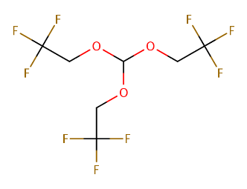

 |  |  |  |  | T5h | 8.823 |  |  | T5h | 2.788

 |  |  |  |  | 1H,1H,11H,11H-Perfluorotetraethylene glycol |  |  |  | 1H,1H,7H-Perfluoroheptyl 4-methylbenzenesulfonate
 |  |  |  |  | Sample Text | Avg. Measured Conc. (μM) | GC Date | Fraction Unbound (Fu) | Sample Text | Avg. Measured Conc. (μM) | GC Date | Fraction Unbound (Fu)
 |  |  |  |  | AF | 0.104 | 2021-04-20 | 0.0128 | AF | 0.280 | 2021-04-20 | 0.0291

 |  |  |  |  | T1h | 7.840 |  |  | T1h | 9.423

 |  |  |  |  | T5h | 8.220 |  |  | T5h | 9.470

 |  |  |  |  | 1H,1H,8H,8H-Perfluorooctane-1,8-diol
 |  |  |  |  | Sample Text | Avg. Measured Conc. (μM) | GC Date | Fraction Unbound (Fu)
 |  |  |  |  | AF | 0.448 | 2021-04-20 | 0.0556

 |  |  |  |  | T1h | 7.882

 |  |  |  |  | T5h | 8.129

