Executive Summary
Executive Summary

 |  | Quantitative Limits |  |  | Plasma Protein Binding
DTXSID | Name | Sample ID | LOD (nM) | eLOQ (nM) | 4-nitrotoluene |  |  |  |  | Perfluoropentanamide
DTXSID2060965 | Heptafluorobutyramide | 908 | 0.46 | 1.75 | Sample Text | Avg. Measured Conc. (μM) | GC Date | Fraction Unbound (Fu) | Avg Fu | Sample Text | Avg. Measured Conc. (μM) | GC Date | Fraction Unbound (Fu) | Avg Fu
DTXSID60400587 | Nonafluoropentanamide | 909 | 0.59 | 1.75 | AF | 0.366 | 2019-10-29 | 0.0608 | 0.0654 | AF | 2.868 | 2019-10-29 | 0.6015 | 0.5569
DTXSID70366226 | Perfluoropentanamide | 916 | 0.470 | 3; 1.75 on 11/1 CC |  |  | 2019-11-01 | 0.0693 |  |  |  | 2019-11-01 | 0.6189
DTXSID80310730 | Octafluoroadipamide | 923 | 7.910 | 5; 12.5 on 12/10 CC |  |  | 2019-12-10 | 0.0659 |  |  |  | 2019-12-10 | 0.4504
DTXSID60195123 | Perfluorooctanamide | 3117 | 0.600 | 1.75; 3 on 1st 12/10 CC | T1h | 6.075 |  |  |  | T1h | 5.720 |  | 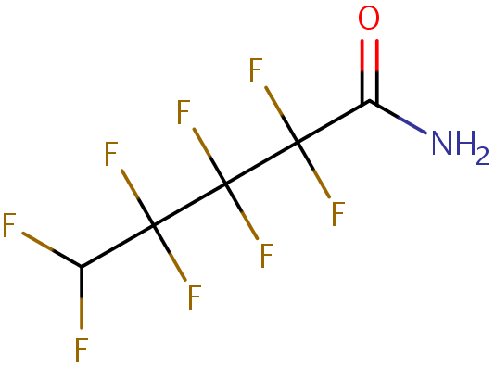
DTXSID5023792 | 4-nitrotoluene | 4NT | 0.360 | 12.5nM 10/29 & 11/1; 1.75 12/10

 |  |  |  |  | T5h | 5.629 |  |  |  | T5h | 5.292

 |  |  |  |  | Heptafluorobutyramide |  |  |  |  | Octafluoroadipamide
 |  |  |  |  | Sample Text | Avg. Measured Conc. (μM) | GC Date | Fraction Unbound (Fu) | Avg Fu | Sample Text | Avg. Measured Conc. (μM) | GC Date | Fraction Unbound (Fu) | Avg Fu
 |  |  |  |  | AF | 5.542 | 2019-10-29 | 0.6009 | 0.6030 | AF | 3.783 | 2019-10-29 | 0.6680 | 0.8118
 |  |  |  |  |  |  | 2019-11-01 | 0.6050 |  |  |  | 2019-11-01 | 0.8972
 |  |  |  |  |  |  | 2019-12-10 | N/A |  |  |  | 2019-12-10 | 0.8701
 |  |  |  |  | T1h | 10.072 |  |  |  | T1h | 5.051 |  | 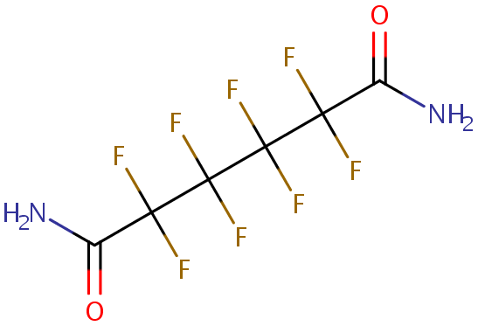

 |  |  |  |  | T5h | 9.244 |  |  |  | T5h | 4.428

 |  |  |  |  | Nonafluoropentanamide |  |  |  |  | Perfluorooctanamide
 |  |  |  |  | Sample Text | Avg. Measured Conc. (μM) | GC Date | Fraction Unbound (Fu) | Avg Fu | Sample Text | Avg. Measured Conc. (μM) | GC Date | Fraction Unbound (Fu) | Avg Fu
 |  |  |  |  | AF | 1.852 | 2019-10-29 | 0.1993 | 0.2031 | AF | 0.176 | 2019-10-29 | 0.0266 | 0.0282
 |  |  |  |  |  |  | 2019-11-01 | 0.2069 |  |  |  | 2019-11-01 | N/A
 |  |  |  |  |  |  | 2019-12-10 | N/A |  |  |  | 2019-12-10 | 0.0297
 |  |  |  |  | T1h | 9.985 |  | 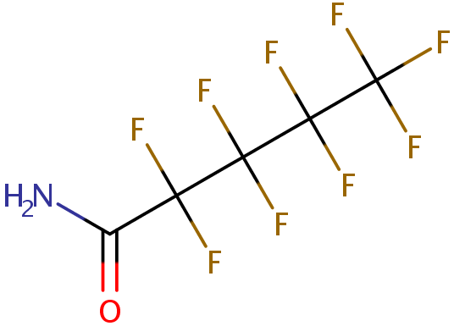 |  | T1h | 7.915 |  | 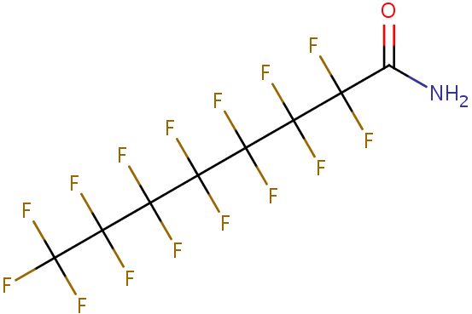

 |  |  |  |  | T5h | 9.393 |  |  |  | T5h | 6.406

