Executive SummaryAK
Executive Summary

 |  | Quantitative Limits |  |  | Plasma Protein Binding
DTXSID | Name | Sample ID | LOD (nM) | eLOQ (nM) | Bis(1H,1H-perfluoropropyl)amine |  |  |  | 1H,1H,8H,8H-Perfluoro-3,6-dioxaoctane-1,8-diol
DTXSID50381992 | Bis(1H,1H-perfluoropropyl)amine | 959 | 0.94 | 12.5 | Sample Text | Avg. Measured Conc. (μM) | GC Date | Fraction Unbound (Fu) | Sample Text | Avg. Measured Conc. (μM) | GC Date | Fraction Unbound (Fu)
DTXSID70381090 | 1H,1H,8H,8H-Perfluoro-3,6-dioxaoctane-1,8-diol | 949 | 0.53 | 1.75 | AF | 0.466 | 2020-10-13 | 0.0477 | AF | 1.858 | 2020-10-13 | 0.2069
DTXSID30396867 | 1H,1H,8H,8H-Perfluorooctane-1,8-diol | 479 | 0.970 | 3
DTXSID50369896 | 1H,1H,10H,10H-Perfluorodecane-1,10-diol | 274 | 0.660 | 1.75
DTXSID5023792 | 4-nitrotoluene | 4NT | 0.440 | 3 | T1h | 12.593 |  |  | T1h | 8.416

data for 274 & 479 can be found in UC_763_945_274_964_464_477_479
 |  |  |  |  | T5h | 9.987 |  |  | T5h | 8.950

 |  |  |  |  | 1H,1H,8H,8H-Perfluorooctane-1,8-diol |  |  |  | 1H,1H,10H,10H-Perfluorodecane-1,10-diol
 |  |  |  |  | Sample Text | Avg. Measured Conc. (μM) | GC Date | Fraction Unbound (Fu) | Sample Text | Avg. Measured Conc. (μM) | GC Date | Fraction Unbound (Fu)
 |  |  |  |  | AF | 0.474 | 2020-10-13 | 0.0584 | AF | 0.038 | 2020-10-13 | 0.0044

 |  |  |  |  | T1h | 7.579 |  | 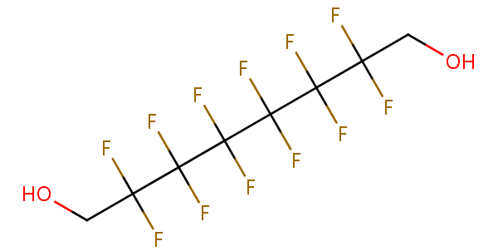 | T1h | 8.094

 |  |  |  |  | T5h | 8.153 |  |  | T5h | 8.696

