Data
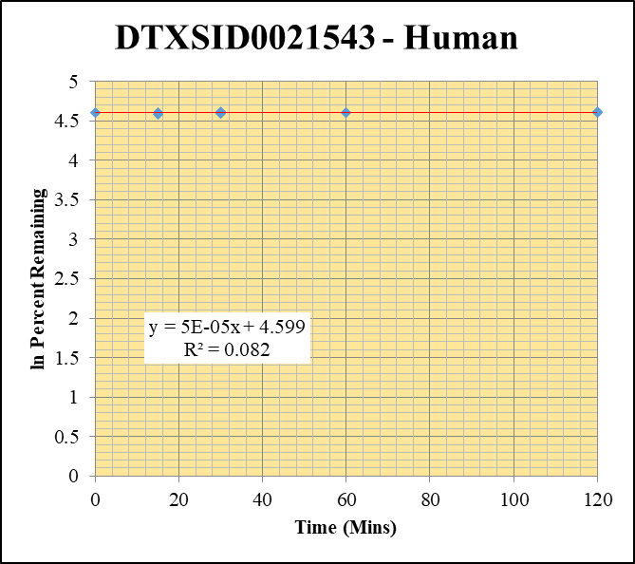
SampleName | CompoundName | Transition | Area | ISTD Area | ISTDResponseRatio | % Remaining | Time (mins) | ln % Remaining | Chart | Table
blank_Human_2_06 | DTXSID0021543 | 91 | 61924.39102 | 336156.13747 | 0.18421317988 |  |  |  | DTXSID0021543 - Human | Time (Mins) | % Remaining Replica 1 | % Remaining Replica 2 | % Remaining Replica 3 | Average
blank_Human_3_07 | DTXSID0021543 | 91 | 379187.20295 | 92612.788957 | 4.0943287339 |  |  |  | Time (Mins) | 120 | 99.7% | 100.9% | 99.8% | 100.1%
blank_Human_4_08 | DTXSID0021543 | 91 | 65389.241642 | 604783.42369 | 0.10812009569 |  |  |  | ln Percent Remaining | 60 | 100.0% | 99.7% | 99.4% | 99.7%
DTXSID0021543_10uM_Human__120_1_136 | DTXSID0021543 | 91 | 33657.342224 | 707320.11008 | 0.047584314011 | 99.652725711 | 120 | 4.6016913991 |  | 30 | 98.3% | 100.6% | 98.7% | 99.2%
DTXSID0021543_10uM_Human__120_2_137 | DTXSID0021543 | 91 | 36818.389051 | 709207.22256 | 0.051914853487 | 100.86731033 | 120 | 4.613805894 |  | 15 | 98.1% | 99.6% | 99.4% | 99.0%
DTXSID0021543_10uM_Human__120_3_138 | DTXSID0021543 | 91 | 38921.482628 | 710644.92985 | 0.054769239873 | 99.81161438 | 120 | 4.6032845531 |  | 0 | 100% | 100% | 100% | 100%
DTXSID0021543_10uM_Human__60_1_139 | DTXSID0021543 | 91 | 25859.663874 | 603158.64794 | 0.042873734733 | 99.984558032 | 60 | 4.6050157544
DTXSID0021543_10uM_Human__60_2_140 | DTXSID0021543 | 91 | 41545.424572 | 615139.29369 | 0.067538238896 | 99.749901009 | 60 | 4.6026660634 |  | Slope | 0.00005
DTXSID0021543_10uM_Human__60_3_141 | DTXSID0021543 | 91 | 38953.05149 | 642258.60111 | 0.060650104837 | 99.394563665 | 60 | 4.5990974207 |  | Intercept | 4.60
DTXSID0021543_10uM_Human__30_1_142 | DTXSID0021543 | 91 | 37928.621696 | 562696.07908 | 0.067405164362 | 98.256464576 | 30 | 4.5875810458 |  | R2 | 0.082
DTXSID0021543_10uM_Human__30_2_143 | DTXSID0021543 | 91 | 31815.29799 | 571396.13449 | 0.055679932134 | 100.59802593 | 30 | 4.6111326345 |  | T½ (mins)
DTXSID0021543_10uM_Human__30_3_144 | DTXSID0021543 | 91 | 38706.287336 | 552297.12132 | 0.070082362993 | 98.725660359 | 30 | 4.592344896 |  | CLint (µl/min/106 cells) | 0.00
DTXSID0021543_10uM_Human__15_1_145 | DTXSID0021543 | 91 | 38256.525151 | 549433.56204 | 0.069629028501 | 98.099806562 | 15 | 4.5859853947 |  | Comments
DTXSID0021543_10uM_Human__15_2_146 | DTXSID0021543 | 91 | 35875.257529 | 513245.80468 | 0.069898783783 | 99.581071092 | 15 | 4.6009720973
DTXSID0021543_10uM_Human__15_3_147 | DTXSID0021543 | 91 | 26924.381424 | 447472.5996 | 0.060169899673 | 99.428618163 | 15 | 4.5994399813
DTXSID0021543_10uM_Human__0_1_148 | DTXSID0021543 | 91 | 20981.409482 | 491891.75354 | 0.042654525778 | 100 | 0 | 4.605170186
DTXSID0021543_10uM_Human__0_2_149 | DTXSID0021543 | 91 | 33894.07974 | 529252.58058 | 0.064041406664 | 100 | 0 | 4.605170186
DTXSID0021543_10uM_Human__0_3_150 | DTXSID0021543 | 91 | 33678.960584 | 646270.41645 | 0.05211279942 | 100 | 0 | 4.605170186

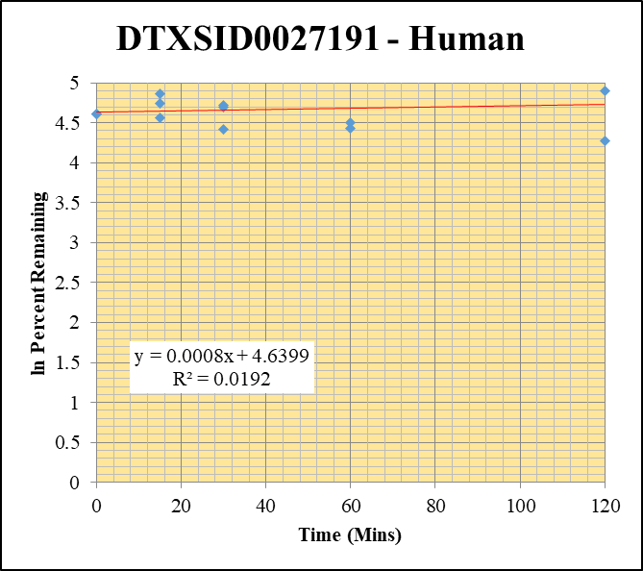
blank_Human_2_06 | DTXSID0027191 | 66 | 0 | 336156.13747 | 0 |  |  |  | DTXSID0027191 - Human | Time (Mins) | % Remaining Replica 1 | % Remaining Replica 2 | % Remaining Replica 3 | Average
blank_Human_3_07 | DTXSID0027191 | 66 | 0 | 92612.788957 | 0 |  |  |  | Time (Mins) | 120 | 71.4% | 149.4% | 133.5% | 118.1%
blank_Human_4_08 | DTXSID0027191 | 66 | 0 | 604783.42369 | 0 |  |  |  | ln Percent Remaining | 60 | 84.1% | 90.2% | 181.1% | 118.5%
DTXSID0027191_10uM_Human__120_1_208 | DTXSID0027191 | 66 | 26737.452409 | 545464.01095 | 0.049017812124 | 71.368969244 | 120 | 4.2678631705 |  | 30 | 108.9% | 83.3% | 112% | 101.4%
DTXSID0027191_10uM_Human__120_2_209 | DTXSID0027191 | 66 | 70566.73808 | 562843.77186 | 0.12537535566 | 149.43331819 | 120 | 5.0068502611 |  | 15 | 128.8% | 96.1% | 115% | 113.2%
DTXSID0027191_10uM_Human__120_3_210 | DTXSID0027191 | 66 | 44234.425394 | 540548.20266 | 0.081832527009 | 133.54271376 | 120 | 4.8944213799 |  | 0 | 100% | 100% | 100% | 100%
DTXSID0027191_10uM_Human__60_1_211 | DTXSID0027191 | 66 | 33371.236909 | 577466.27022 | 0.057789066876 | 84.139743448 | 60 | 4.4324790291
DTXSID0027191_10uM_Human__60_2_212 | DTXSID0027191 | 66 | 40839.576578 | 539863.09287 | 0.075648024688 | 90.163934399 | 60 | 4.5016295067 |  | Slope | 0.00076
DTXSID0027191_10uM_Human__60_3_213 | DTXSID0027191 | 66 | 62142.550733 | 560090.38729 | 0.11095093246 | 181.06111538 | 60 | 5.1988346283 |  | Intercept | 4.64
DTXSID0027191_10uM_Human__30_1_214 | DTXSID0027191 | 66 | 39292.20678 | 525497.70247 | 0.074771414976 | 108.86570788 | 30 | 4.6901150849 |  | R2 | 0.019
DTXSID0027191_10uM_Human__30_2_215 | DTXSID0027191 | 66 | 35806.779401 | 512226.48911 | 0.06990419309 | 83.317933364 | 30 | 4.4226638125 |  | T½ (mins)
DTXSID0027191_10uM_Human__30_3_216 | DTXSID0027191 | 66 | 34779.106174 | 507108.1774 | 0.068583209113 | 111.92111741 | 30 | 4.7177943143 |  | CLint (µl/min/106 cells) | 0.00
DTXSID0027191_10uM_Human__15_1_217 | DTXSID0027191 | 66 | 49639.418592 | 561165.06132 | 0.088457785443 | 128.79279378 | 15 | 4.8582048632 |  | Comments
DTXSID0027191_10uM_Human__15_2_218 | DTXSID0027191 | 66 | 42243.381026 | 523794.39541 | 0.080648783944 | 96.124276806 | 15 | 4.5656419043
DTXSID0027191_10uM_Human__15_3_219 | DTXSID0027191 | 66 | 37382.658245 | 532429.74135 | 0.070211438885 | 114.57822981 | 15 | 4.7412578195
DTXSID0027191_10uM_Human__0_1_220 | DTXSID0027191 | 66 | 37567.039671 | 546968.70029 | 0.068682247542 | 100 | 0 | 4.605170186
DTXSID0027191_10uM_Human__0_2_221 | DTXSID0027191 | 66 | 43731.867446 | 521234.65798 | 0.083900536497 | 100 | 0 | 4.605170186
DTXSID0027191_10uM_Human__0_3_222 | DTXSID0027191 | 66 | 34028.229236 | 555307.55833 | 0.061278166893 | 100 | 0 | 4.605170186

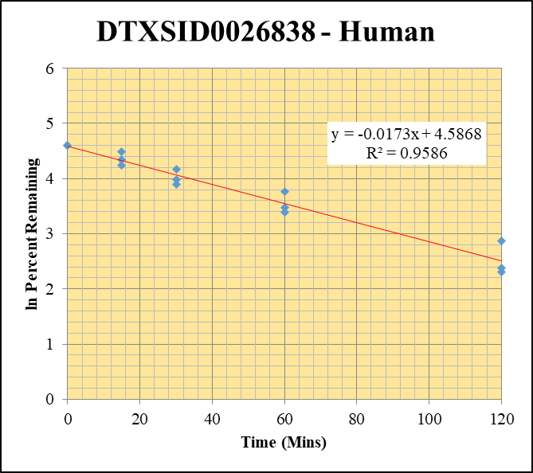
blank_Human_2_06 | DTXSID0026838 | 228 | NF | 336156.13747 | 0 |  |  |  | DTXSID0026838 - Human | Time (Mins) | % Remaining Replica 1 | % Remaining Replica 2 | % Remaining Replica 3 | Average
blank_Human_3_07 | DTXSID0026838 | 228 | NF | 92612.788957 | 0 |  |  |  | Time (Mins) | 120 | 10.1% | 10.81% | 17.69% | 12.9%
blank_Human_4_08 | DTXSID0026838 | 228 | NF | 604783.42369 | 0 |  |  |  | ln Percent Remaining | 60 | 29.7% | 32.3% | 43.1% | 35.0%
DTXSID0026838_10uM_Human__120_1_190 | DTXSID0026838 | 228 | 20916.873866 | 596014.17166 | 0.035094591473 | 10.07649403 | 120 | 2.3102053876 |  | 30 | 53% | 49.0% | 64.2% | 55.5%
DTXSID0026838_10uM_Human__120_2_191 | DTXSID0026838 | 228 | 22184.226631 | 589027.76555 | 0.037662446371 | 10.8137864 | 120 | 2.3808218386 |  | 15 | 69% | 77.2% | 89.1% | 78.5%
DTXSID0026838_10uM_Human__120_3_192 | DTXSID0026838 | 228 | 35201.972131 | 571501.83937 | 0.061595553516 | 17.685552138 | 120 | 2.8727480429 |  | 0 | 100% | 100% | 100% | 100%
DTXSID0026838_10uM_Human__60_1_193 | DTXSID0026838 | 228 | 56343.12233 | 545121.25653 | 0.10335887962 | 29.676798893 | 60 | 3.3903655585
DTXSID0026838_10uM_Human__60_2_194 | DTXSID0026838 | 228 | 64276.890103 | 571622.2572 | 0.11244644395 | 32.286055302 | 60 | 3.4746354126 |  | Slope | -0.0173
DTXSID0026838_10uM_Human__60_3_195 | DTXSID0026838 | 228 | 72906.886541 | 485393.6951 | 0.15020155242 | 43.126447203 | 60 | 3.7641364331 |  | Intercept | 4.59
DTXSID0026838_10uM_Human__30_1_196 | DTXSID0026838 | 228 | 98931.427357 | 533927.2075 | 0.18529010316 | 53.201206793 | 30 | 3.9740810802 |  | R2 | 0.959
DTXSID0026838_10uM_Human__30_2_197 | DTXSID0026838 | 228 | 87987.71 | 515779.46004 | 0.17059172925 | 48.980953165 | 30 | 3.8914315116 |  | T½ (mins) | 40.0
DTXSID0026838_10uM_Human__30_3_198 | DTXSID0026838 | 228 | 114821.80409 | 513280.49606 | 0.22370186471 | 64.23013945 | 30 | 4.1624725624 |  | CLint (µl/min/106 cells) | 34.6
DTXSID0026838_10uM_Human__15_1_199 | DTXSID0026838 | 228 | 113429.40697 | 470307.58074 | 0.24118132817 | 69.2489102 | 15 | 4.2377074078 |  | Comments
DTXSID0026838_10uM_Human__15_2_200 | DTXSID0026838 | 228 | 120709.83066 | 448669.31001 | 0.26903964226 | 77.247696447 | 15 | 4.3470170959
DTXSID0026838_10uM_Human__15_3_201 | DTXSID0026838 | 228 | 142811.06516 | 460153.78108 | 0.31035508353 | 89.110344785 | 15 | 4.4898754308
DTXSID0026838_10uM_Human__0_1_202 | DTXSID0026838 | 228 | 163833.83305 | 516368.34007 | 0.31728094141 | 100 | 0 | 4.605170186
DTXSID0026838_10uM_Human__0_2_203 | DTXSID0026838 | 228 | 168642.32008 | 514780.93348 | 0.32760016758 | 100 | 0 | 4.605170186
DTXSID0026838_10uM_Human__0_3_204 | DTXSID0026838 | 228 | 220858.49873 | 552195.67878 | 0.39996419244 | 100 | 0 | 4.605170186

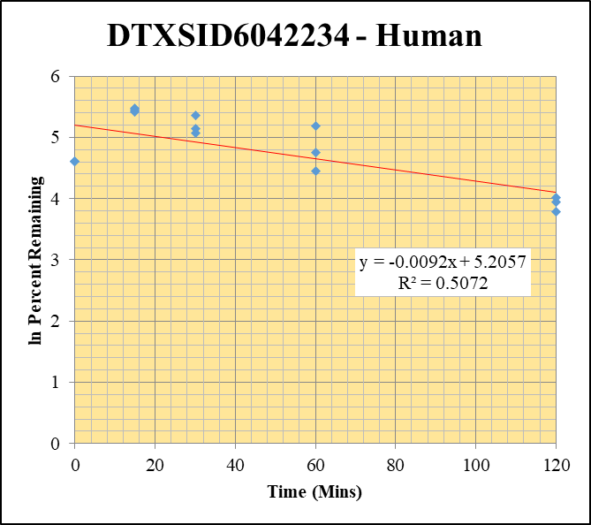
blank_Human_2_06 | DTXSID6042234 | 191 | 86045.585521 | 336156.13747 | 0.25596910462 |  |  |  | DTXSID6042234 - Human | Time (Mins) | % Remaining Replica 1 | % Remaining Replica 2 | % Remaining Replica 3 | Average
blank_Human_3_07 | DTXSID6042234 | 191 | 30810.310283 | 92612.788957 | 0.33267878691 |  |  |  | Time (Mins) | 120 | 55.6% | 51.3% | 43.9% | 50.3%
blank_Human_4_08 | DTXSID6042234 | 191 | 238042.52773 | 604783.42369 | 0.39359962328 |  |  |  | ln Percent Remaining | 60 | 180.0% | 115.3% | 86.2% | 127.2%
DTXSID6042234_10uM_Human__120_1_154 | DTXSID6042234 | 191 | 201227.43964 | 525041.43563 | 0.38326011241 | 55.622194642 | 120 | 4.0185823058 |  | 30 | 211% | 160.0% | 172.4% | 181%
DTXSID6042234_10uM_Human__120_2_155 | DTXSID6042234 | 191 | 244565.06319 | 620372.21824 | 0.39422310672 | 51.324970278 | 120 | 3.9381773838 |  | 15 | 237% | 230.2% | 226.7% | 231%
DTXSID6042234_10uM_Human__120_3_156 | DTXSID6042234 | 191 | 231522.13361 | 575167.39489 | 0.40253000374 | 43.868421818 | 120 | 3.7811947405 |  | 0 | 100% | 100% | 100% | 100%
DTXSID6042234_10uM_Human__60_1_157 | DTXSID6042234 | 191 | 260160.98315 | 511999.53547 | 0.50812738123 | 179.99289582 | 60 | 5.1929173824
DTXSID6042234_10uM_Human__60_2_158 | DTXSID6042234 | 191 | 253329.69027 | 530526.77082 | 0.47750595108 | 115.30737236 | 60 | 4.7476013659 |  | Slope | -0.00922
DTXSID6042234_10uM_Human__60_3_159 | DTXSID6042234 | 191 | 251158.24433 | 528759.15341 | 0.47499554893 | 86.189987721 | 60 | 4.4565540192 |  | Intercept | 5.21
DTXSID6042234_10uM_Human__30_1_160 | DTXSID6042234 | 191 | 286142.19543 | 530384.21033 | 0.53949983777 | 211.2405915 | 30 | 5.352997728 |  | R2 | 0.507
DTXSID6042234_10uM_Human__30_2_161 | DTXSID6042234 | 191 | 289728.60405 | 540832.53731 | 0.53570853094 | 160.02175376 | 30 | 5.075309767 |  | T½ (mins) | 75
DTXSID6042234_10uM_Human__30_3_162 | DTXSID6042234 | 191 | 306336.53445 | 492027.85123 | 0.62259998835 | 172.39441762 | 30 | 5.1497849773 |  | CLint (µl/min/106 cells) | 18.45
DTXSID6042234_10uM_Human__15_1_163 | DTXSID6042234 | 191 | 291710.05705 | 515668.1167 | 0.56569341327 | 237.33000134 | 15 | 5.4694515833 |  | Comments
DTXSID6042234_10uM_Human__15_2_164 | DTXSID6042234 | 191 | 314521.20222 | 501594.76353 | 0.62704243562 | 230.18941742 | 15 | 5.438902524
DTXSID6042234_10uM_Human__15_3_165 | DTXSID6042234 | 191 | 315898.87614 | 441468.10754 | 0.71556443319 | 226.68781827 | 15 | 5.423573821
DTXSID6042234_10uM_Human__0_1_166 | DTXSID6042234 | 191 | 263605.54529 | 616166.99314 | 0.42781510244 | 100 | 0 | 4.605170186
DTXSID6042234_10uM_Human__0_2_167 | DTXSID6042234 | 191 | 277313.68374 | 606042.73126 | 0.4575810738 | 100 | 0 | 4.605170186
DTXSID6042234_10uM_Human__0_3_168 | DTXSID6042234 | 191 | 318569.15814 | 638873.64106 | 0.49864188733 | 100 | 0 | 4.605170186

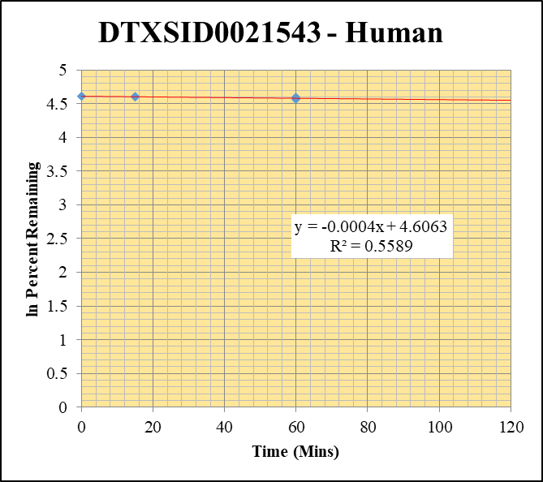
blank_Human_2_06 | DTXSID0021543 | 91 | 61924.39102 | 336156.13747 | 0.18421317988 |  |  |  | DTXSID0021543 - Human | Time (Mins) | % Remaining Replica 1 | % Remaining Replica 2 | % Remaining Replica 3 | Average
blank_Human_3_07 | DTXSID0021543 | 91 | 379187.20295 | 92612.788957 | 4.0943287339 |  |  |  | Time (Mins) | 120 | 97.61% | 97.21% | 100.37% | 98.40%
blank_Human_4_08 | DTXSID0021543 | 91 | 65389.241642 | 604783.42369 | 0.10812009569 |  |  |  | ln Percent Remaining | 60 | 99.5% | 95.6% | 97.61% | 97.6%
DTXSID0021543_1uM_Human__120_1_10 | DTXSID0021543 | 91 | 57108.136764 | 970893.83478 | 0.058820166241 | 97.60743597 | 120 | 4.5809536787 |  | 30 | 99.4% | 99.5% | 98.3% | 99.1%
DTXSID0021543_1uM_Human__120_2_11 | DTXSID0021543 | 91 | 54566.423709 | 873488.65773 | 0.062469527481 | 97.21474004 | 120 | 4.5769223465 |  | 15 | 99.3% | 99.7% | 100.0% | 99.6%
DTXSID0021543_1uM_Human__120_3_12 | DTXSID0021543 | 91 | 21273.11167 | 922471.64442 | 0.023060992497 | 100.36672802 | 120 | 4.6088307581 |  | 0 | 100% | 100% | 100% | 100%
DTXSID0021543_1uM_Human__60_1_13 | DTXSID0021543 | 91 | 22379.513746 | 709652.77754 | 0.031535864375 | 99.505077263 | 60 | 4.6002086706
DTXSID0021543_1uM_Human__60_2_14 | DTXSID0021543 | 91 | 55254.992008 | 646819.46407 | 0.085425679154 | 95.620402125 | 60 | 4.5603862086 |  | Slope | -0.0004
DTXSID0021543_1uM_Human__60_3_15 | DTXSID0021543 | 91 | 39697.577261 | 633547.54582 | 0.062659191915 | 97.605156964 | 60 | 4.5809303298 |  | Intercept | 4.61
DTXSID0021543_1uM_Human__30_1_16 | DTXSID0021543 | 91 | 19397.443113 | 590806.33481 | 0.032832151536 | 99.414919632 | 30 | 4.5993021993 |  | R2 | 0.559
DTXSID0021543_1uM_Human__30_2_17 | DTXSID0021543 | 91 | 19880.018222 | 681842.63587 | 0.029156314339 | 99.528390844 | 30 | 4.6004429386 |  | T½ (mins) | 1635.9
DTXSID0021543_1uM_Human__30_3_18 | DTXSID0021543 | 91 | 28718.364001 | 538039.41173 | 0.053375948629 | 98.252568622 | 30 | 4.5875413941 |  | CLint (µl/min/106 cells) | 0.8
DTXSID0021543_1uM_Human__15_1_19 | DTXSID0021543 | 91 | 21219.291268 | 607148.77309 | 0.034949080372 | 99.267685827 | 15 | 4.5978200984 |  | Comments
DTXSID0021543_1uM_Human__15_2_20 | DTXSID0021543 | 91 | 17343.314961 | 638114.97727 | 0.027178981184 | 99.665719489 | 15 | 4.6018217812
DTXSID0021543_1uM_Human__15_3_21 | DTXSID0021543 | 91 | 16360.965999 | 566850.70701 | 0.028862918925 | 99.962102751 | 15 | 4.6047911417
DTXSID0021543_1uM_Human__0_1_22 | DTXSID0021543 | 91 | 18118.804453 | 741969.9995 | 0.024419861268 | 100 | 0 | 4.605170186
DTXSID0021543_1uM_Human__0_2_23 | DTXSID0021543 | 91 | 16762.547641 | 749471.39645 | 0.022365827063 | 100 | 0 | 4.605170186
DTXSID0021543_1uM_Human__0_3_24 | DTXSID0021543 | 91 | 19143.412962 | 675979.6717 | 0.028319509836 | 100 | 0 | 4.605170186

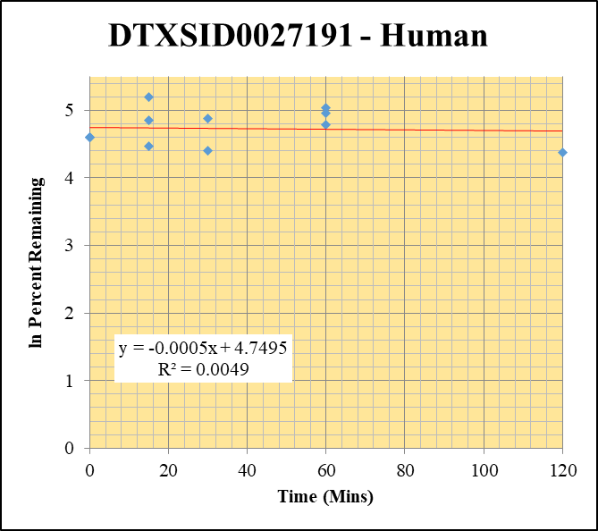
blank_Human_2_06 | DTXSID0027191 | 66 | 0 | 336156.13747 | 0 |  |  |  | DTXSID0027191 - Human | Time (Mins) | % Remaining Replica 1 | % Remaining Replica 2 | % Remaining Replica 3 | Average
blank_Human_3_07 | DTXSID0027191 | 66 | 0 | 92612.788957 | 0 |  |  |  | Time (Mins) | 120 | 79.9% | 119.6% | 99.3% | 99.6%
blank_Human_4_08 | DTXSID0027191 | 66 | 0 | 604783.42369 | 0 |  |  |  | ln Percent Remaining | 60 | 154.6% | 142.9% | 120.4% | 139.3%
DTXSID0027191_1uM_Human__120_1_82 | DTXSID0027191 | 66 | 16852.434174 | 746838.41428 | 0.022565033951 | 79.878358939 | 120 | 4.3805049643 |  | 30 | 81.5% | 126.0% | 130.8% | 112.8%
DTXSID0027191_1uM_Human__120_2_83 | DTXSID0027191 | 66 | 19588.174863 | 752260.47847 | 0.026039085427 | 119.5699349 | 120 | 4.7839014295 |  | 15 | 87.8% | 127.4% | 181.1% | 132.1%
DTXSID0027191_1uM_Human__120_3_84 | DTXSID0027191 | 66 | 17158.140493 | 755549.95257 | 0.022709472001 | 99.333812944 | 120 | 4.5984860261 |  | 0 | 100% | 100% | 100% | 100%
DTXSID0027191_1uM_Human__60_1_85 | DTXSID0027191 | 66 | 23784.99121 | 544633.88012 | 0.043671523344 | 154.59359045 | 60 | 5.0407996764
DTXSID0027191_1uM_Human__60_2_86 | DTXSID0027191 | 66 | 20458.396546 | 657315.02852 | 0.031124188035 | 142.92042428 | 60 | 4.9622880018 |  | Slope | -0.00051
DTXSID0027191_1uM_Human__60_3_87 | DTXSID0027191 | 66 | 19365.398786 | 703494.51697 | 0.027527433858 | 120.40812598 | 60 | 4.7908870222 |  | Intercept | 4.75
DTXSID0027191_1uM_Human__30_1_88 | DTXSID0027191 | 66 | 14396.410497 | 625425.72285 | 0.02301857754 | 81.483865833 | 30 | 4.4004050354 |  | R2 | 0.005
DTXSID0027191_1uM_Human__30_2_89 | DTXSID0027191 | 66 | 16738.360175 | 609978.75042 | 0.027440890627 | 126.00694118 | 30 | 4.8363369942 |  | T½ (mins) | 1352
DTXSID0027191_1uM_Human__30_3_90 | DTXSID0027191 | 66 | 18005.205399 | 602019.91461 | 0.029907989689 | 130.82094789 | 30 | 4.8738295783 |  | CLint (µl/min/106 cells) | 1.03
DTXSID0027191_1uM_Human__15_1_91 | DTXSID0027191 | 66 | 17123.539103 | 690038.22625 | 0.024815348558 | 87.844287033 | 15 | 4.4755657816 |  | Comments
DTXSID0027191_1uM_Human__15_2_92 | DTXSID0027191 | 66 | 18265.389467 | 658277.2193 | 0.027747260472 | 127.41377333 | 15 | 4.8474398482
DTXSID0027191_1uM_Human__15_3_93 | DTXSID0027191 | 66 | 27117.926097 | 654877.51511 | 0.041409157394 | 181.12836329 | 15 | 5.1992059694
DTXSID0027191_1uM_Human__0_1_94 | DTXSID0027191 | 66 | 17209.055425 | 609186.36737 | 0.028249245792 | 100 | 0 | 4.605170186
DTXSID0027191_1uM_Human__0_2_95 | DTXSID0027191 | 66 | 14176.522385 | 650977.49434 | 0.021777284941 | 100 | 0 | 4.605170186
DTXSID0027191_1uM_Human__0_3_96 | DTXSID0027191 | 66 | 9463.5530942 | 413946.57384 | 0.022861774181 | 100 | 0 | 4.605170186

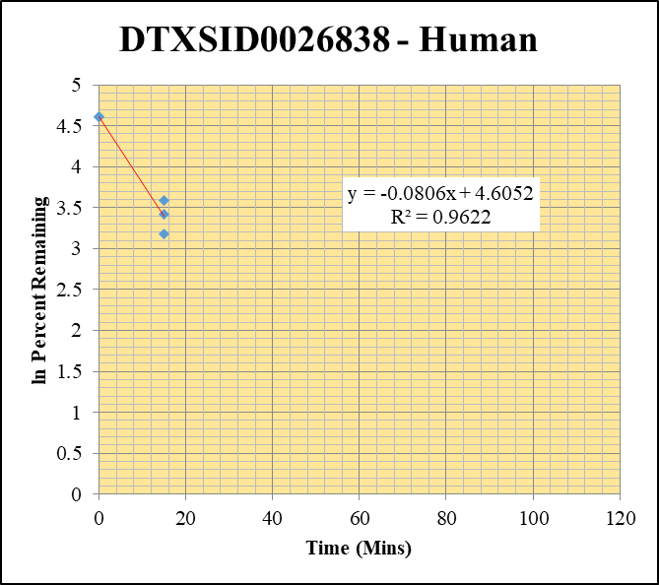
blank_Human_2_06 | DTXSID0026838 | 228 | NF | 336156.13747 | 0 |  |  |  | DTXSID0026838 - Human | Time (Mins) | % Remaining Replica 1 | % Remaining Replica 2 | % Remaining Replica 3 | Average
blank_Human_3_07 | DTXSID0026838 | 228 | NF | 92612.788957 | 0 |  |  |  | Time (Mins) | 120 | 0.0% | 0.0% | 0.0% | 0.0%
blank_Human_4_08 | DTXSID0026838 | 228 | NF | 604783.42369 | 0 |  |  |  | ln Percent Remaining | 60 | 0.0% | 0.0% | 0.0% | 0.0%
DTXSID0026838_1uM_Human__120_1_64 | DTXSID0026838 | 228 | NF | 680043.16651 | 0 | 0 | 120 | #NUM! |  | 30 | 0.0% | 0.0% | 0.0% | 0.0%
DTXSID0026838_1uM_Human__120_2_65 | DTXSID0026838 | 228 | NF | 721105.71582 | 0 | 0 | 120 | #NUM! |  | 15 | 24.0% | 36.2% | 30.5% | 30.3%
DTXSID0026838_1uM_Human__120_3_66 | DTXSID0026838 | 228 | NF | 730982.84124 | 0 | 0 | 120 | #NUM! |  | 0 | 100% | 100% | 100% | 100%
DTXSID0026838_1uM_Human__60_1_67 | DTXSID0026838 | 228 | NF | 631344.72593 | 0 | 0 | 60 | #NUM!
DTXSID0026838_1uM_Human__60_2_68 | DTXSID0026838 | 228 | NF | 578272.40215 | 0 | 0 | 60 | #NUM! |  | Slope | -0.08065
DTXSID0026838_1uM_Human__60_3_69 | DTXSID0026838 | 228 | NF | 581578.61149 | 0 | 0 | 60 | #NUM! |  | Intercept | 4.61
DTXSID0026838_1uM_Human__30_1_70 | DTXSID0026838 | 228 | NF | 533850.34584 | 0 | 0 | 30 | #NUM! |  | R2 | 0.962
DTXSID0026838_1uM_Human__30_2_71 | DTXSID0026838 | 228 | NF | 545476.15128 | 0 | 0 | 30 | #NUM! |  | T½ (mins) | 8.6
DTXSID0026838_1uM_Human__30_3_72 | DTXSID0026838 | 228 | NF | 476272.58808 | 0 | 0 | 30 | #NUM! |  | CLint (µl/min/106 cells) | 161.3
DTXSID0026838_1uM_Human__15_1_73 | DTXSID0026838 | 228 | 4294.3793352 | 561925.24461 | 0.0076422609171 | 23.971443515 | 15 | 3.1768632684 |  | Comments
DTXSID0026838_1uM_Human__15_2_74 | DTXSID0026838 | 228 | 5071.5898466 | 582204.41619 | 0.0087110123277 | 36.242343646 | 15 | 3.5902281492
DTXSID0026838_1uM_Human__15_3_75 | DTXSID0026838 | 228 | 4856.3180784 | 576864.93892 | 0.0084184663526 | 30.547561317 | 15 | 3.4192848565
DTXSID0026838_1uM_Human__0_1_76 | DTXSID0026838 | 228 | 18890.836176 | 592547.96095 | 0.03188068717 | 100 | 0 | 4.605170186
DTXSID0026838_1uM_Human__0_2_77 | DTXSID0026838 | 228 | 14292.074079 | 594624.64374 | 0.024035455358 | 100 | 0 | 4.605170186
DTXSID0026838_1uM_Human__0_3_78 | DTXSID0026838 | 228 | 16903.450105 | 613364.90154 | 0.027558554561 | 100 | 0 | 4.605170186

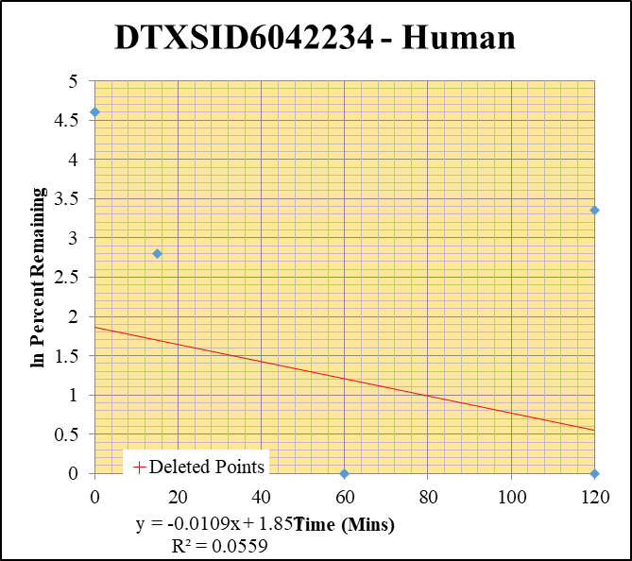
blank_Human_2_06 | DTXSID6042234 | 191 | 86045.585521 | 336156.13747 | 0.25596910462 |  |  |  | DTXSID6042234 - Human | Time (Mins) | % Remaining Replica 1 | % Remaining Replica 2 | % Remaining Replica 3 | Average
blank_Human_3_07 | DTXSID6042234 | 191 | 30810.310283 | 92612.788957 | 0.33267878691 |  |  |  | Time (Mins) | 120 | -28.7% | 28.5% | 149.63% | -0.1%
blank_Human_4_08 | DTXSID6042234 | 191 | 238042.52773 | 604783.42369 | 0.39359962328 |  |  |  | ln Percent Remaining | 60 | -201.9% | -7273.7% | 1510.39% | -3737.8%
DTXSID6042234_1uM_Human__120_1_28 | DTXSID6042234 | 191 | 244909.81516 | 677000.67938 | 0.36175711874 | -28.700120995 | 120 | #NUM! |  | 30 | -60.4% | -35.8% | 158.27% | -48.1%
DTXSID6042234_1uM_Human__120_2_29 | DTXSID6042234 | 191 | 186721.55543 | 609683.68067 | 0.30625972344 | 28.526024091 | 120 | 3.3508167966 |  | 15 | 16.4% | -9.2% | -4.1% | 1.0%
DTXSID6042234_1uM_Human__120_3_30 | DTXSID6042234 | 191 | 301685.54493 | 771371.57133 | 0.39110275274 | 149.62733913 | 120 | 5.008 |  | 0 | 100% | 100% | 100% | 100%
DTXSID6042234_1uM_Human__60_1_31 | DTXSID6042234 | 191 | 335685.4483 | 589910.30969 | 0.56904489171 | -201.93723052 | 60 | #NUM!
DTXSID6042234_1uM_Human__60_2_274 | DTXSID6042234 | 191 | 633406.18338 | 110699.0554 | 5.7218752328 | -7273.6643699 | 60 | #NUM! |  | Slope | -0.00865
DTXSID6042234_1uM_Human__60_3_275 | DTXSID6042234 | 191 | 485087.39071 | 499938.79843 | 0.9702935484 | 1510.3900378 | 60 | 7.320 |  | Intercept | 4.23
DTXSID6042234_1uM_Human__30_1_34 | DTXSID6042234 | 191 | 214002.7871 | 535439.46136 | 0.39967690569 | -60.390915832 | 30 | #NUM! |  | R2 | 0.277
DTXSID6042234_1uM_Human__30_2_35 | DTXSID6042234 | 191 | 196863.85831 | 556152.70614 | 0.35397446805 | -35.810550229 | 30 | #NUM! |  | T½ (mins) | 80
DTXSID6042234_1uM_Human__30_3_36 | DTXSID6042234 | 191 | 175393.15693 | 444278.45269 | 0.39478204686 | 158.27154797 | 30 | 5.064 |  | CLint (µl/min/106 cells) | 17.29
DTXSID6042234_1uM_Human__15_1_37 | DTXSID6042234 | 191 | 181021.39677 | 588083.27861 | 0.30781592226 | 16.380284989 | 15 | 2.7960784769 |  | Comments | Points Deleted: (120,5.0080) (60,7.3200) (30,5.0640)
DTXSID6042234_1uM_Human__15_2_38 | DTXSID6042234 | 191 | 182281.63393 | 545321.43614 | 0.33426456738 | -9.2345410767 | 15 | #NUM!
DTXSID6042234_1uM_Human__15_3_39 | DTXSID6042234 | 191 | 175056.25871 | 537526.74366 | 0.3256698588 | -4.1020398635 | 15 | #NUM!
DTXSID6042234_1uM_Human__0_1_40 | DTXSID6042234 | 191 | 125773.80136 | 605379.34028 | 0.20776031323 | 100 | 0 | 4.605170186
DTXSID6042234_1uM_Human__0_2_41 | DTXSID6042234 | 191 | 141488.22984 | 558686.46943 | 0.25325157773 | 100 | 0 | 4.605170186
DTXSID6042234_1uM_Human__0_3_42 | DTXSID6042234 | 191 | 199729.31543 | 539838.83161 | 0.36997952673 | 100 | 0 | 4.605170186

Control
Midazolam-1uM - Human
SampleName | CompoundName | Transition | Area | ISTD Area | ISTDResponseRatio | % Remaining | Time (mins) | ln % Remaining | Chart |  |  | Table
Blank_1uM_Human__120_1_____5P1_Inj 2021April16_EPA_3 | Midazolam | 326.121 > 291.203 | 0.019 | 23900.385 | 7.9496627356E-07 |  |  |  | Midazolam-1uM - Human |  |  | Time (Mins) | % Remaining Replica 1 | % Remaining Replica 2 | % Remaining Replica 3 | Average
Blank_1uM_Human__120_2_____5P1_Inj 2021April16_EPA_4 | Midazolam | 326.121 > 291.203 | 0.772 | 22970.811 | 3.3607868699E-05 |  |  |  | Time (Mins) |  |  | 120 | 0.68% | 0.47% | 0.53%
Blank_1uM_Human__120_3_____5P1_Inj 2021April16_EPA_5 | Midazolam | 326.121 > 291.203 | 0.024 | 23638.439 | 1.0152954685E-06
Midazolam_1uM_Human__120_1_____5P1_Inj 2021April16_EPA_16 | Midazolam | 326.121 > 291.203 | 380.044 | 22322.879 | 0.017024865 | 0.68226359348 | 120 | -0.382 | ln Percent Remaining | 60 | 1.6362154676 | 60 | 5.14% | 4.83% | 4.28% | 4.75%
Midazolam_1uM_Human__120_2_____5P1_Inj 2021April16_EPA_17 | Midazolam | 326.121 > 291.203 | 256.502 | 21369.229 | 0.012003334 | 0.46973769268 | 120 | -0.756 |  | 60 | 1.5739513167 | 30 | 18.2% | 20.3% | 19.1% | 19.2%
Midazolam_1uM_Human__120_3_____5P1_Inj 2021April16_EPA_18 | Midazolam | 326.121 > 291.203 | 334.477 | 23001.602 | 0.014541465 | 0.52784076709 | 120 | -0.639 |  | 60 | 1.4534320511 | 15 | 68.2% | 67.9% | 56.7% | 64.3%
Midazolam_1uM_Human__60_1_____5P2_Inj 2021April16_EPA_19 | Midazolam | 326.121 > 291.203 | 2009.112 | 15686.807 | 0.128076542 | 5.1356964774 | 60 | 1.6362154676 |  | 30 | 3.01078647 | 0 | 100% | 100% | 100% | 100%
Midazolam_1uM_Human__60_2_____5P2_Inj 2021April16_EPA_20 | Midazolam | 326.121 > 291.203 | 2378.755 | 19307.703 | 0.123202382 | 4.8256783556 | 60 | 1.5739513167 |  | 30 | 2.9480709891
Midazolam_1uM_Human__60_3_____5P2_Inj 2021April16_EPA_21 | Midazolam | 326.121 > 291.203 | 2090.435 | 17751.012 | 0.117764272 | 4.2777708784 | 60 | 1.4534320511 |  | 15 | 4.2225525991 | Slope | -0.0527
Midazolam_1uM_Human__30_1_____5P3_Inj 2021April16_EPA_22 | Midazolam | 326.121 > 291.203 | 8780.201 | 19350.303 | 0.453750052 | 18.195968578 | 30 | 2.9012000628 |  | 15 | 4.218674678 | Intercept | 4.72
Midazolam_1uM_Human__30_2_____5P3_Inj 2021April16_EPA_23 | Midazolam | 326.121 > 291.203 | 10967.168 | 21159.117 | 0.518318794 | 20.303361632 | 30 | 3.01078647 |  | 15 | 4.0374582081 | R2 | 0.983
Midazolam_1uM_Human__30_3_____5P3_Inj 2021April16_EPA_24 | Midazolam | 326.121 > 291.203 | 9831.64 | 18729.783 | 0.524920123 | 19.06913366 | 30 | 2.9480709891 |  | 0 | 4.605170186 | T½ (mins) | 13.1
Midazolam_1uM_Human__15_1_____5P4_Inj 2021April16_EPA_25 | Midazolam | 326.121 > 291.203 | 40368.078 | 23734.143 | 1.700844138 | 68.207368333 | 15 | 4.2225525991 |  | 0 | 4.605170186 | CLint (µl/min/106 cells) | 105.5
Midazolam_1uM_Human__15_2_____5P4_Inj 2021April16_EPA_26 | Midazolam | 326.121 > 291.203 | 36113.949 | 20821.201 | 1.73447963 | 67.943377742 | 15 | 4.218674678 |  | 0 | 4.605170186 | Comments
Midazolam_1uM_Human__15_3_____5P4_Inj 2021April16_EPA_27 | Midazolam | 326.121 > 291.203 | 33559.094 | 21508.426 | 1.56027661 | 56.682085481 | 15 | 4.0374582081
Midazolam_1uM_Human__0_1_____5P5_Inj 2021April16_EPA_28 | Midazolam | 326.121 > 291.203 | 58095.219 | 23297.436 | 2.493631445 | 100 | 0 | 4.605170186
Midazolam_1uM_Human__0_2_____5P5_Inj 2021April16_EPA_29 | Midazolam | 326.121 > 291.203 | 53600.918 | 20996.703 | 2.55282546 | 100 | 0 | 4.605170186
Midazolam_1uM_Human__0_3_____5P5_Inj 2021April16_EPA_30 | Midazolam | 326.121 > 291.203 | 56835.742 | 20647.486 | 2.752671294 | 100 | 0 | 4.605170186

