Data
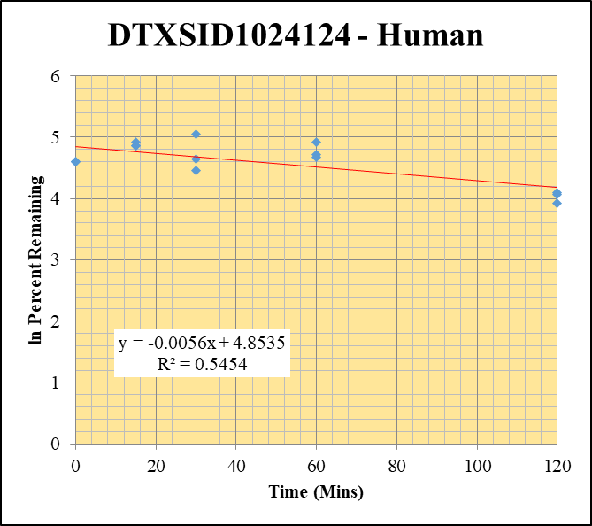
SampleName | CompoundName | Transition | Area | ISTD Area | ISTDResponseRatio | % Remaining | Time (mins) | ln % Remaining | Chart | Table
Blank_Human__30_1_____5P3_Inj 2021April16_EPA_9_1uM | DTXSID1024124 | 387.951 > 166.924 | 0.366 | 12948.121 | 2.8266649655E-05 |  |  |  | DTXSID1024124 - Human | Time (Mins) | % Remaining Replica 1 | % Remaining Replica 2 | % Remaining Replica 3 | Average
Blank_Human__30_2_____5P3_Inj 2021April16_EPA_10_1uM | DTXSID1024124 | 387.951 > 166.924 | 6.453 | 14433.353 | 0.00044708946009 |  |  |  | Time (Mins) | 120 | 50.5% | 58.6% | 60.2% | 56.4%
Blank_Human__30_3_____5P3_Inj 2021April16_EPA_11_1uM | DTXSID1024124 | 387.951 > 166.924 | 0.043 | 13537.443 | 3.1763753317E-06 |  |  |  | ln Percent Remaining | 60 | 111% | 108% | 136% | 118%
DTXSID1024124_Human__120_1_____5P1_Inj 2021April16_EPA_516_10uM | DTXSID1024124 | 387.951 > 166.924 | 22516.566 | 3648.918 | 6.1707514392 | 50.457770838 | 120 | 3.9211367654 |  | 30 | 86.8% | 104% | 155% | 115%
DTXSID1024124_Human__120_2_____5P1_Inj 2021April16_EPA_517_10uM | DTXSID1024124 | 387.951 > 166.924 | 28688.414 | 3551.307 | 8.0782692119 | 58.607890927 | 120 | 4.070869345 |  | 15 | 137% | 129% | 129% | 132%
DTXSID1024124_Human__120_3_____5P1_Inj 2021April16_EPA_518_10uM | DTXSID1024124 | 387.951 > 166.924 | 23698.49 | 3723.431 | 6.3646915976 | 60.155514117 | 120 | 4.096933111 |  | 0 | 100% | 100% | 100% | 100%
DTXSID1024124_Human__60_1_____5P2_Inj 2021April16_EPA_519_10uM | DTXSID1024124 | 387.951 > 166.924 | 41668.242 | 3065.161 | 13.594144647 | 111.15986841 | 60 | 4.7109694211
DTXSID1024124_Human__60_2_____5P2_Inj 2021April16_EPA_520_10uM | DTXSID1024124 | 387.951 > 166.924 | 47456.52 | 3201.294 | 14.824167977 | 107.55039278 | 60 | 4.6779595078 |  | Slope | -0.00563
DTXSID1024124_Human__60_3_____5P2_Inj 2021April16_EPA_521_10uM | DTXSID1024124 | 387.951 > 166.924 | 43458.152 | 3009.407 | 14.440769228 | 136.48800726 | 60 | 4.9162367519 |  | Intercept | 4.85
DTXSID1024124_Human__30_1_____5P3_Inj 2021April16_EPA_522_10uM | DTXSID1024124 | 387.951 > 166.924 | 39826.273 | 3750.672 | 10.618436643 | 86.827098671 | 30 | 4.4639187696 |  | R2 | 0.545
DTXSID1024124_Human__30_2_____5P3_Inj 2021April16_EPA_523_10uM | DTXSID1024124 | 387.951 > 166.924 | 47578.523 | 3316.951 | 14.34405362 | 104.0670915 | 30 | 4.6450358018 |  | T½ (mins) | 123
DTXSID1024124_Human__30_3_____5P3_Inj 2021April16_EPA_524_10uM | DTXSID1024124 | 387.951 > 166.924 | 44577.84 | 2716.216 | 16.411743396 | 155.11702237 | 30 | 5.0441798151 |  | CLint (µl/min/106 cells) | 11.3
DTXSID1024124_Human__15_1_____5P4_Inj 2021April16_EPA_525_10uM | DTXSID1024124 | 387.951 > 166.924 | 54226.965 | 3235.968 | 16.757571459 | 137.02764042 | 15 | 4.9201826604 |  | Comments
DTXSID1024124_Human__15_2_____5P4_Inj 2021April16_EPA_526_10uM | DTXSID1024124 | 387.951 > 166.924 | 56058.535 | 3162.325 | 17.726999913 | 128.61087151 | 15 | 4.8567913456
DTXSID1024124_Human__15_3_____5P4_Inj 2021April16_EPA_527_10uM | DTXSID1024124 | 387.951 > 166.924 | 43628.941 | 3185.175 | 13.697502021 | 129.46288423 | 15 | 4.8633942318
DTXSID1024124_Human__0_1_____5P5_Inj 2021April16_EPA_528_10uM | DTXSID1024124 | 387.951 > 166.924 | 37513.867 | 3067.52 | 12.22937976 | 100 | 0 | 4.605170186
DTXSID1024124_Human__0_2_____5P5_Inj 2021April16_EPA_529_10uM | DTXSID1024124 | 387.951 > 166.924 | 45881.09 | 3328.703 | 13.783473623 | 100 | 0 | 4.605170186
DTXSID1024124_Human__0_3_____5P5_Inj 2021April16_EPA_530_10uM | DTXSID1024124 | 387.951 > 166.924 | 37212.32 | 3517.136 | 10.580290327 | 100 | 0 | 4.605170186

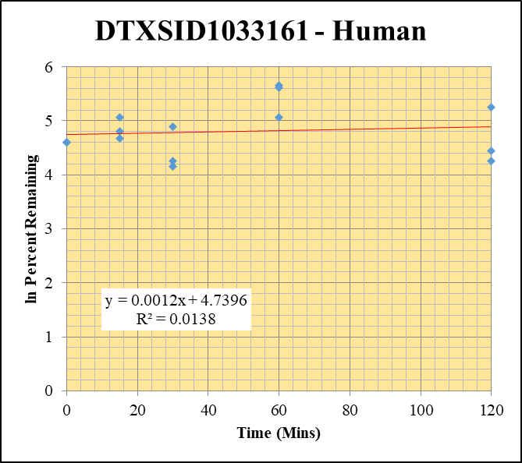
Blank_Human__30_1_____5P3_Inj 2021April16_EPA_9_1uM | DTXSID1033161 | 206.994 > 88.913 | 0.079 | 12948.121 | 6.1012713737E-06 |  |  |  | DTXSID1033161 - Human | Time (Mins) | % Remaining Replica 1 | % Remaining Replica 2 | % Remaining Replica 3 | Average
Blank_Human__30_2_____5P3_Inj 2021April16_EPA_10_1uM | DTXSID1033161 | 206.994 > 88.913 | 0.504 | 14433.353 | 3.4919121011E-05 |  |  |  | Time (Mins) | 120 | 190% | 84.9% | 70.3% | 115%
Blank_Human__30_3_____5P3_Inj 2021April16_EPA_11_1uM | DTXSID1033161 | 206.994 > 88.913 | -0.016 | 13537.443 | -1.1819071002E-06 |  |  |  | ln Percent Remaining | 60 | 287% | 274% | 158% | 240%
DTXSID1033161_Human__120_1_____5P1_Inj 2021April16_EPA_636_10uM | DTXSID1033161 | 206.994 > 88.913 | 1640.905 | 1041.521 | 1.5754891164 | 190.26407113 | 120 | 5.2484129553 |  | 30 | 133% | 63.6% | 70.7% | 89.2%
DTXSID1033161_Human__120_2_____5P1_Inj 2021April16_EPA_637_10uM | DTXSID1033161 | 206.994 > 88.913 | 715.57 | 1017.998 | 0.70291886625 | 84.920799865 | 120 | 4.4417190558 |  | 15 | 106% | 122% | 158% | 129%
DTXSID1033161_Human__120_3_____5P1_Inj 2021April16_EPA_638_10uM | DTXSID1033161 | 206.994 > 88.913 | 1386.886 | 1594.518 | 0.86978384691 | 70.313569974 | 120 | 4.2529648097 |  | 0 | 100% | 100% | 100% | 100%
DTXSID1033161_Human__60_1_____5P2_Inj 2021April16_EPA_639_10uM | DTXSID1033161 | 206.994 > 88.913 | 3161.028 | 1328.609 | 2.3792011043 | 287.32523275 | 60 | 5.6606147893
DTXSID1033161_Human__60_2_____5P2_Inj 2021April16_EPA_640_10uM | DTXSID1033161 | 206.994 > 88.913 | 2766.185 | 1221.33 | 2.2648956465 | 273.62938328 | 60 | 5.611774575 |  | Slope | 0.00124
DTXSID1033161_Human__60_3_____5P2_Inj 2021April16_EPA_641_10uM | DTXSID1033161 | 206.994 > 88.913 | 2374.176 | 1210.929 | 1.9606236204 | 158.49870938 | 60 | 5.0657464506 |  | Intercept | 4.74
DTXSID1033161_Human__30_1_____5P3_Inj 2021April16_EPA_642_10uM | DTXSID1033161 | 206.994 > 88.913 | 1489.191 | 1350.166 | 1.1029688201 | 133.19963818 | 30 | 4.8918490417 |  | R2 | 0.0138
DTXSID1033161_Human__30_2_____5P3_Inj 2021April16_EPA_643_10uM | DTXSID1033161 | 206.994 > 88.913 | 460.598 | 875.191 | 0.52628283426 | 63.580703266 | 30 | 4.1523100165 |  | T½ (mins) | >480
DTXSID1033161_Human__30_3_____5P3_Inj 2021April16_EPA_644_10uM | DTXSID1033161 | 206.994 > 88.913 | 805.125 | 920.496 | 0.87466431141 | 70.708114116 | 30 | 4.2585603346 |  | CLint (µl/min/106 cells) | 0.0
DTXSID1033161_Human__15_1_____5P4_Inj 2021April16_EPA_645_10uM | DTXSID1033161 | 206.994 > 88.913 | 1217.669 | 1381.624 | 0.88133167924 | 106.43338525 | 15 | 4.6675192988 |  | Comments
DTXSID1033161_Human__15_2_____5P4_Inj 2021April16_EPA_646_10uM | DTXSID1033161 | 206.994 > 88.913 | 1412.249 | 1399.949 | 1.0087860343 | 121.87382038 | 15 | 4.8029862503
DTXSID1033161_Human__15_3_____5P4_Inj 2021April16_EPA_647_10uM | DTXSID1033161 | 206.994 > 88.913 | 840.619 | 429.888 | 1.9554372302 | 158.07943374 | 15 | 5.0630976519
DTXSID1033161_Human__0_1_____5P5_Inj 2021April16_EPA_648_10uM | DTXSID1033161 | 206.994 > 88.913 | 763.869 | 922.48 | 0.82806022895 | 100 | 0 | 4.605170186
DTXSID1033161_Human__0_2_____5P5_Inj 2021April16_EPA_649_10uM | DTXSID1033161 | 206.994 > 88.913 | 407.827 | 492.704 | 0.82773226927 | 100 | 0 | 4.605170186
DTXSID1033161_Human__0_3_____5P5_Inj 2021April16_EPA_650_10uM | DTXSID1033161 | 206.994 > 88.913 | 477.323 | 385.871 | 1.237001485 | 100 | 0 | 4.605170186

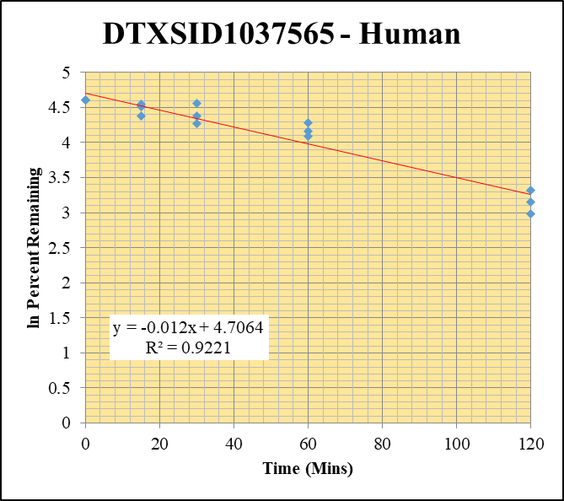
Blank_Human__30_1_____5P3_Inj 2021April16_EPA_9_1uM | DTXSID1037565 | 270.04 > 118.939 | 15.331 | 12948.121 | 0.0011840328029 |  |  |  | DTXSID1037565 - Human | Time (Mins) | % Remaining Replica 1 | % Remaining Replica 2 | % Remaining Replica 3 | Average
Blank_Human__30_2_____5P3_Inj 2021April16_EPA_10_1uM | DTXSID1037565 | 270.04 > 118.939 | 2.964 | 14433.353 | 0.00020535768785 |  |  |  | Time (Mins) | 120 | 19.8% | 27.6% | 23.5% | 23.6%
Blank_Human__30_3_____5P3_Inj 2021April16_EPA_11_1uM | DTXSID1037565 | 270.04 > 118.939 | 0.018 | 13537.443 | 1.3296454877E-06 |  |  |  | ln Percent Remaining | 60 | 60.0% | 72.5% | 64.3% | 65.6%
DTXSID1037565_Human__120_1_____5P1_Inj 2021April16_EPA_556_10uM | DTXSID1037565 | 270.04 > 118.939 | 25866.885 | 3571.836 | 7.2419016439 | 19.845398225 | 120 | 2.9879721528 |  | 30 | 95.7% | 71.6% | 80.2% | 82.5%
DTXSID1037565_Human__120_2_____5P1_Inj 2021April16_EPA_557_10uM | DTXSID1037565 | 270.04 > 118.939 | 28552.033 | 3029.373 | 9.4250635362 | 27.569070535 | 120 | 3.3166945115 |  | 15 | 79.5% | 90.7% | 94.6% | 88.3%
DTXSID1037565_Human__120_3_____5P1_Inj 2021April16_EPA_558_10uM | DTXSID1037565 | 270.04 > 118.939 | 22906.146 | 2942.417 | 7.7848061645 | 23.510724946 | 120 | 3.1574566977 |  | 0 | 100% | 100% | 100% | 100%
DTXSID1037565_Human__60_1_____5P2_Inj 2021April16_EPA_559_10uM | DTXSID1037565 | 270.04 > 118.939 | 60691.707 | 2771.097 | 21.901689836 | 60.021027946 | 60 | 4.0946949666
DTXSID1037565_Human__60_2_____5P2_Inj 2021April16_EPA_560_10uM | DTXSID1037565 | 270.04 > 118.939 | 59175.039 | 2387.066 | 24.789862953 | 72.514557934 | 60 | 4.2837873408 |  | Slope | -0.0120
DTXSID1037565_Human__60_3_____5P2_Inj 2021April16_EPA_561_10uM | DTXSID1037565 | 270.04 > 118.939 | 56505.566 | 2655.355 | 21.27985373 | 64.269253715 | 60 | 4.1630813476 |  | Intercept | 4.71
DTXSID1037565_Human__30_1_____5P3_Inj 2021April16_EPA_562_10uM | DTXSID1037565 | 270.04 > 118.939 | 89018.633 | 2550.151 | 34.907200789 | 95.663056708 | 30 | 4.5608321916 |  | R2 | 0.922
DTXSID1037565_Human__30_2_____5P3_Inj 2021April16_EPA_563_10uM | DTXSID1037565 | 270.04 > 118.939 | 81985.188 | 3351.368 | 24.463200699 | 71.558997511 | 30 | 4.2705222495 |  | T½ (mins) | 57.6
DTXSID1037565_Human__30_3_____5P3_Inj 2021April16_EPA_564_10uM | DTXSID1037565 | 270.04 > 118.939 | 92848.516 | 3497.138 | 26.549857626 | 80.186026472 | 30 | 4.3843492662 |  | CLint (µl/min/106 cells) | 24.1
DTXSID1037565_Human__15_1_____5P4_Inj 2021April16_EPA_565_10uM | DTXSID1037565 | 270.04 > 118.939 | 100192.516 | 3453.19 | 29.014481103 | 79.513865392 | 15 | 4.3759314139 |  | Comments
DTXSID1037565_Human__15_2_____5P4_Inj 2021April16_EPA_566_10uM | DTXSID1037565 | 270.04 > 118.939 | 107280.117 | 3461.657 | 30.990972531 | 90.654195481 | 15 | 4.5070522183
DTXSID1037565_Human__15_3_____5P4_Inj 2021April16_EPA_567_10uM | DTXSID1037565 | 270.04 > 118.939 | 112336.383 | 3586.977 | 31.317843131 | 94.586574036 | 15 | 4.5495155425
DTXSID1037565_Human__0_1_____5P5_Inj 2021April16_EPA_568_10uM | DTXSID1037565 | 270.04 > 118.939 | 151092.688 | 4140.692 | 36.48971911 | 100 | 0 | 4.605170186
DTXSID1037565_Human__0_2_____5P5_Inj 2021April16_EPA_569_10uM | DTXSID1037565 | 270.04 > 118.939 | 152382.953 | 4457.483 | 34.185874181 | 100 | 0 | 4.605170186
DTXSID1037565_Human__0_3_____5P5_Inj 2021April16_EPA_570_10uM | DTXSID1037565 | 270.04 > 118.939 | 145986.547 | 4409.109 | 33.110215012 | 100 | 0 | 4.605170186

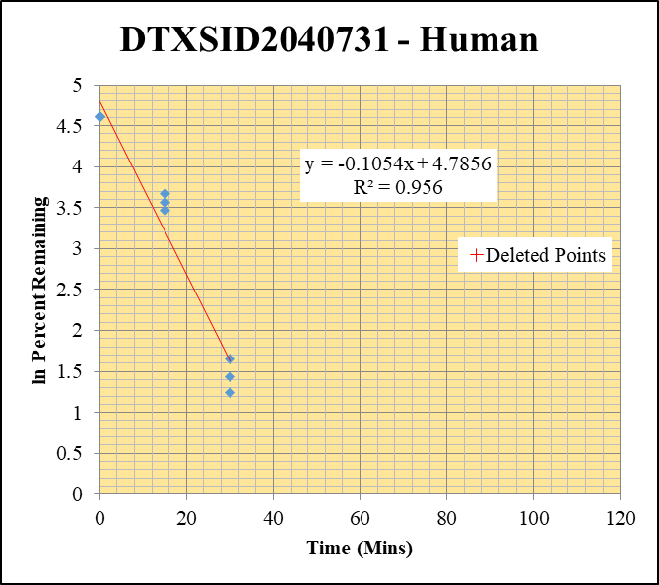
Blank_Human__120_1_____5P1_Inj 2021April16_EPA_3 | DTXSID2040731 | 251.08 > 148.896 | 509.661 | 23900.385 | 0 |  |  |  | DTXSID2040731 - Human | Time (Mins) | % Remaining Replica 1 | % Remaining Replica 2 | % Remaining Replica 3 | Average
Blank_Human__120_2_____5P1_Inj 2021April16_EPA_4 | DTXSID2040731 | 251.08 > 148.896 | 291.884 | 22970.811 | 0 |  |  |  | Time (Mins) | 120 | 0.25% | 0.20% | 0.28%
Blank_Human__120_3_____5P1_Inj 2021April16_EPA_5 | DTXSID2040731 | 251.08 > 148.896 | 528.271 | 23638.439 | 0 |  |  |  | ln Percent Remaining | 60 | 0.24% | 0.15% | 0.26%
DTXSID2040731_Human__120_1_____5P1_Inj 2021April16_EPA_76_10uM | DTXSID2040731 | 251.08 > 148.896 | 1048.009 | 14829.884 | 0.070668725393 | 0.25484292578 | 120 | -1.367 |  | 30 | 5.20% | 4.20% | 3.48% | 4.30%
DTXSID2040731_Human__120_2_____5P1_Inj 2021April16_EPA_77_10uM | DTXSID2040731 | 251.08 > 148.896 | 1054.484 | 13410.88 | 0.078628993772 | 0.20332303814 | 120 | -1.593 |  | 15 | 39.4% | 31.9% | 35.3% | 35.5%
DTXSID2040731_Human__120_3_____5P1_Inj 2021April16_EPA_78_10uM | DTXSID2040731 | 251.08 > 148.896 | 894.02 | 14194.559 | 0.062983288174 | 0.27550567763 | 120 | -1.289 |  | 0 | 100% | 100% | 100% | 100%
DTXSID2040731_Human__60_1_____5P2_Inj 2021April16_EPA_79_10uM | DTXSID2040731 | 251.08 > 148.896 | 941.797 | 14135.957 | 0.066624212284 | 0.24025775323 | 60 | -1.426
DTXSID2040731_Human__60_2_____5P2_Inj 2021April16_EPA_80_10uM | DTXSID2040731 | 251.08 > 148.896 | 808.426 | 14036.602 | 0.057594138524 | 0.14892998959 | 60 | -1.904 |  | Slope | -0.1054
DTXSID2040731_Human__60_3_____5P2_Inj 2021April16_EPA_81_10uM | DTXSID2040731 | 251.08 > 148.896 | 996.967 | 16549.344 | 0.060242085729 | 0.26351492804 | 60 | -1.334 |  | Intercept | 4.79
DTXSID2040731_Human__30_1_____5P3_Inj 2021April16_EPA_82_10uM | DTXSID2040731 | 251.08 > 148.896 | 22589.373 | 15652.644 | 1.4431665986 | 5.2042936437 | 30 | 1.6494839856 |  | R2 | 0.956
DTXSID2040731_Human__30_2_____5P3_Inj 2021April16_EPA_83_10uM | DTXSID2040731 | 251.08 > 148.896 | 24862.615 | 15292.196 | 1.6258367994 | 4.2041753521 | 30 | 1.4360781629 |  | T½ (mins) | 6.6
DTXSID2040731_Human__30_3_____5P3_Inj 2021April16_EPA_84_10uM | DTXSID2040731 | 251.08 > 148.896 | 11813.706 | 14855.344 | 0.79524957483 | 3.4786334495 | 30 | 1.2466395297 |  | CLint (µl/min/106 cells) | 211
DTXSID2040731_Human__15_1_____5P4_Inj 2021April16_EPA_85_10uM | DTXSID2040731 | 251.08 > 148.896 | 200038.75 | 18327.787 | 10.914506481 | 39.359486813 | 15 | 3.6727370338 |  | Comments | Points Deleted: (120,-1.3670) (120,-1.5930) (120,-1.2890) (60,-1.4260) (60,-1.9040) (60,-1.3340)
DTXSID2040731_Human__15_2_____5P4_Inj 2021April16_EPA_86_10uM | DTXSID2040731 | 251.08 > 148.896 | 202650.438 | 16436.166 | 12.329544372 | 31.882392237 | 15 | 3.4620538899
DTXSID2040731_Human__15_3_____5P4_Inj 2021April16_EPA_87_10uM | DTXSID2040731 | 251.08 > 148.896 | 124508.672 | 15447.958 | 8.0598789821 | 35.25605736 | 15 | 3.5626373545
DTXSID2040731_Human__0_1_____5P5_Inj 2021April16_EPA_88_10uM | DTXSID2040731 | 251.08 > 148.896 | 461011 | 16624.807 | 27.730306884 | 100 | 0 | 4.605170186
DTXSID2040731_Human__0_2_____5P5_Inj 2021April16_EPA_89_10uM | DTXSID2040731 | 251.08 > 148.896 | 556110.563 | 14380.203 | 38.671954979 | 100 | 0 | 4.605170186
DTXSID2040731_Human__0_3_____5P5_Inj 2021April16_EPA_90_10uM | DTXSID2040731 | 251.08 > 148.896 | 404587.938 | 17697.754 | 22.860976483 | 100 | 0 | 4.605170186

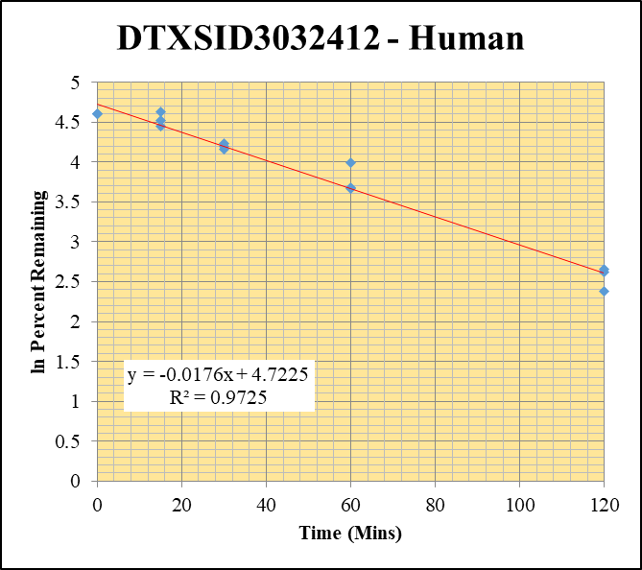
Blank_Human__30_1_____5P3_Inj 2021April16_EPA_9_1uM | DTXSID3032412 | 289.105 > 143.915 | 14.915 | 12948.121 | 0.0011519045891 |  |  |  | DTXSID3032412 - Human | Time (Mins) | % Remaining Replica 1 | % Remaining Replica 2 | % Remaining Replica 3 | Average
Blank_Human__30_2_____5P3_Inj 2021April16_EPA_10_1uM | DTXSID3032412 | 289.105 > 143.915 | 7.304 | 14433.353 | 0.00050605011878 |  |  |  | Time (Mins) | 120 | 13.7% | 10.8% | 14.2% | 12.9%
Blank_Human__30_3_____5P3_Inj 2021April16_EPA_11_1uM | DTXSID3032412 | 289.105 > 143.915 | 13.862 | 13537.443 | 0.0010239747639 |  |  |  | ln Percent Remaining | 60 | 53.9% | 39.4% | 39.0% | 44.1%
DTXSID3032412_Human__120_1_____5P1_Inj 2021April16_EPA_436_10uM | DTXSID3032412 | 289.105 > 143.915 | 27595.785 | 3595.418 | 7.6752647397 | 13.682548689 | 120 | 2.6161212026 |  | 30 | 64.0% | 69.1% | 66.5% | 66.5%
DTXSID3032412_Human__120_2_____5P1_Inj 2021April16_EPA_437_10uM | DTXSID3032412 | 289.105 > 143.915 | 26547.664 | 3791.29 | 7.0022773251 | 10.793044437 | 120 | 2.378901893 |  | 15 | 102% | 85.0% | 92.0% | 93.1%
DTXSID3032412_Human__120_3_____5P1_Inj 2021April16_EPA_438_10uM | DTXSID3032412 | 289.105 > 143.915 | 27866.602 | 3275.304 | 8.5080963477 | 14.245765422 | 120 | 2.6564596992 |  | 0 | 100% | 100% | 100% | 100%
DTXSID3032412_Human__60_1_____5P2_Inj 2021April16_EPA_439_10uM | DTXSID3032412 | 289.105 > 143.915 | 74927.914 | 2478.139 | 30.235557408 | 53.905038898 | 60 | 3.9872239596
DTXSID3032412_Human__60_2_____5P2_Inj 2021April16_EPA_440_10uM | DTXSID3032412 | 289.105 > 143.915 | 75039.805 | 2939.209 | 25.530612148 | 39.355562889 | 60 | 3.6726373343 |  | Slope | -0.0176
DTXSID3032412_Human__60_3_____5P2_Inj 2021April16_EPA_441_10uM | DTXSID3032412 | 289.105 > 143.915 | 71674.977 | 3077.239 | 23.291976021 | 39.002162728 | 60 | 3.6636170991 |  | Intercept | 4.72
DTXSID3032412_Human__30_1_____5P3_Inj 2021April16_EPA_442_10uM | DTXSID3032412 | 289.105 > 143.915 | 121833.602 | 3395.213 | 35.883934822 | 63.975466999 | 30 | 4.1584996817 |  | R2 | 0.973
DTXSID3032412_Human__30_2_____5P3_Inj 2021April16_EPA_443_10uM | DTXSID3032412 | 289.105 > 143.915 | 130298.727 | 2905.935 | 44.838830531 | 69.120317743 | 30 | 4.2358487215 |  | T½ (mins) | 39.4
DTXSID3032412_Human__30_3_____5P3_Inj 2021April16_EPA_444_10uM | DTXSID3032412 | 289.105 > 143.915 | 125825.938 | 3170.383 | 39.687929818 | 66.458064382 | 30 | 4.1965711379 |  | CLint (µl/min/106 cells) | 35.2
DTXSID3032412_Human__15_1_____5P4_Inj 2021April16_EPA_445_10uM | DTXSID3032412 | 289.105 > 143.915 | 181947.125 | 3172.878 | 57.3445071 | 102.23727818 | 15 | 4.6272963684 |  | Comments
DTXSID3032412_Human__15_2_____5P4_Inj 2021April16_EPA_446_10uM | DTXSID3032412 | 289.105 > 143.915 | 165607.578 | 3004.758 | 55.11511343 | 84.961812553 | 15 | 4.4422018915
DTXSID3032412_Human__15_3_____5P4_Inj 2021April16_EPA_447_10uM | DTXSID3032412 | 289.105 > 143.915 | 168785.531 | 3072.135 | 54.940792315 | 91.999798512 | 15 | 4.521786387
DTXSID3032412_Human__0_1_____5P5_Inj 2021April16_EPA_448_10uM | DTXSID3032412 | 289.105 > 143.915 | 209064.563 | 3727.329 | 56.089645695 | 100 | 0 | 4.605170186
DTXSID3032412_Human__0_2_____5P5_Inj 2021April16_EPA_449_10uM | DTXSID3032412 | 289.105 > 143.915 | 216528.484 | 3337.868 | 64.87029565 | 100 | 0 | 4.605170186
DTXSID3032412_Human__0_3_____5P5_Inj 2021April16_EPA_450_10uM | DTXSID3032412 | 289.105 > 143.915 | 238245.344 | 3989.486 | 59.718305566 | 100 | 0 | 4.605170186

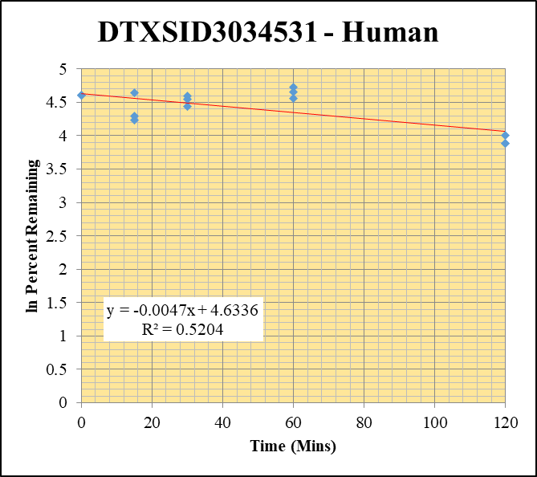
Blank_Human__120_1_____5P1_Inj 2021April16_EPA_3_1uM | DTXSID3034531 | 371.02 > 150.902 | 7.504 | 23900.385 | 0.00031396983772 |  |  |  | DTXSID3034531 - Human | Time (Mins) | % Remaining Replica 1 | % Remaining Replica 2 | % Remaining Replica 3 | Average
Blank_Human__120_2_____5P1_Inj 2021April16_EPA_4_1uM | DTXSID3034531 | 371.02 > 150.902 | 15.462 | 22970.811 | 0.00067311511117 |  |  |  | Time (Mins) | 120 | 48.5% | 48.9% | 54.9% | 50.8%
Blank_Human__120_3_____5P1_Inj 2021April16_EPA_5_1uM | DTXSID3034531 | 371.02 > 150.902 | 1.513 | 23638.439 | 6.4005918496E-05 |  |  |  | ln Percent Remaining | 60 | 96.0% | 106% | 113% | 105%
DTXSID3034531_Human__120_1_____5P1_Inj 2021April16_EPA_196_10uM | DTXSID3034531 | 371.02 > 150.902 | 60813.227 | 6343.116 | 9.5872796588 | 48.512241998 | 120 | 3.8818161784 |  | 30 | 99.5% | 85.1% | 94.6% | 93.0%
DTXSID3034531_Human__120_2_____5P1_Inj 2021April16_EPA_197_10uM | DTXSID3034531 | 371.02 > 150.902 | 49410.441 | 6258.128 | 7.8954027466 | 48.945338992 | 120 | 3.8907041447 |  | 15 | 68.8% | 73.5% | 104% | 81.9%
DTXSID3034531_Human__120_3_____5P1_Inj 2021April16_EPA_198_10uM | DTXSID3034531 | 371.02 > 150.902 | 46914.984 | 5584.597 | 8.4007823662 | 54.933873773 | 120 | 4.0061301669 |  | 0 | 100% | 100% | 100% | 100%
DTXSID3034531_Human__60_1_____5P2_Inj 2021April16_EPA_199_10uM | DTXSID3034531 | 371.02 > 150.902 | 92327.789 | 4867.663 | 18.967580336 | 95.978891898 | 60 | 4.5641282912
DTXSID3034531_Human__60_2_____5P2_Inj 2021April16_EPA_200_10uM | DTXSID3034531 | 371.02 > 150.902 | 76576.82 | 4498.671 | 17.022098304 | 105.52624388 | 60 | 4.6589596791 |  | Slope | -0.00474
DTXSID3034531_Human__60_3_____5P2_Inj 2021April16_EPA_201_10uM | DTXSID3034531 | 371.02 > 150.902 | 77116.695 | 4462.761 | 17.280041436 | 112.99899433 | 60 | 4.7273789189 |  | Intercept | 4.63
DTXSID3034531_Human__30_1_____5P3_Inj 2021April16_EPA_202_10uM | DTXSID3034531 | 371.02 > 150.902 | 90793.695 | 4617.76 | 19.661847952 | 99.492058375 | 30 | 4.6000778257 |  | R2 | 0.520
DTXSID3034531_Human__30_2_____5P3_Inj 2021April16_EPA_203_10uM | DTXSID3034531 | 371.02 > 150.902 | 68941.461 | 5024.578 | 13.720846009 | 85.060146271 | 30 | 4.4433586094 |  | T½ (mins) | 146
DTXSID3034531_Human__30_3_____5P3_Inj 2021April16_EPA_204_10uM | DTXSID3034531 | 371.02 > 150.902 | 72121.703 | 4987.328 | 14.460990534 | 94.564063083 | 30 | 4.549277521 |  | CLint (µl/min/106 cells) | 9.48
DTXSID3034531_Human__15_1_____5P4_Inj 2021April16_EPA_205_10uM | DTXSID3034531 | 371.02 > 150.902 | 75840.313 | 5579.295 | 13.593171359 | 68.783048387 | 15 | 4.2309573249 |  | Comments
DTXSID3034531_Human__15_2_____5P4_Inj 2021April16_EPA_206_10uM | DTXSID3034531 | 371.02 > 150.902 | 63400.703 | 5350.572 | 11.84933181 | 73.457703059 | 15 | 4.296709772
DTXSID3034531_Human__15_3_____5P4_Inj 2021April16_EPA_207_10uM | DTXSID3034531 | 371.02 > 150.902 | 77188.797 | 4875.174 | 15.833034267 | 103.53642036 | 15 | 4.6399234384
DTXSID3034531_Human__0_1_____5P5_Inj 2021April16_EPA_208_10uM | DTXSID3034531 | 371.02 > 150.902 | 102763.836 | 5200.013 | 19.762226748 | 100 | 0 | 4.605170186
DTXSID3034531_Human__0_2_____5P5_Inj 2021April16_EPA_209_10uM | DTXSID3034531 | 371.02 > 150.903 | 92246.047 | 5718.665 | 16.130696063 | 100 | 0 | 4.605170186
DTXSID3034531_Human__0_3_____5P5_Inj 2021April16_EPA_210_10uM | DTXSID3034531 | 371.02 > 150.904 | 104103.266 | 6807.584 | 15.292248469 | 100 | 0 | 4.605170186

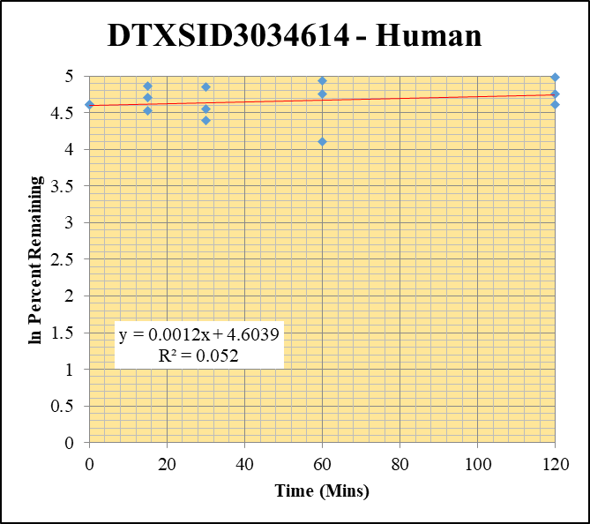
Blank_Human__30_1_____5P3_Inj 2021April16_EPA_9_1uM | DTXSID3034614 | 418.955 > 151.899 | 0.167 | 12948.121 | 1.2897624296E-05 |  |  |  | DTXSID3034614 - Human | Time (Mins) | % Remaining Replica 1 | % Remaining Replica 2 | % Remaining Replica 3 | Average
Blank_Human__30_2_____5P3_Inj 2021April16_EPA_10_1uM | DTXSID3034614 | 418.955 > 151.899 | 0.021 | 14433.353 | 1.4549633755E-06 |  |  |  | Time (Mins) | 120 | 116% | 146% | 100% | 121%
Blank_Human__30_3_____5P3_Inj 2021April16_EPA_11_1uM | DTXSID3034614 | 418.955 > 151.899 | -0.049 | 13537.443 | -3.6195904943E-06 |  |  |  | ln Percent Remaining | 60 | 140% | 117% | 60.8% | 106%
DTXSID3034614_Human__120_1_____5P1_Inj 2021April16_EPA_396_10uM | DTXSID3034614 | 418.955 > 151.899 | 5322.601 | 3576.701 | 1.4881313814 | 115.8645422 | 120 | 4.7524217691 |  | 30 | 80.6% | 127% | 94.6% | 101%
DTXSID3034614_Human__120_2_____5P1_Inj 2021April16_EPA_397_10uM | DTXSID3034614 | 418.955 > 151.899 | 4454.72 | 3214.114 | 1.3859869314 | 145.82539895 | 120 | 4.9824100085 |  | 15 | 130% | 111% | 91.9% | 111%
DTXSID3034614_Human__120_3_____5P1_Inj 2021April16_EPA_398_10uM | DTXSID3034614 | 418.955 > 151.899 | 4650.56 | 3214.792 | 1.4466130313 | 100.08661513 | 120 | 4.6060359624 |  | 0 | 100% | 100% | 100% | 100%
DTXSID3034614_Human__60_1_____5P2_Inj 2021April16_EPA_399_10uM | DTXSID3034614 | 418.955 > 151.899 | 5749.104 | 3203.269 | 1.7947615389 | 139.73854195 | 60 | 4.9397731191
DTXSID3034614_Human__60_2_____5P2_Inj 2021April16_EPA_400_10uM | DTXSID3034614 | 418.955 > 151.899 | 3534.911 | 3188.049 | 1.1088007117 | 116.66141876 | 60 | 4.7592758827 |  | Slope | 0.00116
DTXSID3034614_Human__60_3_____5P2_Inj 2021April16_EPA_401_10uM | DTXSID3034614 | 418.955 > 151.899 | 3199.018 | 3637.354 | 0.87949042078 | 60.849084708 | 60 | 4.1083967775 |  | Intercept | 4.60
DTXSID3034614_Human__30_1_____5P3_Inj 2021April16_EPA_402_10uM | DTXSID3034614 | 418.955 > 151.899 | 3841.341 | 3711.818 | 1.0348947605 | 80.575870444 | 30 | 4.3891992306 |  | R2 | 0.0520
DTXSID3034614_Human__30_2_____5P3_Inj 2021April16_EPA_403_10uM | DTXSID3034614 | 418.955 > 151.899 | 4051.209 | 3347.667 | 1.2101588957 | 127.32575869 | 30 | 4.8467488315 |  | T½ (mins) | >480
DTXSID3034614_Human__30_3_____5P3_Inj 2021April16_EPA_404_10uM | DTXSID3034614 | 418.955 > 151.899 | 4202.738 | 3075.112 | 1.3666942863 | 94.557274332 | 30 | 4.5492057285 |  | CLint (µl/min/106 cells) | 0.0
DTXSID3034614_Human__15_1_____5P4_Inj 2021April16_EPA_405_10uM | DTXSID3034614 | 418.955 > 151.899 | 4888.477 | 2929.951 | 1.6684500867 | 129.90402468 | 15 | 4.8667959061 |  | Comments
DTXSID3034614_Human__15_2_____5P4_Inj 2021April16_EPA_406_10uM | DTXSID3034614 | 418.955 > 151.899 | 3299.339 | 3135.621 | 1.052212305 | 110.70750383 | 15 | 4.7068916227
DTXSID3034614_Human__15_3_____5P4_Inj 2021April16_EPA_407_10uM | DTXSID3034614 | 418.955 > 151.899 | 3950.832 | 2975.944 | 1.3275894977 | 91.851730056 | 15 | 4.5201756472
DTXSID3034614_Human__0_1_____5P5_Inj 2021April16_EPA_408_10uM | DTXSID3034614 | 418.955 > 151.899 | 3941.272 | 3068.637 | 1.2843721822 | 100 | 0 | 4.605170186
DTXSID3034614_Human__0_2_____5P5_Inj 2021April16_EPA_409_10uM | DTXSID3034614 | 418.955 > 151.899 | 2977.619 | 3132.872 | 0.95044387386 | 100 | 0 | 4.605170186
DTXSID3034614_Human__0_3_____5P5_Inj 2021April16_EPA_410_10uM | DTXSID3034614 | 418.955 > 151.899 | 4255.042 | 2943.93 | 1.4453611329 | 100 | 0 | 4.605170186


Blank_Human__30_1_____5P3_Inj 2021April16_EPA_9_1uM | DTXSID3041794 | 336.065 > 237.88 | 0.479 | 12948.121 | 3.6993784658E-05 |  |  |  | DTXSID3041794 - Human | Time (Mins) | % Remaining Replica 1 | % Remaining Replica 2 | % Remaining Replica 3 | Average
Blank_Human__30_2_____5P3_Inj 2021April16_EPA_10_1uM | DTXSID3041794 | 336.065 > 237.88 | 0.083 | 14433.353 | 5.7505695316E-06 |  |  |  | Time (Mins) | 120 | 0.000883% | 0.000210% | 0.00% | 0.000546%
Blank_Human__30_3_____5P3_Inj 2021April16_EPA_11_1uM | DTXSID3041794 | 336.065 > 237.88 | 13.226 | 13537.443 | 0.00097699395669 |  |  |  | ln Percent Remaining | 60 | 0.00% | 0.00% | 0.00%
DTXSID3041794_Human__120_1_____5P1_Inj 2021April16_EPA_596_10uM | DTXSID3041794 | 336.065 > 237.88 | 4.068 | 1795.028 | 0.0022662599135 | 0.00088263026198 | 120 | -7.0326041744 |  | 30 | 0.000156% | 0.00440% | 0.000139% | 0.00157%
DTXSID3041794_Human__120_2_____5P1_Inj 2021April16_EPA_597_10uM | DTXSID3041794 | 336.065 > 237.88 | 1.125 | 1423.053 | 0.00079055383039 | 0.00020980808222 | 120 | -8.4693173393 |  | 15 | 0.00% | 0.163% | 0.00122% | 0.0820%
DTXSID3041794_Human__120_3_____5P1_Inj 2021April16_EPA_598_10uM | DTXSID3041794 | 336.065 > 237.88 | 0.123 | 2144.229 | 5.7363276031E-05 | -7.5892577994E-05 | 120 |  |  | 0 | 100% | 100% | 100% | 100%
DTXSID3041794_Human__60_1_____5P2_Inj 2021April16_EPA_599_10uM | DTXSID3041794 | 336.065 > 237.88 | 0.022 | 915.06 | 2.4042139313E-05 | -0.00014472831585 | 60
DTXSID3041794_Human__60_2_____5P2_Inj 2021April16_EPA_600_10uM | DTXSID3041794 | 336.065 > 237.88 | 0.157 | 825.323 | 0.00019022855294 | -6.968951869E-05 | 60 |  |  | Slope | -0.0780
DTXSID3041794_Human__60_3_____5P2_Inj 2021April16_EPA_601_10uM | DTXSID3041794 | 336.065 > 237.88 | 0.025 | 949.243 | 2.6336775725E-05 | -8.4226272239E-05 | 60 |  |  | Intercept | -0.518
DTXSID3041794_Human__30_1_____5P3_Inj 2021April16_EPA_602_10uM | DTXSID3041794 | 336.065 > 237.88 | 0.893 | 1310.584 | 0.00068137563102 | 0.00015645438325 | 30 | -8.7627460713 |  | R2 | 0.376
DTXSID3041794_Human__30_2_____5P3_Inj 2021April16_EPA_603_10uM | DTXSID3041794 | 336.065 > 237.88 | 13.081 | 1335.592 | 0.0097941586952 | 0.0044016788126 | 30 | -5.4257692625 |  | T½ (mins) | 8.88
DTXSID3041794_Human__30_3_____5P3_Inj 2021April16_EPA_604_10uM | DTXSID3041794 | 336.065 > 237.88 | 1.914 | 2227.621 | 0.00085921258598 | 0.0001394835332 | 30 | -8.8775640052 |  | CLint (µl/min/106 cells) | 156
DTXSID3041794_Human__15_1_____5P4_Inj 2021April16_EPA_605_10uM | DTXSID3041794 | 336.065 > 237.88 | 0.308 | 1695.338 | 0.0001816746867 | -7.2502882811E-05 | 15 |  |  | Comments
DTXSID3041794_Human__15_2_____5P4_Inj 2021April16_EPA_606_10uM | DTXSID3041794 | 336.065 > 237.88 | 630.616 | 1801.413 | 0.3500674193 | 0.16282505954 | 15 | -1.8150789089
DTXSID3041794_Human__15_3_____5P4_Inj 2021April16_EPA_607_10uM | DTXSID3041794 | 336.065 > 237.88 | 12.844 | 2639.273 | 0.0048664916437 | 0.0012158356223 | 15 | -6.7123236836
DTXSID3041794_Human__0_1_____5P5_Inj 2021April16_EPA_608_10uM | DTXSID3041794 | 336.065 > 237.88 | 337180.688 | 1544.921 | 218.25108727 | 100 | 0 | 4.605170186
DTXSID3041794_Human__0_2_____5P5_Inj 2021April16_EPA_609_10uM | DTXSID3041794 | 336.065 > 237.88 | 281118.969 | 1308.823 | 214.78761376 | 100 | 0 | 4.605170186
DTXSID3041794_Human__0_3_____5P5_Inj 2021April16_EPA_610_10uM | DTXSID3041794 | 336.065 > 237.88 | 424657.219 | 1140.625 | 372.3022194 | 100 | 0 | 4.605170186


Blank_Human__120_1_____5P1_Inj 2021April16_EPA_3_1uM | DTXSID4021971 | 157.969 > 79.863 | 205024.391 | 23900.385 | 8.5782882159 |  |  |  | DTXSID4021971 - Human | Time (Mins) | % Remaining Replica 1 | % Remaining Replica 2 | % Remaining Replica 3 | Average
Blank_Human__120_2_____5P1_Inj 2021April16_EPA_4_1uM | DTXSID4021971 | 157.969 > 79.863 | 223241.719 | 22970.811 | 9.7184953113 |  |  |  | Time (Mins) | 120 | 101% | 130% | 87.0% | 106%
Blank_Human__120_3_____5P1_Inj 2021April16_EPA_5_1uM | DTXSID4021971 | 157.969 > 79.863 | 195648.531 | 23638.439 | 8.2767111229 |  |  |  | ln Percent Remaining | 60 | 193% | 172% | 195% | 187%
DTXSID4021971_Human__120_1_____5P1_Inj 2021April16_EPA_116_10uM | DTXSID4021971 | 157.969 > 79.863 | 91883.375 | 6023.668 | 15.253724973 | 100.50669204 | 120 | 4.6102243127 |  | 30 | 154% | 144% | 185% | 161%
DTXSID4021971_Human__120_2_____5P1_Inj 2021April16_EPA_117_10uM | DTXSID4021971 | 157.969 > 79.863 | 85657.078 | 4723.662 | 18.133617096 | 130.20669947 | 120 | 4.8691231837 |  | 15 | 125% | 131% | 194% | 150%
DTXSID4021971_Human__120_3_____5P1_Inj 2021April16_EPA_118_10uM | DTXSID4021971 | 157.969 > 79.863 | 78278.367 | 5309.09 | 14.744215487 | 87.044802962 | 120 | 4.4664229627 |  | 0 | 100% | 100% | 100% | 100%
DTXSID4021971_Human__60_1_____5P2_Inj 2021April16_EPA_119_10uM | DTXSID4021971 | 157.969 > 79.863 | 88431.922 | 4179.456 | 21.158715871 | 193.29921725 | 60 | 5.2642393368
DTXSID4021971_Human__60_2_____5P2_Inj 2021April16_EPA_120_10uM | DTXSID4021971 | 157.969 > 79.863 | 81409.734 | 3859.214 | 21.094900153 | 171.77502715 | 60 | 5.1461856389 |  | Slope | -0.000666
DTXSID4021971_Human__60_3_____5P2_Inj 2021April16_EPA_121_10uM | DTXSID4021971 | 157.969 > 79.863 | 88286.797 | 4002.816 | 22.056171705 | 195.17023193 | 60 | 5.273872162 |  | Intercept | 4.94
DTXSID4021971_Human__30_1_____5P3_Inj 2021April16_EPA_122_10uM | DTXSID4021971 | 157.969 > 79.863 | 84576.617 | 4526.702 | 18.683937445 | 154.40992115 | 30 | 5.0396108917 |  | R2 | 0.0106
DTXSID4021971_Human__30_2_____5P3_Inj 2021April16_EPA_123_10uM | DTXSID4021971 | 157.969 > 79.863 | 72464.148 | 3796.676 | 19.086208041 | 143.57847507 | 30 | 4.9668817503 |  | T½ (mins) | 1040
DTXSID4021971_Human__30_3_____5P3_Inj 2021April16_EPA_124_10uM | DTXSID4021971 | 157.969 > 79.863 | 72566.578 | 3400.23 | 21.341667475 | 184.60451271 | 30 | 5.2182157677 |  | CLint (µl/min/106 cells) | 1.33
DTXSID4021971_Human__15_1_____5P4_Inj 2021April16_EPA_125_10uM | DTXSID4021971 | 157.969 > 79.863 | 61164.527 | 3640.64 | 16.800487552 | 124.81291165 | 15 | 4.8268159093 |  | Comments
DTXSID4021971_Human__15_2_____5P4_Inj 2021April16_EPA_126_10uM | DTXSID4021971 | 157.969 > 79.863 | 55549.734 | 3049.881 | 18.213738175 | 131.33138063 | 15 | 4.8777237522
DTXSID4021971_Human__15_3_____5P4_Inj 2021April16_EPA_127_10uM | DTXSID4021971 | 157.969 > 79.863 | 57039.652 | 2598.15 | 21.953948771 | 193.65861203 | 15 | 5.2660968771
DTXSID4021971_Human__0_1_____5P5_Inj 2021April16_EPA_128_10uM | DTXSID4021971 | 157.969 > 79.863 | 52128.488 | 3424.666 | 15.221480868 | 100 | 0 | 4.605170186
DTXSID4021971_Human__0_2_____5P5_Inj 2021April16_EPA_129_10uM | DTXSID4021971 | 157.969 > 79.863 | 52330.43 | 3274.392 | 15.981724241 | 100 | 0 | 4.605170186
DTXSID4021971_Human__0_3_____5P5_Inj 2021April16_EPA_130_10uM | DTXSID4021971 | 157.969 > 79.863 | 52947.688 | 3389.67 | 15.620307582 | 100 | 0 | 4.605170186

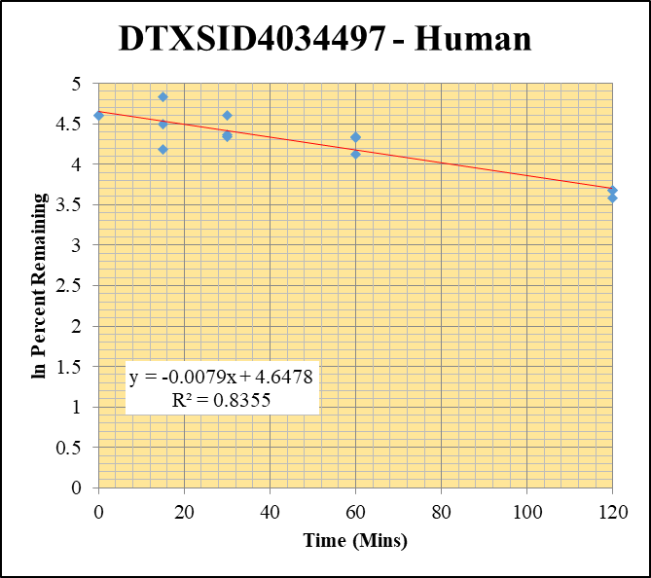
Blank_Human__120_1_____5P1_Inj 2021April16_EPA_3_1uM | DTXSID4034497 | 320.112 > 69.824 | 15.434 | 23900.385 | 0.00064576365611 |  |  |  | DTXSID4034497 - Human | Time (Mins) | % Remaining Replica 1 | % Remaining Replica 2 | % Remaining Replica 3 | Average
Blank_Human__120_2_____5P1_Inj 2021April16_EPA_4_1uM | DTXSID4034497 | 320.112 > 69.824 | 5.271 | 22970.811 | 0.00022946512424 |  |  |  | Time (Mins) | 120 | 36.2% | 39.8% | 39.7% | 38.6%
Blank_Human__120_3_____5P1_Inj 2021April16_EPA_5_1uM | DTXSID4034497 | 320.112 > 69.824 | 20.735 | 23638.439 | 0.00087717298084 |  |  |  | ln Percent Remaining | 60 | 61.4% | 77.1% | 75.5% | 71.3%
DTXSID4034497_Human__120_1_____5P1_Inj 2021April16_EPA_356_10uM | DTXSID4034497 | 320.112 > 69.824 | 95740.617 | 2857.74 | 33.502213987 | 36.158647277 | 120 | 3.5879161254 |  | 30 | 77.0% | 78.3% | 100.0% | 85.1%
DTXSID4034497_Human__120_2_____5P1_Inj 2021April16_EPA_357_10uM | DTXSID4034497 | 320.112 > 69.824 | 105816.648 | 3018.573 | 35.055189323 | 39.764146873 | 120 | 3.682965674 |  | 15 | 65.8% | 89.2% | 126% | 93.7%
DTXSID4034497_Human__120_3_____5P1_Inj 2021April16_EPA_358_10uM | DTXSID4034497 | 320.112 > 69.824 | 96088.477 | 3505.357 | 27.411894709 | 39.72831885 | 120 | 3.6820642546 |  | 0 | 100% | 100% | 100% | 100%
DTXSID4034497_Human__60_1_____5P2_Inj 2021April16_EPA_359_10uM | DTXSID4034497 | 320.112 > 69.824 | 200569 | 3524.188 | 56.912117061 | 61.425191971 | 60 | 4.1178200437
DTXSID4034497_Human__60_2_____5P2_Inj 2021April16_EPA_360_10uM | DTXSID4034497 | 320.112 > 69.824 | 196630.172 | 2894.119 | 67.941287832 | 77.068450949 | 60 | 4.3446940003 |  | Slope | -0.00791
DTXSID4034497_Human__60_3_____5P2_Inj 2021April16_EPA_361_10uM | DTXSID4034497 | 320.112 > 69.824 | 166526.156 | 3195.982 | 52.1048479 | 75.51681262 | 60 | 4.3243553152 |  | Intercept | 4.65
DTXSID4034497_Human__30_1_____5P3_Inj 2021April16_EPA_362_10uM | DTXSID4034497 | 320.112 > 69.824 | 223906.719 | 3139.528 | 71.318592795 | 76.974246654 | 30 | 4.3434709069 |  | R2 | 0.836
DTXSID4034497_Human__30_2_____5P3_Inj 2021April16_EPA_363_10uM | DTXSID4034497 | 320.112 > 69.824 | 234453.75 | 3396.199 | 69.034161426 | 78.308150721 | 30 | 4.3606516936 |  | T½ (mins) | 87.7
DTXSID4034497_Human__30_3_____5P3_Inj 2021April16_EPA_364_10uM | DTXSID4034497 | 320.112 > 69.824 | 301361.594 | 4369.294 | 68.972606101 | 99.963935433 | 30 | 4.6048094753 |  | CLint (µl/min/106 cells) | 15.8
DTXSID4034497_Human__15_1_____5P4_Inj 2021April16_EPA_365_10uM | DTXSID4034497 | 320.112 > 69.824 | 217840.594 | 3573.628 | 60.957826052 | 65.791766524 | 15 | 4.1864947017 |  | Comments
DTXSID4034497_Human__15_2_____5P4_Inj 2021April16_EPA_366_10uM | DTXSID4034497 | 320.112 > 69.824 | 265921.188 | 3382.656 | 78.613133585 | 89.174045624 | 15 | 4.4905900289
DTXSID4034497_Human__15_3_____5P4_Inj 2021April16_EPA_367_10uM | DTXSID4034497 | 320.112 > 69.824 | 280315.844 | 3220.246 | 87.04795969 | 126.16127499 | 15 | 4.8375610487
DTXSID4034497_Human__0_1_____5P5_Inj 2021April16_EPA_368_10uM | DTXSID4034497 | 320.112 > 69.824 | 293670.188 | 3169.592 | 92.652362828 | 100 | 0 | 4.605170186
DTXSID4034497_Human__0_2_____5P5_Inj 2021April16_EPA_369_10uM | DTXSID4034497 | 320.112 > 69.824 | 292925 | 3322.769 | 88.156895649 | 100 | 0 | 4.605170186
DTXSID4034497_Human__0_3_____5P5_Inj 2021April16_EPA_370_10uM | DTXSID4034497 | 320.112 > 69.824 | 300674.5 | 4357.76 | 68.997489536 | 100 | 0 | 4.605170186

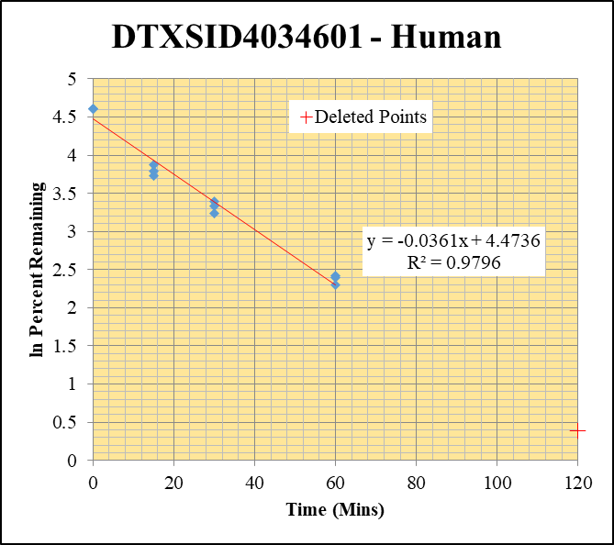
Blank_Human__120_1_____5P1_Inj 2021April16_EPA_3_1uM | DTXSID4034601 | 304.206 > 146.954 | 0.051 | 23900.385 | 2.1338568395E-06 |  |  |  | DTXSID4034601 - Human | Time (Mins) | % Remaining Replica 1 | % Remaining Replica 2 | % Remaining Replica 3 | Average
Blank_Human__120_2_____5P1_Inj 2021April16_EPA_4_1uM | DTXSID4034601 | 304.206 > 146.954 | 0.012 | 22970.811 | 5.2240210413E-07 |  |  |  | Time (Mins) | 120 | 1.48% | 0.32% | 0.42%
Blank_Human__120_3_____5P1_Inj 2021April16_EPA_5_1uM | DTXSID4034601 | 304.206 > 146.954 | 0.915 | 23638.439 | 3.8708139738E-05 |  |  |  | ln Percent Remaining | 60 | 11.0% | 9.92% | 11.2% | 10.7%
DTXSID4034601_Human__120_1_____5P1_Inj 2021April16_EPA_316_10uM | DTXSID4034601 | 304.206 > 146.954 | 394.675 | 3577.991 | 0.11030631435 | 1.4810741883 | 120 | 0.393 |  | 30 | 29.9% | 25.6% | 28.0% | 27.8%
DTXSID4034601_Human__120_2_____5P1_Inj 2021April16_EPA_317_10uM | DTXSID4034601 | 304.206 > 146.954 | 89.101 | 4013.767 | 0.022198847118 | 0.31518562016 | 120 | -1.155 |  | 15 | 42.0% | 48.2% | 44.1% | 44.8%
DTXSID4034601_Human__120_3_____5P1_Inj 2021April16_EPA_318_10uM | DTXSID4034601 | 304.206 > 146.954 | 141.72 | 4038.386 | 0.035093227839 | 0.42335826065 | 120 | -0.860 |  | 0 | 100% | 100% | 100% | 100%
DTXSID4034601_Human__60_1_____5P2_Inj 2021April16_EPA_319_10uM | DTXSID4034601 | 304.206 > 146.954 | 2872.984 | 3494.686 | 0.82210075526 | 11.039476828 | 60 | 2.401477651
DTXSID4034601_Human__60_2_____5P2_Inj 2021April16_EPA_320_10uM | DTXSID4034601 | 304.206 > 146.954 | 2537.416 | 3634.172 | 0.69821021129 | 9.9193548585 | 60 | 2.2944878848 |  | Slope | -0.0361
DTXSID4034601_Human__60_3_____5P2_Inj 2021April16_EPA_321_10uM | DTXSID4034601 | 304.206 > 146.954 | 3528.104 | 3798.852 | 0.92872899497 | 11.20825355 | 60 | 2.416650431 |  | Intercept | 4.47
DTXSID4034601_Human__30_1_____5P3_Inj 2021April16_EPA_322_10uM | DTXSID4034601 | 304.206 > 146.954 | 8787.998 | 3951.796 | 2.2237984957 | 29.862314732 | 30 | 3.3965973086 |  | R2 | 0.980
DTXSID4034601_Human__30_2_____5P3_Inj 2021April16_EPA_323_10uM | DTXSID4034601 | 304.206 > 146.954 | 8167.641 | 4531.1 | 1.8025735473 | 25.609168582 | 30 | 3.2429504351 |  | T½ (mins) | 19.2
DTXSID4034601_Human__30_3_____5P3_Inj 2021April16_EPA_324_10uM | DTXSID4034601 | 304.206 > 146.954 | 11134.688 | 4796.952 | 2.3212006291 | 28.013378545 | 30 | 3.3326822012 |  | CLint (µl/min/106 cells) | 72.3
DTXSID4034601_Human__15_1_____5P4_Inj 2021April16_EPA_325_10uM | DTXSID4034601 | 304.206 > 146.954 | 16037.721 | 5132.818 | 3.1245450355 | 41.958079478 | 15 | 3.7366710122 |  | Comments | Points Deleted: (120,0.3930) (120,-1.1550) (120,-0.8600)
DTXSID4034601_Human__15_2_____5P4_Inj 2021April16_EPA_326_10uM | DTXSID4034601 | 304.206 > 146.954 | 15645.463 | 4610.475 | 3.3934601099 | 48.211072331 | 15 | 3.8755887111
DTXSID4034601_Human__15_3_____5P4_Inj 2021April16_EPA_327_10uM | DTXSID4034601 | 304.206 > 146.954 | 16418.348 | 4490.88 | 3.6559311315 | 44.121651331 | 15 | 3.7869506219
DTXSID4034601_Human__0_1_____5P5_Inj 2021April16_EPA_328_10uM | DTXSID4034601 | 304.206 > 146.954 | 35280.125 | 4737.618 | 7.446806602 | 100 | 0 | 4.605170186
DTXSID4034601_Human__0_2_____5P5_Inj 2021April16_EPA_329_10uM | DTXSID4034601 | 304.206 > 146.954 | 29219.852 | 4151.289 | 7.0387419426 | 100 | 0 | 4.605170186
DTXSID4034601_Human__0_3_____5P5_Inj 2021April16_EPA_330_10uM | DTXSID4034601 | 304.206 > 146.954 | 33730.531 | 4070.782 | 8.2860077007 | 100 | 0 | 4.605170186

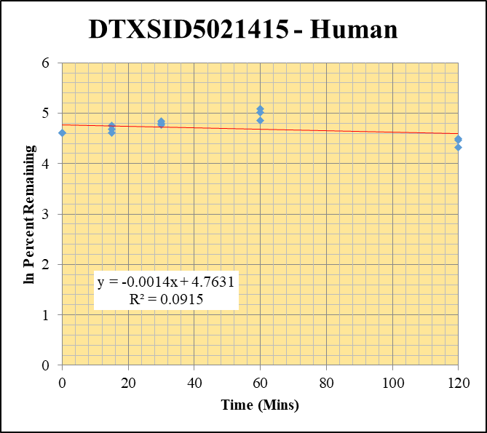
Blank_Human__120_1_____5P1_Inj 2021April16_EPA_3_1uM | DTXSID5021415 | 192.105 > 97.969 | 21.788 | 23900.385 | 0.00091161711412 |  |  |  | DTXSID5021415 - Human | Time (Mins) | % Remaining Replica 1 | % Remaining Replica 2 | % Remaining Replica 3 | Average
Blank_Human__120_2_____5P1_Inj 2021April16_EPA_4_1uM | DTXSID5021415 | 192.105 > 97.969 | 32.482 | 22970.811 | 0.0014140554289 |  |  |  | Time (Mins) | 120 | 75.7% | 89.8% | 87.1% | 84.2%
Blank_Human__120_3_____5P1_Inj 2021April16_EPA_5_1uM | DTXSID5021415 | 192.105 > 97.969 | 22.395 | 23638.439 | 0.00094739758408 |  |  |  | ln Percent Remaining | 60 | 129% | 162% | 150% | 147%
DTXSID5021415_Human__120_1_____5P1_Inj 2021April16_EPA_236_10uM | DTXSID5021415 | 192.105 > 97.969 | 14174.023 | 5517.452 | 2.5689435993 | 75.743494437 | 120 | 4.3273525587 |  | 30 | 118% | 126% | 121% | 122%
DTXSID5021415_Human__120_2_____5P1_Inj 2021April16_EPA_237_10uM | DTXSID5021415 | 192.105 > 97.969 | 13195.831 | 5228.372 | 2.5238890806 | 89.808437585 | 120 | 4.4976789306 |  | 15 | 116% | 100% | 107% | 108%
DTXSID5021415_Human__120_3_____5P1_Inj 2021April16_EPA_238_10uM | DTXSID5021415 | 192.105 > 97.969 | 16141.842 | 5727.256 | 2.8184250887 | 87.052768747 | 120 | 4.4665144721 |  | 0 | 100% | 100% | 100% | 100%
DTXSID5021415_Human__60_1_____5P2_Inj 2021April16_EPA_239_10uM | DTXSID5021415 | 192.105 > 97.969 | 20698.422 | 4741.098 | 4.3657443909 | 128.74341041 | 60 | 4.857821357
DTXSID5021415_Human__60_2_____5P2_Inj 2021April16_EPA_240_10uM | DTXSID5021415 | 192.105 > 97.969 | 18974.584 | 4180.19 | 4.5391678369 | 161.54982643 | 60 | 5.0848136179 |  | Slope | -0.00140
DTXSID5021415_Human__60_3_____5P2_Inj 2021April16_EPA_241_10uM | DTXSID5021415 | 192.105 > 97.969 | 22588.131 | 4644.806 | 4.863094605 | 150.23098561 | 60 | 5.0121740137 |  | Intercept | 4.76
DTXSID5021415_Human__30_1_____5P3_Inj 2021April16_EPA_242_10uM | DTXSID5021415 | 192.105 > 97.969 | 20724.688 | 5173.917 | 4.0056089033 | 118.12055746 | 30 | 4.7717057763 |  | R2 | 0.0915
DTXSID5021415_Human__30_2_____5P3_Inj 2021April16_EPA_243_10uM | DTXSID5021415 | 192.105 > 97.969 | 18039.648 | 5097.389 | 3.5389977104 | 125.94502797 | 30 | 4.8358455258 |  | T½ (mins) | 496
DTXSID5021415_Human__30_3_____5P3_Inj 2021April16_EPA_244_10uM | DTXSID5021415 | 192.105 > 97.969 | 21089.561 | 5390.048 | 3.9126851932 | 120.86429752 | 30 | 4.7946684082 |  | CLint (µl/min/106 cells) | 2.79
DTXSID5021415_Human__15_1_____5P4_Inj 2021April16_EPA_245_10uM | DTXSID5021415 | 192.105 > 97.969 | 21160.012 | 5379.878 | 3.9331769233 | 115.98404413 | 15 | 4.753452631 |  | Comments
DTXSID5021415_Human__15_2_____5P4_Inj 2021April16_EPA_246_10uM | DTXSID5021415 | 192.105 > 97.969 | 17254.861 | 6118.691 | 2.820024904 | 100.35050041 | 15 | 4.6086690619
DTXSID5021415_Human__15_3_____5P4_Inj 2021April16_EPA_247_10uM | DTXSID5021415 | 192.105 > 97.969 | 20952.709 | 6023.096 | 3.4787273854 | 107.45544085 | 15 | 4.6770762579
DTXSID5021415_Human__0_1_____5P5_Inj 2021April16_EPA_248_10uM | DTXSID5021415 | 192.105 > 97.969 | 21971.637 | 6478.85 | 3.3912865709 | 100 | 0 | 4.605170186
DTXSID5021415_Human__0_2_____5P5_Inj 2021April16_EPA_249_10uM | DTXSID5021415 | 192.105 > 97.969 | 19455.232 | 6923.129 | 2.810179039 | 100 | 0 | 4.605170186
DTXSID5021415_Human__0_3_____5P5_Inj 2021April16_EPA_250_10uM | DTXSID5021415 | 192.105 > 97.969 | 21335.42 | 6590.207 | 3.2374430727 | 100 | 0 | 4.605170186

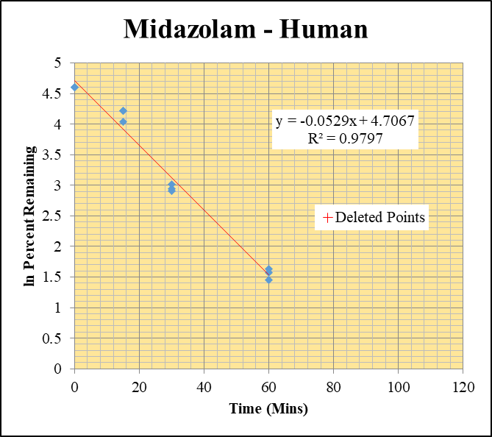
Blank_Human_1_____5P1_Inj 2021April16_EPA_3_1 uM | Midazolam | 326.121 > 291.203 | 0.019 | 23900.385 | 7.9496627356E-07 |  |  |  | Midazolam - Human | Time (Mins) | % Remaining Replica 1 | % Remaining Replica 2 | % Remaining Replica 3 | Average
Blank_Human_2_____5P1_Inj 2021April16_EPA_4_1 uM | Midazolam | 326.121 > 291.203 | 0.772 | 22970.811 | 3.3607868699E-05 |  |  |  | Time (Mins) | 120 | 0.68% | 0.47% | 0.53%
Blank_Human_3_____5P1_Inj 2021April16_EPA_5_1 uM | Midazolam | 326.121 > 291.203 | 0.024 | 23638.439 | 1.0152954685E-06 |  |  |  | ln Percent Remaining | 60 | 5.14% | 4.83% | 4.28% | 4.75%
Midazolam_Human_120_1_____5P1_Inj 2021April16_EPA_16_1 uM | Midazolam | 326.121 > 291.203 | 380.044 | 22322.879 | 0.017024864938 | 0.68226359096 | 120 | -0.382 |  | 30 | 18.2% | 20.3% | 19.1% | 19.2%
Midazolam_Human_120_2_____5P1_Inj 2021April16_EPA_17_1 uM | Midazolam | 326.121 > 291.203 | 256.502 | 21369.229 | 0.012003334327 | 0.46973770545 | 120 | -0.756 |  | 15 | 68.2% | 67.9% | 56.7% | 64.3%
Midazolam_Human_120_3_____5P1_Inj 2021April16_EPA_18_1 uM | Midazolam | 326.121 > 291.203 | 334.477 | 23001.602 | 0.014541465416 | 0.52784078226 | 120 | -0.639 |  | 0 | 100% | 100% | 100% | 100%
Midazolam_Human_60_1_____5P2_Inj 2021April16_EPA_19_1 uM | Midazolam | 326.121 > 291.203 | 2009.112 | 15686.807 | 0.12807654228 | 5.1356964884 | 60 | 1.6362154697
Midazolam_Human_60_2_____5P2_Inj 2021April16_EPA_20_1 uM | Midazolam | 326.121 > 291.203 | 2378.755 | 19307.703 | 0.12320238197 | 4.8256783539 | 60 | 1.5739513164 |  | Slope | -0.0529
Midazolam_Human_60_3_____5P2_Inj 2021April16_EPA_21_1 uM | Midazolam | 326.121 > 291.203 | 2090.435 | 17751.012 | 0.11776427169 | 4.2777708676 | 60 | 1.4534320486 |  | Intercept | 4.71
Midazolam_Human_30_1_____5P3_Inj 2021April16_EPA_22_1 uM | Midazolam | 326.121 > 291.203 | 8780.201 | 19350.303 | 0.45375005239 | 18.195968593 | 30 | 2.9012000637 |  | R2 | 0.980
Midazolam_Human_30_2_____5P3_Inj 2021April16_EPA_23_1 uM | Midazolam | 326.121 > 291.203 | 10967.168 | 21159.117 | 0.51831879374 | 20.30336162 | 30 | 3.0107864694 |  | T½ (mins) | 13.1
Midazolam_Human_30_3_____5P3_Inj 2021April16_EPA_24_1 uM | Midazolam | 326.121 > 291.203 | 9831.64 | 18729.783 | 0.52492012321 | 19.069133669 | 30 | 2.9480709896 |  | CLint (µl/min/106 cells) | 105.8
Midazolam_Human_15_1_____5P4_Inj 2021April16_EPA_25_1 uM | Midazolam | 326.121 > 291.203 | 40368.078 | 23734.143 | 1.7008441383 | 68.207368343 | 15 | 4.2225525992 |  | Comments | Points Deleted: (120,-0.3820) (120,-0.7560) (120,-0.6390)
Midazolam_Human_15_2_____5P4_Inj 2021April16_EPA_26_1 uM | Midazolam | 326.121 > 291.203 | 36113.949 | 20821.201 | 1.7344796297 | 67.943377722 | 15 | 4.2186746778
Midazolam_Human_15_3_____5P4_Inj 2021April16_EPA_27_1 uM | Midazolam | 326.121 > 291.203 | 33559.094 | 21508.426 | 1.5602766097 | 56.682085477 | 15 | 4.037458208
Midazolam_Human_0_1_____5P5_Inj 2021April16_EPA_28_1 uM | Midazolam | 326.121 > 291.203 | 58095.219 | 23297.436 | 2.4936314451 | 100 | 0 | 4.605170186
Midazolam_Human_0_2_____5P5_Inj 2021April16_EPA_29_1 uM | Midazolam | 326.121 > 291.203 | 53600.918 | 20996.703 | 2.5528254603 | 100 | 0 | 4.605170186
Midazolam_Human_0_3_____5P5_Inj 2021April16_EPA_30_1 uM | Midazolam | 326.121 > 291.203 | 56835.742 | 20647.486 | 2.7526712937 | 100 | 0 | 4.605170186

