Data
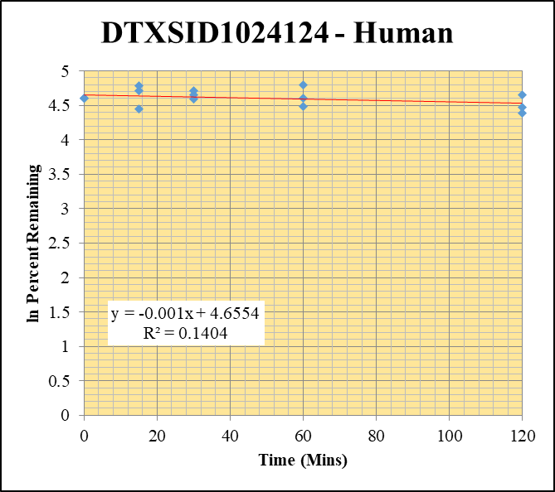
SampleName | CompoundName | Transition | Area | ISTD Area | ISTDResponseRatio | % Remaining | Time (mins) | ln % Remaining | Chart | Table
Blank_Human__30_1_____5P3_Inj 2021April16_EPA_9_1uM | DTXSID1024124 | 387.951 > 166.924 | 0.366 | 12948.121 | 2.8266649655E-05 |  |  |  | DTXSID1024124 - Human | Time (Mins) | % Remaining Replica 1 | % Remaining Replica 2 | % Remaining Replica 3 | Average
Blank_Human__30_2_____5P3_Inj 2021April16_EPA_10_1uM | DTXSID1024124 | 387.951 > 166.924 | 6.453 | 14433.353 | 0.00044708946009 |  |  |  | Time (Mins) | 120 | 87.1% | 80.5% | 105% | 91.0%
Blank_Human__30_3_____5P3_Inj 2021April16_EPA_11_1uM | DTXSID1024124 | 387.951 > 166.924 | 0.043 | 13537.443 | 3.1763753317E-06 |  |  |  | ln Percent Remaining | 60 | 100% | 88.2% | 122% | 103%
DTXSID1024124_Human__120_1_____5P1_Inj 2021April16_EPA_496_1uM | DTXSID1024124 | 387.951 > 166.924 | 3387.93 | 2620.343 | 1.2929337877 | 87.078969085 | 120 | 4.4668153976 |  | 30 | 105% | 98.8% | 111% | 105%
DTXSID1024124_Human__120_2_____5P1_Inj 2021April16_EPA_497_1uM | DTXSID1024124 | 387.951 > 166.924 | 3545.991 | 2578.372 | 1.3752829305 | 80.468494152 | 120 | 4.3878657308 |  | 15 | 120% | 85.8% | 111% | 106%
DTXSID1024124_Human__120_3_____5P1_Inj 2021April16_EPA_498_1uM | DTXSID1024124 | 387.951 > 166.924 | 3627.61 | 2599.052 | 1.3957435249 | 105.40647717 | 120 | 4.6578240875 |  | 0 | 100% | 100% | 100% | 100%
DTXSID1024124_Human__60_1_____5P2_Inj 2021April16_EPA_499_1uM | DTXSID1024124 | 387.951 > 166.924 | 3721.418 | 2499.762 | 1.4887089251 | 100.26603309 | 60 | 4.6078269845
DTXSID1024124_Human__60_2_____5P2_Inj 2021April16_EPA_500_1uM | DTXSID1024124 | 387.951 > 166.924 | 3464.611 | 2297.65 | 1.5078932823 | 88.228492394 | 60 | 4.4799299539 |  | Slope | -0.00104
DTXSID1024124_Human__60_3_____5P2_Inj 2021April16_EPA_501_1uM | DTXSID1024124 | 387.951 > 166.924 | 3975.579 | 2468.385 | 1.610599238 | 121.63422382 | 60 | 4.8010183758 |  | Intercept | 4.66
DTXSID1024124_Human__30_1_____5P3_Inj 2021April16_EPA_502_1uM | DTXSID1024124 | 387.951 > 166.924 | 4047.22 | 2595.229 | 1.5594847314 | 105.03336515 | 30 | 4.654278063 |  | R2 | 0.140
DTXSID1024124_Human__30_2_____5P3_Inj 2021April16_EPA_503_1uM | DTXSID1024124 | 387.951 > 166.924 | 4034.307 | 2389.307 | 1.6884841504 | 98.796180363 | 30 | 4.5930589437 |  | T½ (mins) | 669
DTXSID1024124_Human__30_3_____5P3_Inj 2021April16_EPA_504_1uM | DTXSID1024124 | 387.951 > 166.924 | 3691.865 | 2502.646 | 1.4751846646 | 111.40655354 | 30 | 4.7131861547 |  | CLint (µl/min/106 cells) | 2.07
DTXSID1024124_Human__15_1_____5P4_Inj 2021April16_EPA_505_1uM | DTXSID1024124 | 387.951 > 166.924 | 4666.112 | 2612.918 | 1.7857858532 | 120.27660501 | 15 | 4.789794132 |  | Comments
DTXSID1024124_Human__15_2_____5P4_Inj 2021April16_EPA_506_1uM | DTXSID1024124 | 387.951 > 166.924 | 4133.786 | 2818.979 | 1.4664124848 | 85.801148593 | 15 | 4.4520323933
DTXSID1024124_Human__15_3_____5P4_Inj 2021April16_EPA_507_1uM | DTXSID1024124 | 387.951 > 166.924 | 4083.626 | 2770.971 | 1.4737166141 | 111.29567378 | 15 | 4.7121903877
DTXSID1024124_Human__0_1_____5P5_Inj 2021April16_EPA_508_1uM | DTXSID1024124 | 387.951 > 166.924 | 3612.577 | 2433.106 | 1.4847593981 | 100 | 0 | 4.605170186
DTXSID1024124_Human__0_2_____5P5_Inj 2021April16_EPA_509_1uM | DTXSID1024124 | 387.951 > 166.924 | 4423.263 | 2588.132 | 1.7090561842 | 100 | 0 | 4.605170186
DTXSID1024124_Human__0_3_____5P5_Inj 2021April16_EPA_510_1uM | DTXSID1024124 | 387.951 > 166.924 | 4112.474 | 3105.719 | 1.3241616515 | 100 | 0 | 4.605170186

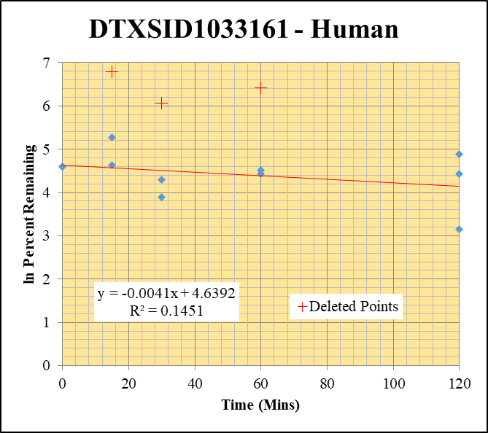
Blank_Human__30_1_____5P3_Inj 2021April16_EPA_9_1uM | DTXSID1033161 | 206.994 > 88.913 | 0.079 | 12948.121 | 6.1012713737E-06 |  |  |  | DTXSID1033161 - Human | Time (Mins) | % Remaining Replica 1 | % Remaining Replica 2 | % Remaining Replica 3 | Average
Blank_Human__30_2_____5P3_Inj 2021April16_EPA_10_1uM | DTXSID1033161 | 206.994 > 88.913 | 0.504 | 14433.353 | 3.4919121011E-05 |  |  |  | Time (Mins) | 120 | 84.6% | 132% | 23.4% | 80.1%
Blank_Human__30_3_____5P3_Inj 2021April16_EPA_11_1uM | DTXSID1033161 | 206.994 > 88.913 | -0.016 | 13537.443 | -1.1819071002E-06 |  |  |  | ln Percent Remaining | 60 | 90.9% | 614.41% | 83.4% | 87%
DTXSID1033161_Human__120_1_____5P1_Inj 2021April16_EPA_616_1uM | DTXSID1033161 | 206.994 > 88.913 | 81.045 | 936.564 | 0.086534395941 | 84.592852157 | 120 | 4.4378497732 |  | 30 | 49.3% | 426.18% | 73.0% | 61%
DTXSID1033161_Human__120_2_____5P1_Inj 2021April16_EPA_617_1uM | DTXSID1033161 | 206.994 > 88.913 | 41.007 | 2390.073 | 0.017157216537 | 132.14075598 | 120 | 4.8838676877 |  | 15 | 102% | 887.87% | 196% | 149%
DTXSID1033161_Human__120_3_____5P1_Inj 2021April16_EPA_618_1uM | DTXSID1033161 | 206.994 > 88.913 | 15.752 | 547.975 | 0.028745836945 | 23.424066385 | 120 | 3.1537639718 |  | 0 | 100% | 100% | 100% | 100%
DTXSID1033161_Human__60_1_____5P2_Inj 2021April16_EPA_619_1uM | DTXSID1033161 | 206.994 > 88.913 | 56.323 | 605.66 | 0.092994419311 | 90.908903364 | 60 | 4.5098579432
DTXSID1033161_Human__60_2_____5P2_Inj 2021April16_EPA_620_1uM | DTXSID1033161 | 206.994 > 88.913 | 28.543 | 358.011 | 0.079726600579 | 614.40837565 | 60 | 6.421 |  | Slope | -0.00412
DTXSID1033161_Human__60_3_____5P2_Inj 2021April16_EPA_621_1uM | DTXSID1033161 | 206.994 > 88.913 | 40.197 | 393.105 | 0.10225512268 | 83.352125065 | 60 | 4.4230741045 |  | Intercept | 4.64
DTXSID1033161_Human__30_1_____5P3_Inj 2021April16_EPA_622_1uM | DTXSID1033161 | 206.994 > 88.913 | 34.907 | 692.285 | 0.050422874972 | 49.28613537 | 30 | 3.8976428117 |  | R2 | 0.1451
DTXSID1033161_Human__30_2_____5P3_Inj 2021April16_EPA_623_1uM | DTXSID1033161 | 206.994 > 88.913 | 31.374 | 567.283 | 0.055305729239 | 426.17900962 | 30 | 6.055 |  | T½ (mins) | 168
DTXSID1033161_Human__30_3_____5P3_Inj 2021April16_EPA_624_1uM | DTXSID1033161 | 206.994 > 88.913 | 68.658 | 766.45 | 0.089579228913 | 73.018169323 | 30 | 4.290708305 |  | CLint (µl/min/106 cells) | 8.2
DTXSID1033161_Human__15_1_____5P4_Inj 2021April16_EPA_625_1uM | DTXSID1033161 | 206.994 > 88.913 | 62.072 | 592.45 | 0.10477171069 | 102.42371859 | 15 | 4.6291183126 |  | Comments | Points Deleted: (60,6.4210) (30,6.0550) (15,6.7890)
DTXSID1033161_Human__15_2_____5P4_Inj 2021April16_EPA_626_1uM | DTXSID1033161 | 206.994 > 88.913 | 205.281 | 1781.865 | 0.1152056974 | 887.87150516 | 15 | 6.789
DTXSID1033161_Human__15_3_____5P4_Inj 2021April16_EPA_627_1uM | DTXSID1033161 | 206.994 > 88.913 | 398.936 | 1657.687 | 0.24065821835 | 196.18452108 | 15 | 5.2790556505
DTXSID1033161_Human__0_1_____5P5_Inj 2021April16_EPA_628_1uM | DTXSID1033161 | 206.994 > 88.913 | 182.867 | 1787.683 | 0.1022927443 | 100 | 0 | 4.605170186
DTXSID1033161_Human__0_2_____5P5_Inj 2021April16_EPA_629_1uM | DTXSID1033161 | 206.994 > 88.913 | 19.881 | 1530.806 | 0.012987275984 | 100 | 0 | 4.605170186
DTXSID1033161_Human__0_3_____5P5_Inj 2021April16_EPA_630_1uM | DTXSID1033161 | 206.994 > 88.913 | 225.857 | 1841.088 | 0.12267583081 | 100 | 0 | 4.605170186

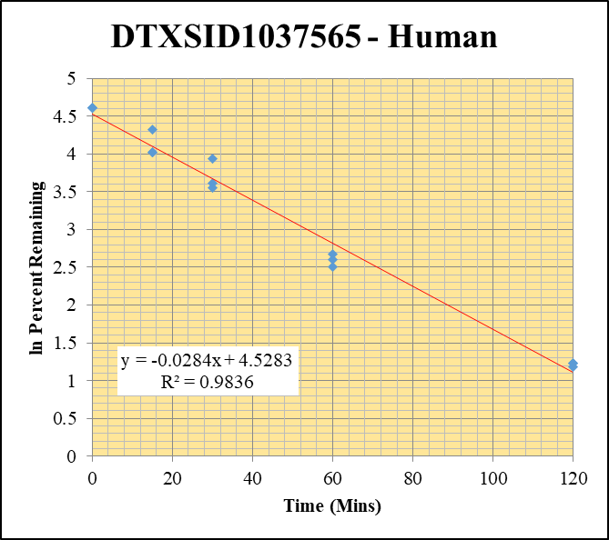
Blank_Human__30_1_____5P3_Inj 2021April16_EPA_9_1uM | DTXSID1037565 | 270.04 > 118.939 | 15.331 | 12948.121 | 0.0011840328029 |  |  |  | DTXSID1037565 - Human | Time (Mins) | % Remaining Replica 1 | % Remaining Replica 2 | % Remaining Replica 3 | Average
Blank_Human__30_2_____5P3_Inj 2021April16_EPA_10_1uM | DTXSID1037565 | 270.04 > 118.939 | 2.964 | 14433.353 | 0.00020535768785 |  |  |  | Time (Mins) | 120 | 3.43% | 3.44% | 3.28% | 3.38%
Blank_Human__30_3_____5P3_Inj 2021April16_EPA_11_1uM | DTXSID1037565 | 270.04 > 118.939 | 0.018 | 13537.443 | 1.3296454877E-06 |  |  |  | ln Percent Remaining | 60 | 13.5% | 14.5% | 12.3% | 13.5%
DTXSID1037565_Human__120_1_____5P1_Inj 2021April16_EPA_536_1uM | DTXSID1037565 | 270.04 > 118.939 | 384.146 | 2400.574 | 0.16002256127 | 3.4288328903 | 120 | 1.2322199381 |  | 30 | 51.2% | 37.0% | 34.9% | 41.0%
DTXSID1037565_Human__120_2_____5P1_Inj 2021April16_EPA_537_1uM | DTXSID1037565 | 270.04 > 118.939 | 408.125 | 2431.374 | 0.16785776273 | 3.4395647009 | 120 | 1.2353449229 |  | 15 | 75.3% | 55.4% | 56.0% | 62.2%
DTXSID1037565_Human__120_3_____5P1_Inj 2021April16_EPA_538_1uM | DTXSID1037565 | 270.04 > 118.939 | 375.511 | 2725.657 | 0.13776898561 | 3.2761146719 | 120 | 1.186658169 |  | 0 | 100% | 100% | 100% | 100%
DTXSID1037565_Human__60_1_____5P2_Inj 2021April16_EPA_539_1uM | DTXSID1037565 | 270.04 > 118.939 | 1660.95 | 2632.565 | 0.63092459256 | 13.548252638 | 60 | 2.6062575824
DTXSID1037565_Human__60_2_____5P2_Inj 2021April16_EPA_540_1uM | DTXSID1037565 | 270.04 > 118.939 | 1649.441 | 2333.048 | 0.70698974046 | 14.517483994 | 60 | 2.6753537157 |  | Slope | -0.0284
DTXSID1037565_Human__60_3_____5P2_Inj 2021April16_EPA_541_1uM | DTXSID1037565 | 270.04 > 118.939 | 1331.317 | 2581.554 | 0.51570371954 | 12.293658167 | 60 | 2.5090835332 |  | Intercept | 4.53
DTXSID1037565_Human__30_1_____5P3_Inj 2021April16_EPA_542_1uM | DTXSID1037565 | 270.04 > 118.939 | 4950.669 | 2076.368 | 2.3842926687 | 51.227146242 | 30 | 3.9362695916 |  | R2 | 0.984
DTXSID1037565_Human__30_2_____5P3_Inj 2021April16_EPA_543_1uM | DTXSID1037565 | 270.04 > 118.939 | 4843.394 | 2690.108 | 1.8004459301 | 36.985487968 | 30 | 3.6105256186 |  | T½ (mins) | 24.4
DTXSID1037565_Human__30_3_____5P3_Inj 2021April16_EPA_544_1uM | DTXSID1037565 | 270.04 > 118.939 | 3700.253 | 2527.001 | 1.464286322 | 34.926891126 | 30 | 3.5532570519 |  | CLint (µl/min/106 cells) | 56.9
DTXSID1037565_Human__15_1_____5P4_Inj 2021April16_EPA_545_1uM | DTXSID1037565 | 270.04 > 118.939 | 8464.839 | 2416.186 | 3.503388812 | 75.275892815 | 15 | 4.321159935 |  | Comments
DTXSID1037565_Human__15_2_____5P4_Inj 2021April16_EPA_546_1uM | DTXSID1037565 | 270.04 > 118.939 | 7615.268 | 2821.595 | 2.6989231268 | 55.447123121 | 15 | 4.01542983
DTXSID1037565_Human__15_3_____5P4_Inj 2021April16_EPA_547_1uM | DTXSID1037565 | 270.04 > 118.939 | 7641.742 | 3256.133 | 2.3468764943 | 55.985541079 | 15 | 4.0250934624
DTXSID1037565_Human__0_1_____5P5_Inj 2021April16_EPA_548_1uM | DTXSID1037565 | 270.04 > 118.939 | 12976.481 | 2788.295 | 4.6539125164 | 100 | 0 | 4.605170186
DTXSID1037565_Human__0_2_____5P5_Inj 2021April16_EPA_549_1uM | DTXSID1037565 | 270.04 > 118.939 | 12695.587 | 2608.402 | 4.8671895666 | 100 | 0 | 4.605170186
DTXSID1037565_Human__0_3_____5P5_Inj 2021April16_EPA_550_1uM | DTXSID1037565 | 270.04 > 118.939 | 11587.026 | 2764.365 | 4.191568769 | 100 | 0 | 4.605170186

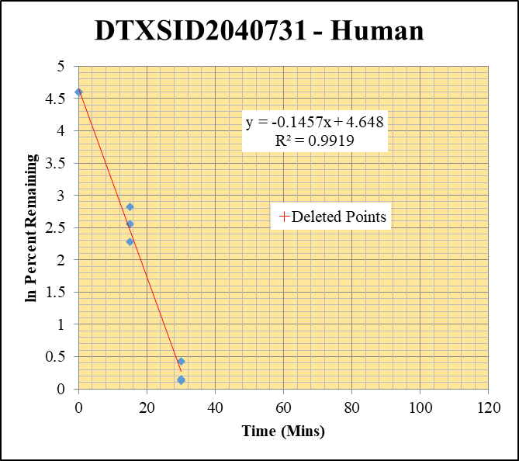
Blank_Human__120_1_____5P1_Inj 2021April16_EPA_3 | DTXSID2040731 | 251.08 > 148.896 | 509.661 | 23900.385 | 0 |  |  |  | DTXSID2040731 - Human | Time (Mins) | % Remaining Replica 1 | % Remaining Replica 2 | % Remaining Replica 3 | Average
Blank_Human__120_2_____5P1_Inj 2021April16_EPA_4 | DTXSID2040731 | 251.08 > 148.896 | 291.884 | 22970.811 | 0 |  |  |  | Time (Mins) | 120 | 0.97% | 0.82% | 0.59%
Blank_Human__120_3_____5P1_Inj 2021April16_EPA_5 | DTXSID2040731 | 251.08 > 148.896 | 528.271 | 23638.439 | 0 |  |  |  | ln Percent Remaining | 60 | 0.83% | 0.53% | 0.69%
DTXSID2040731_Human__120_1_____5P1_Inj 2021April16_EPA_56_1uM | DTXSID2040731 | 251.08 > 148.896 | 451.922 | 22111.293 | 0.020438515287 | 0.96863873608 | 120 | -0.032 |  | 30 | 1.53% | 1.13% | 1.17% | 1.28%
DTXSID2040731_Human__120_2_____5P1_Inj 2021April16_EPA_57_1uM | DTXSID2040731 | 251.08 > 148.896 | 409.974 | 20292.139 | 0.020203587212 | 0.8234601008 | 120 | -0.194 |  | 15 | 16.7% | 12.8% | 9.73% | 13.1%
DTXSID2040731_Human__120_3_____5P1_Inj 2021April16_EPA_58_1uM | DTXSID2040731 | 251.08 > 148.896 | 283.987 | 20758.287 | 0.01368065679 | 0.59346601748 | 120 | -0.522 |  | 0 | 100% | 100% | 100% | 100%
DTXSID2040731_Human__60_1_____5P2_Inj 2021April16_EPA_59_1uM | DTXSID2040731 | 251.08 > 148.896 | 295.015 | 16865.6 | 0.017492114126 | 0.82900049637 | 60 | -0.188
DTXSID2040731_Human__60_2_____5P2_Inj 2021April16_EPA_60_1uM | DTXSID2040731 | 251.08 > 148.896 | 229.476 | 17572.436 | 0.013058861048 | 0.53225454085 | 60 | -0.631 |  | Slope | -0.1457
DTXSID2040731_Human__60_3_____5P2_Inj 2021April16_EPA_61_1uM | DTXSID2040731 | 251.08 > 148.896 | 294.771 | 18460.891 | 0.015967322487 | 0.69266142932 | 60 | -0.367 |  | Intercept | 4.65
DTXSID2040731_Human__30_1_____5P3_Inj 2021April16_EPA_62_1uM | DTXSID2040731 | 251.08 > 148.896 | 733.161 | 22762.982 | 0.032208477782 | 1.5264503694 | 30 | 0.42294501998 |  | R2 | 0.992
DTXSID2040731_Human__30_2_____5P3_Inj 2021April16_EPA_63_1uM | DTXSID2040731 | 251.08 > 148.896 | 593.455 | 21402.902 | 0.027727781962 | 1.1301320845 | 30 | 0.12233451479 |  | T½ (mins) | 4.8
DTXSID2040731_Human__30_3_____5P3_Inj 2021April16_EPA_64_1uM | DTXSID2040731 | 251.08 > 148.896 | 511.805 | 18999.773 | 0.026937427095 | 1.1685438663 | 30 | 0.15575841497 |  | CLint (µl/min/106 cells) | 291.4
DTXSID2040731_Human__15_1_____5P4_Inj 2021April16_EPA_65_1uM | DTXSID2040731 | 251.08 > 148.896 | 7601.268 | 21575.318 | 0.35231313856 | 16.697110746 | 15 | 2.8152356952 |  | Comments | Points Deleted: (120,-0.0320) (120,-0.1940) (120,-0.5220) (60,-0.1880) (60,-0.6310) (60,-0.3670)
DTXSID2040731_Human__15_2_____5P4_Inj 2021April16_EPA_66_1uM | DTXSID2040731 | 251.08 > 148.896 | 6087.591 | 19317.77 | 0.31512907546 | 12.844066626 | 15 | 2.5528819636
DTXSID2040731_Human__15_3_____5P4_Inj 2021April16_EPA_67_1uM | DTXSID2040731 | 251.08 > 148.896 | 3868.065 | 17242.398 | 0.22433451542 | 9.7316169458 | 15 | 2.2753800639
DTXSID2040731_Human__0_1_____5P5_Inj 2021April16_EPA_68_1uM | DTXSID2040731 | 251.08 > 148.896 | 36513.551 | 17304.799 | 2.110024566 | 100 | 0 | 4.605170186
DTXSID2040731_Human__0_2_____5P5_Inj 2021April16_EPA_69_1uM | DTXSID2040731 | 251.08 > 148.896 | 37965.555 | 15474.044 | 2.4534992275 | 100 | 0 | 4.605170186
DTXSID2040731_Human__0_3_____5P5_Inj 2021April16_EPA_70_1uM | DTXSID2040731 | 251.08 > 148.896 | 37961.688 | 16467.756 | 2.3052131693 | 100 | 0 | 4.605170186

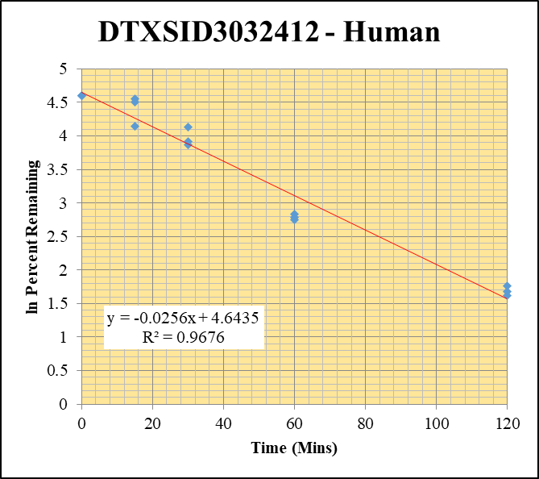
Blank_Human__30_1_____5P3_Inj 2021April16_EPA_9_1uM | DTXSID3032412 | 289.105 > 143.915 | 14.915 | 12948.121 | 0.0011519045891 |  |  |  | DTXSID3032412 - Human | Time (Mins) | % Remaining Replica 1 | % Remaining Replica 2 | % Remaining Replica 3 | Average
Blank_Human__30_2_____5P3_Inj 2021April16_EPA_10_1uM | DTXSID3032412 | 289.105 > 143.915 | 7.304 | 14433.353 | 0.00050605011878 |  |  |  | Time (Mins) | 120 | 5.02% | 5.38% | 5.83% | 5.41%
Blank_Human__30_3_____5P3_Inj 2021April16_EPA_11_1uM | DTXSID3032412 | 289.105 > 143.915 | 13.862 | 13537.443 | 0.0010239747639 |  |  |  | ln Percent Remaining | 60 | 15.6% | 16.1% | 17.0% | 16.2%
DTXSID3032412_Human__120_1_____5P1_Inj 2021April16_EPA_416_1uM | DTXSID3032412 | 289.105 > 143.915 | 1215.873 | 3059.842 | 0.39736463517 | 5.0180800424 | 120 | 1.6130473989 |  | 30 | 62.0% | 48.0% | 50.1% | 53.4%
DTXSID3032412_Human__120_2_____5P1_Inj 2021April16_EPA_417_1uM | DTXSID3032412 | 289.105 > 143.915 | 1394.374 | 3083.691 | 0.45217695288 | 5.376696949 | 120 | 1.6820742356 |  | 15 | 90.6% | 95.1% | 63.3% | 83.0%
DTXSID3032412_Human__120_3_____5P1_Inj 2021April16_EPA_418_1uM | DTXSID3032412 | 289.105 > 143.915 | 1128.809 | 2642.72 | 0.42713908397 | 5.8309918737 | 120 | 1.7631871186 |  | 0 | 100% | 100% | 100% | 100%
DTXSID3032412_Human__60_1_____5P2_Inj 2021April16_EPA_419_1uM | DTXSID3032412 | 289.105 > 143.915 | 3671.586 | 2969.113 | 1.236593555 | 15.640096582 | 60 | 2.7498379104
DTXSID3032412_Human__60_2_____5P2_Inj 2021April16_EPA_420_1uM | DTXSID3032412 | 289.105 > 143.915 | 3823.607 | 2826.867 | 1.3525952937 | 16.104503667 | 60 | 2.7790989637 |  | Slope | -0.0256
DTXSID3032412_Human__60_3_____5P2_Inj 2021April16_EPA_421_1uM | DTXSID3032412 | 289.105 > 143.915 | 3498.075 | 2817.546 | 1.2415325251 | 16.971815437 | 60 | 2.8315540527 |  | Intercept | 4.64
DTXSID3032412_Human__30_1_____5P3_Inj 2021April16_EPA_422_1uM | DTXSID3032412 | 289.105 > 143.915 | 12220.626 | 2492.949 | 4.9020762158 | 62.033656818 | 30 | 4.1276770897 |  | R2 | 0.968
DTXSID3032412_Human__30_2_____5P3_Inj 2021April16_EPA_423_1uM | DTXSID3032412 | 289.105 > 143.915 | 11482.009 | 2848.877 | 4.0303631922 | 48.008092421 | 30 | 3.8713695888 |  | T½ (mins) | 27.0
DTXSID3032412_Human__30_3_____5P3_Inj 2021April16_EPA_424_1uM | DTXSID3032412 | 289.105 > 143.915 | 10884.778 | 2974.088 | 3.6598708579 | 50.054450096 | 30 | 3.9131114148 |  | CLint (µl/min/106 cells) | 51.3
DTXSID3032412_Human__15_1_____5P4_Inj 2021April16_EPA_425_1uM | DTXSID3032412 | 289.105 > 143.915 | 19662.486 | 2745.258 | 7.162345397 | 90.641604016 | 15 | 4.5069133131 |  | Comments
DTXSID3032412_Human__15_2_____5P4_Inj 2021April16_EPA_426_1uM | DTXSID3032412 | 289.105 > 143.915 | 23156.311 | 2899.437 | 7.9864853073 | 95.142309351 | 15 | 4.5553737639
DTXSID3032412_Human__15_3_____5P4_Inj 2021April16_EPA_427_1uM | DTXSID3032412 | 289.105 > 143.915 | 5766.875 | 1246.787 | 4.6253891001 | 63.262646333 | 15 | 4.1472950496
DTXSID3032412_Human__0_1_____5P5_Inj 2021April16_EPA_428_1uM | DTXSID3032412 | 289.105 > 143.915 | 27883.391 | 3528.767 | 7.9017376324 | 100 | 0 | 4.605170186
DTXSID3032412_Human__0_2_____5P5_Inj 2021April16_EPA_429_1uM | DTXSID3032412 | 289.105 > 143.915 | 27541.979 | 3281.07 | 8.3942064631 | 100 | 0 | 4.605170186
DTXSID3032412_Human__0_3_____5P5_Inj 2021April16_EPA_430_1uM | DTXSID3032412 | 289.105 > 143.915 | 24431.084 | 3341.74 | 7.3108871426 | 100 | 0 | 4.605170186

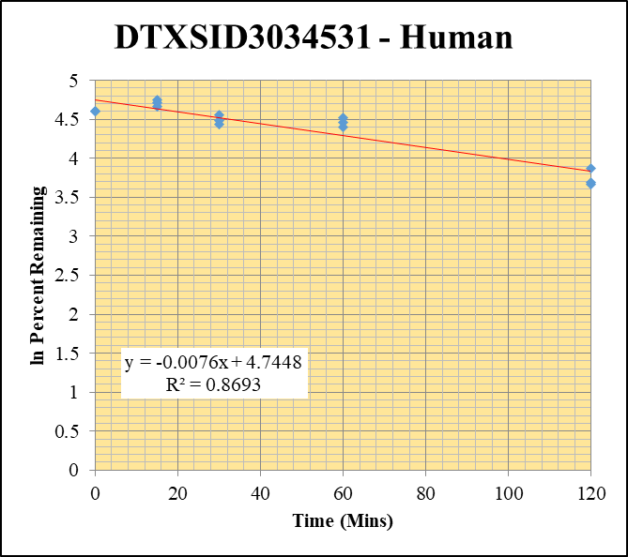
Blank_Human__120_1_____5P1_Inj 2021April16_EPA_3_1uM | DTXSID3034531 | 371.02 > 150.902 | 7.504 | 23900.385 | 0.00031396983772 |  |  |  | DTXSID3034531 - Human | Time (Mins) | % Remaining Replica 1 | % Remaining Replica 2 | % Remaining Replica 3 | Average
Blank_Human__120_2_____5P1_Inj 2021April16_EPA_4_1uM | DTXSID3034531 | 371.02 > 150.902 | 15.462 | 22970.811 | 0.00067311511117 |  |  |  | Time (Mins) | 120 | 39.3% | 39.9% | 48.0% | 42.4%
Blank_Human__120_3_____5P1_Inj 2021April16_EPA_5_1uM | DTXSID3034531 | 371.02 > 150.902 | 1.513 | 23638.439 | 6.4005918496E-05 |  |  |  | ln Percent Remaining | 60 | 92.1% | 81.1% | 86.3% | 86.5%
DTXSID3034531_Human__120_1_____5P1_Inj 2021April16_EPA_176_1uM | DTXSID3034531 | 371.02 > 150.902 | 4570.481 | 7699.954 | 0.59357250706 | 39.286234898 | 120 | 3.6708742005 |  | 30 | 95.8% | 84.8% | 88.7% | 89.8%
DTXSID3034531_Human__120_2_____5P1_Inj 2021April16_EPA_177_1uM | DTXSID3034531 | 371.02 > 150.902 | 5397.935 | 7484.741 | 0.72119195574 | 39.865374074 | 120 | 3.6855081294 |  | 15 | 111% | 116% | 107% | 111%
DTXSID3034531_Human__120_3_____5P1_Inj 2021April16_EPA_178_1uM | DTXSID3034531 | 371.02 > 150.902 | 5959.299 | 6750.203 | 0.88283256074 | 48.022624636 | 120 | 3.8716722464 |  | 0 | 100% | 100% | 100% | 100%
DTXSID3034531_Human__60_1_____5P2_Inj 2021April16_EPA_179_1uM | DTXSID3034531 | 371.02 > 150.902 | 7801.47 | 5605.663 | 1.3917122738 | 92.143173408 | 60 | 4.5233436001
DTXSID3034531_Human__60_2_____5P2_Inj 2021April16_EPA_180_1uM | DTXSID3034531 | 371.02 > 150.902 | 8425.348 | 5745.934 | 1.4663147889 | 81.073596239 | 60 | 4.3953573377 |  | Slope | -0.00760
DTXSID3034531_Human__60_3_____5P2_Inj 2021April16_EPA_181_1uM | DTXSID3034531 | 371.02 > 150.902 | 7823.755 | 4929.539 | 1.5871169698 | 86.348140915 | 60 | 4.4583872747 |  | Intercept | 4.74
DTXSID3034531_Human__30_1_____5P3_Inj 2021April16_EPA_182_1uM | DTXSID3034531 | 371.02 > 150.902 | 7283.943 | 5035.858 | 1.4464154867 | 95.765902759 | 30 | 4.5619067005 |  | R2 | 0.869
DTXSID3034531_Human__30_2_____5P3_Inj 2021April16_EPA_183_1uM | DTXSID3034531 | 371.02 > 150.902 | 7394.024 | 4823.232 | 1.5330019373 | 84.761657731 | 30 | 4.4398432912 |  | T½ (mins) | 91.2
DTXSID3034531_Human__30_3_____5P3_Inj 2021April16_EPA_184_1uM | DTXSID3034531 | 371.02 > 150.902 | 7267.523 | 4456.55 | 1.6307509172 | 88.72259865 | 30 | 4.4855146331 |  | CLint (µl/min/106 cells) | 15.2
DTXSID3034531_Human__15_1_____5P4_Inj 2021April16_EPA_185_1uM | DTXSID3034531 | 371.02 > 150.902 | 7969.676 | 4744.416 | 1.6798012653 | 111.22191468 | 15 | 4.7115274369 |  | Comments
DTXSID3034531_Human__15_2_____5P4_Inj 2021April16_EPA_186_1uM | DTXSID3034531 | 371.02 > 150.902 | 9523.248 | 4550.656 | 2.0927198189 | 115.71625715 | 15 | 4.7511411355
DTXSID3034531_Human__15_3_____5P4_Inj 2021April16_EPA_187_1uM | DTXSID3034531 | 371.02 > 150.902 | 8064.467 | 4111.834 | 1.9612822405 | 106.70934299 | 15 | 4.6701087177
DTXSID3034531_Human__0_1_____5P5_Inj 2021April16_EPA_188_1uM | DTXSID3034531 | 371.02 > 150.902 | 7078.485 | 4686.651 | 1.5103503547 | 100 | 0 | 4.605170186
DTXSID3034531_Human__0_2_____5P5_Inj 2021April16_EPA_189_1uM | DTXSID3034531 | 371.02 > 150.902 | 8530.983 | 4717.055 | 1.8085400743 | 100 | 0 | 4.605170186
DTXSID3034531_Human__0_3_____5P5_Inj 2021April16_EPA_190_1uM | DTXSID3034531 | 371.02 > 150.902 | 9361.862 | 5093.536 | 1.8379887764 | 100 | 0 | 4.605170186

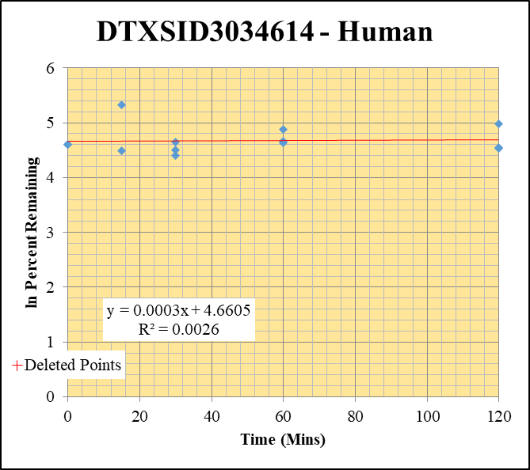
Blank_Human__30_1_____5P3_Inj 2021April16_EPA_9_1uM | DTXSID3034614 | 418.955 > 151.899 | 0.167 | 12948.121 | 1.2897624296E-05 |  |  |  | DTXSID3034614 - Human | Time (Mins) | % Remaining Replica 1 | % Remaining Replica 2 | % Remaining Replica 3 | Average
Blank_Human__30_2_____5P3_Inj 2021April16_EPA_10_1uM | DTXSID3034614 | 418.955 > 151.899 | 0.021 | 14433.353 | 1.4549633755E-06 |  |  |  | Time (Mins) | 120 | 145% | 93.2% | 94.3% | 111%
Blank_Human__30_3_____5P3_Inj 2021April16_EPA_11_1uM | DTXSID3034614 | 418.955 > 151.899 | -0.049 | 13537.443 | -3.6195904943E-06 |  |  |  | ln Percent Remaining | 60 | 103% | 131% | 107% | 114%
DTXSID3034614_Human__120_1_____5P1_Inj 2021April16_EPA_376_1uM | DTXSID3034614 | 418.955 > 151.899 | 412.869 | 3429.063 | 0.12040286224 | 144.79682286 | 120 | 4.9753315382 |  | 30 | 81.7% | 105% | 90.5% | 92.4%
DTXSID3034614_Human__120_2_____5P1_Inj 2021April16_EPA_377_1uM | DTXSID3034614 | 418.955 > 151.899 | 243.838 | 3545.502 | 0.068773900001 | 93.214170439 | 120 | 4.5348997535 |  | 15 | 205% | 89.3% | 0.45% | 147.2%
DTXSID3034614_Human__120_3_____5P1_Inj 2021April16_EPA_378_1uM | DTXSID3034614 | 418.955 > 151.899 | 335.186 | 4187.983 | 0.080035186389 | 94.29587688 | 120 | 4.5464374653 |  | 0 | 100% | 100% | 100% | 100%
DTXSID3034614_Human__60_1_____5P2_Inj 2021April16_EPA_379_1uM | DTXSID3034614 | 418.955 > 151.899 | 253.28 | 2966.413 | 0.085382581589 | 102.68008279 | 60 | 4.6316181623
DTXSID3034614_Human__60_2_____5P2_Inj 2021April16_EPA_380_1uM | DTXSID3034614 | 418.955 > 151.899 | 328.076 | 3387.718 | 0.096842771447 | 131.25989246 | 60 | 4.8771792698 |  | Slope | 0.00027
DTXSID3034614_Human__60_3_____5P2_Inj 2021April16_EPA_381_1uM | DTXSID3034614 | 418.955 > 151.899 | 330.088 | 3646.556 | 0.090520480146 | 106.64999527 | 60 | 4.6695524006 |  | Intercept | 4.66
DTXSID3034614_Human__30_1_____5P3_Inj 2021April16_EPA_382_1uM | DTXSID3034614 | 418.955 > 151.899 | 267.903 | 3941.006 | 0.067978328376 | 81.749056671 | 30 | 4.4036542705 |  | R2 | 0.0026
DTXSID3034614_Human__30_2_____5P3_Inj 2021April16_EPA_383_1uM | DTXSID3034614 | 418.955 > 151.899 | 319.962 | 4135.532 | 0.077369005971 | 104.86433646 | 30 | 4.6526674811 |  | T½ (mins) | >480
DTXSID3034614_Human__30_3_____5P3_Inj 2021April16_EPA_384_1uM | DTXSID3034614 | 418.955 > 151.899 | 330.381 | 4300.765 | 0.07681912404 | 90.506606313 | 30 | 4.505422846 |  | CLint (µl/min/106 cells) | 0.0
DTXSID3034614_Human__15_1_____5P4_Inj 2021April16_EPA_385_1uM | DTXSID3034614 | 418.955 > 151.899 | 579.638 | 3399.271 | 0.17051832584 | 205.06761211 | 15 | 5.3233397399 |  | Comments | Points Deleted: (15,-0.8020)
DTXSID3034614_Human__15_2_____5P4_Inj 2021April16_EPA_386_1uM | DTXSID3034614 | 418.955 > 151.899 | 281.797 | 4275.506 | 0.065909625668 | 89.331813242 | 15 | 4.4923576757
DTXSID3034614_Human__15_3_____5P4_Inj 2021April16_EPA_387_1uM | DTXSID3034614 | 418.955 > 151.899 | 0.015 | 39.045 | 0.0003841721091 | 0.44842890636 | 15 | -0.802
DTXSID3034614_Human__0_1_____5P5_Inj 2021April16_EPA_388_1uM | DTXSID3034614 | 418.955 > 151.899 | 316.566 | 3806.981 | 0.083154079309 | 100 | 0 | 4.605170186
DTXSID3034614_Human__0_2_____5P5_Inj 2021April16_EPA_389_1uM | DTXSID3034614 | 418.955 > 151.899 | 270.057 | 3660.288 | 0.073780259914 | 100 | 0 | 4.605170186
DTXSID3034614_Human__0_3_____5P5_Inj 2021April16_EPA_390_1uM | DTXSID3034614 | 418.955 > 151.899 | 342.769 | 4038.447 | 0.084876438889 | 100 | 0 | 4.605170186

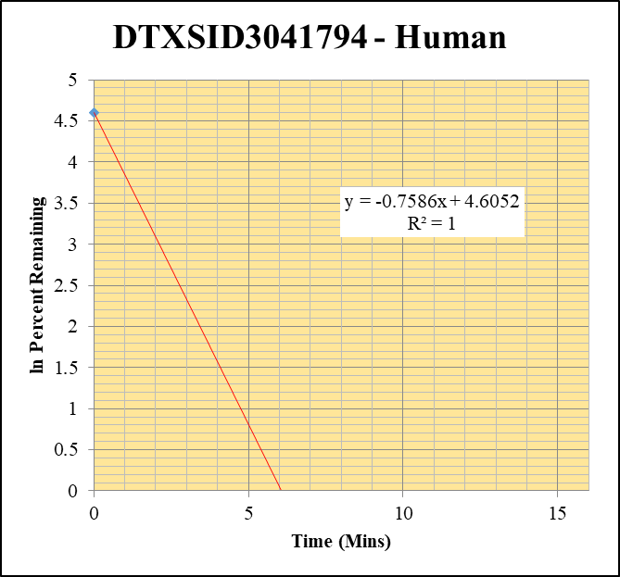
Blank_Human__30_1_____5P3_Inj 2021April16_EPA_9_1uM | DTXSID3041794 | 336.065 > 237.88 | 0.479 | 12948.121 | 3.6993784658E-05 |  |  |  | DTXSID3041794 - Human | Time (Mins) | % Remaining Replica 1 | % Remaining Replica 2 | % Remaining Replica 3 | Average
Blank_Human__30_2_____5P3_Inj 2021April16_EPA_10_1uM | DTXSID3041794 | 336.065 > 237.88 | 0.083 | 14433.353 | 5.7505695316E-06 |  |  |  | Time (Mins) | 120 | 0.00% | 0.00% | 0.00%
Blank_Human__30_3_____5P3_Inj 2021April16_EPA_11_1uM | DTXSID3041794 | 336.065 > 237.88 | 13.226 | 13537.443 | 0.00097699395669 |  |  |  | ln Percent Remaining | 60 | 0.00% | 0.00% | 0.00%
DTXSID3041794_Human__120_1_____5P1_Inj 2021April16_EPA_576_1uM | DTXSID3041794 | 336.065 > 237.88 | 0.127 | 4506.124 | 2.8183867111E-05 | -0.0022896078433 | 120 |  |  | 30 | 0.00% | 0.00% | 0.00%
DTXSID3041794_Human__120_2_____5P1_Inj 2021April16_EPA_577_1uM | DTXSID3041794 | 336.065 > 237.88 | 0.039 | 4151.883 | 9.3933282802E-06 | -0.0021213866165 | 120 |  |  | 15 | 0.00114% | 0.00% | 0.00% | 0.00114%
DTXSID3041794_Human__120_3_____5P1_Inj 2021April16_EPA_578_1uM | DTXSID3041794 | 336.065 > 237.88 | 0.103 | 4304.456 | 2.392869157E-05 | -0.002718525646 | 120 |  |  | 0 | 100% | 100% | 100% | 100%
DTXSID3041794_Human__60_1_____5P2_Inj 2021April16_EPA_579_1uM | DTXSID3041794 | 336.065 > 237.88 | 0.011 | 3149.372 | 3.4927598264E-06 | -0.0024709607828 | 60
DTXSID3041794_Human__60_2_____5P2_Inj 2021April16_EPA_580_1uM | DTXSID3041794 | 336.065 > 237.88 | 0.215 | 3110.704 | 6.9116187204E-05 | -0.0017380649188 | 60 |  |  | Slope | -0.759
DTXSID3041794_Human__60_3_____5P2_Inj 2021April16_EPA_581_1uM | DTXSID3041794 | 336.065 > 237.88 | 0.041 | 3366.301 | 1.2179540689E-05 | -0.0028196078528 | 60 |  |  | Intercept | 4.61
DTXSID3041794_Human__30_1_____5P3_Inj 2021April16_EPA_582_1uM | DTXSID3041794 | 336.065 > 237.88 | 0.28 | 3136.832 | 8.9262032522E-05 | -0.001840996742 | 30 |  |  | R2 | 1.00
DTXSID3041794_Human__30_2_____5P3_Inj 2021April16_EPA_583_1uM | DTXSID3041794 | 336.065 > 237.88 | 0.342 | 3258.925 | 0.00010494258076 | -0.001508118894 | 30 |  |  | T½ (mins) | 0.914
DTXSID3041794_Human__30_3_____5P3_Inj 2021April16_EPA_584_1uM | DTXSID3041794 | 336.065 > 237.88 | 0.011 | 241.231 | 4.5599446174E-05 | -0.0025320842835 | 30 |  |  | CLint (µl/min/106 cells) | 1517
DTXSID3041794_Human__15_1_____5P4_Inj 2021April16_EPA_585_1uM | DTXSID3041794 | 336.065 > 237.88 | 0.209 | 421.706 | 0.00049560594348 | 0.0011435459043 | 15 | -6.7736214016 |  | Comments
DTXSID3041794_Human__15_2_____5P4_Inj 2021April16_EPA_586_1uM | DTXSID3041794 | 336.065 > 237.88 | 0.024 | 785.347 | 3.0559739835E-05 | -0.001985533361 | 15
DTXSID3041794_Human__15_3_____5P4_Inj 2021April16_EPA_587_1uM | DTXSID3041794 | 336.065 > 237.88 | 0.004 | 1515.423 | 2.6395270495E-06 | -0.0029016840506 | 15
DTXSID3041794_Human__0_1_____5P5_Inj 2021April16_EPA_588_1uM | DTXSID3041794 | 336.065 > 237.88 | 9664.199 | 709.805 | 13.615287297 | 100 | 0 | 4.605170186
DTXSID3041794_Human__0_2_____5P5_Inj 2021April16_EPA_589_1uM | DTXSID3041794 | 336.065 > 237.88 | 7461.592 | 478.9 | 15.580689079 | 100 | 0 | 4.605170186
DTXSID3041794_Human__0_3_____5P5_Inj 2021April16_EPA_590_1uM | DTXSID3041794 | 336.065 > 237.88 | 11777.995 | 1013.274 | 11.62370198 | 100 | 0 | 4.605170186

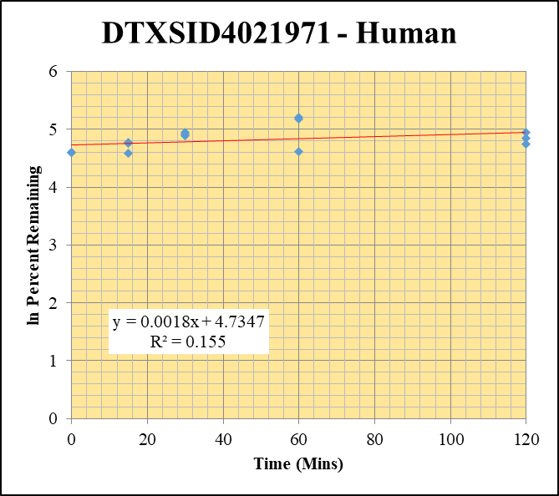
Blank_Human__120_1_____5P1_Inj 2021April16_EPA_3_1uM | DTXSID4021971 | 157.969 > 79.863 | 205024.391 | 23900.385 | 8.5782882159 |  |  |  | DTXSID4021971 - Human | Time (Mins) | % Remaining Replica 1 | % Remaining Replica 2 | % Remaining Replica 3 | Average
Blank_Human__120_2_____5P1_Inj 2021April16_EPA_4_1uM | DTXSID4021971 | 157.969 > 79.863 | 223241.719 | 22970.811 | 9.7184953113 |  |  |  | Time (Mins) | 120 | 115% | 140% | 128% | 128%
Blank_Human__120_3_____5P1_Inj 2021April16_EPA_5_1uM | DTXSID4021971 | 157.969 > 79.863 | 195648.531 | 23638.439 | 8.2767111229 |  |  |  | ln Percent Remaining | 60 | 181% | 177% | 101% | 153%
DTXSID4021971_Human__120_1_____5P1_Inj 2021April16_EPA_96_1uM | DTXSID4021971 | 157.969 > 79.863 | 324901.906 | 15161.229 | 21.42978686 | 115.01799372 | 120 | 4.7450885832 |  | 30 | 134% | 136% | 142% | 137%
DTXSID4021971_Human__120_2_____5P1_Inj 2021April16_EPA_97_1uM | DTXSID4021971 | 157.969 > 79.863 | 328211.75 | 13355.425 | 24.575163276 | 140.17550958 | 120 | 4.9428952773 |  | 15 | 98.6% | 119% | 116% | 111%
DTXSID4021971_Human__120_3_____5P1_Inj 2021April16_EPA_98_1uM | DTXSID4021971 | 157.969 > 79.863 | 314127.031 | 12237.821 | 25.668542709 | 127.70053961 | 120 | 4.8496879887 |  | 0 | 100% | 100% | 100% | 100%
DTXSID4021971_Human__60_1_____5P2_Inj 2021April16_EPA_99_1uM | DTXSID4021971 | 157.969 > 79.863 | 309185.469 | 10790.398 | 28.653759481 | 181.10849572 | 60 | 5.1990962756
DTXSID4021971_Human__60_2_____5P2_Inj 2021April16_EPA_100_1uM | DTXSID4021971 | 157.969 > 79.863 | 305444.188 | 10635.639 | 28.718931509 | 177.13183486 | 60 | 5.176894285 |  | Slope | 0.00179
DTXSID4021971_Human__60_3_____5P2_Inj 2021April16_EPA_101_1uM | DTXSID4021971 | 157.969 > 79.863 | 301977.563 | 13592.769 | 22.216044648 | 101.47405454 | 60 | 4.6198031455 |  | Intercept | 4.73
DTXSID4021971_Human__30_1_____5P3_Inj 2021April16_EPA_102_1uM | DTXSID4021971 | 157.969 > 79.863 | 286585.313 | 12212.73 | 23.466113883 | 133.64789201 | 30 | 4.89520867 |  | R2 | 0.155
DTXSID4021971_Human__30_2_____5P3_Inj 2021April16_EPA_103_1uM | DTXSID4021971 | 157.969 > 79.863 | 285911.063 | 11873.044 | 24.080687564 | 135.76551264 | 30 | 4.9109292259 |  | T½ (mins) | >480
DTXSID4021971_Human__30_3_____5P3_Inj 2021April16_EPA_104_1uM | DTXSID4021971 | 157.969 > 79.863 | 284543.094 | 10347.417 | 27.498949158 | 141.60500142 | 30 | 4.9530415014 |  | CLint (µl/min/106 cells) | 0.0
DTXSID4021971_Human__15_1_____5P4_Inj 2021April16_EPA_105_1uM | DTXSID4021971 | 157.969 > 79.863 | 235082.266 | 11972.207 | 19.635666674 | 98.603991343 | 15 | 4.5911117409 |  | Comments
DTXSID4021971_Human__15_2_____5P4_Inj 2021April16_EPA_106_1uM | DTXSID4021971 | 157.969 > 79.863 | 239608.906 | 10794.901 | 22.196489435 | 118.96123329 | 15 | 4.7787976694
DTXSID4021971_Human__15_3_____5P4_Inj 2021April16_EPA_107_1uM | DTXSID4021971 | 157.969 > 79.863 | 250478.828 | 10376.443 | 24.139180257 | 116.08292222 | 15 | 4.7543047824
DTXSID4021971_Human__0_1_____5P5_Inj 2021April16_EPA_108_1uM | DTXSID4021971 | 157.969 > 79.863 | 78268.055 | 3955.278 | 19.78825635 | 100 | 0 | 4.605170186
DTXSID4021971_Human__0_2_____5P5_Inj 2021April16_EPA_109_1uM | DTXSID4021971 | 157.969 > 79.863 | 84412.078 | 4205.791 | 20.070440495 | 100 | 0 | 4.605170186
DTXSID4021971_Human__0_3_____5P5_Inj 2021April16_EPA_110_1uM | DTXSID4021971 | 157.969 > 79.863 | 85531.523 | 3883.913 | 22.021997661 | 100 | 0 | 4.605170186

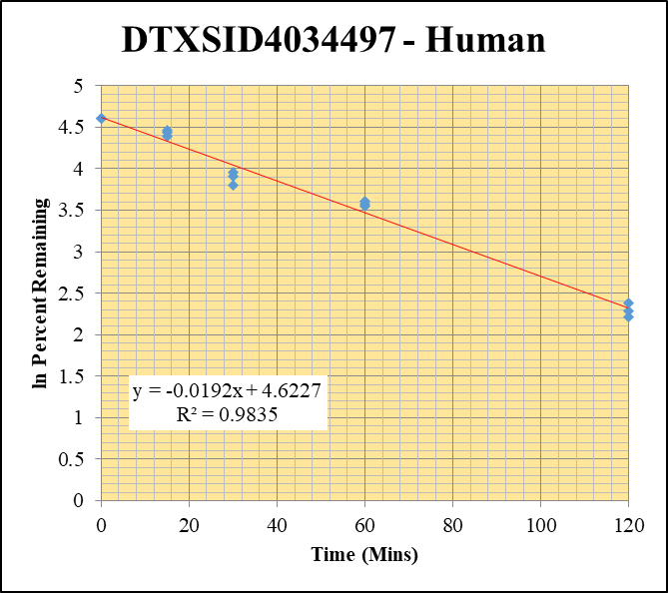
Blank_Human__120_1_____5P1_Inj 2021April16_EPA_3_1uM | DTXSID4034497 | 320.112 > 69.824 | 15.434 | 23900.385 | 0.00064576365611 |  |  |  | DTXSID4034497 - Human | Time (Mins) | % Remaining Replica 1 | % Remaining Replica 2 | % Remaining Replica 3 | Average
Blank_Human__120_2_____5P1_Inj 2021April16_EPA_4_1uM | DTXSID4034497 | 320.112 > 69.824 | 5.271 | 22970.811 | 0.00022946512424 |  |  |  | Time (Mins) | 120 | 9.11% | 9.86% | 10.9% | 9.94%
Blank_Human__120_3_____5P1_Inj 2021April16_EPA_5_1uM | DTXSID4034497 | 320.112 > 69.824 | 20.735 | 23638.439 | 0.00087717298084 |  |  |  | ln Percent Remaining | 60 | 35.4% | 34.5% | 36.7% | 35.5%
DTXSID4034497_Human__120_1_____5P1_Inj 2021April16_EPA_336_1uM | DTXSID4034497 | 320.112 > 69.824 | 2267.284 | 4656.28 | 0.48693033924 | 9.1101289051 | 120 | 2.209386861 |  | 30 | 52.4% | 44.8% | 49.8% | 49.0%
DTXSID4034497_Human__120_2_____5P1_Inj 2021April16_EPA_337_1uM | DTXSID4034497 | 320.112 > 69.824 | 2189.046 | 3875.979 | 0.56477240976 | 9.8578190486 | 120 | 2.2882649523 |  | 15 | 84.2% | 87.1% | 80.9% | 84.1%
DTXSID4034497_Human__120_3_____5P1_Inj 2021April16_EPA_338_1uM | DTXSID4034497 | 320.112 > 69.824 | 2139.194 | 3526.781 | 0.60655708421 | 10.861303875 | 120 | 2.3852063694 |  | 0 | 100% | 100% | 100% | 100%
DTXSID4034497_Human__60_1_____5P2_Inj 2021April16_EPA_339_1uM | DTXSID4034497 | 320.112 > 69.824 | 5851.568 | 3098.861 | 1.8882963773 | 35.360205723 | 60 | 3.5655870557
DTXSID4034497_Human__60_2_____5P2_Inj 2021April16_EPA_340_1uM | DTXSID4034497 | 320.112 > 69.824 | 6671.272 | 3373.561 | 1.9775163396 | 34.542086018 | 60 | 3.5421784652 |  | Slope | -0.0192
DTXSID4034497_Human__60_3_____5P2_Inj 2021April16_EPA_341_1uM | DTXSID4034497 | 320.112 > 69.824 | 6334.599 | 3092.749 | 2.0482098612 | 36.701118812 | 60 | 3.6028072399 |  | Intercept | 4.62
DTXSID4034497_Human__30_1_____5P3_Inj 2021April16_EPA_342_1uM | DTXSID4034497 | 320.112 > 69.824 | 9763.153 | 3491.279 | 2.7964402157 | 52.371354041 | 30 | 3.9583597632 |  | R2 | 0.984
DTXSID4034497_Human__30_2_____5P3_Inj 2021April16_EPA_343_1uM | DTXSID4034497 | 320.112 > 69.824 | 9145.221 | 3562.83 | 2.5668418083 | 44.839116426 | 30 | 3.803080893 |  | T½ (mins) | 36.1
DTXSID4034497_Human__30_3_____5P3_Inj 2021April16_EPA_344_1uM | DTXSID4034497 | 320.112 > 69.824 | 9661.609 | 3476.307 | 2.7792738098 | 49.804521686 | 30 | 3.9081057768 |  | CLint (µl/min/106 cells) | 38.4
DTXSID4034497_Human__15_1_____5P4_Inj 2021April16_EPA_345_1uM | DTXSID4034497 | 320.112 > 69.824 | 14797.26 | 3290.494 | 4.4969721872 | 84.225340558 | 15 | 4.4334958327 |  | Comments
DTXSID4034497_Human__15_2_____5P4_Inj 2021April16_EPA_346_1uM | DTXSID4034497 | 320.112 > 69.824 | 13634.127 | 2735.03 | 4.9850008958 | 87.090569949 | 15 | 4.466948611
DTXSID4034497_Human__15_3_____5P4_Inj 2021April16_EPA_347_1uM | DTXSID4034497 | 320.112 > 69.824 | 14928.232 | 3305.537 | 4.5161291494 | 80.935471706 | 15 | 4.3936521916
DTXSID4034497_Human__0_1_____5P5_Inj 2021April16_EPA_348_1uM | DTXSID4034497 | 320.112 > 69.824 | 18894.396 | 3538.869 | 5.3391057991 | 100 | 0 | 4.605170186
DTXSID4034497_Human__0_2_____5P5_Inj 2021April16_EPA_349_1uM | DTXSID4034497 | 320.112 > 69.824 | 17591.051 | 3073.295 | 5.7238406987 | 100 | 0 | 4.605170186
DTXSID4034497_Human__0_3_____5P5_Inj 2021April16_EPA_350_1uM | DTXSID4034497 | 320.112 > 69.824 | 19039.824 | 3412.292 | 5.579775705 | 100 | 0 | 4.605170186

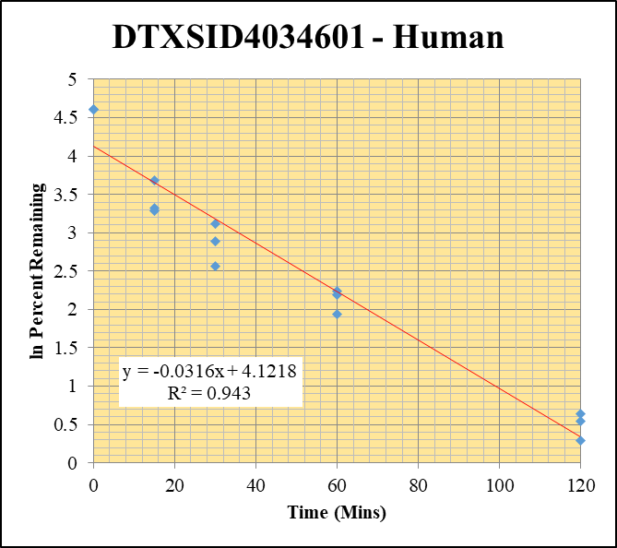
Blank_Human__120_1_____5P1_Inj 2021April16_EPA_3_1uM | DTXSID4034601 | 304.206 > 146.954 | 0.051 | 23900.385 | 2.1338568395E-06 |  |  |  | DTXSID4034601 - Human | Time (Mins) | % Remaining Replica 1 | % Remaining Replica 2 | % Remaining Replica 3 | Average
Blank_Human__120_2_____5P1_Inj 2021April16_EPA_4_1uM | DTXSID4034601 | 304.206 > 146.954 | 0.012 | 22970.811 | 5.2240210413E-07 |  |  |  | Time (Mins) | 120 | 1.90% | 1.34% | 1.72% | 1.65%
Blank_Human__120_3_____5P1_Inj 2021April16_EPA_5_1uM | DTXSID4034601 | 304.206 > 146.954 | 0.915 | 23638.439 | 3.8708139738E-05 |  |  |  | ln Percent Remaining | 60 | 6.95% | 8.95% | 9.38% | 8.43%
DTXSID4034601_Human__120_1_____5P1_Inj 2021April16_EPA_296_1uM | DTXSID4034601 | 304.206 > 146.954 | 80.983 | 4980.35 | 0.01626050378 | 1.900178529 | 120 | 0.64194784437 |  | 30 | 13.0% | 18.0% | 22.6% | 17.9%
DTXSID4034601_Human__120_2_____5P1_Inj 2021April16_EPA_297_1uM | DTXSID4034601 | 304.206 > 146.954 | 44.791 | 4713.044 | 0.0095036244092 | 1.3399589794 | 120 | 0.29263900111 |  | 15 | 27.7% | 26.6% | 39.6% | 31.3%
DTXSID4034601_Human__120_3_____5P1_Inj 2021April16_EPA_298_1uM | DTXSID4034601 | 304.206 > 146.954 | 60.637 | 4606.204 | 0.01316420202 | 1.7189941892 | 120 | 0.54173934605 |  | 0 | 100% | 100% | 100% | 100%
DTXSID4034601_Human__60_1_____5P2_Inj 2021April16_EPA_299_1uM | DTXSID4034601 | 304.206 > 146.954 | 210.545 | 3541.129 | 0.059457026276 | 6.9523445394 | 60 | 1.9390789465
DTXSID4034601_Human__60_2_____5P2_Inj 2021April16_EPA_300_1uM | DTXSID4034601 | 304.206 > 146.954 | 267.273 | 4214.532 | 0.063417005732 | 8.9524948873 | 60 | 2.1919322518 |  | Slope | -0.0316
DTXSID4034601_Human__60_3_____5P2_Inj 2021April16_EPA_301_1uM | DTXSID4034601 | 304.206 > 146.954 | 281.781 | 3926.879 | 0.071756985637 | 9.3781184899 | 60 | 2.2383791555 |  | Intercept | 4.12
DTXSID4034601_Human__30_1_____5P3_Inj 2021April16_EPA_302_1uM | DTXSID4034601 | 304.206 > 146.954 | 515.27 | 4645.076 | 0.11092821732 | 12.972296769 | 30 | 2.5628160658 |  | R2 | 0.943
DTXSID4034601_Human__30_2_____5P3_Inj 2021April16_EPA_303_1uM | DTXSID4034601 | 304.206 > 146.954 | 607.823 | 4760.054 | 0.12769245895 | 18.028148902 | 30 | 2.8919343643 |  | T½ (mins) | 22.0
DTXSID4034601_Human__30_3_____5P3_Inj 2021April16_EPA_304_1uM | DTXSID4034601 | 304.206 > 146.954 | 791.808 | 4578.318 | 0.17294735752 | 22.605509108 | 30 | 3.1181936424 |  | CLint (µl/min/106 cells) | 63.1
DTXSID4034601_Human__15_1_____5P4_Inj 2021April16_EPA_305_1uM | DTXSID4034601 | 304.206 > 146.954 | 1136.11 | 4796.63 | 0.2368558759 | 27.700506348 | 15 | 3.3214506928 |  | Comments
DTXSID4034601_Human__15_2_____5P4_Inj 2021April16_EPA_306_1uM | DTXSID4034601 | 304.206 > 146.954 | 1240.453 | 6590.029 | 0.18823179686 | 26.576265758 | 15 | 3.2800185527
DTXSID4034601_Human__15_3_____5P4_Inj 2021April16_EPA_307_1uM | DTXSID4034601 | 304.206 > 146.954 | 1512.777 | 4987.573 | 0.3033092448 | 39.646138296 | 15 | 3.6799935485
DTXSID4034601_Human__0_1_____5P5_Inj 2021April16_EPA_308_1uM | DTXSID4034601 | 304.206 > 146.954 | 4491.45 | 5253.012 | 0.85502374638 | 100 | 0 | 4.605170186
DTXSID4034601_Human__0_2_____5P5_Inj 2021April16_EPA_309_1uM | DTXSID4034601 | 304.206 > 146.954 | 3599.712 | 5082.672 | 0.70823220542 | 100 | 0 | 4.605170186
DTXSID4034601_Human__0_3_____5P5_Inj 2021April16_EPA_310_1uM | DTXSID4034601 | 304.206 > 146.954 | 4153.978 | 5429.894 | 0.76502009063 | 100 | 0 | 4.605170186

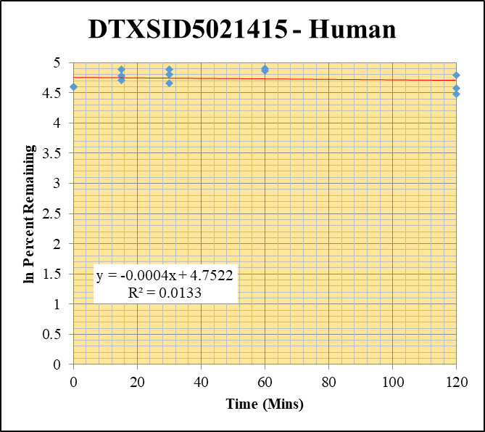
Blank_Human__120_1_____5P1_Inj 2021April16_EPA_3_1uM | DTXSID5021415 | 192.105 > 97.969 | 21.788 | 23900.385 | 0.00091161711412 |  |  |  | DTXSID5021415 - Human | Time (Mins) | % Remaining Replica 1 | % Remaining Replica 2 | % Remaining Replica 3 | Average
Blank_Human__120_2_____5P1_Inj 2021April16_EPA_4_1uM | DTXSID5021415 | 192.105 > 97.969 | 32.482 | 22970.811 | 0.0014140554289 |  |  |  | Time (Mins) | 120 | 88.0% | 96.7% | 120% | 102%
Blank_Human__120_3_____5P1_Inj 2021April16_EPA_5_1uM | DTXSID5021415 | 192.105 > 97.969 | 22.395 | 23638.439 | 0.00094739758408 |  |  |  | ln Percent Remaining | 60 | 129% | 134% | 135% | 133%
DTXSID5021415_Human__120_1_____5P1_Inj 2021April16_EPA_216_1uM | DTXSID5021415 | 192.105 > 97.969 | 2198.835 | 5720.919 | 0.38434996196 | 88.032428799 | 120 | 4.4777052557 |  | 30 | 121% | 105% | 132% | 120%
DTXSID5021415_Human__120_2_____5P1_Inj 2021April16_EPA_217_1uM | DTXSID5021415 | 192.105 > 97.969 | 2348.188 | 5349.143 | 0.43898396435 | 96.738658228 | 120 | 4.5720130974 |  | 15 | 133% | 111% | 119% | 121%
DTXSID5021415_Human__120_3_____5P1_Inj 2021April16_EPA_218_1uM | DTXSID5021415 | 192.105 > 97.969 | 2240.808 | 4875.918 | 0.45956638319 | 120.42965795 | 120 | 4.791065831 |  | 0 | 100% | 100% | 100% | 100%
DTXSID5021415_Human__60_1_____5P2_Inj 2021April16_EPA_219_1uM | DTXSID5021415 | 192.105 > 97.969 | 2605.593 | 4626.676 | 0.56316737978 | 129.10578683 | 60 | 4.8606321212
DTXSID5021415_Human__60_2_____5P2_Inj 2021April16_EPA_220_1uM | DTXSID5021415 | 192.105 > 97.969 | 2773.036 | 4547.793 | 0.60975422584 | 134.4649708 | 60 | 4.9013037249 |  | Slope | -0.000369
DTXSID5021415_Human__60_3_____5P2_Inj 2021April16_EPA_221_1uM | DTXSID5021415 | 192.105 > 97.969 | 2293.368 | 4466.576 | 0.5134510193 | 134.58376276 | 60 | 4.9021867766 |  | Intercept | 4.75
DTXSID5021415_Human__30_1_____5P3_Inj 2021April16_EPA_222_1uM | DTXSID5021415 | 192.105 > 97.969 | 2295.709 | 4332.813 | 0.52984262187 | 121.45127683 | 30 | 4.7995131686 |  | R2 | 0.0133
DTXSID5021415_Human__30_2_____5P3_Inj 2021April16_EPA_223_1uM | DTXSID5021415 | 192.105 > 97.969 | 2029.706 | 4253.928 | 0.47713689559 | 105.16734714 | 30 | 4.6555528637 |  | T½ (mins) | 1877
DTXSID5021415_Human__30_3_____5P3_Inj 2021April16_EPA_224_1uM | DTXSID5021415 | 192.105 > 97.969 | 2135.468 | 4235.188 | 0.50422035574 | 132.1591054 | 30 | 4.8840065407 |  | CLint (µl/min/106 cells) | 0.739
DTXSID5021415_Human__15_1_____5P4_Inj 2021April16_EPA_225_1uM | DTXSID5021415 | 192.105 > 97.969 | 2591.458 | 4483.032 | 0.5780592242 | 132.52635998 | 15 | 4.8867815689 |  | Comments
DTXSID5021415_Human__15_2_____5P4_Inj 2021April16_EPA_226_1uM | DTXSID5021415 | 192.105 > 97.969 | 2532.527 | 5043.895 | 0.50209748617 | 110.68160374 | 15 | 4.7066576447
DTXSID5021415_Human__15_3_____5P4_Inj 2021April16_EPA_227_1uM | DTXSID5021415 | 192.105 > 97.969 | 2406.465 | 5293.4 | 0.45461612574 | 119.12935293 | 15 | 4.7802099022
DTXSID5021415_Human__0_1_____5P5_Inj 2021April16_EPA_228_1uM | DTXSID5021415 | 192.105 > 97.969 | 2224.843 | 5097.565 | 0.43645210998 | 100 | 0 | 4.605170186
DTXSID5021415_Human__0_2_____5P5_Inj 2021April16_EPA_229_1uM | DTXSID5021415 | 192.105 > 97.969 | 2011.456 | 4432.994 | 0.45374661008 | 100 | 0 | 4.605170186
DTXSID5021415_Human__0_3_____5P5_Inj 2021April16_EPA_230_1uM | DTXSID5021415 | 192.105 > 97.969 | 1719.264 | 4503.158 | 0.38179073441 | 100 | 0 | 4.605170186

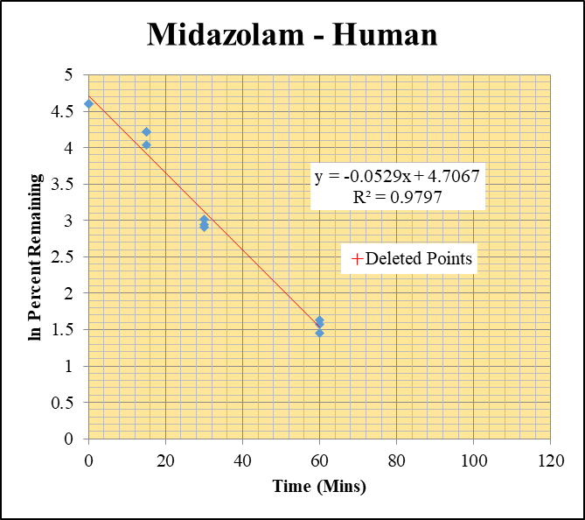
Blank_Human_1_____5P1_Inj 2021April16_EPA_3_1 uM | Midazolam | 326.121 > 291.203 | 0.019 | 23900.385 | 7.9496627356E-07 |  |  |  | Midazolam - Human | Time (Mins) | % Remaining Replica 1 | % Remaining Replica 2 | % Remaining Replica 3 | Average
Blank_Human_2_____5P1_Inj 2021April16_EPA_4_1 uM | Midazolam | 326.121 > 291.203 | 0.772 | 22970.811 | 3.3607868699E-05 |  |  |  | Time (Mins) | 120 | 0.68% | 0.47% | 0.53%
Blank_Human_3_____5P1_Inj 2021April16_EPA_5_1 uM | Midazolam | 326.121 > 291.203 | 0.024 | 23638.439 | 1.0152954685E-06 |  |  |  | ln Percent Remaining | 60 | 5.14% | 4.83% | 4.28% | 4.75%
Midazolam_Human_120_1_____5P1_Inj 2021April16_EPA_16_1 uM | Midazolam | 326.121 > 291.203 | 380.044 | 22322.879 | 0.017024864938 | 0.68226359096 | 120 | -0.382 |  | 30 | 18.2% | 20.3% | 19.1% | 19.2%
Midazolam_Human_120_2_____5P1_Inj 2021April16_EPA_17_1 uM | Midazolam | 326.121 > 291.203 | 256.502 | 21369.229 | 0.012003334327 | 0.46973770545 | 120 | -0.756 |  | 15 | 68.2% | 67.9% | 56.7% | 64.3%
Midazolam_Human_120_3_____5P1_Inj 2021April16_EPA_18_1 uM | Midazolam | 326.121 > 291.203 | 334.477 | 23001.602 | 0.014541465416 | 0.52784078226 | 120 | -0.639 |  | 0 | 100% | 100% | 100% | 100%
Midazolam_Human_60_1_____5P2_Inj 2021April16_EPA_19_1 uM | Midazolam | 326.121 > 291.203 | 2009.112 | 15686.807 | 0.12807654228 | 5.1356964884 | 60 | 1.6362154697
Midazolam_Human_60_2_____5P2_Inj 2021April16_EPA_20_1 uM | Midazolam | 326.121 > 291.203 | 2378.755 | 19307.703 | 0.12320238197 | 4.8256783539 | 60 | 1.5739513164 |  | Slope | -0.0529
Midazolam_Human_60_3_____5P2_Inj 2021April16_EPA_21_1 uM | Midazolam | 326.121 > 291.203 | 2090.435 | 17751.012 | 0.11776427169 | 4.2777708676 | 60 | 1.4534320486 |  | Intercept | 4.71
Midazolam_Human_30_1_____5P3_Inj 2021April16_EPA_22_1 uM | Midazolam | 326.121 > 291.203 | 8780.201 | 19350.303 | 0.45375005239 | 18.195968593 | 30 | 2.9012000637 |  | R2 | 0.980
Midazolam_Human_30_2_____5P3_Inj 2021April16_EPA_23_1 uM | Midazolam | 326.121 > 291.203 | 10967.168 | 21159.117 | 0.51831879374 | 20.30336162 | 30 | 3.0107864694 |  | T½ (mins) | 13.1
Midazolam_Human_30_3_____5P3_Inj 2021April16_EPA_24_1 uM | Midazolam | 326.121 > 291.203 | 9831.64 | 18729.783 | 0.52492012321 | 19.069133669 | 30 | 2.9480709896 |  | CLint (µl/min/106 cells) | 105.8
Midazolam_Human_15_1_____5P4_Inj 2021April16_EPA_25_1 uM | Midazolam | 326.121 > 291.203 | 40368.078 | 23734.143 | 1.7008441383 | 68.207368343 | 15 | 4.2225525992 |  | Comments | Points Deleted: (120,-0.3820) (120,-0.7560) (120,-0.6390)
Midazolam_Human_15_2_____5P4_Inj 2021April16_EPA_26_1 uM | Midazolam | 326.121 > 291.203 | 36113.949 | 20821.201 | 1.7344796297 | 67.943377722 | 15 | 4.2186746778
Midazolam_Human_15_3_____5P4_Inj 2021April16_EPA_27_1 uM | Midazolam | 326.121 > 291.203 | 33559.094 | 21508.426 | 1.5602766097 | 56.682085477 | 15 | 4.037458208
Midazolam_Human_0_1_____5P5_Inj 2021April16_EPA_28_1 uM | Midazolam | 326.121 > 291.203 | 58095.219 | 23297.436 | 2.4936314451 | 100 | 0 | 4.605170186
Midazolam_Human_0_2_____5P5_Inj 2021April16_EPA_29_1 uM | Midazolam | 326.121 > 291.203 | 53600.918 | 20996.703 | 2.5528254603 | 100 | 0 | 4.605170186
Midazolam_Human_0_3_____5P5_Inj 2021April16_EPA_30_1 uM | Midazolam | 326.121 > 291.203 | 56835.742 | 20647.486 | 2.7526712937 | 100 | 0 | 4.605170186

