Verapamil_Sep14
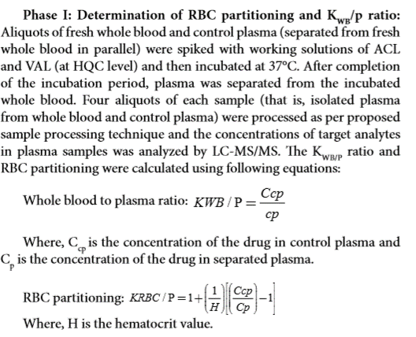
Human Data :

SampleName | DataPathName | SamplePosition | SampleType | LevelName | AcqTime | CompoundName | ExpectedConcentration | ISTD RetentionTime | Transition | Accuracy | Area | Dilution | ISTD Area | ISTDResponseRatio | RetentionTime | Conc. | ManuallyIntegrated | AcqMethodFileName
Verapamil_Human_Ref Plasma__1_____XP1-A10_Inj EPA_091520_15 |  |  |  |  | 9/15/20 | Verapamil | N/A | 1.06 | 455.2 / 150.0 | N/A | 3760000 | 1 | 8654000 | 0.4345 | 1.03
Verapamil_Human_Ref Plasma__2_____XP1-B10_Inj EPA_091520_16 |  |  |  |  | 9/15/20 | Verapamil | N/A | 1.07 | 455.2 / 150.0 | N/A | 3855000 | 1 | 8663000 | 0.445 | 1.04
Verapamil_Human_Ref Plasma__3_____XP1-A6_Inj EPA_091520_17 |  |  |  |  | 9/15/20 | Verapamil | N/A | 1.06 | 455.2 / 150.0 | N/A | 2923000 | 1 | 8592000 | 0.3403 | 1.04
Verapamil_Human_Ref Plasma__4_____XP1F15_Inj EPA_091520_18 |  |  |  |  | 9/15/20 | Verapamil | N/A | 1.06 | 455.2 / 150.0 | N/A | 4115000 | 1 | 8559000 | 0.4808 | 1.04
Verapamil_Human_Plasma__1_____XP1-A10_Inj EPA_091520_10 |  |  |  |  | 9/15/20 | Verapamil | N/A | 1.06 | 455.2 / 150.0 | N/A | 3712000 | 1 | 8728000 | 0.4253 | 1.03
Verapamil_Human_Plasma__2_____XP1-B10_Inj EPA_091520_11 |  |  |  |  | 9/15/20 | Verapamil | N/A | 1.06 | 455.2 / 150.0 | N/A | 3486000 | 1 | 8662000 | 0.4024 | 1.03
Verapamil_Human_Plasma__3_____XP1-A6_Inj EPA_091520_12 |  |  |  |  | 9/15/20 | Verapamil | N/A | 1.06 | 455.2 / 150.0 | N/A | 2904000 | 1 | 8901000 | 0.3263 | 1.03
Verapamil_Human_Plasma__4_____XP1F15_Inj EPA_091520_13 |  |  |  |  | 9/15/20 | Verapamil | N/A | 1.06 | 455.2 / 150.0 | N/A | 3982000 | 1 | 8595000 | 0.4632 | 1.03
BLANK_Human___1_____X_Inj EPA_091520_6 |  |  |  |  | 9/15/20 | Verapamil | N/A | 1.06 | 455.2 / 150.0 | N/A | 141.3 | 1 | 8712000 | 0.00001622 | 1.01
BLANK_Human___2_____X_Inj EPA_091520_7 |  |  |  |  | 9/15/20 | Verapamil | N/A | 1.06 | 455.2 / 150.0 | N/A | 49.84 | 1 | 8848000 | 0.000005633 | 1.03

SampleName | Area | ISTD Area | ISTDResponseRatio | Blanked | Cb/Cp Ratio | Kp, Partition ratio
Verapamil_Human_Ref Plasma__1_____XP1-A10_Inj EPA_091520_15 | 3,760,000 | 8,654,000 | 0.435 | 0.434 | 1.00 | 1.00
Verapamil_Human_Ref Plasma__2_____XP1-B10_Inj EPA_091520_16 | 3,855,000 | 8,663,000 | 0.445 | 0.445 | 1.06 | 1.13
Verapamil_Human_Ref Plasma__3_____XP1-A6_Inj EPA_091520_17 | 2,923,000 | 8,592,000 | 0.340 | 0.340 | 1.30 | 1.67
Verapamil_Human_Ref Plasma__4_____XP1F15_Inj EPA_091520_18 | 4,115,000 | 8,559,000 | 0.481 | 0.481 | 0.92 | 0.82
Verapamil_Human_Plasma__1_____XP1-A10_Inj EPA_091520_10 | 3,712,000 | 8,728,000 | 0.425 | 0.425 | average | average
Verapamil_Human_Plasma__2_____XP1-B10_Inj EPA_091520_11 | 3,486,000 | 8,662,000 | 0.402 | 0.402 | 1.07 | 1.15 |  | If Kp is negative, convert to zero when calculating average
Verapamil_Human_Plasma__3_____XP1-A6_Inj EPA_091520_12 | 2,904,000 | 8,901,000 | 0.326 | 0.326
Verapamil_Human_Plasma__4_____XP1F15_Inj EPA_091520_13 | 3,982,000 | 8,595,000 | 0.463 | 0.463 | HCT | 0.45 |  | Make sure HCT level is correct for each species
BLANK_Human___1_____X_Inj EPA_091520_6 | 141 | 8,712,000 | 0.000
BLANK_Human___2_____X_Inj EPA_091520_7 | 50 | 8,848,000 | 0.000 | 0.000

