Sheet1
Lake | Volume(m3) | Surface Area (m2) | Mean Reservoir Depth (m) | Max Reservoir Depth (m) | Percent Reservoir Area Shallower than Xm Contour | Surface Area < 3m (or closest contour) | Xm Shallow contour (m) | Notes | More Notes | Source
J.C. Boyle | 2,918,831.27 | 1,338,471.77 | 2.16 | 12.00 | 75.01 | 1,004,028.29 | 3 | Abbrev. JCB |  | Harrison et al.
Little Kachess Lake | 1,055,810,216.44 | 17,273,092.08 | 60.07 | 123.75 | 18.14 | 3,132,987.82 | 12 | The bathymetry did not cover the southern portion of the lake completely. It is possible that there are shallows in that portion. | Determined shallow contour by converting tin to contours then selecting the most complete contour closest to 3 meters | Harrison et al.
Keno Lake | 1,020,248.60 | 438,381.05 | 1.64 | 5.75 | 81.34 | 356,560.63 | 3 | Used furthest contour for shoreline | The contour data received for Keno was a very a small portion of the actual lake that was studied in the Harrison manuscript (see map in Column L - green dots represent Harrison study area, black outline is the available bathymetry) | Harrison et al. | 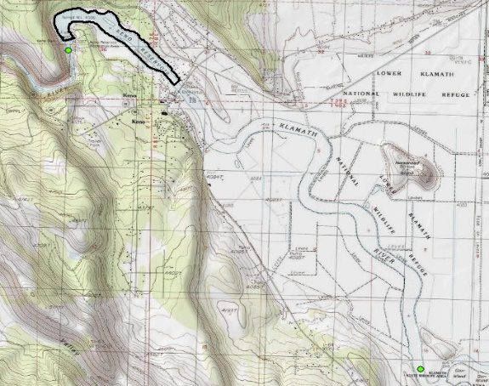
Lacamas Lake | 8,623,007.59 | 1,186,484.94 | 8.59 | 19.81 | 27.93 | 331,356.26 | 3 | Used furthest contour for shoreline |  | USGS and Washington Department of Fish and Wildlife
Foster Lake | 62,593,141.50 | 4,020,915.47 | 15.240 | 30.480 | 40.93 | 1,645,606.35 | 15 | Used furthest contour for shoreline. | Determined shallow using contour closest to 3 meters, but there was only 3 values to choose from so this shallow % may be inaccurate | http://www.gpsnauticalcharts.com/main/us_or_ordfw_foster_lake-foster-lake-nautical-chart.html
Cle Elum | 730931352.62 | 14690201.707 | 50.356 | 92.964 | 12.46 | 1,830,181.01 | 18 | Bathymetry doesn't cover entire lake (I used both available datasets). Elevation of shoreline comes from USGS topomap. | Smallest bathymetry value greater than 3 meters. Determined shallow contour by converting tin to contours then selecting the most complete contour closest to 3 meters | Harrison et al.

