SBMH Instructions
2024-2025 SBMH Grantee GPRA Outcome Tracking Tool

This tool has been developed and provided to assist in the tracking of mandatory GPRA annual reporting. Please note this tool is not mandatory to use and is being provided by the METRICS Technical Assistance Center to provide you and your team with additional data collection and reporting guidance. If you have any questions or require additional support, please reach out to the METRICS team at support@metricscenter.org.

How to Use this Tool

This tool is made up of 5 tabs that will hep you to track and report on your grant outcomes:
Tab 1. LEA List & Summary Sheet: This is where you will keep a running list of all LEA partners participating in your grant program.
Tab 2. GPRA 1, 2, 4 Tracking: This is where you will track each provider's employment status (e.g., New Hire, Retained, Previously Retained, Left Position)
Tab 3. GPRA 3 Ratio Tracking: This is where you will track the ratio of students to providers within each participating LEA.
Tab 4. GPRA 5 Students Served: This is where you will track the number of students who have received services as a result of this SBMH grant within each participating LEA.
Tab 5-9. Annual Reporting Tables (per reporting period): These tables will be auto populated from the information entered into Tabs 2-4. This will support you in your efforts to complete your required Annual Progress Report (APR) submissions. (Tab 5 = 2023, Tab 6 = 2024, Tab 7 = 2025, Tab 8 = 2026, Tab 9 = 2027).

Tab 1. LEA List and Summary Sheet:
Start by adding the name of LEA partners in Column B of this sheet. As information is added to other tabs of this tool, the total number of new hires per LEA will calculate based on their FTEs for each reporting period. This information can be used to complete your "Explanation of Progress". Please refer to the SBMH Guidance Document for more information. PLEASE NOTE: All names entered in this table will be auto populated throughout this tool for convenient reporting. If a name is deleted from this table, it will be deleted from all other tabs.

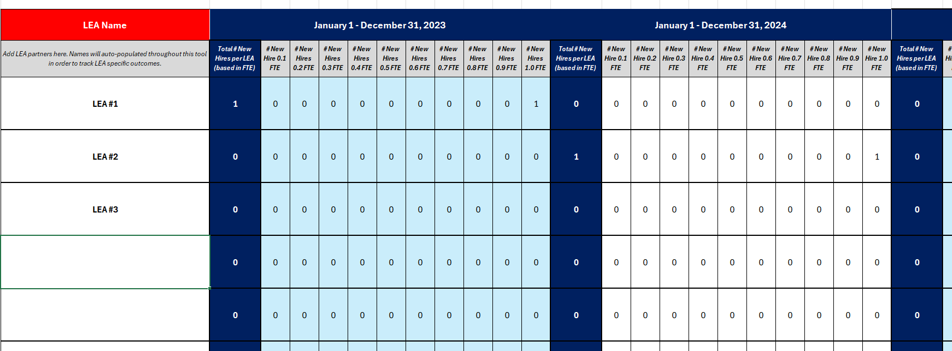

All names entered in this table will be auto populated throughout this tool! Any changes made to the Name column here will also be reflected in Tabs 1-4.

Tab 2. GPRA 1, 2, 4 Hire, Retention, Attrition Tracking
Enter the names of each SBMH provider, their LEA affiliation, and their FTEs in this tab. Select the following options from the dropdown list provided (New Hire, Retained, Previously Retained, Left Position). This tool will automatically calculate GPRA 1 (Hired:The unduplicated, cumulative number of new school-based mental health services providers hired for each LEA), GPRA 2 (Retained: The unduplicated, cumulative number of school-based mental health services providers retained in LEAs), and GPRA 4 (Attrition: The attrition rate of school-based mental health providers for each LEA) for each respective reporting period.

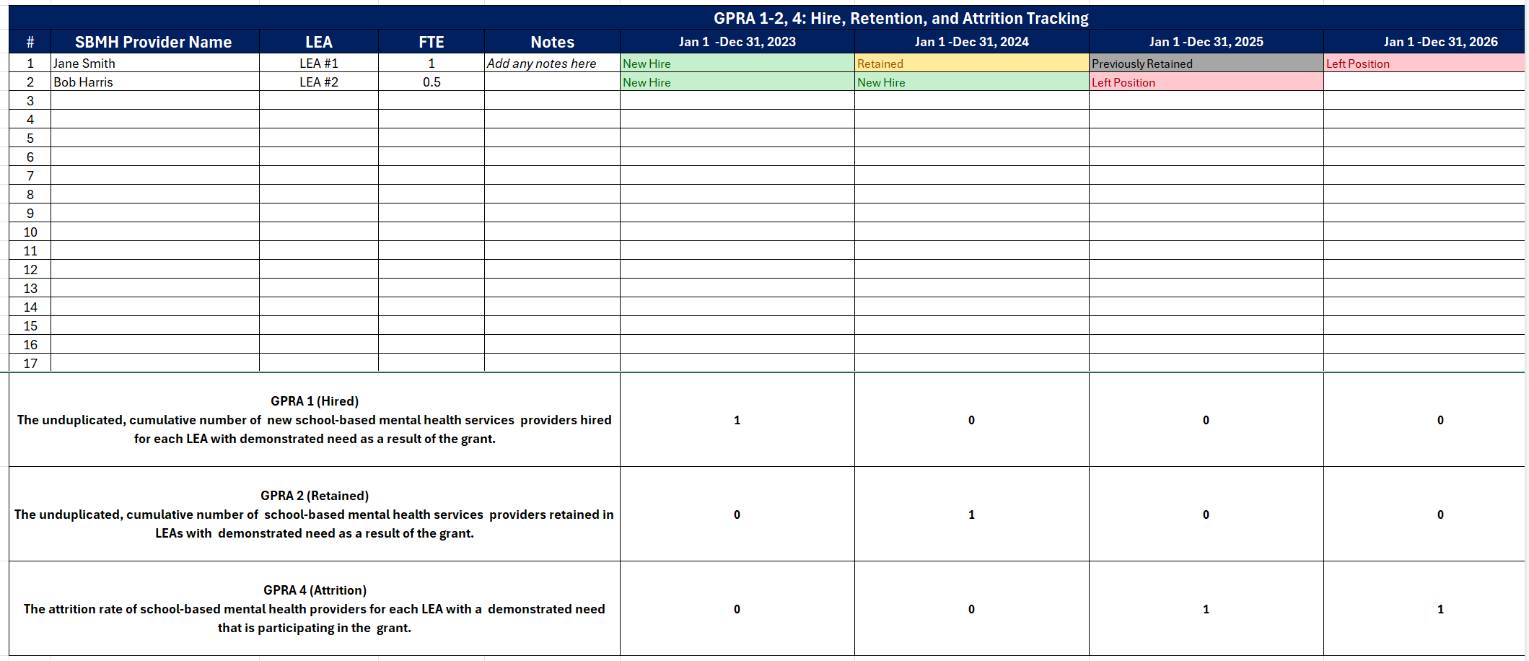

*NOTE* In the instance that a provider is hired at more than one LEA, please only enter the provider's name ONCE in this worksheet.

Tab 3. GPRA 3 Ratio Tracking:
Enter the number of students and providers for each participating LEA. This tool will automatically calculate GPRA 3 (The ratio of students to school-based mental health services providers for each LEA with demonstrated need served by the grant) for each respective reporting period.

This tab will automatically calculate the total number of students to school-based mental health providers for each respective reporting period.

Tab 4. GPRA 5 Students Served Tracking:
Enter the number of students who received school-based mental health services at each LEA for each reporting period. This tool will automatically calculate GPRA 5 (The total number of students who received school-based mental health services as a result of the grant) for each respective reporting period. PLEASE NOTE: A student should be counted only once annually in each year they receive one or more services from any provider. Please refer to the GPRA Guidance Document for more information about GPRA 5.

This tab will automatically calculate GPRA 5 for each respective reporting period.

Tabs 5-9. Annual Progress Report (APR) Table A (per reporting period)
Annual Progress Report Table A will automatically populate from the information entered into Tabs 1 -4. Tabs 5-9 are broken up by reporting period: Tab 5 = 2023, Tab 6 = 2024, Tab 7 = 2025, Tab 8 = 2026, Tab 9 = 2027. Please visit the associated tab to extract the table needed for APR submission. Please note, this tool only calculates the Actual Performance Measure. Please enter your grant's Annual Targets (raw numbers) as reported in your proposal.

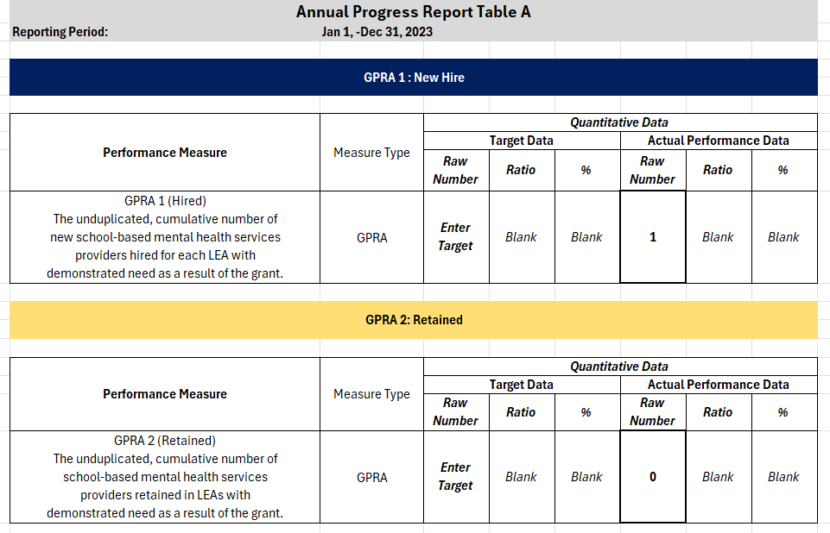

This tool only calculates the Actual Performance Measure. Please enter your grant's Annual Targets (raw or ratio numbers) as reported in your proposal.

This tool has been developed and provided to assist in the tracking of mandatory GPRA annual reporting. Please note this tool is not mandatory to use and is being provided by the METRICS Technical Assistance Center to provide you and your team with additional data collection and reporting guidance. If you have any questions or require customization (e.g., additional participant rows), please reach out to the METRICS team at support@metricscenter.org.

