MHSP Instructions
Version 1

 | MHSP Grantee GPRA Outcome Tracking Tool

 | This tool has been developed and provided to assist in the tracking of mandatory GPRA annual reporting. Please note this tool is not mandatory to use and is being provided by the METRICS Technical Assistance Center to provide you and your team with additional data collection and reporting guidance. If you have any questions or require customization (e.g., additional participant rows), please reach out to the METRICS team at support@metricscenter.org.

 | How to Use this Tool

This tool is made up of 5 tabs that will hep you to track and report on your grant outcomes:
Tab 1. Participant List & Notes: This is where you will keep a running list of all participants funded through the MHSP grant (regardless of their status in the program).
Tab 2. GPRA 1 Training Tracking: This is where you will track each participant's training status in your program (Started Training, Returned for Training but Not Complete, Completed Training, Left Training)
Tab 3. GPRA 2 Placement Tracking: This is where you will track each participant's internship/practicum placement status (Started Practicum/Internship, Returned to Practicum/Internship, Completed Practicum/Internship, Left Practicum/Internship)
Tab 4. GPRA 3 Hire/Retention Tracking: This is where you will track each participant's hiring and retention status (Not Hired, Hired, Retained, Not Retained).
Tab 5-10. Annual Reporting Tables (per reporting period): These tables will be auto populated from the information entered into Tabs 2-4. This will support you in your efforts to complete your required Annual Progress Report (APR) submissions. (Tab 5 = 2023, Tab 6 = 2023-2024, Tab 7 = 2024-2025, Tab 8 = 2025-2026, Tab 9 = 2026-2027, Tab 10 = 2027)

 | Tab 1. Participant List & Notes:
 | This tab allows you to enter all participants recruited under your grant program. You may also use this tab to keep general notes about each participant. PLEASE NOTE: All names entered in this table will be auto populated throughout this tool for convenient reporting. If a name is deleted from this table, it will be deleted from all other tabs. ALL NAMES MUST BE ENTERED IN THIS TAB IN ORDER TO AUTO POPULATE IN OTHER TABS.

PRO TIP: You may add additional columns to this table depending on the needs of your grant and team. For example, add columns to document contact information, starting date, completion dates, etc.

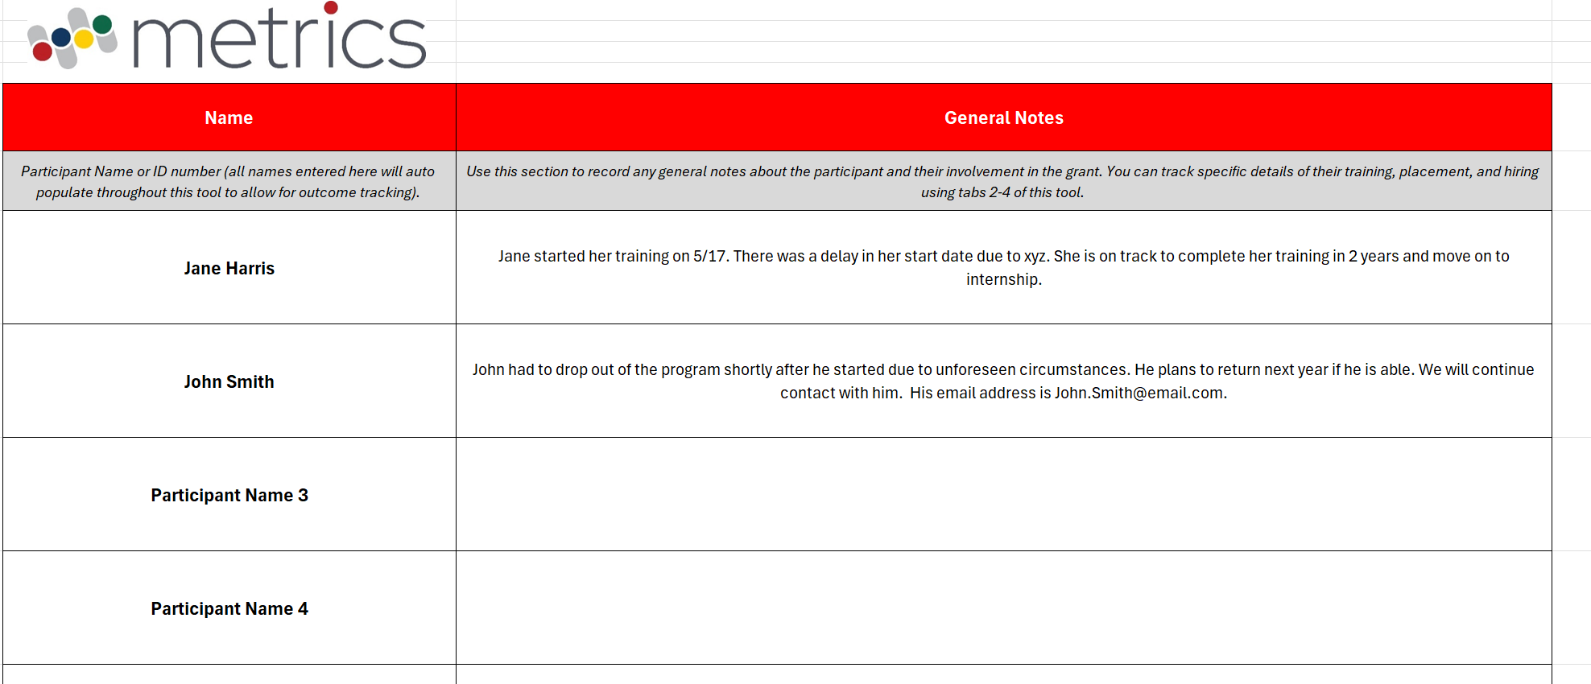

All names entered in this table will be auto populated throughout this tool! Any changes made to the Name column here will also be reflected in Tabs 1-4.

 | Tab 2. GPRA 1 Training Tracking:
 | Enter the training status of each participant for each reporting period. Select the following options from the dropdown list provided (Started Training, Returned & Completed Training, Returned for Training but Didn't Complete, Didn't Return for Training). This tool will automatically calculate GPRA 1A (the annual number of unduplicated participants enrolled in training) and GPRA 1B (the cumulative number of unduplicated participants trained/graduated) for each respective reporting period.

This tab will automatically calculate GPRA 1A and GPRA 1B for each respective reporting period.

 | Tab 3. GPRA 2 Placement Tracking:
 | Enter the training status of each participant for each reporting period. Select the following options from the dropdown list provided (Started Internship/Practicum, Started & Completed Practicum, Started & Didn't Complete Practicum, Returned & Completed Practicum). This tool will automatically calculate GPRA 2A (the annual number of unduplicated participants in placement) and GPRA 2B (the cumulative number of unduplicated participants who completed placement) for each respective reporting period.

This tab will automatically calculate GPRA 2A and GPRA 2B for each respective reporting period.

 | Tab 4. GPRA 3 Hire/Retention Tracking:
 | Enter the training status of each participant for each reporting period. Select the following options from the dropdown list provided (Hired, Trained, Not Hired, Not Retained). This tool will automatically calculate GPRA 2A (the annual number of unduplicated participants hired) and GPRA 2B (the cumulative number of unduplicated participants retained) for each respective reporting period.

This tab will automatically calculate GPRA 3A and GPRA 3B for each respective reporting period.

 | Tabs 5-10. Annual Progress Report (APR) Table A (per reporting period)
 | Annual Progress Report Table A will automatically populate from the information entered into Tabs 1 -4. Tabs 5-10 are broken up by reporting period: Tab 5 = 2023, Tab 6 = 2023-2024, Tab 7 = 2024-2025, Tab 8 = 2025-2026, Tab 9 = 2026-2027, Tab 10 = 2027. Please visit the associated tab to extract the table needed for APR submission. Please note, this tool only calculates the Actual Performance Measure. Please enter your grant's Annual Targets (raw numbers) as reported in your proposal. All Ratio and % data can be left blank when you submit as your APR as the stated GPRA measures only require the submission of Raw Numbers.

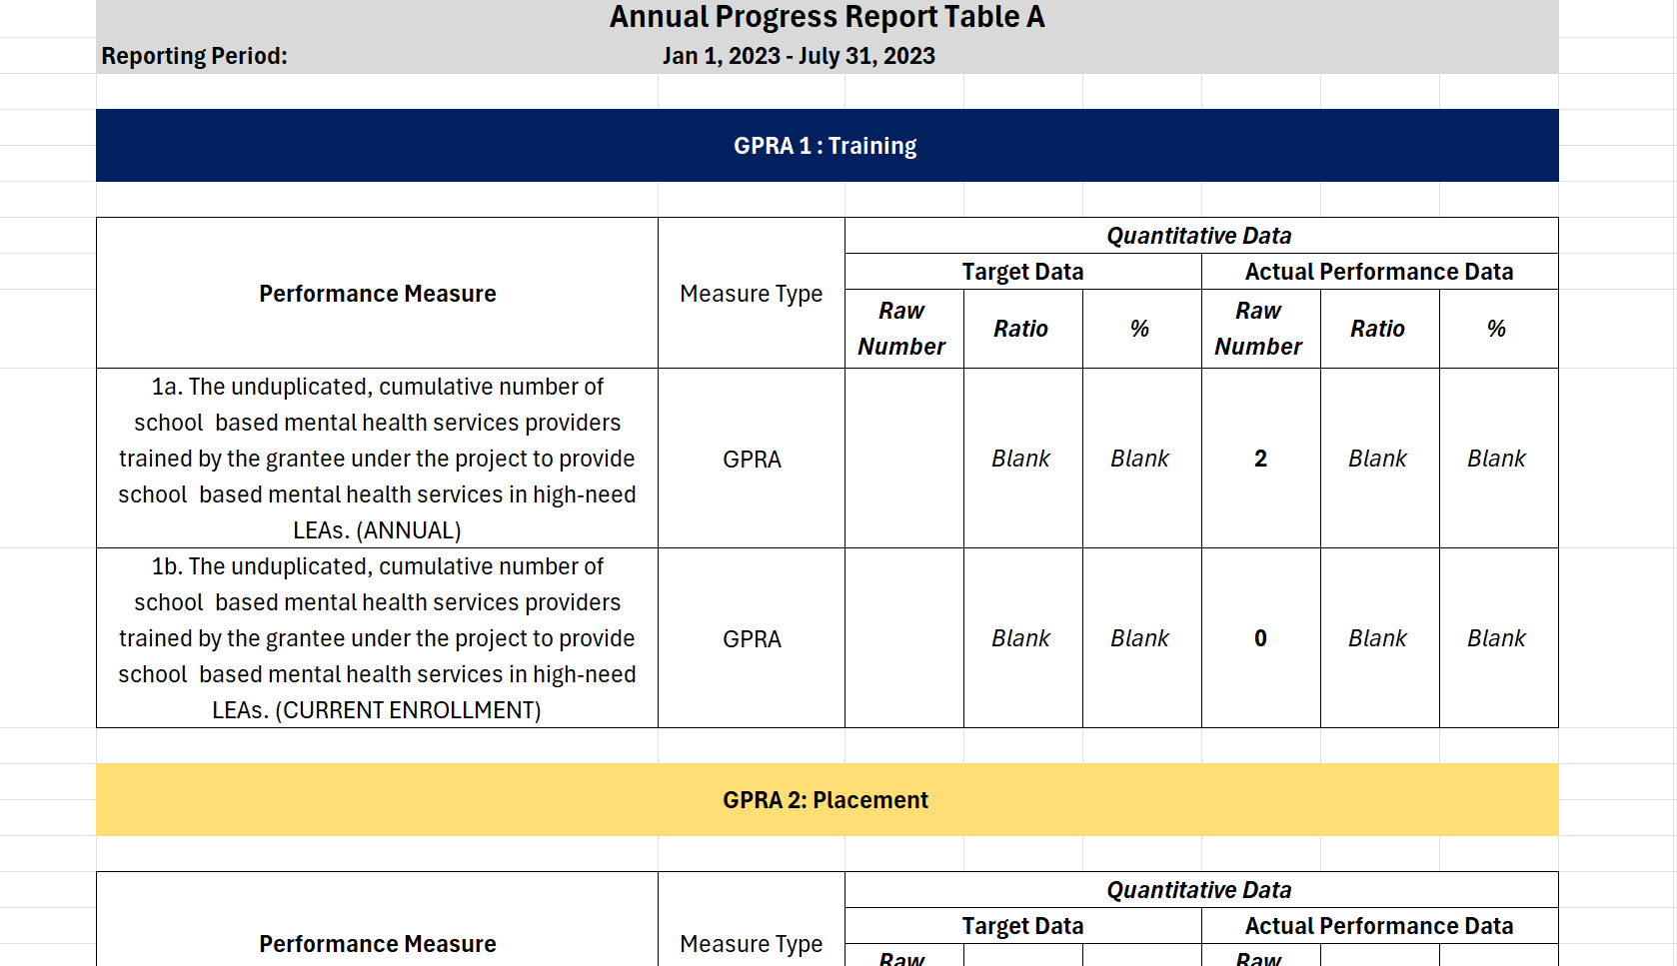

This tool only calculates the Actual Performance Measure. Please enter your grant's Annual Targets (raw numbers) as reported in your proposal.

 | This tool has been developed and provided to assist in the tracking of mandatory GPRA annual reporting. Please note this tool is not mandatory to use and is being provided by the METRICS Technical Assistance Center to provide you and your team with additional data collection and reporting guidance. If you have any questions or require customization (e.g., additional participant rows), please reach out to the METRICS team at support@metricscenter.org.

