Sheet1
Evaluation Only. Created with Aspose.PDF. Copyright 2002-2022 Aspose Pty Ltd.
 | Y | PIC | Confirmation |  |  |  | PIC | Confirmation
o | e o n h | C. Y. W |  | L. J. H |  |  | Inspection Report
Company |  | Yeonho Electronics Corporation |  | PART NO. | 25081HS-06C | LOT Q'ty |  | 20,000 EA
 | Applied Model |  |  | INVOICE NO. | SY23-0321-01 | LOT NO. |  | 14.03.23
Inspected Date |  | Yeonho | 10.03.23 | Inspector | Yeonho Cho Yong Woo | Acceptanc e Testing | Yeonho | OK
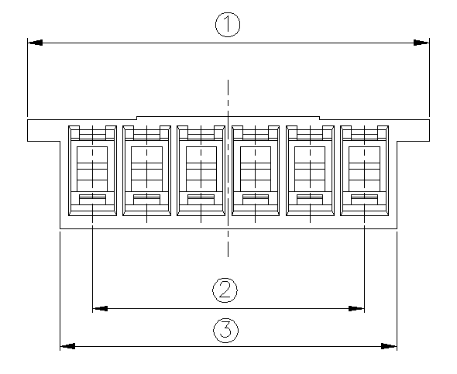
Check list |  | Test Method & Condition |  | Number of Samples | Number of Defects
Appearance |  | G - Ⅱ, AQL = 1.0 |  |  | 0
Meas. ① |  | CHECK = 5, C = 0 |  | 5 | 0
Meas. ② |  |  | 〃 | 5 | 0
Meas. ③ |  |  | 〃 | 5 | 0

 | Article |  | Appearnace |  | Meas. ① | Meas. ② | Meas. ③
Spec. Sample |  | Inspector | A damage and stain would not be founded at plating layer |  | 18.5±0.2 | 12.5±0.2 | 15.5±0.2
 | 1 |  | Yeonho | OK | 18.52 | 12.51 | 15.52
 | 1 |  | PSM
 | 2 |  | Yeonho | OK | 18.51 | 12.52 | 15.53
 | 2 |  | PSM
 | 3 |  | Yeonho | OK | 18.52 | 12.51 | 15.52
 | 3 |  | PSM
 | 4 |  | Yeonho | OK | 18.52 | 12.51 | 15.52
 | 4 |  | PSM
 | 5 |  | Yeonho | OK | 18.52 | 12.52 | 15.53
 | 5 |  | PSM
 | 6 |  |  | OK
 | 7 |  |  | OK
 | 8 |  |  | OK
 | 9 |  |  | OK
 | 10 |  |  | OK
 | χ |  |  | OK | 18.518 | 12.514 | 15.524
 | Special | Environmental substances | Does this product satisfied with the list of regulated |  |  |  |  | OK
feature & |  |  | This LOT satisfies our shipping inspection regulations and guarantees its quality.
 | Major
 | defect |  |  |  |  | Quality assurance Dept.
Yeonho Electronics Corporation

