Zone1 - 5
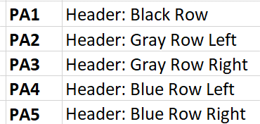

Placement Zone

USPTO Home

USPTO-DS

Patent Center

TTAB Center

FPNG

USPTO Home > Patents

Zone 6
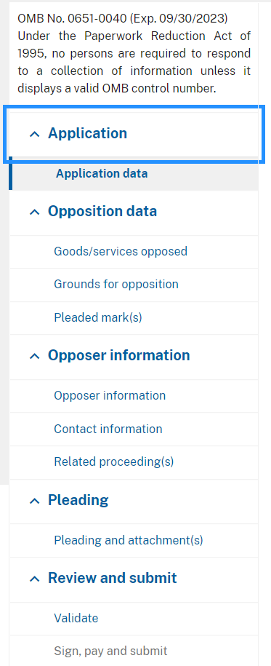
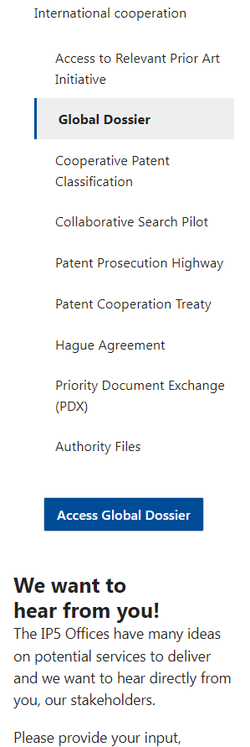
Placement Zone | USPTO Home | USPTO Home > Patents > Apply > Search for patents | https://ttabcenter-pvt.etc.uspto.gov/noo/application-data) (Under Development) | USPTO Home > Patents > Basics > International Protection > Global Dossier

Zone8
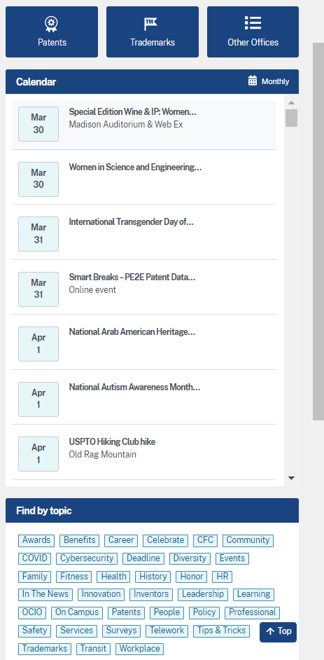
Placement Zone | PTOWeb

Zone 9
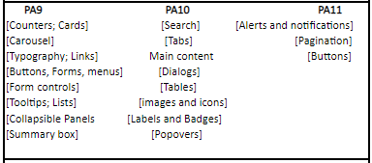

Placement Zone

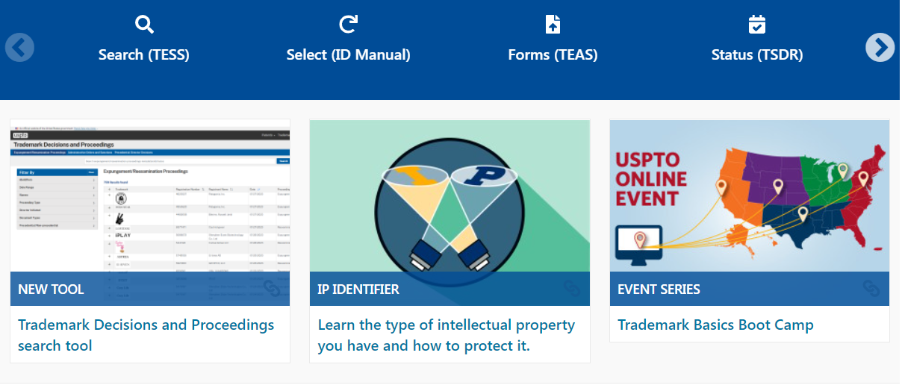
Carousel

USPTO Home > Trademarks

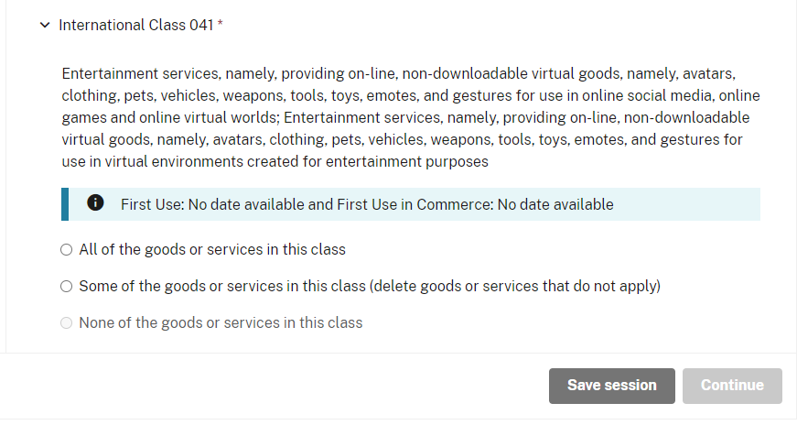

TTAB Center

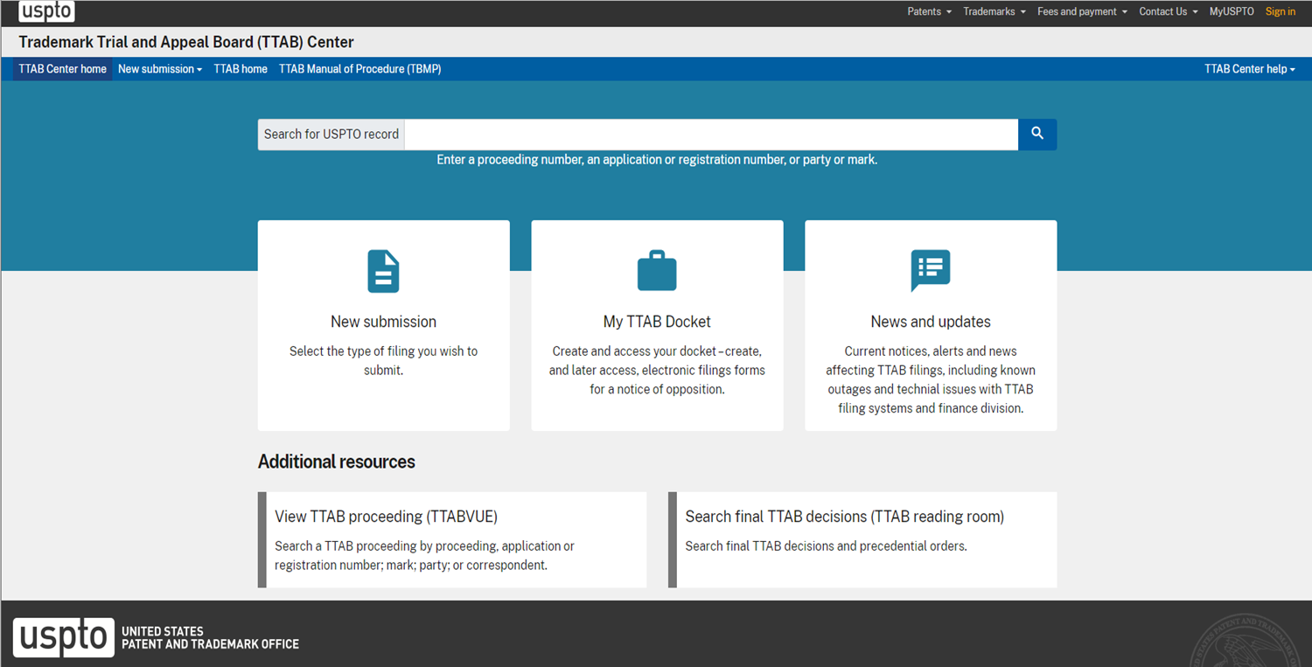

TTAB Center

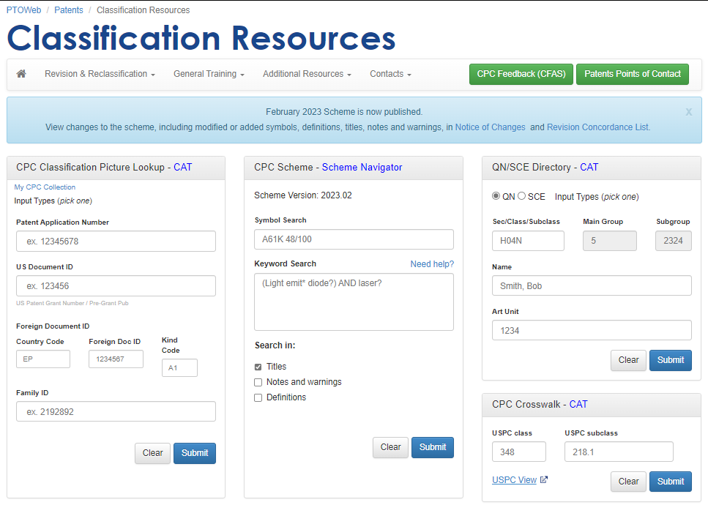

Form Controls

Zone10
Placement Zone

Search

USPTO Home

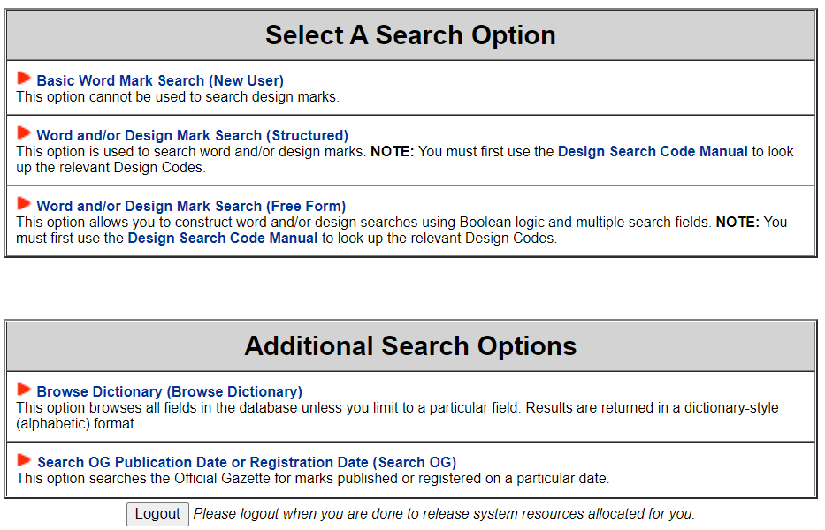

TESS

TESS

TTAB Center

Patent Center

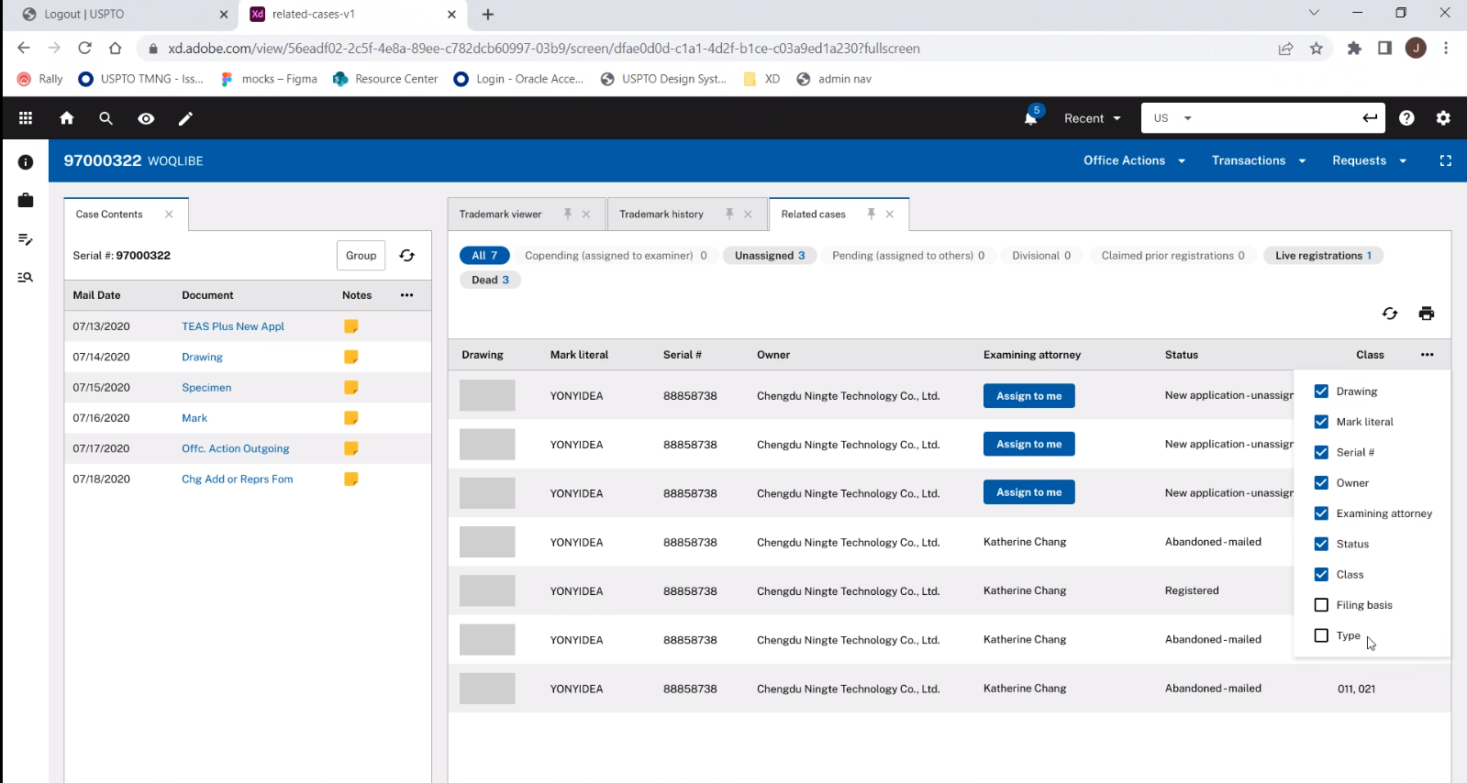
Tables/Tabs

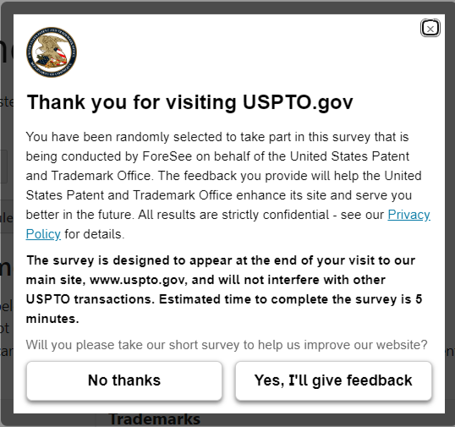
Popovers

USPTO Home

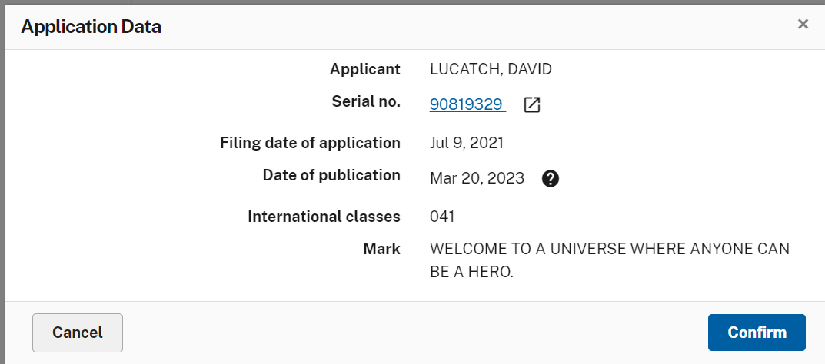

TTAB Center

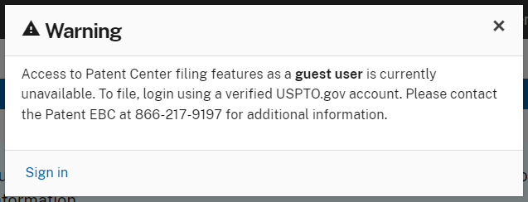

Patent Center

Zone11
Placement Zone

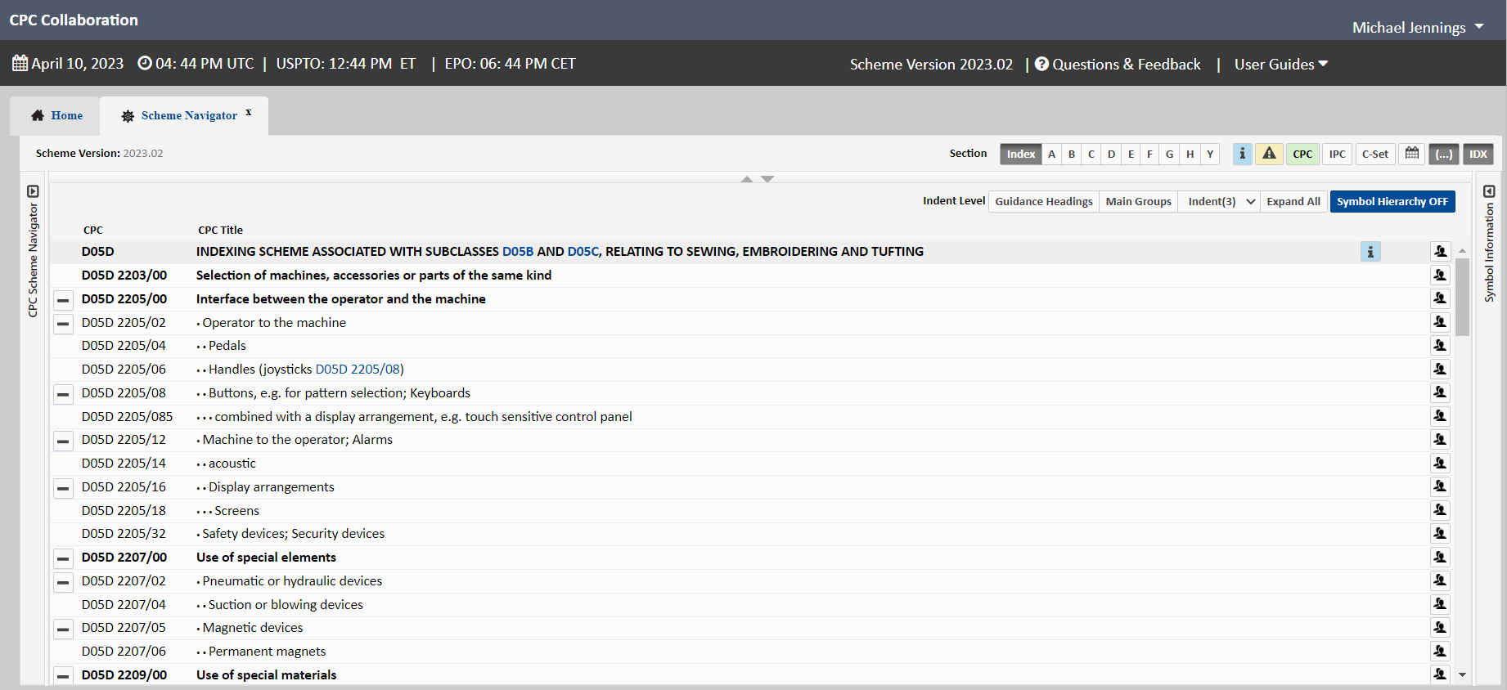

CPC

Zone12
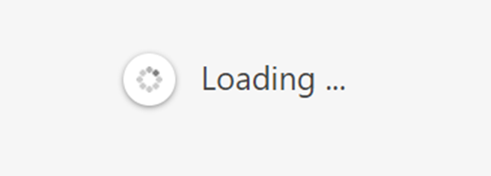
 | PA12 has similar placement options as PA7, and some unique components
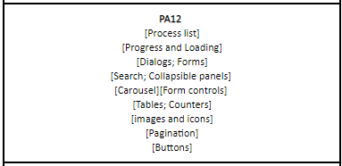
Placement Zone

TTAB Center

Zone13 - 15
Placement Zone

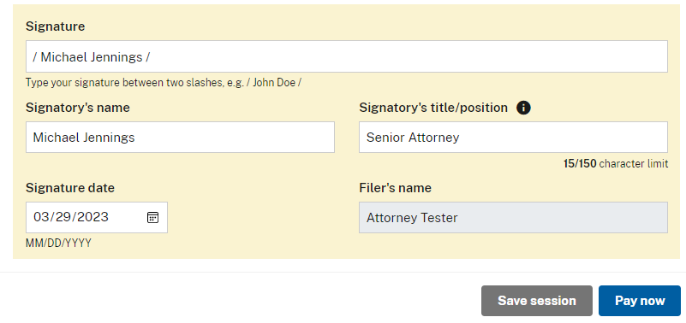

TTAB Center

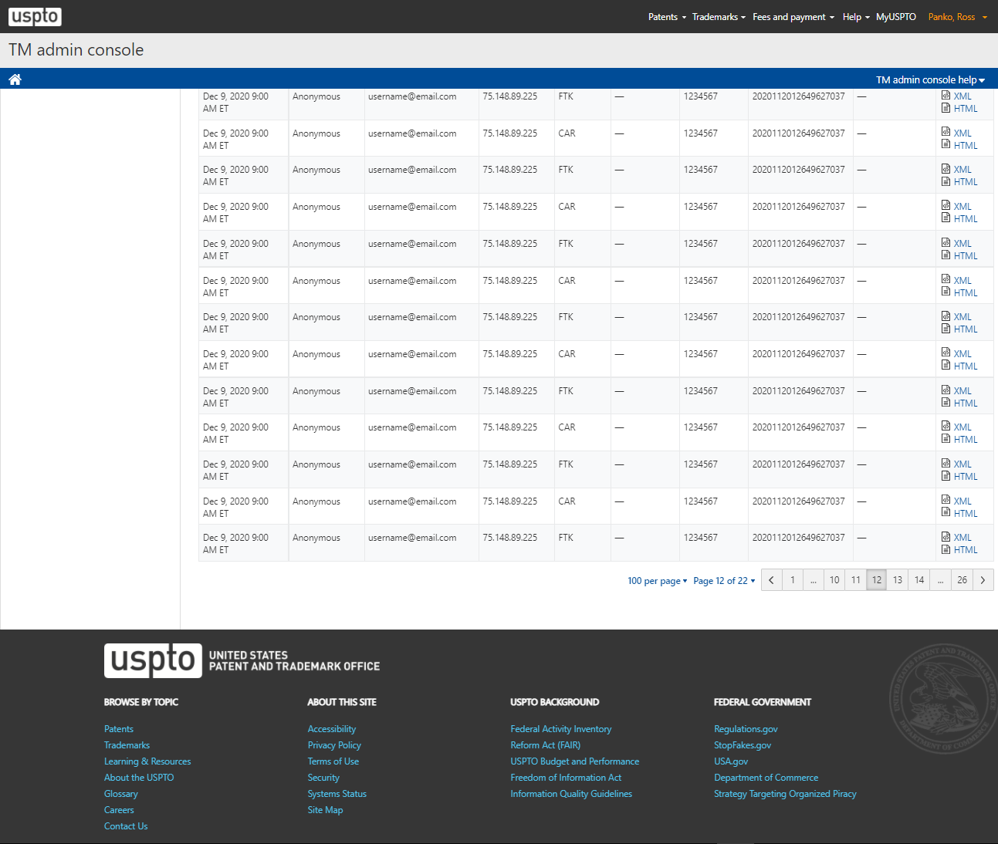
Pagination

Trademarks > Admin Console

 | Placement Zone

