Float vs neuron size
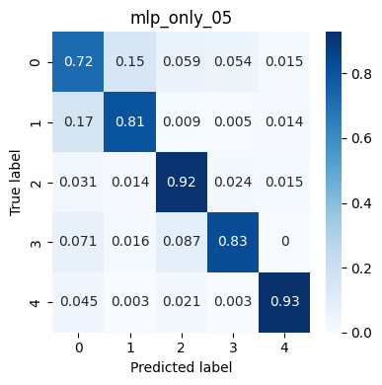
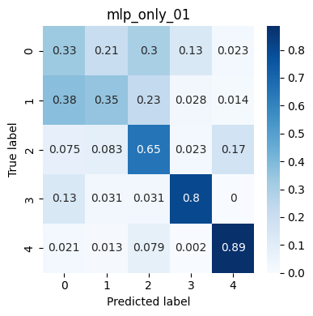
MLP ONLY
Tests with an MLP network with only one hidden layer |  |  |  |  |  |  |  | Signal
 |  |  |  |  |  |  |  | Frequency | 360Hz
Hidden layer | Accuracy | Label 0 | Label 1 | Label 2 | Label 3 | Label 4 | params | Window | 200 samples
100 | 0.9324 | 0.955 | 0.867 | 0.97 | 0.874 | 0.995 | 20605
95 | 0.9397 | 0.954 | 0.881 | 0.971 | 0.898 | 0.995 | 19575
90 | 0.9427 | 0.957 | 0.905 | 0.974 | 0.882 | 0.996 | 18545 | Training data
85 | 0.9366 | 0.957 | 0.902 | 0.968 | 0.858 | 0.997 | 17085 | Custom weights | yes
80 | 0.9314 | 0.957 | 0.888 | 0.958 | 0.858 | 0.996 | 16485 | Optimizer | adam
75 | 0.9331 | 0.962 | 0.877 | 0.973 | 0.858 | 0.995 | 15455 | Loss | categorical crossentropy
70 | 0.935 | 0.958 | 0.881 | 0.968 | 0.874 | 0.993 | 14425 | Epochs | 50
65 | 0.938 | 0.949 | 0.881 | 0.958 | 0.906 | 0.996 | 13395 | Batch size | 32
60 |  |  |  |  |  |  |  | Learning rate | 0.001 (default)
55
50 | 0.9355 | 0.952 | 0.877 | 0.956 | 0.898 | 0.995 | 10305
45 |  |  |  |  |  |  |  | Results normalization | true | (percentage of 'true label' which are predicted correctly)
40 | 0.9272 | 0.951 | 0.863 | 0.964 | 0.866 | 0.992 | 8040
35
30 | 0.9348 | 0.947 | 0.872 | 0.957 | 0.906 | 0.992 | 6185
 | Accuracy
100 | 0.9324
95 | 0.9397
90 | 0.9427
85 | 0.9366
80 | 0.9314
75 | 0.9331
70 | 0.935
65 | 0.938
60
55
50 | 0.9355
45
40 | 0.9272
35
30 | 0.9348
25
20 | 0.916
15 | 0.9112
10 | 0.8876
5 | 0.8392
25
20 | 0.916 | 0.93 | 0.833 | 0.941 | 0.882 | 0.992 | 4125
15 | 0.9112 | 0.911 | 0.84 | 0.954 | 0.874 | 0.977 | 3015
10 | 0.8876 | 0.885 | 0.798 | 0.928 | 0.85 | 0.978 | 2010
5 | 0.8392 | 0.721 | 0.805 | 0.916 | 0.827 | 0.928 | 1035

Accuracy of Labels over hiddel layer size
 | Label 0 | Label 1 | Label 2 | Label 3 | Label 4
100 | 0.955 | 0.867 | 0.97 | 0.874 | 0.995
95 | 0.954 | 0.881 | 0.971 | 0.898 | 0.995
90 | 0.957 | 0.905 | 0.974 | 0.882 | 0.996
85 | 0.957 | 0.902 | 0.968 | 0.858 | 0.997
80 | 0.957 | 0.888 | 0.958 | 0.858 | 0.996
75 | 0.962 | 0.877 | 0.973 | 0.858 | 0.995
70 | 0.958 | 0.881 | 0.968 | 0.874 | 0.993
65 | 0.949 | 0.881 | 0.958 | 0.906 | 0.996
60
55
50 | 0.952 | 0.877 | 0.956 | 0.898 | 0.995
45
40 | 0.951 | 0.863 | 0.964 | 0.866 | 0.992
35
30 | 0.947 | 0.872 | 0.957 | 0.906 | 0.992
25
20 | 0.93 | 0.833 | 0.941 | 0.882 | 0.992
15 | 0.911 | 0.84 | 0.954 | 0.874 | 0.977
10 | 0.885 | 0.798 | 0.928 | 0.85 | 0.978
5 | 0.721 | 0.805 | 0.916 | 0.827 | 0.928

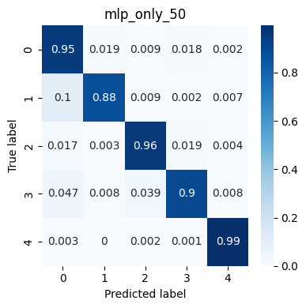
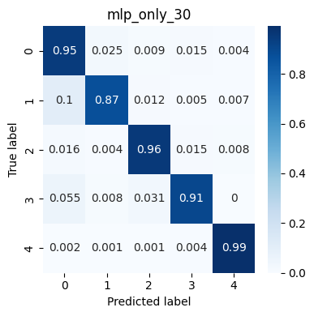
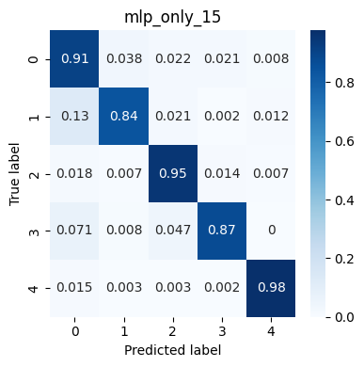

 |  |  |  |  |  |  |  |  |  |  | Confusion matrices pics | The number in the name is the size of the hidden layer

Datatype (neuron fixed size)
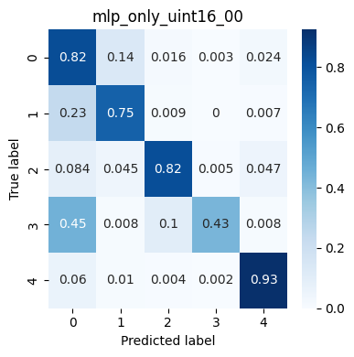
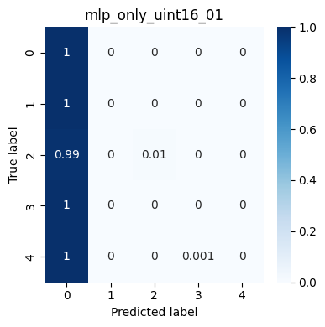
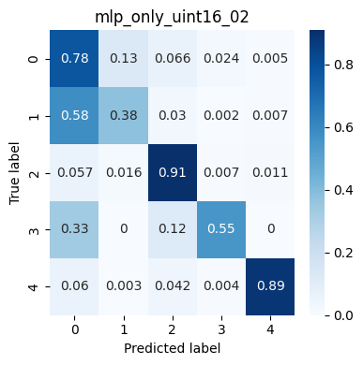
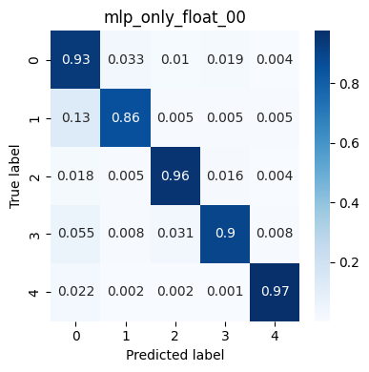
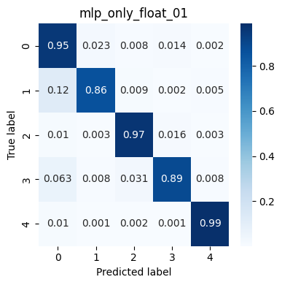
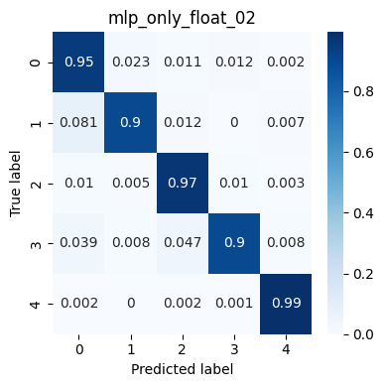
Tests converting raw data from float to integers with various precisions

Neurons | Dtype | bits equiv | epochs | learnig rate | min | max | name

90 | float |  | 50 | 0.0001 |  |  | mlp_only_float_00
90 | float |  | 50 | 0.0002 |  |  | mlp_only_float_01
90 | float |  | 50 | 0.0005 |  |  | mlp_only_float_02

90 | int16 | 16 | 50 | 0.0001 | -32768 | 32767 | mlp_only_int16_00
90 | int16 | 15 | 50 | 0.0001 | -16384 | 16383 | mlp_only_int15_00
90 | int16 | 14 | 50 | 0.0001 | -8192 | 8191 | mlp_only_int14_00
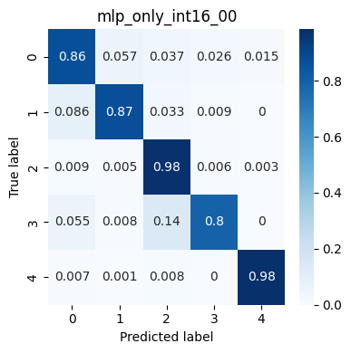
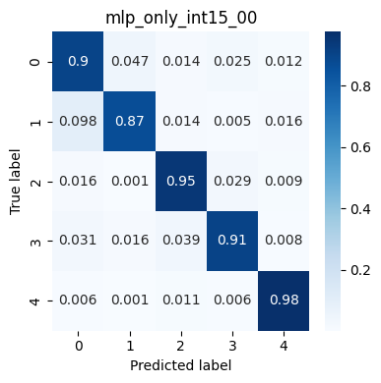

90 | int16 | 10 | 50 | 0.0001 | -512 | 511 | mlp_only_int10_00

90 | int8 | 8 | 50 | 0.0001 | -128 | 127 | mlp_only_int8_00

90 | uint16 | 16 | 50 | 0.0001 | 0 | 65535 | mlp_only_uint16_00
90 | uint16 | 16 | 50 | 0.0002 | 0 | 65535 | mlp_only_uint16_01
90 | uint16 | 16 | 50 | 0.00012 | 0 | 65535 | mlp_only_uint16_02



window | 200

Datatype vs neuron size


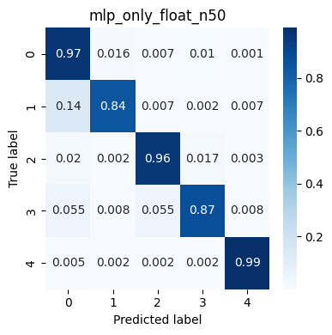
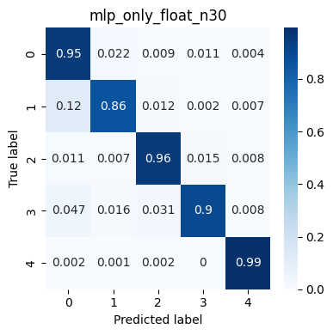

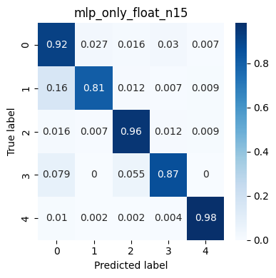
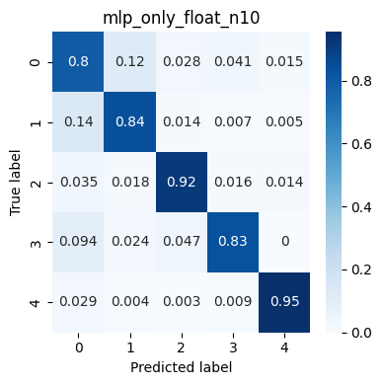



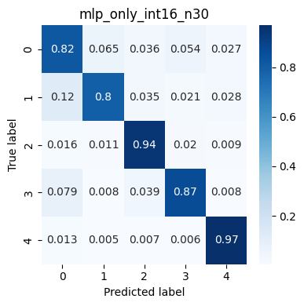
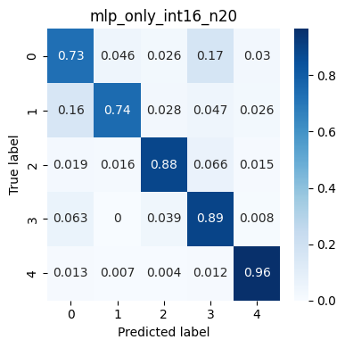
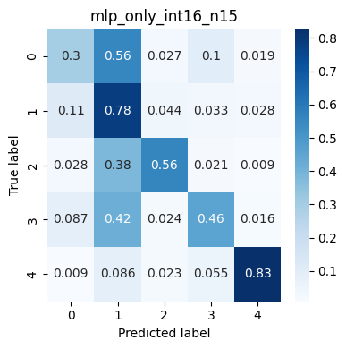
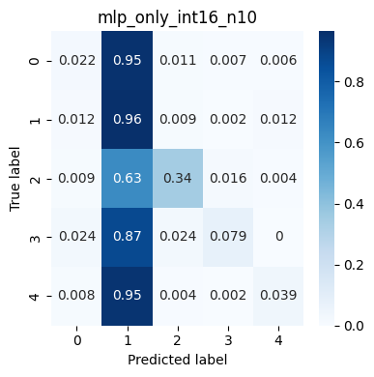


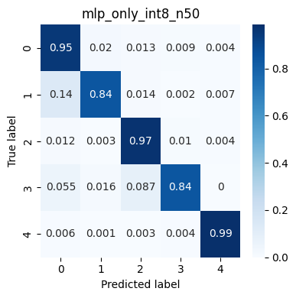


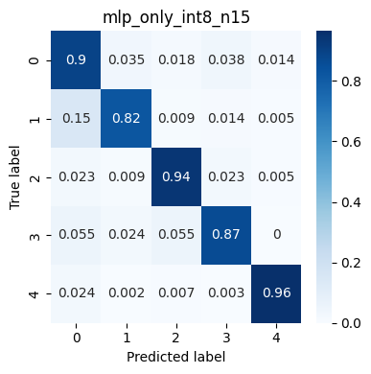
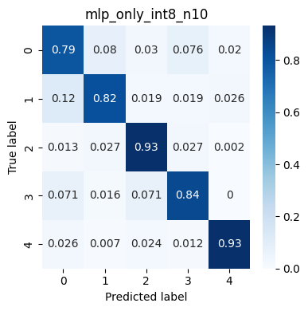
datatype conversion vs neuron size
MLP ONLY
Testing training results of different data types varying the number of neurons
NOTE: int8 are just int16 shifted right

 | Accuracy
Neurons | float | int16 | int8 | note
90 | 0.9308 | 0.916 | 0.9289
75 | 0.9325 | 0.9104 | 0.927 | float: LR=0.001
50 | 0.9264 | 0.895 | 0.9189 | float: LR=0.001
30 | 0.9333 | 0.8786 | 0.9201 | float: LR=0.001; int16: LR=0.00005
20 | 0.9149 | 0.8423 | 0.9089 | float: LR=0.001; int16: LR=0.00005
15 | 0.907 | 0.5855 | 0.8977 | float: LR=0.001; int16: LR=0.00001 EPOCH=150
10 | 0.868 | 0.2898 | 0.8631 | float: LR=0.00015; int16: LR=0.00001 EPOCH=150

Training parameters
Learning rate = 0.0001
Epochs = 100
Batch size = 64
window = 200

Float scaling vs neuron size
MLP ONLY
Testing training results of scaled float data
No datatype conversion, just scaling to match the range of int16 and int8. All data is float
Float scaling vs neuron size

 | Equivalent range
Neurons | float (original) | int16 (-32k/+32k) | int8 (-128/127)
90 | 0.9308 | 0.9126 | 0.938
75 | 0.9325 | 0.9117 | 0.9292
50 | 0.9264 | 0.898 | 0.9254
30 | 0.9333 | 0.8337 | 0.9234 | int16 LR 0.00001, epochs 150
20 | 0.9149 | 0.865 | 0.9158
15 | 0.907 | 0.7676 | 0.901 | int16 LR 0.00001
10 | 0.868 | 0.3386 | 0.8592 | int16 LR 0.000005, epochs 150

Training parameters

Epochs = 100
batch size = 64
learning rate = 0.0001
window = 200

Random samples
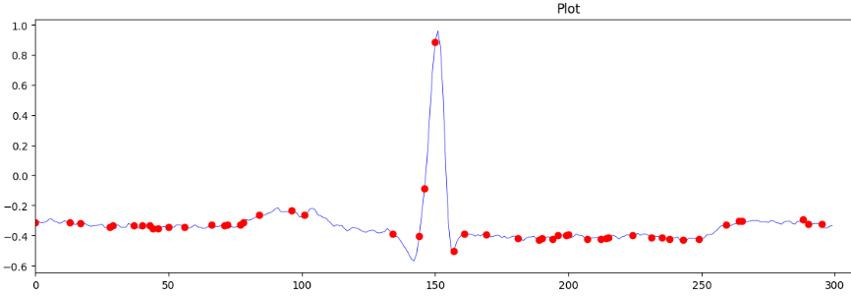

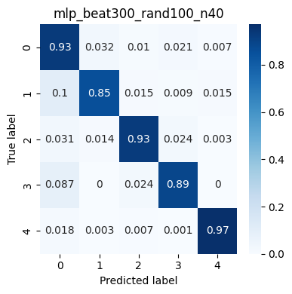
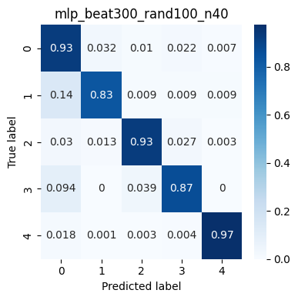
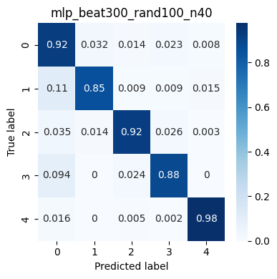

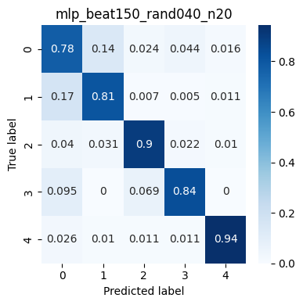
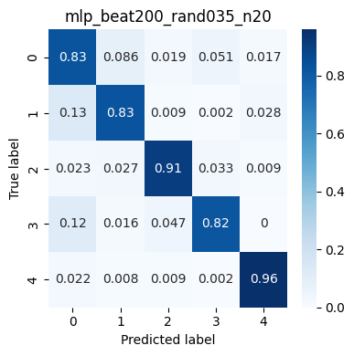
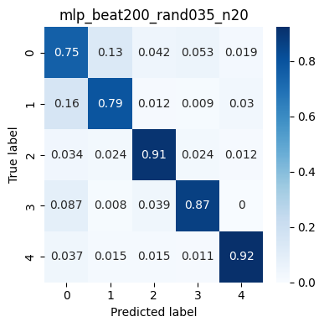
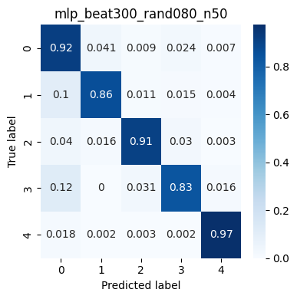



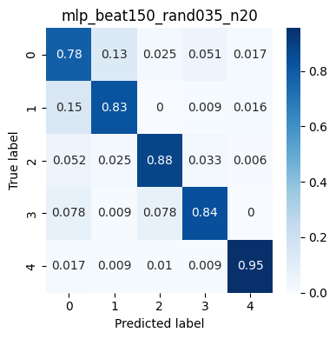




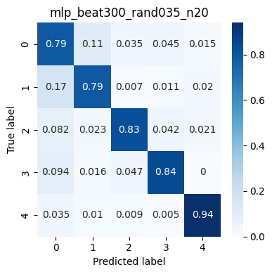



Instead of training the network on the whole heartbeat, a random selection of N points is exctracted from the beat

Heartbeat length | random points | neurons | accuracy 1 | accuracy 2 | accuracy 3 | params
300 | 100 | 50 | 0.9001
300 | 100 | 40 | 0.9145 | 0.9057 | 0.9118
300 | 80 | 50 | 0.9005 | 0.9149 | 0.9098
300 | 50 | 50 | 0.893 | 0.8978 | 0.9003 | 2805
300 | 50 | 30 | 0.8867 | 0.8888 | 0.8905 | 1685
200 | 40 | 30 | 0.8823 |  |  | 1385
200 | 40 | 20 | 0.8835 | 0.8603 | 0.8673 | 925


200 | 35 | 20 | 0.868 | 0.8473 | 0.8679 | 825
150 | 40 | 20 | 0.8603 | 0.8542 | 0.8525 | 925
150 | 35 | 20 | 0.8567 | 0.8562 | 0.8417 | 825
300 | 35 | 20 | 0.8573 | 0.8392 | 0.8727 | 825
300 | 32 | 20 | 0.8592 | 0.8592 | 0.8702 | 765



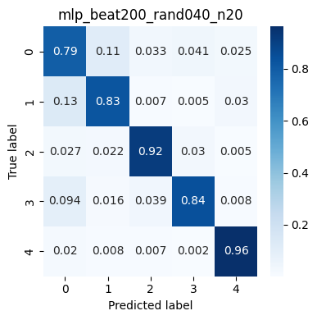

Training parameters
Epochs | 150
batch | 64
learning rate | 0.0001

Peak-Valley samples
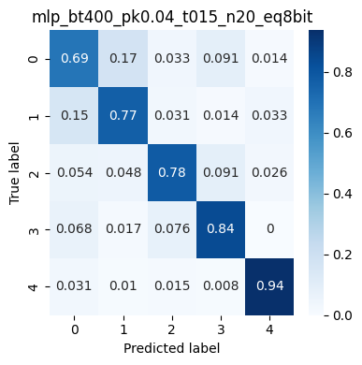
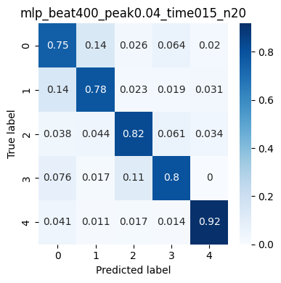
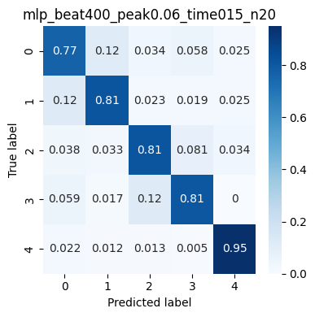
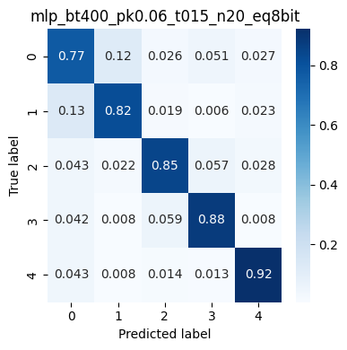
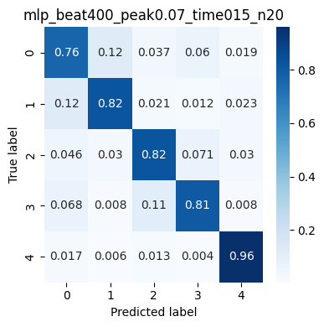

Instead of training the network on the whole heartbeat, the peak/valley algorithm selects the points to use


Heartbeat length | peak poins | neurons | delta peak | delta time | acc original | acc 8bit equiv. | params
400 | 32 | 20 | 0.04 | 15 | 0.8144 | 0.8022 | 765
400 | 32 | 20 | 0.05 | 15 | 0.8285 |  | 765
400 | 32 | 20 | 0.06 | 15 | 0.8295 | 0.8489 | 765
400 | 32 | 20 | 0.07 | 15 | 0.8353 | 0.8489 | 765

