Compare Table
File Name | Complexity Level | Explanation About Spectrogram | Generated Text | Spectrogram Image
automated_audio_level_1_000000005.wav | 2 | {"spectrogram_base":{"sample_rate":16000,"n_fft":256,"hop_length":256,"noise_strength":5.583,"noise_type":"normal","noise_params":{"mean":0.0,"std":1.0,"seed":6738485}},"shapes":[{"type":"horizontal_range_dist_db","parameters":{"freq_min":5243.914,"freq_max":5244.114,"strength_dB":39.703,"distribution":"gaussian","distribution_params":{"sigma":1070.236}}}],"patterns":[{"type":"n_linear_repeat_t_sleep","parameters":{"shape_name":"fog","shape_params":{"strength_dB":21.391,"coverage":0.253},"repeat":3,"repeat_time":0.5,"repeat_hz":500.0,"sleep_time":1.0,"start_time":0.0,"direction":"time"}}]} | Based on the context, it seems like you're providing a spectrogram output from the Short-Time Fourier Transform (STFT) with librosa, and you're asking me to analyze or help with the spectrogram JSON. However, you haven't actually provided the spectrogram JSON. Could you please paste the JSON data so I can better understand the context and provide a more accurate response? If you provide the JSON, I can help with: 1. Understanding the spectrogram data 2. Analyzing the data for specific features or patterns 3. Providing insights or suggestions based on the data Please paste the spectrogram JSON, and I'll do my best to assist you!<|eot_id|> | 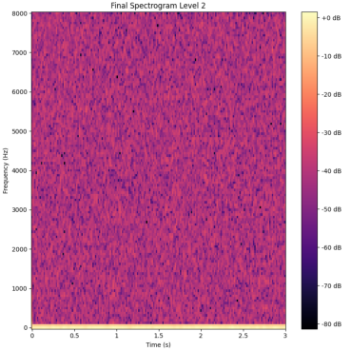
automated_audio_level_1_000000008.wav | 2 | {"spectrogram_base":{"sample_rate":16000,"n_fft":256,"hop_length":256,"noise_strength":9.048,"noise_type":"uniform","noise_params":{"low":-1.0,"high":1.0,"seed":945067325}},"shapes":[{"type":"trapezoid","parameters":{"freq_min":6097.661,"freq_max":6682.89,"time_min":1.555,"time_max":2.873,"slope_freq":0.154,"slope_time":0.925,"strength_dB":25.837}}],"patterns":[{"type":"convex","parameters":{"shape_name":"vertical_range_dist_db","shape_params":{"strength_dB":36.688,"time_min":0.278,"time_max":2.391,"distribution":"gaussian","distribution_params":{"sigma":1.856}},"freq_min":0,"freq_max":8000,"time_min":0.0,"time_max":3.0,"n":5}}]} | **Spectrogram Analysis with Librosa** It seems like you've extracted a spectrogram using the Short-Time Fourier Transform (STFT) with librosa. This is a powerful tool for analyzing audio signals. To work with this spectrogram, I'll assume you have the JSON data that represents the spectrogram. If you'd like to proceed, please provide the JSON data, and I'll help you: 1. **Visualize the spectrogram**: We can use a library like Matplotlib to display the spectrogram as an image. 2. **Analyze the spectrogram**: We can discuss the features of the spectrogram, such as frequency content, time-frequency localization, and other characteristics. 3. **Extract features**: We can extract features from the spectrogram, such as mel-frequency cepstral coefficients (MFCCs), spectral features, or others, depending on your goals. Please provide the JSON data, and we'll get started!<|eot_id|> | 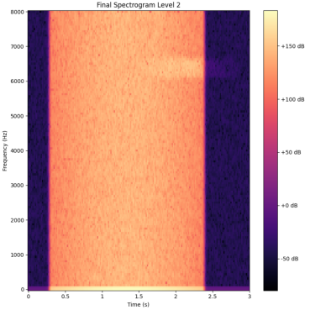
automated_audio_level_1_000000004.wav | 2 | {"spectrogram_base":{"sample_rate":16000,"n_fft":256,"hop_length":256,"noise_strength":14.355,"noise_type":"perlin","noise_params":{"seed":695810513,"scale":59.13}},"shapes":[{"type":"ellipse","parameters":{"center_freq":5509.132,"center_time":2.314,"radius_freq":185.256,"radius_time":1.465,"strength_dB":25.456}}],"patterns":[{"type":"linear","parameters":{"shape_name":"horizontal_line","shape_params":{"strength_dB":31.21,"center_freq":5382.089,"thickness":3},"direction":"freq","repeat":3,"spacing":1.0}}]} | The conversation has just started. You've mentioned an image extracted using the Short-Time Fourier Transform (STFT) with librosa, and a spectrogram JSON. However, it seems like you're providing a placeholder or a fragment of a sentence rather than a complete question or statement. Could you please provide more context or clarify what you'd like to know or discuss regarding the spectrogram JSON or the STFT with librosa? I'm here to help with any questions or topics related to audio processing, signal analysis, or librosa.<|eot_id|> | 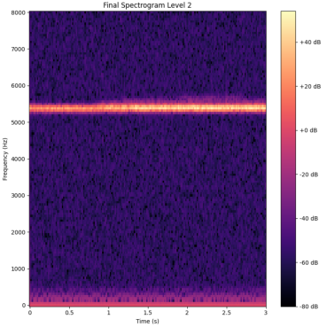
automated_audio_level_1_000000006.wav | 2 | {"spectrogram_base":{"sample_rate":16000,"n_fft":256,"hop_length":256,"noise_strength":10.141,"noise_type":"normal","noise_params":{"mean":0.0,"std":1.0,"seed":578160475}},"shapes":[{"type":"vertical_range_dist_db","parameters":{"time_min":0.398,"time_max":1.586,"strength_dB":36.553,"distribution":"gaussian","distribution_params":{"sigma":1.639}}}],"patterns":[{"type":"linear","parameters":{"shape_name":"vertical_line","shape_params":{"strength_dB":23.597,"center_time":1.2,"thickness":3},"direction":"time","repeat":3,"spacing":1.0}}]} | Based on the fact that you mentioned the Short-Time Fourier Transform (STFT) with librosa, I'll assume you're providing a spectrogram in JSON format. However, you didn't actually provide the JSON content. If you provide the JSON content, I can help you with: 1. Understanding the structure of the spectrogram data. 2. Extracting specific information from the spectrogram. 3. Performing analysis or operations on the spectrogram data. Please provide the spectrogram JSON content, and I'll assist you further.<|eot_id|> | 