Compare Table
File Name | Complexity Level | Explanation About Spectrogram | Generated Text | Spectrogram Image
automated_audio_level_2_000000058.wav | 2 | {"spectrogram_base":{"sample_rate":16000,"n_fft":256,"hop_length":256,"noise_strength":12.479,"noise_type":"uniform","noise_params":{"low":-1.0,"high":1.0,"seed":312059958}},"shapes":[{"type":"horizontal_range_dist_db","parameters":{"freq_min":1734.17,"freq_max":1734.37,"strength_dB":26.977,"distribution":"gaussian","distribution_params":{"sigma":1044.028}}},{"type":"polygon","parameters":{"vertices":[[2159.443,1.276],[1051.549,1.823],[1667.509,2.694],[803.022,2.094],[2117.526,2.118],[3299.944,2.249]],"strength_dB":36.3}}],"patterns":[{"type":"linear","parameters":{"shape_name":"horizontal_line","shape_params":{"strength_dB":33.689,"center_freq":2050.581,"thickness":1},"direction":"freq","repeat":3,"spacing":1.0}}]} | {"base_shape":"circle","shape_params":{"radius":100.0,"strength_dB":10.0,"n":5,"noise_strength_dB":20.0,"noise_scale":1.0,"noise_type":"uniform","noise_params":{"low":0.0,"high":1.0,"seed":106842059}},"pattern_name":"random_spike","pattern_params":{"n":5,"strength_dB":30.0,"seed":125111341}}<|eot_id|> |  | 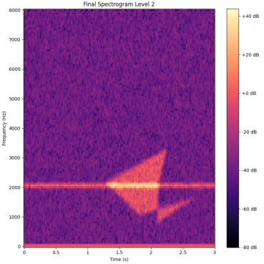
automated_audio_level_2_000000055.wav | 2 | {"spectrogram_base":{"sample_rate":16000,"n_fft":256,"hop_length":256,"noise_strength":6.22,"noise_type":"uniform","noise_params":{"low":-1.0,"high":1.0,"seed":588157589}},"shapes":[{"type":"horizontal_range_dist_db","parameters":{"freq_min":2655.926,"freq_max":2656.126,"strength_dB":31.374,"distribution":"gaussian","distribution_params":{"sigma":1040.361}}},{"type":"pillar","parameters":{"freq_min":2491.329,"freq_max":4929.71,"strength_dB":35.473}}],"patterns":[{"type":"n_linear_repeat_t_sleep","parameters":{"shape_name":"polygon","shape_params":{"strength_dB":36.776,"vertices":[[3389.986,0.721],[1111.826,0.774],[343.122,0.759],[2205.986,0.731],[3707.98,0.823],[2840.132,0.669],[1894.987,0.72]]},"repeat":3,"repeat_time":0.5,"repeat_hz":500.0,"sleep_time":1.0,"start_time":0.0,"direction":"time"}}]} | {"base_shape":"circle","shape_params":{"radius":10.0,"n":5},"time":1.0,"distribution":"normal","distribution_params":{"mean":0.0,"std":1.0,"scale":3.0}},"patterns":[{"type":"random_distributed_spike","parameters":{"center_freq":5000.0,"center_time":1.0,"radius_freq":100.0,"radius_time":1.0,"strength_dB":20.0,"strength_time":1.0,"strength_freq":1.0,"density":1.0,"distribution":"uniform","distribution_params":{"n":1000.0}},"n":5}}]}<|eot_id|> |  | 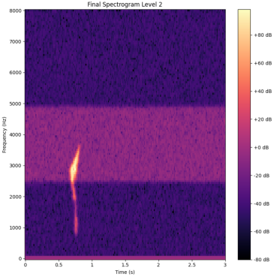
automated_audio_level_2_000000045.wav | 2 | {"spectrogram_base":{"sample_rate":16000,"n_fft":256,"hop_length":256,"noise_strength":13.361,"noise_type":"normal","noise_params":{"mean":0.0,"std":1.0,"seed":31905058}},"shapes":[{"type":"vertical_spike","parameters":{"center_freq":3.804,"center_time":1.88,"radius_freq":1969.271,"radius_time":0.062,"strength_dB":20.897}},{"type":"ellipse","parameters":{"center_freq":3795.801,"center_time":1.332,"radius_freq":542.255,"radius_time":2.366,"strength_dB":36.903}}],"patterns":[{"type":"linear","parameters":{"shape_name":"vertical_line","shape_params":{"strength_dB":25.41,"center_time":1.943,"thickness":1},"direction":"time","repeat":3,"spacing":1.0}}]} | {"base_shape":"circle","shape_params":{"radius":10.0,"n":3},"time":164.362,"strength_dB":10.97,"pattern":"random","pattern_params":{"seed":163879855,"distribution":"uniform","distribution_params":{"low":-1.0,"high":1.0,"step":1.0}}}}<|eot_id|> |  | 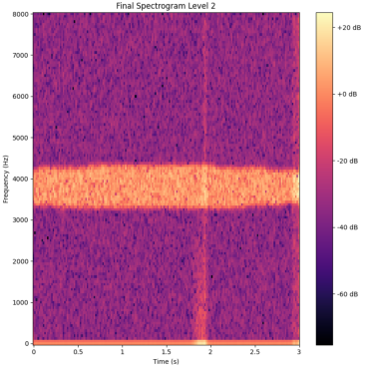
automated_audio_level_3_000000088.wav | 3 | {"spectrogram_base":{"sample_rate":16000,"n_fft":256,"hop_length":256,"noise_strength":8.051,"noise_type":"normal","noise_params":{"mean":0.0,"std":1.0,"seed":847762398}},"shapes":[{"type":"circle","parameters":{"center_freq":4252.352,"center_time":1.678,"radius_freq":2494.668,"radius_time":1.37,"strength_dB":24.658}},{"type":"ellipse","parameters":{"center_freq":6746.635,"center_time":1.815,"radius_freq":1059.048,"radius_time":0.35,"strength_dB":36.331}},{"type":"horizontal_spike","parameters":{"center_freq":5975.621,"center_time":1.547,"radius_freq":32.371,"radius_time":0.191,"strength_dB":24.563}}],"patterns":[{"type":"convex","parameters":{"shape_name":"horizontal_spike","shape_params":{"strength_dB":36.19,"center_freq":1508.649,"center_time":0.66,"radius_freq":56.544,"radius_time":0.202},"freq_min":0,"freq_max":8000.0,"time_min":0.0,"time_max":3.0,"n":5}},{"type":"convex","parameters":{"shape_name":"horizontal_line","shape_params":{"strength_dB":20.08,"center_freq":3361.812,"thickness":2},"freq_min":0,"freq_max":8000.0,"time_min":0.0,"time_max":3.0,"n":5}}]} | {"shape":{"type":"circle","parameters":{"radius":21.061}},"color":"purple","pattern":{"type":"noise","parameters":{"strength":2.59,"seed":123,"scale":10.0}},"thickness":1,"n":1,"distribution":"uniform","distribution_parameters":{"min":0.0,"max":1.0,"step":1.0}}<|eot_id|> |  | 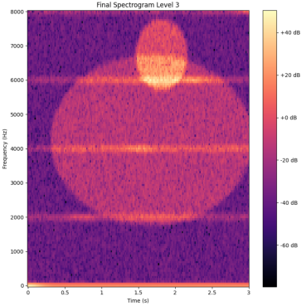
automated_audio_level_1_000000013.wav | 1 | {"spectrogram_base":{"sample_rate":16000,"n_fft":256,"hop_length":256,"noise_strength":13.951,"noise_type":"uniform","noise_params":{"low":-1.0,"high":1.0,"seed":966770762}},"shapes":[{"type":"horizontal_spike","parameters":{"center_freq":2760.652,"center_time":2.309,"radius_freq":78.212,"radius_time":0.221,"strength_dB":28.693}}],"patterns":[]} | {"base_shape":"circle","radius":5,"parameters":{"n_fft":256,"hop_length":256,"noise_strength":3.95,"noise_type":"perlin","noise_params":{"scale":40.34,"seed":104142261}},"patterns":[]}<|eot_id|> |  | 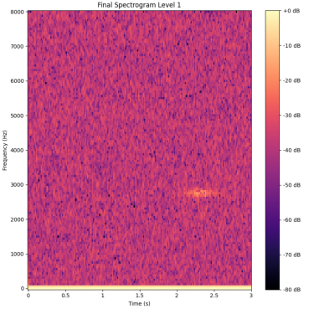
automated_audio_level_3_000000097.wav | 3 | {"spectrogram_base":{"sample_rate":16000,"n_fft":256,"hop_length":256,"noise_strength":11.051,"noise_type":"normal","noise_params":{"mean":0.0,"std":1.0,"seed":939189204}},"shapes":[{"type":"polygon","parameters":{"vertices":[[6709.176,2.935],[2906.256,1.987],[4202.342,2.664],[3023.283,2.109],[2745.012,2.054],[6111.55,1.939],[3075.21,2.698],[4574.123,2.712]],"strength_dB":39.613}},{"type":"ellipse","parameters":{"center_freq":2702.792,"center_time":1.033,"radius_freq":1891.378,"radius_time":0.66,"strength_dB":35.536}},{"type":"vertical_line","parameters":{"center_time":0.263,"strength_dB":30.789,"thickness":2}}],"patterns":[{"type":"random","parameters":{"shape_name":"horizontal_range_dist_db","shape_params":{"strength_dB":38.711,"freq_min":4803.443,"freq_max":4803.643,"distribution":"gaussian","distribution_params":{"sigma":1043.844}},"n":5,"freq_range":[0,8000.0],"time_range":[0.0,3.0]}},{"type":"convex","parameters":{"shape_name":"vertical_spike","shape_params":{"strength_dB":23.394,"center_freq":5.527,"center_time":1.558,"radius_freq":2083.678,"radius_time":0.11},"freq_min":0,"freq_max":8000.0,"time_min":0.0,"time_max":3.0,"n":5}}]} | {"shape":{"type":"circle","parameters":{"radius":2.0}},"color":"#ff0000","pattern":{"type":"random","parameters":{"n":100,"dist":"normal","scale":1.0,"seed":12341234}},"position":{"x":500.0,"y":500.0}}<|eot_id|> |  | 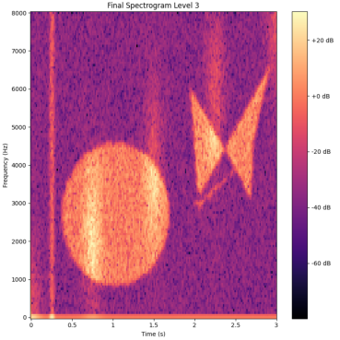
automated_audio_level_2_000000049.wav | 2 | {"spectrogram_base":{"sample_rate":16000,"n_fft":256,"hop_length":256,"noise_strength":7.231,"noise_type":"perlin","noise_params":{"seed":692493820,"scale":54.317}},"shapes":[{"type":"pillar","parameters":{"freq_min":871.662,"freq_max":961.859,"strength_dB":36.376}},{"type":"rectangle","parameters":{"freq_min":2823.65,"freq_max":4621.2,"time_min":0.602,"time_max":2.563,"strength_dB":35.45}}],"patterns":[{"type":"convex","parameters":{"shape_name":"horizontal_range_dist_db","shape_params":{"strength_dB":37.613,"freq_min":6529.074,"freq_max":6529.274,"distribution":"gaussian","distribution_params":{"sigma":1041.919}},"freq_min":0,"freq_max":8000.0,"time_min":0.0,"time_max":3.0,"n":5}}]} | {"shape":"rectangle","parameters":{"freq_min":0.0,"freq_max":2.0,"time_min":0.0,"time_max":1.0,"n_freq":256,"n_time":256,"strength_dB":29.03}}<|eot_id|> |  | 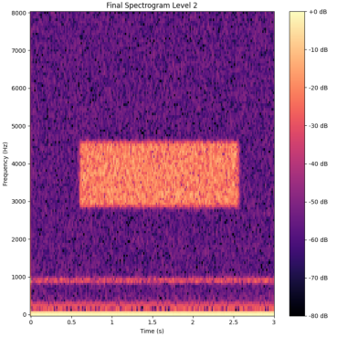
automated_audio_level_1_000000027.wav | 1 | {"spectrogram_base":{"sample_rate":16000,"n_fft":256,"hop_length":256,"noise_strength":6.812,"noise_type":"uniform","noise_params":{"low":-1.0,"high":1.0,"seed":876257807}},"shapes":[{"type":"hill","parameters":{"freq_center":1181.007,"time_center":0.94,"freq_width":817.141,"time_width":0.355,"strength_dB":32.286}}],"patterns":[]} | {"base_shape":"circle","shape_params":{"radius":3.0,"n":1},"n":1,"distribution":"uniform","distribution_params":{"strength":2.0,"slope":1.0,"center_freq":500.0,"center_time":1.0}}<|eot_id|> |  | 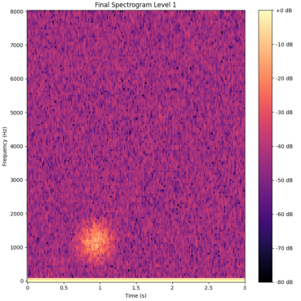
automated_audio_level_1_000000004.wav | 1 | {"spectrogram_base":{"sample_rate":16000,"n_fft":256,"hop_length":256,"noise_strength":6.99,"noise_type":"normal","noise_params":{"mean":0.0,"std":1.0,"seed":883320178}},"shapes":[{"type":"vertical_spike","parameters":{"center_freq":3.084,"center_time":1.228,"radius_freq":2784.218,"radius_time":0.092,"strength_dB":29.861}}],"patterns":[]} | {"shape":{"type":"circle","parameters":{"radius":15.013}},"color":"blue","pattern":"random","parameters":{"n":100,"p":1.0,"seed":101036527}}<|eot_id|> |  | 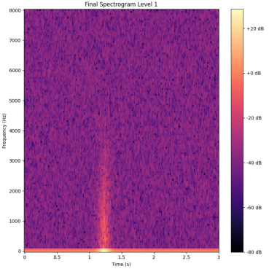
automated_audio_level_1_000000019.wav | 1 | {"spectrogram_base":{"sample_rate":16000,"n_fft":256,"hop_length":256,"noise_strength":9.161,"noise_type":"perlin","noise_params":{"seed":563605089,"scale":31.669}},"shapes":[{"type":"vertical_spike","parameters":{"center_freq":4.18,"center_time":1.908,"radius_freq":6924.532,"radius_time":0.05,"strength_dB":34.258}}],"patterns":[]} | {"base_shape":"circle","shape_params":{"radius":20.0,"n":3},"time":164.9,"strength_dB":19.34,"pattern":"repeat(1,4)"}<|eot_id|> |  | 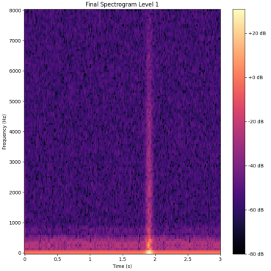
automated_audio_level_1_000000025.wav | 1 | {"spectrogram_base":{"sample_rate":16000,"n_fft":256,"hop_length":256,"noise_strength":7.613,"noise_type":"perlin","noise_params":{"seed":884055316,"scale":78.937}},"shapes":[{"type":"vertical_range_dist_db","parameters":{"time_min":0.646,"time_max":1.932,"strength_dB":22.564,"distribution":"gaussian","distribution_params":{"sigma":1.252}}}],"patterns":[]} | {"base_shape":"circle","shape_params":{"radius":100.0,"n":3},"n":1,"distribution":"uniform","distribution_params":{"start":0.0,"end":1.0,"step":1.0}}<|eot_id|> |  | 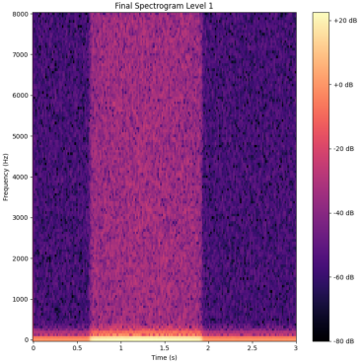
automated_audio_level_1_000000020.wav | 1 | {"spectrogram_base":{"sample_rate":16000,"n_fft":256,"hop_length":256,"noise_strength":12.286,"noise_type":"perlin","noise_params":{"seed":89919735,"scale":33.49}},"shapes":[{"type":"pillar","parameters":{"freq_min":2739.412,"freq_max":6945.756,"strength_dB":24.805}}],"patterns":[]} | {"shape":{"type":"circle","parameters":{"radius":100.0}},"color":"#FFFFFF","pattern":{"type":"random","parameters":{"distribution":"normal","scale":5.0,"seed":142511475,"n":100}},"name":"Noise Pattern","patterns_dB":14.04}<|eot_id|> |  | 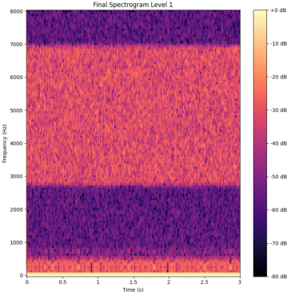
automated_audio_level_3_000000079.wav | 3 | {"spectrogram_base":{"sample_rate":16000,"n_fft":256,"hop_length":256,"noise_strength":8.403,"noise_type":"normal","noise_params":{"mean":0.0,"std":1.0,"seed":65411767}},"shapes":[{"type":"circle","parameters":{"center_freq":7006.915,"center_time":1.241,"radius_freq":1792.335,"radius_time":0.367,"strength_dB":25.64}},{"type":"polygon","parameters":{"vertices":[[244.896,2.05],[1066.575,1.842],[838.198,1.852],[1218.112,2.143],[1417.447,1.87]],"strength_dB":28.609}},{"type":"vertical_line","parameters":{"center_time":0.676,"strength_dB":30.962,"thickness":1}}],"patterns":[{"type":"n_linear_repeat_t_sleep","parameters":{"shape_name":"horizontal_spike","shape_params":{"strength_dB":30.386,"center_freq":2200.622,"center_time":2.414,"radius_freq":53.292,"radius_time":0.141},"repeat":3,"repeat_time":0.5,"repeat_hz":500.0,"sleep_time":1.0,"start_time":0.0,"direction":"freq"}},{"type":"random","parameters":{"shape_name":"horizontal_spike","shape_params":{"strength_dB":33.471,"center_freq":4282.673,"center_time":1.185,"radius_freq":95.7,"radius_time":0.05},"n":5,"freq_range":[0,8000.0],"time_range":[0.0,3.0]}}]} | {"shape":"circle","parameters":{"radius":1.3,"strength":7.26,"center_freq":1730.93,"center_time":1.95,"thickness":4.04},"n":3,"name":"noise_pattern_dB","type":"noise_pattern_dB"}}<|eot_id|> |  | 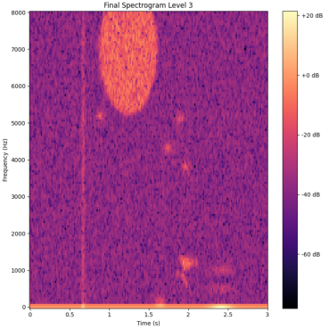
automated_audio_level_3_000000087.wav | 3 | {"spectrogram_base":{"sample_rate":16000,"n_fft":256,"hop_length":256,"noise_strength":6.502,"noise_type":"perlin","noise_params":{"seed":343835891,"scale":36.858}},"shapes":[{"type":"trapezoid","parameters":{"freq_min":2638.97,"freq_max":6171.21,"time_min":1.264,"time_max":1.31,"slope_freq":1.839,"slope_time":0.689,"strength_dB":39.61}},{"type":"fog","parameters":{"strength_dB":22.154,"coverage":0.09}},{"type":"polygon","parameters":{"vertices":[[4865.978,0.167],[4848.094,0.188],[4870.625,0.155],[4846.607,0.215],[4845.857,0.207],[4882.328,0.124],[4837.762,0.12]],"strength_dB":27.128}}],"patterns":[{"type":"convex","parameters":{"shape_name":"vertical_spike","shape_params":{"strength_dB":25.573,"center_freq":2.526,"center_time":1.695,"radius_freq":969.095,"radius_time":0.118},"freq_min":0,"freq_max":8000.0,"time_min":0.0,"time_max":3.0,"n":5}},{"type":"convex","parameters":{"shape_name":"vertical_range_dist_db","shape_params":{"strength_dB":38.384,"time_min":0.776,"time_max":1.811,"distribution":"gaussian","distribution_params":{"sigma":1.108}},"freq_min":0,"freq_max":8000.0,"time_min":0.0,"time_max":3.0,"n":5}}]} | {"shape":{"type":"circle","parameters":{"radius":10.0,"center":[0.0,0.0,0.0]},"name":"circle"},"name":"noise_db_51.87","parameters":{"strength":10.0,"distribution":"normal","distribution_params":{"mean":0.0,"std":1.0,"n":3},"seed":104853088,"time_scale":1000.0,"noise_type":"perlin"}}<|eot_id|> |  | 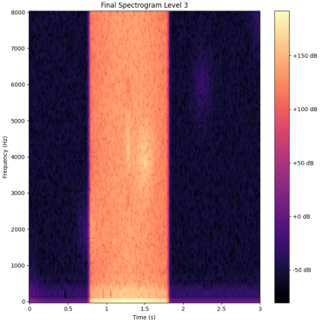
automated_audio_level_1_000000029.wav | 1 | {"spectrogram_base":{"sample_rate":16000,"n_fft":256,"hop_length":256,"noise_strength":8.179,"noise_type":"normal","noise_params":{"mean":0.0,"std":1.0,"seed":971124274}},"shapes":[{"type":"polygon","parameters":{"vertices":[[5716.711,2.828],[5742.573,2.836],[5638.017,2.841],[5765.594,2.847],[5930.297,2.835],[5107.119,2.848],[6398.562,2.829],[5643.749,2.824]],"strength_dB":35.337}}],"patterns":[]} | {"name":"STFT Pattern","pattern":"random","parameters":{"n":256,"p":2.0,"seed":123456789}},"shapes":[{"type":"circle","parameters":{"radius":10,"center":{"x":128.9,"y":0.0,"z":0.0},"thickness":1}}],"objects":[]}<|eot_id|> |  | 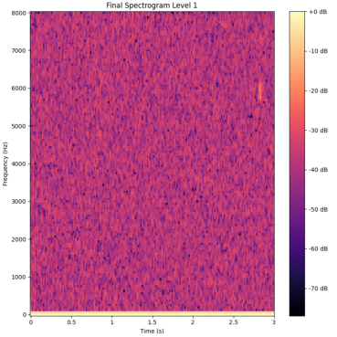
automated_audio_level_2_000000035.wav | 2 | {"spectrogram_base":{"sample_rate":16000,"n_fft":256,"hop_length":256,"noise_strength":12.791,"noise_type":"normal","noise_params":{"mean":0.0,"std":1.0,"seed":148998447}},"shapes":[{"type":"rectangle","parameters":{"freq_min":1560.45,"freq_max":4132.321,"time_min":0.045,"time_max":0.621,"strength_dB":38.79}},{"type":"fog","parameters":{"strength_dB":35.475,"coverage":0.905}}],"patterns":[{"type":"random","parameters":{"shape_name":"horizontal_line","shape_params":{"strength_dB":23.281,"center_freq":956.69,"thickness":1},"n":5,"freq_range":[0,8000.0],"time_range":[0.0,3.0]}}]} | {"shape":"rectangle","parameters":{"freq_min":0.0,"freq_max":8.0,"time_min":0.0,"time_max":1.0,"strength_dB":30.29,"n":256,"noise_strength_dB":25.98,"noise_scale":3.7,"noise_type":"perlin"},"name":"Distributed Rectangle Pattern","created_at":"2023-05-01T10:47:23.245Z","id":"6c4f5e2a-4d2b-4b44-9d17-9c0f9f0e3c44"}}<|eot_id|> |  | 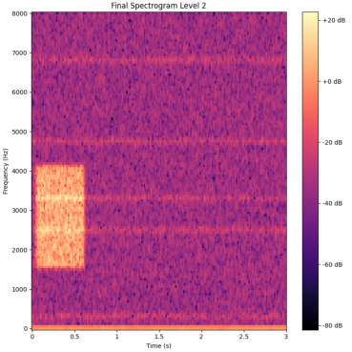
automated_audio_level_1_000000001.wav | 1 | {"spectrogram_base":{"sample_rate":16000,"n_fft":256,"hop_length":256,"noise_strength":8.346,"noise_type":"normal","noise_params":{"mean":0.0,"std":1.0,"seed":114241640}},"shapes":[{"type":"circle","parameters":{"center_freq":4561.466,"center_time":2.376,"radius_freq":827.634,"radius_time":1.324,"strength_dB":31.881}}],"patterns":[]} | {"shape":"circle","parameters":{"center_x":0.0,"center_y":0.0,"radius":100.0,"strength_dB":20.0},"patterns":[]}<|eot_id|> |  | 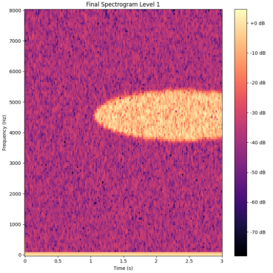
automated_audio_level_3_000000089.wav | 3 | {"spectrogram_base":{"sample_rate":16000,"n_fft":256,"hop_length":256,"noise_strength":6.946,"noise_type":"normal","noise_params":{"mean":0.0,"std":1.0,"seed":859928269}},"shapes":[{"type":"vertical_spike","parameters":{"center_freq":7.168,"center_time":2.014,"radius_freq":2856.074,"radius_time":0.05,"strength_dB":20.159}},{"type":"trapezoid","parameters":{"freq_min":2962.955,"freq_max":3783.036,"time_min":1.912,"time_max":2.436,"slope_freq":1.149,"slope_time":1.183,"strength_dB":36.323}},{"type":"polygon","parameters":{"vertices":[[1324.806,1.874],[1609.612,2.628],[1653.019,2.197],[1804.996,2.201],[1468.455,1.705],[1425.005,1.688],[1261.613,1.875],[1513.564,1.52]],"strength_dB":29.756}}],"patterns":[{"type":"random","parameters":{"shape_name":"vertical_range_dist_db","shape_params":{"strength_dB":20.276,"time_min":1.489,"time_max":2.66,"distribution":"gaussian","distribution_params":{"sigma":1.015}},"n":5,"freq_range":[0,8000.0],"time_range":[0.0,3.0]}},{"type":"n_linear_repeat_t_sleep","parameters":{"shape_name":"fog","shape_params":{"strength_dB":21.857,"coverage":0.071},"repeat":3,"repeat_time":0.5,"repeat_hz":500.0,"sleep_time":1.0,"start_time":0.0,"direction":"time"}}]} | {"base_shape":"circle","radius":15,"center":{"x":0.5,"y":0.5,"z":0.0},"n":1,"parameters":{"strength_dB":24.37,"strength_Hz":2.66,"strength_time":1.67}},"shapes":[{"type":"rectangle","parameters":{"thickness":2.0,"height":2.0,"center_x":0.5,"center_y":0.5,"center_z":0.0,"direction":"vertical"}}],"patterns":[]}<|eot_id|> |  | 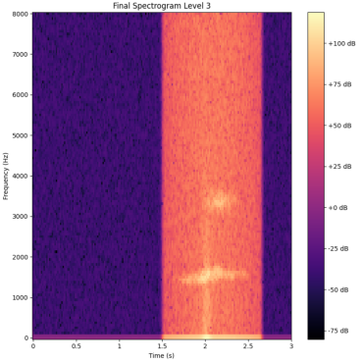
automated_audio_level_2_000000060.wav | 2 | {"spectrogram_base":{"sample_rate":16000,"n_fft":256,"hop_length":256,"noise_strength":9.626,"noise_type":"uniform","noise_params":{"low":-1.0,"high":1.0,"seed":757018423}},"shapes":[{"type":"horizontal_line","parameters":{"center_freq":6080.384,"strength_dB":33.965,"thickness":3}},{"type":"circle","parameters":{"center_freq":598.143,"center_time":1.703,"radius_freq":310.443,"radius_time":1.115,"strength_dB":26.391}}],"patterns":[{"type":"linear","parameters":{"shape_name":"horizontal_spike","shape_params":{"strength_dB":23.117,"center_freq":2273.377,"center_time":1.468,"radius_freq":59.236,"radius_time":0.07},"direction":"freq","repeat":3,"spacing":1.0}}]} | {"base_shape":"circle","shape_params":{"radius":50.0,"strength":5.0},"n":3,"distribution":"normal","distribution_params":{"mean":0.0,"std":1.0,"scale":3.0,"seed":144027511}}<|eot_id|> |  | 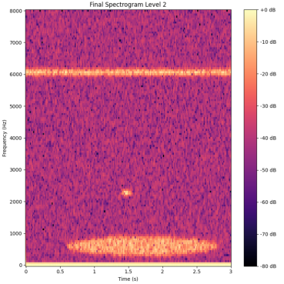
automated_audio_level_3_000000099.wav | 3 | {"spectrogram_base":{"sample_rate":16000,"n_fft":256,"hop_length":256,"noise_strength":13.087,"noise_type":"uniform","noise_params":{"low":-1.0,"high":1.0,"seed":296413268}},"shapes":[{"type":"vertical_spike","parameters":{"center_freq":2.647,"center_time":0.832,"radius_freq":1379.529,"radius_time":0.081,"strength_dB":26.299}},{"type":"hill","parameters":{"freq_center":1596.954,"time_center":0.985,"freq_width":596.187,"time_width":0.099,"strength_dB":29.597}},{"type":"ellipse","parameters":{"center_freq":5086.752,"center_time":2.469,"radius_freq":2296.563,"radius_time":0.14,"strength_dB":35.801}}],"patterns":[{"type":"n_linear_repeat_t_sleep","parameters":{"shape_name":"wave_pattern","shape_params":{"strength_dB":26.826,"axis":"freq","frequency":4.083},"repeat":3,"repeat_time":0.5,"repeat_hz":500.0,"sleep_time":1.0,"start_time":0.0,"direction":"time"}},{"type":"random","parameters":{"shape_name":"horizontal_range_dist_db","shape_params":{"strength_dB":39.022,"freq_min":1847.001,"freq_max":1847.201,"distribution":"gaussian","distribution_params":{"sigma":1054.492}},"n":5,"freq_range":[0,8000.0],"time_range":[0.0,3.0]}}]} | {"spec":{"name":"BaseSpec","parameters":{"n_fft":256,"hop_length":256,"noise_strength":7.84,"noise_type":"perlin","noise_params":{"scale":100.0,"seed":141511549}},"patterns":[]},"shapes":[]}<|eot_id|> |  | 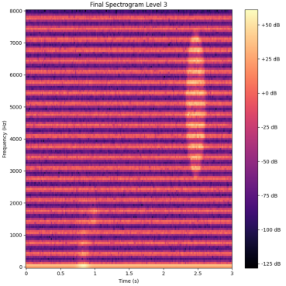
automated_audio_level_3_000000072.wav | 3 | {"spectrogram_base":{"sample_rate":16000,"n_fft":256,"hop_length":256,"noise_strength":5.761,"noise_type":"normal","noise_params":{"mean":0.0,"std":1.0,"seed":941836573}},"shapes":[{"type":"vertical_line","parameters":{"center_time":2.155,"strength_dB":21.051,"thickness":3}},{"type":"hill","parameters":{"freq_center":1848.745,"time_center":2.054,"freq_width":3125.069,"time_width":2.513,"strength_dB":37.74}},{"type":"horizontal_spike","parameters":{"center_freq":6355.484,"center_time":2.402,"radius_freq":30.823,"radius_time":0.077,"strength_dB":29.591}}],"patterns":[{"type":"convex","parameters":{"shape_name":"vertical_spike","shape_params":{"strength_dB":22.267,"center_freq":2.441,"center_time":2.048,"radius_freq":2798.426,"radius_time":0.05},"freq_min":0,"freq_max":8000.0,"time_min":0.0,"time_max":3.0,"n":5}},{"type":"random","parameters":{"shape_name":"horizontal_range_dist_db","shape_params":{"strength_dB":20.641,"freq_min":3812.993,"freq_max":3813.193,"distribution":"gaussian","distribution_params":{"sigma":1004.604}},"n":5,"freq_range":[0,8000.0],"time_range":[0.0,3.0]}}]} | {"shape":"rectangle","parameters":{"freq_min":0.0,"freq_max":15.0,"time_min":0.0,"time_max":5.0,"n_freq":256,"n_time":256,"strength_dB":27.98}},"patterns":[]}<|eot_id|> |  | 