SamplingSettings.vi(New)
fs | fp | Ns | Np | Ns min | fs FGEN |  |  | fs/fp |  |  | nO | nF |  |  | fp
408163 | 9964.92 | 4,096 | 100 | 4,096 | 4,081,630 |  |  | 40.959987637 | 147.00009555 | 245.00015925 | 147 | 245 | 10000 | 10000 | 9964.92 | 4 | 3.9984738165 | 0.038154588408 | 0.3508
327869 | 8004.61 | 4,096 | 100 | 4,096 | 3,278,690 |  |  | 40.960021787 | 182.99991765 | 304.99986275 | 182 | 304 | 7943.2823472 | 7943.2823472 | 8004.61 | 3.9 | 3.9033401771 | 0.085645566873 | 0.77206940502
259740 | 6341.31 | 4,096 | 100 | 4,096 | 2,597,400 |  |  | 40.959990917 | 231.000231 | 385.000385 | 231 | 385 | 6309.5734448 | 6309.5734448 | 6341.31 | 3.8 | 3.8021789845 | 0.057341698375 | 0.50299050286
206186 | 5033.83 | 4,096 | 100 | 4,096 | 2,061,860 |  |  | 40.960064206 | 290.9993889 | 484.9989815 | 290 | 484 | 5011.8723363 | 5011.8723363 | 5033.83 | 3.7 | 3.7018985447 | 0.05131201846 | 0.4381129896
162602 | 3969.77 | 4,096 | 100 | 4,096 | 1,626,020 |  |  | 40.96005562 | 368.9991513 | 614.9985855 | 368 | 614 | 3981.0717055 | 3981.0717055 | 3969.77 | 3.6 | 3.5987653454 | 0.034295961201 | 0.28388600786
129870 | 3170.66 | 4,096 | 100 | 4,096 | 1,298,700 |  |  | 40.959926324 | 462.000462 | 770.00077 | 462 | 770 | 3162.2776602 | 3162.2776602 | 3170.66 | 3.5 | 3.5011496737 | 0.032847821123 | 0.26507285989
103093 | 2516.91 | 4,096 | 100 | 4,096 | 1,030,930 |  |  | 40.960145575 | 581.9987778 | 969.997963 | 581 | 969 | 2511.8864315 | 2511.8864315 | 2516.91 | 3.4 | 3.4008676863 | 0.025520184312 | 0.19999186378
81632.7 | 1992.98 | 4,096 | 100 | 4,096 | 816,327 |  |  | 40.960120021 | 734.99957738 | 1224.9992956 | 734 | 1224 | 1995.262315 | 1995.262315 | 1992.98 | 3.3 | 3.2995029405 | 0.015062409694 | 0.11438671255
64935.1 | 1585.33 | 4,096 | 100 | 4,096 | 649,351 |  |  | 40.959989403 | 923.99950104 | 1539.9991684 | 923 | 1539 | 1584.8931925 | 1584.8931925 | 1585.33 | 3.2 | 3.2001196781 | 0.0037399398535 | 0.027560692479
51546.4 | 1258.46 | 4,096 | 100 | 4,096 | 515,464 |  |  | 40.959903374 | 1163.9998138 | 1939.9996896 | 1163 | 1939 | 1258.9254118 | 1258.9254118 | 1258.46 | 3.1 | 3.0998394161 | 0.0051801256195 | 0.036968972888
81967.2 | 1000.58 | 8,192 | 100 | 8,192 | 819,672 |  |  | 81.919686582 | 732.00011712 | 1220.0001952 | 732 | 1220 | 1000 | 1000 | 1000.58 | 3 | 3.0002518178 | 0.0083939259802 | 0.058
65146.6 | 795.246 | 8,192 | 100 | 8,192 | 651,466 |  |  | 81.920059956 | 920.99971449 | 1534.9995242 | 920 | 1534 | 794.32823472 | 794.32823472 | 795.246 | 2.9 | 2.9005014933 | 0.017292873496 | 0.11553980277
51679.6 | 630.854 | 8,192 | 100 | 8,192 | 516,796 |  |  | 81.920063913 | 1160.9996981 | 1934.9994969 | 1160 | 1934 | 630.95734448 | 630.95734448 | 630.854 | 2.8 | 2.7999288611 | 0.0025406751164 | 0.016378996314
61538.5 | 500.801 | 12,288 | 100 | 12,288 | 615,385 |  |  | 122.88014601 | 974.99939063 | 1624.9989844 | 974 | 1624 | 501.18723363 | 501.18723363 | 500.801 | 2.7 | 2.6996651874 | 0.012400466557 | 0.077063740127
65146.6 | 397.623 | 16,384 | 100 | 16,384 | 651,466 |  |  | 163.84011991 | 920.99971449 | 1534.9995242 | 920 | 1534 | 398.10717055 | 398.10717055 | 397.623 | 2.6 | 2.5994714977 | 0.020327012793 | 0.12161814439
51813.5 | 316.244 | 16,384 | 100 | 16,384 | 518,135 |  |  | 163.84026258 | 1157.9993631 | 1929.9989385 | 1157 | 1929 | 316.22776602 | 316.22776602 | 316.244 | 2.5 | 2.5000222945 | 0.00089178106434 | 0.005133636229
51413.9 | 251.044 | 20,480 | 100 | 20,480 | 514,139 |  |  | 204.80035372 | 1166.9995857 | 1944.9993095 | 1166 | 1944 | 251.18864315 | 251.18864315 | 251.044 | 2.4 | 2.3997498461 | 0.010423078644 | 0.057583475568
57142.9 | 199.298 | 28,672 | 100 | 28,672 | 571,429 |  |  | 286.72089033 | 1049.9992125 | 1749.9986875 | 1049 | 1749 | 199.5262315 | 199.5262315 | 199.298 | 2.3 | 2.2995029405 | 0.021611283474 | 0.11438671255
51948.1 | 158.533 | 32,768 | 100 | 32,768 | 519,481 |  |  | 327.68004138 | 1154.9989316 | 1924.9982194 | 1154 | 1924 | 158.48931925 | 158.48931925 | 158.533 | 2.2 | 2.2001196781 | 0.0054399125142 | 0.027560692479
51546.4 | 125.846 | 40,960 | 100 | 40,960 | 515,464 |  |  | 409.59903374 | 1163.9998138 | 1939.9996896 | 1163 | 1939 | 125.89254118 | 125.89254118 | 125.846 | 2.1 | 2.0998394161 | 0.007646852105 | 0.036968972888
53191.5 | 99.8939 | 53,248 | 100 | 53,248 | 531,915 |  |  | 532.47996124 | 1127.9997744 | 1879.999624 | 1127 | 1879 | 100 | 100 | 99.8939 | 2 | 1.9995389689 | 0.023051553278 | 0.1061
52083.3 | 79.4729 | 65,536 | 100 | 65,536 | 520,833 |  |  | 655.35924825 | 1152.0007373 | 1920.0012288 | 1152 | 1920 | 79.432823472 | 79.432823472 | 79.4729 | 1.9 | 1.9002190609 | 0.011529520886 | 0.050453358977
51679.6 | 63.0854 | 81,920 | 100 | 81,920 | 516,796 |  |  | 819.20063913 | 1160.9996981 | 1934.9994969 | 1160 | 1934 | 63.095734448 | 63.095734448 | 63.0854 | 1.8 | 1.7999288611 | 0.0039521612922 | 0.016378996314
51282.1 | 50.0801 | 102,400 | 100 | 1,024 | 512,821 |  | 1,221 | 1024.0015495 | 1169.9988885 | 1949.9981475 | 1169 | 1949 | 50.118723363 | 50.118723363 | 50.0801 | 1.7 | 1.6996651874 | 0.01969485865 | 0.077063740127
81632.7 | 39.8597 | 204,800 | 100 | 2,048 | 816,327 | 2 | 49 | 2048.000863 | 734.99957738 | 1224.9992956 | 734 | 1224 | 39.810717055 | 39.810717055 | 39.8597 | 1.6 | 1.6005340257 | 0.033376606455 | 0.12303959404
64724.9 | 31.604 | 204,800 | 100 | 2,048 | 647,249 | 2 |  | 2047.997089 | 927.00027347 | 1545.0004558 | 927 | 1545 | 31.622776602 | 31.622776602 | 31.604 | 1.5 | 1.4997420531 | 0.017196458374 | 0.059376828038
51413.9 | 25.1044 | 204,800 | 100 | 2,048 | 514,139 | 2 |  | 2048.0035372 | 1166.9995857 | 1944.9993095 | 1166 | 1944 | 25.118864315 | 25.118864315 | 25.1044 | 1.4 | 1.3997498461 | 0.017868134817 | 0.057583475568
61349.7 | 19.9706 | 307,200 | 100 | 3,072 | 613,497 | 3 |  | 3072.0008412 | 977.99989242 | 1629.9998207 | 977 | 1629 | 19.95262315 | 19.95262315 | 19.9706 | 1.3 | 1.3003911131 | 0.030085621673 | 0.090097678768
64935.1 | 15.8533 | 409,600 | 100 | 4,096 | 649,351 | 4 |  | 4095.9989403 | 923.99950104 | 1539.9991684 | 923 | 1539 | 15.848931925 | 15.848931925 | 15.8533 | 1.2 | 1.2001196781 | 0.0099731729428 | 0.027560692479
51546.4 | 12.5846 | 409,600 | 100 | 4,096 | 515,464 | 4 |  | 4095.9903374 | 1163.9998138 | 1939.9996896 | 1163 | 1939 | 12.589254118 | 12.589254118 | 12.5846 | 1.1 | 1.0998394161 | 0.014598535837 | 0.036968972888
51150.9 | 9.99041 | 512,000 | 100 | 5,120 | 511,509 | 5 |  | 5120.0000801 | 1172.9998886 | 1954.9998143 | 1172 | 1954 | 10 | 10 | 9.99041 | 1 | 0.99958331176 | 0.041668824211 | 0.0959
56980.1 | 7.94923 | 716,800 | 100 | 7,168 | 569,801 | 7 |  | 7168.0024355 | 1052.999205 | 1754.998675 | 1052 | 1754 | 7.9432823472 | 7.9432823472 | 7.94923 | 0.9 | 0.90032506288 | 0.036118097446 | 0.074876511966
51679.6 | 6.30854 | 819,200 | 100 | 8,192 | 516,796 | 8 |  | 8192.0063913 | 1160.9996981 | 1934.9994969 | 1160 | 1934 | 6.3095734448 | 6.3095734448 | 6.30854 | 0.8 | 0.7999288611 | 0.0088923629074 | 0.016378996314
51282.1 | 5.00801 | 1,024,000 | 100 | 10,240 | 512,821 | 10 |  | 10240.015495 | 1169.9988885 | 1949.9981475 | 1169 | 1949 | 5.0118723363 | 5.0118723363 | 5.00801 | 0.7 | 0.6996651874 | 0.047830371007 | 0.077063740127
53050.4 | 3.98516 | 1,331,200 | 100 | 13,312 | 530,504 | 13 |  | 13311.987474 | 1130.9999548 | 1884.9999246 | 1130 | 1884 | 3.9810717055 | 3.9810717055 | 3.98516 | 0.6 | 0.60044576255 | 0.074293758457 | 0.10269331395
51813.5 | 3.16244 | 1,638,400 | 100 | 16,384 | 518,135 | 16 |  | 16384.026258 | 1157.9993631 | 1929.9989385 | 1157 | 1929 | 3.1622776602 | 3.1622776602 | 3.16244 | 0.5 | 0.50002229453 | 0.0044589053218 | 0.0051336362291
51413.9 | 2.51044 | 2,048,000 | 100 | 20,480 | 514,139 | 20 |  | 20480.035372 | 1166.9995857 | 1944.9993095 | 1166 | 1944 | 2.5118864315 | 2.5118864315 | 2.51044 | 0.4 | 0.39974984611 | 0.062538471861 | 0.057583475568
51020.4 | 1.99298 | 2,560,000 | 100 | 25,600 | 510,204 | 25 |  | 25600.056197 | 1176.0001882 | 1960.0003136 | 1176 | 1960 | 1.995262315 | 1.995262315 | 1.99298 | 0.3 | 0.29950294048 | 0.16568650663 | 0.11438671255
50251.3 | 1.58302 | 3,174,400 | 100 | 31,744 | 502,513 | 31 |  | 31743.945118 | 1193.9989612 | 1989.9982687 | 1193 | 1989 | 1.5848931925 | 1.5848931925 | 1.58302 | 0.2 | 0.19948640181 | 0.25679909606 | 0.1181904541
50251.3 | 1.25829 | 3,993,600 | 100 | 39,936 | 502,513 | 39 |  | 39936.183233 | 1193.9989612 | 1989.9982687 | 1193 | 1989 | 1.2589254118 | 1.2589254118 | 1.25829 | 0.1 | 0.099780745152 | 0.21925484844 | 0.050472552878
50125.3 | 0.99899 | 501,760 | 10 | 50,176 | 501,253 | 49 |  | 50175.977738 | 1197.0003172 | 1995.0005287 | 1197 | 1995 | 1 | 1 | 0.99899 | -8.1967834657E-16 | -0.00043885908789 | 5.3540402735E+13 | 0.101
50377.8 | 0.793502 | 634,880 | 10 | 63,488 | 503,778 | 62 |  | 63487.930717 | 1191.000798 | 1985.00133 | 1191 | 1985 | 0.79432823472 | 0.79432823472 | 0.793502 | -0.1 | -0.10045197428 | 0.45197428044 | 0.10401678905
50377.8 | 0.630732 | 798,720 | 10 | 79,872 | 503,778 | 78 |  | 79871.958296 | 1191.000798 | 1985.00133 | 1191 | 1985 | 0.63095734448 | 0.63095734448 | 0.630732 | -0.2 | -0.20015513465 | 0.077567323322 | 0.035714693261
50251.3 | 0.50075 | 1,003,520 | 10 | 100,352 | 502,513 | 98 |  | 100352.07189 | 1193.9989612 | 1989.9982687 | 1193 | 1989 | 0.50118723363 | 0.50118723363 | 0.50075 | -0.3 | -0.30037904203 | 0.1263473448 | 0.087239577933
50125.3 | 0.397972 | 1,259,520 | 10 | 125,952 | 501,253 | 123 |  | 125951.82576 | 1197.0003172 | 1995.0005287 | 1197 | 1995 | 0.39810717055 | 0.39810717055 | 0.397972 | -0.4 | -0.40014748238 | 0.036870595435 | 0.033953307927
50251.3 | 0.316603 | 1,587,200 | 10 | 158,720 | 502,513 | 155 | 1,587,200 | 158720.22691 | 1193.9989612 | 1989.9982687 | 1193 | 1989 | 0.31622776602 | 0.31622776602 | 0.316603 | -0.5 | -0.49948497426 | 0.1030051484 | 0.11865940423
50125.3 | 0.251028 | 1,996,800 | 10 | 199,680 | 501,253 | 195 | 1,996,800 | 199680.11537 | 1197.0003172 | 1995.0005287 | 1197 | 1995 | 0.25118864315 | 0.25118864315 | 0.251028 | -0.6 | -0.60027783403 | 0.046305671299 | 0.063953190296
50000 | 0.199298 | 2,508,800 | 10 | 250,880 | 500,000 | 245 | 2,508,800 | 250880.59087 | 1200 | 2000 | 1200 | 2000 | 0.1995262315 | 0.1995262315 | 0.199298 | -0.7 | -0.70049705952 | 0.071008502842 | 0.11438671255
50125.3 | 0.158416 | 3,164,160 | 10 | 316,416 | 501,253 | 309 | 3,164,160 | 316415.63983 | 1197.0003172 | 1995.0005287 | 1197 | 1995 | 0.15848931925 | 0.15848931925 | 0.158416 | -0.8 | -0.80020095683 | 0.025119604057 | 0.046261316825
50000 | 0.125846 | 3,973,120 | 10 | 397,312 | 500,000 | 388 | 3,973,120 | 397310.99916 | 1200 | 2000 | 1200 | 2000 | 0.12589254118 | 0.12589254118 | 0.125846 | -0.9 | -0.90016058389 | 0.017842654912 | 0.036968972888
50125.3 | 0.100103 | 5,007,360 | 10 | 500,736 | 501,253 | 489 | 5,007,360 | 500737.24064 | 1197.0003172 | 1995.0005287 | 1197 | 1995 | 0.1 | 0.1 | 0.100103 | -1 | -0.9995529069 | 0.044709310292 | 0.103
50000 | 0.0793953 | 6,297,600 | 10 | 629,760 | 500,000 | 615 | 6,297,600 | 629760.19991 | 1200 | 2000 | 1200 | 2000 | 0.079432823472 | 0.079432823472 | 0.0793953 | -1.1 | -1.1002052059 | 0.018655085606 | 0.047239252978
50000 | 0.0630854 | 7,925,760 | 10 | 792,576 | 500,000 | 774 | 7,925,760 | 792576.41229 | 1200 | 2000 | 1200 | 2000 | 0.063095734448 | 0.063095734448 | 0.0630854 | -1.2 | -1.2000711389 | 0.0059282419382 | 0.016378996313
50000 | 0.0500801 | 9,984,000 | 10 | 998,400 | 500,000 | 975 |  | 998400.5623 | 1200 | 2000 | 1200 | 2000 | 0.050118723363 | 0.050118723363 | 0.0500801 | -1.3 | -1.3003348126 | 0.025754815158 | 0.077063740127
50000 | 0.0397947 | 12,564,480 | 10 | 1,256,448 | 500,000 | 1,227 |  | 1256448.7231 | 1200 | 2000 | 1200 | 2000 | 0.039810717055 | 0.039810717055 | 0.0397947 | -1.4 | -1.400174765 | 0.012483211581 | 0.040233024005
50000 | 0.031604 | 15,820,800 | 10 | 1,582,080 | 500,000 | 1,545 |  | 1582078.2179 | 1200 | 2000 | 1200 | 2000 | 0.031622776602 | 0.031622776602 | 0.031604 | -1.5 | -1.5002579469 | 0.017196458374 | 0.059376828038
50000 | 0.0251173 | 19,906,560 | 10 | 1,990,656 | 50,000 | 1,944 |  | 1990659.8241 | 1200 | 2000 | 1200 | 2000 | 0.025118864315 | 0.025118864315 | 0.0251173 | -1.6 | -1.6000270472 | 0.0016904490607 | 0.0062276505662
50000 | 0.0199461 | 25,067,520 | 10 | 2,506,752 | 50,000 | 2,448 |  | 2506755.7066 | 1200 | 2000 | 1200 | 2000 | 0.01995262315 | 0.01995262315 | 0.0199461 | -1.7 | -1.7001420079 | 0.0083534088195 | 0.03269319347
50000 | 0.0158481 | 31,549,440 | 10 | 3,154,944 | 50,000 | 3,081 |  | 3154952.3287 | 1200 | 2000 | 1200 | 2000 | 0.015848931925 | 0.015848931925 | 0.0158481 | -1.8 | -1.8000227971 | 0.0012665057827 | 0.0052490894342
50000 | 0.0125878 | 39,720,960 | 10 | 3,972,096 | 50,000 | 3,879 |  | 3972099.9698 | 1200 | 2000 | 1200 | 2000 | 0.012589254118 | 0.012589254118 | 0.0125878 | -1.9 | -1.9000501659 | 0.0026403130733 | 0.011550469377
50000 | 0.00999962 | 50,001,920 | 10 | 5,000,192 | 50,000 | 4,883 |  | 5000190.0072 | 1200 | 2000 | 1200 | 2000 | 0.01 | 0.01 | 0.00999962 | -2 | -2.0000165035 | 0.00082517519397 | 0.0037999999997

 |  |  |  | 1638.3796875 | 1562.5 | 1200
 |  |  |  |  |  | 0.03125
 |  |  |  | 0.0029802691874 | 0.0029 | 0.004
 |  |  |  | 335.54016 | 344.82758621 | 250
 |  |  |  | 16777008 | 17241379.31 | 12,500,000.00

FGen_PXI.vi(Old)
FGEN_PXI_old version
SamplingSettings.vi |  |  |  | FGEN_PXI.vi
fs | fp | Ns | Np | fp | fs | Ns | Np
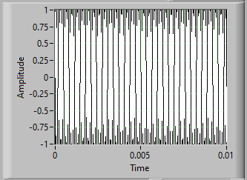
409600 | 10000 | 4096 | 100 | 10000 | 409600 | 4096 | 100

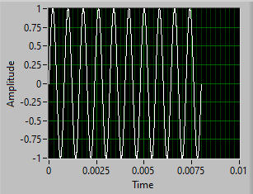
51200 | 1250 | 4096 | 100 | 1250 | 512000 | 4096 | 10
51573 | 1259.11 | 4096 | 100

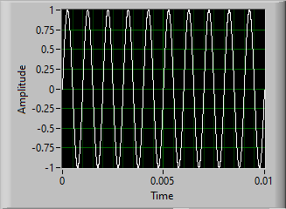
40960 | 1000 | 4096 | 100 | 1000 | 409600 | 4096 | 10

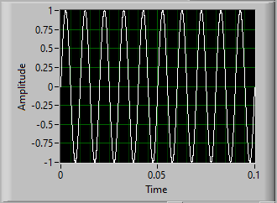
4096 | 100 | 4096 | 100 | 100 | 40960 | 4096 | 10

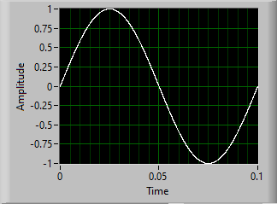
102400 | 10 | 102400 | 100 | 10 | 40960 | 4096 | 1

FGen_PXI.vi(New)
FGEN_PXI_old version
SamplingSettings.vi |  |  |  | FGEN_PXI.vi
above 10 kHz
fs | fp | Ns | Np | fp | fs | Ns | Np
409600 | 10000 | 4,096 | 100 | 10000 | 409600 | 4,096 | 100
408163 | 9964.92 | 4,096 | 100

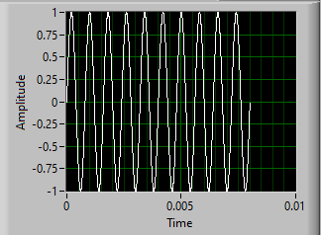
between 1220.7 Hz and 10 kHz
51200 | 1250 | 4,096 | 100 | 1250 | 512000 | 4,096 | 10
51546.4 | 1258.46 | 4,096 | 100

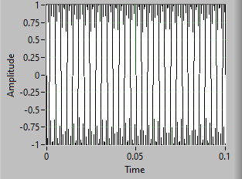
between 48.83 Hz and 1220.7 Hz
81920 | 1000 | 8,192 | 100 | 1000 | 819200 | 81,920 | 100
81967.2 | 1000.58 | 8,192 | 100

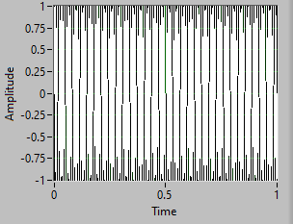
53248 | 100 | 53,248 | 100 | 100 | 532480 | 532,480 | 100
53191.5 | 99.8939 | 53,248 | 100

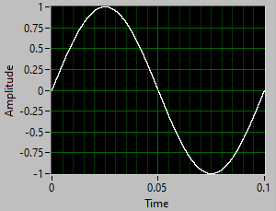
between 0.03125 Hz and 48.83 Hz
51200 | 10 | 512,000 | 100 | 10 | 512000 | 51,200 | 1
51150.9 | 9.99041 | 512,000 | 100

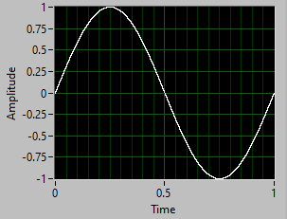
50176 | 1 | 501,760 | 10 | 1 | 501760 | 501,760 | 1
50125.3 | 0.99899 | 501,760 | 10

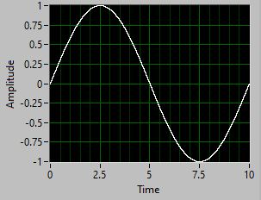
50073.6 | 0.1 | 5,007,360 | 10 | 0.1 | 500736 | 5,007,360 | 1
50125.3 | 0.100103 | 5,007,360 | 10

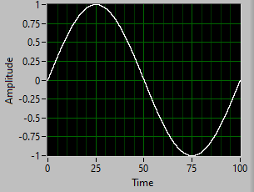
between 0.003 Hz and 0.03125 Hz
50001.92 | 0.01 | 50,001,920 | 10 | 0.01 | 50001.92 | 5,000,192 | 1
50000 | 0.00999962 | 50,001,920 | 10

