FlexMix
Pierce™ FlexMix™ Calibration Solution
https://www.thermofisher.com/order/catalog/product/A39239
Catalog number: A39239
The Pierce FlexMix Calibration Solution is a ready-to-use formulation that has been optimized for both positive and negative ionization calibration of instruments. The extended range masses (50 to 3000 m/z) improve sensitivity and mass accuracy of Orbitrap mass spectrometers.

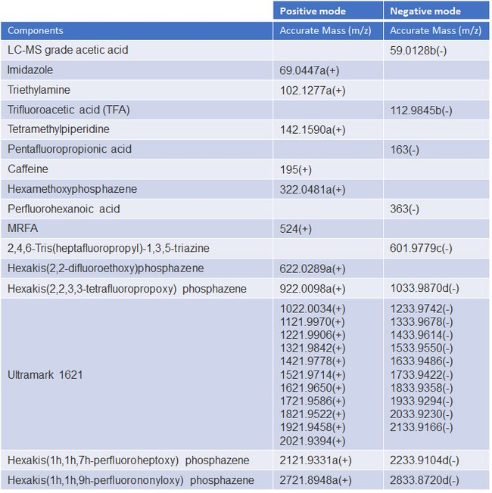
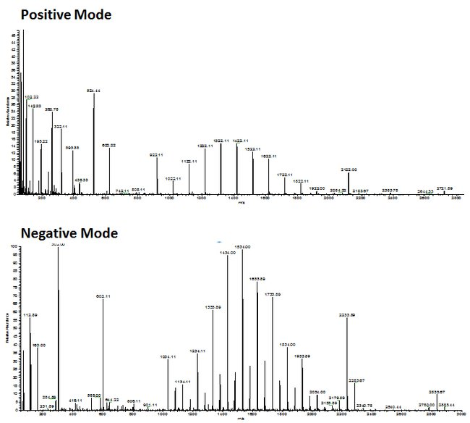
Components | Positive mode | Negative mode

 | (m/Z): | (m/Z):
Acetic Acid |  | 59.0128
Imidazole | 69.0447
Triethylamine | 102.1277
Trifluoroacetic acid |  | 112.9845
Tetramethylpiperidine | 142.1590
Pentafluoropropionic acid |  | 163
Caffeine | 195
Hexamethoxyphosphazene | 322.0481
Perfluorohexanoic acid |  | 363
MRFA | 524
2,4,6-Tris(heptafluoropropyl)-1,3,5-triazine |  | 601.9779
Hexakis (2,2-difluoroethoxy)phophazene | 622.0289
Hexakis (2,2,3,3-tetrafluoropropoxy)phophazene | 922.0098 | 1033.9870
Ultramark 1621 | 1022.0034
 | 1121.997
 | 1221.996 | 1233.9742
 | 1321.9842 | 1333.9678
 | 1421.9778 | 1433.9614
 | 15219714 | 1533.955
 | 1621.965 | 1633.9486
 | 1721.9586 | 1733.9422
 | 1821.9522 | 1833.9358
 | 1921.9458 | 1933.9294
 | 2021.9394 | 2033.923
 |  | 2133.9166
Hexakis(1h,1h,7h-perfluoroheptoxy)phosphazene | 2121.9331 | 2233.9104
Hexakis(1h,1h,9h-perfluorononyloxy)phosphazene | 2721.8948 | 2833.872

From the Orbitrap Tribrid Series Getting Started Guide:

Positive mode
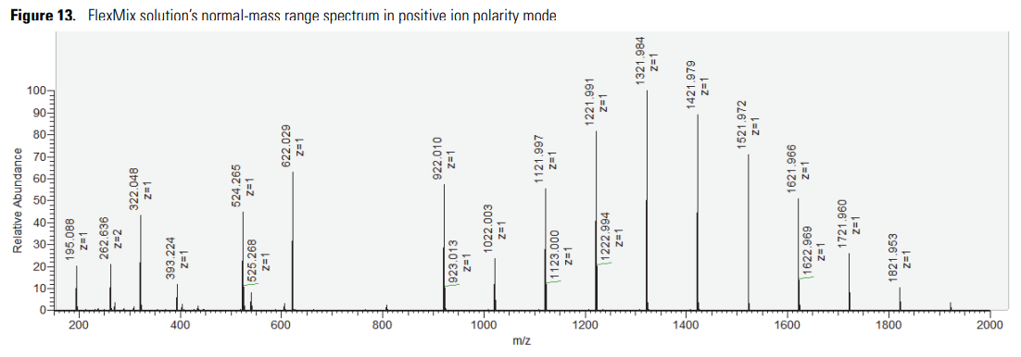
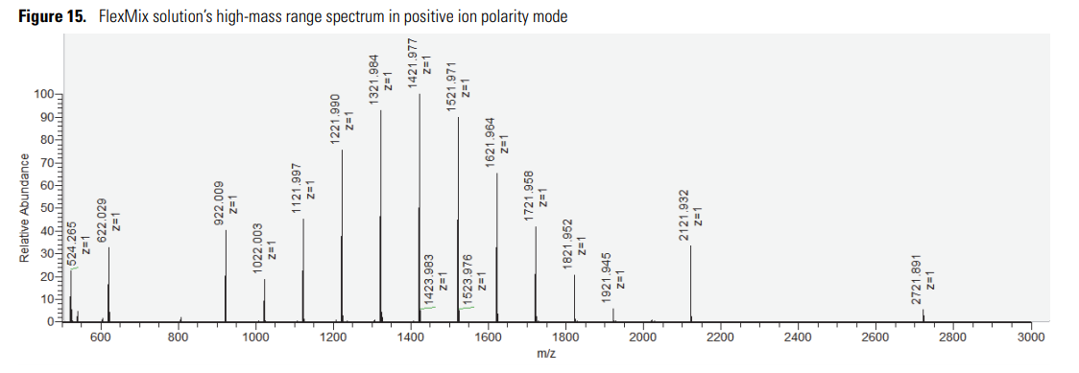
Imidazole | 69.0447
Triethylamine | 102.1277
Tetramethylpiperidine | 142.159
Caffeine | 195.0876
MRFA | 262.6361
Hexamethoxyphosphazene | 322.0481
MRFA | 524.2649
Hexakis (2,2-difluoroethoxy)phophazene | 622.0289
Hexakis (2,2,3,3-tetrafluoropropoxy)phophazene | 922.0097
Ultramark 1621 | 1022.0033
 | 1121.9969
 | 1221.9905
 | 1321.9841
 | 1421.9777
 | 1521.9713
 | 1621.9649
 | 1721.9585
 | 1821.9521
 | 1921.9457
Hexakis(1h,1h,7h-perfluoroheptoxy)phosphazene | 2121.9329
Hexakis(1h,1h,9h-perfluorononyloxy)phosphazene | 2721.8945
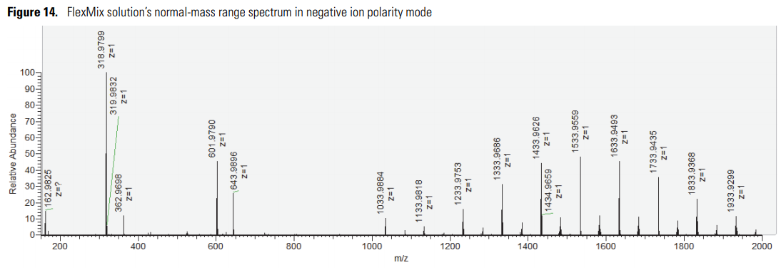

Negative mode

Acetic Acid | 59.0138
Trifluoroacetic acid | 112.9856
Pentafluoropropionic acid | 162.9824
Perfluorohexanoic acid | 362.9696
2,4,6-Tris(heptafluoropropyl)-1,3,5-triazine | 601.9789
Hexakis (2,2,3,3-tetrafluoropropoxy)phophazene | 1033.988
Ultramark 1621 | 1133.9816
 | 1233.9752
 | 1333.9688
 | 1433.9624
 | 1533.956
 | 1633.9496
 | 1733.9432
 | 1833.9368
 | 1933.9304
Hexakis(1h,1h,7h-perfluoroheptoxy)phosphazene | 2233.9111
Hexakis(1h,1h,9h-perfluorononyloxy)phosphazene | 2833.8728

FusionLumosTips
Advancing Proteomics
UWPR
 |  | UNIVERSITY of WASHINGTON | Proteomics Resource

Calibration tree for Fusion and Fusion Lumos instruments
last modified 2/15/2018

Note 2
If either of the 2 OT Diags failed then run the following in the order shown.
When these are complete return and continue with the next Diagnostic step for the Orbitrap “Evaluate Isotope Interactions“
> start infusing clean & fresh Calmix
> establish stable spray
> make a backup of the current TNGCalFile.xmb

yes
Were any ion optics removed for routine maintenance ? | no | Run All Calibrations under Positive ion Mode (Positive Calmix) | Diagnostics:
 |  | > Ion Optics - All | Diag/System/Orbitrap
 |  | > Ion Trap - All | > Evaluate Signal-to-Noise
 |  | > Quadruople - All |  |  | Diagnostics:
 |  | > Oribtrap - All w/pAGC | Diag/System/Orbitrap/Isotope Ratio |  | (Positive Calmix)
 |  |  | > Evaluate Isotope Ratio |  | Diag/Cali/Main Cali/Orbitrap
Diagnostics: |  |  | If either of the 2 above fail refer to Note 2 |  | > Transmission
(system in standby) |  |  |  |  | > Isotope Ratio
Diag/Hardware/Devices/Outputs |  |  |  |  | > Isotope Interactions
> Calibrate Devices (Optional) |  |  | Diag/System/Orbitrap/Mass |  | Diag/Cali/Cali file
 |  |  | > Evaluate Isotope Interactions |  | > Save Cali file
(If this has recently been run and no optics beyond the API I/F stack or any electronics have been removed then this can be considered optional step) |  |  | If the Evaluate Isotope Interactions fails then run the following and then re-run the Eval Isotope Interactions again |  | Run Orbitrap Calibrations under Positive ion Mode (Positive Calmix)
Diag/Cali/Cali file |  |  | Diag/Cali/Main/Orbitrap |  | > Oribtrap - All w/pAGC
> Save Cali file |  |  | > Isotope interactions

 |  |  | Are Additional Calibration Confirmations/Checks Desired ? | Yes | Run the following Calibration Checks under Positive Ion Mode
Diagnostics: |  |  | (Optional) |  | (Positive Calmix)
(system in standby) |  |  | No |  | > Ion Optics - All
Diag/System/Dip RF (RF Dips) |  |  |  |  | > Ion Trap - All
> Select RF (This selects All RF Dips) |  |  |  |  | > Quadruople - All
Diag/System/ETD/Dip RF (For ETD Option Only) |  |  |  |  | > Oribtrap - All w/pAGC
> Select Dip End Lens RF
Diag/Cali/Cali file
> Save Cali file |  |  | Permormance Check: |  | Diagnostics:
 |  |  | Lens Charging Evaluation | Yes | (Positive Calmix)
 |  |  | (Optional) |  | Diag/System/Ion Optics
Note 3
If overall performance issues are noted or suspected then this procedure can be run to see if there is any sign of charging occurring on any of the Ion Optics from the ITT (Ion Transfer Tube) up to and including the DLT (Dual Linear Trap). If there is charging detected then a front end or complete ion optics cleaning may be necessary.
For this test to be successful please follow these simple recommendations before running this test;
1. Establish as stable a spray as possible in the Positive Ion Mode while infusing positive Ion Calmix (I find a higher flowrate, e.g. 5ul/min is beneficial for this procedure)
2. Note the Positive ion Mode Source parameters you end up with and the observed spray current as read from the Status page
3. Then switch to the Negative Ion Mode and copy all Positive ion mode parameters in to the Negative Ion mode so all match what was observed and noted in the Positive Ion mode, the reason for this is when the Ion polarity is switched during the procedure that there is minimal turbulence created in the Spray source region during the switch from and back to the Positive Ion Mode. The exception to setting identical parameters would be the spray voltage applied in the Negative Ion Mode, typically this will be less then the Positive Mode. What you will want to do here is observe the current Spray current in the Negative mode, if higher then what was observed in the Positive Ion Mode then reduce the spray voltage until you are at or near the Positive mode spray current you observed.
4.Revert back to the Positive Ion Mode and allow it to stabilize and run the Evaluation.
**Additional comments based on recent observations
We recently made the observation while running the Lens Charging Test that an ion with m/z 537 appeared, which may incorrectly sway your conclusions when interpreting the test results:
when that mass 537 begins to appear, it affects the TIC plot and it appears to be stepping or changing only due to the addition and decay of mass at 537 and not from charging.
It appears that the 537 is generated during the time the instrument is scanning in neg ion mode. We found that running at higher flowrates, e.g. 5ul/min may help reduce that effect.
We also found that isolating the ZDV (Zero Dead Volume) union from it bracket, i.e. isolating it from the ground helps as well.
1. Put the system in standby
2. On the source housing lift the ZDV ground point holder (with all lines still attached to the ZDV) out of its seat so it is now no longer touching metal which stops the current flow thru the ZDV to ground
3. Position the holder such that it is suspended from the attached lines to and from the ZDV so the metal holder is not touching any ground.
4. Start scanning the instrument again
5. Run your Lens Charging test as normal, you may no longer see the 537 ion appear or it may be reduced to a much lower level as the test proceeds.
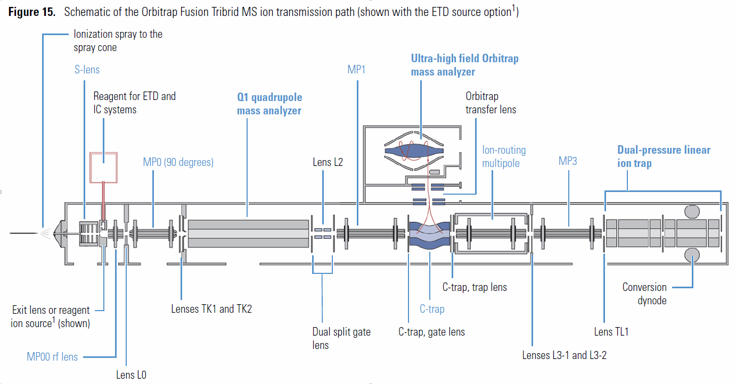
Diagnostics: |  | Run All Calibrations under Positive ion Mode (Positive Calmix) | No |  | > Evaluate Positive Lens Charging w/ESI
(system in standby) |  | > Ion Optics - All |  |  | refer to Note 3
Diag/Hardware/Devices/Readbacks/Scan All |  | > Ion Trap - All
> Scan All RF's (verifies All RF's are OK) |  | > Quadruople - All refer to Note 1
> Scan All DC's (verifies All DC's are OK) |  | > Oribtrap - All w/pAGC | Plan to use intact protein mode? | Yes | Cali/Positive Extended
(Optional) |  |  | No |  | (Positive Calmix)
 |  |  |  |  | > Intact Protein Mode - All

 |  | Diagnostics:
 |  | Diag/Cali/Main Cali/Optics
 |  | > Cali Source RF Scaling (not required if the OT pAGC cali has been run and passed) | Plan to use High Mass Range and/or Intact Protein Mode? | Yes | Cali/Positive Extended
Note 1
If the Quad had been physically removed for cleaning & you have issues trying to run the Normal Quad Calibrations then it is recommended to run the following procedure, it should be run in the order shown.
These steps will take ~ 2 to 3 hours time to complete.
When these are complete return to the main Cali Tree where you left off and continue as normal starting with the Orbitrap –All w/pAGC.
 |  | > Multipole RF Amplitude | No |  | (Positive Calmix)
 |  | > Ctrap RF |  |  | > High Mass Range - All

 |  | Run All Ion Optics under Positive ion Mode (Positive Calmix)
 |  | > Ion Optics - All | Plan to use IC (Internal Calibrant)? | Yes | Cali/ETD
 |  |  | No |  | (Internal Calibrant pos mass 202)
 |  |  |  |  | > IC Transmission

Diagnostics:
(Positive Calmix) |  |  | Plan to use Negative Ion Mode Range or ETD? | Yes | Cali/Negaive Ion Mode
Diag/Cali/Coarse Cali |  |  | No |  | (Negative Calmix)
> Quad Automatic Coarse Mass |  |  |  |  | > Run - All
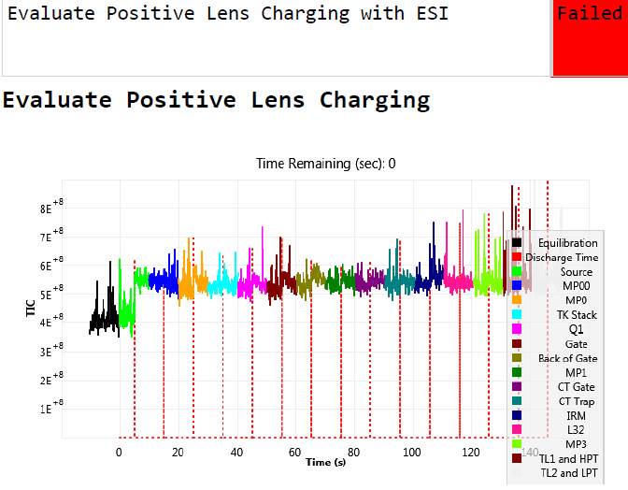
> Quad Coarse Stability Map (Lumos)

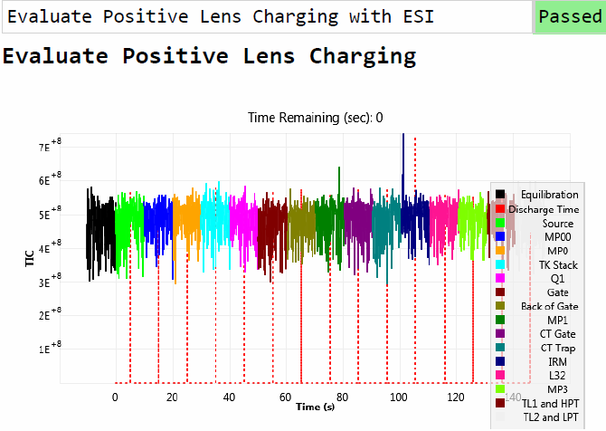
Cali > run Ion Optics Cali - All |  |  | Plan to use ETD? | Yes | Cali/ETD | ok ok, spray was not stellar, but you get the point
Diag/Cali/Main Cali/Optics - All |  |  | No |  | (while scanning "view reagent ion")
Cali > rerun Ion Optics - All |  |  |  |  | > Reagent Transmission
Diag/Cali/Main Cali/Optics - All |  |  |  |  | > Reagent Source
Cali > run all IT cali checks and run those that fail
Cali > run Quad Transmission Cali |  |  |  |  | Cali/ETD
Cali > run Quad Mass/Resolution Cali |  |  |  |  | (Infuse Angio I calmix)
Cali > run Quad Transmission Cali |  |  |  |  | > Reaction Kinetics w/ Angio
Cali > run Quad Mass/Resolution Cali
Cali > run Wide Isolation Cali
 |  |  | Plan to use High Mass Range and/or Intact Protein Mode? | Yes | Cali/Positive Extended
 |  |  | No |  | (Enfurvitide)
 |  |  |  |  | > High Mass Range - Enfurvitide

 |  |  | Plan to use Intact Protein Mode? | Yes | Cali/ETD Extended/Intact Protein Mode
 |  |  | No |  | (+/- Mss 202)
 |  |  |  |  | > Source to IRM
 |  |  |  |  | Note: If this is to be run then insure the Negative Mode Calis in erlier stps have been completed

 |  |  |  |  | Diagnostics:
 |  |  | Calibrations are now complete |  | Diag/Cali/Intact Protein Mode/High Mass Ragne
 |  |  |  |  | (Enfurvitide)
 |  |  |  |  | > IRM to C-trap cali
 |  |  |  |  | Diag/Cali/Cali file
 |  |  |  |  | > Save Cali file

TSQ calmix
Pierce™ Triple Quadrupole Calibration Solution
https://www.thermofisher.com/order/catalog/product/88325?SID=srch-srp-88325
Catalog number: 88325

Positive mode peaks | m/z | g/mol | 25 µ mol / L |  | 25 µmol / ml
25µM L-Tyrosine (1 mg/250 ml or 4 ng/µl) | 182 | 181.19 | 4529.75 | µg / L | 4.53 | µg / ml | 45.3 | µg/10 ml | 45.3 | µg / ml stock | 0.0453 | mg / ml stock | use | 1 | ml
25µM Tyr-Tyr-Tyr (3 mg/250 ml or 12 ng/µl) | 508 | 507.5 | 12687.5 | µg / L | 12.69 | µg / ml | 126.9 | µg/10 ml | 126.9 | µg / ml stock | 0.1269 | mg / ml stock | use | 1 | ml
25µM (Tyr)6 (6 mg/250 ml or 24 ng/µl) | 997 | 997.1 | 24927.5 | µg / L | 24.93 | µg / ml | 249.3 | µg/10 ml | 249.3 | µg / ml stock | 0.2493 | mg / ml stock | use | 1 | ml
 |  |  |  |  |  |  |  |  |  |  |  |  | add | 7 | ml 50:50 Methanol:Water 0.1% FA
 |  |  |  |  |  |  |  |  |  |  |  |  | Total | 10 | ml

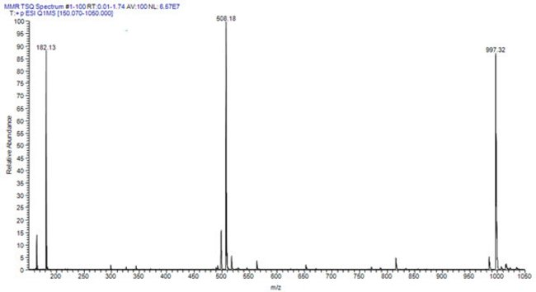

Triple Quadrupole Calibration Solution
Formulation: 25µM Tyr1, 25µM Tyr3 and 25µM Tyr6, in an aqueous of methanol (50%) and formic acid (0.1%).

TSQ EMR calmix
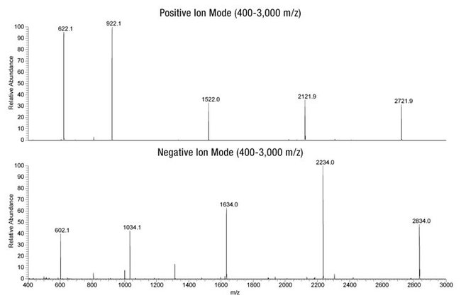
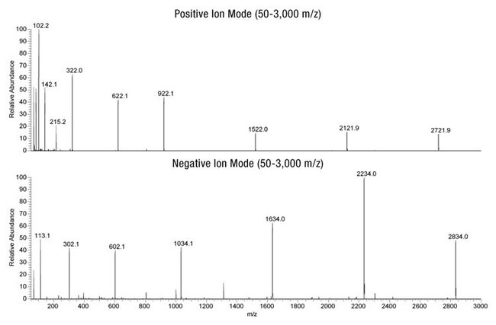
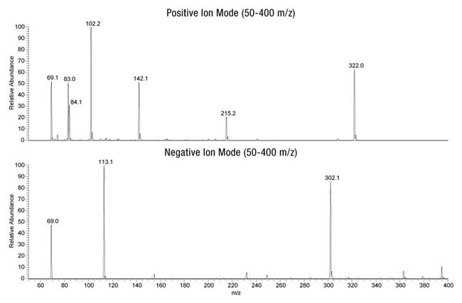
Pierce™ Triple Quadrupole Calibration Solution, extended mass range
https://www.thermofisher.com/order/catalog/product/88340

Catalog number | 88340
Stable—store at 2 to 8°C for 18 months
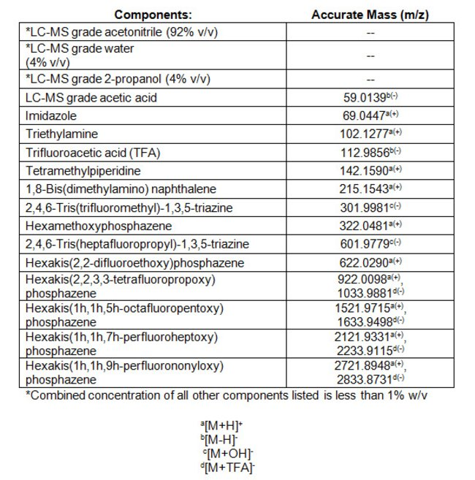

Positive mode |  | Negative mode

 | (m/Z): |  | (m/Z):
Imidazole | 69.0447 | Acetic Acid | 59.0128
Tetramethylpiperidine | 142.1590 | Trifluoroacetic acid | 112.9845
Hexamethoxyphosphazene | 322.0481 | 2,4,6-Tris(trifluoromethyl)-1,3,5-triazine | 301.9970
Hexakis (2,2-difluoroethoxy)phophazene | 622.0289 | 2,4,6-Tris(heptafluoropropyl)-1,3,5-triazine | 601.9779
Hexakis (2,2,3,3-tetrafluoropropoxy)phophazene | 922.0098 | Hexakis (2,2,3,3-tetrafluoropropoxy)phophazene | 1033.9870
Hexakis(1h,1h,5h-octafluoropentoxy)phosphazene | 15221.9715 | Hexakis(1h,1h,5h-octafluoropentoxy)phosphazene | 1633.9498
Hexakis(1h,1h,7h-perfluoroheptoxy)phosphazene | 2121.9331 | Hexakis(1h,1h,7h-perfluoroheptoxy)phosphazene | 2233.9115
Hexakis(1h,1h,9h-perfluorononyloxy)phosphazene | 2721.8948 | Hexakis(1h,1h,9h-perfluorononyloxy)phosphazene | 2833.8731

Calibration solutions
Advancing Proteomics
UWPR
 |  |  |  |  |  |  |  |  |  |  |  |  |  |  |  |  |  | UNIVERSITY of WASHINGTON |  |  |  | Proteomics Resource
Calibration solutions |  |  | LTQ |  | OT Fuison/Lumos |  |  |  | LTQ-FT |  |  |  | OT Fuison |  | OT Fuison |  | LTQ-FT |  | TSQ Access |  | TSQ Altis
Please make sure concentrations are correct for your application. |  |  |  |  | Q Exactive (plus) |  |  |  | LTQ-OrbitrapXL |  |  |  | ETD |  | high mass |  | ECD/IRMPD |  | TSQ Vantage
 |  |  |  |  | Velos(Orbitrap)

last updated: | 2019-12-04 |  |  |  | Positive |  | Negative |  | Positive |  | Negative

Caffeine (1mg/ml Methanol) |  |  | 200 | µl | 20 | µl |  |  | 200 | µl
MRFA diluted stock solution (166.7 pmol/µl or 0.1mg/ml) |  |  | 100 | µl | 100 | µl |  |  | 300 | µl
Ultramark 1621 stock solution (1/1000 dilution) (0.1% Ultramark in Acetonitrile) |  |  | 100 | µl | 100 | µl | 100 | µl | 100 | µl | 100 | µl
N-butylamine (5/1000 dilution) stock solution |  |  |  |  | 100 | µl
Acetic Acid glacial (use glass/ss syringe only)* |  |  | 100 | µl | 100 | µl | 100 | µl | 100 | µl | 100 | µl
Acetonitrile LCMS grade |  |  | 5 | ml | 5 | ml | 5 | ml | 5 | ml | 5 | ml
50:50 Methanol/Water LCMS grade |  |  | 4.5 | ml | 4.58 | ml | 4.6 | ml | 4.3 | ml | 4.6 | ml
Total |  |  | 10 | ml | 10 | ml |  |  | 10 | ml

SDS 1 nmol/µl |  |  |  |  |  |  | 100 | µl |  |  | 100 | µl
Sodium taurocholate 1 nmol/µl |  |  |  |  |  |  | 100 | µl |  |  | 100 | µl
Total |  |  |  |  |  |  | 10 | ml |  |  | 10 | ml
store at 4oC or -20oC until needed
*NOTE: use only glass pipettes or ss syringes when measuring acetic acid.
Using plastic pipette tips causes contamination of acid stock solutions that can introduce contaminants into the calibration solution.

Angiotensin l ( 1 pmol/ul)
Angiotensin l stock solution (1 nmol/µl) |  |  |  |  |  |  |  |  |  |  |  |  | 1 | µl
50:50 Methanol/Water + 0.1%acetic acid |  |  |  |  |  |  |  |  |  |  |  |  | 999 | µl
Total |  |  |  |  |  |  |  |  |  |  |  |  | 1000 | µl
store at -20oC until needed

Enfuvirtide (10pmol/µl)
Enfuvirtide stock solution ( 4.4mg/ml) |  |  |  |  |  |  |  |  |  |  |  |  |  |  | 200 | µl
50:50 Acetonitrile/Water |  |  |  |  |  |  |  |  |  |  |  |  |  |  | 19.8 | ml
Acetic acid (use glass syringe to measure) |  |  |  |  |  |  |  |  |  |  |  |  |  |  | 20 | µl
Total |  |  |  |  |  |  |  |  |  |  |  |  |  |  | 20 | ml
Vortex for 2 min and sonicate for 10 min
store at 4oC until needed

Substance P (2 pmol/ul)
Substance P stock solution (1 nmol/µl) |  |  |  |  |  |  |  |  |  |  |  |  |  |  |  |  | 2 | µl
50:50 Methanol/Water + 0.1% formic acid |  |  |  |  |  |  |  |  |  |  |  |  |  |  |  |  | 998 | µl
Total |  |  |  |  |  |  |  |  |  |  |  |  |  |  |  |  | 1000 | µl
store at -20oC until needed

Polytyrosine-1,3,6
25 µM L-Tyrosine (4 mg/L or 4 ng/µl) |  | (make 0.45 mg/ml stock use 1ml in 10 ml) |  |  |  |  |  |  |  |  |  |  |  |  |  |  |  |  | 1 | ml
25 µM (Tyr)3 (12 mg/L or 12 ng/µl) |  | (make 1.27 mg/ml stock use 1ml in 10 ml) |  |  |  |  |  |  |  |  |  |  |  |  |  |  |  |  | 1 | ml
25 µM (Tyr)6 (24 mg/L or 24 ng/µl) |  | (make 2.49 mg/ml stock use 1ml in 10 ml) |  |  |  |  |  |  |  |  |  |  |  |  |  |  |  |  | 1 | ml
50:50 Methanol/Water + 0.1% formic acid |  |  |  |  |  |  |  |  |  |  |  |  |  |  |  |  |  |  | 7 | ml
Total |  |  |  |  |  |  |  |  |  |  |  |  |  |  |  |  |  |  | 10 | ml
store at 4oC until needed

Commercial Calmix from Pierce ($ 200.- to $300.- per 10 ml bottle) |  |  | LTQ, LTQ Orbitrap, |  |  |  | LTQ Velos/Pro, |  |  |  | LTQ, LTQ Velos/Pro, |  |  |  | TSQ Quantum, TSQ Discovery, |  |  |  | TSQ Altis |  |  |  | Orbitrap Fusion
 |  |  | LXQ, LCQ FLEET, |  |  |  | LTQ Orbitrap Velos/Pro, |  |  |  | LTQ Orbitrap, LTQ Orbitrap Velos/Pro, |  |  |  | TSQ Quantum Access, |  |  |  | TSQ Endura, Quantiva |  |  |  | Orbitrap Fusion Lumos
 |  |  | Exactive |  |  |  | Orbitrap Elite, |  |  |  | Orbitrap Elite, |  |  |  | TSQ Vantage, TSQ Endura, |  |  |  | TSQ Quantum, Discovery |  |  |  | Orbitrap ID-X
 |  |  |  |  |  |  | Q Exactive series |  |  |  | Q Exactive series |  |  |  | TSQ Quantiva |  |  |  | TSQ Quantum Ultra, Access
 |  |  |  |  |  |  | Orbitrap Fusion Tribrid |  |  |  | Orbitrap Fusion Tribrid |  |  |  |  |  |  |  | TSQ Vantage
 |  |  | Positive |  |  |  | Positive |  |  |  | Negative |  |  |  | both |  |  |  | both |  |  |  | both
 |  |  |  |  |  |  |  |  |  |  |  |  |  |  |  |  |  |  |  |  |  |  | A39239
 |  |  | 88322 |  |  |  | 88323 |  |  |  | 88324 |  |  |  | 88325 |  |  |  | 88340

Materials and stock solutions
Advancing Proteomics
UWPR
 |  |  |  |  |  |  |  |  |  |  |  |  |  |  |  |  | UNIVERSITY of WASHINGTON |  |  | Proteomics Resource
Please make sure concentraions are correct for your application. |  |  |  |  |  |  |  |  |  |  |  |  |  |  |  |  |  | last updated: | 2019-12-04

Materials | Vendor | part# | g/mol | www

Caffeine (1mg/ml Methanol) | Sigma | C6035-1ML | 194.19 | http://www.sigmaaldrich.com
Caffeine (solid) | Sigma | C1778-5VL | 194.19 | http://www.sigmaaldrich.com
MRFA | Research Plus Inc. | 13-4794-02 | 607.7 | www.researchplus.com
 | Sigma | M1170-5MG | 523.65 | http://www.sigmaaldrich.com
 | Fisher | NC9634265 | 523.65 | www.FisherLCMS.com
Ultramark 1621 (neat liquid) | Lancaster Synthesis | 16698 |  | www.lancastersynthesis.com
 | ABCR GmbH&Co.KG | AB172435
Butylamine, 99.5% | Sigma | 471305-25ML | 73.14 | http://www.sigmaaldrich.com
SDS | Sigma | L4509-10G | 288.4 | http://www.sigmaaldrich.com
Sodium taurocholate | Sigma | T4009-250MG | 537.7 | http://www.sigmaaldrich.com
Substance P | Sigma | S6883-1MG |  | http://www.sigmaaldrich.com
Angiotensin l | Sigma | A9650 | 1296
Enfuvirtide lyophilized powder (old #06-663-46079) 90mg | Genway | GWB-3C5079 | 4492 | http://www.genwaybio.com/
Enfuvirtide acetate salt 5mg | sigma | SML0934-5MG |  | http://www.sigmaaldrich.com
L-Tyrosine | Sigma | T8566 | 181.19 | http://www.sigmaaldrich.com
Tyr-Tyr-Tyr | Sigma | T2007 | 507.54 | http://www.sigmaaldrich.com
(Tyr)6 | Sigma | T1780 | 997.07 | http://www.sigmaaldrich.com

Note: Always use dedicated solvents for all your LC-MS/MS applications!
Never use pipet tips or any plastic pipets to transfer solvents, particularly for the acids!! You will contaminate the stocks as well as all the buffers made from those stocks.
For best results use glass pipets or glass syringes with stainless steel needle (rinse immediatly after use to avoid corrosion).

Formic acid LCMS Grade | Fisher | A117-50
Acetic Acid glacial LCMS Grade | Fisher | A507-500 or A35-500 |  | www.FisherLCMS.com
Water LCMS Grade | Fisher | W6-1 or W6-4 |  | www.FisherLCMS.com
Acetonitrile Optima LCMS Grade | Fisher | A955-1 or A955-4 |  | www.FisherLCMS.com
Methanol LCMS Grade | Fisher | A456-1 or A456-4 |  | www.FisherLCMS.com
Isopropanol LCMS Grade | Fisher | A461-1 or A461-4 |  | www.FisherLCMS.com

1% acetic acid in Methanol
50:50 Methanol/Water
0.1% formic acid in 50:50 Methanol/Water
1% acetic acid in 50:50 Methanol/Water

Stock Solutions

Caffeine (1 mg/mL caffeine in methanol) |  |  |  |  | LTQ |  | LTQ-Velos |  | LTQ-Orbitrap |  | LTQ-FT |  | ECD/IRMPD |  | TSQ
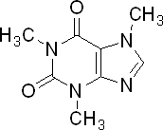
Caffeine (1mg/ml Methanol) | Sigma | C6035-1ML | 194.19 | http://www.sigmaaldrich.com | 1 | ml | 1 | ml | 1 | ml | 1 | ml

OR

Caffeine (solid) | Sigma | C1778-5VL | 194.19 | http://www.sigmaaldrich.com | 1 | mg | 1 | mg | 1 | mg | 1 | mg
Methanol LCMS | Fisher | A456-1 or A456-4 |  | www.FisherLCMS.com | 1 | ml | 1 | ml | 1 | ml | 1 | ml
Caffeine (1mg/ml Methanol) |  |  |  |  | 1 | ml | 1 | ml | 1 | ml | 1 | ml
store at 4oC or -20oC until needed

MRFA (166.7 pmol/µl MRFA in 50:50 methanol:water)
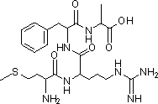
MRFA (solid) |  |  |  |  | 0.5 | mg | 1 | mg | 2 | mg | 6 | mg
50:50 Methanol/Water |  |  |  |  | 165.00 | µl | 330.00 | µl | 660.00 | µl | 1980.00 | µl
MRFA stock solution (5nmol/µl or 3 mg/ml) |  |  |  |  | 165.00 | µl | 330.00 | µl | 660.00 | µl | 1980.00 | µl
store at 4oC or -20oC until needed

MRFA stock solution (5nmol/µl or 3 mg/ml) |  |  |  |  | 50 | µl | 50 | µl | 50 | µl | 50 | µl
50:50 Methanol/Water |  |  |  |  | 1450 | µl | 1450 | µl | 1450 | µl | 1450 | µl
MRFA diluted stock solution (166.7 pmol/µl or 0.1mg/ml) |  |  |  |  | 1.5 | ml | 1.5 | ml | 1.5 | ml | 1.5 | ml
store at 4oC or -20oC until needed

Ultramark 1621 (0.1% Ultramark in Acetonitrile)

Ultramark 1621 |  |  |  |  | 10 | µl | 10 | µl | 10 | µl | 10 | µl
Acetonitrile |  |  |  |  | 10 | ml | 10 | ml | 10 | ml | 10 | ml
Ultramark 1621 stock solution (0.1% Ultramark in Acetonitrile) |  |  |  |  | 10 | ml | 10 | ml | 10 | ml | 10 | ml
store at 4oC or -20oC until needed

N-butylamine (5/1000 dilution)

Butylamine, 99.5% | Sigma | 47205-25ml |  |  |  |  | 5 | µl
50:50 Methanol/Water |  |  |  |  |  |  | 9.995 | ml
N-butylamine (5/1000 dilution) stock solution |  |  |  |  |  |  | 10.00 | ml

SDS (1 nmol/ul)

SDS (2.88mg/10ml) |  |  |  |  |  |  |  |  | 2.88 | mg | 2.88 | mg
50:50 Methanol/Water |  |  |  |  |  |  |  |  | 10.00 | ml | 10.00 | ml
SDS stock solution (1 nmol/µl) |  |  |  |  |  |  |  |  | 10.00 | ml | 10.00 | ml
store at 4oC or -20oC until needed

Sodioum taurocholate (1 nmol/ul)

Sodium taurocholate (5.38mg/10ml) |  |  |  |  |  |  |  |  | 5.38 | mg | 5.38 | mg
50:50 Methanol/Water |  |  |  |  |  |  |  |  | 10.00 | ml | 10.00 | ml
Sodioum taurocholate stock solution (1 nmol/µl) |  |  |  |  |  |  |  |  | 10.00 | ml | 10.00 | ml
store at 4oC or -20oC until needed

Substance P (2 pmol/ul)

Substance P (1mg / 715µl) |  |  |  |  |  |  |  |  |  |  |  |  | 1 | mg |  |  | Arg-Pro-Lys-Pro-Gln-Gln-Phe-Phe-Gly-Leu-Met-NH2
50:50 Methanol/Water + 0.1% formic acid |  |  |  |  |  |  |  |  |  |  |  |  | 715 | µl
Substance P stock solution (1 nmol/µl) |  |  |  |  |  |  |  |  |  |  |  |  | 715 | µl
store at -20oC until needed

Substance P stock solution (1 nmol/µl) |  |  |  |  |  |  |  |  |  |  |  |  | 2 | µl
50:50 Methanol/Water + 0.1% formic acid |  |  |  |  |  |  |  |  |  |  |  |  | 998 | µl
Substance P (2 pmol/ul) |  |  |  |  |  |  |  |  |  |  |  |  | 1000 | µl
store at -20oC until needed

Polytyrosine-1,3,6 |  | stock

25 µM L-Tyrosine (4 mg/L or 4 ng/µl) |  | 0.45 | mg/ml 50:50 Methanol/Water |  |  |  |  |  |  |  |  |  |  |  | 1 | ml |  |  |  |  | m/z | g/mol | 25 µ mol / L |  | 25 µmol / ml
25 µM (Tyr)3 (12 mg/L or 12 ng/µl) |  | 1.27 | mg/ml 50:50 Methanol/Water |  |  |  |  |  |  |  |  |  |  |  | 1 | ml |  |  |  |  | 182 | 181.19 | 4529.75 | µg / L | 4.53 | µg / ml | 45.3 | µg/10 ml | 45.3 | µg / ml stock | 0.0453 | mg / ml stock | use | 1 | ml
25 µM (Tyr)6 (24 mg/L or 24 ng/µl) |  | 2.49 | mg/ml 50:50 Methanol/Water |  |  |  |  |  |  |  |  |  |  |  | 1 | ml |  |  |  |  | 508 | 507.5 | 12687.5 | µg / L | 12.69 | µg / ml | 126.9 | µg/10 ml | 126.9 | µg / ml stock | 0.1269 | mg / ml stock | use | 1 | ml
50:50 Methanol/Water + 0.1% formic acid |  |  |  |  |  |  |  |  |  |  |  |  |  |  | 7 | ml |  |  |  |  | 997 | 997.1 | 24927.5 | µg / L | 24.93 | µg / ml | 249.3 | µg/10 ml | 249.3 | µg / ml stock | 0.2493 | mg / ml stock | use | 1 | ml
Polytyrosine-1,3,6 |  |  |  |  |  |  |  |  |  |  |  |  |  |  | 10 | ml |  |  |  |  |  |  |  |  |  |  |  |  |  |  |  |  | add | 7 | ml 50:50 Methanol:Water 0.1% FA
store at -20oC until needed |  |  |  |  |  |  |  |  |  |  |  |  |  |  |  |  |  |  |  |  |  |  |  |  |  |  |  |  |  |  |  |  | Total | 10 | ml

Angiotensin l (1 pmol/ul)

 |  |  |  |  |  |  |  |  |  |  |  |  |  |  |  |  | Asp-Arg-Val-Tyr-Ile-His-Pro-Phe-His-Leu-OH.2CH3COOH.6H2O
Angiotensin l |  |  |  |  |  |  |  |  |  |  |  |  | 1 | mg
50:50 Methanol/Water + 1% acetic acid |  |  |  |  |  |  |  |  |  |  |  |  | 772 | µl
Angiotensin l stock solution (1 nmol/µl) |  | 1.00 | nmol/µl |  |  |  |  |  |  |  |  |  | 772 | µl
store at -20oC until needed

Angiotensin l stock solution (1 nmol/µl) |  |  |  |  |  |  |  |  |  |  |  |  | 1 | µl
50:50 Methanol/Water + 0.1% acetic acid |  |  |  |  |  |  |  |  |  |  |  |  | 999 | µl
Angiotensin l (1 pmol/ul) |  |  |  |  |  |  |  |  |  |  |  |  | 1000 | µl
store at -20oC until needed

Enfuvirtide

 |  |  |  |  |  |  |  |  |  |  |  |  |  |  |  |  | Ac-Tyr-Thr-Ser-Leu-Ile-His-Ser-Leu- Ile-Glu-Glu-Ser-Gln-Asn-Gln-Gln-Glu- Lys-Asn-Glu-Gln-Glu-Leu-Leu-Glu- Leu-Asp-Lys-Trp-Ala-Ser-Leu-Trp-Asn-Trp-Phe-NH2 acetate
Enfuvirtide (22mg / 5 ml) |  |  |  |  |  |  |  |  |  |  |  |  | 22 | mg
50:50 Acetonitrile/Water |  |  |  |  |  |  |  |  |  |  |  |  | 5 | ml
Enfuvirtide stock solution ( 4.4mg/ml) |  | 0.98 | nmol/µl |  |  |  |  |  |  |  |  |  | 5 | ml
store at -20oC until needed

Enfuvirtide stock solution ( 4.4mg/ml) |  |  |  |  |  |  |  |  |  |  |  |  | 200 | µl
50:50 Acetonitrile/Water |  |  |  |  |  |  |  |  |  |  |  |  | 19.8 | ml
Acetic acid (use glass syringe to measure) |  |  |  |  |  |  |  |  |  |  |  |  | 20 | µl
Enfuvirtide working solution |  | 9.8 | pmol/µl |  |  |  |  |  |  |  |  |  | 20 | ml
Vortex for 2 min and sonicate for 10 min
store at -20oC until needed

Reserpine
Advancing Proteomics
UWPR
 |  |  |  |  |  |  |  |  |  |  |  |  | UNIVERSITY of WASHINGTON |  |  |  | Proteomics Resource
Please confirm the correct concentration and buffer with the installing Thermo engineer
Only needed during Installation of new Thermo Instruments |  |  |  |  | LTQ |  | LTQ XL |  | LTQ-Velos |  | LTQ-Orbitrap |  | LTQ-FT | TSQ Access |  | TSQ Vantage
last updated: | 2009-10-21 |  | g/mol |  |  |  |  |  |  |  |  |  |  | TSQ Ultra

Reserpine | Sigma | R0875 | 608.7 | http://www.sigmaaldrich.com

Acetic Acid glacial LCMS | Fisher | A507-500 or A35-500 |  | www.FisherLCMS.com
Water LCMS | Fisher | W6-1 or W6-4 |  | www.FisherLCMS.com
Acetonitrile Optima LCMS | Fisher | A955-1 or A955-4 |  | www.FisherLCMS.com
Methanol LCMS | Fisher | A456-1 or A456-4 |  | www.FisherLCMS.com

50:50 Methanol/Water + 1% acetic acid
1% acetic acid in methanol

Reserpine solution

Reserpine(1 μg/μL) | 1 | µg/µl | 1.64 | nmol/µl
Reserpine |  |  |  |  | 1 | mg | 1 | mg | 1 | mg | 1 | mg |  | 1 | mg | 1 | mg
1% acetic acid in methanol |  |  |  |  | 1 | ml | 1 | ml | 1 | ml | 1 | ml |  | 1 | ml | 1 | ml
Reserpine Stock Solution (1 μg/μL) |  |  |  |  | 1 | ml | 1 | ml | 1 | ml | 1 | ml |  | 1 | ml | 1 | ml
Note it is hard to dissolve Reserpine, increase acid concentration and sonicate until completely dissolved.

Reserpine (1 ng/μL) | 1 | ng/µl | 1.64 | pmol/µl
Reserpine (1 µg/µl) |  |  |  |  | 10 | µl | 10 | µl | 10 | µl | 10 | µl |  | 10 | µl | 10 | µl
50:50 Methanol/Water + 1% acetic acid |  |  |  |  | 9.99 | ml | 9.99 | ml | 9.99 | ml | 9.99 | ml |  | 9.99 | ml | 9.99 | ml
Reserpine (1 ng/μL) |  |  |  |  | 10 | ml | 10 | ml | 10 | ml | 10 | ml |  | 10 | ml | 10 | ml

Reserpine (10 pg/μL) | 10 | pg/µl | 16.43 | fmol/µl
Reserpine (1 ng/μL) |  |  |  |  |  |  |  |  |  |  | 100 | µl
50:50 Methanol/Water + 1% acetic acid |  |  |  |  |  |  |  |  |  |  | 9.9 | ml
Reserpine (10 pg/μL) |  |  |  |  |  |  |  |  |  |  | 10 | ml

Reserpine (1 pg/μL) | 1 | pg/µl | 1.64 | fmol/µl
Reserpine (1 ng/µl) |  |  |  |  | 10 | µl | 10 | µl | 10 | µl |  |  |  | 10 | µl | 10 | µl
50:50 Methanol/Water + 1% acetic acid |  |  |  |  | 9.99 | ml | 9.99 | ml | 9.99 | ml |  |  |  | 9.99 | ml | 9.99 | ml
Reserpine (1 pg/μL) |  |  |  |  | 10 | ml | 10 | ml | 10 | ml |  |  |  | 10 | ml | 10 | ml

Reserpine (250 fg/μL) | 250 | fg/µl | 410.71 | amol/µl
Reserpine (1 pg/µl) |  |  |  |  |  |  | 2.5 | ml
50:50 Methanol/Water + 1% acetic acid |  |  |  |  |  |  | 7.5 | ml
Reserpine (250 fg/μL) |  |  |  |  |  |  | 10 | ml

Reserpine (200 fg/μL) | 200 | fg/µl | 328.57 | amol/µl
Reserpine (1 pg/µl) |  |  |  |  |  |  |  |  |  |  |  |  |  | 2 | ml
1% acetic acid in methanol |  |  |  |  |  |  |  |  |  |  |  |  |  | 8 | ml
Reserpine (200 fg/μL) |  |  |  |  |  |  |  |  |  |  |  |  |  | 10 | ml

Reserpine (125 fg/µl) | 125 | fg/µl | 205.36 | amol/µl
Reserpine (1 pg/µl) |  |  |  |  | 1 | ml
50:50 Methanol/Water + 1% acetic acid |  |  |  |  | 7 | ml
Reserpine (125 fg/µl) |  |  |  |  | 10 | ml

Reserpine (100 fg/μL) | 100 | fg/µl | 164.28 | amol/µl
Reserpine (1 pg/µl) |  |  |  |  |  |  |  |  |  |  |  |  |  |  |  | 1 | ml
1% acetic acid in methanol |  |  |  |  |  |  |  |  |  |  |  |  |  |  |  | 9 | ml
Reserpine (50 fg/μL) |  |  |  |  |  |  |  |  |  |  |  |  |  |  |  | 10 | ml

Reserpine (50 fg/μL) | 50 | fg/µl | 82.14 | amol/µl
Reserpine (1 pg/µl) |  |  |  |  |  |  |  |  | 500 | µl
50:50 Methanol/Water + 1% acetic acid |  |  |  |  |  |  |  |  | 9.5 | ml
Reserpine (50 fg/μL) |  |  |  |  |  |  |  |  | 10 | ml

Buspirone
Advancing Proteomics
UWPR
 |  |  |  |  |  |  |  |  |  |  | UNIVERSITY of WASHINGTON | Proteomics Resource
Please confirm the correct concentration and buffer with the installing Thermo engineer
Only needed during Installation of new Thermo Instruments |  |  |  |  |  | Q Exactive
last updated: | 2012-05-30 |  | g/mol

Buspirone | Sigma | B7148-1G | 421.96 | http://www.sigmaaldrich.com

For all dilutions “MS-Grade” solvents are mandatory.

Acetic Acid glacial LCMS | Fisher | A507-500 or A35-500 |  |  | 1 | ml
Methanol LCMS Grade | Fisher | A456-1 or A456-4 |  | www.FisherLCMS.com | 99 | ml
1% Acetic Acid in MeOH |  |  |  |  | 100 | ml

Formic Acid LCMS Grade | Fisher | A117-50 |  | www.FisherLCMS.com | 1 | ml
Water LCMS Grade | Fisher | W6-1 or W6-4 |  | www.FisherLCMS.com | 249 | ml
Methanol LCMS Grade | Fisher | A456-1 or A456-4 |  | www.FisherLCMS.com | 750 | ml
75% MeOH, 0.1% Formic Acid in Water |  |  |  |  | 1 | L

Buspirone solution
 |  |  |  |  |  |  |  |  | For all dilutions “MS-Grade” solvents are mandatory.
Note you'll need two Spec solutions: 100 fg/µl and 10 fg/µl |  |  |  |  | Thermo's recipe: |  | How I do it… |  | SOLVENT: 75% MeOH, 0.1% Formic Acid (FA) in MS/Grade Water

Buspirone (solid) |  |  |  |  | 100 | mg | 10 | mg | 1. Prepare the 1 mg/mL buspirone solution:
1% Acetic Acid in MeOH |  |  |  |  | 100 | ml | 10 | ml |  | a. Add 100 mg of buspirone to a 100 mL volumetric flask.
Buspirone (1 mg/mL) | 1 | mg/ml | 2.37 | nmol/ml | 100 | ml | 10 | ml |  | b. Fill the 100 mL flask to volume with a solution of methanol containing 1% acetic acid. Mix the contents thoroughly.

Buspirone (1 mg/mL) |  |  |  |  | 10 | µl | 10 | µl | 2. Prepare a 10 ng/μL buspirone solution (1:100 dilution of 1.):
75% MeOH, 0.1% Formic Acid in Water |  |  |  |  | 990 | µl | 990 | µl |  | a. Fill 10 uL of 1 mg/mL Stock solution in a 1.5 mL cap (use volumetric pipette)
Buspirone (10 ng/µL) | 10 | ng/µl | 23.70 | pmol/µl | 1 | ml | 1 | ml |  | b. Add 990 uL of SOLVENT. Mix the contents thoroughly.

Buspirone (10 ng/µL) |  |  |  |  | 10 | µl | 10 | µl | 3. Prepare a 100 pg/μL buspirone solution(1:100 dilution of 2.):
75% MeOH, 0.1% Formic Acid in Water |  |  |  |  | 990 | µl | 990 | µl |  | a. Fill 10 uL of 2. step solution (10 ng/μL) in a 1.5 mL cap (use volumetric pipette).
Buspirone (100 pg/µL) | 100 | pg/µl | 236.99 | fmol/µl | 1 | ml | 1 | ml |  | b. Add 990 uL of SOLVENT. Mix the contents thoroughly.

Buspirone (100 pg/µL) |  |  |  |  | 10 | µl | 100 | µl | 4. Prepare a 1 pg/μL buspirone solution (1:100 dilution of 3.):
75% MeOH, 0.1% Formic Acid in Water |  |  |  |  | 990 | µl | 9.9 | ml |  | a. Fill 10 uL of 3. step solution (100pg pg/μL) in a 1.5 mL cap (use volumetric pipette).
Buspirone (1 pg/µL) | 1 | pg/µl | 2.37 | fmol/µl | 1 | ml | 10 | ml |  | b. Add 990 uL of SOLVENT. Mix the contents thoroughly.

 |  |  |  |  |  |  |  |  | Sample: 100 fg/μL buspirone Specification Solution
Buspirone (1 pg/µL) |  |  |  |  | 100 | µl | 1 | ml | 5. Prepare the 100 fg/μL buspirone solution (1:10 dilution of 4.):
75% MeOH, 0.1% Formic Acid in Water |  |  |  |  | 900 | µl | 9 | ml |  | a. Fill 100 uL 4. step solution (1pg pg/μL) in a 1.5 mL cap (use volumetric pipette).
Buspirone (100 fg/µL) | 100 | fg/µl | 236.99 | amol/µl | 1 | ml | 10 | ml |  | b. Add 900 uL of SOLVENT. Mix the contents thoroughly.

 |  |  |  |  |  |  |  |  | Sample: 10 fg/μL buspirone Specification Solution
Buspirone (1 pg/µL) |  |  |  |  | 10 | µl | 100 | µl | 6. Prepare the 10 fg/μL buspirone solution (1:100 dilution of 4.)
75% MeOH, 0.1% Formic Acid in Water |  |  |  |  | 990 | µl | 9.9 | ml |  | a. Fill 10ul 4. step solution (1pg pg/μL) in a 1.5 mL cap (use volumetric pipette).
Buspirone (10 fg/µL) | 10 | fg/µl | 23.70 | amol/µl | 1 | ml | 10 | ml |  | b. Add 990 ul of Solvent. Mix content thoroughly.

