VanquishNeo_Consumables
Advancing Proteomics
UWPR
 |  |  |  |  | UNIVERSITY of WASHINGTON |  |  | Proteomics Resource
last updated | 2024-08-21
part # | Description | Qty | unit | unit price | total | vendor

NOTE to use UWPR instruments you need to provide autosampler vials, analytical column and trapping column (materials highlighted below), you can use the UWPR packing station to pack your columns.
Highlighted below are consumables routinely used for bottom up proteomics, but you can customize the columns to your needs, check different vendors etc.

VanquishNeo Autosampler vials and caps
03-452-358 | Thermo Scientific™ SureSTART™ 2 mL Polypropylene Snap Top Microvials for <2 mL Samples 6ERV1103PPC | 0 | pk of 100 | $15.83 | $0.00 |  | 6ERV1103PPC | 4µl residual volume, 0.2ml volume, snap cap
03-452-381 | Thermo Scientific™ SureSTART™ 11 mm Snap Caps, Level 3 High Performance Applications 6PRC11STS1X | 0 | pk of 100 | $61.10 | $0.00 |  | 6PRC11STS1X | White Silicone/Red PTFE; Star Pre-slit |  |  | clear | recommended for use with all autosamplers
01-549-791 | Thermo Scientific™ SureSTART™ 11 mm Snap Caps, Level 3 High Performance Applications | 0 | pk of 100 | $52.50 | $0.00 |  | 6PRC11STS1C | White Silicone/Blue PTFE; Pre-slit |  |  | clear
01-549-817 | Thermo Scientific™ SureSTART™ 11 mm Snap Caps, Level 3 High Performance Applications | 0 | pk of 100 | $52.50 | $0.00 |  | 6PRC11STS1G | White Silicone/Blue PTFE; Pre-slit |  |  | green
01-549-832 | Thermo Scientific™ SureSTART™ 11 mm Snap Caps, Level 3 High Performance Applications | 0 | pk of 100 | $52.50 | $0.00 |  | 6PRC11STS1Y | White Silicone/Blue PTFE; Pre-slit |  |  | yellow
03-452-382 | Thermo Scientific™ SureSTART™ 11 mm Snap Caps, Level 3 High Performance Applications | 0 | pk of 100 | $52.50 | $0.00 |  | 6PRC11STS1R | White Silicone/Blue PTFE; Pre-slit |  |  | red
03-452-372 | Thermo Scientific™ SureSTART™ 11 mm Snap Caps, Level 3 High Performance Applications | 0 | pk of 100 | $61.10 | $0.00 |  | 6PRC11STS1 | White Silicone/Blue PTFE; Pre-slit |  |  | blue

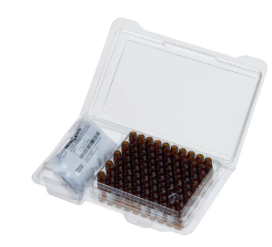
03-452-550 | Thermo Scientific™ SureSTART™ Total Recovery Glass Screw Top Microvials for <2 mL Samples, Level 3 High Performance Applications 6PSV9TR1 | 0 | pk of 100 | $259.97 | $0.00 | Fisher
03-452-575 | Thermo Scientific™ SureSTART™ 0.2 mL TPX Screw Top Microvial with Glass Insert for <2 mL Samples, Level 3 High Performance Applications | 0 | pk of 100 | $61.64 | $0.00 | Fisher
03-452-313 | Thermo Scientific™ SureSTART™ 9 mm Screw Caps, Level 3 High Performance Applications | 0 | pk of 100 | $42.11 | $0.00 | Fisher
03-452-576 | Thermo Scientific™ SureSTART™ Specification Certified Screw Vial and Cap Kits, Level 3 High Performance Applications 6PK1655 | 0 | pk of 100 | $98.88 | $0.00 | Fisher

60180P210 | Thermo Scientific™ SureSTART™ WebSeal™ 96-Well Microtiter Plates, Total V-Bottom, Level 2 High-Throughput Applications | 0 | pk of 50 | $472.26 | $0.00 | Fisher
03-255-008 | Thermo Scientific™ SureSTART™ WebSeal™ 96-Well Deep Well Plates, Round U-Bottom, Level 2 High-Throughput Applications 60180P201B | 0 | pk of 50 | $597.81 | $0.00 | Fisher
03-252-162 | Thermo Scientific™ SureSTART™ WebSeal™ 96-Well Plate Sealing Mats, 7 mm Diameter, Round, Level 2 High-Throughput Applications, preslit | 0 | pk of 5 | $154.15 | $0.00 | Fisher
03-252-444 | Thermo Scientific™ WebSeal™ Sealing Tapes with 3 layer no adhesive at cavity area | 0 | pk of 100 | $1,409.10 | $0.00 | Fisher
03-376-618 | Thermo Scientific™ Re-Sealing Tape with 3 layer no adhesive at cavity area | 0 | pk of 25 | $438.65 | $0.00 | Fisher
03-253-929 | Thermo Scientific™ SureSTART™ WebSeal™ Plate+ 384-Well Microtiter Plates, Square-Rounded V-Bottom, Level 3 High Performance Applications 60180-P340 | 0 | pk of 10 | $553.16 | $0.00 | Fisher
03-252-439 | Thermo Scientific™ WebSeal™ CLR Silicone Mat, 384 square wells 60180-M150 | 0 | pk of 5 | $154.15 | $0.00 | Fisher |  | 03-452-358 | 03-452-381 |  | 03-452-550 |  | 03-452-575 |  | 03-452-313 |  | 03-452-576 | 60180P210 | 03-252-444

VanquishNeo Analytical and trapping columns

Home made and Commercial Analytical column with integrated spray tip
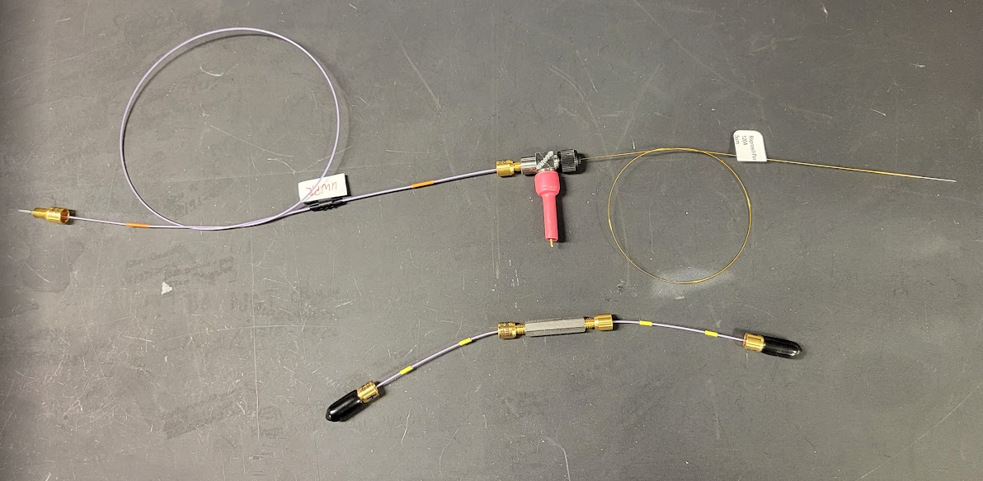
NANOVIPER 0.020 X 550 MM 1500 6250.5260
VHP Micro Adapter Tee
for 1/16" to 360µm OD
High Voltage lead
supplied by UWPR
PepMap™ Neo Trap Cartridge Holder
home made column
with integrated spray tip
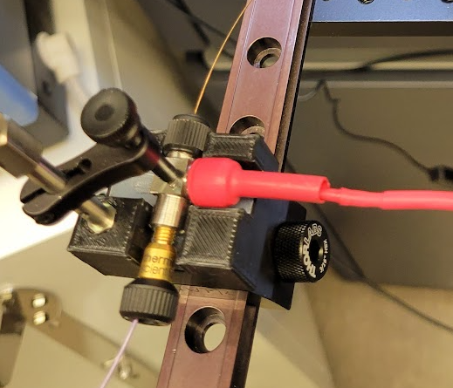

 |  |  |  |  |  |  |  |  |  | Make sure to use insulated holders to prevent arching

Fused silica to pack column: most common ODxID 360x75 |  | usage ~ 50 cm per column |  |  |  |  |  | different length available: | 10m | 25 m | 50m
1068150019 | Polymicro Flexible Fused Silica Capillary Tubing, Inner Diameter 75µm, Outer Diameter 375µm, TSP075375 | 0 | m | $15.00 | $0.00 | Molex / Polymicro | alternate vendor |  | $150.00 | $325.00 | $500.00 | old part number 2000019 |  | http://www.polymicroorders.com |  | http://www.molex.com/molex/products/datasheet.jsp?part=active/1068150019_CAPILLARY_TUBING.xml
50-110-8582 | TSP075375 Flexible Fused Silica Capillary Tubing with Polyimide Coating: 75um ID x 363um OD, spool length of 10m | 1 | 10 m | $190.00 | $190.00 | Fisher | (log in at fishersci.com for UW pricing) |  | Search for TSP075375 at the Fisher website to get all the different lengths available
50-110-8602 | TSP075375 Flexible Fused Silica Capillary Tubing with Polyimide Coating: 75um ID x 363um OD, spool length of 25m | 0 | 25 m | $400.00 | $0.00 | Fisher | alternate length (log in at fishersci.com for UW pricing)
50-110-7740 | TSP075375 Flexible Fused Silica Capillary Tubing with Polyimide Coating: 75um ID x 363um OD, spool length of 50m. | 0 | 50 m | $610.00 | $0.00 | Fisher | alternate length (log in at fishersci.com for UW pricing)
FS-175 | TUBING, FUSED SILICA, 75µm (.003 IN) x 360µm x 2M | 0 | 2m | $127.86 | $0.00 | Idex/Upchurch | alternate vendor

Beads to pack column |  |  |  |  |  |  | Chemistry | Pore Size | Particle size
r15.aq.0001 | Reprosil-Pur 120 C18-AQ, 5 um 1g | 1 | 1 gr | $206.60 | $206.60 | ESI source solutions | C18AQ | 120Å | 5u | Dr Maisch beads used in analytical and trap column (bulk packing material)
NC1394928 | ESI SOURCE SOLUTIONS REPROSIL-PUR 120 C18-AQ 5 UM,R15.AQ.0001 | 0 | 1 gr | $253.50 | $0.00 | Fisher
r13.aq.0001 | 1 g Reprosil-Pur 120 C18-AQ 3 um | 0 | gr | $287.50 | $- | ESI source solutions | C18AQ | 120Å | 3u | smaller bead size (3 um)

Commercial columns with integrated spray tip
ODY3-15075C18 | Odyssey Elite 15×75 C18 UHPLC packed emitter column | 1 | ea | $638.00 | $638.00 | ionopticks.com | C18 | 120Å | 1.7µ |  |  |  |  | https://ionopticks.com/product/15-cm-odyssey-series-packed-emitter-column/
ODY3-25075C18 | Odyssey Ultimate 25×75 C18 UHPLC packed emitter column | 1 | ea | $716.00 | $716.00 | ionopticks.com | C18 | 120Å | 1.7µ |  |  |  |  | https://ionopticks.com/product/25-cm-odyssey-series-packed-emitter-column/
ODY3-25075C18 | Odyssey Ultimate 25×75 C18 UHPLC packed emitter column | 1 | ea | $1,356.00 | $1,356.00 | ionopticks.com | C18 | 120Å | 1.7µ

Commercial columns, spray tips , lines and fittings
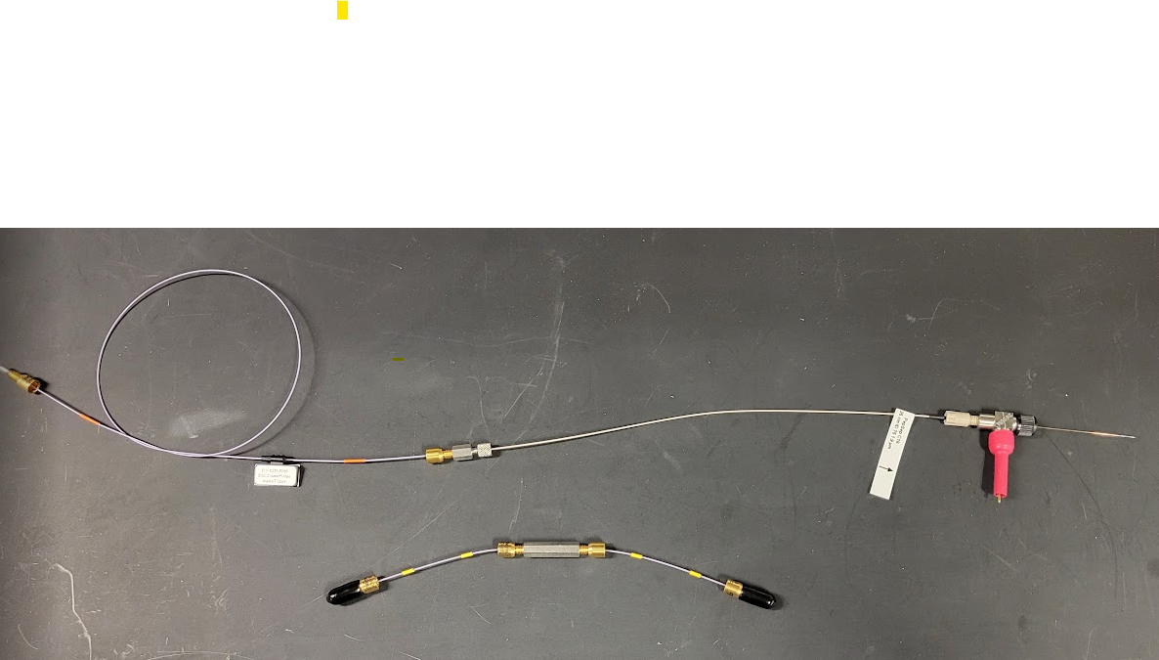
NANOVIPER 0.020 X 550 MM 1500 6250.5260
PepSep C18 25cm x 75µm, 1.9µm
PepMap™ Neo Trap Cartridge Holder
VHP Micro Adapter Tee
for 1/16" to 360µm OD
Sharp Singularity
20µmID x 5cm
High Voltage lead
supplied by UWPR

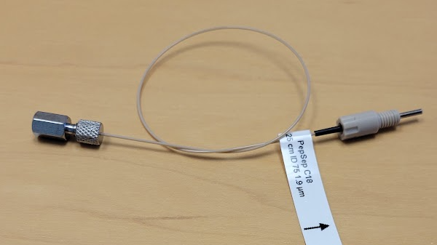
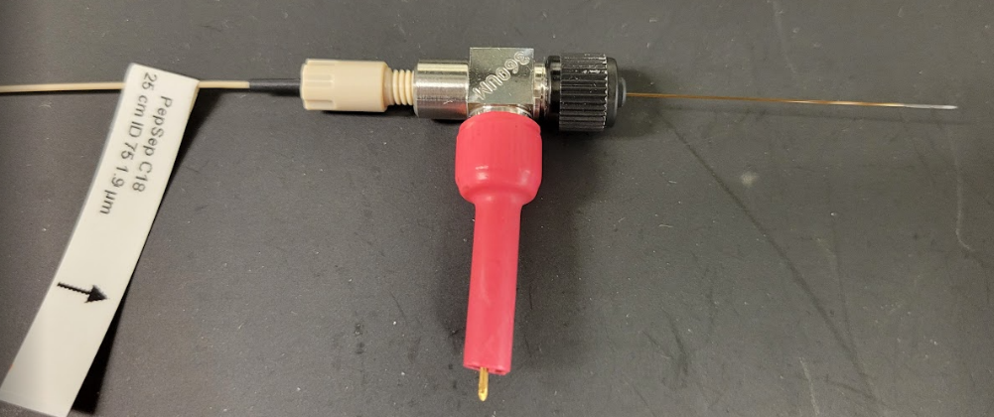

Column

1893477 | PepSep C18 25cm x 75µm, 1.9µm | 1 | ea | $830.00 | $830.00 | ESI source Solutions | https://esisourcesolutions.com/shop/p/pepsep-analytical-column-with-media
 |  |  |  |  |  |  | https://www.bruker.com/en/products-and-solutions/mass-spectrometry/lc-ms/pepsep-columns.html

DNV75150PN | Double nanoViper™ PepMap™ Neo 2 μm C18 75 μm X 150 mm | 1 | ea | $1,240.00 | $1,240.00 | Thermo | https://www.thermofisher.com/order/catalog/product/DNV75150PN?SID=srch-srp-DNV75150PN
6040.2304 | Union for Viper and nanoViper Tubing | 1 | ea | $41.40 | $41.40 | Thermo

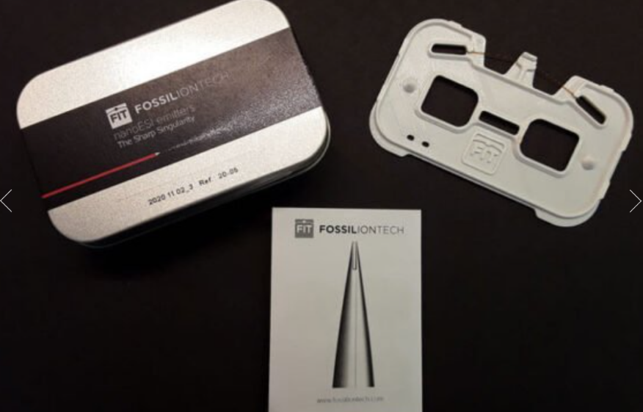
Spray tips and adapters to connect to column

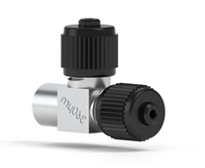
Ref:20-05 | The Sharp Singularity 20µmID x 5cm spray tips | 1 | each | $425.00 | $425.00 | ESI source Solutions | https://esisourcesolutions.com/shop/p/the-sharp-singularity-2cm-x-20um-id-for-bruker-captivespray-tapered-tip-fused-silica-emitters

UH-753 | VHP Micro Adapter Tee for 1/16" to 360µm OD | 1 | ea | $278.40 | $278.40 | UpchurchIdex | https://www.idex-hs.com/store/product-detail/vhp_micro_adapter_tee_for_1_16_to_360_m_od/uh-753?search=true

NC2228879 | Thermo Scientific NANOVIPER 0.020 X 550 MM 1500 6250.5260 | 1 | ea | $350.35 | $350.35 | Fisher
6250.5260 | nanoViper 0.020 x 550 mm (1500 bar) | 1 | ea | $280.00 | $286.00 | Thermo | https://www.thermofisher.com/order/catalog/product/6250.5260

Commercial trap cartridges and holder

03-255-020 | Thermo Scientific™ PepMap™ Neo Trap Cartridge Holder, PEEK Tubing, & nanoViper™ Fittings 174502 | 1 | ea | $500.99 | $500.99 | fisher | https://www.thermofisher.com/order/catalog/product/174502?SID=srch-srp-174502
03-255-018 | Thermo Scientific™ PepMap™ Neo Trap Cartridge 174500 | 1 | 3 pk | $437.54 | $437.54 | fisher | https://www.thermofisher.com/order/catalog/product/174500?SID=srch-srp-174500

Miscellaneous
06-717-592 | Restek™ Ceramic Scoring Wafers | 1 | 5pk | $57.11 | $57.11 | Fisher
14-513-64SIX | Fisherbrand* Spinbar* Magnetic Micro Stir Bar 6-pack, 1.5 mm x 8 mm | 1 | 6pk | $14.91 | $14.91 | Fisher | one per slurry, but they get easily lost, I'd get 5-10 stirbars, log in to see UW pricing
06-712-122 | Restek™ Scoring Wafer with Handle | 0 | each | $53.11 | $0.00 | Fisher | alternate product

vials and plates
Advancing Proteomics
UWPR
 |  |  |  |  | UNIVERSITY of WASHINGTON |  |  | Proteomics Resource
last updated | 2024-08-21
part # | Description | Qty | unit | unit price | total | vendor | mnfc number

VanquishNeo Autosampler vials and caps
03-452-358 | Thermo Scientific™ SureSTART™ 2 mL Polypropylene Snap Top Microvials for <2 mL Samples 6ERV1103PPC | 0 | pk of 100 | $37.55 | $0.00 | fisher | 6ERV1103PPC | 4µl residual volume, 0.2ml volume, snap cap
03-452-381 | Thermo Scientific™ SureSTART™ 11 mm Snap Caps, Level 3 High Performance Applications 6PRC11STS1X | 0 | pk of 100 | $61.10 | $0.00 | fisher | 6PRC11STS1X | White Silicone/Red PTFE; Star Pre-slit | clear | recommended for use with all autosamplers
01-549-791 | Thermo Scientific™ SureSTART™ 11 mm Snap Caps, Level 3 High Performance Applications | 0 | pk of 100 | $52.50 | $0.00 | fisher | 6PRC11STS1C | White Silicone/Blue PTFE; Pre-slit | clear
01-549-817 | Thermo Scientific™ SureSTART™ 11 mm Snap Caps, Level 3 High Performance Applications | 0 | pk of 100 | $52.50 | $0.00 | fisher | 6PRC11STS1G | White Silicone/Blue PTFE; Pre-slit | green
01-549-832 | Thermo Scientific™ SureSTART™ 11 mm Snap Caps, Level 3 High Performance Applications | 0 | pk of 100 | $52.50 | $0.00 | fisher | 6PRC11STS1Y | White Silicone/Blue PTFE; Pre-slit | yellow
03-452-382 | Thermo Scientific™ SureSTART™ 11 mm Snap Caps, Level 3 High Performance Applications | 0 | pk of 100 | $52.50 | $0.00 | fisher | 6PRC11STS1R | White Silicone/Blue PTFE; Pre-slit | red
03-452-372 | Thermo Scientific™ SureSTART™ 11 mm Snap Caps, Level 3 High Performance Applications | 0 | pk of 100 | $61.10 | $0.00 | fisher | 6PRC11STS1 | White Silicone/Blue PTFE; Pre-slit | blue

 |  |  |  |  |  |  |  |  |  |  | 03-452-358 | 03-452-381

03-452-259 | Thermo Scientific™ SureSTART™ 2 mL Polypropylene Screw Top Microvials | 0 | pk of 100 | $29.30 | $0.00 | fisher | 6ESV9-04PP | 4µl residual volume, 0.3ml volume, screw cap
03-452-312 | Thermo Scientific™ SureSTART™ 9 mm Screw Caps, Level 3 High Performance Applications | 0 | pk of 100 | $68.20 | $0.00 | fisher | 6PSC9STBS1 | White Silicone/Red PTFE; Pre-slit, Bonded | gray
03-452-268 | Thermo Scientific™ SureSTART™ 9 mm Screw Caps, Level 3 High Performance Applications | 0 | pk of 100 | $60.00 | $0.00 | fisher | 6PSC9STS1 | White Silicone/Blue PTFE; Pre-slit | blue
03-452-297 | Thermo Scientific™ SureSTART™ 9 mm Screw Caps, Level 3 High Performance Applications | 0 | pk of 100 | $58.00 | $0.00 | fisher | 6PSC9STS1R | White Silicone/Blue PTFE; Pre-slit | red
01-549-829 | Thermo Scientific™ SureSTART™ 9 mm Screw Caps, Level 3 High Performance Applications | 0 | pk of 100 | $51.30 | $0.00 | fisher | 6PSC9STS1Y | White Silicone/Blue PTFE; Pre-slit | yellow
03-007-504 | Thermo Scientific™ SureSTART™ 9 mm Screw Caps, Level 3 High Performance Applications | 0 | pk of 100 | $49.01 | $0.00 | fisher | 6PSC9STS1G | Silicone/PTFE pre-slit | green
03-452-294 | Thermo Scientific™ SureSTART™ 9 mm Screw Caps, Level 3 High Performance Applications | 0 | pk of 100 | $65.50 | $0.00 | fisher | 6PSC9ST101X | Blue Silicone/Clear PTFE; Pre-slit, Soft | blue
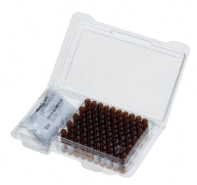
 |  |  |  |  |  |  |  |  |  |  | 6ESV9-04PP | 03-007-504

03-452-313 | Thermo Scientific™ SureSTART™ 9 mm Screw Caps, Level 3 High Performance Applications 6PSC9STB1 | 1 | pk of 100 | $53.00 | $53.00 | fisher | 6PSC9STB1
03-452-575 | Thermo Scientific™ SureSTART™ 0.2 mL TPX Screw Top Microvial with Glass Insert for <2 mL Samples, Level 3 High Performance Applications 601801655 | 1 | pk of 100 | $75.80 | $75.80 | fisher | 60180-1655
03-452-576 | Thermo Scientific™ SureSTART™ Specification Certified Screw Vial and Cap Kits, Level 3 High Performance Applications 6PK1655 | 1 | pk of 100 | $120.00 | $120.00 | fisher | 6PK1655

 |  |  |  |  |  |  |  |  |  |  | 6PSC9STB1 | 60180-1655 | 6PK1655

03-452-250 | Thermo Scientific™ SureSTART™ 1.7 mL Glass High Recovery Screw Top Microvials for <2 mL Samples, Level 2 High-Throughput Applications 6ASV9V1 | 1 | pk of 100 | $223.50 | $223.50 | fisher | 6ASV9-V1
03-452-550 | Thermo Scientific™ SureSTART™ Total Recovery Glass Screw Top Microvials for <2 mL Samples, Level 3 High Performance Applications 6PSV9TR1 | 1 | pk of 100 | $327.50 | $327.50 | fisher | 6PSV9-TR1
03-452-247 | Thermo Scientific™ SureSTART™ 0.3 mL Glass Screw Top Microvials for <2 mL Samples, Level 3 High Performance Applications 6PSV903FIVP | 1 | pk of 100 | $139.70 | $139.70 | fisher | 6PSV903FIVP
03-452-248 | Thermo Scientific™ SureSTART™ 0.3 mL Glass Screw Top Microvials for <2 mL Samples, Level 3 High Performance Applications 6PSV903FIVAP | 1 | pk of 100 | $139.70 | $139.70 | fisher | 6PSV9-03FIVAP

 |  |  |  |  |  |  |  |  |  |  | 6ASV9-V1 | 6PSV9-TR1 | 6PSV903FIVP | 6PSV9-03FIVAP

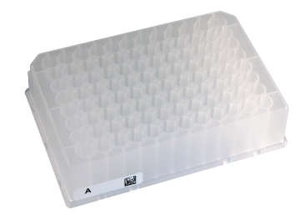
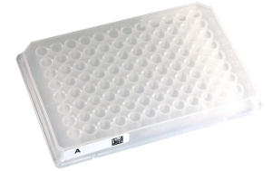
96 well plates

03-255-006 | Thermo Scientific™ SureSTART™ WebSeal™ 96-Well Deep Well Plates, Square V-Bottom, Level 1 Everyday Analysis 60180P135B | 1 | pk of 50 | $545.50 | $545.50 | fisher | 60180_P135B
03-255-011 | Thermo Scientific 96 LOW VOLUME WELL PLATE 5.6M 60180P210B | 1 | pk of 50 | $484.50 | $484.50 | fisher | 60180-P210B
03-255-008 | Thermo Scientific™ SureSTART™ WebSeal™ 96-Well Deep Well Plates, Round U-Bottom, Level 2 High-Throughput Applications 60180P201B | 1 | pk of 50 | $725.50 | $725.50 | fisher | 60180-P201B

 |  |  |  |  |  |  |  |  |  |  |  | 60180_P135B |  |  | 60180-P201B
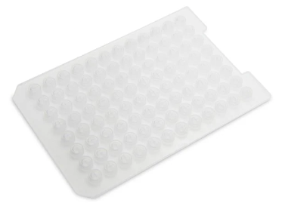
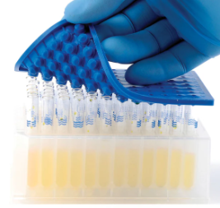
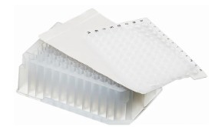

60180M210 | Thermo Scientific™ SureSTART™ WebSeal™ 96-Well Plate Sealing Mats, 5.6 mm Diameter, Round, Level 2 High-Throughput Applications 60180M210 | 1 | pk of 50 | $456.50 | $456.50 | fisher | 60180-M210
60180M185 | Thermo Scientific™ SureSTART™ WebSeal™ 96-Well Plate Sealing Mats, 8 mm Diameter, Square, Level 1 Everyday Analysis 60180M185 | 1 | pk of 50 | $460.50 | $460.50 | fisher | 60180-M185
03-252-444 | Thermo Scientific™ WebSeal™ Sealing Tapes 60180M146 | 1 | pk of 100 | $1,650.00 | $1,650.00 | fisher | 60180-M146

 |  |  |  |  |  |  |  |  |  |  |  | 60180-M210
 |  |  |  |  |  |  |  |  |  |  |  |  |  |  | 60180-M185 | 60180-M146

