The Big Picture
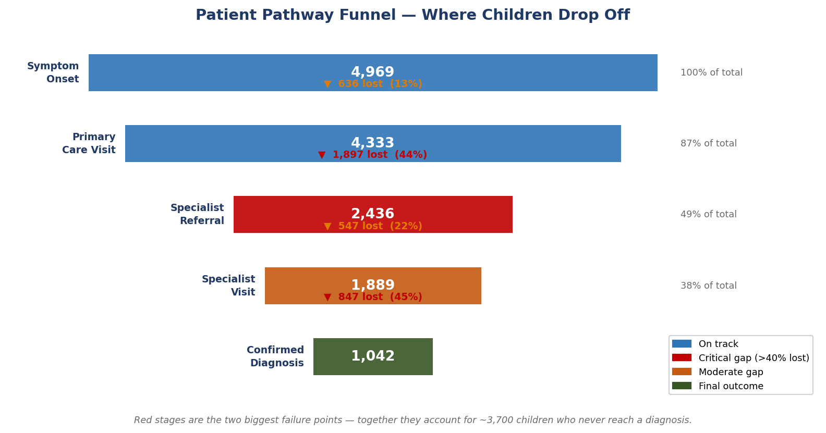
Pediatric CHD Care Pathway — What the Data Shows
4,969 children with congenital heart disease tracked from first symptom to diagnosis

THE CORE PROBLEM Only 1 in 5 children (21%) with a suspected congenital heart condition reached a confirmed diagnosis in this pathway. The system isn't failing because doctors are slow — it's failing because patients are getting lost between steps. The two biggest gaps: after the primary care visit (44% never get referred) and after seeing a specialist (45% never get a diagnosis recorded).

4,969 | 1 in 5 | 44% | 45% | ~196 | +27 days
Children in the study | Reached a diagnosis | Lost after primary care visit | Lost after specialist visit | Additional diagnoses possible with targeted fixes | Medicaid patients wait longer to see a specialist

How Children Move Through the Care Pathway
SYMPTOM 4,969 children | PRIMARY CARE 4,333 (-636) | REFERRAL 2,436 (-1,897) 44% lost here | SPECIALIST 1,889 (-547) | DIAGNOSIS 1,042 (-847) 45% lost here | NOT REACHED 3,927 children (79%)

What Should Be Fixed (in plain terms)
Priority | The Problem | What Needs to Change
1 — Most Important | Nearly half of patients who see a primary care doctor never get a referral to a heart specialist. | Track every referral. Follow up when appointments aren't booked. Set a 30-day target. |  |  | +93 to +185 more diagnoses
2 — Most Important | Nearly half of patients who see a specialist never get a diagnosis recorded. | Require a documented outcome within 14 days of every specialist visit — diagnosis confirmed, ruled out, or follow-up scheduled. |  |  | +189 more diagnoses
3 — Important | Medicaid and uninsured patients wait nearly twice as long to see a specialist (60–66 days vs 33 days for private insurance). | Set appointment targets by insurance type. Assign a care navigator to help uninsured patients keep appointments. |  |  | Equity improvement
4 — Important | Children with the most serious heart conditions (like TGA) reach a doctor quickly but still only get diagnosed 14% of the time. | For critical conditions, the referral should happen within the same week — not in the standard 30-60 day queue. |  |  | Faster diagnosis for highest-risk kids
5 — Watch | Mild conditions (ASD, PDA) account for 21% of children and are being lost at the same rate as serious ones. | Add a simple checklist at routine check-ups: if a murmur is heard, document a plan — refer or observe with a timeline. |  |  | Process improvement

Where Patients Get Lost
Where Patients Get Lost in the Pathway
Each stage shows how many children moved forward — and how many didn't

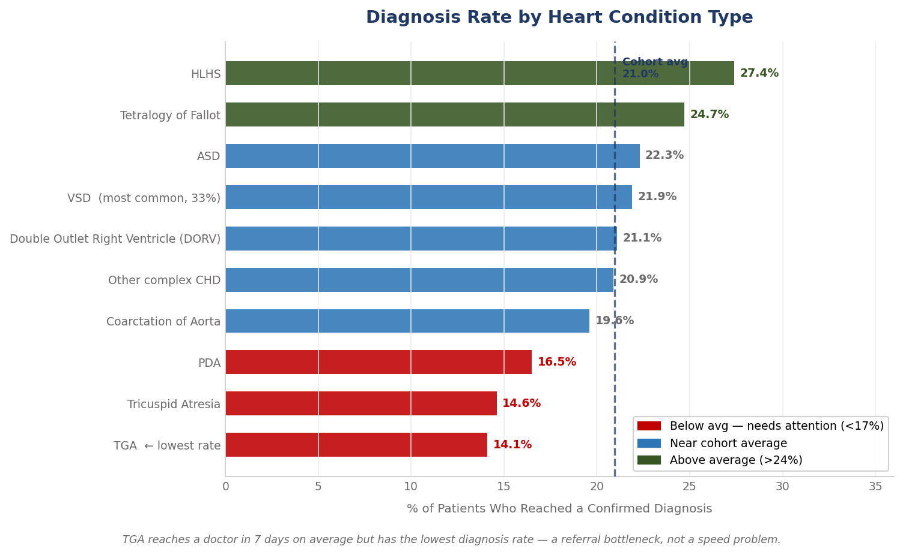
Stage-by-Stage Drop-off (red = problem stage)
Stage | Started | Moved Forward | Dropped Off | Drop-off Rate | Should It Be Lower? | What's Happening
1. Symptom → Primary Care | 4,969 | 4,333 | 636 | 13% | Acceptable | 12.8% miss PCP — some expected for mild/late-presenting cases
2. Primary Care → Referral | 4,333 | 2,436 | 1,897 | 44% | YES — biggest gap | 44% of kids seen by a doctor never get referred to a heart specialist
3. Referral → Specialist | 2,436 | 1,889 | 547 | 23% | Monitor | 22.5% don't complete the referral — scheduling gaps and no-shows
4. Specialist → Diagnosis | 1,889 | 1,042 | 847 | 45% | YES — second biggest gap | 45% of kids who see a specialist leave without a recorded diagnosis

Does the Type of Heart Condition Matter? (spoiler: yes)
Heart Condition | How Common | Days to First Doctor Visit | Days to Diagnosis Once Specialist Seen | % Who Get Diagnosed | Better or Worse than Average? | Plain-English Note
Ventricular Septal Defect (VSD) | Most common (33%) | 44 days | 13 days | 22% | Average | Largest group — improving referrals here moves the most patients
Atrial Septal Defect (ASD) | Common (13%) | 48 days | 19 days | 22% | Average | Often caught at routine check-ups, so takes longer to reach doctor
Patent Ductus Arteriosus (PDA) | Common (8%) | 44 days | 18 days | 17% | Below average | Mild condition — many managed with watchful waiting, some lost in process
Tetralogy of Fallot | Moderate (6%) | 19 days | 10 days | 25% | Above average | Typically presents clearly — good diagnosis rate once in system
Coarctation of the Aorta | Moderate (6%) | 21 days | 14 days | 20% | Average | Moderate presentation — referral timeline is the main lever
Hypoplastic Left Heart Syndrome | Rare (3%) | 8 days | 5 days | 27% | Best rate | Critical condition — reaches doctor fast (8 days) and gets diagnosed at highest rate
Transposition of Great Arteries | Rare (4%) | 7 days | 6 days | 14% | WORST — needs attention | Critical but lowest diagnosis rate (14%) — reaches doctor in 7 days but gets lost at referral
Tricuspid Atresia | Rare (2%) | 7 days | 5 days | 15% | Below average | Critical condition with low diagnosis rate — similar problem to TGA

Who Is Affected Most
Who Is Affected Most — Insurance, Age & Social Factors
Not all children face the same barriers to diagnosis

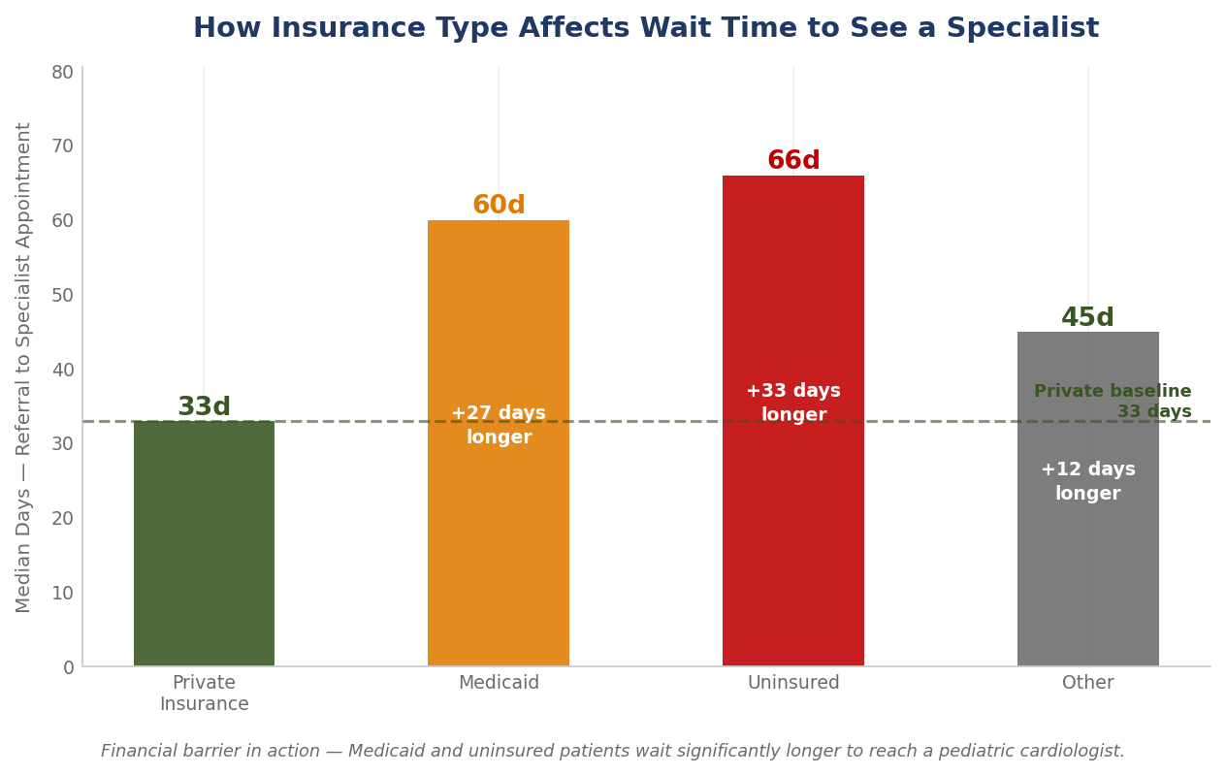
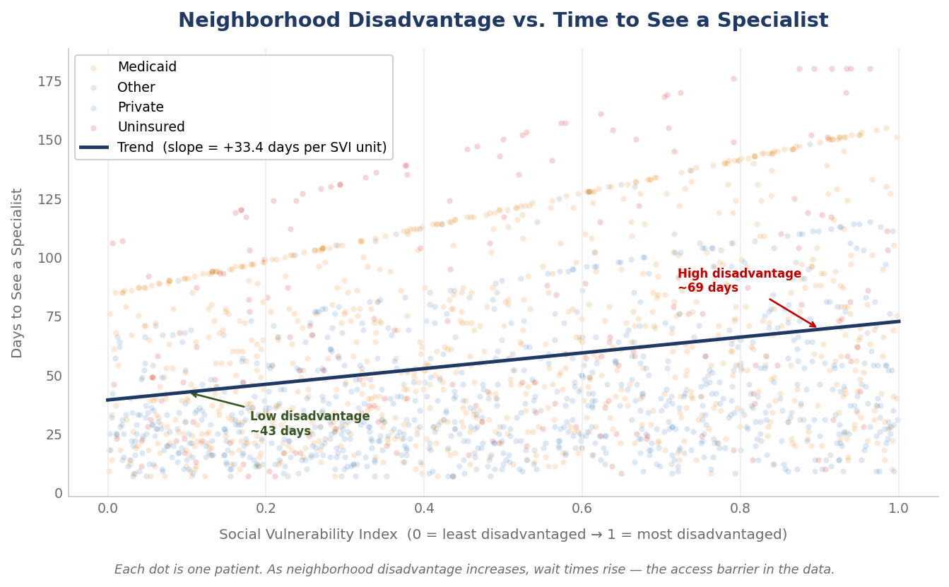
Insurance Type — Does It Affect How Long You Wait to See a Specialist?
Insurance | Children in Study | Got Diagnosed | Median Wait to See Specialist | Compared to Private Insurance | What This Means
Private | 1,995 | 20% | 33 days | Benchmark (fastest) | Fastest access — used as the benchmark
Medicaid | 2,245 | 21% | 60 days | +27 days longer | Waits 27 more days than private insurance patients to see a specialist
Uninsured | 476 | 24% | 66 days | +33 days longer | Longest wait (66 days) — and also most likely to drop off before getting this far
Other | 253 | 18% | 45 days | +12 days longer | Mixed group — moderate wait times

Social Vulnerability (Neighborhood Disadvantage) — Access Gap
Group | Median Wait to Specialist | What This Suggests
Low disadvantage (SVI < 0.3) | 34 days | Fastest specialist access
High disadvantage (SVI > 0.7) | 56 days | +22 days longer — transportation, fewer nearby specialists, more appointment no-shows

Age at Symptom Onset — Does Age Matter?
Age Group | Children | Diagnosis Rate | Avg Delay Score | vs Cohort Average | Note
0-2 | 2,583 | 21% | 21.2 | +0.0pp | Newborns — critical CHD often detected at birth screening
13+ | 211 | 22% | 21.2 | +0.8pp | Adolescents — highest delay scores, longer journeys
3-5 | 1,249 | 22% | 22.3 | +0.8pp
6-12 | 926 | 20% | 21.5 | -1.5pp | School-age — slightly below average diagnosis rate

What Could We Gain
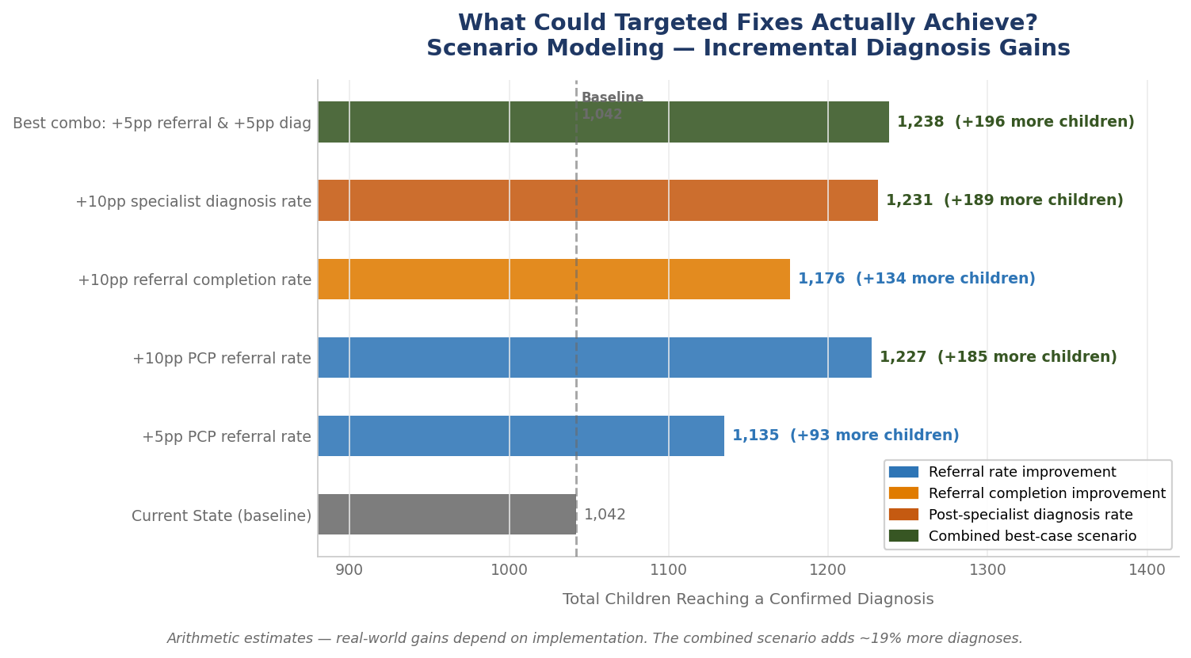
What Could We Gain With Targeted Fixes?
Scenario modeling: if we improved one or two stages, how many more children reach diagnosis?

Important note: These are planning estimates based on arithmetic modeling — not guarantees. They show the order of magnitude of improvement that's possible if coordination gaps are closed. Real-world results depend on implementation quality, staff capacity, and patient factors.

If We Made These Changes — How Many More Children Would Get Diagnosed?
Scenario | Currently Diagnosed | Would Be Diagnosed | Extra Children | Plain-English Impact | Should We Do This?
Current state (no changes) | 1,042 | — | — | Baseline — 1 in 5 children reach diagnosis | —
If 5% more PCP patients got referred | 1,042 | 1,135 | 93 | ~93 more children diagnosed — roughly 1 extra per week in a large network | Yes — highest ROI first step
If 10% more PCP patients got referred | 1,042 | 1,227 | 185 | ~185 more children diagnosed — doubles the previous gain | Yes — if first step succeeds
If 10% more referrals completed to specialist | 1,042 | 1,176 | 134 | ~134 more children — tackles the scheduling and access gap | Yes — medium priority
If 10% more specialist visits ended in diagnosis | 1,042 | 1,231 | 189 | ~189 more children — nearly as powerful as improving referrals | Yes — highest ROI second step
Best combo: small improvement in BOTH gaps | 1,042 | 1,238 | 196 | ~196 more children diagnosed (+3.9 percentage points) — most realistic combined scenario | YES — recommended package

How the Math Works (for the technically curious)
Diagnoses = (Children with symptoms) × (% referred by PCP) × (% who complete referral) × (% diagnosed after specialist)
Current baseline: 4,969 × 56.2% × 77.5% × 55.2% = 1,042 diagnoses
Each scenario changes ONE of those percentages and recalculates the result
The combined scenario improves the two weakest links by 5 percentage points each

Dropout Risk Model
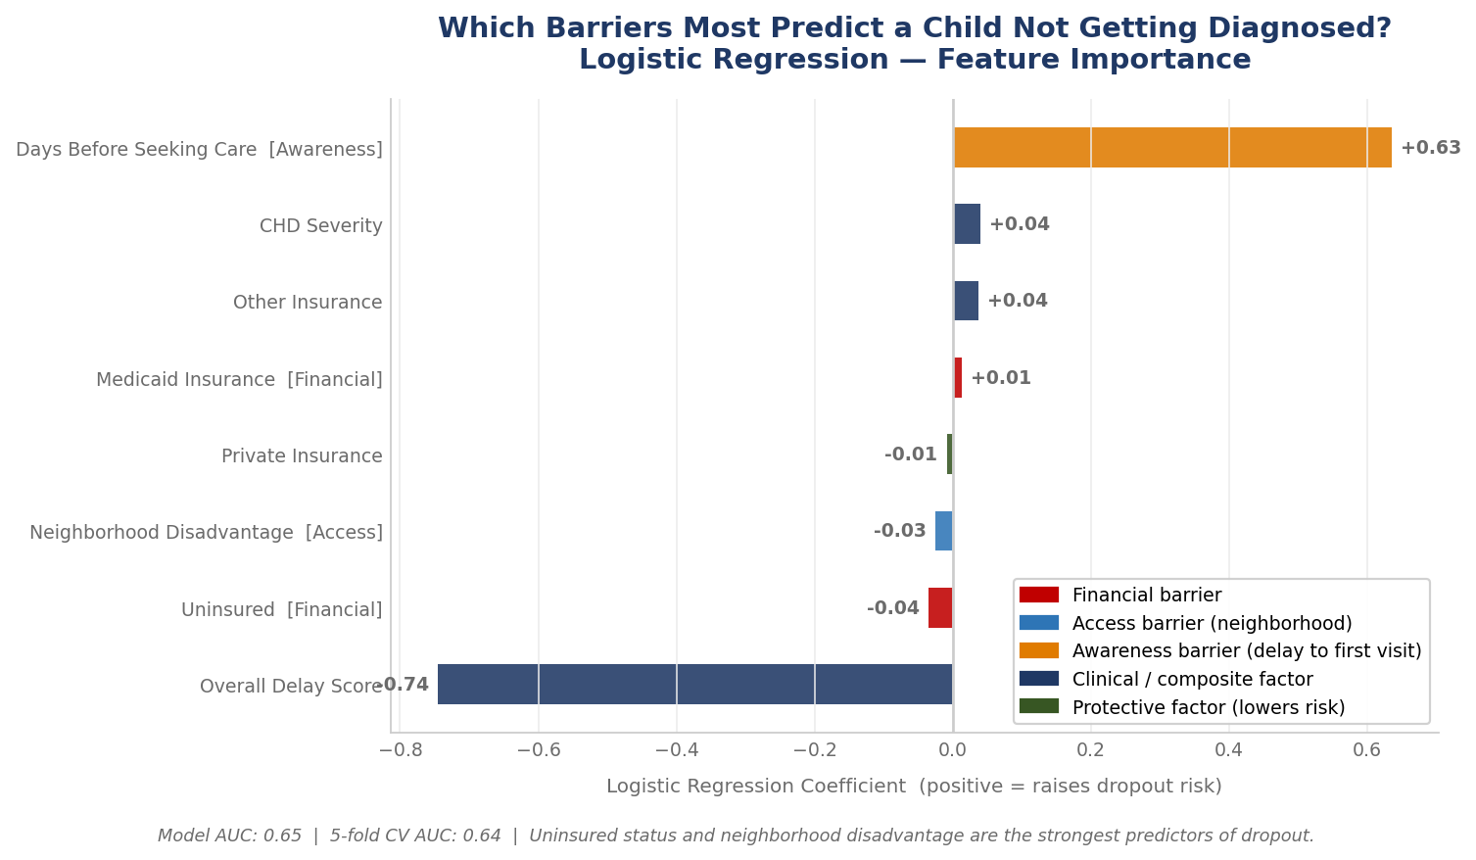
Dropout Risk Model — Which Children Are Most Likely to Fall Through?
Logistic regression model trained on 4,969 patients — predicts probability of not reaching diagnosis

HOW IT WORKS The model assigns each patient a dropout risk score (0 to 1). A score near 1 means the patient is very likely to fall through before getting a diagnosis. Features include insurance type, neighborhood disadvantage (SVI), CHD severity, and how long the patient waited before seeing any doctor. Model AUC: 0.66 | 5-fold CV AUC: 0.64 — An AUC of 0.5 is random chance; 1.0 is perfect. 0.66 means the model correctly ranks a high-risk patient above a low-risk patient 66% of the time.

Three Barriers — How Each Is Measured in the Model
Barrier | Model Feature | What It Measures | Direction
Awareness | Days to first doctor visit | How long the family waited before seeking care — longer = more at risk | ↑ More days = higher dropout risk
Financial | Insurance type (Medicaid/Uninsured) | Whether cost is a likely barrier to continuing care | ↑ Medicaid/Uninsured = higher dropout risk
Access | SVI index | How underserved the patient's neighborhood is (0=least, 1=most) | ↑ Higher SVI = higher dropout risk
Clinical | CHD severity + delay score | Type and complexity of the heart condition | Varies by condition
Protective | Private insurance | Negative coefficient — private insurance lowers dropout risk | ↓ Private insurance = lower risk

