Sheet1
Diagnostics
 | Field Diagnostics |  |  | <view summary, recomm. action etc>
 |  | Active |  | Tabbed window: reported, ack'ed, unreported
 |  | Settings |  | <configure maps and masks
 | TB Alerts |  |  | <active+counters>
 |  | APP status |  | TB.COMPLETE_STATUS
 |  |  | Filter | Masks for what the user daosn't care
 |  | Log |  | alert log
 |  | Settings |  | Basic settings - mapping, including RB options
 |  |  | Config | Tabbed window: position, pressure etc.
 | TB Diagnostics |  |  | block_err, block_err_desc, xd_error_x
 |  | FSTATE |  | XD_FSTATE, XD_FSTATE_STATUS
 | RB Diagnostics |  |  | block_err, block_err_desc, failed state, set/clear

Valve Diagnostics
 | From Device |  |  | An instance of polymorphic window
 | Data Collection |  |  | Tabbed window: Preconfigured and Custom | Each has configuration and "start" and "stop" buttons
 |  | Trigger config
 | PST |  |  | "Start" and "stop" button + "watch now" button and the polymorphic window
 |  | Settings |  | 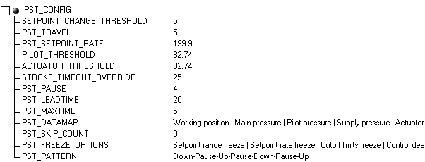
 |  | Trigger config

