Table 1
Ezrket flatmouth
CHARACTER NAME
Bard 3 vrckxm8456 CLASS & LEVEL PLAYER NAME Lightfoot Halfling Custom Background 900 SPECIES BACKGROUND EXPERIENCE POINTS

Table 2
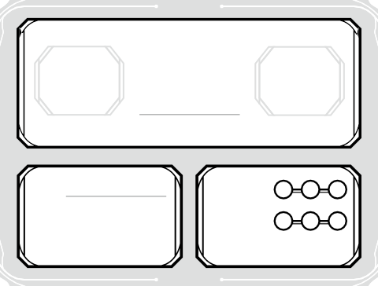
Max HP
23
Current HP
Temp HP
--
HIT POINTS
Total ^{3d8}
SUCCESSES
FAILURES
HIT DICE
DEATH SAVES
 | +1 | Strength
• | +4 | Dexterity
 | +1 | Constitution | +3
 | +2 | Intelligence
 | +3 | Wisdom | INITIATIVE
• | +6 | Charisma

Table 4
=== ARMOR ===
Light Armor
=== WEAPONS ===
Crossbow, Hand, Longsword, Rapier, Shortsword, Simple Weapons
=== TOOLS ===
Calligrapher's Supplies, Drum, Lute, Lyre
=== LANGUAGES ===
Common, Elvish, Halfling
PROFICIENCIES & TRAINING
3 H +4 Animal Handling WIS
 | P | +4 | Arcana INT
+1 | H | +2 | Athletics STR
 | P | +6 | Deception CHA
 | H | +3 | History INT

Table 6
STRENGTH
12
+1
DEXTERITY
14
+2
CONSTITUTION
1
INTELLIGENCE
15
+2
WISDOM
16
+3
CHARISMA
18
+4
=== ACTIONS === Standard Actions Attack, Magic, Dash, Disengage, Dodge, Help, Hide, Ready, Search, Utilize, Opportunity Attack, Grapple, Shove, Improvise, Two-Weapon Fighting, Interact with an Object, Study, Influence === BONUS ACTIONS === Bardic Inspiration • 4 / Long Rest As a bonus action, a creature (other than yourself) within 60 ft. that can hear you gains an inspiration die (1d6). For 10 minutes, the creature can add it to one ability check, attack roll, or saving throw. This can be added after seeing the roll, but before knowing the outcome. | === REACTIONS === Cutting Words As a reaction when a creature (that's not immune to being charmed) you can see within 60 ft. makes an attack roll, ability check, or damage roll, you can expend one use of Bardic Inspiration, roll the die, and subtract the number from the creature's roll. You can do so after the roll but before knowing the result.

Table 8
H ⁺³ Acrobatics DEX
P ⁺⁵ Insight WIS
E ⁺⁸
E ⁺⁸
Performance CHA
Persuasion CHA
_{H} +3
_{P} +4
Religion INT
Sleight of Hand DEX
_{H} +3
_{H} +4
Stealth DEX
Survival WIS
SKILLS
Saving Throw Modifiers
Advantage against being frightened
SAVING THROWS
ARMOR
13
CLASS
DEFENSES
+2
PROFICIENCY BONUS
ABILITY SAVE DC
25 ft. (Walking)
SPEED
15
PASSIVE PERCEPTION
15
PASSIVE INSIGHT
14
PASSIVE INVESTIGATION
SENSES
NAME | HIT | DAMAGE/TYPE | NOTES
Rapier | +4 | 1d8+2 Piercing Martial, Finesse, Vex
Unarmed Strike | +3 | 2 Bludgeoning
WEAPON ATTACKS & CANTRIPS

Table 14

ENCUMBERED | Piton | 10 | 2.5 lb. | ATTUNED MAGIC ITEMS | QTY | WEIGHT
180 lb. | Rations (1 day) | 8 | 16 lb.
PUSH/DRAG/LIFT | Rope, Hempen (50 feet) | 0 | --
360 lb. | Tinderbox | 1 | 1 lb.
PP
0
WEIGHT CARRIED
71.6 lb.
Crowbar Hammer
Lamp
1
1
1
5 lb.
3 lb.
1 lb.
EQUIPMENT

Table 16
Ezrket flatmouth
CHARACTER NAME
=== Allies ===
=== Organizations ===
I misuse long words in an attempt to sound smarter.
I get bored easily. When am I going
PERSONALITY TRAITS
The way fairing strangers
Sincerity. There’s no good in pretending to be something I’m not. (Neutral)
IDEALS
My tools are symbols of my past life, and I carry them so that I will never forget my roots.
BONDS
I have a weakness for the vices of the city, especially hard drink.
Unless pressured, I avoid physical violence.
CHARACTER APPEARANCE
ALLIES & ORGANIZATIONS
FLAWS

I grew up in Loudwater as a child of a druid mom and a bard dad who went on epic adventures every friday night at 6-10pm unless they were sick or kids like me got in the way. They saw so many horrific and glorious things. Said it felt like outside forces were guiding their every move. Like an out of body experience. They would share their stories me while I was getting ready for bed. I love my parents and the stories they told me. I always wanted to live their life. Although they said they didn’t want me to have that life because of the danger and I should become a teacher. They also said it’s unlikely I’ll go anyway because it’s so hard to find a guide or a GM as my parents would call them. Ive all but given up as im a cook at the tavern and musician. I long for the day to be like my parents and go on grand or mediocre adventures.
CHARACTER BACKSTORY

Location -loud water -high forest(mom moon elf) (dad loudwater halfling )
ADDITIONAL NOTES

