Info
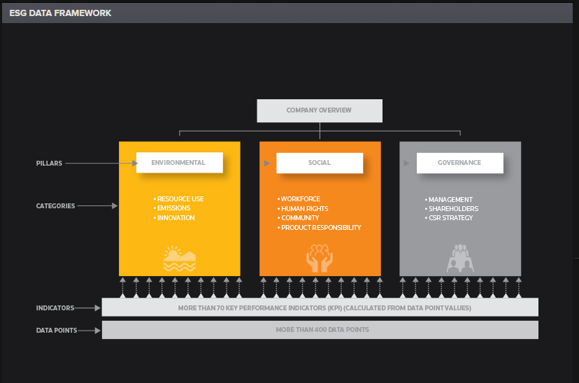
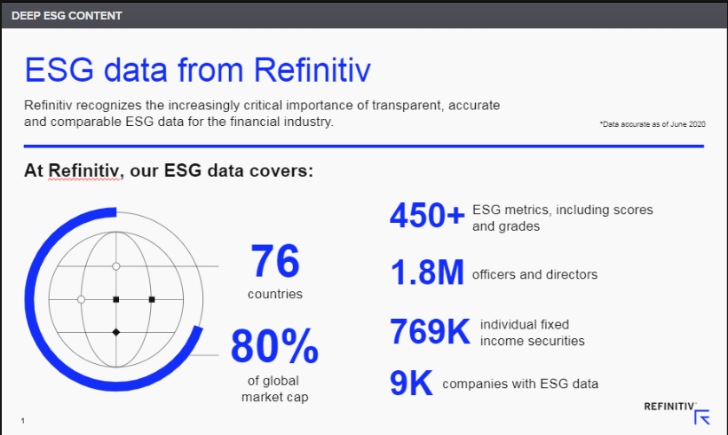
Standard & Poor's RatingsXpress on Datastream
RatingsXpress, the ratings database from Standard and Poor’s (S&P), is available to Thomson customers through our range of Datastream products.
RatingsXpress more than replaces S&P’s ERIS database, offering improved ratings coverage with more entities (companies and countries) and maturities (fixed income securities), and using a more accurate debt rating methodology. ERIS (Electronic Rating Information Service) was also previously available on Datastream.
RatingsXpress delivers detailed ratings information at both the bond and issuer level to all Datastream clients. A rating aims to describe an issuer’s financial strength or the creditworthiness of a security. Each profile contains a wealth of descriptive information such as long and short-term ratings, CreditWatch/Outlook assessments, and local currency vs. foreign currency ratings. And you can access the data through a range of specific datatypes.

Global scale issuer credit ratings
A Standard & Poor's Issuer Credit Rating is a current opinion of an obligor's overall financial capacity (its creditworthiness) to pay its financial obligations. This opinion focuses on the obligor's capacity and willingness to meet its financial commitments as they come due. It does not apply to any specific financial obligation, as it does not take into account the nature of and provisions of the obligation, its standing in bankruptcy or liquidation, statutory preferences, or the legality and enforceability of the obligation. In addition, it does not take into account the creditworthiness of the guarantors, insurers, or other forms of credit enhancement on the obligation. The Issuer Credit Rating is not a recommendation to purchase, sell, or hold a financial obligation issued by an obligor, as it does not comment on market price or suitability for a particular investor.
Counterparty Credit Ratings, ratings assigned under the Corporate Credit Rating Service (formerly called the Credit Assessment Service) and Sovereign Credit Ratings are all forms of Issuer Credit Ratings.
Issuer Credit Ratings are based on current information furnished by obligors or obtained by Standard & Poor's from other sources it considers reliable. Standard & Poor's does not perform an audit in connection with any Issuer Credit Rating and may, on occasion, rely on unaudited financial information. Issuer Credit Ratings may be changed, suspended, or withdrawn as a result of changes in, or unavailability of, such information, or based on other circumstances. Issuer Credit Ratings can be either long-term or short-term. Short-Term Issuer Credit Ratings reflect the obligor's creditworthiness over a short-term time horizon.

Global scale long-term issuer credit ratings
AAA | The highest issuer credit rating assigned by Standard & Poor's, the AAA rating indicates an extremely strong capacity for the obligor to meet its financial commitments.
AA | Very strong capacity to meet financial commitments. Differs from the highest rated obligors only in small degree.
A | Strong capacity to meets financial commitments, but somewhat more susceptible to the adverse effects of changes in circumstances and economic conditions than obligors in higher rated categories.
BBB | Adequate capacity to meet financial commitments. However, adverse economic conditions or changing circumstances are more likely to lead to a weakened capacity of the obligor to meet its financial commitments.
Note:
Obligors rated below BBB are regarded as having significant speculative characteristics. While such obligors may have some quality and protective characteristics, these may be outweighed by large uncertainties or major exposure to adverse conditions.
BB | Less vulnerable in the near term than other lower-rated obligors. However, the obligor faces major ongoing uncertainties and exposure to adverse business, financial, or economic conditions which could lead to an inadequate capacity to meet its financial commitments.
B | More vulnerable that a BB rated obligor, but the obligor currently has the capacity to meet its financial commitments. Adverse business, financial, or economic conditions will likely impair the obligor's capacity or willingness to meet its financial commitments.
CCC | Currently vulnerable. The obligor is dependent upon favourable business, financial, and economic conditions to meet its financial commitments.
CC | Currently highly vulnerable.

Qualifiers and Symbols
A plus (+) or minus (-) sign may be added to the AA to CCC letter rankings to demonstrate the issuer's relative standing within a major rating category.

