Monthly Trend for Total Orders
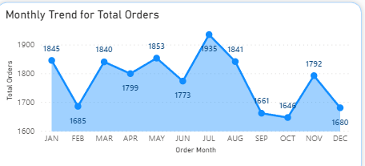
Total Orders | Order Month
1845 | JAN
1685 | FEB
1840 | MAR
1799 | APR
1853 | MAY
1773 | JUN
1935 | JUL
1841 | AUG
1661 | SEP
1646 | OCT
1792 | NOV
1680 | DEC

Daily Trend For Total Orders
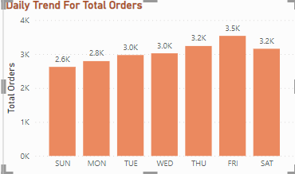
Order Day | Total Orders
SUN | 2624
MON | 2794
TUE | 2973
WED | 3024
THU | 3239
FRI | 3538
SAT | 3158

Total Pizza Sold by pizza_categ
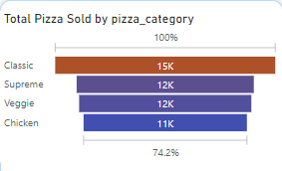
pizza_category | Total Pizza Sold
Classic | 14888
Supreme | 11987
Veggie | 11649
Chicken | 11050

% of Sales of Pizza
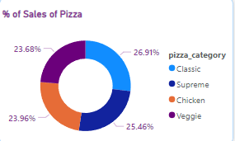
Total Revenue | pizza_category
220053.10002 | Classic
208196.99981 | Supreme
195919.5 | Chicken
193690.451 | Veggie

% of Sales of Pizza Size
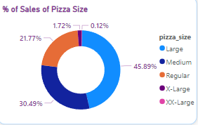
Total Revenue | pizza_size
375318.701 | Large
249382.25 | Medium
178076.49981 | Regular
14076 | X-Large
1006.6000214 | XX-Large

