HX2262
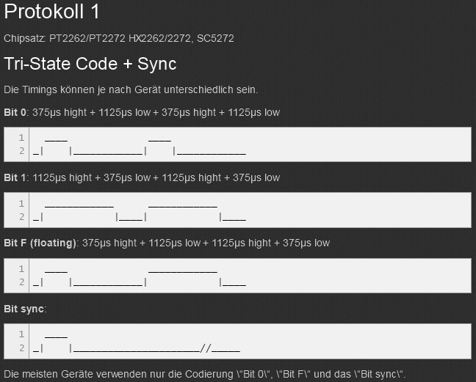
SC5262 / SC5272, HX2262 / HX2272, PT2262 / PT2272
Pollin Funk-Steckdosen-Set 2605 - Protocol:1 / BitLength:24 - (Link)
http://www.sweetpi.de/blog/329/ein-ueberblick-ueber-433mhz-funksteckdosen-und-deren-protokolle

Bit 0: 375μs hight + 1125μs low + 375μs hight + 1125μs low
Bit 1: 1125μs hight + 375μs low + 1125μs hight + 375μs low
Bit F (floating): 375μs hight + 1125μs low + 1125μs hight + 375μs low
Sync: 375µs high + 11625µs low

T (bitrate) | 375 | µs | About 300 to 500 microseconds

0 |  |  | 1 | 0 | 0 | 0 | 1 | 0 | 0 | 0 | 10001000 | 88
1 |  |  | 1 | 1 | 1 | 0 | 1 | 1 | 1 | 0 | 11101110 | EE
F |  |  | 1 | 0 | 0 | 0 | 1 | 1 | 1 | 0 | 10001110 | 8E

Sync |  |  | 1 | 0 | 0 | 0 | 0 | 0 | 0 | 0 | 10000000 | 80
 |  |  | 0 | 0 | 0 | 0 | 0 | 0 | 0 | 0 | 00000000 | 0
 |  |  | 0 | 0 | 0 | 0 | 0 | 0 | 0 | 0 | 00000000 | 0
 |  |  | 0 | 0 | 0 | 0 | 0 | 0 | 0 | 0 | 00000000 | 0

Protocol Bitlength |  | 12 | bytes + 4 bytes sync
RFM Sync |  | sync(80 00 00 00) housecode( 88 … )

