metadata
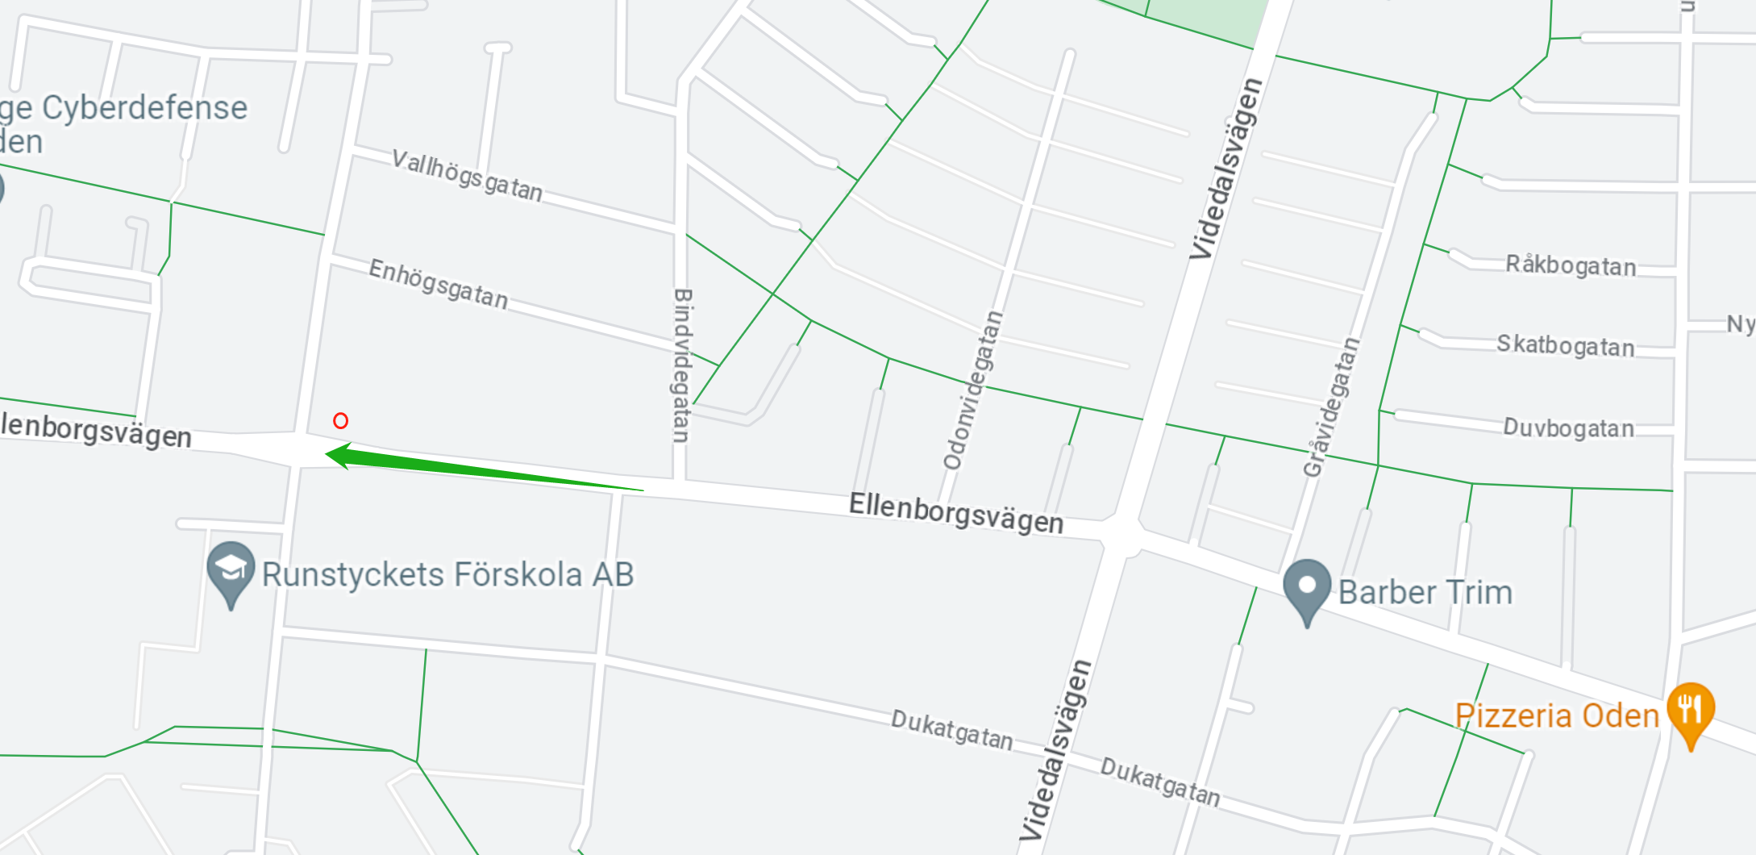
info | specification
collected by: | Xiang Li
date: | 13:25-13:35, 05/09/2023
quantity | Cars passing in one direction
data type | discrete
unit | number per 30 seconds
Timing tool | Mobile phone built-in stopwatch
Location | Ellenborgsvägen, 21231, Malmö | Red circle in the picture
Traffic direction | From East to West | Green arrow in the picture

