AC & DC SPD
ITEM | BRAND | SAMPLE PHOTO | PRICE
DC SPD 1200VDC 40kA | CHINT/CHYT |  | ₱780.00
AC SPD 2P 400V | CHINT/CHYT |  | ₱580.00
AC SPD 4P 385V | CHINT/CHYT | 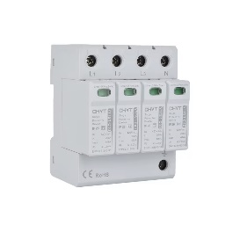 | ₱980.00

