Summary of Structure Checks
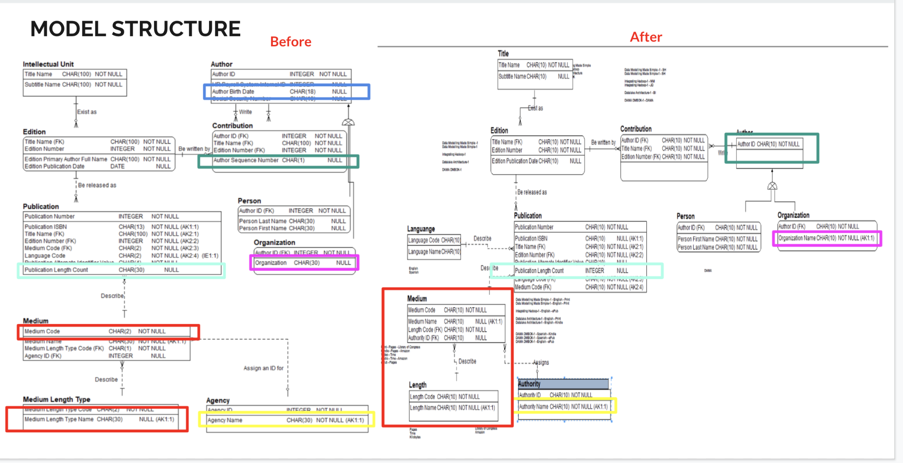
CRITERIA | DEFENITION |  | CHECKS | FINDING | SCORE
Consistency | Consistency means that if there are two or more of the same attribute on the data model, everything about these duplicated attributes is consistent such as formatting, lengths, and definitions. | 1 | Check that if an attribute appears more than once in the same data model, it has the same definition for each occurrence (formatting, lengths, and definitions) | The attribute Author ID appears in Author, Contribution, Person, Organization entity while Medium Code appears in the Medium entity and also in the Publication entity. Edition Number appears in Edition, Contribution and Publication entity. Title Name appears in Intelectual Unit, Edition, Contribution and Publication entity. All of this attributes have the consistent formatting, lengths and defenitions. | 1
 |  | 2 | Check that the same definition is not used for two different attributes. | The defenition is used properly, no similar defenition that used in two different defenitions. | 1
 |  | 3 | Check that if an attribute appears more than once in the same data model, it has the same format, datatype, and other details for each occurrence | Medium Length Type Code in Medium entity have format Char(1) while in Medium Length Type entity have format Char(2), which is not consistent. All other attributes are consistent in format, datatype. | 0.5
 |  | 4 | Avoid classword mismatches. | Author Birth Date in Author entity have format Char(18), need to fix to Date format. Author Sequence Number in Contribution entity has format Char(1) should be fixed to Integer, Publication Length Count in Publication entity has format Char(30) should be Integer. | 0.4
Integrity | Integrity means a database structure can be generated successfully from the data model. | 1 | Ensure that there are no circular relationships. | No circular relationships | 1
 |  | 2 | Check that a mandatory relationship is associated with a not null foreign key. | All of the mandatory relationship is associated with a not null foreign key. | 1
 |  | 3 | Check that an optional relationship is associated with a null foreign key. | All of the optional relationships is associated with a null foreign key. | 1
 |  | 4 | Check that all attributes in each candidate key are NOT NULL. | In organization entity, the attribute of organization need to be more specific as "organization name" and this would be an alternate key that should Not Null. Medium Length Type Name attribute as Candidate Key in Medium Length Type entity is NULL should be changed to NOT NULL, similar to Agency Name in Agency entity should not be NULL as Candidate Key. While Candidate Key including Publication ISBN, Title Name, Edition Number, Medium Code, Language Code, Agency Name follow the rule NOT NULL. | 0.3
 |  | 5 | Catch any attributes appearing more than once in the same entity. | No attributes appearing more than once in the same entity. | 1
 |  | 6 | Catch any entities appearing more than once on the same model. | No entities appearing more than once on the same model. | 1
 |  | 7 | Make sure each entity has a primary key. | Each entity has a primary key. | 1
 |  | 8 | Make sure there are no reserved words as attribute names. | Organization attribute in Organization entity was a reserve word should be change into organization name | 0.5
Core | Core means that the basic rules of data modeling are being followed. | 1 | Make sure each entity has a relationship with at least one other entity in the model. | Each entity has a relationship with at least one other entity in the model. | 1
 |  | 2 | Catch all partial key relationships. | No partial key relationship as in the Publication Entity that have one to many relationship with Edition entity has included all the primary keys from Edition (Title Name and Edition Number) | 1
 |  | 3 | Catch when there are two relationships but only one foreign key. | There are no two relationships but only one foreign key. | 1
 |  | 4 | Catch redundant indexes. | No redundant indexes.
 |  | 5 | Make sure subtypes have the same primary key as their supertype. | Person and Organization as the subtypes entity of Author have the same primary key as Author supertype. | 1
 |  |  |  | TOTAL SCORE | 13.7

Summary of Abstraction Checks
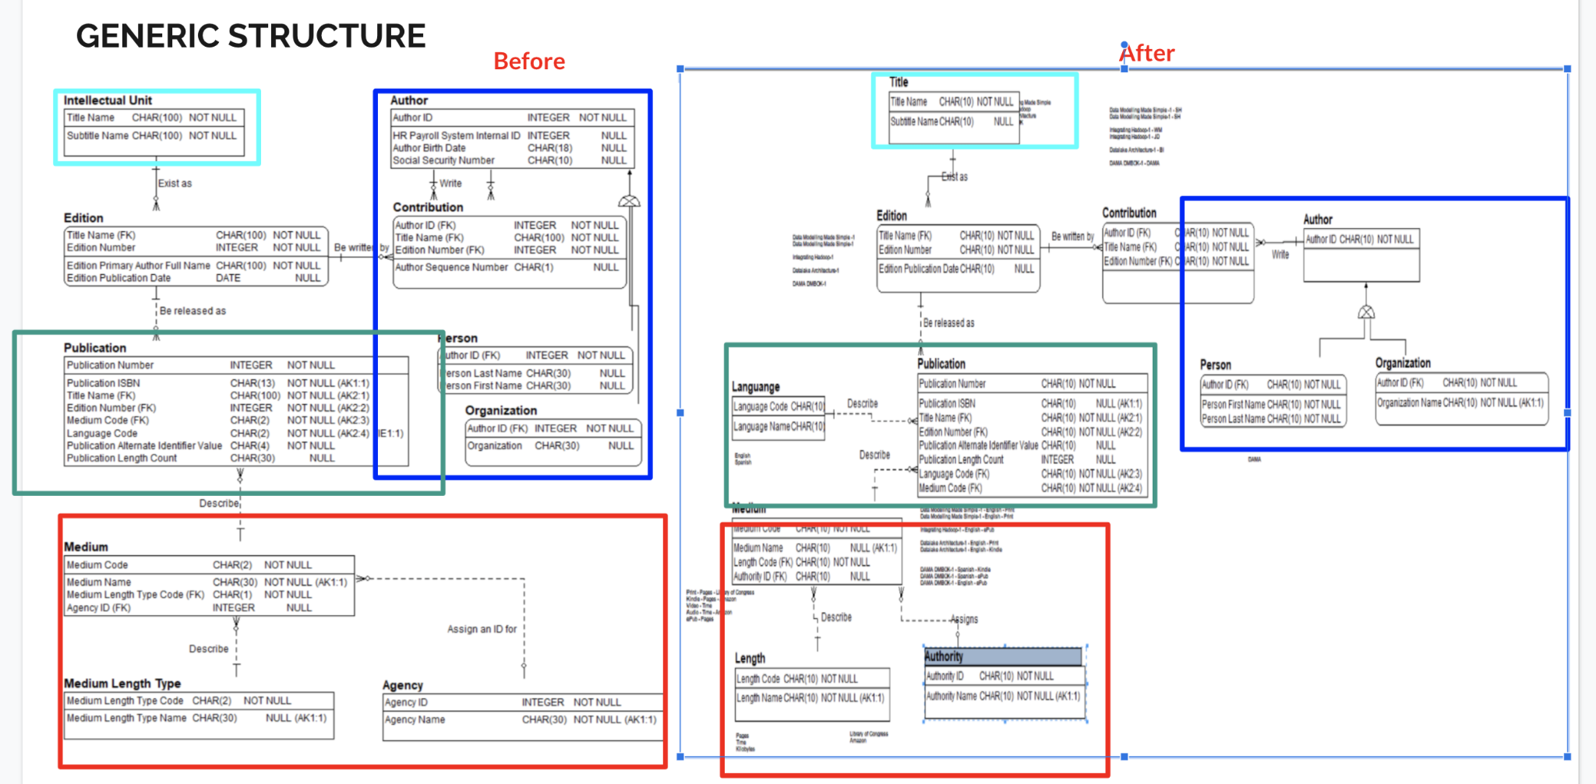
CRITERIA | DEFENITION |  | CHECKS | FINDING | SCORE
Extensible | The expectations for increasing the level of abstraction on the model. | 1 | Expect to see abstraction if flexibility is valued more than usability. | The level of abstraction increase as The Who setting of Author that have entities Person and Organization. The flexibility is valued more than usability as we can see the Author write Contribution. | 2
 |  | 2 | Recommend a supertype when there is optionality on both ends of relationships. | A supertype was introduce on the model that Author can be the optionality of person or organization but need to fix the Author attributes | 1.5
 |  | 3 | Suggest abstracting similar types of concepts if there are valid business scenarios where future types of this same concept can occur. | Abstracting of similar types of concepts can be implemented on language as there are possibility of several languages, so the chance of an additional type of language occurring is high. Therefore this could be a candidate for abstraction, and we would abstract as replace all of these language code from Publication, with just the Language structure that have Language Name attribute. | 1
Useable | The expectations for decreasing the level of abstraction on the model | 1 | Make sure abstraction wasn’t chosen if usability is valued more than flexibility. | The abstraction was choosen as flexibility is valued more than usability as this not for reporting applications where simplicity and speed are paramount. | 2
 |  | 2 | Make sure abstraction wasn’t chosen to reduce or eliminate business conversations. | In this model, the abstraction of Author does not reduce business conversation as no debates to what an author is. | 1.5
 |  | 3 | Avoid ambiguous terms. | There are several ambiguos terms including Intellectual Unit, Medium Length Type and Agency. We would be better off calling the entity Title instead of Intelectual Unit, Medium instead of Medium Length Type and Authority instead of Agency. | 1.5
 |  |  |  | TOTAL SCORE | 9.5

