Type 1
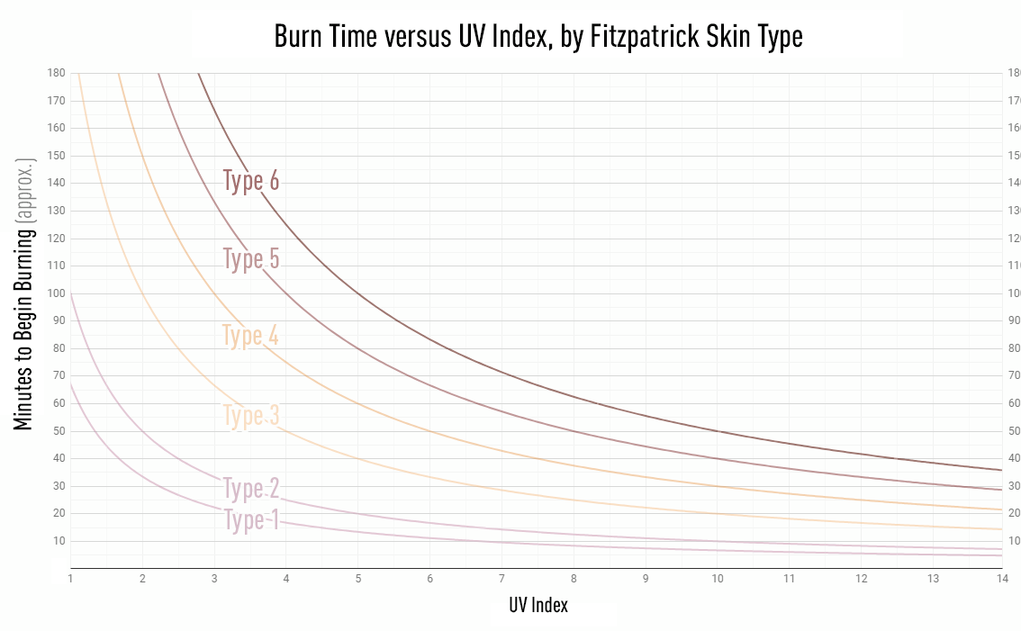
 | Type 1
 | UVI | Sunburn time
 | x | y | Exponential approx. y=45.407e-0.1878x | Power Approx. y=76.533x-1.073 |  |  | %error exp(x) | %error pow(x)
 | 1 | 68 | 37.505 | 76.07 | 30.495 | 0.44845588235 | 0.30495 | 0.0807
 | 2 | 43 | 31.099 | 36.244 | 11.901 | 0.27676744186 | 0.11901 | 0.06756
 | 3 | 22 | 25.787 | 23.49 | -3.787 | -0.17213636364 | 0.03787 | 0.0149
 | 4 | 18 | 21.383 | 17.268 | -3.383 | -0.18794444444 | 0.05383 | 0.01268
 | 5 | 16 | 17.73 | 13.602 | -1.73 | -0.108125 | 0.0027 | 0.04398
 | 6 | 11 | 14.702 | 11.192 | -3.702 | -0.33654545455 | 0.03702 | 0.00192
 | 7 | 9 | 12.191 | 9.491 | -3.191 | -0.35455555556 | 0.03191 | 0.00491
 | 8 | 8 | 10.109 | 8.228 | -2.109 | -0.263625 | 0.02109 | 0.00228
 | 9 | 7 | 8.382 | 7.254 | -1.382 | -0.19742857143 | 0.01382 | 0.00254
 | 10 | 6 | 6.95 | 6.481 | -0.95 | -0.15833333333 | 0.0095 | 0.00481
 | 11 | 5.5 | 5.763 | 5.852 | -0.263 | -0.047818181818 | 0.00263 | 0.00352
 | 12 | 5.1 | 4.779 | 5.332 | 0.321 | 0.062941176471 | 0.00321 | 0.00232
 | 13 | 5 | 3.963 | 4.895 | 1.037 | 0.2074 | 0.01037 | 0.00105
 | 14 | 4.99 | 3.286 | 4.522 | 1.704 | 0.34148296593 | 0.01704 | 0.00468
Total |  |  |  |  | 24.961 | -0.48946443815 | 0.66495 | 0.24785
Mean |  |  |  |  |  |  | 0.047496428571 | 0.018
 |  |  |  |  |  |  | 4.7% | 1.8%

Type 3
Type 3
UVI | Sunburn time | Power Approx. y = 198.63x-0.9907
x | y
1 | 190
2 | 100
3 | 76
4 | 50
5 | 40
6 | 33
7 | 28
8 | 25
9 | 22
10 | 20
11 | 18
12 | 17
13 | 16
14 | 15

Type 4
1
2 | 150
3 | 100
4 | 75
5 | 60
6 | 50
7 | 43
8 | 37
9 | 33
10 | 30
11 | 27
12 | 25
13 | 23
14 | 21
Table 1

 | Type 4
 | UVI | Sunburn time | Power Approx. y = 302.19x-1.0059
 | x | y
 | 1
 | 2 | 150
 | 3 | 100
 | 4 | 75
 | 5 | 60
 | 6 | 50
 | 7 | 43
 | 8 | 37
 | 9 | 33
 | 10 | 30
 | 11 | 27
 | 12 | 25
 | 13 | 23
 | 14 | 21

Type 5
1
2
3 | 133
4 | 100
5 | 80
6 | 66
7 | 57
8 | 50
9 | 45
10 | 40
11 | 36
12 | 33
13 | 31
14 | 29
Type 5
UVI | Sunburn time | Power Approx. y = 396.33x-0.9955
x | y
1
2
3 | 133
4 | 100
5 | 80
6 | 66
7 | 57
8 | 50
9 | 45
10 | 40
11 | 36
12 | 33
13 | 31
14 | 29

Type 6
1
2
3
4 | 125
5 | 100
6 | 84
7 | 71
8 | 63
9 | 55
10 | 50
11 | 45
12 | 42
13 | 38
14 | 36
Type 6
UVI | Sunburn time | Power Approx. y = 502.12x-1.0023
x | y
1
2
3
4 | 125
5 | 100
6 | 84
7 | 71
8 | 63
9 | 55
10 | 50
11 | 45
12 | 42
13 | 38
14 | 36

