Sheet1
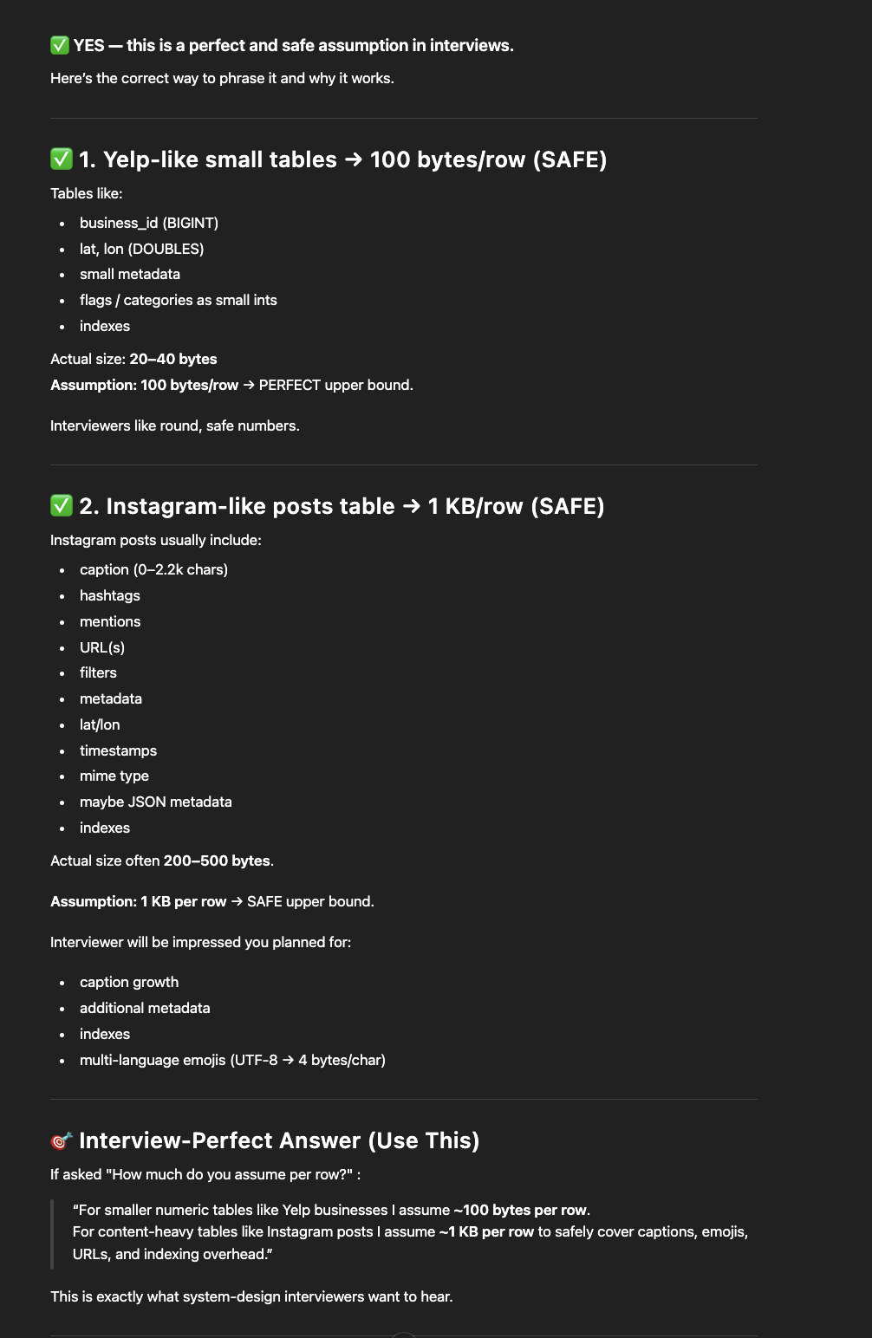
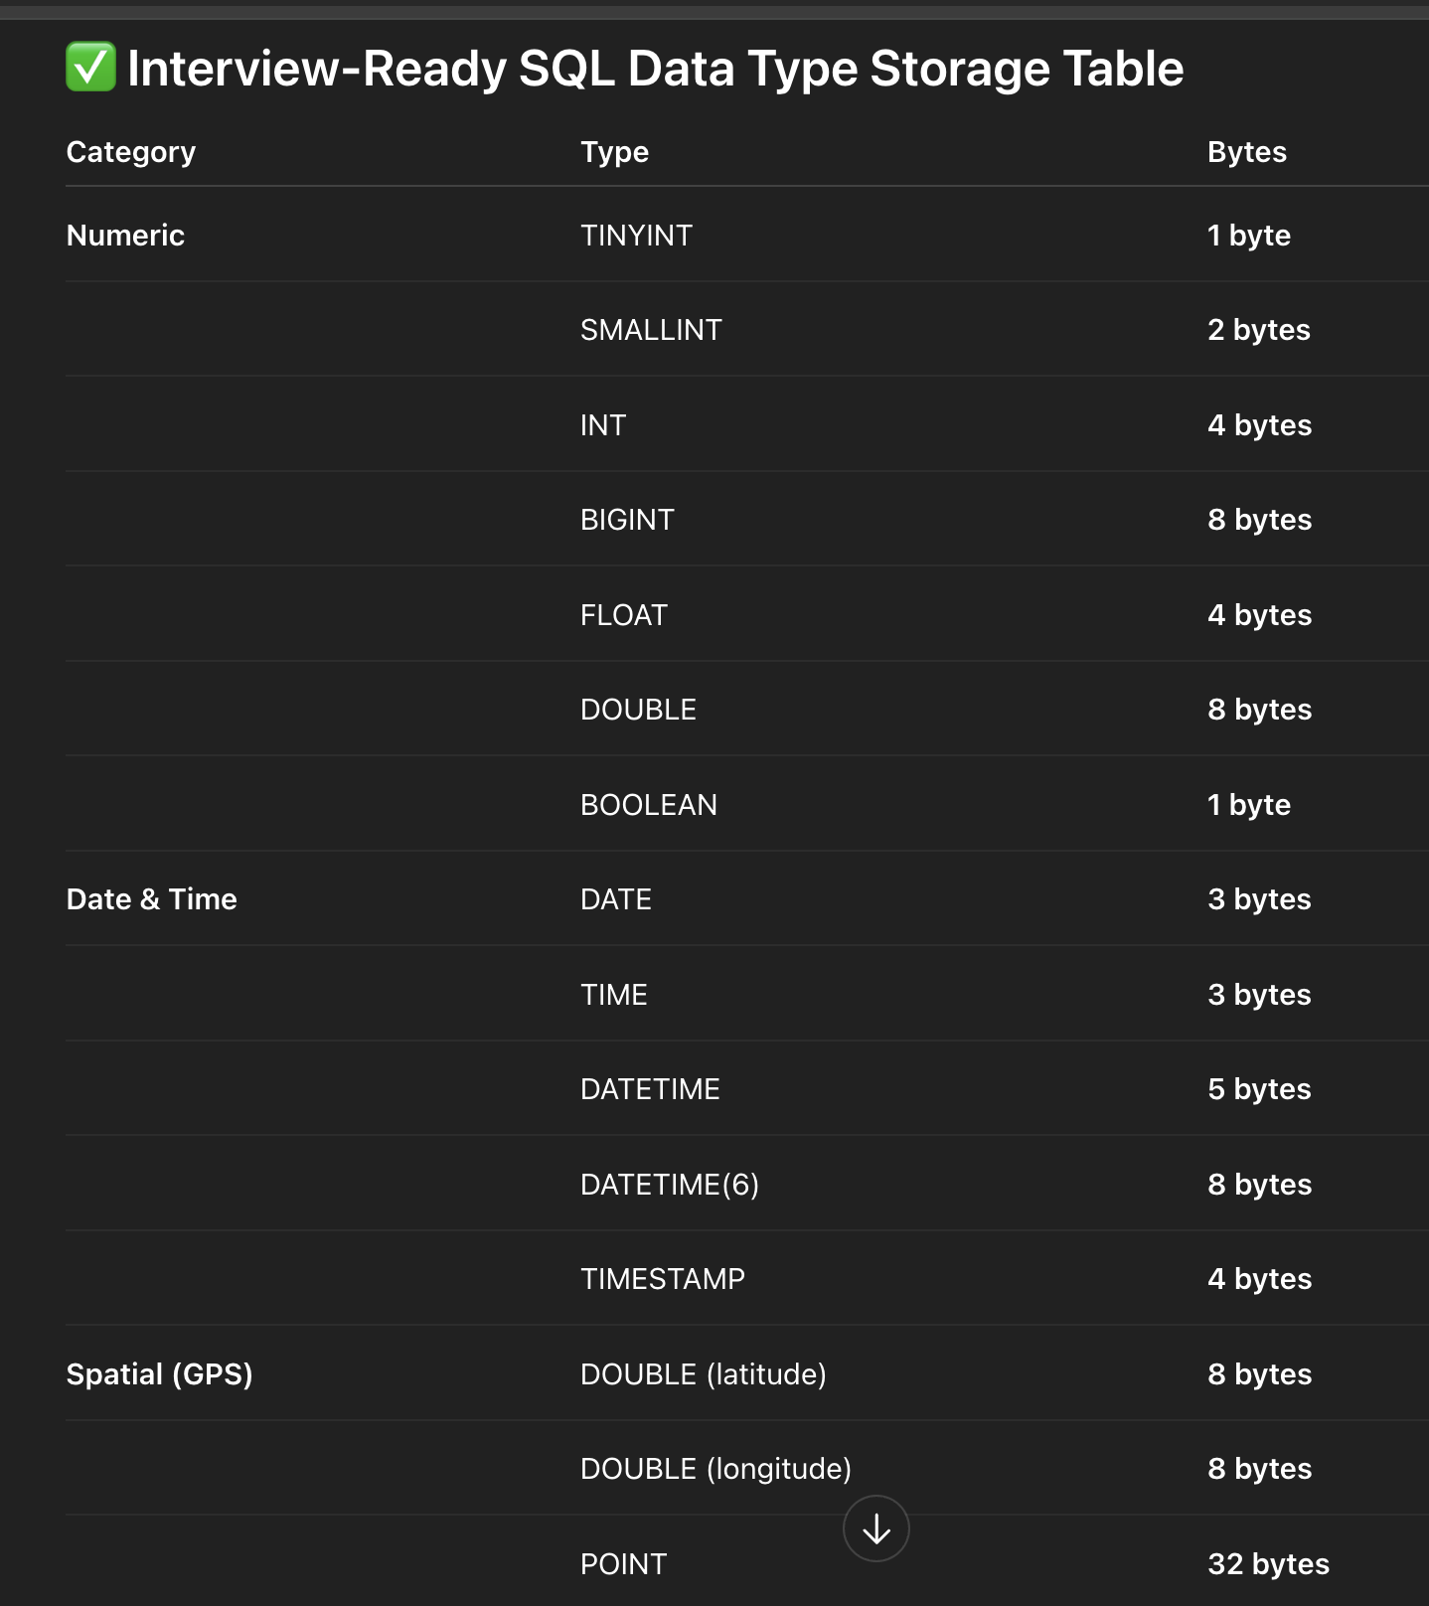
 | Edge cases in simple dp solutions like fibonacci when doing in O(1) space,and also when copying prev_prev to prev type is same solution...these are places requires speed thinking
 | Important to learn comparator sorting with arrays and priority queues
 | Hashset time complexity https://www.geeksforgeeks.org/count-number-of-distinct-substring-in-a-string/
 | Sliding window in strings to handle both i and j
 | Sliding window spaces in strings to handle both i and j and end of word
 | Mostly recusion TIME complexity is O(n),O(2^n) ando(3^n) and (O(2^(m+n) in matrices) when it is (right,down,diagonal) ways
 | 4^(n²) is time and n² as space when it is right,left,bottom,up in recursion
 | Questions by Love Babbar:
 | Youtube Channel: https://www.youtube.com/channel/UCQHLxxBFrbfdrk1jF0moTpw

Topic: | Problem: | Basic Approach

Array | Find the "Kth" max and min element of an array ...kth smallest is n-k+1 largest..remember this logic and learn syntax also
Array | Given an array which consists of only 0, 1 and 2. Sort the array without using any sorting algo
Array | Move all the negative elements to one side of the array
Array | Find the Union and Intersection of the two sorted arrays.
Array | Write a program to cyclically rotate an array by one.
Array | Minimise the maximum difference between heights [V.IMP]. ...just remember logic....can't do much about it
Array | Minimum no. of Jumps to reach end of an array | Tough did not understand
Array | find duplicate in an array of N+1 Integers. ...remember logic...didn't understand why slow=nums[0] before the second loop
Array | Merge 2 sorted arrays without using Extra space.
Array | Kadane's Algo [V.V.V.V.V IMP]
Array | Next Permutation
Array | Count Inversion
Array | Best time to buy and Sell stock
Array | find all pairs on integer array whose sum is equal to given number. ....escaape duplicates inside when sum === 0
Array | find common elements In 3 sorted arrays | No basic approach
Array | Rearrange the array in alternating positive and negative items with O(1) extra space. ...if order not imp thenO(1) else O(n) | No basic approach
Array | Find if there is any subarray with sum equal to 0
Array | Find factorial of a large number
Array | find maximum product subarray
Array | Find longest coinsecutive subsequence. ....remember the approach...in mail it is there verify
Array | Given an array of size n and a number k, fin all elements that appear more than " n/k " times...similar to voting moores algo..not so imp
Array | Maximum profit by buying and selling a share atmost twice
Array | Find whether an array is a subset of another array | Time complexities important
Array | Find the triplet that sum to a given value
Array | Trapping Rain water problem
Array | Chocolate Distribution problem | Tough did not understand
Array | Smallest Subarray with sum greater than a given value ...sliding windows tecnique,implement it for sure
Array | Three way partitioning of an array around a given value
Array | Minimum swaps required bring elements less equal K together
Array | Minimum no. of operations required to make an array palindrome
Array | Median of 2 sorted arrays of equal size | optimied approach did not understand
Array | Median of 2 sorted arrays of different size. ....slight modification of above question
 | 35

Matrix | Spiral traversal on a Matrix
Matrix | Search an element in a matriix
Matrix | Find median in a row wise sorted matrix
Matrix | Find row with maximum no. of 1's
Matrix | Print elements in sorted order using row-column wise sorted matrix
Matrix | Maximum size rectangle
Matrix | Find a specific pair in matrix
Matrix | Rotate matrix by 90 degrees. ..do with two iterations...its fine
Matrix | Kth smallest element in a row-cpumn wise sorted matrix
Matrix | Common elements in all rows of a given matrix

Array(Easy) | https://www.geeksforgeeks.org/array-data-structure-guide/
Array | Second Largest
Array | Leaders in an array
Array | Remove Duplicates from Sorted
Array | Min Increments to Make Equal | No basic approach
Array | Min Cost to Make Size 1. ....very easy so no need to implement...just look and u will get
Array | Duplicate within K Distance
Array | Make Even Positioned Greater
Array | Stock Buy and Sell – Multiple Transactions | Tough did not understand
Array | Missing Number
Array | Equilibrium index. ..easy so didn't implement
Array | Two Sum - Find if there is a Pair
Array | Two Sum - Closest Pair. ....u may forget so implement agaiin to not forget
Array | Intersection of two arrays | Using two sets
 | 21
 | ew
Array(Medium)
Array | Make arr[i] = i | if (ar[j] == i) swap(ar[i],ar[j])
Array | Sort an array of 1 to n
Array | Reorder according to given indexes
Array | Min in a Sorted Rotated. ...you may forget approach..see while approach again and agaim
Array | Max in a Sorted Rotated. ...you may forget approach..see while approach again and agaim
Array | Rotation Count in Rotated Sorted. ...all above 3 u can use recursion approach but also look at while approach as can be asked in interview
Array | Nearly Sorted (or K sorted)
Array | Product Except Self...don't forget to handle 0 edge cases
Array | Smallest Missing Positive Number. ..... while(arr[i] > 0 && arr[i] < arr.length && arr[i]!=arr[arr[i]-1]) ....swap arr[i],arr[arr[i]-1]
Array | Peak element. ...dont forget the edge cases,practice again and again
Array | Count possible triangles
Array | Sub-array with given sum
Array | Longest Subarray with Equal 0s and 1s...remember this...if (preSum == 0) res = i + 1;
Array | 2 Sum - All Pairs
Array | 2 Sum - Distinct Pairs
Array | 3 Sum - Find Any
 | 22
Array(Hard)
Array | Top K Frequent Elements....learn syntax
Array | Stock Buy and Sell - At Most K Transactions. ...remember this...no other option
 | 4

String | Write a Code to check whether one string is a rotation of another. ....implement using kmp
String | Count and Say problem
String | Write a program to find the longest Palindrome in a string.[ Longest palindromic Substring]. v.v.v.important...do using manachers algo
String | Find Longest Recurring Subsequence in String. ....similar lcs but only in same string so i!=j
String | Print all Subsequences of a string. ...do in recusion
String | Split the Binary string into two substring with equal 0’s and 1’s
String | Word Wrap Problem [VERY IMP].
String | Balanced Parenthesis problem.[Imp]
String | Rabin Karp Algo
String | KMP Algo
String | Convert a Sentence into its equivalent mobile numeric keypad sequence.
String | Minimum number of bracket reversals needed to make an expression balanced. | Tough did not understand
String | Count All Palindromic Subsequence in a given String. .remember this...no other option
String | Boyer Moore Algorithm for Pattern Searching.
String | Converting Roman Numerals to Decimal
String | Longest Common Prefix
String | Number of flips to make binary string alternate
String | Find the first repeated word in string.
String | Minimum number of swaps for bracket balancing.
String | Program to generate all possible valid IP addresses from given string.
String | Write a program tofind the smallest window that contains all characters of string itself.
String | Find the smallest window in a string containing all characters of another string
String | Minimum characters to be added at front to make string palindrome. ...already in dp problems
String | Given a sequence of words, print all anagrams together
String | Recursively remove all adjacent duplicates | Naive recursive approach see again u will forget
String | String matching where one string contains wildcard characters
String | Function to find Number of customers who could not get a computer
String | Transform One String to Another using Minimum Number of Given Operation
String | Check if two given strings are isomorphic to each other
String | Recursively print all sentences that can be formed from list of word lists

Searching & Sorting | Find first and last positions of an element in a sorted array. ...see both recursion and while approaches as both are easy
Searching & Sorting | Find a Fixed Point (Value equal to index) in a given array ...if duplicates allowed then normal linear search and if not allowed then normal binary search
Searching & Sorting | Search in a Sorted Rotated. ...if(x== a[mid] will already becheck at start success case so inside while doing (key >= arr[lo] && key < arr[mid])...."=" isn't included...understand
Searching & Sorting | square root of an integer
Searching & Sorting | Optimum location of point to minimize total distance
Searching & Sorting | Find the repeating and the missing
Searching & Sorting | find majority element
Searching & Sorting | Searching in an array where adjacent differ by at most k
Searching & Sorting | find a pair with a given difference. ...easy but remember the edge case where diff is 0 then put condition of i!=j
Searching & Sorting | find four elements that sum to a given value
Searching & Sorting | House Robber. ....modified my approach in gmail iiits
Searching & Sorting | Count triplet with sum smaller than a given value. ...remember and revise again and again
Searching & Sorting | print all subarrays with 0 sum
Searching & Sorting | Sort array according to count of set bits
Searching & Sorting | minimum no. of swaps required to sort the array. ...remember hashmap approach...easy but don't forget
Searching & Sorting | Bishu and Soldiers
Searching & Sorting | Rasta and Kheshtak
Searching & Sorting | Kth smallest number again
Searching & Sorting | Find pivot element in a sorted array
Searching & Sorting | K-th Element of Two Sorted Arrays | optimied approach did not understand
Searching & Sorting | Aggressive cows
Searching & Sorting | Book Allocation Problem
Searching & Sorting | EKOSPOJ:
Searching & Sorting | Missing Number in AP. ....if((b-a)%c == 0)return 1 else return 0;....remember
Searching & Sorting | Smallest number with atleastn trailing zeroes infactorial
Searching & Sorting | Painters Partition Problem:
Searching & Sorting | ROTI-Prata SPOJ
Searching & Sorting | DoubleHelix SPOJ
Searching & Sorting | Subset Sums
Searching & Sorting | Implement Merge-sort in-place
Searching & Sorting | Partitioning and Sorting Arrays with Many Repeated Entries

 | Don't forget to mark last node as null while modifying and dont forget edge cases
LinkedList | Write a Program to reverse the Linked List. (Both Iterative and recursive)
LinkedList | Reverse a Linked List in group of Given Size. [Very Imp]
LinkedList | Write a program to Detect loop in a linked list.
LinkedList | Write a program to Delete loop in a linked list.
LinkedList | Find the starting point of the loop.
LinkedList | Remove Duplicates in a sorted Linked List.
LinkedList | Remove Duplicates in a Un-sorted Linked List. | I think no need of brute force approach,a bit tough
LinkedList | Write a Program to Move the last element to Front in a Linked List.
LinkedList | Add “1” to a number represented as a Linked List. ....carry = 1 is the most important thing
LinkedList | Add two numbers represented by linked lists.
LinkedList | Intersection of two Sorted Linked List.
LinkedList | Intersection Point of two Linked Lists.
LinkedList | Merge Sort For Linked lists.[Very Important]
LinkedList | Quicksort for Linked Lists.[Very Important]
LinkedList | Find the middle Element of a linked list.
LinkedList | Check if a linked list is a circular linked list.
LinkedList | Split a Circular linked list into two halves.
LinkedList | Write a Program to check whether the Singly Linked list is a palindrome or not.
LinkedList | Deletion from a Circular Linked List.
LinkedList | Reverse a Doubly Linked list.
LinkedList | Find pairs with a given sum in a DLL.
LinkedList | Count triplets in a sorted DLL whose sum is equal to given value “X”.
LinkedList | Sort a “k”sorted Doubly Linked list.[Very IMP]
LinkedList | Rotate DoublyLinked list by N nodes.
LinkedList | Rotate a Doubly Linked list in group of Given Size.[Very IMP]
LinkedList | Can we reverse a linked list in less than O(n) ?
LinkedList | Why Quicksort is preferred for. Arrays and Merge Sort for LinkedLists ?
LinkedList | Flatten a Linked List | Basic approach is collect all values in a arraylist and sort them and again construct anotherlinked list using all and return
LinkedList | Sort a LL of 0's, 1's and 2's
LinkedList | Clone a linked list with next and random pointer
LinkedList | Multiply 2 no. represented by LL
LinkedList | Delete nodes which have a greater value on right side
LinkedList | Segregate even and odd nodes in a Linked List
LinkedList | Program for n’th node from the end of a Linked List

Binary Trees | level order traversal
Binary Trees | Reverse Level Order traversal ...do normal level order traversal and just reverse it
Binary Trees | Height of a tree
Binary Trees | Diameter of a tree | optimied approach did not understand
Binary Trees | Mirror of a tree
Binary Trees | Inorder Traversal of a tree both using recursion and Iteration
Binary Trees | Preorder Traversal of a tree both using recursion and Iteration
Binary Trees | Postorder Traversal of a tree both using recursion and Iteration
Binary Trees | Left View of a tree
Binary Trees | Right View of Tree
Binary Trees | Top View of a tree
Binary Trees | Bottom View of a tree
Binary Trees | Zig-Zag traversal of a binary tree | optimied approach did not understand
Binary Trees | Check if a tree is balanced or not
Binary Trees | Diagnol Traversal of a Binary tree
Binary Trees | Boundary traversal of a Binary tree
Binary Trees | Construct Binary Tree from String with Bracket Representation
Binary Trees | Convert Binary tree into Doubly Linked List
Binary Trees | Convert Binary tree into Sum tree
Binary Trees | Construct Binary tree from Inorder and preorder traversal
Binary Trees | Find minimum swaps required to convert a Binary tree into BST
Binary Trees | Check if Binary tree is Sum tree or not
Binary Trees | Check if all leaf nodes are at same level or not
Binary Trees | Check if a Binary Tree contains duplicate subtrees of size 2 or more [ IMP ]
Binary Trees | Check if 2 trees are mirror or not
Binary Trees | Sum of Nodes on the Longest path from root to leaf node
Binary Trees | Check if given graph is tree or not. [ IMP ].
Binary Trees | Find Largest subtree sum in a tree
Binary Trees | Maximum Sum of nodes in Binary tree such that no two are adjacent
Binary Trees | Print all "K" Sum paths in a Binary tree
Binary Trees | Find LCA in a Binary tree
Binary Trees | Find distance between 2 nodes in a Binary tree
Binary Trees | Kth Ancestor of node in a Binary tree
Binary Trees | Find all Duplicate subtrees in a Binary tree [ IMP ]
Binary Trees | Tree Isomorphism Problem

Binary Search Trees | Fina a value in a BST | brute force approach is mostly storing in arraylist by doing inorder traversals
Binary Search Trees | Deletion of a node in a BST
Binary Search Trees | Find min and max value in a BST
Binary Search Trees | Find inorder successor and inorder predecessor in a BST. ...REMEMBER
Binary Search Trees | Check if a tree is a BST or not
Binary Search Trees | Populate Inorder successor of all nodes
Binary Search Trees | Find LCA of 2 nodes in a BST
Binary Search Trees | Construct BST from preorder traversal | See again brute force
Binary Search Trees | Convert Binary tree into BST
Binary Search Trees | Convert a normal BST into a Balanced BST
Binary Search Trees | Merge two BST [ V.V.V>IMP ]
Binary Search Trees | Find Kth largest element in a BST
Binary Search Trees | Find Kth smallest element in a BST
Binary Search Trees | Count pairs from 2 BST whose sum is equal to given value "X" | time -> O(n1+n2) space -> O(h1+h2)
Binary Search Trees | Find the median of BST in O(n) time and O(1) space
Binary Search Trees | Count BST ndoes that lie in a given range
Binary Search Trees | Replace every element with the least greater element on its right
Binary Search Trees | Given "n" appointments, find the conflicting appointments
Binary Search Trees | Check preorder is valid or not
Binary Search Trees | Check whether BST contains Dead end
Binary Search Trees | Largest BST in a Binary Tree [ V.V.V.V.V IMP ]
Binary Search Trees | Flatten BST to sorted list
Binary Search Trees | Convert BST to Min Heap

Greedy | Activity Selection Problem | Take,not take resurive is naive approach
Greedy | Job SequencingProblem
Greedy | Huffman Coding
Greedy | Water Connection Problem
Greedy | Fractional Knapsack Problem | No Naive approach as it fails
Greedy | Greedy Algorithm to find Minimum number of Coins
Greedy | Maximum trains for which stoppage can be provided. ...Similar to activity selection problem above
Greedy | Minimum Platforms Problem | two loops naive appproach
Greedy | Buy Maximum Stocks if i stocks can be bought on i-th day
Greedy | Find the minimum and maximum amount to buy all N candies | Naive approach not needed this,is only naive approach
Greedy | Minimum Cost to cut a board into squares
Greedy | Check if it is possible to survive on Island
Greedy | Find maximum meetings in one room ...already done in meeting room problem above with slight modification...
Greedy | Maximum product subset of an array | Naive approach not needed this,is only naive approach
Greedy | Maximize array sum after K negations | Naive appproach can be Heap based approach
Greedy | Maximize the sum of arr[i]*i ...just sort it | Naive is not required
Greedy | Maximize sum of consecutive differences in a circular array | Using another list is naive approach
Greedy | Minimum sum of absolute difference of pairs of two arrays. ...same as above | Naive approach not required,this is only naive approach
Greedy | Program for Shortest Job First (or SJF) CPU Scheduling
Greedy | Program for Least Recently Used (LRU) Page Replacement algorithm
Greedy | Smallest subset with sum greater than all other elements | No need to see just tell generate all subsets and whichever matches return
Greedy | DEFKIN -Defense of a Kingdom
Greedy | DIEHARD -DIE HARD
Greedy | GERGOVIA -Wine trading in Gergovia
Greedy | Picking Up Chicks
Greedy | CHOCOLA –Chocolate
Greedy | ARRANGE -Arranging Amplifiers
Greedy | K Centers Problem
Greedy | Minimum Cost of ropes | Naive approach is sort it n time so (n*nlog n)
Greedy | Find smallest number with given number of digits and sum of digits | Iterate from 10^(d-1) to 10^d)-1 and see whose sum matches with given sum and return
Greedy | Find maximum sum possible equal sum of three stacks

BackTracking | Rat in a maze Problem | 4^(n²) is time and n² as space
BackTracking | Printing all solutions in N-Queen Problem | O(n!) Time and O(n) Space
BackTracking | Word Break Problem using Backtracking
BackTracking | Remove Invalid Parentheses
BackTracking | Sudoku Solver
BackTracking | Print all palindromic partitions of a string | (n*(n*2^n)) = is time and n² as space
BackTracking | Subset Sum Problem
BackTracking | The Knight’s tour problem | 8^(n^2)).
BackTracking | Tug of War
BackTracking | Find shortest safe route in a path with landmines | time - O(n * m) space - O(n * m) fo BFS and O(4^(N×M)) for dfs
BackTracking | Combinational Sum | Time Complexity: O(2^N). Auxiliary Space: O(target/min)
BackTracking | Find Maximum number possible by doing at-most K swaps
BackTracking | Print all permutations of a string
BackTracking | Longest Possible Route in a Matrix with Hurdles | Time Complexity=O(4^N×M)
BackTracking | Print all possible paths from top left to bottom right of a mXn matrix | time - O(2^(N*M)) space - O(n + m)
BackTracking | Partition of a set intoK subsets with equal sum
BackTracking | Find the K-th Permutation Sequence of first N natural numbers
BackTracking | Count of number of given string in 2D character array
BackTracking | Search a Word in a 2D Grid of characters.
BackTracking | Print all possible strings that can be made by placing spaces
BackTracking | Print all permutations with repetition of characters. ....it is simple,just start loop with i = 0 instead of i = index and no need to pass i as parameter

Stacks & Queues | Implement Stack from Scratch. ....easily can be implemented...so didn't
Stacks & Queues | Implement Queue from Scratch. ...easily can be implemented...so didn't
Stacks & Queues | Implement 2 stack in an array
Stacks & Queues | find the middle element of a stack
Stacks & Queues | Implement "N" stacks in an Array
Stacks & Queues | Check the expression has valid or Balanced parenthesis or not.
Stacks & Queues | Design a Stack that supports getMin() in O(1) time and O(1) extra space. REMEMBER PLS
Stacks & Queues | Find the next Greater element
Stacks & Queues | The celebrity Problem
Stacks & Queues | Arithmetic Expression evaluation
Stacks & Queues | Evaluation of Postfix expression
Stacks & Queues | Reverse a stack using recursion
Stacks & Queues | Sort a Stack using recursion
Stacks & Queues | Merge Overlapping Intervals | optimied approach did not understand
Stacks & Queues | Largest rectangular Area in Histogram
Stacks & Queues | Length of the Longest Valid Substring
Stacks & Queues | Expression contains redundant bracket or not
Stacks & Queues | Implement Stack using Queue
Stacks & Queues | Implement Stack using Deque
Stacks & Queues | Stack Permutations (Check if an array is stack permutation of other)
Stacks & Queues | Implement Queue using Stack
Stacks & Queues | Implement "n" queue in an array
Stacks & Queues | Implement a Circular queue
Stacks & Queues | LRU Cache Implementation
Stacks & Queues | Reverse a Queue using recursion
Stacks & Queues | Reverse the first “K” elements of a queue
Stacks & Queues | Interleave the first half of the queue with second half
Stacks & Queues | Find the first circular tour that visits all Petrol Pumps
Stacks & Queues | Minimum time required to rot all oranges | optimied approach did not understand
Stacks & Queues | Distance of nearest cell having 1 in a binary matrix
Stacks & Queues | First negative integer in every window of size “k” ....similar to Maximum of all subarrays of size k.
Stacks & Queues | Check if all levels of two trees are anagrams or not.
Stacks & Queues | Sum of minimum and maximum elements of all subarrays of size “k”. ....similar to Maximum of all subarrays of size k.
Stacks & Queues | Minimum sum of squares of character counts in a given string after removing “k” characters.
Stacks & Queues | Next Smaller Element. ...same as next greater element
Stacks & Queues | Maximum of all subarrays of size k.
Stacks & Queues | Find the first non-repeating character from a stream of characters. while( i < s.length() ) { freq[s.charAt(i)-'a']++; while(first<=i && freq[s.charAt(first)-'a'] > 1) first++; if(first > i) result.append('#'); else result.append(s.charAt(first)); i++; } | See brute force approach again to remeber

Heap | Implement a Maxheap/MinHeap using arrays and recursion.
Heap | Sort an Array using heap. (HeapSort)
Heap | “k” largest element in an array
Heap | Kth smallest and largest element in an unsorted array
Heap | Merge “K” sorted arrays. [ IMP ]
Heap | Merge 2 Binary Max Heaps
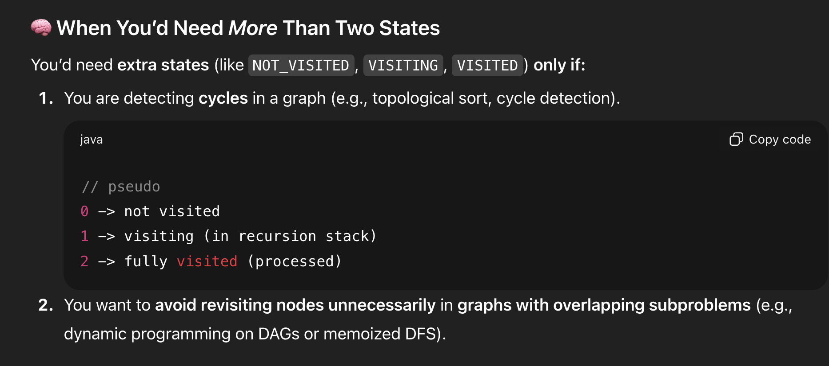
Heap | Kth largest sum continuous subarrays
Heap | Merge “K” Sorted Linked Lists [V.IMP]
Heap | Smallest range in “K” Lists
Heap | Median in a stream of Integers
Heap | Check if a Binary Tree is Heap
Heap | Connect “n” ropes with minimum cost
Heap | Convert min heap to max heap
Heap | Rearrange characters in a string such that no two adjacent are same.
Heap | Minimum sum of two numbers formed from digits of an array

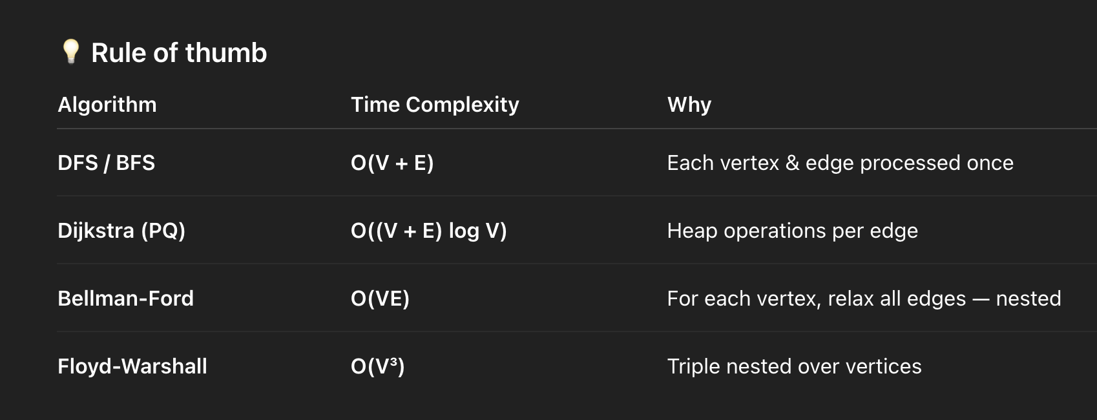
 | Note-Learn about time complexities->IN DFS If you make visited as 0 again to traverse then time will be become O(V!) else O(V+E) but space is always V+E
Graph | Implement BFS algorithm | Time Complexity and space: O(V + E)
Graph | Implement DFS Algo | Time Complexity and space: O(V + E)
Graph | Detect Cycle in Directed Graph using BFS/DFS Algo | Time Complexity and space: O(V + E) and O(V) space if we assume input list is given
Graph | Detect Cycle in UnDirected Graph using BFS/DFS Algo | Time Complexity and space: O(V + E) and O(V) space if we assume input list is given
Graph | Minimum Step by Knight | DFS -> Time Complexity: (8(n^2)) space: O(n²) ---BFS -> Time Complexity and space: O(n^2)
Graph | flood fill algo | BFS -> Time Complexity and space: O(n^2)
Graph | Clone a graph
Graph | Making wired Connections | Time Complexity and space: O(V + E)
Graph | word Ladder | Time Complexity and Space: O(N × L)
Graph | Dijkstra algo | Time Complexity ->O(VlogV+ElogV)= O((V + E) log V),space: O(V + E) |  | If you use an adjacency matrix,.Dijkstra’s Algorithm runs in O(V²) time and O(V²) space.
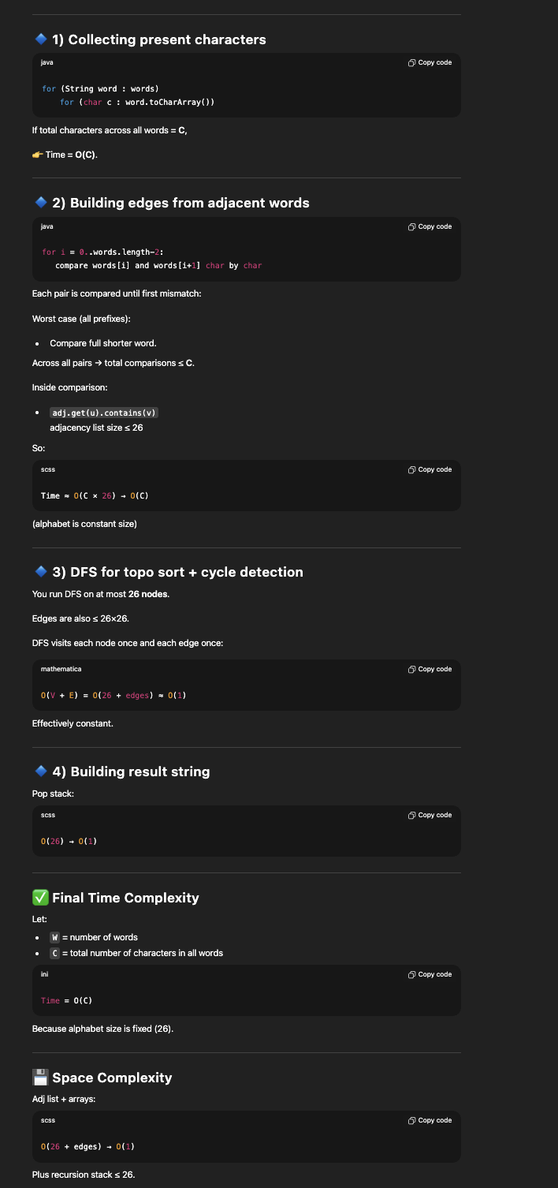
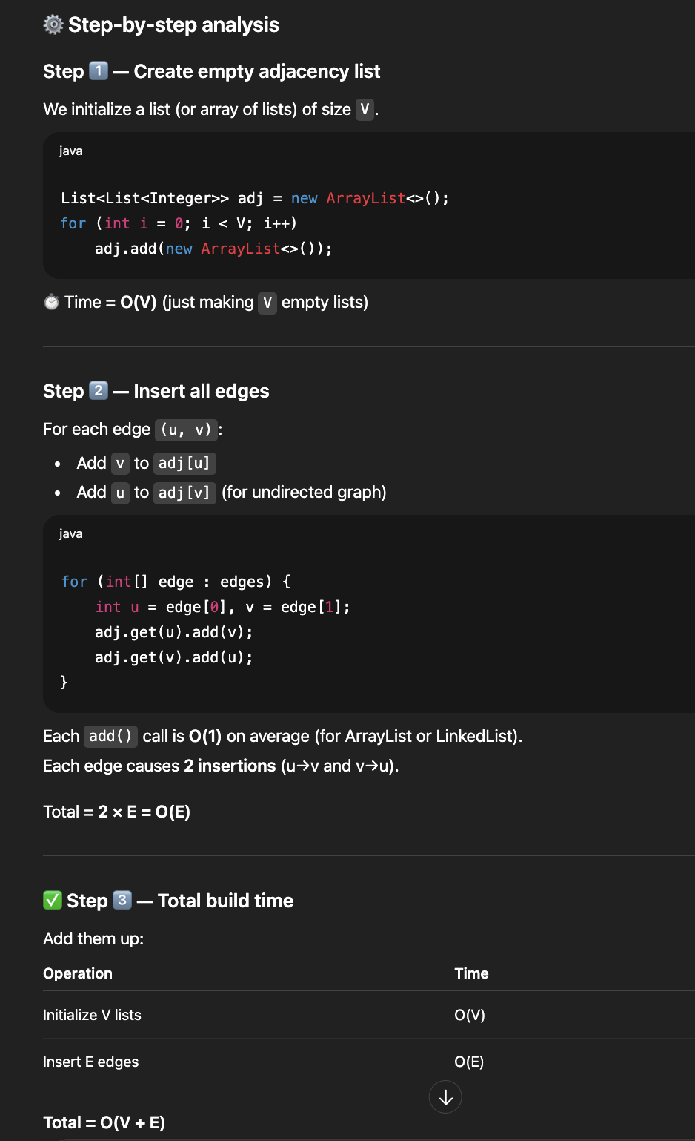
Graph | Implement Topological Sort | Time Complexity and space: O(V + E) | --->
Graph | Minimum time taken by each job to be completed given by a Directed Acyclic Graph | Time Complexity and space: O(V + E)
Graph | Find whether it is possible to finish all tasks or not from given dependencies | Time Complexity and space: O(V + E)
Graph | Find the no. of Isalnds | Time Complexity and space: O(m * n) for both bfs and dfs
Graph | Given a sorted Dictionary of an Alien Language, find order of characters | Time Complexity: O(N × L + K + E), Space Complexity: O(K + E) where k = 26
Graph | Implement Kruksal’sAlgorithm
Graph | Implement Prim’s Algorithm | Time Complexity ->O(VlogV+ElogV)= O((V + E) log V),space: O(V + E)
Graph | Total no. of Spanning tree in a graph
Graph | Implement Bellman Ford Algorithm. ...for cycle detection init everything with 0 and for shortest path int with infinity and dist[src] = 0 | Time Complexity:O(V × E) Space Complexity: O(V)
Graph | Implement Floyd warshallAlgorithm | Time Complexity: O(n³) - Space Complexity: O(n²)
Graph | Travelling Salesman Problem
Graph | Snake and Ladders Problem
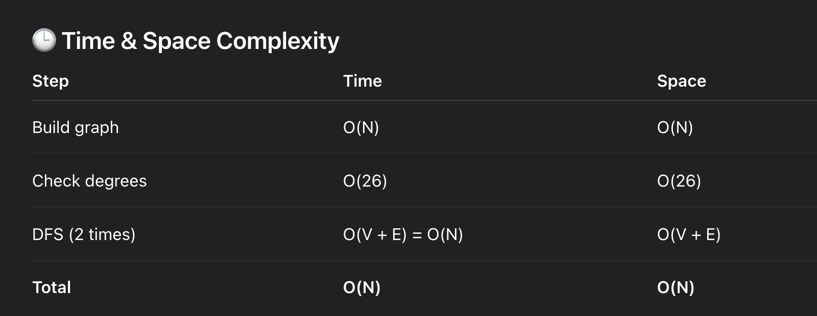
Graph | Find bridge in a graph | Time Complexity and space: O(V + E) as just dfs
Graph | Count Strongly connected Components(Kosaraju Algo) | Time Complexity and space: O(V + E)
Graph | Check whether a graph is Bipartite or Not. ...Similar to M-ColouringProblem with M=2
Graph | Longest path in a Directed Acyclic Graph | Time Complexity and space: O(V + E)
Graph | Journey to the Moon
Graph | Cheapest Flights Within K Stops
Graph | Oliver and the Game
Graph | Water Jug problem using BFS
Graph | Find if there is a path of more thank length from a source | Time-> O(V!) Space->O(V + E)
Graph | M-ColouringProblem | Time-> O(Mⁿ) Space->O(V + E)
Graph | Minimum edges to reverse o make path from source to destination. ....just learn algo...enough,not so,imp
Graph | Paths to travel each nodes using each edge(Seven Bridges)
Graph | Vertex Cover Problem
Graph | Chinese Postman or Route Inspection
Graph | Number of Triangles in a Directed and Undirected Graph
Graph | Minimise the cashflow among a given set of friends who have borrowed money from each other
Graph | Two Clique Problem .....no need to solve,just remeber logic as not so important
Graph | Articulation points | Time Complexity and space: O(V + E) as just dfs
Graph | Find if an array of strings can be chained to form a circle. ....application of eulerian circuit

Trie | Construct a trie from scratch
Trie | Find shortest unique prefix for every word in a given list
Trie | Word Break Problem | (Trie solution)
Trie | Given a sequence of words, print all anagrams together
Trie | Implement a Phone Directory
Trie | Print unique rows in a given boolean matrix
Trie | Sorting array of strings (or words) using Trie

Dynamic Programming | Coin ChangeProblem
Dynamic Programming | Knapsack Problem. ...remeber this approach of right to left as there are finite weights
Dynamic Programming | Binomial CoefficientProblem. ..easy to understand but spend some time if u forget again
Dynamic Programming | Permutation CoefficientProblem
Dynamic Programming | Program for nth Catalan Number. ...(1/n+1)(2nCn)...formula this...remember...now it is similar to binomial coefficient question
Dynamic Programming | Matrix Chain Multiplication
Dynamic Programming | Edit Distance
Dynamic Programming | Subset Sum Problem
Dynamic Programming | Friends Pairing Problem ..... f(n) = f(n – 1) + (n – 1) * f(n – 2).
Dynamic Programming | Gold Mine Problem | simple normal backtrach approach similar to n queen
Dynamic Programming | Assembly Line SchedulingProblem
Dynamic Programming | Painting the Fenceproblem ... countWays(n) = countWays(n-1)*(k-1) + countWays(n-2)*(k-1)
Dynamic Programming | Maximize The Cut Segments
Dynamic Programming | Longest Common Subsequence
Dynamic Programming | Longest Repeated Subsequence LCS with i!=j condition
Dynamic Programming | Longest Increasing Subsequence
Dynamic Programming | LCS (Longest Common Subsequence) of three strings
Dynamic Programming | Maximum Sum Increasing Subsequence
Dynamic Programming | Count all subsequences having product less than K
Dynamic Programming | Longest subsequence such that difference between adjacent is one. ...slight variation of LIS,but using hashmap is optimized one but hashmap fails for cases like 1,2,1,2...see chatgpt
Dynamic Programming | Maximum subsequence sum such that no three are consecutive | public static int helper(int[] arr, int i) { if (i < 0) return 0; if (i == 0) return arr[0]; if (i == 1) return arr[0] + arr[1]; if (i == 2) return Math.max(arr[0] + arr[1], Math.max(arr[1] + arr[2], arr[0] + arr[2])); // 3 choices: skip, take current only, take current + previous int skip = helper(arr, i - 1); int takeOne = helper(arr, i - 2) + arr[i]; int takeTwo = helper(arr, i - 3) + arr[i] + arr[i - 1]; return Math.max(skip, Math.max(takeOne, takeTwo)); }
Dynamic Programming | Egg Dropping Problem
Dynamic Programming | Maximum size square sub-matrix with all 1s. ......dont forget this..1 + Math.min(dp[i][j + 1], Math.min(dp[i + 1][j], dp[i + 1][j + 1]));
Dynamic Programming | Maximum sum of pairs with specific difference | Naive approach in compiler
Dynamic Programming | Maximum difference of zeros and ones in binary string | 2 loops is naive approach
Dynamic Programming | Minimum cost to fill given weight in a bag ...easy but seee how is it different from 0/1 knapsack problem above....the qns similar to rod cutting problen | Naive approach tough
Dynamic Programming | Minimum removals from array to make max –min <= K. ...remember approach | Naive approach tough
Dynamic Programming | Longest Common Substring. ...dont forget to keep track of maxlen | recursion approach did not understandor (int i = 0; i < m; i++) { for (int j = 0; j < n; j++) { int len = 0; // Compare substring starting at i and j while (i + len < m && j + len < n && X.charAt(i + len) == Y.charAt(j + len)) { len++; } maxLen = Math.max(maxLen, len); } }
Dynamic Programming | Count number of ways to reacha given score in a game. ..remember difference between Maximize The Cut Segments | if (n == 0) return 1; if (n < 0) return 0;return countWays(n-3) + countWays(n-5) + countWays(n-10);
Dynamic Programming | Count Balanced Binary Trees of Height h
Dynamic Programming | Smallest sum contiguous subarray | just run 2 loops ,for all kadane algo naive approach same way
Dynamic Programming | Unbounded Knapsack (Repetition of items allowed). .....exactly equal to Minimum cost to fill given weight in a bag
Dynamic Programming | Word Break Problem
Dynamic Programming | Largest Independent Set Problem
Dynamic Programming | Longest Palindromic Subsequence ...same approach as LCS...just reverse one string and find LCS
Dynamic Programming | Longest alternating subsequence
Dynamic Programming | Weighted Job Scheduling
Dynamic Programming | Coin game winner where every player has three choices | Naive approach tough
Dynamic Programming | Count Derangements. ...F(n) = (n – 1) * (F(n – 1) + F(n – 2)
Dynamic Programming | Optimal Strategy for a Game
Dynamic Programming | Optimal Binary Search Tree
Dynamic Programming | Palindrome PartitioningProblem
Dynamic Programming | Mobile Numeric Keypad Problem [ IMP ]
Dynamic Programming | Boolean Parenthesization Problem
Dynamic Programming | Largest rectangular sub-matrix whose sum is 0
Dynamic Programming | Largest area rectangular sub-matrix with equal number of 1’s and 0’s [ IMP ]
Dynamic Programming | Maximum sum rectangle in a 2D matrix
Dynamic Programming | Find if a string is interleaved of two other strings. ....see gmail solution...did taking LCS concept...check for LCS length for two strings with main string individually and check whether sum of the two lcs value is equal to length of third string
Dynamic Programming | Maximum Length of Pair Chain. ...variation of LIS...easy but implement it to remeber syntax but it takes o(n^2),use greedy method normal merging question which is nlogn

Bit Manipulation | Count set bits in an integer
Bit Manipulation | Find the two non-repeating elements in an array of repeating elements
Bit Manipulation | Count number of bits to be flipped to convert A to B
Bit Manipulation | Count total set bits in all numbers from 1 to n
Bit Manipulation | Program to find whether a no is power of two
Bit Manipulation | Find position of the only set bit
Bit Manipulation | Copy set bits in a range
Bit Manipulation | Divide two integers without using multiplication, division and mod operator
Bit Manipulation | Calculate square of a number without using *, / and pow()
Bit Manipulation | Power Set

By Me
Dynamic Programming | Fibonacci numbers
Dynamic Programming | Climbing Stairs
Dynamic Programming | Min Sum in a Triangle
Dynamic Programming | Minimum Perfect Squares
Dynamic Programming | Pascal's Triangle | Brute force is build a 2D dp table

Dynamic Programming | Water Overflow
Dynamic Programming | Largest Divisible Subset
Dynamic Programming | Minimum insertions for palindrome. ....Min Insertions=Length of the string−Longest Palindromic Subsequence (LPS)
Dynamic Programming | Arrange Balls with adjacent of different types

Dynamic Programming | Min Cost Path. ...v v v important as done in O(n) space which can be used in many other problems...when we don't need diagonal then O(n) space is enoygh
Dynamic Programming | Decode Ways
Dynamic Programming | Subset Sum Problem. ....explanation i wrote i iiits mail...v.v important
Dynamic Programming | Coin Change – Minimum Coins to Make Sum
Dynamic Programming | Cutting a Rod. ....try to remember logic and loop condition of i and j....see what happens at u will understand
Dynamic Programming | Count all paths in a Grid
Dynamic Programming | Paths in a Grid with Obstacles

String | Lexicographically minimum string rotation. space - O(1) and time is O(n^2) | Time : O(n^2 log n) and Space : O(n^2) -> for each comparision n and sorting takes nlogn so total is n^2 log n time
String | Lexicographically smallest string obtained after concatenating array. ..Arrays.sort(arr, (a, b) -> (a + b).compareTo(b + a));
String | Construct lexicographically smallest palindrome

String | Identify and mark unmatched parenthesis in an expression | All can be solved using stacks
String | Cost to Balance the parentheses
String | Longest Balanced Subsequence
String | Find maximum depth of nested parenthesis in a string
String | Find index of closing bracket for a given opening bracket in an expression

String | First non-repeating character of given string | mostly can be solved 29th 2 loops
String | Convert to a string that is repetition of a substring of k length
String | Find repeated character present first in a string
String | Most frequent word in an array of strings. v.v.v.imp,best usage of linked hashmap explained here
String | Find maximum occurring character in a string
String | Print the string by ignoring alternate occurrences of any character
String | Replace all occurrences of string AB with C | No need of basic approach i think

String | Left Rotation of a String
String | Check if Strings Are Rotations of Each Other | KMP optimized revise again,didn't remeber
String | Reverse individual words
String | Reverse a string preserving space positions

String | Program for Binary To Decimal Conversion
String | Program for Decimal to Binary Conversion
String | Converting Decimal Number lying between 1 to 3999 to Roman Numerals
String | Transform the string. ...if(Character.isUpperCase(Str.charAt(i))) res = res + '#' + Character.toLowerCase(Str.charAt(i));... remember syntax

String | Check if two strings are k-anagrams or not. ....easy so didn't implement...SEE LAST METHOD | No basic approach

String | Smallest number with sum of digits as N and divisible by 10^N
String | Sum of two large numbers as Strings
String | Calculate sum of all numbers present in a string
String | Calculate maximum value using ‘+’ or ‘*’ sign between two numbers in a string. ....if (str.charAt(i) == '0' || str.charAt(i) == '1' || res == 0 || res == 1 )
String | Calculate the difficulty of a sentence

String | Longest substring with k unique characters
String | Number of substrings of a string. ....n(n+1)/2
String | Find k'th character of decrypted string
String | Count substrings with same first and last characters. ....count of freq of each character and for each do n*(n+1)/2
String | Print common characters of two Strings in alphabetical order
String | Find uncommon characters of the two strings
String | Program to remove vowels from a String
String | Count of substrings that start and end with 1. ...no need to implement...n*(n-1)/2. .....==> (n*(n+1)/2)-n = ..n*(n-1)/2 because single values not required so "-n"
String | Count words that appear exactly two times in an array of Strings.
String | Find Minimum Indexed Character in String

String | Sort an array of strings according to string lengths
String | Sort string of characters
String | Program to sort string in descending order

String | Find all strings that match specific pattern in a dictionary. ...similar to isomorphic in strings qns of love babbar,check that | No basic approach

By Me
LinkedList | Reverse alternate K nodes in a Singly Linked List
LinkedList | Swap nodes in a linked list without swapping data | Basic approach not needed,not there actually
LinkedList | Swap Kth node from beginning with Kth node from end in a Linked List

Binary Trees | Children Sum in a Binary Tree
Binary Trees | Check whether a given binary tree is perfect or not
Binary Trees | Check whether a binary tree is a full binary tree or not
Binary Trees | Check whether a given Binary Tree is Complete or not
Binary Trees | Program to Determine if given Two Trees are Identical or not
Binary Trees | Symmetric Tree (Mirror Image of itself)
Binary Trees | Print Root-to-Leaf Paths in a Binary Tree Using Recursion
Binary Trees | Print path from root to a given node in a binary tree
Binary Trees | Print all full nodes in a Binary Tree
Binary Trees | Sum of all nodes in a binary tree
Binary Trees | Sum of all the parent nodes having child node x. ...do level order traversal ,it's easy
Binary Trees | Find sum of all left leaves in a given Binary Tree
Binary Trees | Diagonal Sum of a Binary Tree
Binary Trees | Find if there is a pair in root to a leaf path with sum equals to root’s data
Binary Trees | Find the maximum path sum between two leaves of a binary tree
Binary Trees | Find the maximum sum leaf to root path in a Binary Tree

Binary Trees | Vertical Traversal of a Binary Tree
Binary Trees | Binary Tree Level Order Traversal II
Binary Trees | Populate Inorder Successor for all nodes
Binary Trees | Inorder successor in Binary Tree. ...not only recursive approach see morris approach also...just do inorder traversal in reverse order
Binary Trees | Invert Binary Tree – Change to Mirror Tree
Binary Trees | Deletion in a Binary Tree

Binary Trees | Connect nodes at same level
Binary Trees | Print all nodes at distance k from a given node

Binary Search Trees | Transform a BST to greater sum tree
Binary Search Trees | Shortest Distance between Two Nodes in BST. ...main trick is find LCA and find dist from root to LCA...dist from lca to node can be done iteratively also
Binary Search Trees | Add all greater values to every node in a given BST
Binary Search Trees | Find the closest element in Binary Search Tree

 | Longest Substring Without Repeating Characters
 | Concatenated Words
 | Check if a String is Interleaving of Other Two. ...solved already in above dp section...please check
 | Find Minimum in Rotated Sorted Array. ...solved already,please check above section somewhere
 | 132 Pattern
 | Largest divisible subset in array. .....done already above
 | Search a 2D Matrix. ...already done
 | 4Sum
 | Smallest window that contains all characters of string itself ....done already
 | Rabbits in Forest
 | Count Nice Pairs in an Array
 | IPO
 | Length of the Longest Valid Substring.
 | Sliding Window Median
 | Maximum of all subarrays of size k. ...already done
 | Longest Common Subsequence. ....already done
 | Find longest coinsecutive subsequence. ....remember the approach...in mail it is there verify
 | Container with Most Water
 | Cheapest Flights Within K Stops. ...already done
 | Trapping Rain water problem. ...already done
 | Maximize the Topmost Element After K Moves
 | Boats to Save People
 | Maximum Strength of K Disjoint Subarrays
 | Generate Parentheses
 | Check whether a given point lies inside a triangle or not
 | Minimum Moves to Equal Array Elements II
 | Maximum Gap | Practice. ..do in O(n)
 | Burning Tree | Practice
 | Find sum of all elements in a matrix except the ...
 | Serialize and Deserialize Binary Tree
 | Given a number, find the next smallest palindrome
 | Count Hills and Valleys in an Array

