Sheet1
Bug Report
Bug Id | #001
Bug Title | Help &FAQ- not taking us anywhere
Reporting Date | 24/7/2022
Reporter | Um-e-Habiba
Test Item | Website( http://demo.vuestorefront.io/)-Header
Test Environment | Microsoft Edge
Description
Step to reproduce | a. open website. b. Click Help &FAQ.
Test Data Used | N/A
Screenshot | 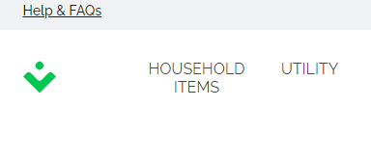

System logo
Administrative
Assigned To | Mr ----------
Assigned At | 24/7/2022
Severity | High
Priority | Critical
Status | Active
Results
Expected Result | User should move to help&faq page
Actual Result | noting happened

Bug Id | #002
Bug Title | Find out more- not taking us anywhere
Reporting Date | 24/7/2022
Reporter | Um-e-Habiba
Test Item | Website( http://demo.vuestorefront.io/)-Header
Test Environment | Microsoft Edge
Description
Step to reproduce | a. open website. b. Click Find out more
Test Data Used | N/A
Screenshot | 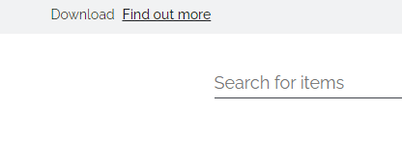

System logo
Administrative
Assigned To | Mr ----------
Assigned At | 24/7/2022
Severity | High
Priority | Critical
Status | Active
Results
Expected Result | User should move to find out more page
Actual Result | noting happened

Bug Id | #003
Bug Title | Footer-About us-Who we are
Reporting Date | 24/7/2022
Reporter | Um-e-Habiba
Test Item | Website( http://demo.vuestorefront.io/)-Footer-About us- who we are
Test Environment | Microsoft Edge
Description
Step to reproduce | a. open website. b. Scroll down to Footer. c. Click Who we are.
Test Data Used | N/A
Screenshot | 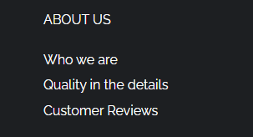

System logo
Administrative
Assigned To | Mr ----------
Assigned At | 24/7/2022
Severity | High
Priority | Critical
Status | Active
Results
Expected Result | We should move to new page describing who we are
Actual Result | noting happened

Bug Id | #004
Bug Title | Footer-About us-Quality in the details
Reporting Date | 24/7/2022
Reporter | Um-e-Habiba
Test Item | Website( http://demo.vuestorefront.io/)-Footer-About us- Quality in the details
Test Environment | Microsoft Edge
Description
Step to reproduce | a. open website. b. Scroll down to Footer. c. Click Quality in the details.
Test Data Used | N/A
Screenshot

System logo
Administrative
Assigned To | Mr ----------
Assigned At | 24/7/2022
Severity | High
Priority | Critical
Status | Active
Results
Expected Result | We should move to new page describing Quality in the details
Actual Result | noting happened

Bug Id | #005
Bug Title | Footer-department- household items
Reporting Date | 24/7/2022
Reporter | Um-e-Habiba
Test Item | Website( http://demo.vuestorefront.io/)-Footer-department-household item
Test Environment | Microsoft Edge
Description
Step to reproduce | a. open website. b. Scroll down to Footer. c. Click household items.
Test Data Used | N/A
Screenshot

System logo
Administrative
Assigned To | Mr ----------
Assigned At | 24/7/2022
Severity | High
Priority | Critical
Status | Active
Results
Expected Result | We should move to page household items
Actual Result | noting happened

Bug Id | #006
Bug Title | Footer-department- Utility
Reporting Date | 24/7/2022
Reporter | Um-e-Habiba
Test Item | Website( http://demo.vuestorefront.io/)-Footer-department-Utility
Test Environment | Microsoft Edge
Description
Step to reproduce | a. open website. b. Scroll down to Footer. c. Click Utility
Test Data Used | N/A
Screenshot

System logo
Administrative
Assigned To | Mr ----------
Assigned At | 24/7/2022
Severity | High
Priority | Critical
Status | Active
Results
Expected Result | We should move to page Utility
Actual Result | noting happened

Bug Id | #007
Bug Title | Footer-Help-customer service
Reporting Date | 24/7/2022
Reporter | Um-e-Habiba
Test Item | Website( http://demo.vuestorefront.io/)-Footer-Help-customer service
Test Environment | Microsoft Edge
Description
Step to reproduce | a. open website. b. Scroll down to Footer. c. Click customer service
Test Data Used | N/A
Screenshot | 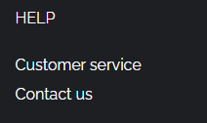

System logo
Administrative
Assigned To | Mr ----------
Assigned At | 24/7/2022
Severity | High
Priority | Critical
Status | Active
Results
Expected Result | We should move to page customer service
Actual Result | noting happened

Bug Id | #008
Bug Title | Footer-Help-Contact Us
Reporting Date | 24/7/2022
Reporter | Um-e-Habiba
Test Item | Website( http://demo.vuestorefront.io/)-Footer-Help-Contact Us
Test Environment | Microsoft Edge
Description
Step to reproduce | a. open website. b. Scroll down to Footer. c. Click Contact Us
Test Data Used | N/A
Screenshot

System logo
Administrative
Assigned To | Mr ----------
Assigned At | 24/7/2022
Severity | High
Priority | Critical
Status | Active
Results
Expected Result | We should move to page contact Us
Actual Result | noting happened

Bug Id | #009
Bug Title | Footer-Payment and dilivery-Purchase item
Reporting Date | 24/7/2022
Reporter | Um-e-Habiba
Test Item | Website( http://demo.vuestorefront.io/)-Footer-Payment and dilivery-Purchase item
Test Environment | Microsoft Edge
Description
Step to reproduce | a. open website. b. Scroll down to Footer. c. Click Purchase item
Test Data Used | N/A
Screenshot | 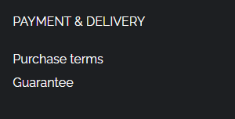

System logo
Administrative
Assigned To | Mr ----------
Assigned At | 24/7/2022
Severity | High
Priority | Critical
Status | Active
Results
Expected Result | We should move to page Purchase item
Actual Result | noting happened

Bug Id | #010
Bug Title | Footer-Payment and dilivery-Guarantee
Reporting Date | 24/7/2022
Reporter | Um-e-Habiba
Test Item | Website( http://demo.vuestorefront.io/)-Footer-Payment and dilivery-Guarantee
Test Environment | Microsoft Edge
Description
Step to reproduce | a. open website. b. Scroll down to Footer. c. Click Guarantee
Test Data Used | N/A
Screenshot

System logo
Administrative
Assigned To | Mr ----------
Assigned At | 24/7/2022
Severity | High
Priority | Critical
Status | Active
Results
Expected Result | We should move to page Guarantee
Actual Result | noting happened

Bug Id | #011
Bug Title | items in wishlist
Reporting Date | 24/7/2022
Reporter | Um-e-Habiba
Test Item | Website( http://demo.vuestorefront.io/)-wishlist-items
Test Environment | Microsoft Edge
Description
Step to reproduce | a. open website. b. click om heart symbol c. My Wishlist appear d. click on any item
Test Data Used | N/A
Screenshot | 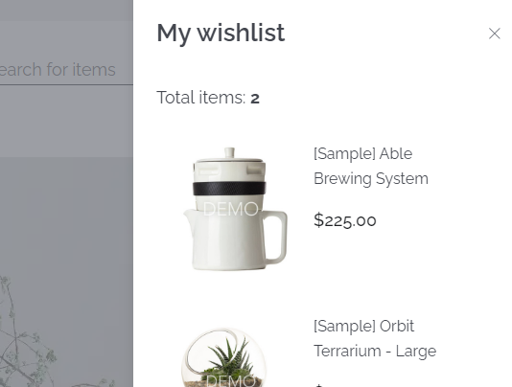

System logo
Administrative
Assigned To | Mr ----------
Assigned At | 24/7/2022
Severity | High
Priority | Critical
Status | Active
Results
Expected Result | We should move to item detail page
Actual Result | noting happened

Bug Id | #012
Bug Title | items in my cart
Reporting Date | 24/7/2022
Reporter | Um-e-Habiba
Test Item | Website( http://demo.vuestorefront.io/)-mycart-items
Test Environment | Microsoft Edge
Description
Step to reproduce | a. open website. b. click on cart symbol c. my cart appear d. click on any item.
Test Data Used | N/A
Screenshot | 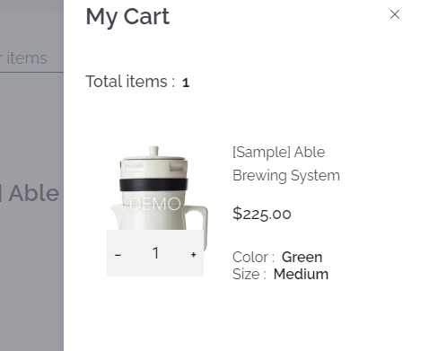

System logo
Administrative
Assigned To | Mr ----------
Assigned At | 24/7/2022
Severity | High
Priority | Critical
Status | Active
Results
Expected Result | We should move to item detail page
Actual Result | noting happened

Bug Id | #013
Bug Title | Adding reviews
Reporting Date | 24/7/2022
Reporter | Um-e-Habiba
Test Item | Website( http://demo.vuestorefront.io/)-items-reviews-add reviews
Test Environment | Microsoft Edge
Description
Step to reproduce | a. open website. b. click on any categories c.click on an item d. clic
Test Data Used | N/A
Screenshot

System logo
Administrative
Assigned To | Mr ----------
Assigned At | 24/7/2022
Severity | High
Priority | Critical
Status | Active
Results
Expected Result | We should move to item detail page
Actual Result | noting happened

