National
National
4th December 2018 awards
Number of Grants: 2237
Total Awarded: £78,589,387
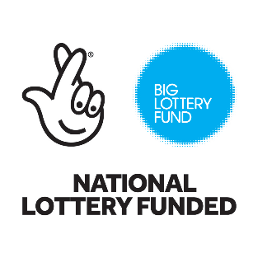
Organisation | Project Title | Press Summary | Local Authority | Constituency | Region | Amount awarded
...

