Sheet1
 |  | Importance Difficulty Matrix

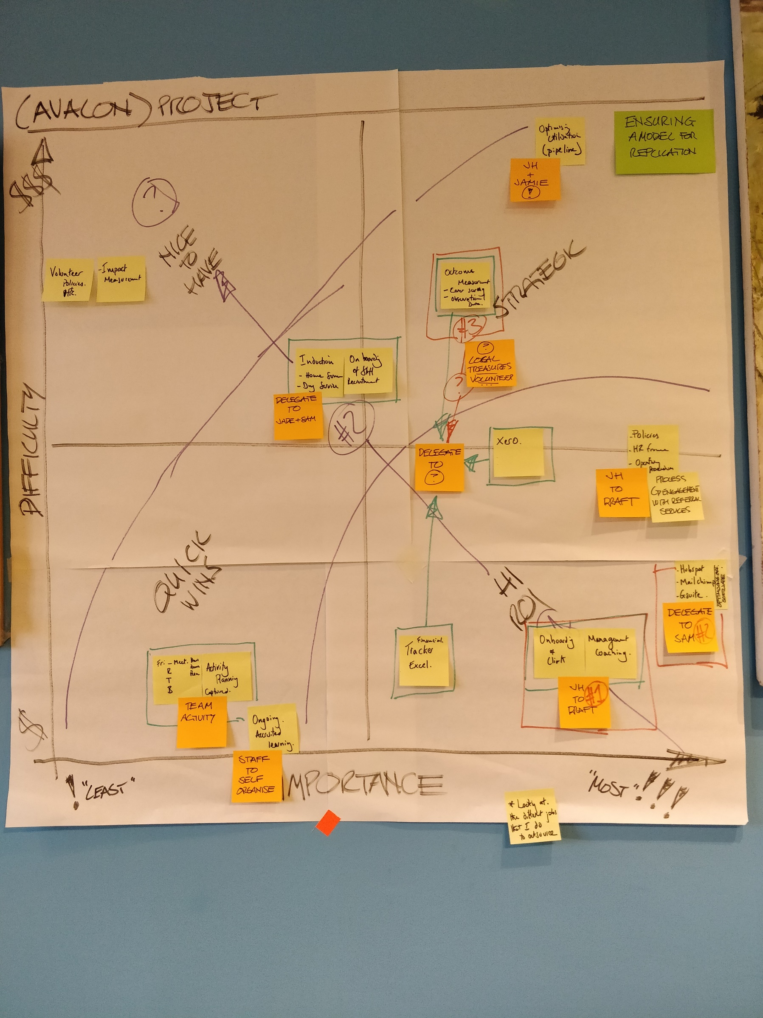
High |  |  |  | Key: |  | Example:
 |  |  |  |  | Quick Wins
 |  |  |  |  | Nice to have
Difficulty/cost |  |  |  |  | Strategic
 |  |  |  |  | High return on investment

Low
 | Low | Importance/Impact | High

