Sheet1
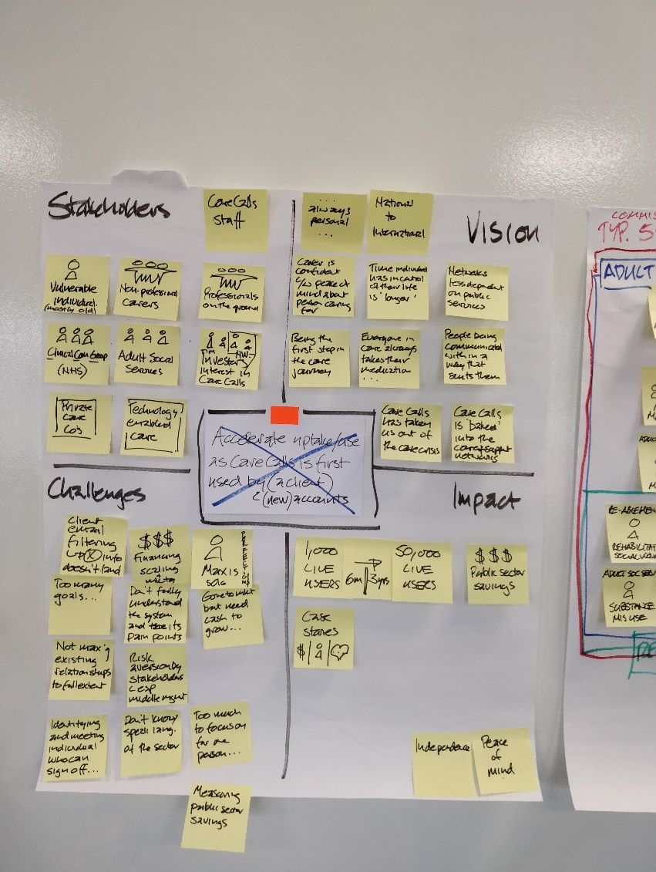
People |  | Vision

 | Ambition

Challenges |  | Impact

