My Guitars and Basses
Item | Shop Listing | Final NIS | Final Eur | Image
Cort KX707 Evertune Open Pore Black | €856.30 | ₪5,153.50 | €1,252.57 | 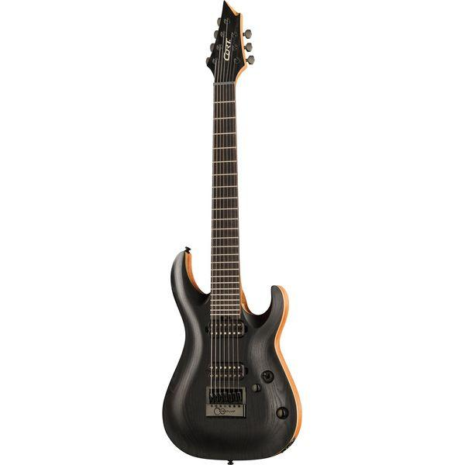 | 46.28%
Harley Benton Baritone-7 SBK | €209.24 | ₪1,331.58 | €358.58 | 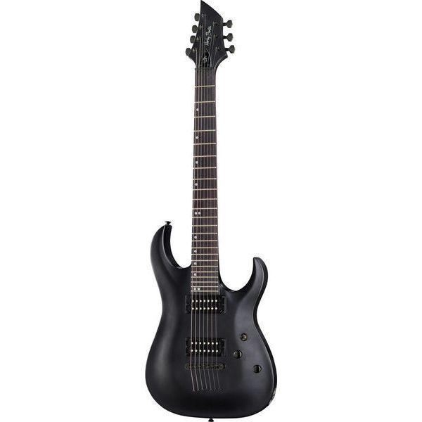 | 71.37%
Ibanez SRF705-BBF | €915.13 | ₪5,032.46 | €1,279.22 | 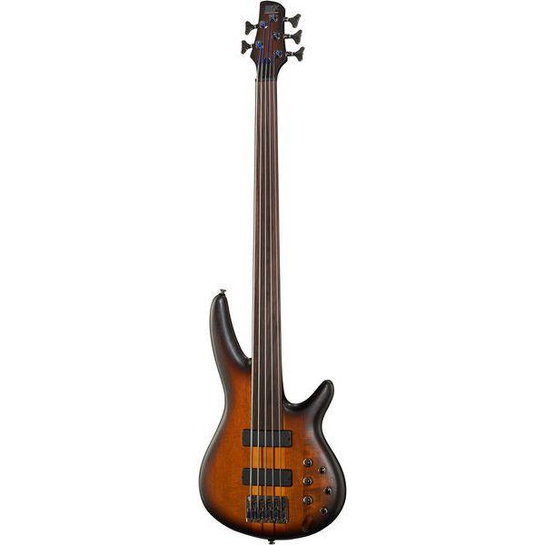 | 39.79%
Harley Benton HBZ-2005FL NT Deluxe Series | €268.07 | ₪1,121.96 | €311.42 | 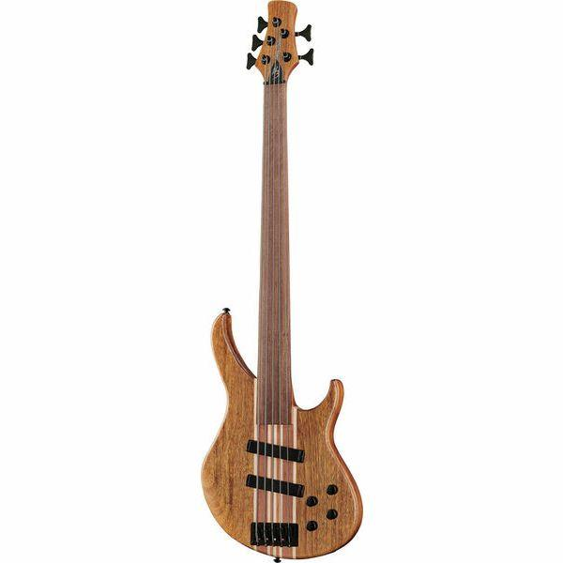 | 16.17%
Harley Benton Aeolus Frost Flame | €335.29 | ₪1,451.41 | €402.72 | 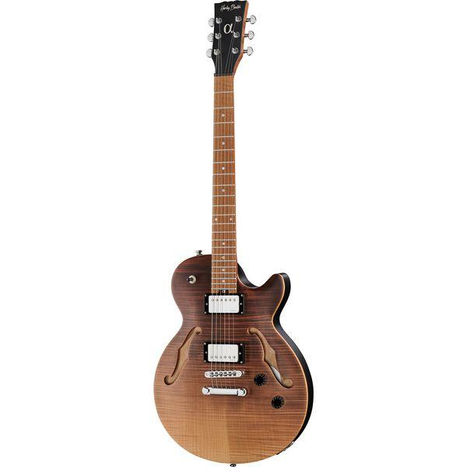 | 20.11%
Harley Benton CST-24HB TOL Tobacco Flame | €232.11 | ₪956.43 | €272.01 | 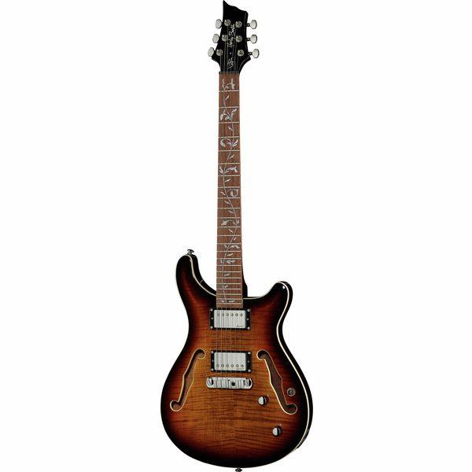 | 17.19%
Harley Benton CG300CE NT | €74.04 | ₪364.81 | €93.37 | 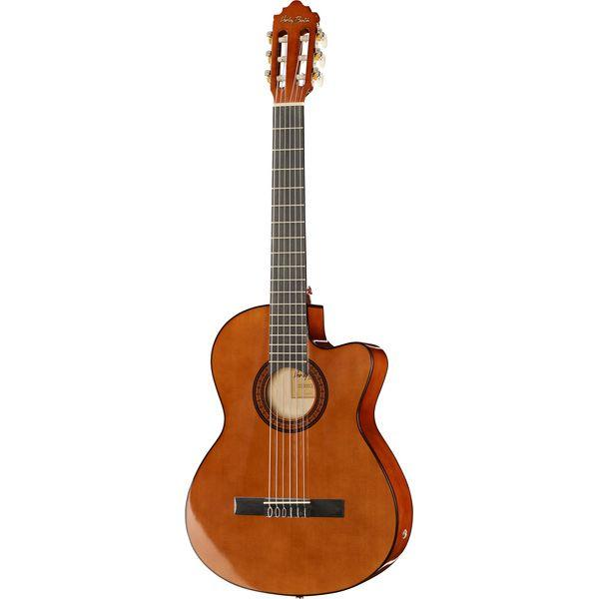 | 26.11%

