(Mandatory) Data Usage - Tablea
Dear developer, Please note that this Excel contains multiple sheets. Fill in all the sheets. Otherwise, it will take longer for your application to be reviewed. Thanks
Data Usage
No. | Scope | Data Usage | (Optional) In-app Screenshot
1 | List the data scope you want to apply for (one scope per line). Example: Reads heart rate data | 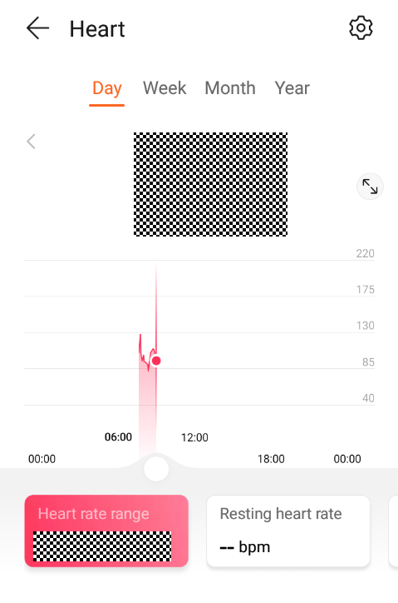 Describe your data usage requirements, whether your app reads real-time data and runs on iOS devices, client type, and whether it is for commercial use or for demonstration. We need this information to determine whether your application is valid. Example: Requirements: Read historical heart rate data by day, week, month, and year. iOS support: not required Client type: a standalone app, WeChat mini program, and web page. Client usage: The client is for commercial use, and is scheduled to be released since October 30, 2020. Data usage scenario: The data will be used to generate heart rate statistics so users can better understand their heart health.
Note: Complete all of the seven sheets before you submit the file. | Data scope : | Data Usage
 | Heart rate data | Data usage requirements :
 | Stress rate | App reads real-time data ? Yes
 | Sleeping data | App runs on iOS devices ? Not required
 | Saturation | Client type : application using data from Huawei API
 | Weight | Client usage : commercial use, no release date yet
 | Blood pressure | Data usage scenario : the data will be used to evaluate and monitor health data

(Mandatory) Authorization&Path
User Authorization and Data Display Paths
No. | Scope | Path | Screenshot
1 | Describe information about user authorization. Example: Path that users go through to authorize your app | Provide the path that users go through to authorize your app. You can also provide supplementary screenshots. Example: In the Huawei Health app, go to Me > Privacy management > Data sharing and authorization. | 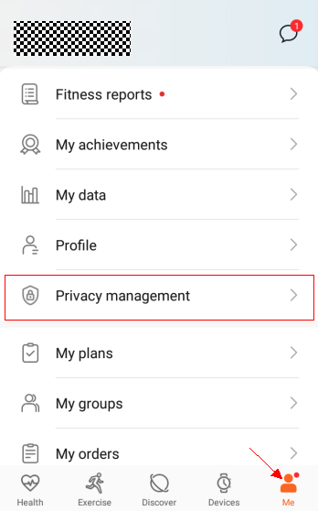 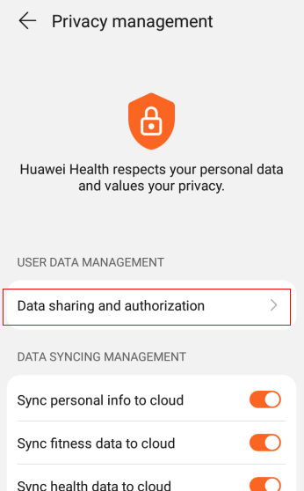 Example: in Huawei Health
2 | List the data scopes you request from users (one scope per line). Example: Reads heart rate data | Provide the path that users go through to view the data obtained. You can also provide supplementary screenshots. Example: In the Huawei Health app, go to Health > Heart. | 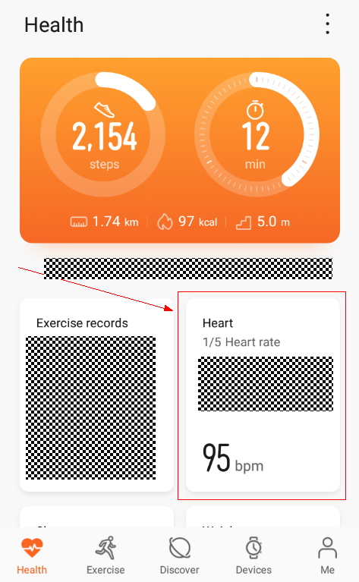 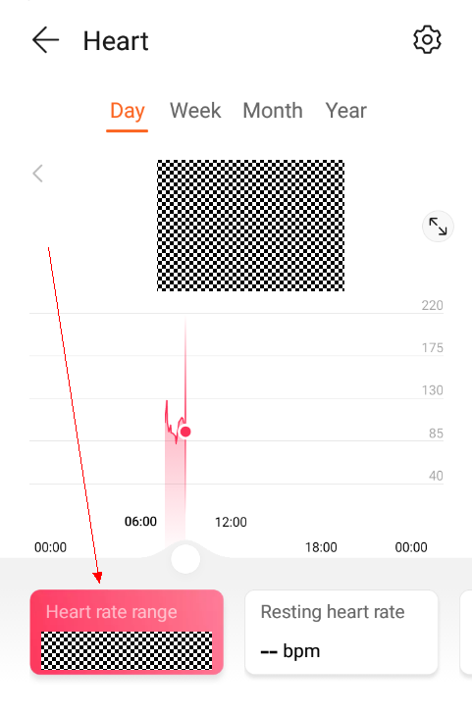 Example: in Huawei Health

 | Path that users go through to authorize your app | HOME > PARAMÈTRES > DONNÉES PERSONNELLES | This application is currently being developed (no screenshots yet)
 | Dashboard containing a list of various data (Heart rate, SpO2, sleep, stress, blood pressure and weight ) collected from user | HOME > DASHBOARD | This application is currently being developed (no screenshots yet)

(Mandatory) Business License -
Please find below the KBIS (French certificate for businesses attesting the company is legally registered).

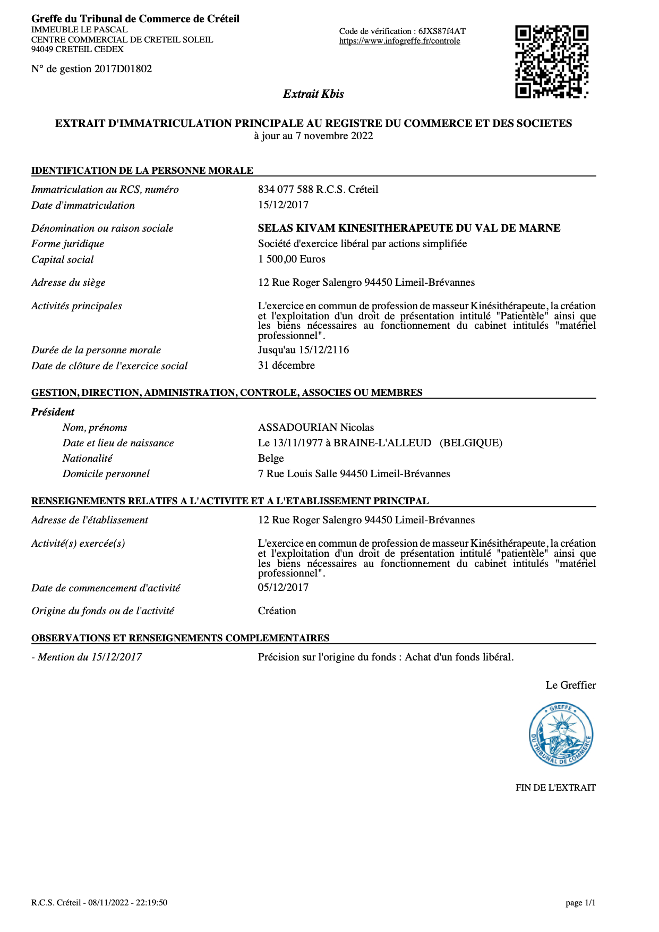
Caption

