Task 1
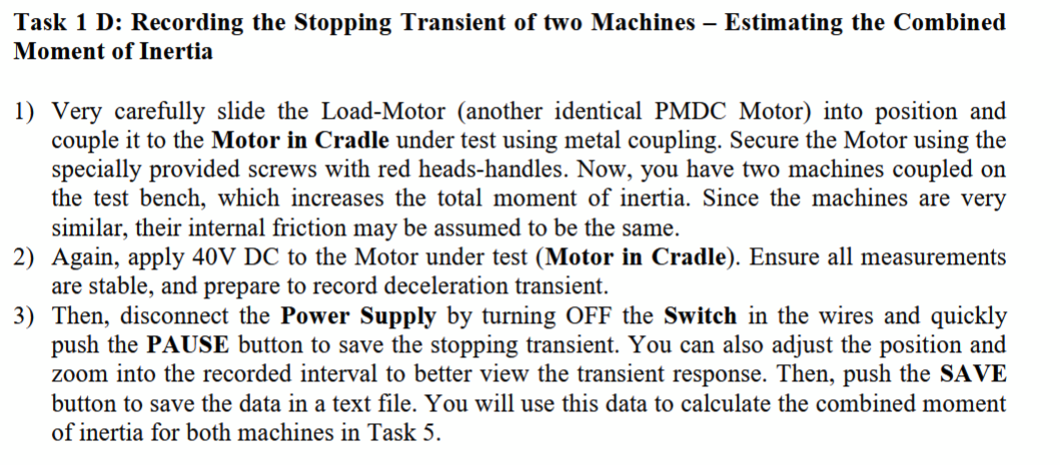
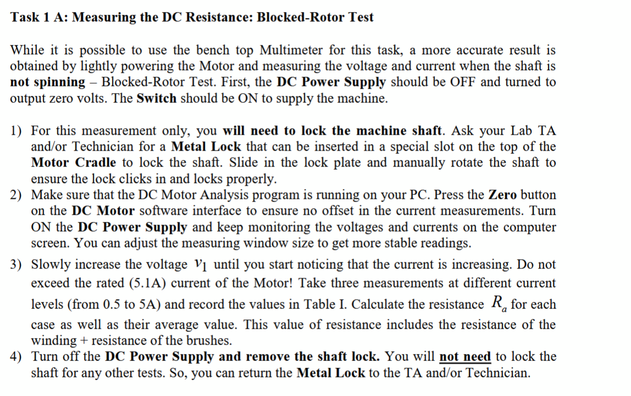
RPM to Rad/s | 0.1047197551

 | Task 1A | Armeture + Brush Resistance
 | V1 [V] |  |  | I1 [A] |  |  | Calculate Ra [Ohms]
 | 0.92 | 0.33 | 2.8 | 1.5 | 0.52 | 4.56 | 0.6133333333 | 0.6346153846 | 0.6140350877
 | Average |  |  |  |  |  |  |  | 0.6206612686
 | Task 1B | No Load Measurement
 | Measurement | 1 | 2 | 3 | 4 | 5 | 6
 | V1(ave) [V] | 5.05 | 9.91 | 15.12 | 20.06 | 25.02 | 30 | 35.06 | 40.4
 | I1(ave) [A] | 0.72 | 0.83 | 0.91 | 0.97 | 1.01 | 1.03 | 1.04 | 1.03
 | n1 (ave) [RPM] | 188 | 380 | 600 | 802 | 1014 | 1222 | 1435 | 1663
 | calculation
 | kt [V*sec/rad] | 0.2338116767 | 0.2360900526 | 0.2316531748 | 0.231683064 | 0.2297211571 | 0.2294387992 | 0.2290135084 | 0.22831443
 | Average kt | 0.2312157329
 | Tfric [Nm] | 0.1664753277 | 0.1919090583 | 0.2104063169 | 0.2242792609 | 0.2335278902 | 0.2381522048 | 0.2404643622 | 0.2381522048

