M6.2 - Pivot chart
 | Sum of matches_played | Sum of goals | Average of possesion
1995 | 3 | 3
1999 | 3 | 3
2003 | 3 | 3 | 49
2007 | 4 | 9 | 48.3
2011 | 4 | 6 | 53.5
2015 | 5 | 5 | 46.2
2019 | 4 | 8 | 61.3
squad | Australia

Row Labels | Sum of matches_played | Sum of goals | Average of possesion
1995 | 3 | 3
1999 | 3 | 3
2003 | 3 | 3 | 49
2007 | 4 | 9 | 48.3
2011 | 4 | 6 | 53.5
2015 | 5 | 5 | 46.2
2019 | 4 | 8 | 61.3
Grand Total | 26 | 37 | 51.66

M6.6 Macros and VBA
Record a macro |  |  |  | Buttons in macro | Editing a macro |  |  |  | Writing VBA: Conditioning |  | Writing VBA: Loop
 |  |  |  |  |  |  |  |  |  |  |  | For Loop
Loss ratios | NSW | VIC | ACT |  | Loss ratios | NSW | VIC | ACT | Month | Profit | Example: Print numbers from 1 to k, each number n times |  | While loop version of the previous example.
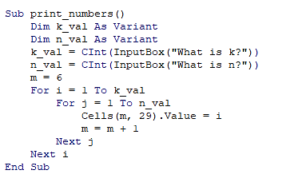
Motor | 0.929 | 0.765 | 0.941 | Try clicking this button! | Motor | 0.929 | 0.765 | 0.941 | Jan | 624
recorded_example1
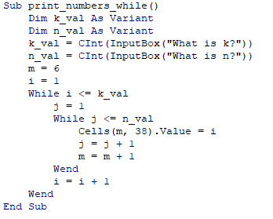
Liability | 0.612 | 0.761 | 1.093 |  | Liability | 0.612 | 0.761 | 1.093 | Feb | 390
Life | 0.871 | 0.928 | 0.659 |  | Life | 0.871 | 0.928 | 0.659 | Mar | 1000
Property | 1.049 | 0.675 | 0.967 |  | Property | 1.049 | 0.675 | 0.967 | Apr | 250
 |  |  |  | And this shape! |  |  |  |  | May | 439
Try running recorded_example1 here! |  |  |  |  | Click on any cell between M5:P8. Run recorded_example1_edit. |  |  |  | Jun | 109
 |  |  |  |  | We added new lines, where the font size of the row you selected increases. |  |  |  | Jul | 530
 |  |  |  |  |  |  |  |  | Aug | 123
Absolute and relative references in macro |  |  |  |  |  |  |  |  | Sep | 5345
 |  |  |  |  |  |  |  |  | Oct | 312
Month | Profit |  | Try Here |  | Added the following lines: |  |  |  | Nov | 98
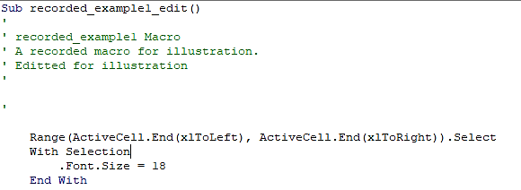
Jan | 624 |  |  |  |  |  |  |  | Dec | 672
Feb | 390
Mar | 1000 |  |  |  |  |  |  |  | Click on any values under profit and press the button.
Apr | 250 |  |  |  |  |  |  |  | Here we have three situations with conditioning.
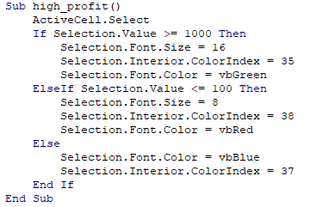
May | 439
Jun | 109
Jul | 530
Aug | 123
Sep | 5345
Oct | 312
Nov | 98
Dec | 672

Run recorded_absolute_example.

Undo everything, select another cell outside the table and run it again. What happens?
(You can clear all formatting by Home -> Editing -> Clear -> Clear all formatting)

Now click on cell B15 and run recorded_relative example.
Click on cell E15 and run it again. What happens?

This example shows the difference between absolute and relative referencing in recorded macro.

