Graph Under 5
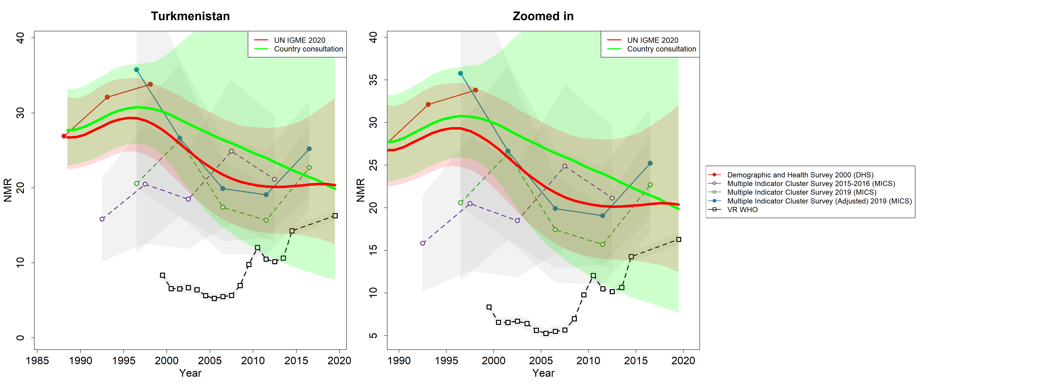
Estimates for child mortality indicators for UN IGME
Under-5 mortality rates (U5MR), infant mortality rates (IMR) and neonatal mortality rates (NMR): time series to 2019
 | Turkmenistan

Under-5 mortality rate estimates and empirical data
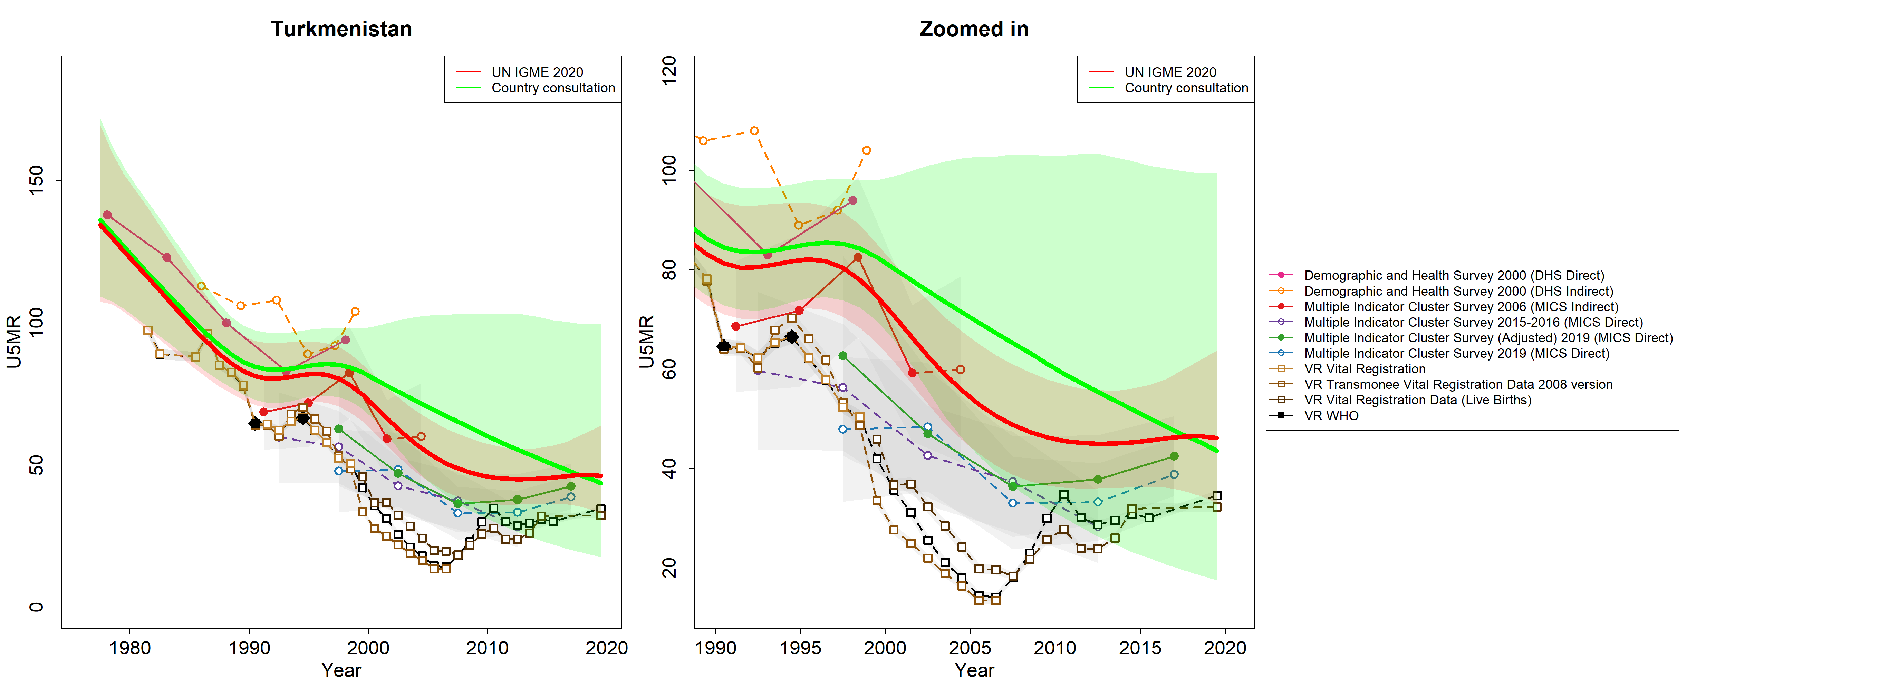

Male under-5 mortality rate estimates and empirical data
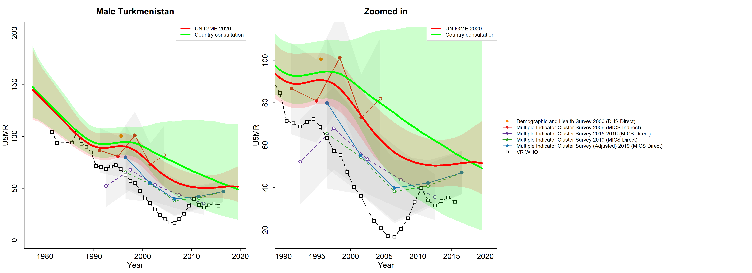

Female under-5 mortality rate estimates and empirical data
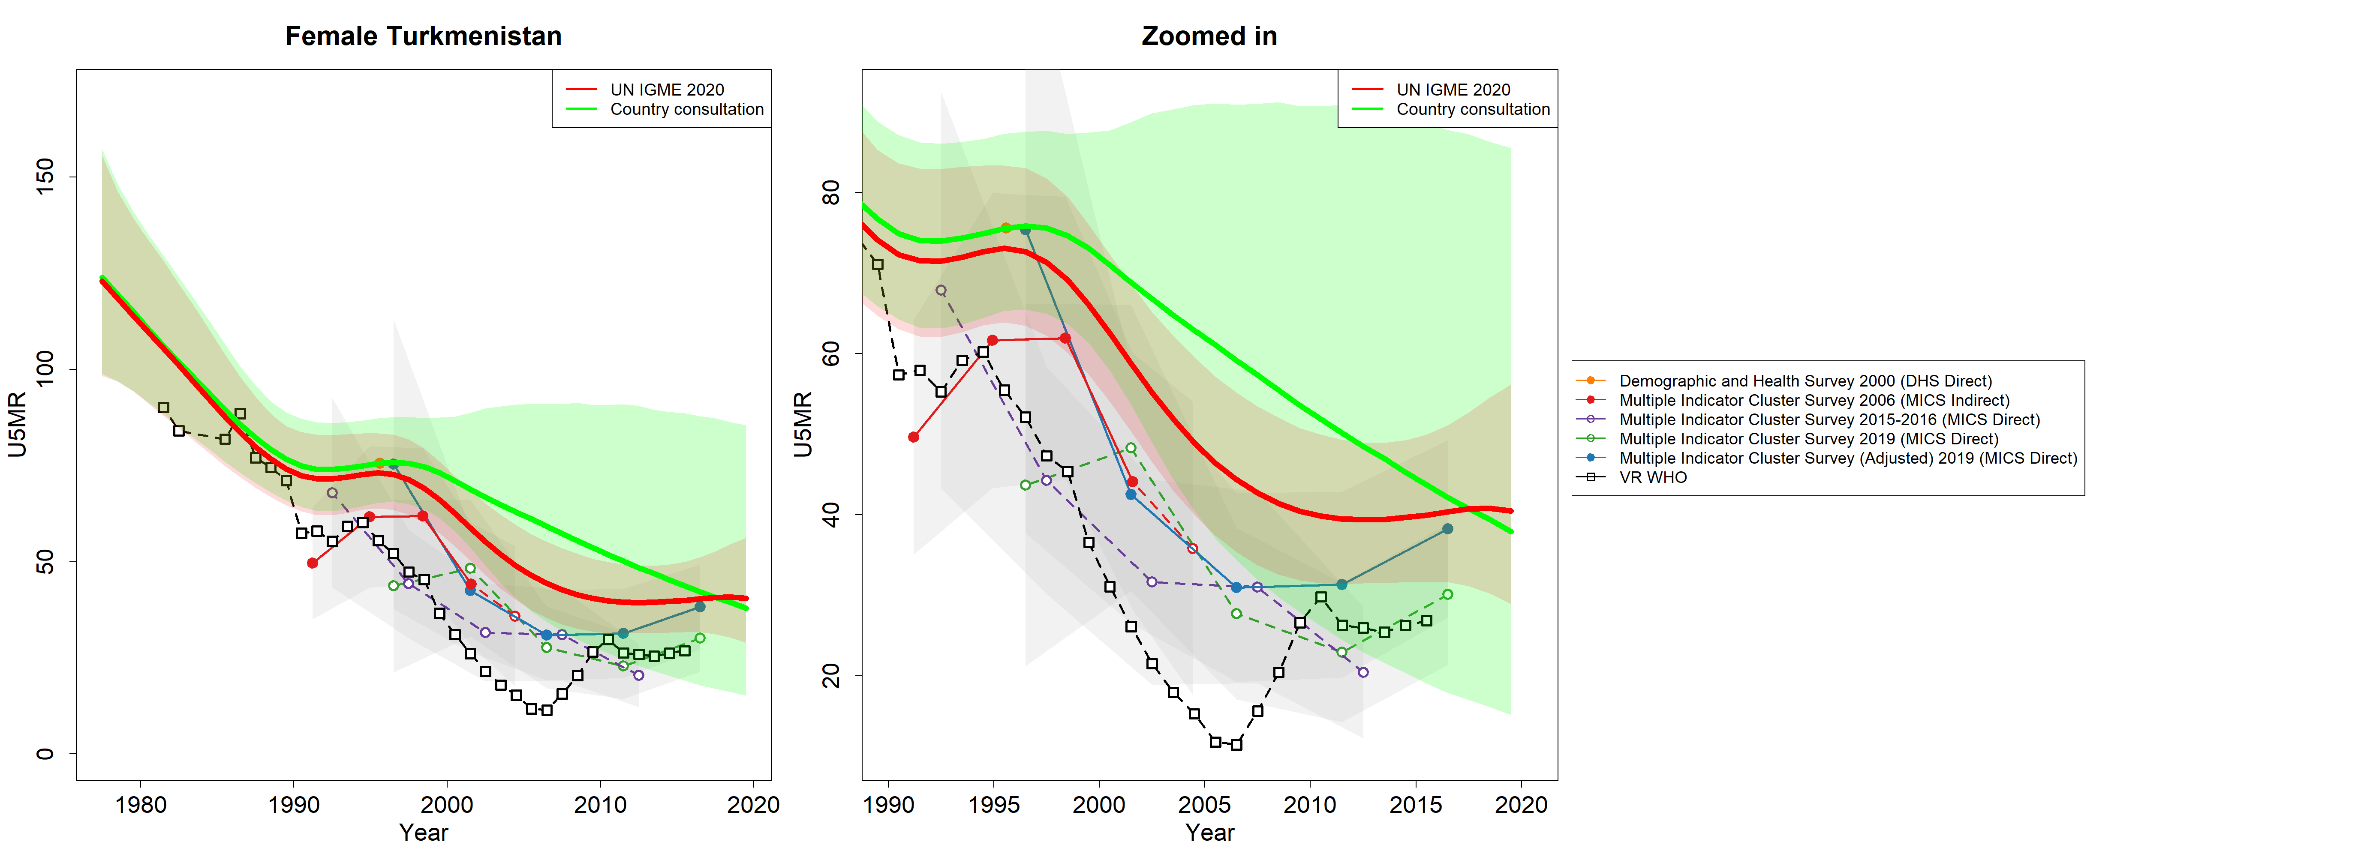

Infant mortality rate estimates and empirical data
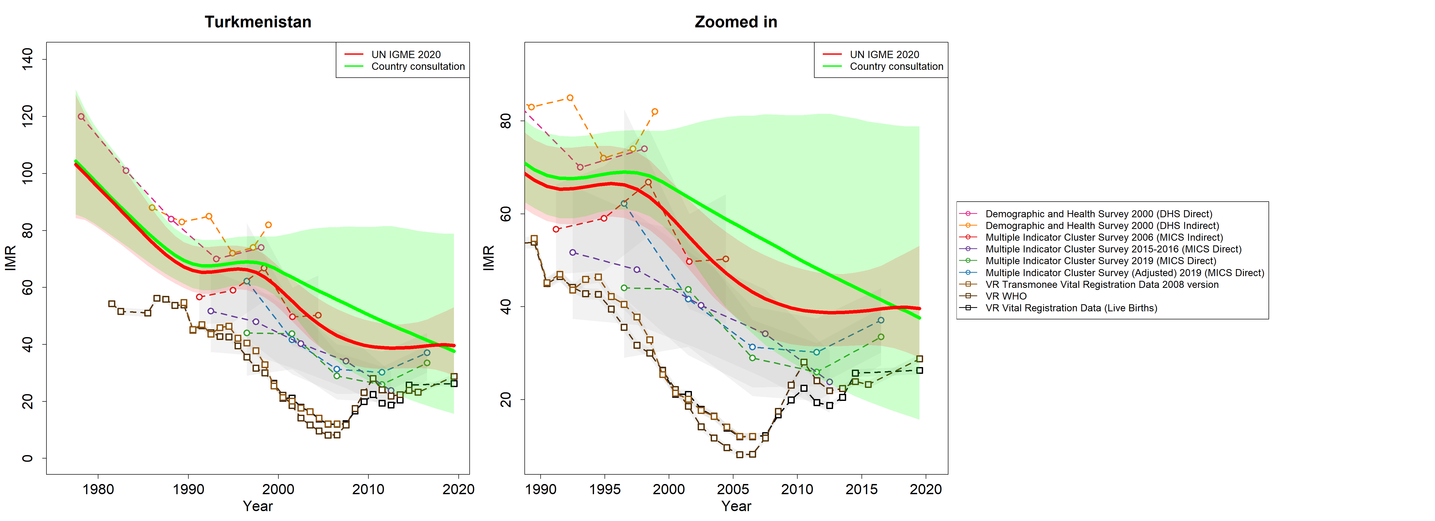

Male infant mortality rate estimates and empirical data
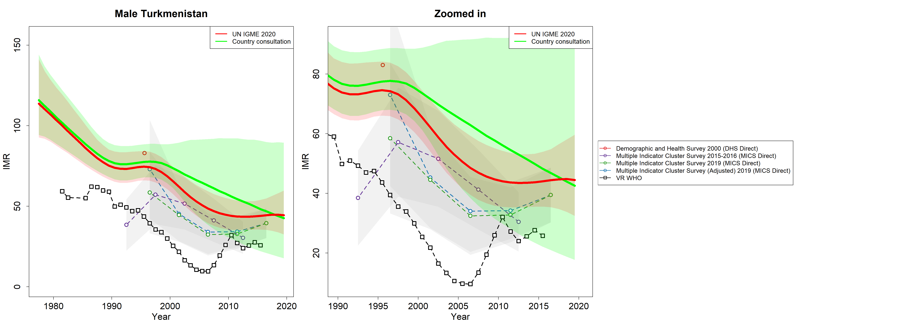

Female infant mortality rate estimates and empirical data
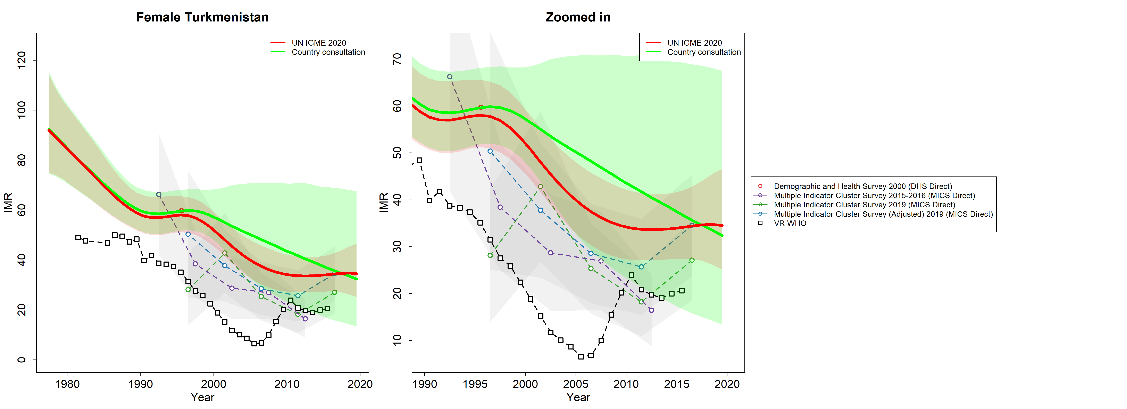

Neonatal mortality rate estimates and empirical data

Graph 5–24
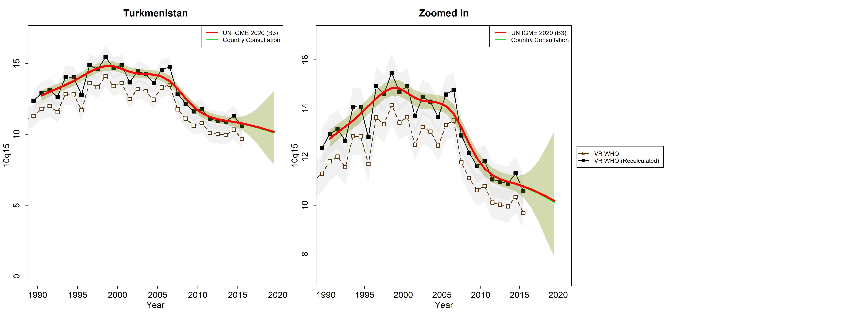
Estimates for child and youth mortality indicators for UN IGME
Mortality for 5–14 year-olds (10q5) and mortality for 15–24 year-olds (10q15): time series to 2019
 | Turkmenistan

Mortality estimates and empirical data for 5–14 year-olds
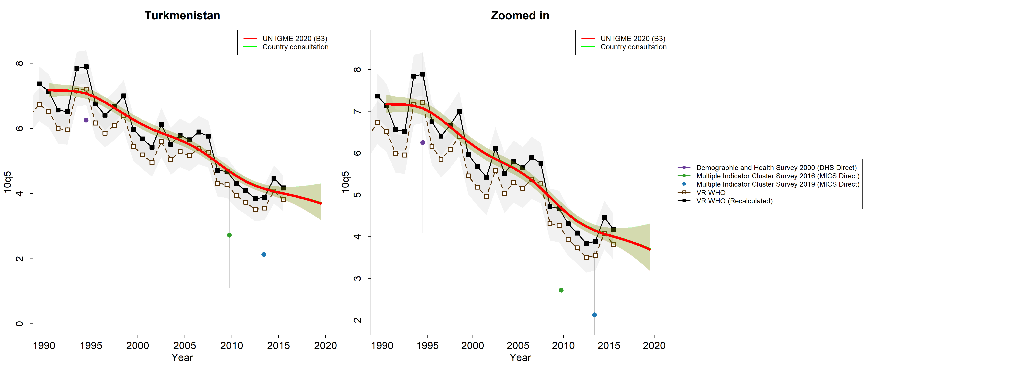

Mortality estimates and empirical data for 15–24 year-olds

