Graph Under 5
TKM
Estimates for child mortality indicators for UN IGME
Under-5 mortality rates (U5MR), infant mortality rates (IMR) and neonatal mortality rates (NMR): time series to 2019
Turkmenistan

Under-5 mortality rate estimates and empirical data

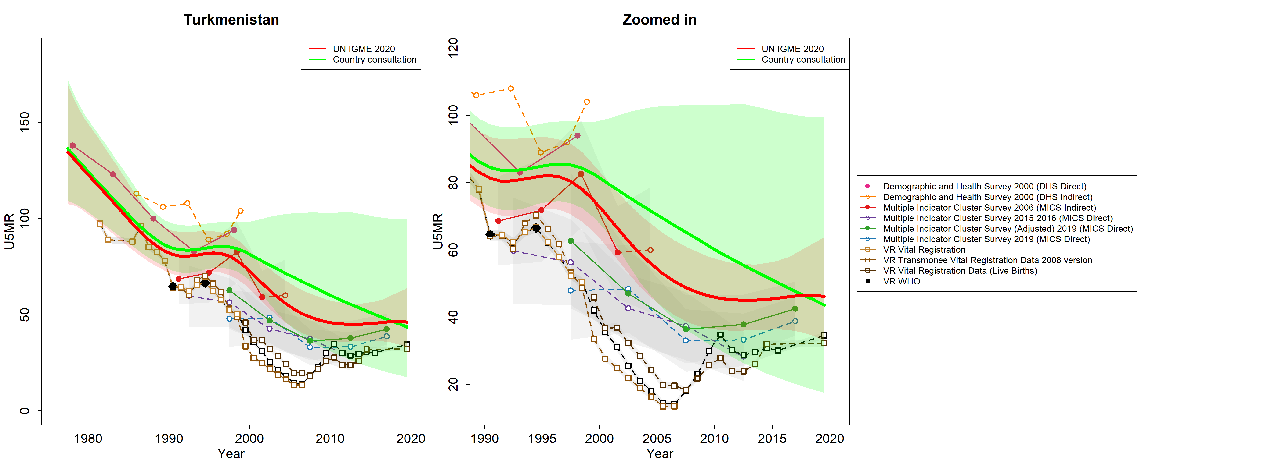

Male under-5 mortality rate estimates and empirical data



Female under-5 mortality rate estimates and empirical data

Infant mortality rate estimates and empirical data



Male infant mortality rate estimates and empirical data

Female infant mortality rate estimates and empirical data



Neonatal mortality rate estimates and empirical data

Graph 5–24
TKM
Estimates for child and youth mortality indicators for UN IGME
Mortality for 5–14 year-olds (10q5) and mortality for 15–24 year-olds (10q15): time series to 2019
Turkmenistan


Mortality estimates and empirical data for 5–14 year-olds


Mortality estimates and empirical data for 15–24 year-olds

