AT
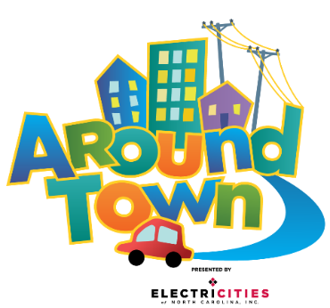

Around Town

Monday | Stay & Spray
10:30 to 11:30 Learn & Play 3:45 to 4:30 Disinfect & Prop Swap | • Spray all touchable hard surfaces and props. Lifting props when necessary to spray all sides. • Start in the grocery and kitchen areas • Spray items in bins, shuffle around, spray again • Leave spray to sit for 10 minutes to disinfect properly. • Restage props and wipe damp areas as needed.

Tuesday
9:00 to 10:00 Learn & Play 3:00 to 3:45 Disinfect & Prop Swap

Wednesday
12:45 to 1:30 Disinfect & Prop Swap

Thursday
12:00 to 12:45 Disinfect & Prop Swap

Friday
12:45 to 1:30 Disinfect & Prop Swap

Saturday & Sunday
11:30 to 12:15 Disinfect & Prop Swap

Pull & Swap
• Collect soft props & costumes in laundry baskets (leave hard props staged for spray) - All costumes & aprons - All plush animals & cushions - On the Farm hay bales - Ready Set School nugget couch - All fabric props- baby blanks, onesies, diapers and bandages • Reset and stage clean props. • Park cart full of dirty things along rail to pit in Beehive.

 |  | Area | Dishwasher Pull list | Day | Dishwasher Tray
 |  | Pet Vet | Food Bowls | Monday | Pronged
 |  |  | Syringes | Monday | Flat
 |  |  | Tweezers | Monday | Flat
 |  |  | Combs | Monday | Flat
 |  | Ambulance | Babies | Monday | Flat
 |  | RSS | Light Table Pieces | Monday | Flat
 |  |  | Sensory Table Pieces | Monday | Flat
 |  | Kitchen | Plates | Monday | Pronged
 |  |  | Cutting Boards | Monday | Pronged
 |  |  | Ice Cube Trays | Monday | Pronged
 |  |  | Cooking Sheets | Monday | Pronged
 |  |  | Cooking Untensils | Monday | Flat
 |  |  | Pots/Pans | Monday | Flat
 |  |  | Bowls | Monday | Flat
 |  |  | Flour/Sugar bins | Monday | Flat
 |  | Grocery Store | Plastic Protiens | Monday | Flat
 |  |  | Plastic Veggies | Monday | Flat
 |  |  | Plastic Grains | Monday | Flat
 |  |  | Plastic Fruits | Monday | Flat
 |  | On the Farm | Scoops | Monday | Flat
 |  |  | Eggs | Monday | Flat
 |  |  | Red Combs | Monday | Flat
 |  |  | Mini Farm Animals | Monday | Flat

TH
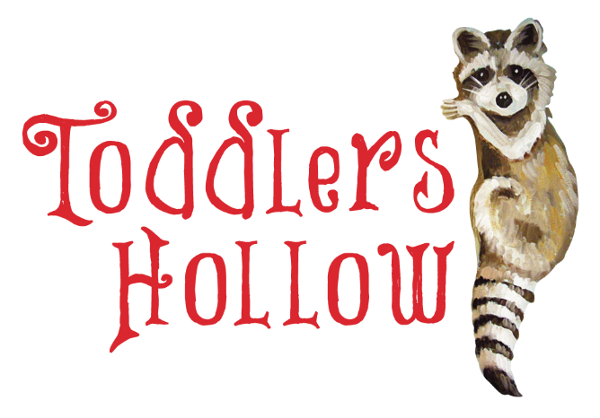

TH

Monday

Tuesday

Wednesday | Stay & Spray
12:15 to 12:45 Wipe down 3:00 to 3:45 Disinfect & Prop Swap
 | • Spray all touchable hard surfaces and props. Lifting props when necessary to spray all sides. - Peekaboo doors and sensory patches on walls - Vinyl stairs, railings, nest disk • Leave for 10 minutes to disinfect properly. • Restage props and wipe damp areas as needed.
Thursday
12:15 to 12:45 Wipe down 3:00 to 3:45 Disinfect & Prop Swap

Friday
12:15 to 12:45 Wipe down 3:00 to 3:45 Disinfect & Prop Swap

Saturday & Sunday
10:45 to 11:30 Disinfect & Prop Swap 2:15 to 2:45 Wipe down

Pull & Swap
• Collect plush, soft props and costumes in laundry baskets (leave hard props staged for spray). - Plush animals - Costumes • Reset and stage clean props in respective areas. • Park cart full of dirty items in Beehive along rail to pit

PZ


PZ

Monday | Stay & Spray
 | • Spray Elephant and her blanket

Tuesday

Wednesday
12:15 to 12:45 Wipe down 3:00 to 3:45 Disinfect & Prop Swap

Thursday
12:15 to 12:45 Wipe down 3:00 to 3:45 Disinfect & Prop Swap

Friday
12:15 to 12:45 Wipe down 3:00 to 3:45 Disinfect & Prop Swap

Saturday & Sunday
10:45 to 11:30 Disinfect & Prop Swap 2:15 to 2:45 Wipe down

Pull & Swap
• Collect all hard props - Clubs - Balls - Obstacles, Ramps, & Holes • Reset and stage clean props in respective areas. * Park cart full of dirty items in Beehive along rail to pit

HTT


HTT

Monday

Tuesday

Wednesday
12:00 to 12:45 Disinfect & Prop Swap | Stay & Spray

Thursday | • Spray all touchable hard surfaces and props. Lifting props when necessary to spray all sides. - Plastic props like canteens & kayaks, tents, benches - Enamel plates & bowls • Leave for 10 minutes to disinfect properly. • Restage props and wipe damp areas as needed.
9:00 to 10:00 Learn & Play 10:00 to 10:15 Prop Swap While Open 1:00 to 1:30 Wipe down

Friday
12:00 to 12:45 Disinfect & Prop Swap

Saturday & Sunday
10:00 to 10:45 Disinfect & Prop Swap 1:15 to 1:45 Wipe down

Pull & Swap
• Collect plush, soft props and costumes in laundry baskets (leave hard props staged for spray). - Plush animals - Ranger vests and costumes • Reset and stage clean props in respective areas. • Park cart full of dirty items in Beehive along rail to pit

 |  | Area | Dishwasher Pull list | Day | Dishwasher Tray
 |  | Hit the Trail | Blue dishes | Thursday | Pronged

SPL
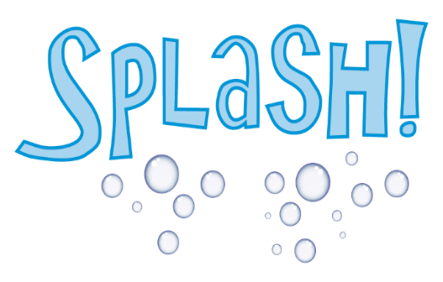

Splash

Monday | Stay & Spray
 | • Spray all touchable hard surfaces and props. Lifting props when necessary to spray all sides. - Plastic props like bottles and test tubes - Sea Shapes life vests, animals, props - All Seedlings props - LEAVE water table toys, they continually disinfect in chlorine • Let spray sit for 10 minutes to disinfect properly. • Restage props and wipe damp areas as needed.

Tuesday

Wednesday
1:45 to 2:15 Wipe down 11:15 to 12:00 Disinfect & Prop Swap

Thursday
9:45 to 10:00 Prop Swap While Open 10:00 to 10:30 Closed to Public 10:30 to 11:30 Learn & Play 2:30 to 3:00 Wipe down

Friday
9:00 to 10:00 Learn & Play 10:00 to 10:15 Prop Swap While Open 1:00 to 1:30 Wipe down

Saturday & Sunday
12:15 to 1:00 Disinfect & Prop Swap

Pull & Swap
• Collect plush, soft props and costumes in laundry baskets (leave hard props staged for spray). - Water table aprons, plus costumes from UTW, sub, and ship - Plush sea cushions - Plush sea animals - Parrots - Provisions bags (Millit, flour, etc) • Reset and stage clean props in respective areas. • Park cart full of dirty items in Beehive along rail to pit

 |  | Area | Dishwasher Pull list | Day | Dishwasher Tray

KG+RPW
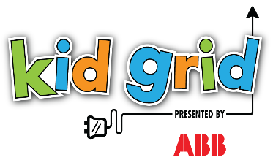 | 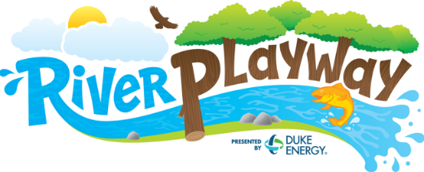

Kid Grid

Monday |  | Stay & Spray
 |  | • Spray all touchable hard surfaces and props. Lifting props when necessary to spray all sides. - Inside of climbers (KG & RPW) - Ranger Desk, open drawers, phone, book - Beaver Dam draping vines - RPW Slide and slide grab bar - KG Pucks, puck buckets • Let spray sit for 10 minutes to disinfect properly. • Restage props and wipe damp areas as needed.

Tuesday

Wednesday
9:00 to 10:00 Learn & Play 10:00 to 10:15 Prop Swap While Open 1:00 to 1:30 Wipe down

Thursday
11:15 to 11:45 Wipe down 2:15 to 3:00 Disinfect & Prop Swap

Friday
11:15 to 12:00 Disinfect & Prop Swap 1:45 to 2:15 Wipe down

Saturday & Sunday
12:30 to 1:00 Wipe down 3:15 to 4:00 Disinfect & Prop Swap

Pull & Swap
• Collect soft props and costumes in laundry baskets (leave hard props staged for spray). - Kid Grid Vests - RPW Beaver Costumes - RPW Logs • Reset and stage clean props in respective areas. • Park cart full of dirty items in Beehive along rail to pit

P2P+STM
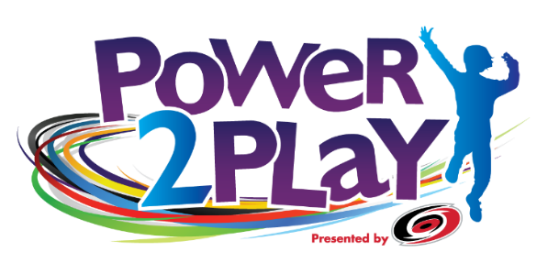 |  | 

 | P2P & STEMosphere

 | Monday | Stay & Spray
 |  | • Spray all touchable hard surfaces and props. Lifting props when necessary to spray all sides. • Don't forget: - Hockey sticks and pucks (spread on top of goal, spray all sides) - Tumble & Twirl pom-poms & tutus - Chair Lift ropes and seatbelts - All buttons - Spray, shuffle, spray food in bins • Let spray sit for 10 minutes to disinfect properly. • Restage props and wipe damp areas as needed.

 | Tuesday

 | Wednesday
 | 9:45 to 10:00 Prop Swap While Open 10:00 to 10:30 Closed to Public 10:30 to 11:30 Learn & Play 2:30 to 3:00 Wipe down

 | Thursday
 | 1:30 to 2:15 Disinfect & Prop Swap

 | Friday
 | 11:15 to 11:45 Wipe down 2:15 to 3:00 Disinfect & Prop Swap

 | Saturday & Sunday
 | 11:30 to 12:00 Wipe down 2:30 to 3:15 Disinfect & Prop Swap

 | Pull & Swap
 | • Collect soft props and costumes in laundry baskets (leave hard props staged for spray). - P2P hockey jerseys and pads - P2P dirty sock bag from top half of sock dispenser - STEMosphere Aerial Antics scarves & parachutes • Load clean socks into bottom half of sock dispenser • Reset and stage clean props in respective areas • Park cart full of dirty items in Beehive along rail to pit

IW+AL
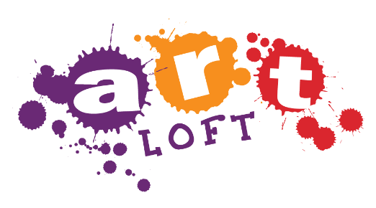

Ideaworks & Art Loft | Ideaworks & Art Loft

Monday |  | Stay & Spray
 |  | • Spray all touchable hard surfaces and props. Lifting props when necessary to spray all sides. • Stir-and-spray bins of material and fabric. • Spray Manequins and stage • Restage props and wipe damp areas as needed.

Tuesday

Wednesday
11:15 to 11:45 Wipe down 2:15 to 3:00 Disinfect & Prop Swap

Thursday
11:15 to 12:00 Disinfect & Prop Swap 1:45 to 2:15 Wipe down
 |  | Giant Lego Bricks
 |  | • There are multiple carts of bricks, extras are kept in Think Tank, and bricks are cleaned in Think Tank. • Bricks must be dumped, arranged on floor right-side-up, sprayed, allowed to sit 10 min, flipped upsidedown, sprayed, loaded back into cart, marked as "clean".
Friday
9:45 to 10:00 Prop Swap While Open 10:00 to 10:30 Closed to Public 10:30 to 11:30 Learn & Play 2:30 to 3:00 Wipe down

Saturday & Sunday
1:45 to 2:30 Disinfect & Prop Swap

Pull & Swap
• Collect props to be cleaned behind the scenes - Aprons in mesh bag - Bricks in rolling bin and swap with clean bin from Think Tank - Safety Glasses in silver wire tray • Reset and stage clean props and paper in respective areas. • Follow instructions in Think Tank for sanitizing bricks. • Swap fabric & papers from Art loft & Studio Style with set from IW closet. • Reset and stage clean props. • Park cart full of dirty things along rail to pit in Beehive.

