Week View
Exhibit Cleaning Schedule 11/14 through 11/22

Monday | Notes
12:45 to 2:15 Power2Play: Learn & Play 3:45 to 4:30 Power2Play: Disinfect & Prop Swap | 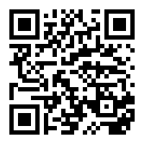 • "Prop Swap While Open" means that the exhibit remains open to guests. No spraying takes place. • Wipe Downs are performed with alcohol wipes while the exhibit is open to guests. • Don't forget IW bricks. • Weekday shifts: 11:15-1:30 and 1:30 to 3:45 • Weekend shifts: 10am to 1pm and 1pm to 4pm • Scan the QR code and save the schedule website to your phone's home screen --------------->

Tuesday
12:45 to 2:15 Ideaworks: Learn & Play 3:45 to 4:30 Ideaworks: Disinfect & Prop Swap

Wednesday | Friday
9:30 to 9:45 Kid Grid & RPW: Prop Swap While Open 9:45 to 10:00 P2P & STEMosphere: Prop Swap While Open 11:15 to 11:45 Ideaworks & Art Loft: Wipe down 11:15 to 12:00 Splash (UW - SS): Disinfect & Prop Swap 12:00 to 12:45 HTT: Disinfect & Prop Swap 12:15 to 12:45 TH & PZ: Wipe down 12:45 to 1:30 Around Town: Disinfect & Prop Swap 1:00 to 1:30 Kid Grid & RPW: Wipe down 1:30 to 2:15 Moneypalooza: Disinfect & Prop Swap 1:45 to 2:15 Splash (UW - SS): Wipe down 2:15 to 3:00 Ideaworks & Art Loft: Disinfect & Prop Swap 2:30 to 3:00 P2P & STEMosphere: Wipe down 3:00 to 3:45 TH & PZ: Disinfect & Prop Swap 5:00 to 5:30 All Exhibits: Virex Everything | 9:30 to 9:45 Splash (UW - SS): Prop Swap While Open 9:45 to 10:00 Ideaworks & Art Loft: Prop Swap While Open 11:15 to 11:45 P2P & STEMosphere: Wipe down 11:15 to 12:00 Kid Grid & RPW: Disinfect & Prop Swap 12:00 to 12:45 HTT: Disinfect & Prop Swap 12:15 to 12:45 TH & PZ: Wipe down 12:45 to 1:30 Around Town: Disinfect & Prop Swap 1:00 to 1:30 Splash (UW - SS): Wipe down 1:30 to 2:15 Moneypalooza: Disinfect & Prop Swap 1:45 to 2:15 Kid Grid & RPW: Wipe down 2:15 to 3:00 P2P & STEMosphere: Disinfect & Prop Swap 2:30 to 3:00 Ideaworks & Art Loft: Wipe down 3:00 to 3:45 TH & PZ: Disinfect & Prop Swap 5:00 to 5:30 All Exhibits: Virex Everything

Thursday | Saturday & Sunday
9:30 to 9:45 HTT: Prop Swap While Open 9:45 to 10:00 Splash (UW - SS): Prop Swap While Open 11:15 to 11:45 Kid Grid & RPW: Wipe down 11:15 to 12:00 Ideaworks & Art Loft: Disinfect & Prop Swap 12:00 to 12:45 Around Town: Disinfect & Prop Swap 12:15 to 12:45 TH & PZ: Wipe down 12:45 to 1:30 Moneypalooza: Disinfect & Prop Swap 1:00 to 1:30 HTT: Wipe down 1:30 to 2:15 P2P & STEMosphere: Disinfect & Prop Swap 1:45 to 2:15 Ideaworks & Art Loft: Wipe down 2:15 to 3:00 Kid Grid & RPW: Disinfect & Prop Swap 2:30 to 3:00 Splash (UW - SS): Wipe down 3:00 to 3:45 TH & PZ: Disinfect & Prop Swap 5:00 to 5:30 All Exhibits: Virex Everything | 10:00 to 10:45 HTT: Disinfect & Prop Swap 10:45 to 11:30 TH & PZ: Disinfect & Prop Swap 11:30 to 12:00 P2P & STEMosphere: Wipe down 11:30 to 12:15 Around Town: Disinfect & Prop Swap 12:15 to 1:00 Splash (TT - SS): Disinfect & Prop Swap 12:30 to 1:00 Kid Grid & RPW: Wipe down 1:00 to 1:45 Moneypalooza: Disinfect & Prop Swap 1:15 to 1:45 HTT: Wipe down 1:45 to 2:30 Ideaworks & Art Loft: Disinfect & Prop Swap 2:15 to 2:45 TH & PZ: Wipe down 2:30 to 3:15 P2P & STEMosphere: Disinfect & Prop Swap 3:15 to 4:00 Kid Grid & RPW: Disinfect & Prop Swap 5:00 to 5:30 All Exhibits: Virex Everything

Revised November 20, 2020

AT
Around Town

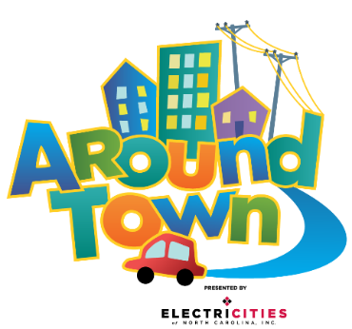
 | Stay & Spray |  |  |  |  | Monday
 | • Spray all touchable hard surfaces and props. Lifting props when necessary to spray all sides. • Start in the grocery and kitchen areas • Spray items in bins, shuffle around, spray again • Leave spray to sit for 10 minutes to disinfect properly. • Restage props and wipe damp areas as needed. |  |  |  |  | #VALUE!

 |  |  |  |  |  | Tuesday
 |  |  |  |  |  | #VALUE!

 |  |  |  |  |  | Wednesday
 |  |  |  |  |  | 12:45 to 1:30 Disinfect & Prop Swap
Scan QR code for schedule:
 |  |  |  |  |  | Thursday
 |  |  |  |  |  | 12:00 to 12:45 Disinfect & Prop Swap

 |  |  |  |  |  | Friday
 |  |  |  |  |  | 12:45 to 1:30 Disinfect & Prop Swap

 |  |  |  |  |  | Saturday & Sunday
 |  |  |  |  |  | 11:30 to 12:15 Disinfect & Prop Swap

Pull & Swap
• Collect soft props & costumes in laundry baskets (leave hard props staged for spray) - All costumes & aprons - All plush animals & cushions - On the Farm hay bales - Ready Set School nugget couch - All fabric props- baby blanks, onesies, diapers and bandages • Reset and stage clean props. • Park cart full of dirty things along rail to pit in Beehive.

 |  | Area | Dishwasher Pull list | Day | Dishwasher Tray
 |  | Pet Vet | Food Bowls | Monday | Pronged
 |  |  | Syringes | Monday | Flat
 |  |  | Tweezers | Monday | Flat
 |  |  | Combs | Monday | Flat
 |  | Ambulance | Babies | Monday | Flat
 |  | RSS | Light Table Pieces | Monday | Flat
 |  |  | Sensory Table Pieces | Monday | Flat
 |  | Kitchen | Plates | Monday | Pronged
 |  |  | Cutting Boards | Monday | Pronged
 |  |  | Ice Cube Trays | Monday | Pronged
 |  |  | Cooking Sheets | Monday | Pronged
 |  |  | Cooking Untensils | Monday | Flat
 |  |  | Pots/Pans | Monday | Flat
 |  |  | Bowls | Monday | Flat
 |  |  | Flour/Sugar bins | Monday | Flat
 |  | Grocery Store | Plastic Protiens | Monday | Flat
 |  |  | Plastic Veggies | Monday | Flat
 |  |  | Plastic Grains | Monday | Flat
 |  |  | Plastic Fruits | Monday | Flat
 |  | On the Farm | Scoops | Monday | Flat
 |  |  | Eggs | Monday | Flat
 |  |  | Red Combs | Monday | Flat
 |  |  | Mini Farm Animals | Monday | Flat

TH
TH

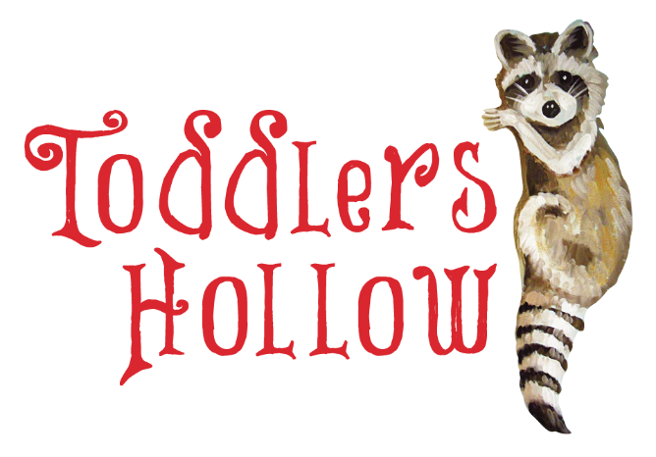
 |  | Monday
 | Stay & Spray

 | • Spray all touchable hard surfaces and props. Lifting props when necessary to spray all sides. - Peekaboo doors - Sensory patches on walls - Vinyl stairs - Railings - Nest disk - Log, inside and outside • Leave for 10 minutes to disinfect properly. • Restage props and wipe damp areas as needed. | Tuesday

 |  | Wednesday
 |  | 12:15 to 12:45 Wipe down 3:00 to 3:45 Disinfect & Prop Swap

 |  | Thursday
Scan QR code for schedule: |  | 12:15 to 12:45 Wipe down 3:00 to 3:45 Disinfect & Prop Swap

 |  | Friday
 |  | 12:15 to 12:45 Wipe down 3:00 to 3:45 Disinfect & Prop Swap

 |  | Saturday & Sunday
 |  | 10:45 to 11:30 Disinfect & Prop Swap 2:15 to 2:45 Wipe down

Pull & Swap
• Collect plush, soft props and costumes in laundry baskets (leave hard props staged for spray). - Plush animals - Costumes • Reset and stage clean props in respective areas. • Park cart full of dirty items in Beehive along rail to pit

PZ
PZ

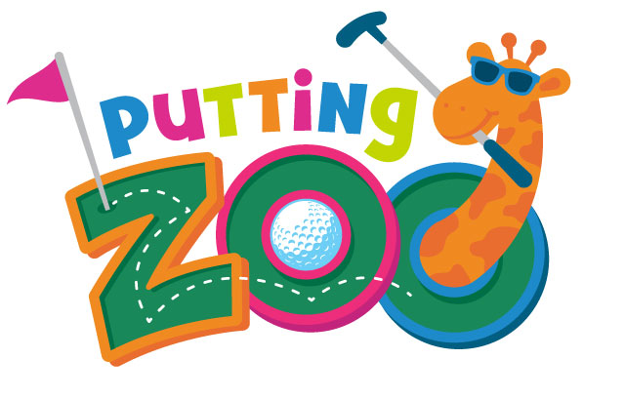
 | Stay & Spray | Monday
 | • Spray Elephant and her blanket

 |  | Tuesday

 |  | Wednesday
 |  | 12:15 to 12:45 Wipe down 3:00 to 3:45 Disinfect & Prop Swap
Scan QR code for schedule:
 |  | Thursday
 |  | 12:15 to 12:45 Wipe down 3:00 to 3:45 Disinfect & Prop Swap

 |  | Friday
 |  | 12:15 to 12:45 Wipe down 3:00 to 3:45 Disinfect & Prop Swap

 |  | Saturday & Sunday
 |  | 10:45 to 11:30 Disinfect & Prop Swap 2:15 to 2:45 Wipe down

Pull & Swap
• Collect all hard props - Clubs - Balls - Obstacles, Ramps, & Holes • Reset and stage clean props in respective areas. * Park cart full of dirty items in Beehive along rail to pit

HTT


HTT

 |  |  |  |  |  | Monday

 |  |  |  |  |  | Tuesday

 |  |  |  |  |  | Wednesday
 | Stay & Spray |  |  |  |  | 12:00 to 12:45 Disinfect & Prop Swap

 | • Spray all touchable hard surfaces and props. Lifting props when necessary to spray all sides. - Plastic props like canteens & kayaks, tents, benches - Enamel plates & bowls • Leave for 10 minutes to disinfect properly. • Restage props and wipe damp areas as needed. |  |  |  |  | Thursday
Scan QR code for schedule: |  |  |  |  |  | 9:30 to 9:45 Prop Swap While Open 1:00 to 1:30 Wipe down

 |  |  |  |  |  | Friday
 |  |  |  |  |  | 12:00 to 12:45 Disinfect & Prop Swap

 |  |  |  |  |  | Saturday & Sunday
 |  |  |  |  |  | 10:00 to 10:45 Disinfect & Prop Swap 1:15 to 1:45 Wipe down

Pull & Swap
• Collect plush, soft props and costumes in laundry baskets (leave hard props staged for spray). - Plush animals - Ranger vests and costumes • Reset and stage clean props in respective areas. • Park cart full of dirty items in Beehive along rail to pit

 |  | Area | Dishwasher Pull list | Day | Dishwasher Tray
 |  | Hit the Trail | Blue dishes | Thursday | Pronged

SPL
Splash

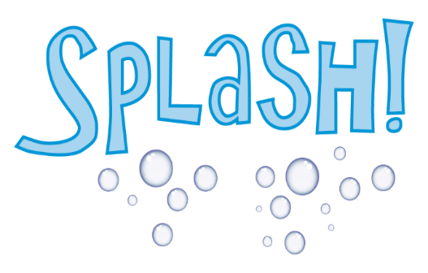
 | Stay & Spray |  |  |  |  | Monday
 | • Spray all touchable hard surfaces and props. Lifting props when necessary to spray all sides. - Plastic props like bottles and test tubes - Sea Shapes life vests, animals, props - All Seedlings props - LEAVE water table toys, they continually disinfect in chlorine • Let spray sit for 10 minutes to disinfect properly. • Restage props and wipe damp areas as needed.

 |  |  |  |  |  | Tuesday

 |  |  |  |  |  | Wednesday
 |  |  |  |  |  | 1:45 to 2:15 Wipe down 11:15 to 12:00 Disinfect & Prop Swap

Scan QR code for schedule: |  |  |  |  |  | Thursday
 |  |  |  |  |  | 9:45 to 10:00 Prop Swap While Open 2:30 to 3:00 Wipe down

 |  |  |  |  |  | Friday
 |  |  |  |  |  | 9:30 to 9:45 Prop Swap While Open 1:00 to 1:30 Wipe down

 |  |  |  |  |  | Saturday & Sunday
 |  |  |  |  |  | 12:15 to 1:00 Disinfect & Prop Swap

Pull & Swap
• Collect plush, soft props and costumes in laundry baskets (leave hard props staged for spray). - Water table aprons, plus costumes from UTW, sub, and ship - Plush sea cushions - Plush sea animals - Parrots - Provisions bags (Millit, flour, etc) • Reset and stage clean props in respective areas. • Park cart full of dirty items in Beehive along rail to pit

 |  | Area | Dishwasher Pull list | Day | Dishwasher Tray

KG+RPW
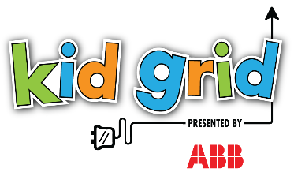
 | Kid Grid

 |  | Stay & Spray | Monday
 |  | • Spray all touchable hard surfaces and props. Lifting props when necessary to spray all sides. - Inside of climbers (KG & RPW) - Ranger Desk, open drawers, phone, book - Beaver Dam draping vines - RPW Slide and slide grab bar - KG Pucks, puck buckets • Let spray sit for 10 minutes to disinfect properly. • Restage props and wipe damp areas as needed.

 |  |  | Tuesday

 |  |  | Wednesday
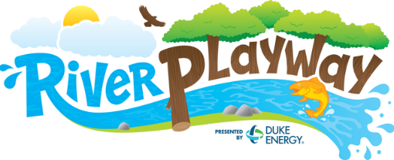 |  |  | 9:30 to 9:45 Prop Swap While Open 1:00 to 1:30 Wipe down

 |  |  | Thursday
 | Scan QR code for schedule: |  | 11:15 to 11:45 Wipe down 2:15 to 3:00 Disinfect & Prop Swap

 |  |  | Friday
 |  |  | 11:15 to 12:00 Disinfect & Prop Swap 1:45 to 2:15 Wipe down

 |  |  | Saturday & Sunday
 |  |  | 12:30 to 1:00 Wipe down 3:15 to 4:00 Disinfect & Prop Swap

 | Pull & Swap
 | • Collect soft props and costumes in laundry baskets (leave hard props staged for spray). - Kid Grid Vests - RPW Beaver Costumes - RPW Logs • Reset and stage clean props in respective areas. • Park cart full of dirty items in Beehive along rail to pit

P2P+STM
P2P & STEMosphere
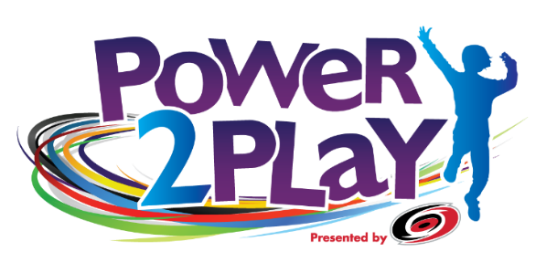
 | Stay & Spray | Monday
 | • Spray all touchable hard surfaces and props. Lifting props when necessary to spray all sides. • Don't forget: - Hockey sticks and pucks (spread on top of goal, spray all sides) - Tumble & Twirl pom-poms & tutus - Chair Lift ropes and seatbelts - All buttons - Spray, shuffle, spray food in bins • Let spray sit for 10 minutes to disinfect properly. • Restage props and wipe damp areas as needed.

 |  | Tuesday

 |  | Wednesday
 |  | 9:45 to 10:00 Prop Swap While Open 2:30 to 3:00 Wipe down

 |  | Thursday
Scan QR code for schedule: |  | 1:30 to 2:15 Disinfect & Prop Swap

 |  | Friday
 |  | 11:15 to 11:45 Wipe down 2:15 to 3:00 Disinfect & Prop Swap

 |  | Saturday & Sunday
 |  | 11:30 to 12:00 Wipe down 2:30 to 3:15 Disinfect & Prop Swap

Pull & Swap
• Collect soft props and costumes in laundry baskets (leave hard props staged for spray). - P2P hockey jerseys and pads - P2P dirty sock bag from top half of sock dispenser - STEMosphere Aerial Antics scarves & parachutes • Load clean socks into bottom half of sock dispenser • Reset and stage clean props in respective areas • Park cart full of dirty items in Beehive along rail to pit

IW+AL
Ideaworks & Art Loft | Ideaworks & Art Loft

 |  | Stay & Spray | Monday
 |  | • Spray all touchable hard surfaces and props. Lifting props when necessary to spray all sides. • Stir-and-spray bins of material and fabric. • Spray Manequins and stage • Restage props and wipe damp areas as needed.

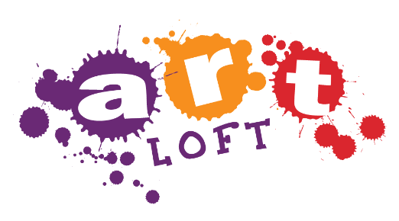
 |  |  | Tuesday

 |  |  | Wednesday
 |  |  | 11:15 to 11:45 Wipe down 2:15 to 3:00 Disinfect & Prop Swap

 |  |  | Thursday
Scan QR code for schedule: |  |  | 11:15 to 12:00 Disinfect & Prop Swap 1:45 to 2:15 Wipe down
 |  | Giant Lego Bricks
 |  | • There are multiple carts of bricks, extras are kept in Think Tank, and bricks are cleaned in Think Tank. • Bricks must be dumped, arranged on floor right-side-up, sprayed, allowed to sit 10 min, flipped upsidedown, sprayed, loaded back into cart, marked as "clean".
 |  |  | Friday
 |  |  | 9:45 to 10:00 Prop Swap While Open 2:30 to 3:00 Wipe down

 |  |  | Saturday & Sunday
 |  |  | 1:45 to 2:30 Disinfect & Prop Swap

Pull & Swap
• Collect props to be cleaned behind the scenes - Aprons in mesh bag - Bricks in rolling bin and swap with clean bin from Think Tank - Safety Glasses in silver wire tray • Reset and stage clean props and paper in respective areas. • Follow instructions in Think Tank for sanitizing bricks. • Swap fabric & papers from Art loft & Studio Style with set from IW closet. • Reset and stage clean props. • Park cart full of dirty things along rail to pit in Beehive.

